_Goal_Seek
Using Goal Seek versus Solver
UNC_DAYT_EXCEL_4.5.1_LECTURE_SOLVER_VS_GOAL_SEEK.mp4
0:05:56

The Goal Seek command enables you to set an end result (e.g., the monthly payment) in order to determine the input (the price of the car) to produce that result.
***With Goal Seek, only one parameter (e.g., the price of the car or the interest rate) can be varied at a time.

Goal Seek |  | Solver
Price of car | $14,999 | Price of car | $14,999
Manufacturer's rebate | $1,000 | Manufacturer's rebate | $1,000
Down payment | $3,000 | Down payment | $3,000
Amount to finance | $10,999 | Amount to finance | $10,999
Interest rate | 9% | Interest rate | 9%
Term (years) | 3 | Term (years) | 3
Payments per year | 12 | Payments per year | 12
Pmt Type (beg=1, end=0) | 0 | Pmt Type (beg=1, end=0) | 0

Monthly payment | $349.77 | Monthly payment | $349.77
 |  | Desired monthly payment | $250.00

Solver can accomplish the same task as Goal Seek, but provides additional functionality.
Solver gives the ability to maximize or minimize the result cell, vary multiple inputs at once, provide contstraints (guidelines Excel must follow when solving the problem), and save your Solver parameters to easily "re-solve" the problem again if any parameters change.

Solver
Using Solver with Flexible Objective Value

Solver can accomplish the same thing as on the previous sheet, but by adding a constraint, you can use a cell reference for the Desired monthly payment rather than typing the value into Solver.

Goal Seek |  | Solver
Price of car | $14,999 | Price of car | $14,999
Manufacturer's rebate | $1,000 | Manufacturer's rebate | $1,000
Down payment | $3,000 | Down payment | $3,000
Amount to finance | $10,999 | Amount to finance | $10,999
Interest rate | 9% | Interest rate | 9%
Term (years) | 3 | Term (years) | 3
Payments per year | 12 | Payments per year | 12
Pmt Type (beg=1, end=0) | 0 | Pmt Type (beg=1, end=0) | 0

Monthly payment | $349.77 | Monthly payment | $349.77
 |  | Desired monthly payment | $250.00

Constraints
Rules, Limits, Boundaries, or Guidelines Excel must abide by when solving a problem
UNC_DAYT_EXCEL_4.5.2_LECTURE_CONSTRAINTS_CONDITIONAL_FORMAT_TRIAL_&_ERROR.mp4
0:05:11

 | Quantity | Hours | Unit Profit
Discount desktop | 500 | 2 | $600
Discount laptop | 500 | 3 | $800
Premium desktop | 500 | 3 | $1,000
By producing 500 of each type of computer, the "Total # of hours used" would exceed the "Labor hours available". Your spreadsheet can "alert" the user if a constraint is exceeded.
Premium laptop | 500 | 5 | $1,300

Constraints (Rules, Limits, Boundaries, Guidelines)
Total number of hours used |  |  |  | 6,500
Labor hours available |  |  |  | 4,500
Number of desktops produced |  |  |  | 1,000
Total demand for desktop computers |  |  |  | 800
Number of laptops produced |  |  |  | 1,000
Total demand for laptop computers |  |  |  | 900
Number of discount computers produced |  |  |  | 1,000
Total demand for discount computers |  |  |  | 700
Number of premium computers produced |  |  |  | 1,000
Total demand for premium computers |  |  |  | 1,000
Hourly cost of labor |  |  |  | $20
Profit |  |  |  | $1,720,000

Conditional_Format
Use Conditional Formatting to signify when a constraint has been exceeded

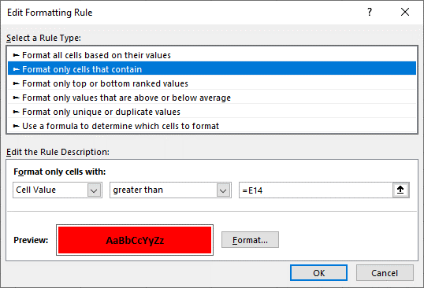
 | Quantity | Hours | Unit Profit
Discount desktop | 500 | 2 | $600
Discount laptop | 500 | 3 | $800
Premium desktop | 500 | 3 | $1,000
Premium laptop | 500 | 5 | $1,300

Constraints
Total number of hours used |  |  |  | 6,500
Labor hours available |  |  |  | 4,500
Number of desktops produced |  |  |  | 1,000
Total demand for desktop computers |  |  |  | 800
Number of laptops produced |  |  |  | 1,000
Total demand for laptop computers |  |  |  | 900
Number of discount computers produced |  |  |  | 1,000
Total demand for discount computers |  |  |  | 700
Number of premium computers produced |  |  |  | 1,000
Total demand for premium computers |  |  |  | 1,000
Hourly cost of labor |  |  |  | $20
Profit |  |  |  | $1,720,000

Copy and paste formats using the Format Painter.

Solver_Add-in
Enable the Solver Add-In, if not available in the Data ribbon
UNC_DAYT_EXCEL_4.5.3_LECTURE_SOLVER_ADD-IN_TO_FIND_OPTIMAL_VALUES.mp4
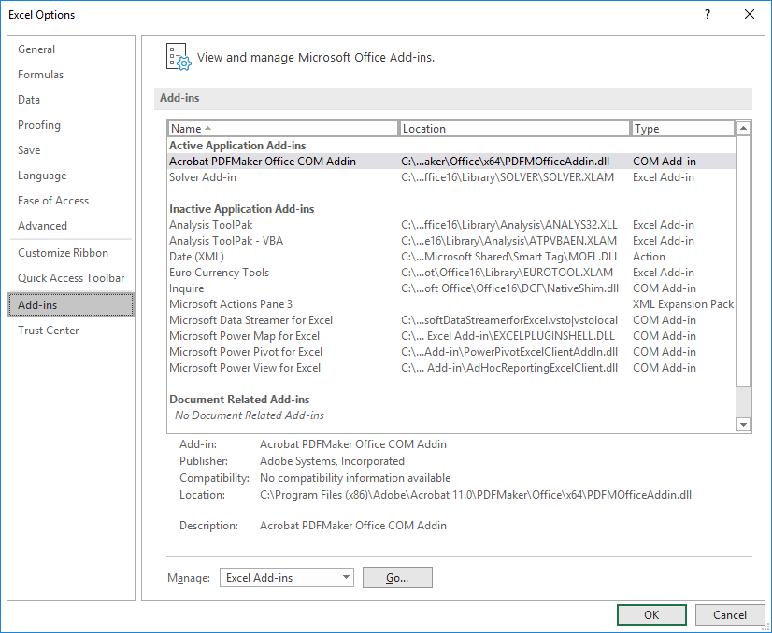
0:06:10

 | Quantity | Hours | Unit Profit
Discount desktop |  | 2 | $600
Discount laptop |  | 3 | $800
Premium desktop |  | 3 | $1,000
Premium laptop |  | 5 | $1,300

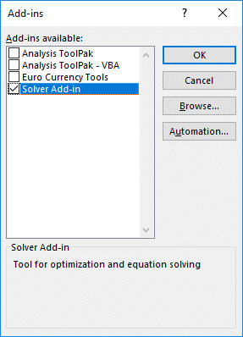
Constraints
Total number of hours used |  |  |  | 0
Labor hours available |  |  |  | 4,500
Number of desktops produced |  |  |  | 0
Total demand for desktop computers |  |  |  | 800
Number of laptops produced |  |  |  | 0
Total demand for laptop computers |  |  |  | 900
Number of discount computers produced |  |  |  | 0
Total demand for discount computers |  |  |  | 700
Number of premium computers produced |  |  |  | 0
Total demand for premium computers |  |  |  | 1,000
Hourly cost of labor |  |  |  | $20
Profit |  |  |  | $0

The Solver tool is accesssible from the Data menu. If Solver isn't listed in the Data menu, you may have to enable the Solver tool. Enable Solver by clicking Excel, Options, Add-Ins...and then click the Go.... button at the bottom next to "Manage: Excel Add-ins." Then check the box next to Solver Add-in. If the Solver Add-In isn't listed as a choice among the available Add-Ins, you may need to install it from the Microsoft Office CD. (Click Start, Settings, Control Panel, Add/Remove Programs, then highlight Microsoft Offlice and click Change…then follow the instructions from there.)

_Answer_Report
Creating a Solver Answer Report
UNC_DAYT_EXCEL_4.5.4_LECTURE_ANSWER_REPORTS.mp4
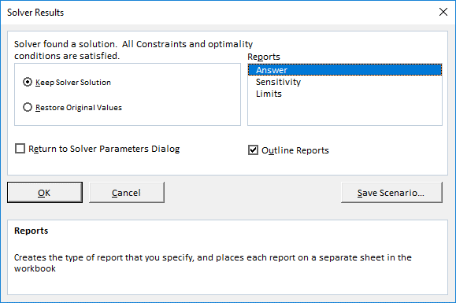
After Solving, highlight "Answer" before clicking OK in order to create an Answer Report..
Check the box next to "Outline Reports" to have rows of your Answer Report "outlined" (grouped).
0:04:45

Microsoft Excel 16.0 Answer Report
Worksheet: [8_Solving_Problems_Notes.xlsx]Optimal Values
Report Created: 2/23/2022 3:41:49 PM
Result: Solver found a solution. All Constraints and optimality conditions are satisfied.
Solver Engine
Solver Options

Objective Cell (Max)
 | Cell | Name | Original Value | Final Value
 | $E$25 | Profit | $1,193,400 | $1,270,000

Variable Cells
 | Cell | Name | Original Value | Final Value | Integer
 | $B$7:$B$10
 | $B$7 | Discount desktop Quantity | 1 | 0 | Integer
 | $B$8 | Discount laptop Quantity | 166 | 700 | Integer
 | $B$9 | Premium desktop Quantity | 500 | 800 | Integer
 | $B$10 | Premium laptop Quantity | 500 | 0 | Integer

Constraints
 | Cell | Name | Cell Value | Formula | Status | Slack | When choosing to "Outline Reports" certain rows are "grouped" (hidden). To see the grouped rows, click the + symbols to the left of the rown headings.
 | $E$14 | Total number of hours used | 4,500 | $E$14<=$E$15 | Binding | 0
 | $E$16 | Number of desktops produced | 800 | $E$16<=$E$17 | Binding | 0
 | $E$18 | Number of laptops produced | 700 | $E$18<=$E$19 | Not Binding | 200
 | $E$20 | Number of discount computers produced | 700 | $E$20<=$E$21 | Binding | 0
 | $E$22 | Number of premium computers produced | 800 | $E$22<=$E$23 | Not Binding | 200
 | $B$7:$B$10 >= 0
 | $B$7 | Discount desktop Quantity | 0 | $B$7>=0 | Binding | 0
 | $B$8 | Discount laptop Quantity | 700 | $B$8>=0 | Not Binding | 700
 | $B$9 | Premium desktop Quantity | 800 | $B$9>=0 | Not Binding | 800
 | $B$10 | Premium laptop Quantity | 0 | $B$10>=0 | Binding | 0

 | $B$7:$B$10=Integer

Format_Before_Solving
Format Worksheets Before Solving and Producing an Answer Report

Microsoft Excel 16.0 Answer Report
Worksheet: [8_Solving_Problems_Notes.xlsx]Optimal Values
Report Created: 2/23/2022 3:41:49 PM
Result: Solver found a solution. All Constraints and optimality conditions are satisfied.
Solver Engine
Solver Options

Objective Cell (Max)
 | Cell | Name | Original Value | Final Value
 | $E$25 | Profit | $1,193,400 | $1,270,000

Format your worksheet before Solving so that the Answer Report gets formatted correctly.
Variable Cells
 | Cell | Name | Original Value | Final Value | Integer
 | $B$7:$B$10
 | $B$7 | Discount desktop Quantity | 1 | 0 | Integer
 | $B$8 | Discount laptop Quantity | 166 | 700 | Integer
 | $B$9 | Premium desktop Quantity | 500 | 800 | Integer
 | $B$10 | Premium laptop Quantity | 500 | 0 | Integer

Constraints
 | Cell | Name | Cell Value | Formula | Status | Slack
 | $E$14 | Total number of hours used | 4,500 | $E$14<=$E$15 | Binding | 0
 | $E$16 | Number of desktops produced | 800 | $E$16<=$E$17 | Binding | 0
 | $E$18 | Number of laptops produced | 700 | $E$18<=$E$19 | Not Binding | 200
 | $E$20 | Number of discount computers produced | 700 | $E$20<=$E$21 | Binding | 0
 | $E$22 | Number of premium computers produced | 800 | $E$22<=$E$23 | Not Binding | 200
 | $B$7:$B$10 >= 0
 | $B$7 | Discount desktop Quantity | 0 | $B$7>=0 | Binding | 0
 | $B$8 | Discount laptop Quantity | 700 | $B$8>=0 | Not Binding | 700
 | $B$9 | Premium desktop Quantity | 800 | $B$9>=0 | Not Binding | 800
 | $B$10 | Premium laptop Quantity | 0 | $B$10>=0 | Binding | 0

 | $B$7:$B$10=Integer

_Solver_Parameters
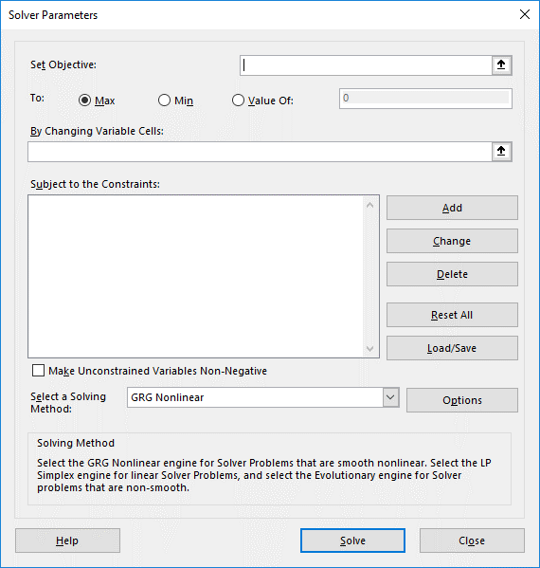
How to begin using Solver
UNC_DAYT_EXCEL_4.5.5_LECTURE_SOLVER_PARAMETERS_&_SETTING_CONSTRAINTS.mp4
0:06:16

 | Quantity | Hours | Unit Profit
Discount desktop |  | 2 | $600
Discount laptop |  | 3 | $800
Premium desktop |  | 3 | $1,000
Premium laptop |  | 5 | $1,300

Constraints
Total number of hours used |  |  |  | 0
Labor hours available |  |  |  | 4,500
Number of desktops produced |  |  |  | 0
Total demand for desktop computers |  |  |  | 800
Number of laptops produced |  |  |  | 0
Total demand for laptop computers |  |  |  | 900
Number of discount computers produced |  |  |  | 0
Total demand for discount computers |  |  |  | 700
Number of premium computers produced |  |  |  | 0
Total demand for premium computers |  |  |  | 1,000
Hourly cost of labor |  |  |  | $20
Profit |  |  |  | $0

Format all cells BEFORE using solver (& creating the answer report)!

Objective_Cell
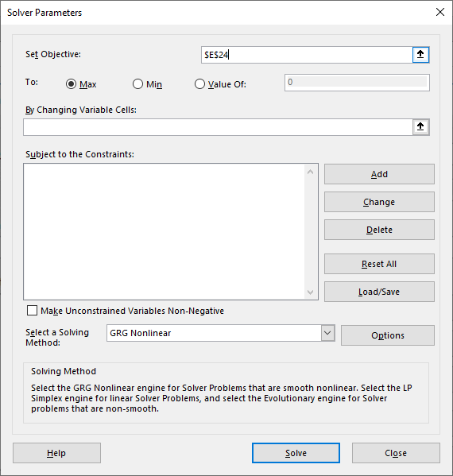
What to use for the Objective cell

 | Quantity | Hours | Unit Profit
Discount desktop |  | 2 | $600
Discount laptop |  | 3 | $800
Premium desktop |  | 3 | $1,000
Premium laptop |  | 5 | $1,300

Constraints
Total number of hours used |  |  |  | 0
Labor hours available |  |  |  | 4,500
Number of desktops produced |  |  |  | 0
Total demand for desktop computers |  |  |  | 800
Number of laptops produced |  |  |  | 0
Total demand for laptop computers |  |  |  | 900
Number of discount computers produced |  |  |  | 0
Total demand for discount computers |  |  |  | 700
Number of premium computers produced |  |  |  | 0
Total demand for premium computers |  |  |  | 1,000
Hourly cost of labor |  |  |  | $20
Profit |  |  |  | $0

The Objective Cell (referred to as the Target cell in previous versions of Excel) must be a cell that contains a formula. This is the cell that is your ultimate "Goal." Are you trying to Maximize Profit? Then select the cell with the formula for Profit as the Objective Cell, and then next to Equal To: choose Max. (In other examples, you may instead by trying to minimize costs....)

Variable_Cells
What to use (and not use) for Solver's Changing Cells
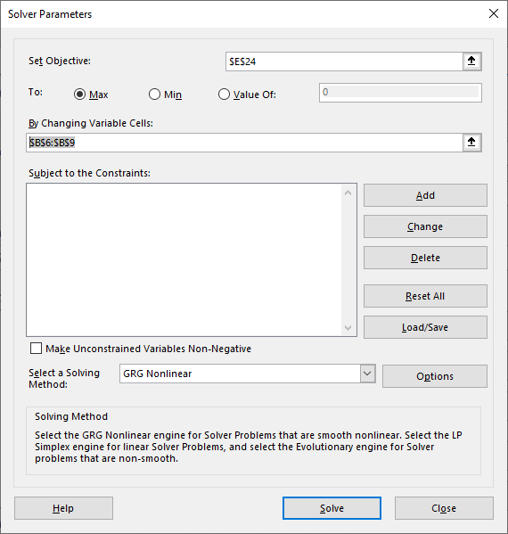

 | Quantity | Hours | Unit Profit
Discount desktop | 0 | 2 | $600
Discount laptop | 0 | 3 | $800
Premium desktop | 0 | 3 | $1,000
Premium laptop | 0 | 5 | $1,300

Constraints
Total number of hours used |  |  |  | 0
Labor hours available |  |  |  | 4,500
Number of desktops produced |  |  |  | 0
Total demand for desktop computers |  |  |  | 800
Number of laptops produced |  |  |  | 0
Total demand for laptop computers |  |  |  | 900
Number of discount computers produced |  |  |  | 0
Total demand for discount computers |  |  |  | 700
Number of premium computers produced |  |  |  | 0
Total demand for premium computers |  |  |  | 1,000
Hourly cost of labor |  |  |  | $20
Profit |  |  |  | $0

The cells used for "By Changing Variable Cells:" must be those cells that where you would normally do your trial & error. These are the cells where Solver will plug in values to arrive at the optimal solution. Changing/Variable Cells should only be cells that contain values. Variable Cells should NEVER be cells that contain formulas! If cells with formulas are specified as changing cells, those formulas will be deleted!

Note: For information about the various Solving Methods, you can refer to websites such as https://www.engineerexcel.com/excel-solver-solving-method-choose/.

Cells_do_not_converge
Objective Cell values do not converge (when constraints are not specified before solving)

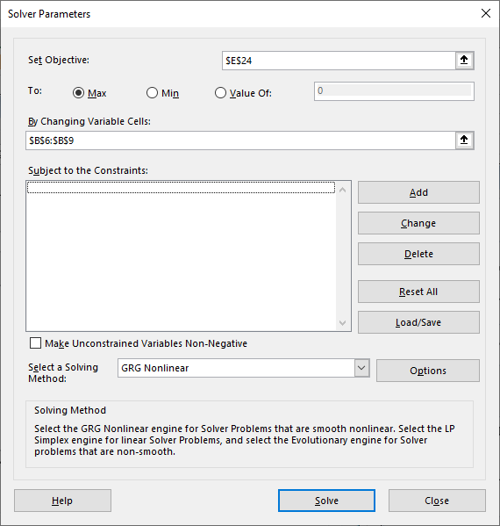
 | Quantity | Hours | Unit Profit
Discount desktop | 0 | 2 | $600
Discount laptop | 0 | 3 | $800
Premium desktop | 0 | 3 | $1,000
Premium laptop | 0 | 5 | $1,300

Constraints
Total number of hours used |  |  |  | 0
Labor hours available |  |  |  | 4,500
Number of desktops produced |  |  |  | 0
Total demand for desktop computers |  |  |  | 800
No Constraints!!!
Results in an error: "The Objective Cell values do not converge."
Number of laptops produced |  |  |  | 0
Total demand for laptop computers |  |  |  | 900
Number of discount computers produced |  |  |  | 0
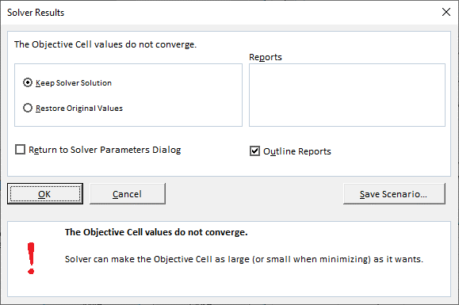
Total demand for discount computers |  |  |  | 700
Number of premium computers produced |  |  |  | 0
Total demand for premium computers |  |  |  | 1,000
Hourly cost of labor |  |  |  | $20
Profit |  |  |  | $0

If you are trying to determine the number of computers to produce in order to maximize profit, yet you do not specify any constraints before you solve, solver will try to produce "infinity" computers…(Solver will recognize the solution as "going to infinity" and will stop its iterations). Attempting to maximize profit without providing any constraints (like the number of labor hours available) will cause Solver will return an error message: "The Objective Cell values do not converge."

Non-Negativity
Non-Negativity Constraint: ensure your answers make sense….

 | Quantity | Hours | Unit Profit
Discount desktop | -1,000 | 2 | $600
Discount laptop | 1,700 | 3 | $800
Two ways to specify a Non-Negative constraint...
Premium desktop | 1,800 | 3 | $1,000
Premium laptop | -800 | 5 | $1,300

Constraints
Total number of hours used |  |  |  | 4,500
Labor hours available |  |  |  | 4,500
Number of desktops produced |  |  |  | 800
Total demand for desktop computers |  |  |  | 800
Number of laptops produced |  |  |  | 900
Total demand for laptop computers |  |  |  | 900
Number of discount computers produced |  |  |  | 700
Total demand for discount computers |  |  |  | 700
Number of premium computers produced |  |  |  | 1,000
Total demand for premium computers |  |  |  | 1,000
Hourly cost of labor |  |  |  | $20
Profit |  |  |  | $1,430,000

Another constraint you always need to consider is the non-negativity constraint. When solving a problem, Solver solves it mathematically, which may sometimes may lead to answers which do not "make sense" when applied to a particular "real life" problem. For the example above, no minimum value constraints have been specified for the quantities of computers to be built. Even so, constraints should be specfied to ensure that the minimum values should be 0. Mathematically, the quanitties of PC's to produce to maximize profit might include some negative values. Solver suggests that the optimal # of Discount Desktops should be negative: (-1000) and the Premium laptop quantity should also be negative (-800). In reality, you cannot produce a negative # of PC's. This just does not make sense. Instruct solver to only use postitve values for its changing cells using one of two methods: use a constraints specifying that the changing cells must be >=0, or simply check the box next to "Make Unconstrained Variables Non-Negative." NOTE: Using a constraint (rather than the checkbox) can be more flexible, since you can easily change the minimum value to something other than 0.

Multiple_Constraints
Enter multiple constraints at once
UNC_DAYT_EXCEL_4.5.6_LECTURE_MULTIPLE_CONSTRAINTS_&_CONSTRAINT_RANGES.mp4
0:04:53

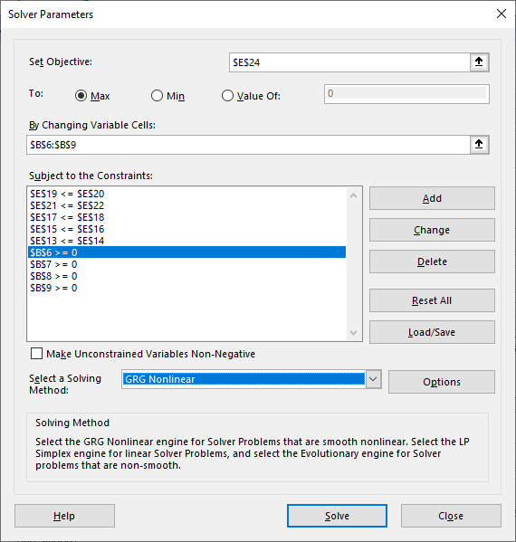
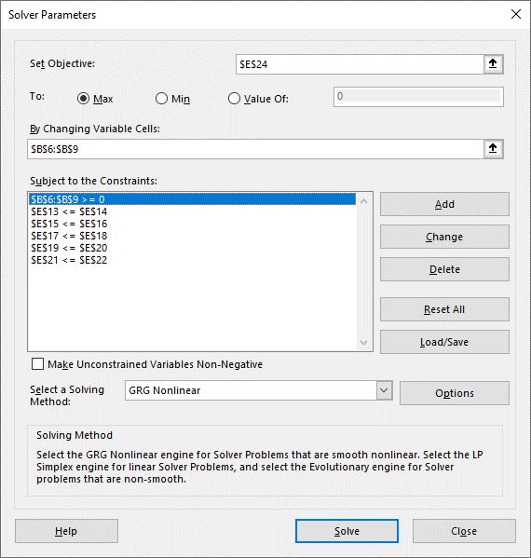
 | Quantity | Hours | Unit Profit
Discount desktop | -1,000 | 2 | $600
Discount laptop | 1,700 | 3 | $800
Premium desktop | 1,800 | 3 | $1,000
Premium laptop | -800 | 5 | $1,300

Constraints
Total number of hours used |  |  |  | 4,500
Labor hours available |  |  |  | 4,500
Number of desktops produced |  |  |  | 800
Total demand for desktop computers |  |  |  | 800
Number of laptops produced |  |  |  | 900
Total demand for laptop computers |  |  |  | 900
Number of discount computers produced |  |  |  | 700
Total demand for discount computers |  |  |  | 700
Number of premium computers produced |  |  |  | 1,000
Total demand for premium computers |  |  |  | 1,000
The method on the left using four separate constraints is more cumbersome and time-consuming than using a single constraint, as shown on the right.
Hourly cost of labor |  |  |  | $20
Profit |  |  |  | $1,430,000

Notice that rather than entering individual >=0 constraints for each changing cell (B4>=0, B5>=0, etc.), it is possible to enter a single consraint that specifies a range of cells must all be >=0. Granted, for this example it would be much easier to simply check the box to "Make Unconstrained Variables Non-Negative.) But what about the other indvidual constraints that are listed?

_Constraint_Ranges
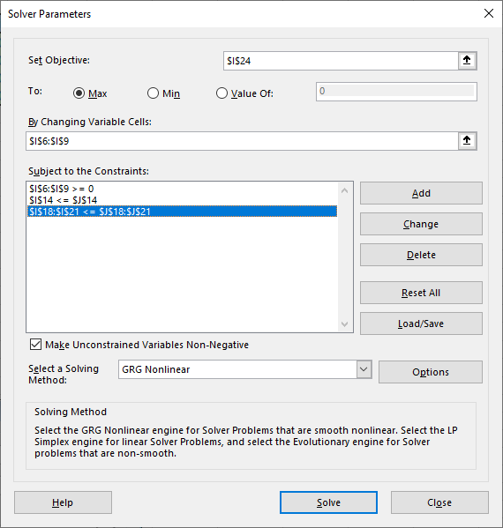
Ranges of cells can be entered as a single constraint
UNC_DAYT_EXCEL_4.5.6b_LECTURE_CONSTRAINT_RANGES.mp4
0:03:25

 | Quantity | Hours | Unit Profit |  |  | Quantity | Hours | Unit Profit
Discount desktop | 100 | 2 | $600 |  | Discount desktop | 100 | 2 | $600
Discount laptop | 100 | 3 | $800 |  | Discount laptop | 100 | 3 | $800
Premium desktop | 500 | 3 | $1,000 |  | Premium desktop | 500 | 3 | $1,000
Premium laptop | 500 | 5 | $1,300 |  | Premium laptop | 500 | 5 | $1,300

Constraints |  |  |  |  | Constraints
Total number of hours used |  |  |  | 4,500 |  | Used | Available
Labor hours available |  |  |  | 4,500 | Labor Hours | 4,500 | 4,500
Number of desktops produced |  |  |  | 600
Total demand for desktop computers |  |  |  | 800 |  | Number | Total
Number of laptops produced |  |  |  | 600 |  | Produced | Demand
Total demand for laptop computers |  |  |  | 900 | All Desktops | 600 | 800
Number of discount computers produced |  |  |  | 200 | All Laptops | 600 | 900
Total demand for discount computers |  |  |  | 700 | Discount Computers | 200 | 700
Number of premium computers produced |  |  |  | 1,000 | Premium Computers | 1,000 | 1,000
Total demand for premium computers |  |  |  | 1,000
Hourly cost of labor |  |  |  | $20 | Hourly cost of labor | $20
Profit |  |  |  | $1,200,000 | Profit | $1,200,000

Constraint_Ranges_2
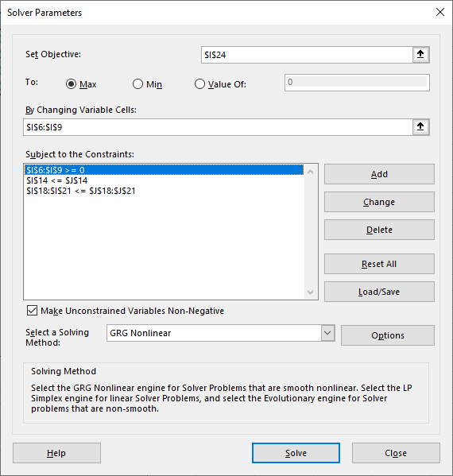
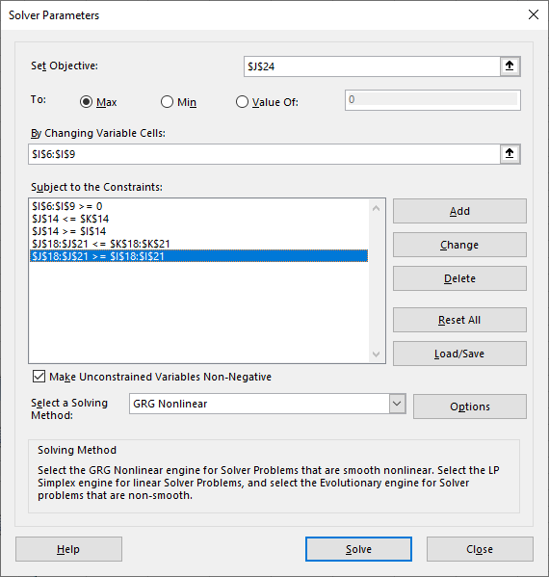
Ranges of cells can be entered as a single constraint

 | Quantity | Hours | Unit Profit |  |  | Quantity | Hours | Unit Profit
Discount desktop | 100 | 2 | $600 |  | Discount desktop | 100 | 2 | $600
Discount laptop | 100 | 3 | $800 |  | Discount laptop | 100 | 3 | $800
Premium desktop | 500 | 3 | $1,000 |  | Premium desktop | 500 | 3 | $1,000
Premium laptop | 500 | 5 | $1,300 |  | Premium laptop | 500 | 5 | $1,300

Constraints |  |  |  |  | Constraints
Total number of hours used |  |  |  | 4,500 |  | Min | Used | Available
Labor hours available |  |  |  | 4,500 | Labor Hours | 0 | 4,500 | 4,500
Number of desktops produced |  |  |  | 600
Total demand for desktop computers |  |  |  | 800 |  | Min | Number | Total
Number of laptops produced |  |  |  | 600 |  | Production | Produced | Demand
Total demand for laptop computers |  |  |  | 900 | All Desktops | 0 | 600 | 800
Number of discount computers produced |  |  |  | 200 | All Laptops | 0 | 600 | 900
Total demand for discount computers |  |  |  | 700 | Discount Computers | 0 | 200 | 700
Number of premium computers produced |  |  |  | 1,000 | Premium Computers | 0 | 1,000 | 1,000
Total demand for premium computers |  |  |  | 1,000
Hourly cost of labor |  |  |  | $20 | Hourly cost of labor |  | $20
Profit |  |  |  | $1,200,000 | Profit |  | $1,200,000

_Integer_Constraint
Integer Constraints can help ensure that your answers "make sense"
UNC_DAYT_EXCEL_4.5.7_LECTURE_INTEGER_CONSTRAINT_&_SOLVER_OPTIONS.mp4
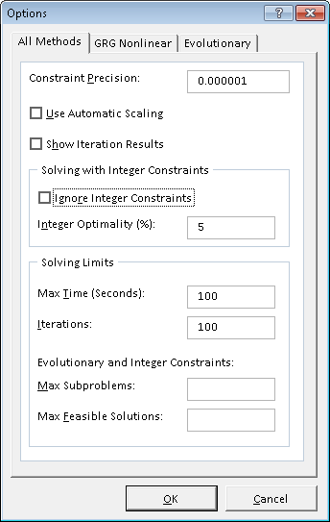
0:07:06

Appliance Mart Superstore
GoldStar Order Worksheet

 | Refrigerators | Stoves | Microwaves | Totals
Unit Retail Price | $1,250 | $595 | $250
Unit Wholesale Cost | $850 | $420 | $195
Profit per Unit | $400 | $175 | $55
Cubic feet per Unit | 25 | 18 | 3

Customer Requests | 6 | 14 | 19
Quantity to Order | 30.967741935 | 14 | 91.268817204

Total Cost | $26,323 | $5,880 | $17,797 | $50,000.00
Total Potential Profit | $12,387 | $2,450 | $5,020 | $19,856.88
Total Cubic Feet | 774 | 252 | 274 | 1,300

Maximum Allowed Budget | $50,000
Max Warehouse Space (cubic feet) | 1,300

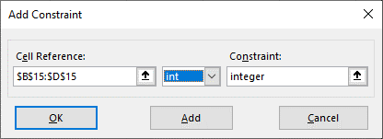
Another constraint you need to consider with Solver is the "Integer Constraint". When solving a problem, Solver might suggest that you order (or produce) part of a refrigerators or part of microwaves. But this doesn't really make sense. You can't order 91.27 microwaves. Some people might suggest that we simply round up or round down our optimal values. Thay may work sometimes, but not always. Rounding up or down may make your solution exceed one of your constraints, or may otherwise result in a non-optimal solution. Therefore in such cases, you can use the Integer Constraint. Note: Integer Constraints can add significant complexity (and time required to solve) advanced Solver problems in some spreadsheets. To ensure Integer constraints are applied, check the Solver Options and uncheck "Ignore Integer Constraints."

Cannot_Just_Round
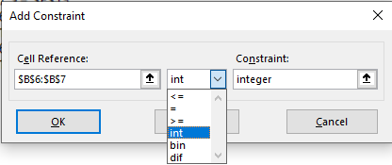
Rounding solver's optimal values doesn't necessarily provide the optimal solution

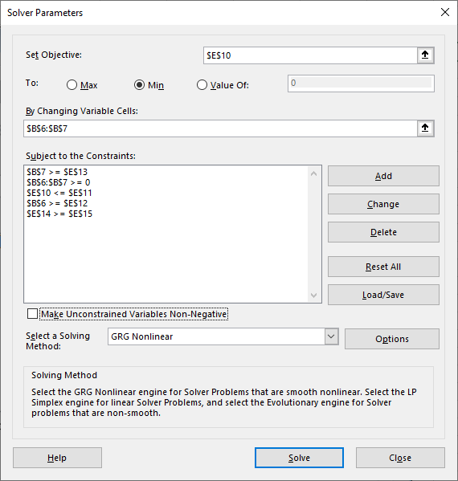

 | Number of Ads | Cost Per Ad | Audience
Magazine | 7.5 | $10,000 | 1,000,000
Radio | 10 | $5,000 | 250,000

 | Constraints
 | Total cost of Advertising |  |  | $125,000
 | Advertising Budget |  |  | $125,000
 | Minimum Number of Magazine Ads |  |  | 4
 | Minimum Number of Radio Ads |  |  | 10
 | Size of Audience Reached |  |  | 10,000,000
 | Required Audience |  |  | 10,000,000

Rounding does not always work.

_No_Feasible_Solution
When solver can't solve a problem
UNC_DAYT_EXCEL_4.5.8_LECTURE_NO_FEASIBLE_SOLUTION_RELAXING_CONSTRAINTS_SOLVING_METHODS.mp4
0:09:14

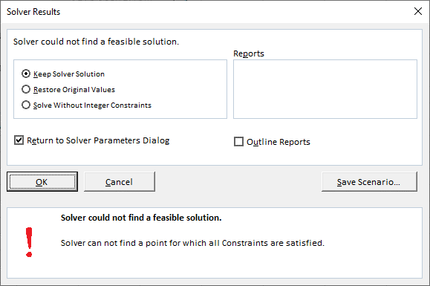
 | Number of Ads | Cost Per Ad | Audience
Magazine | 0 | $10,000 | 1,000,000
Radio | 0 | $5,000 | 250,000

 | Constraints
 | Total cost of Advertising |  |  | $0
 | Advertising Budget |  |  | $125,000
 | Minimum Number of Magazine Ads |  |  | 4
 | Minimum Number of Radio Ads |  |  | 10
 | Size of Audience Reached |  |  | 0
 | Required Audience |  |  | 10,000,000

One other error message Solver may sometimes produce is the "Solver could not find a feasible solution." This means that there's no solution to the problem using the constraints you specified. A valid solution does not exist for the problem above. There's no way to use a budget of $125,000 to reach an audience size of 10,000,000, while placing the minimum ads (4 and 10) specified in the problem. You'd have to tell your boss to either give you more budget, lower the acceptable audience size reached, or to lower the minimum ads placed for Magazine and Radio Ads. Relaxing any of these constraints may allow the problem to be solved.

Inoptimal_Solution
A case where solver may not produce an optimal solution

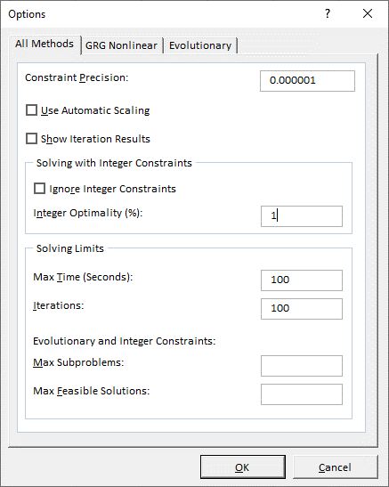
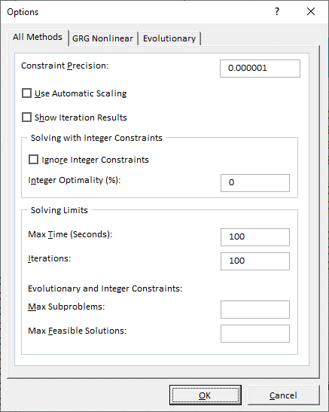

Home Furnishings Warehouse
Furniture Sale Order Worksheet

 | Couches | Chairs | Total
Unit Wholesale Cost | $659 | $550
Unit Retail Price | $1,199 | $799
Profit per Unit | $540 | $249
Square feet per Unit | 19.5 | 8

Customer Requests | 10 | 10
Quantity to Order | 0 | 0

Total Cost | $0 | $0 | $0
Total Potentiial Profit | $0 | $0 | $0
Total Square Footage | 0 | 0 | 0

Max Order Cost Allowed | $60,000
Max Square Footage Allowed | 1,300

Maximum # of Chairs | 15

Sales by Store
 | 0 | 0 | 0 | 0
This worksheet shows an example of a problem where Solver did not produce the optimal solution when the default Solver options were used. By changing the Integer Optimality Tolerance to 0%, Solver can find an even better solution. For more info, see:

https://www.solver.com/excel-solver-integer-constraints-and-integer-optimality-tolerance

More info on other options can be found here:
https://www.solver.com/excel-solver-change-options-all-solving-methods

Solver_Run_1
Solution after first Solver run (using default solver options)

Microsoft Excel 10.0 Answer Report
Worksheet: [Excel Solver Labwork.xls]Home Furnishings
Report Created: 10/15/2001 9:52:44 AM

Target Cell (Max)
 | Cell | Name | Original Value | Final Value
 | $D$14 | Total Potential Profit Total | $16,488.00 | solver profit

Adjustable Cells
 | Cell | Name | Original Value | Final Value
 | $B$11 | Quantity to Order Couches | 25 | solver_answer
 | $C$11 | Quantity to Order Chairs | 12 | solver_answer

Constraints
 | Cell | Name | Cell Value | Formula | Status | Slack
 | $D$13 | Total Cost Total | solver_cost | $D$13<=$B$17 | Not Binding | ##
 | $D$15 | Total Square Footage Total | solver_sqfeet | $D$15<=$B$18 | Not Binding | ##
 | $B$11 | Quantity to Order Couches | solver_answer | $B$11>=$B$10 | Not Binding | ##
 | $C$11 | Quantity to Order Chairs | solver_answer | $C$11>=$C$10 | Not Binding | ##
 | $C$11 | Quantity to Order Chairs | solver_answer | $C$11<=$B$20 | Not Binding | ##
 | $B$11 | Quantity to Order Couches | solver_answer | $B$11=integer | Binding | ##
 | $C$11 | Quantity to Order Chairs | solver_answer | $C$11=integer | Binding | ##
The Answer Report after the initial Solver run shows one set of values. By changing the Solver option "Tolerance" to 0.5% (as opposed to 5%) makes for a more optimal solution (a higher potential profit). Think of it as if Solver is now 99.5% certain it has the optimal solution, as opposed to 95% certain when the Tolerance was at 5%.

