Control_Data-Entry
Controlling Data-Entry Errors Using Data Validation

TheZone - Sunglasses Products
Projected Income Statement |  |  |  | Validation rule | •Specifies type of data that is appropriate
For the Period Ended Dec 31, 2013 |  |  |  |  | •Specifies range of acceptable values
Tier | 1 |  |  | Input message | •Identifies kind of data user should enter
Assumptions: |  | Projections:
Unit sales | 15,000 | Sales | $45,000 | Error alert | •Displays a message of varying severity
Unit price | $3.00 | COGS | 270,000
Cost of goods sold (COGS) | 600.00% | Gross profit | (225,000)
Payroll | $50,000 | Payroll | 50,000
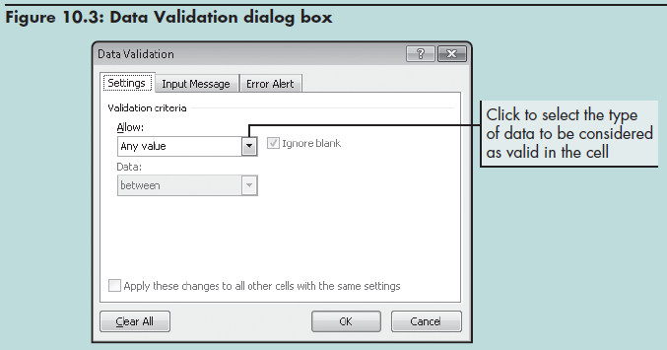
Advertising | $75,000 | Advertising | 75,000
Rent | $20,000 | Rent | 20,000
Tax rate | 35.00% | Pretax income | (370,000)
Average number of |  | Est. income tax expense | (129,500)
shares outstanding | 200,000 | Marginal net income | $(240,500)

 |  | Marginal earnings per share (EPS) | $(1.20)

1. Set up the data validation rule
2. Create the input message
3. Specify the error alert style and message
(Ensure you complete all three steps. Don't stop after Step 1!)

Rule_Types
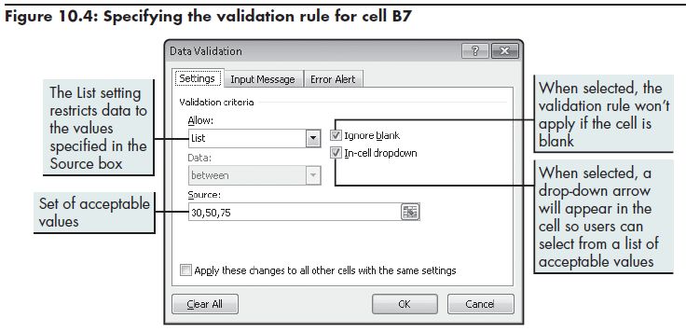
Specifying "List" & "Decimal Between" validation rules for Unit Price & COGS

Tier | 1
Assumptions: |  | Projections:
Unit sales | 15,000 | Sales | $450,000
Unit price | $30.00 | COGS | 270,000
Cost of goods sold (COGS) | 60.00% | Gross profit | 180,000
Payroll | $50,000 | Payroll | 50,000
Advertising | $75,000 | Advertising | 75,000
Rent | $20,000 | Rent | 20,000
Tax rate | 35.00% | Pretax income | 35,000
Average number of |  | Est. income tax expense | 12,250
shares outstanding | 200,000 | Marginal net income | $22,750
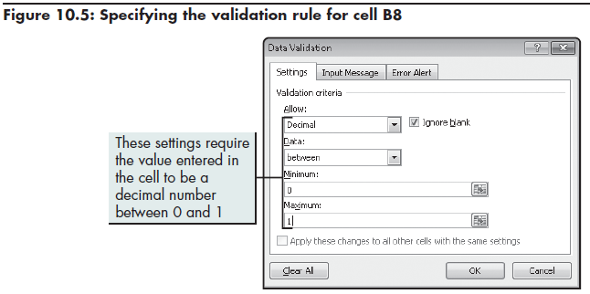
 |  | Marginal earnings per share (EPS) | $0.11

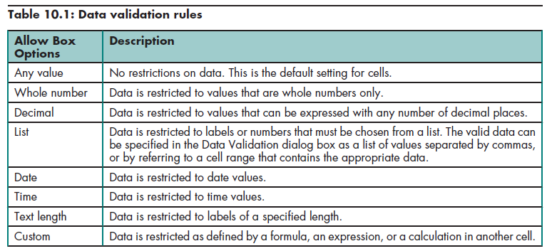

Note: To maintain flexibility, the "Source" for a Data Validation list should typically be a range of cells rather than actual values separated by commas.

When applying validation rules to a range of cells, there is no need to apply the rule to the column heading or to the "dummy row." You’ll find that if you insert a new row below your data (above the dummy row) or above your data (below your column headings), that the input messages will still show on the newly inserted rows. (When inserting the new row below the column headings, for your “Insert Options,” you’ll want to choose “Format Same as Below”.)

Input_Message
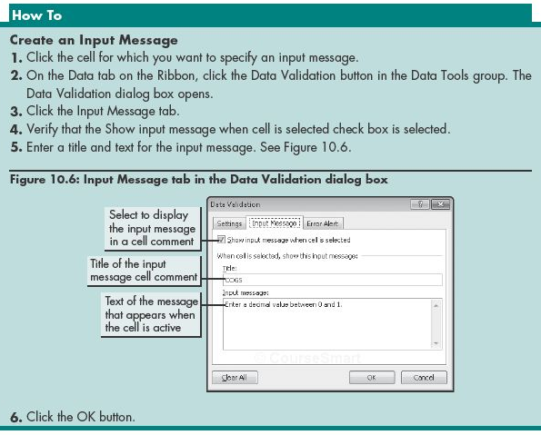
Creating an Input Message

Tier | 1
Assumptions: |  | Projections:
Unit sales | 15,000 | Sales | $450,000
Unit price | $30.00 | COGS | 270,000
Cost of goods sold (COGS) | 60.00% | Gross profit | 180,000
Payroll | $50,000 | Payroll | 50,000
Advertising | $75,000 | Advertising | 75,000
Rent | $20,000 | Rent | 20,000
Tax rate | 35.00% | Pretax income | 35,000
Average number of |  | Est. income tax expense | 12,250
shares outstanding | 200,000 | Marginal net income | $22,750

 |  | Marginal earnings per share (EPS) | $0.11

Alert_Style

Specifying an Alert Style and Message

Tier | 1
Assumptions: |  | Projections:
Unit sales | 15,000 | Sales | $450,000
Unit price | $30.00 | COGS | 270,000
Cost of goods sold (COGS) | 60.00% | Gross profit | 180,000
Payroll | $50,000 | Payroll | 50,000
Advertising | $75,000 | Advertising | 75,000
Rent | $20,000 | Rent | 20,000
Tax rate | 35.00% | Pretax income | 35,000
Average number of |  | Est. income tax expense | 12,250
shares outstanding | 200,000 | Marginal net income | $22,750

 |  | Marginal earnings per share (EPS) | $0.11

Circling_Invalid_Data
Circling Invalid Data

This tool finds and marks cells containing data that do not meet validation criteria

Tier | 1
Assumptions: |  | Projections:
Unit sales | 15,000 | Sales | $45,000
Unit price | $3.00 | COGS | 270,000
Cost of goods sold (COGS) | 600.00% | Gross profit | (225,000)
Payroll | $50,000 | Payroll | 50,000
Advertising | $75,000 | Advertising | 75,000
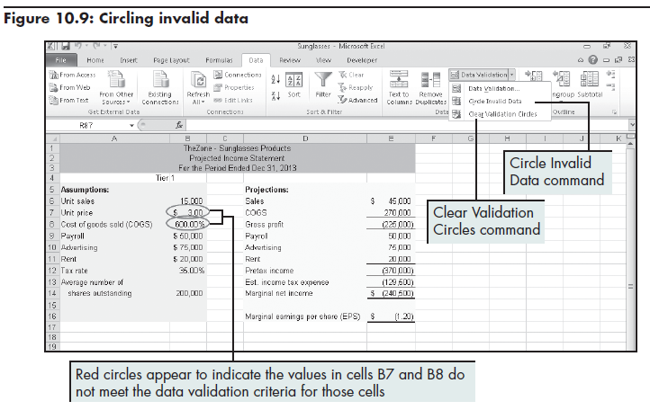
Rent | $20,000 | Rent | 20,000
Tax rate | 35.00% | Pretax income | (370,000)
Average number of |  | Est. income tax expense | (129,500)
shares outstanding | 200,000 | Marginal net income | $(240,500)

 |  | Marginal earnings per share (EPS) | $(1.20)

Protection
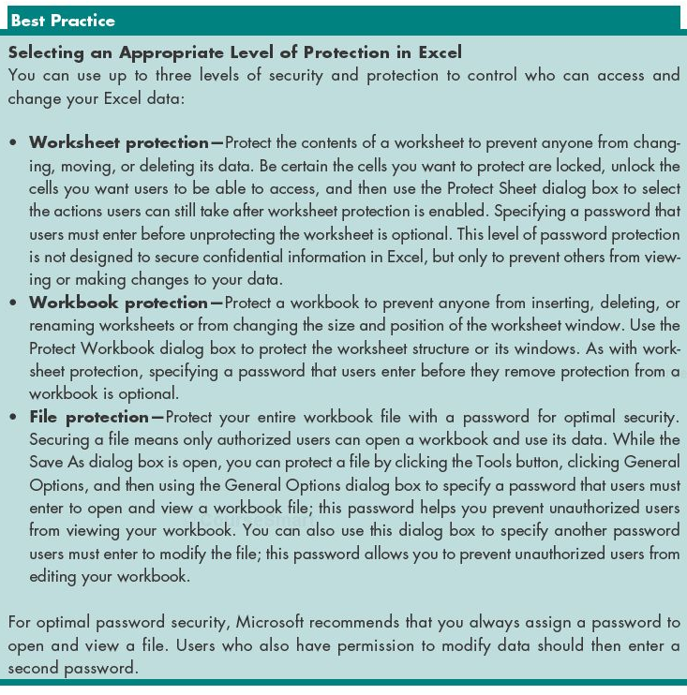
Selecting Appropriate Levels of Protection in Excel

 | Unit Price Options | COGS Allowed Range
 | $30.00 | >= 0%
 | 60.00 | <= 100%
 | 75.00

Tier | 1
Assumptions: |  |  | Projections:
Unit sales | 15,000 |  | Sales | $450,000
Unit price | $30.00 |  | COGS | 270,000
Cost of goods sold (COGS) | 60.00% |  | Gross profit | 180,000
Payroll | $50,000 |  | Payroll | 50,000
Advertising | $75,000 |  | Advertising | 75,000
Rent | $20,000 |  | Rent | 20,000
Tax rate | 35.00% |  | Pretax income | 35,000
Average number of |  |  | Est. income tax expense | 12,250
shares outstanding | 200,000 |  | Marginal net income | $22,750

 |  |  | Marginal earnings per share (EPS) | $0.11

Ways to protect workbooks
Lock cells so that users cannot change their contents
Hide cells so that users cannot see them
Restrict actions users can perform on specified portions of specified worksheets
Prevent a worksheet from being deleted from a workbook
Select appropriate level of protection (worksheet, workbook, file)

Unlock_Cells
Selecting Appropriate Levels of Protection in Excel

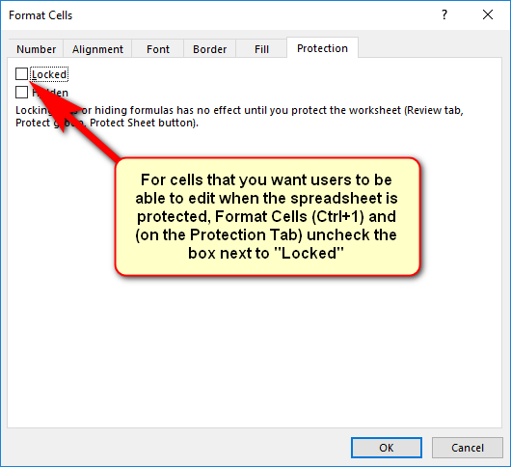
 | Unit Price Options | COGS Allowed Range
 | $30.00 | >= 0%
 | 60.00 | <= 100%
 | 75.00

Tier | 1
Assumptions: |  |  | Projections:
Unit sales | 15,000 |  | Sales | $450,000
Unit price | $30.00 |  | COGS | 270,000
Cost of goods sold (COGS) | 60.00% |  | Gross profit | 180,000
Payroll | $50,000 |  | Payroll | 50,000
Advertising | $75,000 |  | Advertising | 75,000
Rent | $20,000 |  | Rent | 20,000
Tax rate | 35.00% |  | Pretax income | 35,000
Average number of |  |  | Est. income tax expense | 12,250
shares outstanding | 200,000 |  | Marginal net income | $22,750

 |  |  | Marginal earnings per share (EPS) | $0.11

Ways to protect workbooks
Lock cells so that users cannot change their contents
Hide cells so that users cannot see them
Restrict actions users can perform on specified portions of specified worksheets
Prevent a worksheet from being deleted from a workbook
Select appropriate level of protection (worksheet, workbook, file)

Worksheets
Locking & Unlocking Cells; Protecting & Unprotecting Worksheets

 | Unit Price Options | COGS Allowed Range
 | $30.00 | >= 0%
 | 60.00 | <= 100%
 | 75.00

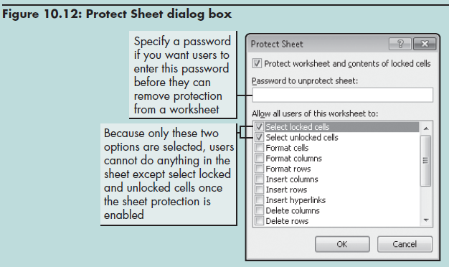
Tier | 1
Assumptions: |  |  | Projections:
Unit sales | 15,000 |  | Sales | $450,000
Unit price | $30.00 |  | COGS | 270,000
Cost of goods sold (COGS) | 60.00% |  | Gross profit | 180,000
Payroll | $50,000 |  | Payroll | 50,000
Advertising | $75,000 |  | Advertising | 75,000
Rent | $20,000 |  | Rent | 20,000
Tax rate | 35.00% |  | Pretax income | 35,000
Average number of |  |  | Est. income tax expense | 12,250
shares outstanding | 200,000 |  | Marginal net income | $22,750

 |  |  | Marginal earnings per share (EPS) | $0.11

To allow users to change contents of unlocked cell, but not the contents of locked cells:
1) Unlock cells you want users to to be able to change (Ctrl+1, Protection tab, uncheck "Locked")
2) Protect the worksheet to engage the Locked property of the cells

Users cannot change content of locked cells
Specify what users can do in the worksheet (format, enter data)
Can specify passwords that users enter a case-sensitive password before they remove protection

Workbooks
Protecting Workbooks; Hiding and Displaying Rows & Columns

To prohibit users from adding, renaming, or deleting worksheets in the workbook
Secure workbook structure or its windows
Structure (cannot insert, delete, or rename worksheets)
Windows (Excel windows are same size and position each time workbook opens)
Can specify that users enter a case-sensitive password before they remove protection
Tier | 1
Assumptions: |  | Projections:
Unit sales | 15,000 | Sales | $450,000
Unit price | $30.00 | COGS | 270,000
Cost of goods sold (COGS) | 60.00% | Gross profit | 180,000
Payroll | $50,000 | Payroll | 50,000
Advertising | $75,000 | Advertising | 75,000
Rent | $20,000 | Rent | 20,000
Tax rate | 35.00% | Pretax income | 35,000
Average number of |  | Est. income tax expense | 12,250
shares outstanding | 200,000 | Marginal net income | $22,750

 |  | Marginal earnings per share (EPS) | $0.11

Tracing
Tracing Errors

 |  | January |  |  | February |  |  | March

Type | Rate | Fixed | Variable | Total | Fixed | Variable | Total | Fixed | Variable | Total
Salaries |  | $3,000 |  | $3,000 | $3,000 |  | $3,000 | $3,000 |  | $3,000
Commissions | 3% | - | 2,925 | 2,925 | - | 3,094 | 3,094 | none | 3,287 | #VALUE!
Travel | 2% | - | 1,950 | 1,950 | - | 2,063 | 2,063 | none | 2,191 | #VALUE!
Advertising | 1% | - | 975 | 975 | - | 1,031 | 1,031 | none | 1,096 | #VALUE!
Depreciation |  | 1,000 |  | 1,000 | 1,000 |  | 1,000 | 1,000 |  | $1,000
Miscellaneous |  | 800 |  | 800 | 800 |  | 800 | 800 |  | $800
Total selling expenses |  | #NAME? | $5,851 | $10,651 | $4,800 | $6,188 | $10,988 | $4,800 | $6,574 | #VALUE!
 |  |  |  | precedent cells above
Statistics
Average monthly expense |  | #VALUE! | dependent cell
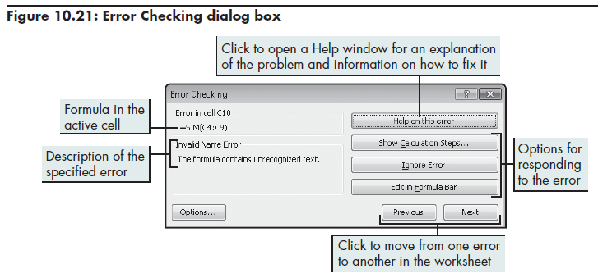
Max expense |  | #VALUE! | dependent cell
Min expense |  | #VALUE!

Recording
Recording and Saving a Macro

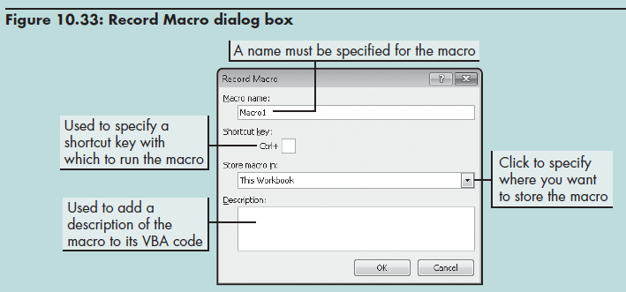
Record a Macro
1. Click the Developer tab on the Ribbon, then click the Record Macro button in the Code group. The Record Macro dialog box opens.
2. In the Macro name box, enter a unique name for the macro. The name can contain up to 255 characters, including letters, numbers, and the underscore symbol. You cannot use spaces or special characters in a macro name.
3. Click the Store macro in arrow, and then select a location for the macro, such as the current workbook.
4. To assign the macro to a shortcut key, enter the key name in the Shortcut key box. You can also enter a description for the macro.
5. Click the OK button to start the macro recorder. The Stop Recording button replaces the Record Macro button in the Code group.
6. Perform the tasks you want to record.
7. Click the Stop Recording button in the Code group.

Save an Excel file as a Macro- Enabled Workbook
1. Click the File tab of the Ribbon to display Backstage view.
2. Click the Save As command.
3. Choose Excel Macro- Enabled Workbook from the Save as type list.
4. Specify the desired location and filename for the workbook.
5. Click the Save button.
 | If you want the macro to be available anytime you start Excel, then save the macro in the Personal Macro Workbook. Only save macros in "This Workbook" if you have created a unique macro that is specific to just that workbook.

Editing
Editing a Macro in the Visual Basic Editor

Edit a Macro
1. Click the Developer tab on the Ribbon, click the Macros button in the Code group (or press Alt+F8). The Macro dialog box opens.
2. Click the name of the macro you want to edit, and then click the Edit button. The Visual Basic Editor window open (as shown in Figure at right). (Or you can just press Alt+F11 to open the VB Editor.)
3. Edit the macro code.
4. Click File on the menu bar, and then click Close and Return to Microsoft Excel.

If renaming a module, do NOT name it the same name as one of your macros. Module and macro names must be unique.

Navigation tree for accessing VBA code in other parts of the workbook.

Comments appear in green and start with an apostrophe.

Macro commands

