Fundamentals
Understanding the Fundamentals of Statistics
UNC_DAYT_EXCEL_2.2.1_LECTURE_STATISTICS.mp4
0:07:01
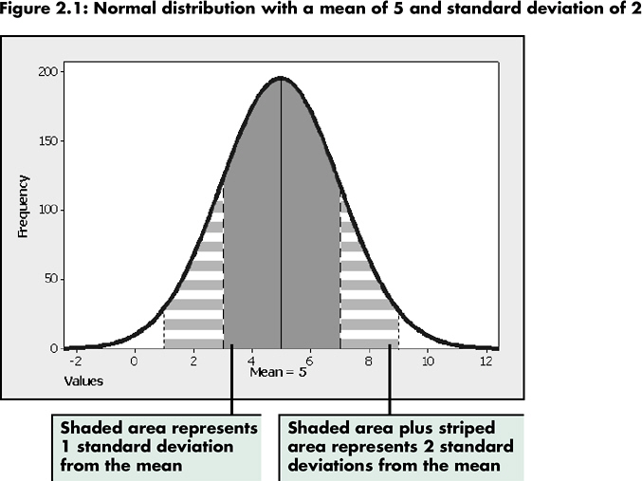
Normal distribution with a mean of 5 and standard deviation of 2

Comparing the mean, mode, and median for a set of values reveals information about how the values are distributed--evenly around the mean or skewed to one end. If two sets of data have the same mean but different standard deviations, the data might be more or less widely distributed or have an atypical distribution profile. Conversely, if two data sets have the same standard deviation but different mean values, the two sets of data are dissimilar, but vary in a similar manner.

Normal_Dist
Normal versus Non-Normal Distribution

A Normal Distribution shows an equal number of occurrences of data values above and below the arithmetic mean A chart of a standard normal distribution forms the classic bell curve. When working with a large data set, the distribution of the curve indicates that the majority of the values often cluster near a central value, and the frequency of higher and lower values tapers off smoothly. | In a Non-Normal Distribution, the values are skewed to one end of the distrubution. In the figure below, the data is not normally distributed--the arithmetic mean is not equal to the mode or median values. For example, the tail in this distribution indicates that a few values are at a high extreme above the median.

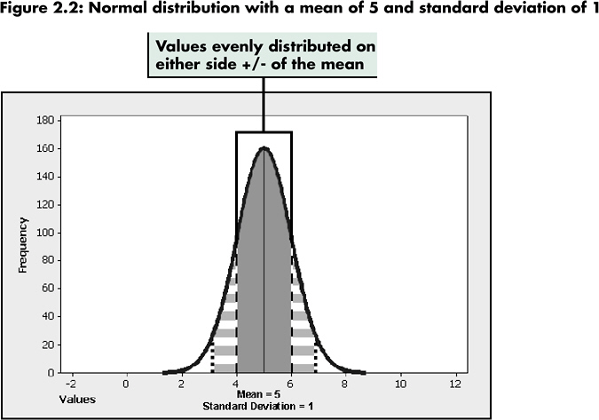

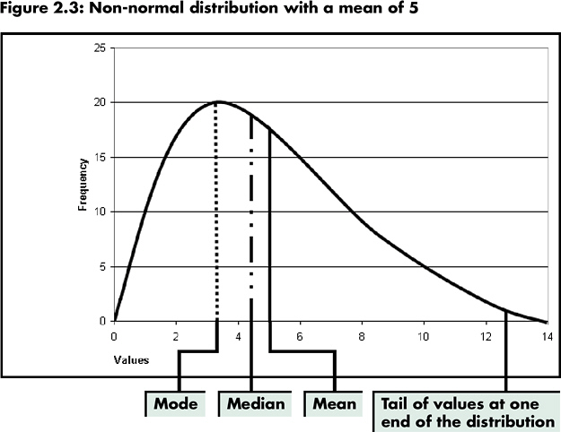
Figure 2.2:
Normal distribution with a mean of 5 and standard deviation of 1
Figure 2.3:
Non-normal distribution with a mean of 5

Paste_Special
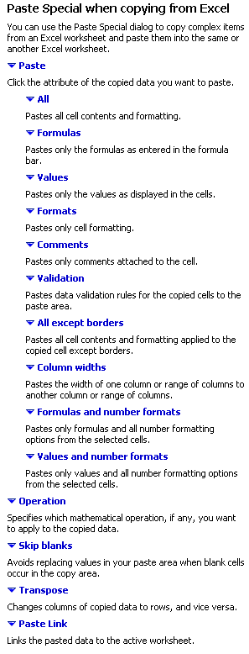
Using Paste Special to Copy and Paste Data

Quality Control Data for TZBlazer Skis

Mfg ID# | Size | Style | Date Manufactured | Production Line | Friction Coefficient | Torsion Strength
12134 | 174 | A | 2007-11-17 | 1 | 0.82 | 2.21 | 2.21
12135 | 174 | A | 2007-11-17 | 1 | 0.49 | 1.94 | 1.94
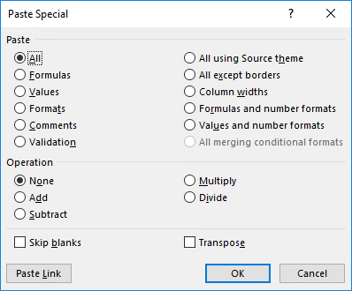
12139 | 174 | A | 2007-11-17 | 1 | 0.52 | 2.03 | 2.03
12140 | 167 | A | 2007-11-17 | 1 | 0.63 | 2.24 | 2.24
12142 | 167 | A | 2007-11-17 | 1 | 0.64 | 2.28 | 2.28
12144 | 167 | A | 2007-11-17 | 1 | 1.28 | 2.31 | 2.31
12145 | 174 | A | 2007-11-17 | 1 | 0.45 | 2.02 | 2.02
12146 | 167 | A | 2007-11-17 | 1 | 1.13 | 2.05 | 2.05
12148 | 167 | E | 2007-11-18 | 1 | 0.43 | 2.27 | 2.27
12149 | 174 | E | 2007-11-18 | 1 | 0.47 | 2.31 | 2.31
12154 | 174 | E | 2007-11-18 | 1 | 0.97 | 2.23 | 2.23
12156 | 174 | E | 2007-11-18 | 1 | 0.81 | 2.11 | 2.11
12160 | 174 | E | 2007-11-19 | 1 | 0.68 | 2.22 | 2.22
12161 | 174 | E | 2007-11-19 | 1 | 0.67 | 2.08 | 2.08
12162 | 181 | E | 2007-11-19 | 1 | 0.95 | 2.01 | 2.01
12136 | 181 | R | 2007-11-17 | 2 | 1.32 | 2.35 | 2.35
12137 | 181 | R | 2007-11-17 | 2 | 0.75 | 1.7345 | 1.73
12138 | 181 | R | 2007-11-17 | 2 | 0.92 | 2.08 | 2.08
12141 | 181 | R | 2007-11-17 | 2 | 0.46 | 2.26 | 2.26
12143 | 174 | R | 2007-11-17 | 2 | 1.04 | 2.24 | 2.24
12147 | 181 | A | 2007-11-18 | 2 | 0.90 | 2.01 | 2.01
12150 | 167 | A | 2007-11-18 | 2 | 0.97 | 2.00001 | 2.00
12151 | 181 | A | 2007-11-18 | 2 | 0.49 | 2.08 | 2.08
12152 | 181 | A | 2007-11-18 | 2 | 0.75 | 2.17 | 2.17
12153 | 167 | A | 2007-11-18 | 2 | 0.30 | 3.216 | 3.22
12155 | 181 | E | 2007-11-18 | 2 | 1.01 | 2.24 | 2.24
12157 | 181 | E | 2007-11-19 | 2 | 0.84 | 2.34 | 2.34
12158 | 174 | E | 2007-11-19 | 2 | 0.68 | 2.1 | 2.10
12159 | 181 | A | 2007-11-19 | 2 | 0.58 | 2.33 | 2.33

The Paste Special dialog box contains all of the options provided for pasting copied cells, including several that are not available using the other paste methods described earlier: - Operation options, which allow you to paste values using one of four arithmetic operations--Add, Subtract, Multiply, and Divide. - The Skip Blanks option, which enables you to copy and paste a cell range that contains one or more blank cells. The cell range into which the copied cells are pasted retains its original values for any cells that correspond to the blank cells in the copied range; in other words, the blank cells are not pasted over any existing values in the range into which they are pasted.

RANDBETWEEN_&_RAND
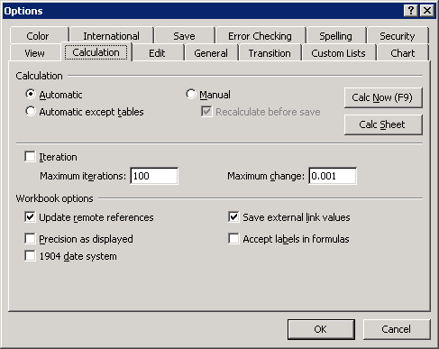
Analyzing Data Through Simulation
UNC_DAYT_EXCEL_2.3.2_LECTURE_LARGE_SMALL_RANDBETWEEN_RAND.mp4

Ski Return Cost Simulation |  |  |  | Costs for 100 Skis

Style | Return Costs | Probability of Failure | Probable Cost |  |  | Average Cost of Returned Skis
1 | 170.8713699 | 0.032293627285 | $5.52 |  |  | $450.00
3 | 113.2425156 | 0.030429551525 | 3.45 |  |  | Simulated
1 | 67.693590236 | 0.038975583694 | 2.64 | Style |  | Probable Costs
1 | 114.63407454 | 0.03922940996 | 4.50 | 1 | A | $163.09
3 | 75.804299986 | 0.044814948519 | 3.40 | 2 | E | 142.85
1 | 76.551832927 | 0.034658049861 | 2.65 | 3 | R | 154.12
1 | 176.9638038 | 0.041983359591 | 7.43 |  | Total | $460.06
1 | 79.009723022 | 0.037744228602 | 2.98
3 | 173.02482463 | 0.034015911476 | 5.89
3 | 36.261987179 | 0.0438025132 | 1.59
1 | 100.69667875 | 0.036120203284 | 3.64
1 | 152.77546437 | 0.048383727234 | 7.39
3 | 187.79402063 | 0.047529319469 | 8.93
1 | 85.781568506 | 0.040672916583 | 3.49
1 | 199.08527841 | 0.037194675331 | 7.40
2 | 33.046401816 | 0.035130060891 | 1.16
1 | 116.13469639 | 0.032732566259 | 3.80
1 | 132.88187509 | 0.041679240403 | 5.54
2 | 133.95034331 | 0.040880728555 | 5.48
2 | 61.134849685 | 0.036715658494 | 2.24
2 | 38.822099761 | 0.035038334846 | 1.36
2 | 125.4536652 | 0.038340159595 | 4.81
3 | 164.23384236 | 0.045598566275 | 7.49
3 | 175.84161327 | 0.03381704917 | 5.95
1 | 37.800851311 | 0.034785824438 | 1.31
1 | 108.29656949 | 0.038459876482 | 4.17
3 | 35.770701514 | 0.032963838112 | 1.18
2 | 94.275637518 | 0.046875088912 | 4.42
2 | 197.28340173 | 0.036298930164 | 7.16
3 | 79.222470607 | 0.039098347835 | 3.10
1 | 129.7326606 | 0.034793955223 | 4.51
2 | 147.97526964 | 0.036264128055 | 5.37
3 | 55.801669812 | 0.036536223499 | 2.04
1 | 179.90980726 | 0.03623435205 | 6.52
1 | 72.514994898 | 0.038735222314 | 2.81
3 | 118.27484744 | 0.043547422637 | 5.15
3 | 82.097118166 | 0.047721324122 | 3.92
2 | 164.60471467 | 0.040447864837 | 6.66
2 | 87.154004826 | 0.049958479456 | 4.35
2 | 82.833984154 | 0.04731917687 | 3.92
2 | 180.61111641 | 0.03323855402 | 6.00
1 | 33.999899009 | 0.04471197399 | 1.52
1 | 41.511063443 | 0.041149825531 | 1.71
2 | 151.9181093 | 0.042350834319 | 6.43
1 | 82.867602643 | 0.045773276458 | 3.79
3 | 98.082881346 | 0.03745489377 | 3.67
2 | 30.072850821 | 0.039704487566 | 1.19
3 | 149.83882474 | 0.041905734553 | 6.28
1 | 109.39191275 | 0.030977709075 | 3.39
2 | 62.813697553 | 0.04050409818 | 2.54
3 | 129.91689955 | 0.046932167103 | 6.10
3 | 129.29638885 | 0.043019655382 | 5.56
3 | 51.049157694 | 0.040383466149 | 2.06
2 | 65.437148413 | 0.039546127197 | 2.59
2 | 112.00847499 | 0.041110553883 | 4.60
2 | 152.69405425 | 0.048627951017 | 7.43
2 | 58.649755015 | 0.037673590449 | 2.21
1 | 181.70523818 | 0.045794159626 | 8.32
3 | 66.930287267 | 0.031568145926 | 2.11
3 | 199.08286316 | 0.03943206396 | 7.85
2 | 193.56295594 | 0.039270467087 | 7.60
3 | 58.858190708 | 0.038010861981 | 2.24
1 | 55.902735597 | 0.034305450383 | 1.92
1 | 112.36767644 | 0.042919732721 | 4.82
2 | 30.327707178 | 0.03643295314 | 1.10
3 | 141.93014414 | 0.042275114433 | 6.00
2 | 108.8526078 | 0.040173417274 | 4.37
1 | 111.38569996 | 0.045446856583 | 5.06
3 | 163.0717032 | 0.043477680527 | 7.09
1 | 73.154170536 | 0.037727171606 | 2.76
2 | 135.76659706 | 0.036113038169 | 4.90
1 | 123.27243574 | 0.04750703967 | 5.86
2 | 148.74991281 | 0.047717399527 | 7.10
2 | 27.216039061 | 0.047791357616 | 1.30
1 | 137.91847672 | 0.035773488099 | 4.93
2 | 26.451903526 | 0.038556550074 | 1.02
3 | 152.95674879 | 0.047295568621 | 7.23
2 | 72.663406574 | 0.04690328407 | 3.41
1 | 143.02150919 | 0.048783665525 | 6.98
3 | 94.971042826 | 0.040826723323 | 3.88
1 | 114.32640202 | 0.049097517136 | 5.61
2 | 117.52801898 | 0.048316198022 | 5.68
2 | 38.172801152 | 0.03034645903 | 1.16
3 | 68.959078325 | 0.038813730161 | 2.68
3 | 154.94183147 | 0.031930003682 | 4.95
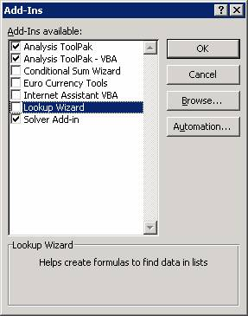
3 | 171.48171749 | 0.045558340556 | 7.81 | Simulation is an analytical method that creates artificially generated data to imitate real data. The advantage of a simulation is that it can be easily calculated and recalculated to show different possible outcomes instead of the most probable outcome or even the extreme limits. A simulation based on randomly generating specific values that have an equal chance of appearing, such as numbers on a set of dice, is often referred to as a “Monte Carlo” simulation.
2 | 182.81039242 | 0.045652913898 | 8.35
1 | 192.10400563 | 0.032431566443 | 6.23
3 | 103.26100868 | 0.046066434846 | 4.76
1 | 121.8419351 | 0.049162932897 | 5.99
1 | 192.34948172 | 0.043138790293 | 8.30
3 | 78.996410513 | 0.045450524378 | 3.59
2 | 148.39522212 | 0.032891787926 | 4.88
1 | 146.45033209 | 0.030674991032 | 4.49
1 | 108.23435497 | 0.047238354373 | 5.11
2 | 98.94932999 | 0.046202610562 | 4.57
3 | 160.70058502 | 0.033483675077 | 5.38
2 | 187.0973642 | 0.040015223507 | 7.49
3 | 132.60984831 | 0.046734271788 | 6.20
3 | 143.50233345 | 0.0459069963 | 6.59

Custom_Format
Specifying a Custom Number Format


Time Data for Quality Control Testing - Per Ski
 |  | Actual Time in Minutes |  | $35.00/hr-labor

MFG ID# | Style | Friction Coefficient Testing | Torsion Strength Testing | Total Cost to Inspect
2345 | R | 1.0 | 1.5 | $1.46 |  |  |  |  |  | Significant Zeros versus Signifcant Digits When discussing the formatting codes used for Excel's Custom Number Format, the textbook explains its view of "Significant Digits" on page 135. However, the book’s explanation/definition doesn’t agree with what you’ve learned in science/math classes regarding “significant digits.” Microsoft’s explanation of using # versus 0 in custom number formats can be found here: http://office.microsoft.com/en-us/excel/HP012165031033.aspx. This explanation isn’t quite so contradictory, but may still tend to confuse people with regards to the commonly known meaning of “significant figures/digits” (http://en.wikipedia.org/wiki/Significant_figures). Microsoft refers to “insignificant zeros” meaning zeros that don’t change the value of the number. But this isn’t the same as “insignificant digits.” Please make note of this difference.
2346 | R | 1.0 | 1.0 | 1.17
2347 | R | 1.0 | 3.0 | 2.33
2348 | R | 2.0 | 5.0 | 4.08
2349 | R | 1.0 | 1.5 | 1.46 | Symbol | Usage | Example | Typed Digits | Display
2350 | R | 1.5 | 5.0 | 3.79 | # | Acts as a digit placeholder that displays significant zeros. (Not to be confused with "Significant digits." Significant zeros affect the value of the number.) | ####.# | 12.87 | 12.9
2351 | R |  |  | - |  |  |  | 03.00 | 3
2352 | E | 2.5 | 3.5 | 3.50
2353 | R | 1.0 | 4.0 | 2.92 | 0 | Acts as a digit placeholder that displays both significant and insignificant zeros. (Insignificant zeros don't change the actual value of the number.) | 0.00 | 0.358 | 0.36
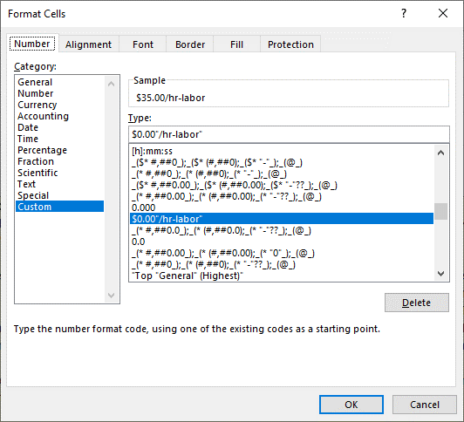
2354 | E | 2.0 | 1.0 | 1.75 |  |  |  | 245 | 245.00
2355 | R | 1.5 | 1.5 | 1.75
2356 | A | 1.0 | 7.0 | 4.67 | ? | Acts as a digit placeholder that does not display insignificant digits but that does hold a place so decimal points align | 0.00? | 27.3 | 27.30
2357 | R | 2.0 | 3.5 | 3.21 |  |  |  | 5.132 | 5.132
2358 | E | 1.0 | 4.5 | 3.21
2359 | A | 3.0 | 2.0 | 2.92 | % | Inserts a percentage sign and automatically multiplies the value inserted by 100 for display | #% | 0.3 | 30%
2360 | A | 3.5 | 3.0 | 3.79
2361 | R | 2.0 | 4.5 | 3.79 | ' | Inserts a comma as a thousands separator or as a scaling operator | #,### | 12000000 | 12,000,000
2362 | A | 1.0 | 1.0 | 1.17 |  |  | #,, | 12000000 | 12
2363 | A | 1.5 | 6.0 | 4.38 | * | Indicates repetition of the following character enough times to fill the column to its complete width | $* 00.00 | 1250 | $1250.00
2364 | R | 1.0 | 4.5 | 3.21
2365 | E | 2.0 | 4.5 | 3.79 | _ | Indicates to skip the width of the next character; frequently used with () to make sure positive numbers align with negative numbers displayed with () | $* #,### | 1250 | $1,250
2366 | R | 1.0 | 1.0 | 1.17 |  |  | _($* #,###_) | 1250 | $1,250
2367 | A | 1.0 | 1.5 | 1.46 |  |  | ($* #,###) | -1250 | ($1,250)
2368 | A | 1.0 | 7.5 | 4.96 | " " | Specifies that text enclosed in quotation marks should be inserted as shown | 00.00 "$/hr" | 45.333 | 45.33 $/hr
2369 | A | 1.0 | 3.0 | 2.33 |  |  | General "$/hr" | 45.333 | 45.333 $/hr
2370 | E | 1.0 | 5.0 | 3.50 | @ | Indicates the location where text should be inserted in cells formatted with a custom format; if the @ is not included in the code, the text will not be displayed | $@ | None | None
2371 | A | 2.0 | 6.5 | 4.96
2372 | E | 1.5 | 6.0 | 4.38
2373 | R | 1.5 | 4.5 | 3.50
2374 | R | 1.0 | 2.0 | 1.75
2375 | A | 1.5 | 2.5 | 2.33
2376 | R | 1.0 | 1.0 | 1.17
2377 | A | 2.5 | 2.5 | 2.92
2378 | E | 1.0 | 3.5 | 2.63
2379 | R | 2.0 | 1.0 | 1.75
2380 | R | 1.0 | 2.5 | 2.04
2381 | R | 1.5 | 5.0 | 3.79
2382 | R | 2.0 | 3.5 | 3.21
2383 | R | 1.5 | 4.0 | 3.21
2384 | A | 2.5 | 7.0 | 5.54
2385 | E | 1.0 | 2.5 | 2.04
2386 | A | 3.0 | 3.5 | 3.79
2387 | E | 1.5 | 5.5 | 4.08
2388 | R | 1.5 | 4.0 | 3.21
2389 | E | 1.5 | 2.5 | 2.33
2390 | E | 2.5 | 6.0 | 4.96
2391 | R | 1.0 | 1.0 | 1.17
2392 | R | 1.0 | 1.5 | 1.46
2393 | E | 1.5 | 5.5 | 4.08
2394 | E | 2.0 | 2.0 | 2.33
2395 | A | 3.5 | 1.5 | 2.92
2396 | R | 2.0 | 1.0 | 1.75
2397 | R | 1.0 | 5.0 | 3.50
2398 | R | 1.0 | 1.0 | 1.17
2399 | R | 1.0 | 3.0 | 2.33
2400 | R | 1.0 | 1.5 | 1.46
2401 | R | 1.5 | 4.5 | 3.50
2402 | A | 2.5 | 5.5 | 4.67
2403 | A | 1.0 | 7.0 | 4.67
2404 | E | 1.0 | 2.0 | 1.75
2405 | R | 1.0 | 5.0 | 3.50
2406 | A | 4.0 | 7.0 | 6.42
2407 | E | 1.5 | 4.0 | 3.21
2408 | A | 1.0 | 3.5 | 2.63
2409 | R | 2.0 | 1.0 | 1.75
2410 | E | 1.5 | 1.0 | 1.46
2411 | R | 1.0 | 4.5 | 3.21
2412 | E | 3.0 | 1.0 | 2.33
2413 | R | 2.0 | 1.0 | 1.75
2414 | A | 1.0 | 4.5 | 3.21
2415 | E | 1.0 | 5.0 | 3.50
2416 | R | 1.0 | 3.5 | 2.63
2417 | R | 1.0 | 2.5 | 2.04
2418 | R | 1.0 | 3.0 | 2.33
2419 | R | 2.0 | 1.0 | 1.75
2420 | R | 1.0 | 1.0 | 1.17
2421 | E | 1.0 | 5.5 | 3.79
2422 | R | 1.0 | 1.0 | 1.17
2423 | R | 1.0 | 1.0 | 1.17
2424 | R | 1.5 | 1.0 | 1.46
2425 | R | 1.0 | 1.5 | 1.46
2426 | R | 1.0 | 4.0 | 2.92
2427 | A | 2.0 | 3.5 | 3.21
2428 | A | 3.5 | 1.5 | 2.92
2429 | R | 1.5 | 2.5 | 2.33
2430 | E | 2.5 | 6.0 | 4.96
2431 | A | 2.5 | 3.5 | 3.50
2432 | R | 1.0 | 2.0 | 1.75
2433 | A | 1.0 | 2.0 | 1.75
2434 | R | 1.0 | 4.0 | 2.92
2435 | R | 1.5 | 2.0 | 2.04
2436 | A | 2.5 | 4.5 | 4.08
2437 | R | 1.5 | 1.0 | 1.46
2438 | R | 1.5 | 1.0 | 1.46
2439 | A | 1.0 | 5.5 | 3.79
2440 | R | 1.0 | 5.0 | 3.50
2441 | R | 1.0 | 2.0 | 1.75
2442 | A | 3.5 | 5.0 | 4.96
2443 | E | 1.0 | 4.0 | 2.92
2444 | A | 1.5 | 1.0 | 1.46

Total: |  | 154.5 | 321.5 | $277.67
Average: |  | 1.6 | 3.2 | 2.78
Std. Deviation: |  | 0.7 | 1.9 | 1.23

