FigureKey
Ref | Figure/Table | X | Y | Image:
Garcia et al. 2010 | Fig. 5 | Sample Date | MC (ug/kg) WW | 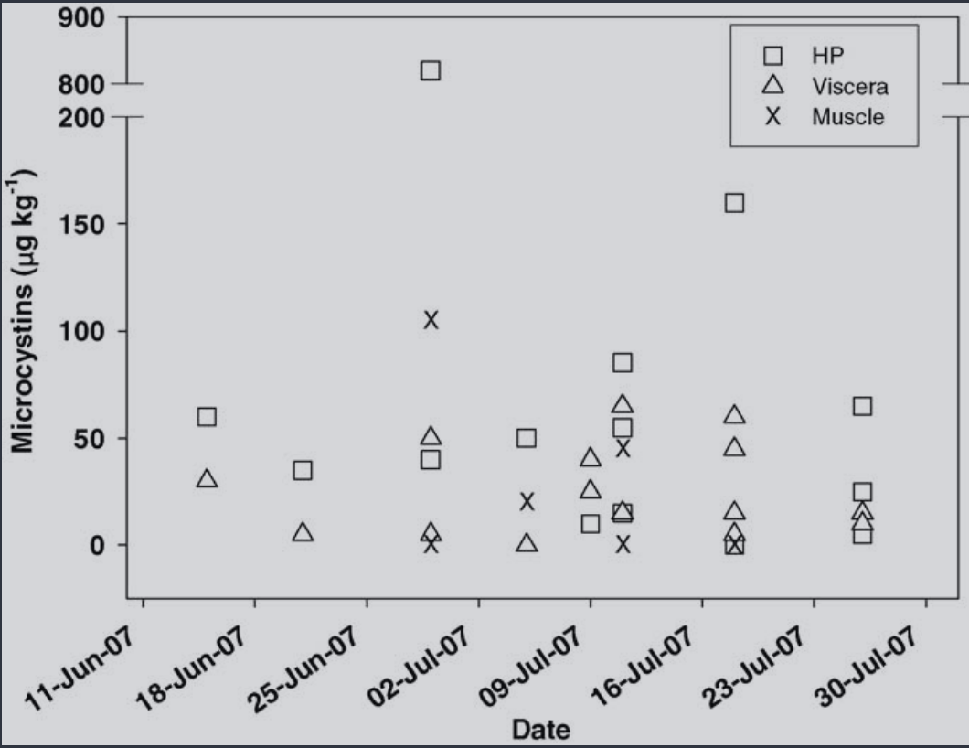
Preece et al. 2015 | Fig 4 | Sample Date | MC (ug/kg) WW | 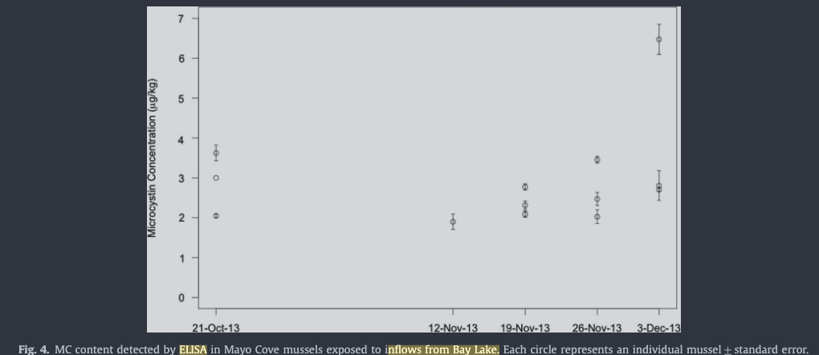
Preece et al. 2015 | Fig 5 | Sample Date | MC (ug/kg) WW | 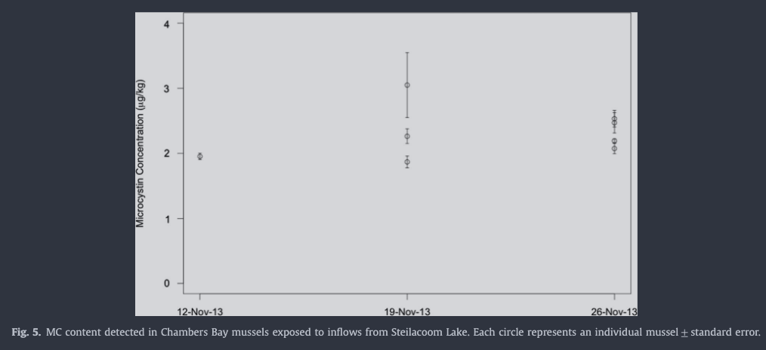
Bukaveckas et al. 2017 | Table 2 |  |  | 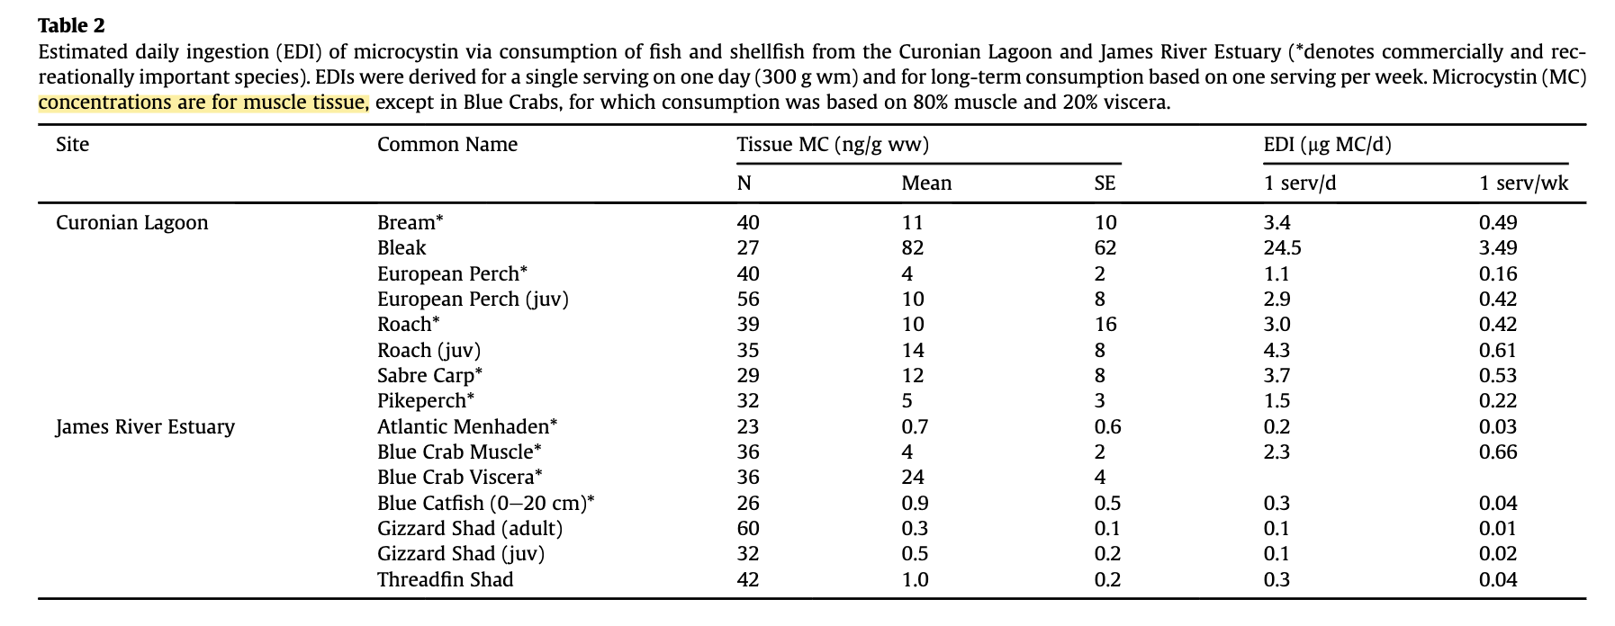
Bukaveckas et al. 2017 | Fig. 5 |  |  | 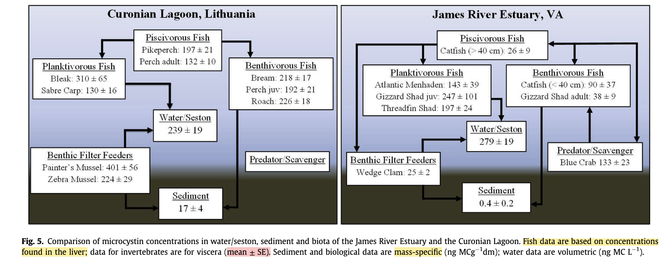
Kim et al. 2018 | Fig. 5a | MC (ug/g) DW | Species | 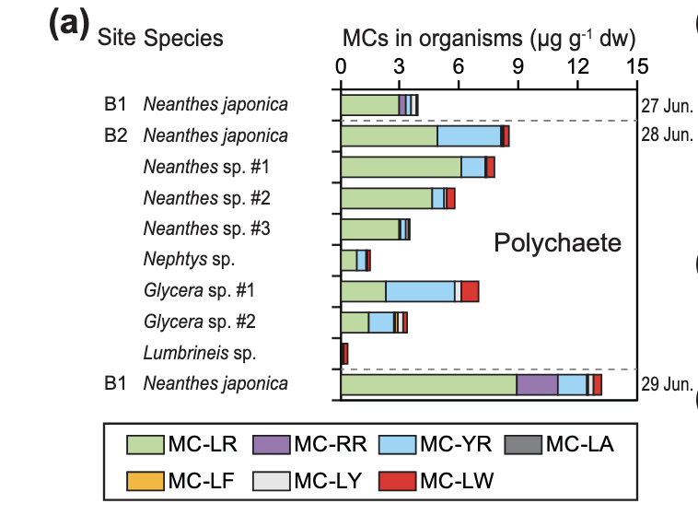
Kim et al. 2018 | Fig. 5b | MC (ug/g) DW | Species | 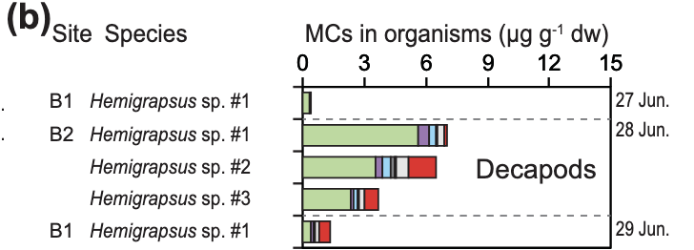
Kim et al. 2018 | Fig. 5c | MC (ug/g) DW | Species
Kim et al. 2018 | Fig. 5d | MC (ug/g) DW | Species
Peacock et al. 2018 | Fig. 4 | Site | MC (ug/kg) WW | 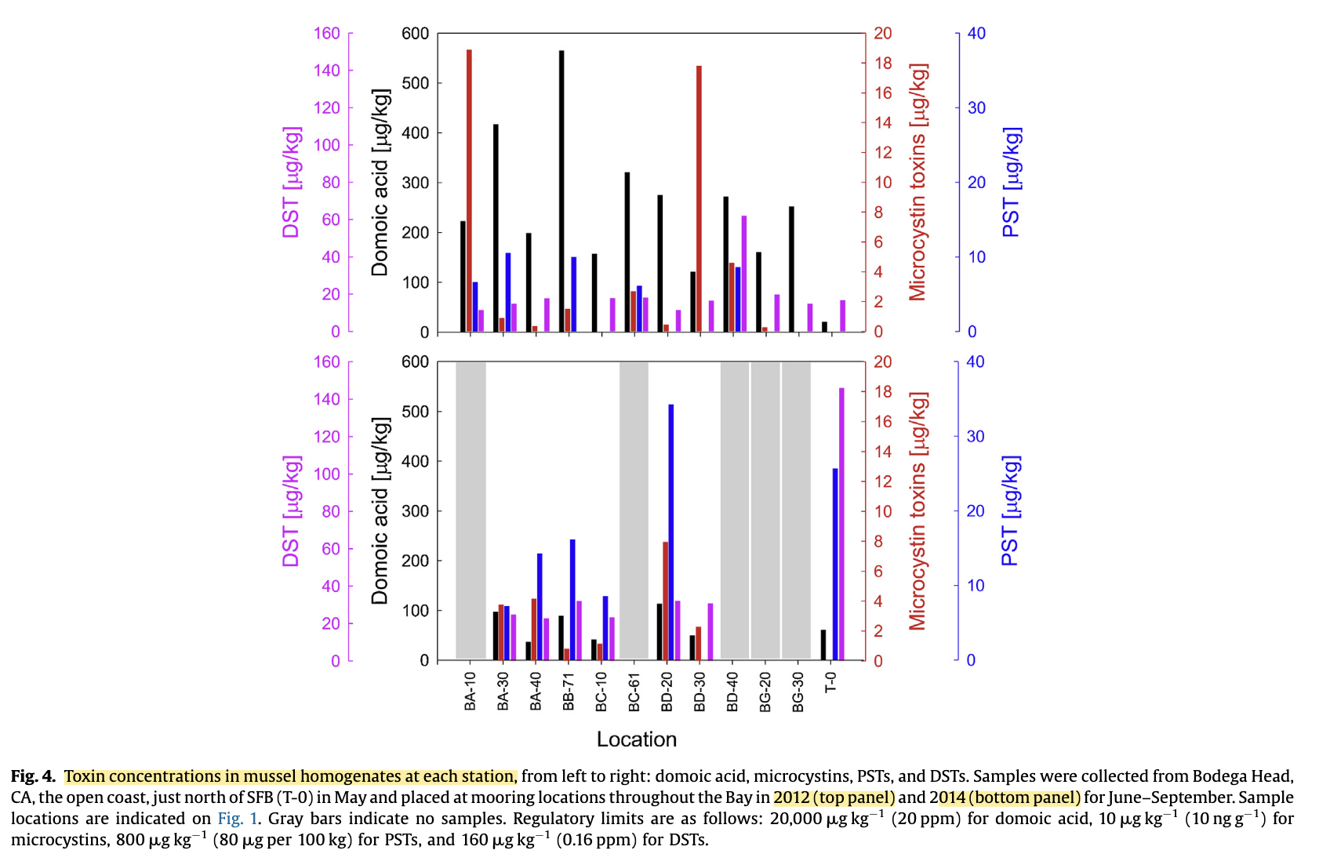
Preece et al. 2024 | Fig. 4 | Species | MC (ng/g) DW | 