Wheat flour
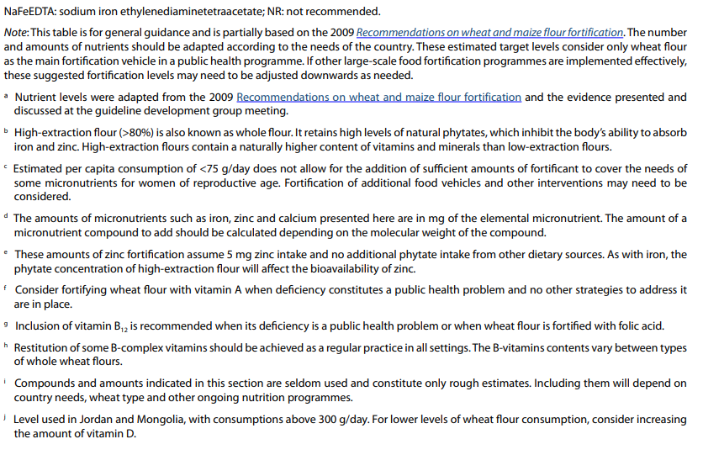
WHEAT FLOUR WITH MULTIPLE MICRONUTRIENTS
 |  |  |  | Valerie: For the first run of the analysis, let's assume values for NaFeEDTA for iron and low extraction rate for iron and zinc. We can consult with the group on these choices later and/or run different options to see if any major differences.
Guideline: Fortification of wheat flour with vitamins and minerals as a public health strategy
Available from: https://www.who.int/publications/i/item/9789240043398

Type of guideline | Global

Table 1: Average level of nutrients to consider adding to fortified wheat flour based on extraction rate, fortificant compound, and estimated per capita flour availability
 |  |  | Amount of nutrient to be added in (mg/kg wheat flour) based on estimated average per capita wheat flour consumption
Nutrient a | Flour extraction rate b | Chemical form of the compound | <75 g/day c | 75-149 g/day | 150-300 g/day | >300 g/day
Iron d | Low | NaFeEDTA | 40 | 40 | 20 | 15
 |  | Ferrous sulfate | 40 | 40 | 30 | 20
 |  | Ferrous fumarate | 60 | 60 | 30 | 20
 |  | Electrolytic iron | NR | NR | 60 | 40
 | High | NaFeEDTA | 40 | 40 | 20 | 15
Folate | Low or high | Folic acid | 5.0 | 2.6 | 1.3 | 1.0
Zinc e | Low | Zinc oxide | 95 | 55 | 40 | 30
 |  | Zinc sulfate
 |  | Zinc acetate
 | High | Zinc oxide | 100 | 100 | 80 | 70
 |  | Zinc sulfate
 |  | Zinc acetate
Vitamin A f | Low or high | Vitamin A palmitate | 5.9 | 3.0 | 1.5 | 1.0
 |  | Vitamin A acetate
Vitamin B12 g | Low or high | Cynanocobalamin | 0.04 | 0.02 | 0.01 | 0.008
For restitution of content lost during milling of refined flours h
Vitamin B1 (thiamine) | Low or high | Thiamine | 3.0 | 3.0 | 3.0 | 3.0
 |  | Thiamine mononitrate
 |  | Thiamine hydrochloride
Vitamin B2 (riboflavin) | Low or high | Riboflavin | 2.0 | 2.0 | 2.0 | 2.0
 |  | Riboflavin 5' phosphate
Vitamin B3 (niacin) | Low or high | Niacin | 40.0 | 40.0 | 40.0 | 40.0
 |  | Niacinamide
Vitamin B6 (pyridoxine) | Low or high | Pyrodixine | 2.0 | 2.0 | 2.0 | 2.0
 |  | Pyrodixine hydrochloride
Other nutrients i
Vitamin D j | Low or high | D3 cholecalciferol | 0.02 | 0.02 | 0.02 | 0.02
Calcium | Low or high | Calcium carbonate | 3125 | 2112 | 1250 | 1250
 |  | Calcium phosphate

Maize flour
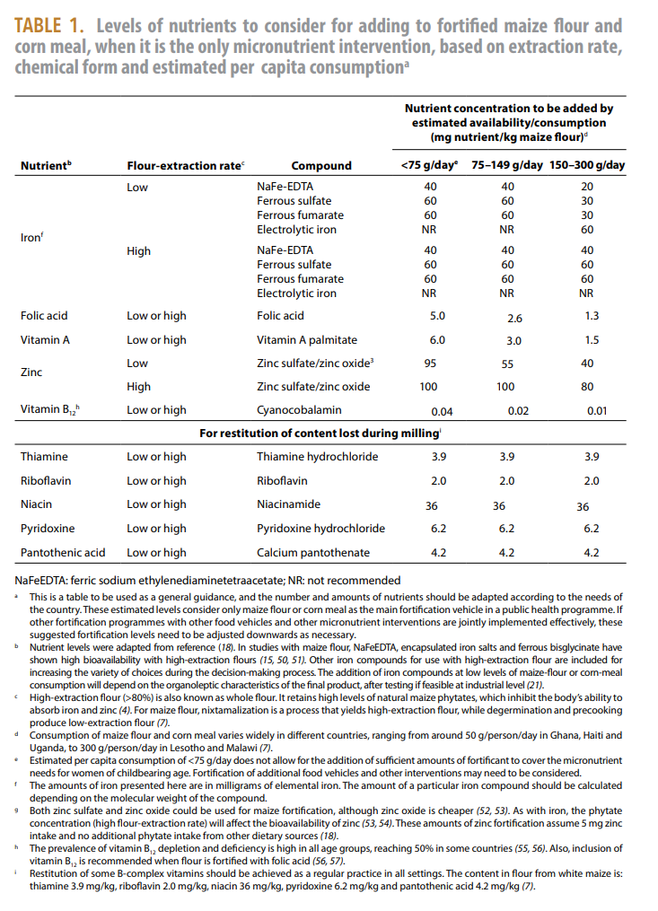
MAIZE FLOUR WITH MULTIPLE MICRONUTRIENTS
 |  | Valerie: For the first run of the analysis, let's assume values for NaFeEDTA for iron and low extraction rate for iron and zinc. We can consult with the group on these choices later and/or run different options to see if any major differences.
Guideline: Fortification of maize flour and corn meal with vitamins and minerals
Available from: https://www.who.int/publications/i/item/9789241549936

Type of guideline | Global

Amounts of micronutrients are based on when maize flour is the "only micronutrient intervention" - but no specific recommendations exist for when other foods are fortified with the same micronutrients (e.g., wheat flour)

Rice
RICE WITH MULTIPLE MICRONUTRIENTS

Guideline: Fortification of rice with vitamins and minerals as a public health strategy
Available from: https://www.who.int/publications/i/item/9789241550291

Type of guideline | Global
Valerie: guideline does not provide actual recommended nutrients and amounts rather it says the following:
The number and amounts of nutrients should be adapted according to the needs of the country. If other fortification programmes with other food vehicles (i.e. wheat flour, maize flour or corn meal) and other micronutrient interventions are jointly implemented effectively, these suggested fortification levels need to be adjusted downwards as necessary. A combined fortification strategy using multiple vehicles appears to be a suitably effective option for reaching all segments of the population.

These are the included studies used to develop the guideline and their fortification profile:
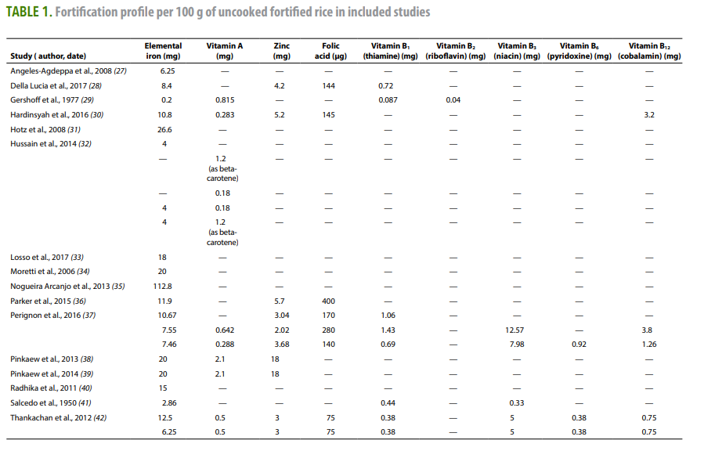

Of the current existing guidelines, the following nutrients are included:
 | # of countries
Calcium | 2
Folate | 11
Iron | 15
Niacin (B3) | 14
Riboflavin (B2) | 5
Selenium | 1
Thiamin (B1) | 15
Vitamin A | 4
Vitamin B12 | 7
Vitamin B6 | 6
Vitamin D | 3 | excluded from current analysis
Vitamin E | 1
Zinc | 8

Bold indicates the micronutrients that the guideline make conclusions about based on the evidence:
The review concluded that fortification of rice with iron alone or in combination with other micronutrients probably improves iron status, by reducing the risk of iron deficiency by 35% and by increasing mean haemoglobin concentrations by almost 2 g/L, but may make little or no difference to the risk of anaemia in the general population of those aged over 2 years. In addition to iron, fortification of rice with vitamin A or zinc or folic acid and other micronutrients may make little or no difference to the risk of anaemia or iron deficiency. Fortification of rice with zinc and other micronutrients may slightly increase mean haemoglobin concentrations. Fortification of rice with vitamin A and other micronutrients may reduce vitamin A deficiency. A single included study reported an increase in serum folate concentrations.

SUMMARY OF EXISTING FORTIFICATION STANDARDS BY COUNTRY (excluding vitamin D)
Recommend taking the median value from existing country standards for micronutrients that are included in at least 5 countries (i.e., include 8 micronutrients: Thiamin (B1), Riboflavin (B2), Niacin (B3), B6, B12, Folate, Iron, Zinc)
 | Nutrient level in standard (mg/kg)
Country | Thiamin (B1) | Riboflavin (B2) | Niacin (B3) | Vitamin B6 | Vitamin B12 | Folate (B9) | Iron | Type of Iron | Zinc | Vitamin A | Calcium | Selenium | Vitamin E | Legislation status
Bahrain | 6.6 | 3.95 | 52.5 | - | - | - | 43 | Unspecified | - | - | - | - | - | Voluntary
Bangladesh | 5.25 | - | - | - | 0.013 | 1.7 | 60 | Ferric pyrophosphate | 40 | 2 | - | - | - | Voluntary
Belize | 3 | 1.8 | 24 | - | - | 1.05 | 19.5 | Unspecified | - | - | 650 | - | - | Voluntary
Canada | 4.5 | - | 42 | 6 | - | 0.16 | 16 | Unspecified | - | - | - | - | - | Voluntary
Costa Rica | 5.3 | - | 35 | - | 0.01 | 1.8 | - | - | 7.5 | - | - | 0.105 | 13.5 | Mandatory
India | 1.25 | 1.5 | 16.25 | 2 | 0.001 | 0.1 | 35.25 | Ferric pyrophosphate | 12.5 | 0.625 | - | - | - | Voluntary
India - alternate iron type |  |  |  |  |  |  |  | or 17.625 as NaFeDTA
Myanmar | 4.6 | - | 52 | 5.2 | 0.01 | 1.3 | 70 | Ferric pyrophosphate | 50 | 1.3 | - | - | - | Voluntary
Nicaragua | 5 | - | 40 | 4 | 0.01 | 1 | 24 | Ferric pyrophosphate | 25 | - | - | - | - | Mandatory
Panama | 5 | - | 40 | 4 | 0.01 | 1 | 24 | Ferric pyrophosphate | 25 | - | - | - | - | Mandatory
Papua New Guinea | 5 | - | 60 | - | - | - | 30 | Unspecified | - | - | - | - | - | Mandatory
Peru | 3.5 | - | 40 | 3.6 | 0.006 | 1.2 | 42 | Ferric pyrophosphate | 32 | 2.4 | - | - | - | Mandatory
Philippines | - | - | - | - | - | - | 75 | Ferrous sulfate | - | - | - | - | - | Mandatory
Solomon Islands | 5 | - | 70 | - | - | 1.1 | 60 | Unspecified | 45 | - | - | - | - | Mandatory
Thailand | 4 | 3 | 37 | - | - | - | - | - | - | - | - | - | - | Voluntary
United States of America | 6.6 | - | 52.8 | - | - | 2.31 | 42.9 | Unspecified | - | - | 1650 | - | - | Mandatory
Venezuela | 10 | 12 | 100 | - | - | - | 150 | Unspecified | - | - | - | - | - | Voluntary
Average | 4.97 | 4.45 | 47.25 | 4.13 | 0.01 | 1.16 | 49.40 |  | 29.63 | 1.58 | 1150.00 | 0.11 | 13.50
Median | 5 | 3 | 41 | 4 | 0.01 | 1.1 | 42.45 | Ferric pyrophosphate | 28.5 | 1.65 | 1150 | 0.105 | 13.5
Recommendation for aligned standard | INCLUDE | INCLUDE | INCLUDE | INCLUDE | INCLUDE | INCLUDE | INCLUDE |  | INCLUDE | EXCLUDE | EXCLUDE | EXCLUDE | EXCLUDE |  | Include based on micronutrient being included in at least 5 country standards

WFP standard (at moment of consumption) | 6.5 | - | 91 | 7.8 | 0.01 | 1.69 | 40 | Micronized ferric pyrophosphate | 60 | 1.95 | - | - | -
source: https://www.kfindonesia.org/en/world-food-programme-a-guide-to-settingup-rice-fortification-standards-examplesfrom-the-asia-andpacific-context/5/ | .

 |  |  |  |  |  | IRON
 |  |  |  |  |  | Median, all | 42.45 | All variations are quite similar; I suggest we use median of all to keep it simple and consistent
 |  |  |  |  |  | Median, all except Venezuala | 42.00
 |  |  |  |  |  | Median, Ferric pyrophosphate + unspecified | 42.00
 |  |  |  |  |  | Median, Ferric pyrophosphate | 38.63
 |  |  |  |  |  | Median, Unspecified | 42.90

