Content Strategy Map
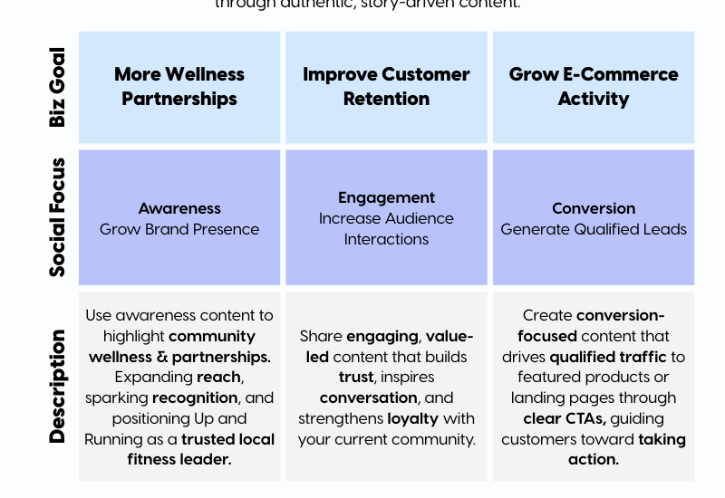
CONTENT FUNNEL FRAMEWORK
"The Customer Journey Map"
INSTRUCTIONS

Funnel Stage | Goal | Purpose | Primary Intent | Audience (TAM) | KPIs | Content Mix | Top Formats
TOP Awareness | Build Brand Awareness & Grow New Audience | Position Up and Running as the go-to movement resource for every mover in Dayton. Reach new followers who don't know the brand yet through community content, run group recaps, event coverage, and expert-led hooks. This stage is the engine for distribution — every post here should feel like an open invitation. | Authority, Connection, Curiosity, Discovery | BROAD (wide) For any active person, walker, runner, or on-your-feet worker in the Dayton/Ohio market | Reach, New Followers, Shares, Views | 50% | Trending Reel, Community Run/Walk Group Recap, Event Recap Reel, Staff/Founder POV Clip, Hook-First Brand Reel, Quick-Shot B-Roll, Text-First Reel
MIDDLE Consideration | Build Trust, Demonstrate Expertise & Drive Saves | Nurture people who've discovered Up and Running but haven't visited or purchased yet. Deepen the relationship through expert education, fitting process content, myth-busting, and social proof. 20+ years of expertise is the single biggest trust asset — this is where it gets activated. | Authority, Connection, Education, Engagement, Social Proof | QUALIFIED (narrower) For people who follow and are warming to the brand or considering a visit or purchase | Profile Visits, Watch Time, Retention %, Saves, Comments | 30% | Authority Builder (Expert Tips), Process / Method Breakdown, Educational Carousel (Myth-Busting), Educational Carousel (How-To), Case Study / Transformation Story, FAQs & Sales Objections, Signature Series
BOTTOM Conversion | Drive E-Comm Shop Traffic & In-Store Fit Bookings | Convert warm followers into online customers or in-store fitting appointments. Direct, purposeful content — product features, gift guides, reviews, and CTAs to Linktree. Remove friction and make the next step obvious. The fitting process is the conversion differentiator — show it, don't just mention it. | Authority, Conversion, Connection, Social Proof | HIGH-INTENT (narrowest) Warm followers ready to shop online or book an expert fitting | CTR, Link Taps, PCR | 20% | Product Feature Reel, Before/After Transformation, Customer Testimonial, Direct Response Story, Limited Time CTAs, Offers & Promotions, One-Shot B-Roll

NOTE: This framework guides all content decisions. Each piece maps to one funnel stage and drives toward specific KPIs. The 40/35/25 split builds awareness while nurturing trust and driving conversion.

