ReadMe
Sheet Alldataset: |  |  | source:
 | column F to AM | dataset from OICRs | https://dataverse.harvard.edu/dataset.xhtml?persistentId=doi:10.7910/DVN/31R7X9
 | column AP to ES | dataset from evaluation | https://dataverse.harvard.edu/dataset.xhtml;jsessionid=8ee3f0f1c0b3df78d1bb5dfe72cc?persistentId=doi%3A10.7910%2FDVN%2FAEBLRD&version=&q=&fileAccess=&fileTag=&fileSortField=date&fileSortOrder=desc

Go to column BB1 if you want to select stage 4 only.
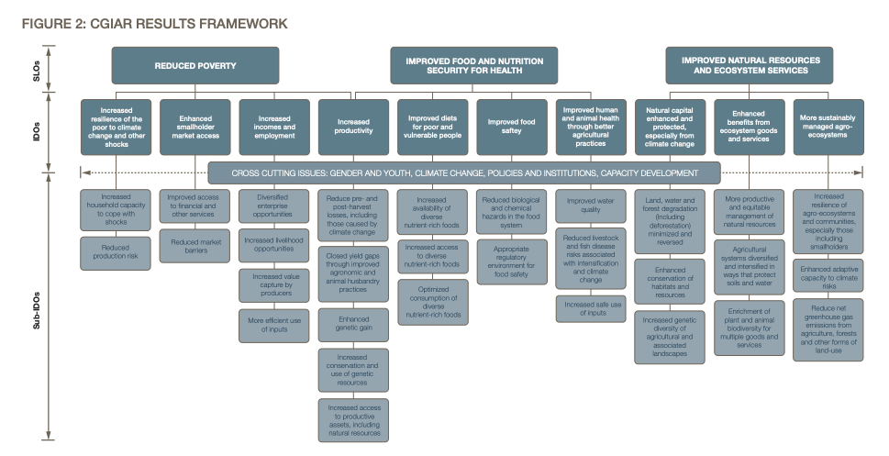
For meanings of SRF, SLO, IDO, SUB-IDOS, check this report: | https://cgspace.cgiar.org/items/049bff88-74ea-44bc-ab85-2736db4b22e3

See Sheet typo for references

