Coordinate system
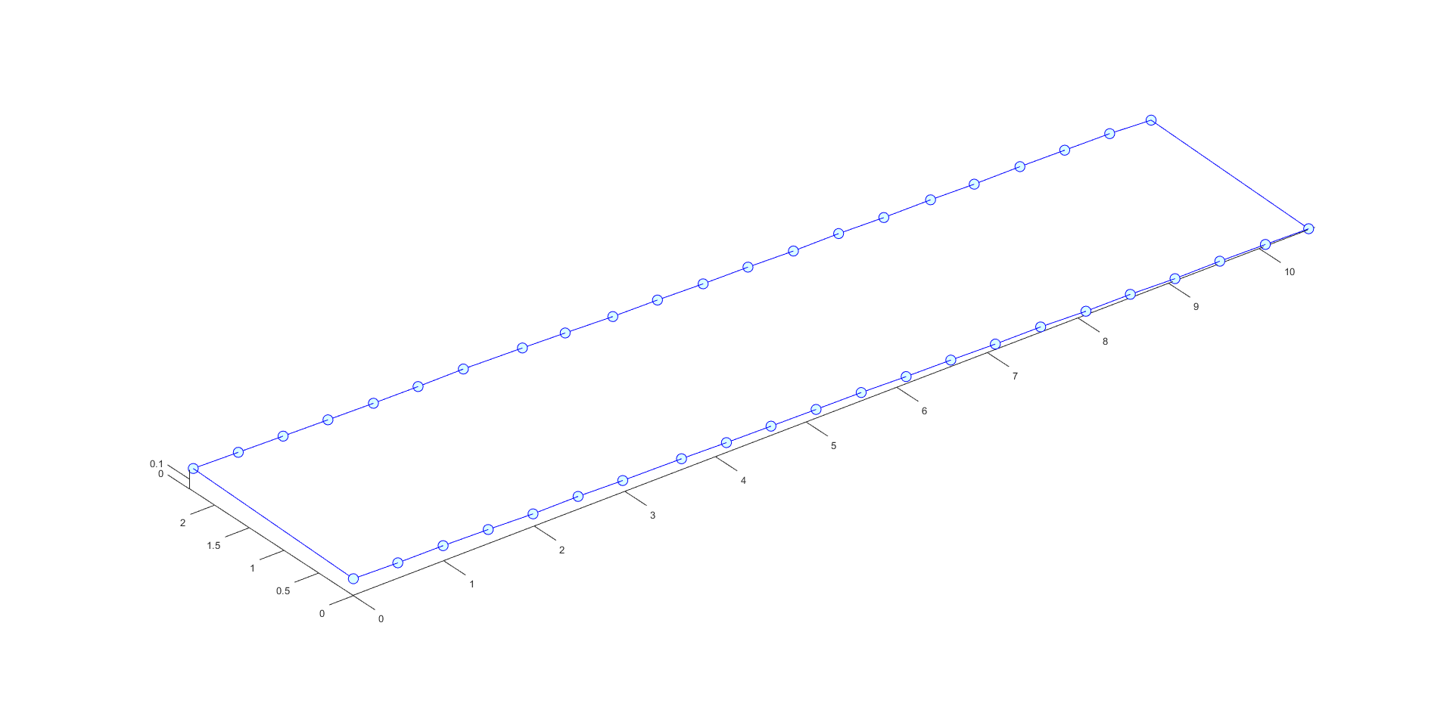
Marker |  | x |  | y |  | z |  | Marker |  | x |  | y |  | z
1 | ( | 0.000 | , | 0.000 | , | 0.1715 | ) | 24 | ( | 0.045 | , | 2.362 | , | 0.190 | )
2 | ( | 0.491 | , | 0.000 | , | 0.1600 | ) | 25 | ( | 0.542 | , | 2.362 | , | 0.179 | )
3 | ( | 0.991 | , | 0.000 | , | 0.1580 | ) | 26 | ( | 1.037 | , | 2.362 | , | 0.169 | )
4 | ( | 1.489 | , | 0.000 | , | 0.1465 | ) | 27 | ( | 1.532 | , | 2.362 | , | 0.160 | )
5 | ( | 1.984 | , | 0.000 | , | 0.1310 | ) | 28 | ( | 2.034 | , | 2.362 | , | 0.151 | )
6 | ( | 2.481 | , | 0.000 | , | 0.1330 | ) | 29 | ( | 2.527 | , | 2.362 | , | 0.147 | )
7 | ( | 2.974 | , | 0.000 | , | 0.1205 | ) | 30 | ( | 3.027 | , | 2.362 | , | 0.149 | )
8 | ( | 3.623 | , | 0.000 | , | 0.1130 | ) | 31 | ( | 3.679 | , | 2.362 | , | 0.133 | )
9 | ( | 4.119 | , | 0.000 | , | 0.1020 | ) | 32 | ( | 4.151 | , | 2.362 | , | 0.119 | )
10 | ( | 4.611 | , | 0.000 | , | 0.0955 | ) | 33 | ( | 4.677 | , | 2.362 | , | 0.100 | )
11 | ( | 5.109 | , | 0.000 | , | 0.0900 | ) | 34 | ( | 5.170 | , | 2.362 | , | 0.094 | )
12 | ( | 5.607 | , | 0.000 | , | 0.0860 | ) | 35 | ( | 5.674 | , | 2.362 | , | 0.081 | )
13 | ( | 6.103 | , | 0.000 | , | 0.0730 | ) | 36 | ( | 6.169 | , | 2.362 | , | 0.076 | )
14 | ( | 6.596 | , | 0.000 | , | 0.0670 | ) | 37 | ( | 6.671 | , | 2.362 | , | 0.063 | )
15 | ( | 7.088 | , | 0.000 | , | 0.0560 | ) | 38 | ( | 7.170 | , | 2.362 | , | 0.064 | )
16 | ( | 7.588 | , | 0.000 | , | 0.0540 | ) | 39 | ( | 7.669 | , | 2.362 | , | 0.051 | )
17 | ( | 8.088 | , | 0.000 | , | 0.0370 | ) | 40 | ( | 8.185 | , | 2.362 | , | 0.049 | )
18 | ( | 8.578 | , | 0.000 | , | 0.0360 | ) | 41 | ( | 8.667 | , | 2.362 | , | 0.038 | )
19 | ( | 9.071 | , | 0.000 | , | 0.0215 | ) | 42 | ( | 9.172 | , | 2.362 | , | 0.038 | )
20 | ( | 9.566 | , | 0.000 | , | 0.0240 | ) | 43 | ( | 9.666 | , | 2.362 | , | 0.031 | )
21 | ( | 10.069 | , | 0.000 | , | 0.0170 | ) | 44 | ( | 10.163 | , | 2.362 | , | 0.024 | )
22 | ( | 10.547 | , | 0.000 | , | 0.0080 | ) | 45 | ( | 10.620 | , | 2.362 | , | 0.000 | )

