Energy Mixes
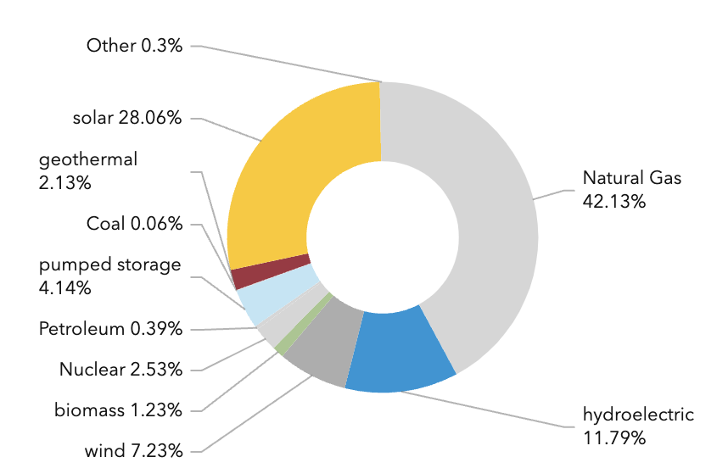
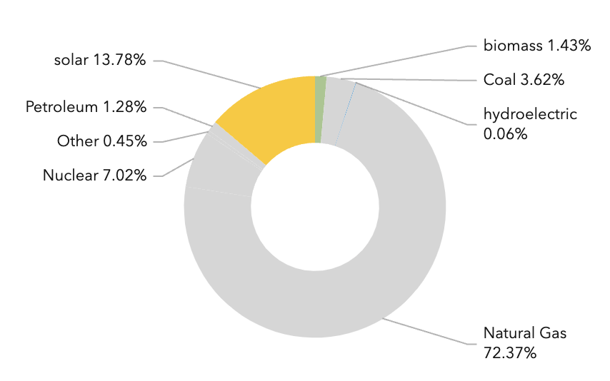
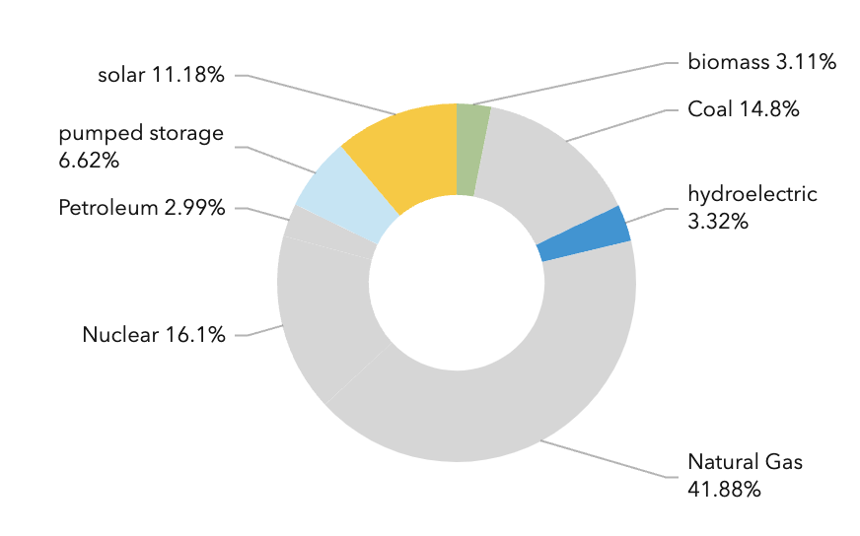

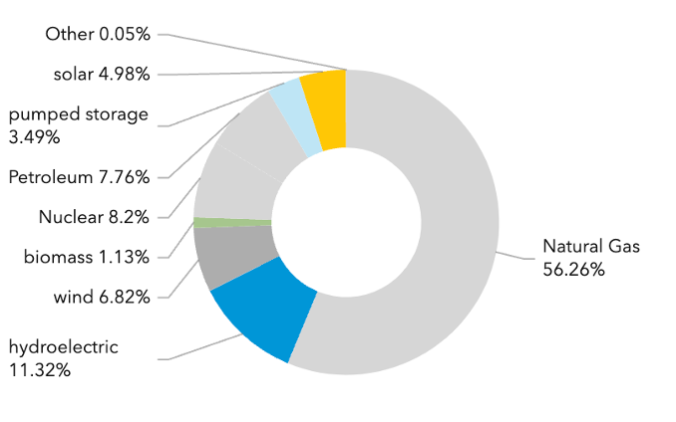
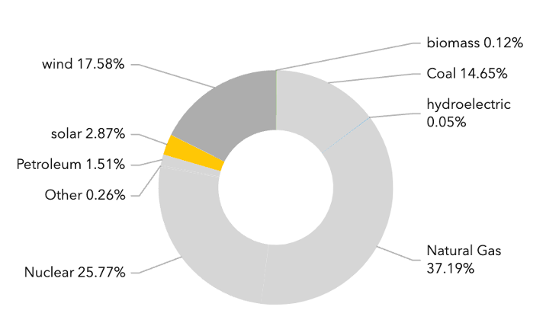
California |  | Florida |  | Georgia
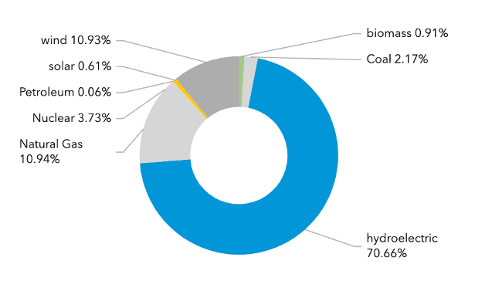

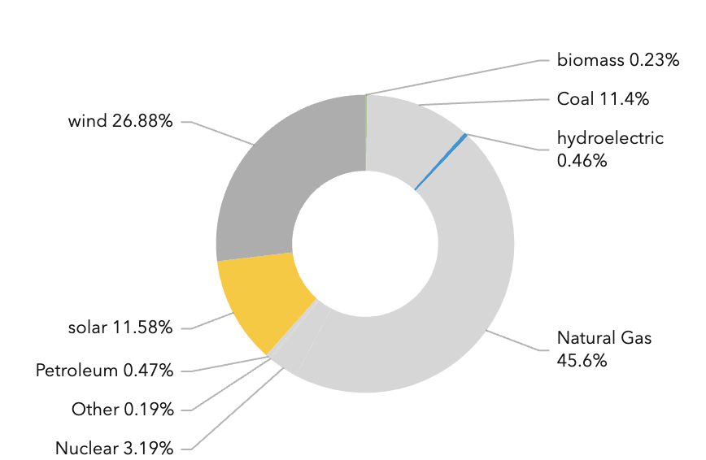
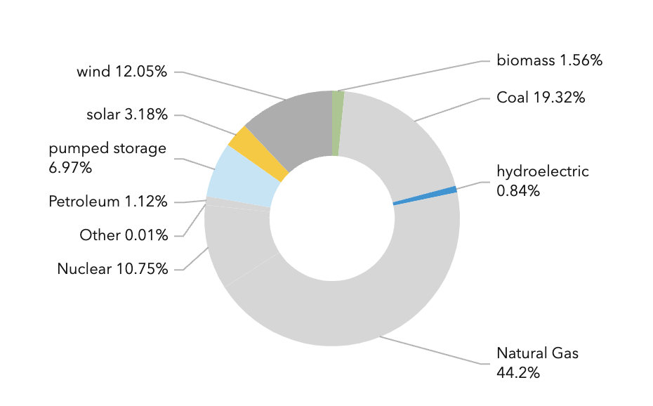
Washington |  | New York |  | Illinois

 | Texas |  | Michigan

Time of Use Rates
$$Peak:Peak Energy Charge+Peak Fuel Charge=.1279+.00533=.133$$
$$Off−Peak:Peak Energy Charge+Off Peak Energy Charge+Peak Fuel Charge+Off Peak Fuel Charge=.1279−.5594+.00533−.00226=.075$$
City/State | Utility Co | Plan Name | Base Rate/Service Charge ($/Month) | Calculation | Rates (Summer, Nonsummer) /kWh | Source | Notes
San Diego, CA | San Diego Public Utilities, SDG&E | TOU-ELEC Pricing Plan | 16 | N/A | Off Peak: $.291 Peak: $.323 Super Peak: $.426 | https://www.sdge.com/residential/pricing-plans/about-our-pricing-plans/whenmatters#ELEC
Miami, FL | Florida Power and Light | Residential TOU Rider (RTR-1) | 9.55 |  | Off Peak: $.075 Peak: $.133 | https://www.fpl.com/rates/pdf/new-customer-overview.pdf
Atlanta, GA | Georgia Power | Nights and Weekends | $.46 * 30 days = ~$14 | N/A | Off Peak: $.07 Peak: $.29 | https://www.georgiapower.com/residential/billing-and-rate-plans/pricing-and-rate-plans/nights-weekends.html
Ann Arbor, Michigan | DTE | Time of Day 3 PM to 7 PM | 8.5 | N/A | Off Peak: $.1673 Peak: $.224, .181 | https://solutions.dteenergy.com/dte/en/Products/Time-of-Day-3-p-m---7-p-m-/p/TOD-3-7 | Interesting resource for applicance costs with TOD usage: https://www.dteenergy.com/content/dam/dteenergy/deg/website/hybris/time-of-day/TODChart.pdf | Info for additional rates: https://www.dteenergy.com/content/dam/dteenergy/deg/website/residential/Service-Request/pricing/residential-pricing-options/Residential-Electric-Pricing-Options-09_24.pdf
Seattle, WA | PSE/Seattle city light | TOU Pilot Program (PSE) | $7.49 single phase $17.99 three phase | N/A | Off Peak: $.099, .313 Peak: $.064 | https://www.pse.com/en/account-and-billing/time-of-use/tou-faq | From this FAQ, click the dropdown "What are the peak and off-peak periods for my TOU rate plan?", then download SCH. 307 Time-of-Use
Long Island, NY | LIPA, PSEG | Rate 194 Time-of-Day, Off-Peak | .51 * 30 days = 15.3 | N/A | Off Peak: $.1, .085 Peak: $.203, .172 | https://www.psegliny.com/aboutpseglongisland/ratesandtariffs/-/media/A0FDA80A6FE44A45973922422E86BD9E.ashx
Chicago, IL | ComEd | Time-of-Day | N/A | N/A | Off Peak: $.0245, Peak: $.0397, Super Peak: $.0612 | https://www.citizensutilityboard.org/wp-content/uploads/2020/07/Time-Of-Use.pdf | These values seem particlularly low compared to other utility companies - more research can be done to make sense of the numberes if Chicago is selected
Los Angeles, CA | Los Angeles Dept of Water and Power | R-1B Time-Of-Use Residential | 12 | N/A | Off Peak: $.198-.219, Peak: $.225-.243, High Peak: $.225-.299 | https://www.ladwp.com/account/customer-service/electric-rates/residential-rates

