Phia 2016 2017
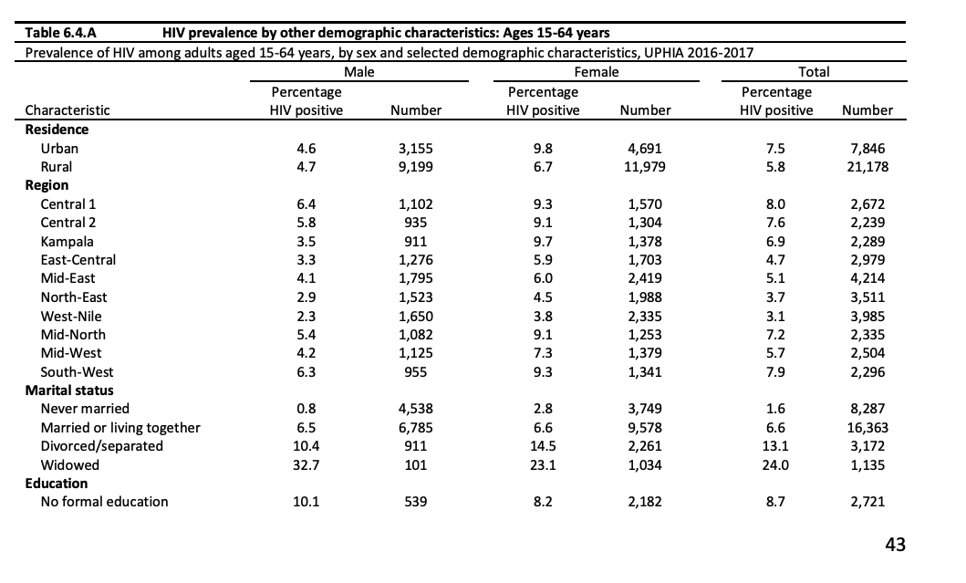
Region | Male | Female | Female/Male Ratio
Central 1 | 6.4 | 9.3 | 1.453125
Central 2 | 5.8 | 9.1 | 1.5689655172
Kampala | 3.5 | 9.7 | 2.7714285714
East-Central | 3.3 | 5.9 | 1.7878787879
Mid-East | 4.1 | 6 | 1.4634146341
Noth-East | 2.9 | 4.5 | 1.5517241379
West-Nile | 2.3 | 3.8 | 1.652173913
Mid-North | 5.4 | 9.1 | 1.6851851852
Mid-West | 4.2 | 7.3 | 1.7380952381
South-West | 6.3 | 9.3 | 1.4761904762

