HIV Incidence - Phia
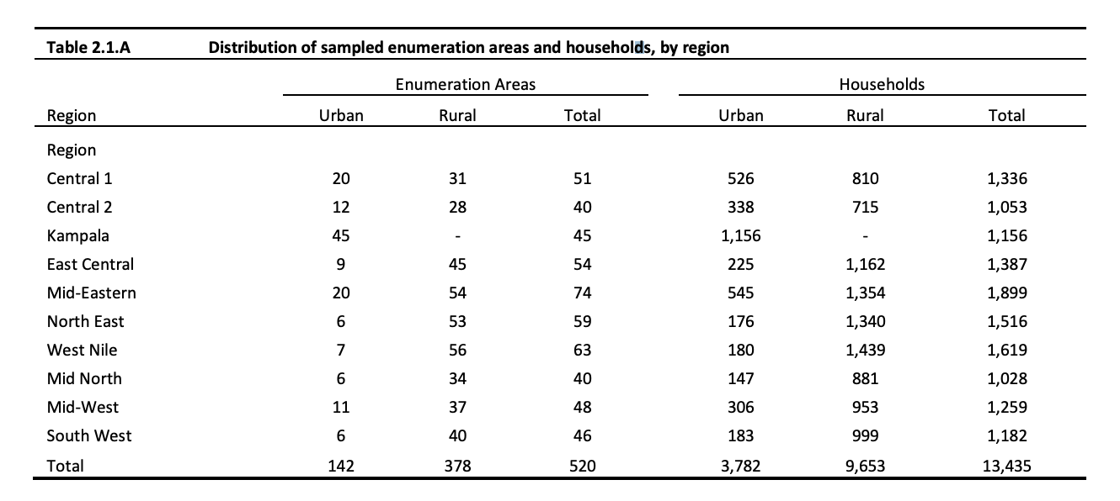
Region | Total Urban | Total Rural | % Urban | % Rural | Adjusted % Male | Adjusted % Female | Female/Male Ratio
Central 1 | 20 | 31 | 39% | 61% | 32% | 49% | 1.53
Central 2 | 12 | 28 | 30% | 70% | 35% | 46% | 1.33
Kampala | 45 | 0 | 100% | 0% | 15% | 69% | 4.60
East-Central | 9 | 45 | 17% | 83% | 38% | 42% | 1.08
Mid-East | 20 | 54 | 27% | 73% | 35% | 45% | 1.27
Noth-East | 6 | 53 | 10% | 90% | 40% | 39% | 0.98
West-Nile | 7 | 56 | 11% | 89% | 40% | 40% | 0.99
Mid-North | 6 | 34 | 15% | 85% | 39% | 41% | 1.06
Mid-West | 11 | 37 | 23% | 77% | 37% | 44% | 1.19
South-West | 6 | 40 | 13% | 87% | 39% | 40% | 1.02

 |  |  |  |  |  | AVERAGE | 1.5
 | Percentage of Annual Incidence
 | % Male | % Female
Urban | 0.15 | 0.69
Rural | 0.43 | 0.36

HIV Prev -Phia 2016 2017
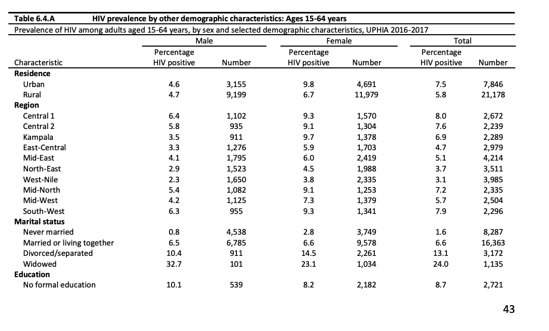
Region | Male | Female | Female/Male Prev Ratio | Prev Ratio Rank | Incidence Ratio (from Sheet 1) | Inc. Ratio Rank
Central 1 | 6.4 | 9.3 | 1.453125 | 10 | 1.528475199 | 2
Central 2 | 5.8 | 9.1 | 1.5689655172 | 6 | 1.3265895954 | 3
Kampala | 3.5 | 9.7 | 2.7714285714 | 1 | 4.6 | 1
East-Central | 3.3 | 5.9 | 1.7878787879 | 2 | 1.0826086957 | 6
Mid-East | 4.1 | 6 | 1.4634146341 | 9 | 1.2677345538 | 4
Noth-East | 2.9 | 4.5 | 1.5517241379 | 7 | 0.98016040523 | 10
West-Nile | 2.3 | 3.8 | 1.652173913 | 5 | 0.99442896936 | 9
Mid-North | 5.4 | 9.1 | 1.6851851852 | 4 | 1.0554123711 | 7
Mid-West | 4.2 | 7.3 | 1.7380952381 | 3 | 1.1907744875 | 5
South-West | 6.3 | 9.3 | 1.4761904762 | 8 | 1.0243093923 | 8

