Sheet1
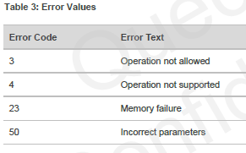
OS function | local function | debug / normal / optional | command | id | input parameter | response | status response | error code response? | explanation | actual command used in project | comment
init RF | init ID | normal | AT+CGMI |  | na | manufacturer | OK | yes | request manufacturer ID | AT+CGMI
init RF | init ID | normal | AT+CGMM |  | na | model | OK | yes | request manufacturer model | AT+CGMM
init RF | init ID | normal | AT+CGMR |  | na | revision | OK | yes | request manufacturer revision | AT+CGMR
init RF | init ID | normal | AT+CGSN |  | snt | sn imei imeisv svn | OK | yes | request product serial number | AT+CGSN=1 | snt = 0 is not supported (128 bit UUID)
init RF | connect | normal | AT+CEREG |  | n |  |  |  | EPS network registration status
init RF | connect | normal | AT+CSCON |  | n | na | OK | yes | Signalling connection status
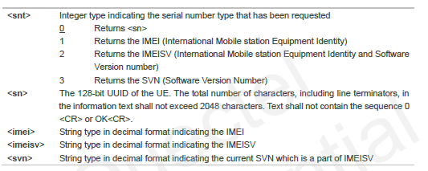
init RF | QoS | normal | AT+CSQ |  | na | rssi ber | OK | yes | signal strength indicator
init RF |  | normal | AT+CGPADDR |  |  |  |  |  | show PDP address
init RF |  |  | AT+COPS |  |  |  |  |  | PLMN selection
init RF |  |  | AT+CGATT |  |  |  |  |  | PS attach or detach
init RF |  | optional? | AT+CIMI |  |  |  |  |  | Request international mobile subscriber identity
init RF |  |  | AT+CGDCONT |  |  |  |  |  | define PDP context
init RF |  | normal | AT+CFUN |  | fun rst | na | OK | yes | set phone functionality
init RF |  | optional? | AT+CMEE |  | n | na | OK | no | report mobile termination error
Tx RF |  |  | AT+NMGS |  | length data | na | OK | yes | Neul send message
 |  |  | AT+NMGR |  | na | length data | OK | yes | Neul get message
 |  |  | AT+NNMI
 |  |  | AT+NSMI
 |  |  | AT+NQMGR
 |  |  | AT+NQMGS
 |  |  | AT+NRB |  |  |  |  |  | Neul reboot
 |  |  | AT+NCDP
 |  |  | AT+NUESTATS
 |  |  | AT+NEARFCN
 |  |  | AT+NSOCR
 |  |  | AT+NSOST
 |  |  | AT+NSORF
 |  |  | AT+NSOCL
 |  |  | +NSONMI
 |  |  | AT+NPING
 |  |  | AT+NBAND
 | debug |  | AT+NLOGLEVEL |  | core level |  |  |  | set debug logging level

