HW ref
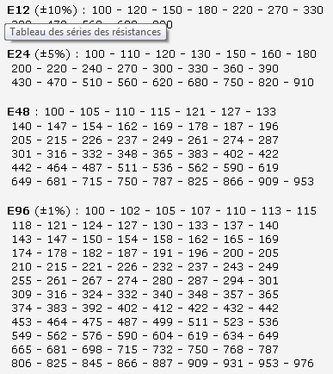
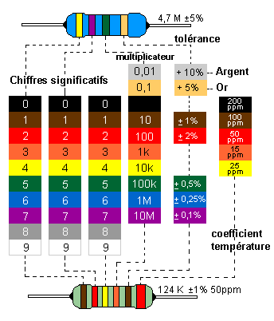

Cablage
Port | Card Pin n° | I/O used in SW | PWM | Int | Power | Bus | Analog in | Internal connection | Special function | Serial interface | output thermo power supply | ONE_WIRE_BUS | Flash On reset
 | 1 |  |  |  | GND |  |  |  | GND
 | 8 |  |  |  | 3v |  |  |  | 3v
 | 4 |  |  |  |  |  |  |  | ENABLE
 | 6 |  |  |  |  |  |  |  | !RESET
D7 | 2 | GPOI_1 |  |  |  | TXO |  |  | Serial ; LED red Tx | TXO
D8 | 7 | GPIO_3 |  |  |  | RXI |  |  | Serial ; LED green Rx | RXI
D2/SDA | 3 | GPIO_2 |  |  |  |  |  |  |  |  |  | ONE_WIRE_BUS 4,7Kohm to Vcc | High
D0 | 5 | GPIO_0 |  |  |  |  |  |  | !Prog_Enable |  | thermo_Power |  | Low

Connections faites |  |  |  |  |  |  |  |  |  |  |  |  |  | V1 (8*11) - top view |  |  |  |  |  |  |  | V2 (8*11) -top view
Connexions a faire
Connections a retirer
 |  |  |  |  |  |  |  |  |  |  |  |  |  |  | 1 | 2 | 3 | 4 | 5 | 6 |  |  | 1 | 2 | 3 | 4 | 5 | 6
 |  |  |  |  |  |  |  |  |  |  |  |  |  | X | X |  | 8 | 6 | 4 | 2
4,7K
 |  |  |  |  |  |  |  |  |  |  |  |  |  |  |  |  | 7 | 5 | 3 | 1 |  |  | X |  | 8 | 6 | 4 | 2
4,7K
 |  |  |  |  |  |  |  |  |  |  |  |  |  |  |  |  |  |  |  |  |  |  |  |  | 7 | 5 | 3 | 1

7
5
3
1
Flashing connector |  |  |  |  |  |  |  | 5 -> Flashing | Flashing activated if low at powerup
Seen from behind (wire side) |  |  |  |  |  |  |  | 6-> Reset
8
6
4
2

1
8 4
7
2

1
2
3
4
5
6

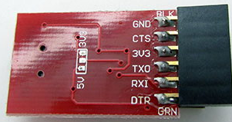
 |  |  |  |  |  | 1 | GND
 |  |  |  |  |  | 2 | CTS
 |  |  |  |  |  | 3 | 3V
 |  |  |  |  |  | 4 | TXO |  |  |  |  |  |  |  |  |  |  |  |  |  | Board for Pouilly (top view)
5-> 3v
 |  |  |  |  |  | 5 | RXI
 |  |  |  |  |  | 6 | DTR |  |  |  |  |  |  |  |  |  |  |  |  |  |  |  |  |  |  | 5v | 0v | 3v
 |  |  |  |  |  |  |  |  |  |  |  |  |  |  |  |  |  |  |  |  |  |  |  |  |  | 5v | 0v
 |  |  |  |  |  |  |  |  |  |  |  |  |  |  |  |  |  |  |  |  |  |  |  |  |  | 5v | 0v
4,7K
 |  |  |  |  |  |  |  |  |  |  |  |  |  |  |  |  |  |  |  |  |  |  |  |  |  | 0v | 0v
 |  |  |  |  |  |  |  |  |  |  |  |  |  |  |  |  |  |  |  |  |  |  |  |  |  |  | x |  | o
 |  |  |  |  |  |  |  |  |  |  |  |  |  |  |  |  |  |  |  |  |  |  |  |  |  | 1 | 3 | 5 | 7
 |  |  |  |  |  |  |  |  |  |  |  |  |  |  |  |  |  |  |  |  |  |  |  |  |  | 2 | 4 | 6 | 8

 |  |  |  |  |  |  |  |  |  |  |  |  |  |  |  |  |  |  |  |  |  |  |  |  |  | 0v |  | o | x
 |  |  |  |  |  |  |  |  |  |  |  |  |  |  |  |  |  |  |  |  |  |  |  |  |  |  | c | c | c
 |  |  |  |  |  |  |  |  |  |  |  |  |  |  |  |  |  |  |  |  |  |  |  |  |  |  | c | c | c
 |  |  |  |  |  |  |  |  |  |  |  |  |  |  |  |  |  |  |  |  |  |  |  |  |  |  | c | c | c

ESP8266
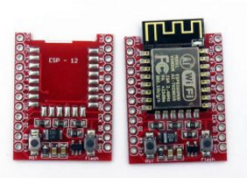
http://www.ebay.com/sch/items/?_nkw=esp-12e+nodemcu&_sacat=&_ex_kw=&_mPrRngCbx=1&_udlo=&_udhi=&_sop=12&_fpos=&_fspt=1&_sadis=&LH_CAds=&rmvSB=true | Where to buy | Ebay
http://www.electrodragon.com/product/esp-12f-esp8266-wifi-board/#prettyPhoto | ESP 12 | Electrodragon
http://www.electrodragon.com/product/esp8266-smd-adapter-board/#prettyPhoto | ESP 12 board | Electrodragon

http://espressif.com/en/support/download/documents?keys=&field_type_tid%5B%5D=14

ESP-01 ESP8266 Wifi Module WI07c, 1Mbit
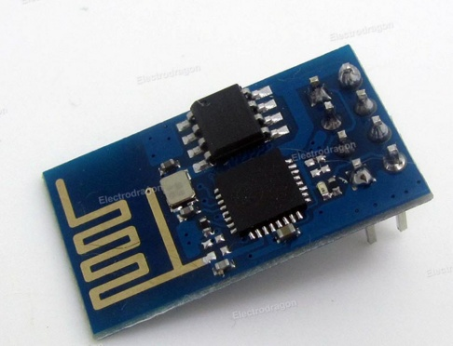

Product Description
This is a wifi solution based on IC ESP8266 from Espressif, very price competitive wifi module, and also great function. Bring your project to the internet of things easily!
Features:
New 1Mbits Flash size.
Very competitive price
AP, STA, AP+STA modes available.
Very simple AT commands, easy to use.
Internal LWIP interface.
Only four pins interface, VCC-3V3, GND, TXD and RXD.
Latest firmware. New IC ESP8266ex
Find more ESP-12, ESP-07 on this link, ESP-13 on this link.
Documentation can found on this page.

WiFi Module - ESP8266
WRL-13678 ROHS Open Source Hardware
18
Description: The ESP8266 WiFi Module is a self contained SOC with integrated TCP/IP protocol stack that can give any microcontroller access to your WiFi network. The ESP8266 is capable of either hosting an application or offloading all Wi-Fi networking functions from another application processor. Each ESP8266 module comes pre-programmed with an AT command set firmware, meaning, you can simply hook this up to your Arduino device and get about as much WiFi-ability as a WiFi Shield offers (and that’s just out of the box)! The ESP8266 module is an extremely cost effective board with a huge, and ever growing, community.
This module has a powerful enough on-board processing and storage capability that allows it to be integrated with the sensors and other application specific devices through its GPIOs with minimal development up-front and minimal loading during runtime. Its high degree of on-chip integration allows for minimal external circuitry, including the front-end module, is designed to occupy minimal PCB area. The ESP8266 supports APSD for VoIP applications and Bluetooth co-existance interfaces, it contains a self-calibrated RF allowing it to work under all operating conditions, and requires no external RF parts.
There is an almost limitless fountain of information available for the ESP8266, all of which has been provided by amazing community support. In the Documents section below you will find many resources to aid you in using the ESP8266, even instructions on how to transforming this module into an IoT (Internet of Things) solution!
Note: The ESP8266 Module is not capable of 5-3V logic shifting and will require an external Logic Level Converter. Please do not power it directly from your 5V dev board.
Note: This new version of the ESP8266 WiFi Module has increased the flash disk size from 512k to 1MB.
Features:
802.11 b/g/n
Wi-Fi Direct (P2P), soft-AP
Integrated TCP/IP protocol stack
Integrated TR switch, balun, LNA, power amplifier and matching network
Integrated PLLs, regulators, DCXO and power management units
+19.5dBm output power in 802.11b mode
Power down leakage current of <10uA
1MB Flash Memory
Integrated low power 32-bit CPU could be used as application processor
SDIO 1.1 / 2.0, SPI, UART
STBC, 1×1 MIMO, 2×1 MIMO
A-MPDU & A-MSDU aggregation & 0.4ms guard interval
Wake up and transmit packets in < 2ms
Standby power consumption of < 1.0mW (DTIM3)
Documents:
NURDspace Wiki (Schematic, Datasheet, & More!)
Instructables Tutorial
ESP8266 Community Forum
AT Command Set
GitHub (ESP8266)
GitHub (GCC-Xtensa)
Graphical Datasheet

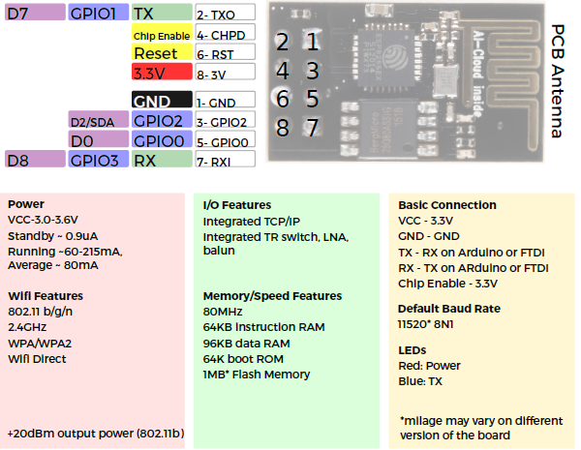
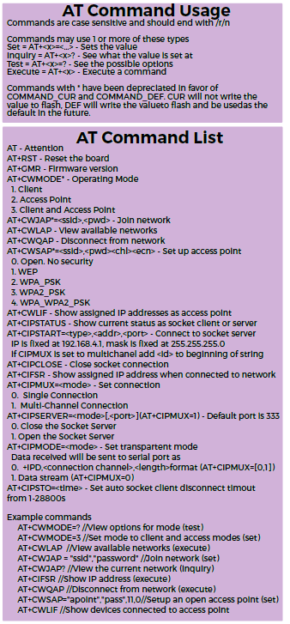

https://www.hackster.io/ROBINTHOMAS/programming-esp8266-esp-01-with-arduino-011389?ref=user&ref_id=38654&offset=3
https://create.arduino.cc/projecthub/ROBINTHOMAS/esp8266-esp-01-webserver-7248ca?ref=platform&ref_id=424_trending___&offset=221
https://github.com/esp8266/esp8266-wiki/wiki/Hardware_versions
https://nurdspace.nl/ESP8266
https://www.hackster.io/esp/products/esp8266-esp-01

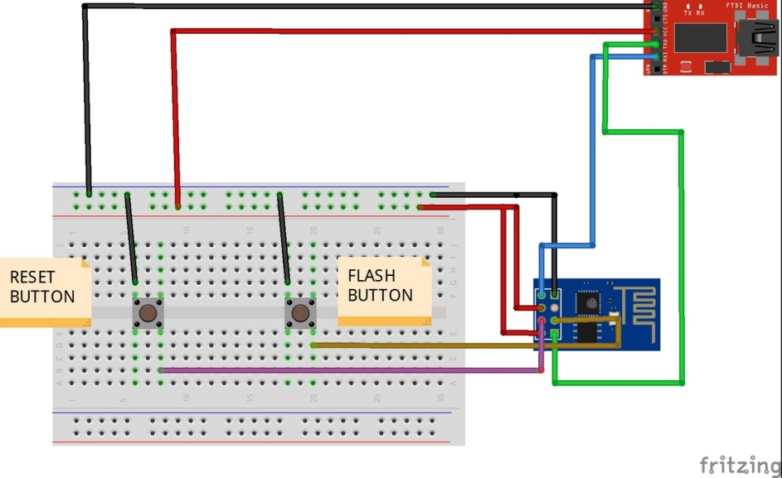
USB to TTL Converter Without DTR PIN

USB TTL---------------- ESP8266 ESP-01
GND-----------------------GND
TX---------------------------RX
RX---------------------------TX
Reset Button------------RST
Flash Button------------GPIO0
While uploading the code press flash button, keep the flash button pushed while you once click on reset. You may now release the flash button. The ESP8266 is now in flash mode. You are able to upload the sketch.

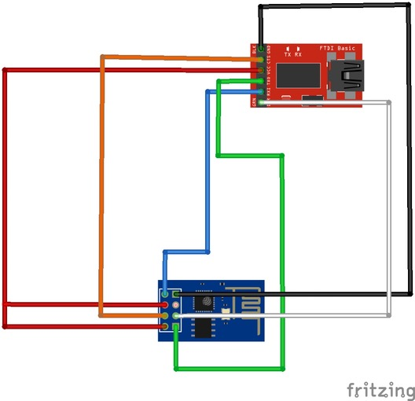
USB to TTL Converter with DTR PIN
USB TTL------ ESP8266 ESP-01
GND-----------GND
TX--------------RX
RX--------------TX
RTS------------RST
DTR-----------GPIO0

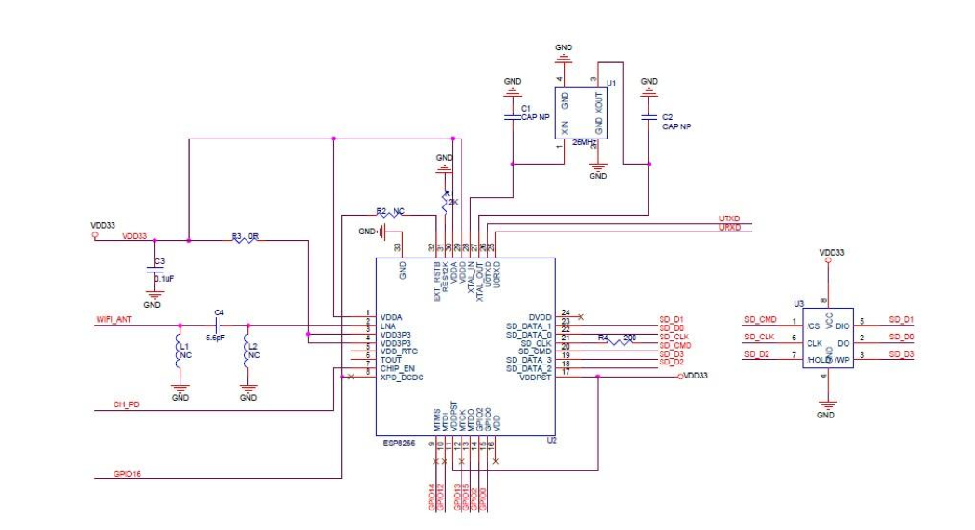

Link for library
http://arduino.esp8266.com/stable/package_esp8266com_index.json

Deep Sleep:
check esp api in https://github.com/esp8266/Arduino/blob/master/doc/libraries.md#esp-specific-apis
ESP.deepSleep(microseconds, mode) will put the chip into deep sleep. mode is one of
WAKE_RF_DEFAULT, WAKE_RFCAL, WAKE_NO_RFCAL, WAKE_RF_DISABLED.
(GPIO16 needs to be tied to RST to wake from deepSleep.)
ESP.deepSleep(24*3600*1000000, WAKE_NO_RFCAL);

#define SERIAL_PORT_LOG_ENABLE 1 #ifdef SERIAL_PORT_LOG_ENABLE Serial.begin(115200); // initialize Serial communication while (!Serial); // wait for the serial monitor to open #endif #ifdef SERIAL_PORT_LOG_ENABLE Serial.print("The blink period: "); Serial.println(time); #endif #ifdef SERIAL_PORT_LOG_ENABLE Serial.print("Total number of ticks in 10 seconds: "); Serial.println(CurieTimerOne.rdRstTickCount()); // Reads and Resets tick count Serial.println("----"); #endif

FDTI
http://www.electrodragon.com/product/ftdi-basic-wdouble-selections-of-pins/#prettyPhoto

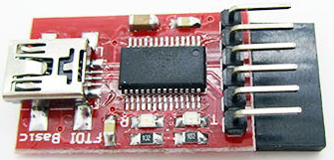

Note: This board uses genuine IC, non-Genuine IC will have much more error programming.
This is the newest revision of our FTDI Basic. We now use a SMD 6-pin header on the bottom, which makes it smaller and more compact. Functionality has remained the same.
This is a basic breakout board for the FTDI FT232RL USB to serial IC. The pinout of this board matches the FTDI cable to work with official Arduino and cloned 5V Arduino boards. It can also be used for general serial applications. The major difference with this board is that it brings out the DTR pin as opposed to the RTS pin of the FTDI cable. The DTR pin allows an Arduino target to auto-reset when a new Sketch is downloaded. This is a really nice feature to have and allows a sketch to be downloaded without having to hit the reset button. This board will auto reset any Arduino board that has the reset pin brought out to a 6-pin connector.
The pins labeled BLK and GRN correspond to the colored wires on the FTDI cable. The black wire on the FTDI cable is GND, green is CTS. Use these BLK and GRN pins to align the FTDI basic board with your Arduino target.
This board has TX and RX LEDs that make it a bit better to use over the FTDI cable. You can actually see serial traffic on the LEDs to verify if the board is working.
This board was designed to decrease the cost of Arduino development and increase ease of use (the auto-reset feature rocks!). Our Arduino Pro boards and LilyPads use this type of connector.
One of the nice features of this board is a jumper on the back of the board that allows the board to be configured to either 3.3V or 5V (both power output and IO level). This board ship default to 5V, but you can cut the default trace and add a solder jumper if you need to switch to 3.3V.
Documentation:
Driver is on this page.
Note:
There are both female and male pins are solder out, doesn’t matter what you solder on your arduino pro mini, this is all gong work out for it.
Default 5V version

thermo num
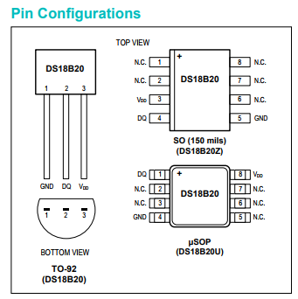
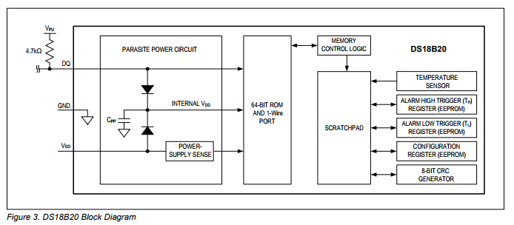
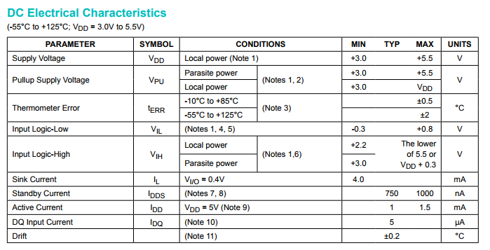
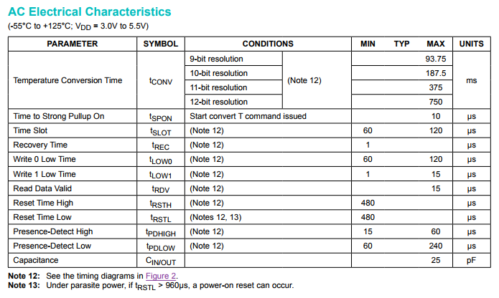
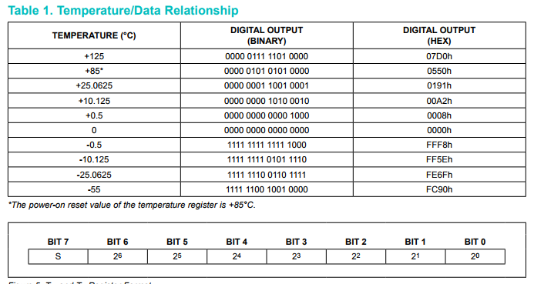
https://datasheets.maximintegrated.com/en/ds/DS18B20.pdf | https://create.arduino.cc/projecthub/TheGadgetBoy/ds18b20-digital-temperature-sensor-and-arduino-9cc806?ref=search&ref_id=DS18B20&offset=0
 | https://create.arduino.cc/projecthub/WT040/multi-temperature-sensor-cf1153?ref=search&ref_id=DS18B20&offset=3

