Example 2 balanced system
 |  |  |  |  |  |  |  |  |  | Example | Algorithm | Results
 |  |  |  |  |  |  |  |  |  | 3DOF Modeling of QuadCopter | 1 | A polyhedron in RDF^6 defined as the convex hull of 1 vertex
 |  |  |  |  |  |  |  |  |  |  | 2 | This polyhedron data is numerically complicated; cdd could not convert between the inexact V and H representation without loss of data. The resulting object might show inconsistencies.
 |  |  |  |  |  |  |  |  |  | 6DOF Modeling of QuadCopter | 1 | Runtime error
 |  |  |  |  |  |  |  |  |  |  | 2 | Runtime error

Algorithm 1 (Over-approximate) |  |  |  |  | Algorithm 2
Experiment 1 (Simple 2D example) |  |  |  |  | Experiment 1 (Simple 2D example)
 | Iteration | Output Polyhedron (Xout) | Runtime (ms) | Results | 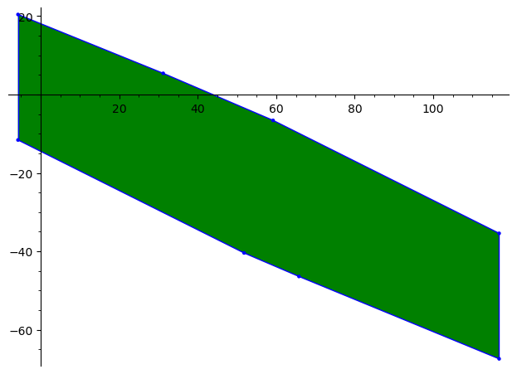 | Iteration | Output Polyhedron (Xout) | Runtime | Results
 | 1 | A 2-dimensional polyhedron in QQ^2 defined as the convex hull of 4 vertices | 1270.1013 | Pass |  | 1 | A 2-dimensional polyhedron in ZZ^2 defined as the convex hull of 4 vertices | 5479.223 | Pass
 | 3 | A 2-dimensional polyhedron in QQ^2 defined as the convex hull of 8 vertices | 1805.8891 | Pass |  | 3 | A 2-dimensional polyhedron in RDF^2 defined as the convex hull of 8 vertices | 7441.21 | Pass
 | 10 | A 2-dimensional polyhedron in QQ^2 defined as the convex hull of 22 vertices | 2697.3562 | Pass |  | 10 | A 2-dimensional polyhedron in RDF^2 defined as the convex hull of 8 vertices | 20118.547 | Pass
 | 50 | A 2-dimensional polyhedron in QQ^2 defined as the convex hull of 102 vertices | 3014.2081 | Pass |  | 50 | A 2-dimensional polyhedron in RDF^2 defined as the convex hull of 8 vertices | 50819.4082 | Pass
 | 100 | A 2-dimensional polyhedron in QQ^2 defined as the convex hull of 202 vertices | 7411.803 | Pass |  | 100 | A 2-dimensional polyhedron in RDF^2 defined as the convex hull of 8 vertices | 55010.1004 | Pass
 | 1000 |  |  |  |  | 1000 | *Error: Numerical inconsistency is found. |  | Fail
Experiment 2 (Balanced System of a 2-wheleed cart) |  |  |  |  | Experiment 2 (Balanced System of a 2-wheleed cart)
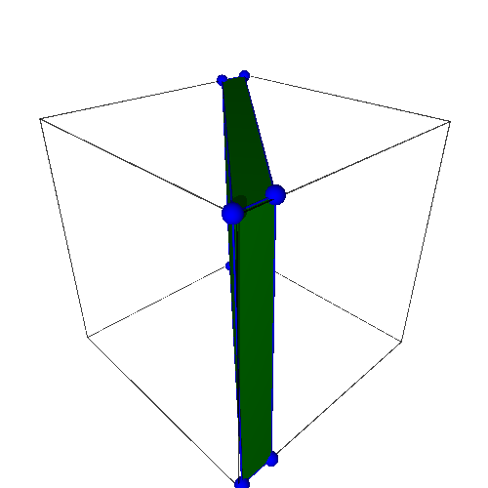 | Iteration | Output Polyhedron (Xout) | Runtime | Results | 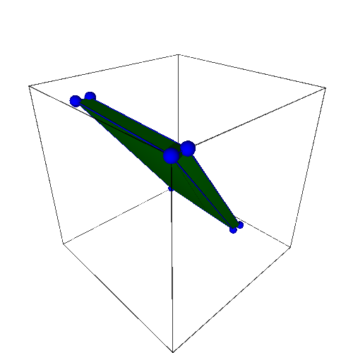 | Iteration | Output Polyhedron (Xout) | Runtime | Results
 | 1 | A 4-dimensional polyhedron in RDF^4 defined as the convex hull of 16 vertices | 1558.3057 | Pass |  | 1 | A 0-dimensional polyhedron in RDF^4 defined as the convex hull of 1 vertex | 1773.442 | Pass
 | 3 | A 4-dimensional polyhedron in RDF^4 defined as the convex hull of 44 vertices | 2890.8072 | Pass |  | 3 | A 2-dimensional polyhedron in RDF^4 defined as the convex hull of 4 vertices | 2220.273 | Pass
 | 10 | *Error: Numerical inconsistency is found. | 10111.6698 | Fail |  | 10 | A 3-dimensional polyhedron in RDF^4 defined as the convex hull of 8 vertices | 2976.8021 | Pass
 | 50 | *Error: Numerical inconsistency is found. |  | Fail |  | 50 | *Error: Numerical inconsistency is found. Use the GMP exact arithmetic. |  | Fail
 | 100 | *Error: Numerical inconsistency is found. |  | Fail |  | 100
 | 1000 | *Error: Numerical inconsistency is found. |  | Fail |  | 1000
Experiment 3 (3DOF Modeling of a Quadcopter) |  |  |  |  | Experiment 3 (3DOF Modeling of a Quadcopter)
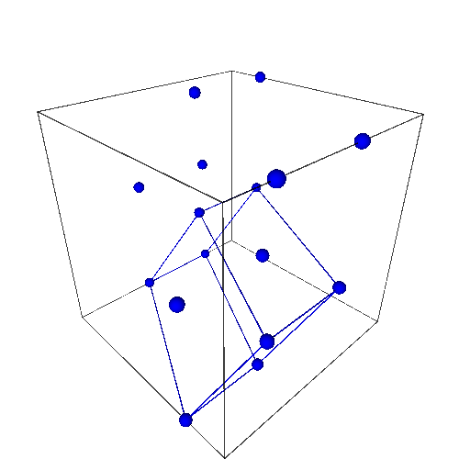 | Iteration | Output Polyhedron (Xout) | Runtime | Results | 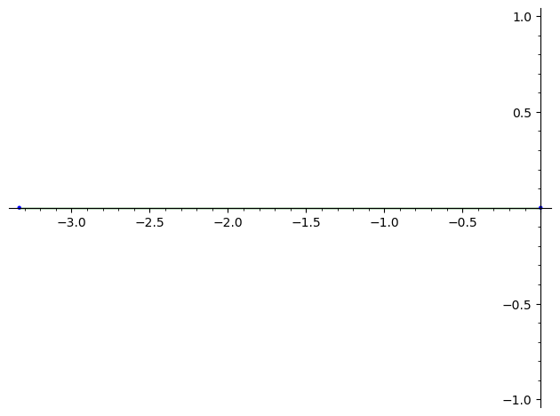 | Iteration | Output Polyhedron (Xout) | Runtime | Results
 | 1 | A 1-dimensional polyhedron in RDF^6 defined as the convex hull of 2 vertices | 4537.396 | Pass |  | 1 | A 1-dimensional polyhedron in RDF^6 defined as the convex hull of 2 vertices | 2142.8196
 | 3 | *Error: Numerical inconsistency is found. |  | Fail |  | 3 | *Error: Numerical inconsistency is found. Use the GMP exact arithmetic.
 | 10 | *Error: Numerical inconsistency is found. |  | Fail |  | 10
 | 50 | *Error: Numerical inconsistency is found. |  | Fail |  | 50
 | 100 | *Error: Numerical inconsistency is found. |  | Fail |  | 100
 | 1000 | *Error: Numerical inconsistency is found. |  | Fail |  | 1000
Experiment 4 (6DOF Modeling of a Quadcopter) |  |  |  |  | Experiment 4 (6DOF Modeling of a Quadcopter)
 | Iteration | Output Polyhedron (Xout) | Runtime | Results |  | Iteration | Output Polyhedron (Xout) | Runtime | Results
 | 1 | Running forever (runtime error) | Timeout | timeout |  | 1 | A 1-dimensional polyhedron in RDF^12 defined as the convex hull of 2 vertices | 5362.6251 | timeout
 | 3 |  |  |  |  | 3 | Running forever (runtime error) | Timeout | timeout
 | 10 |  |  |  |  | 10
 | 50 |  |  |  |  | 50
 | 100 |  |  |  |  | 100
 | 1000 |  |  |  |  | 1000

