Cable Harness Configuration
Design verified
 |  |  |  |  |  |  |  |  |  |  | Parameter | Value | Parameter | Color : Conditional | Color : Main | Color - Condition | Value - Condition | Errors Yes/No | Comment | Error Count | Color : Main | Comment
 |  |  |  |  |  |  |  |  |  |  | Assembly Name/PN: | TEST_NAME | TEST_NAME | 13434828 | 13434828 | 1 | 0 | 0 |  | 0 | 13434828 | Please enter assembly name / part number
Cable Harness Configuration |  |  |  |  |  |  | Version: | 6 |  |  | Customer P/N: | C-TEST_NAME | C-TEST_NAME | 13434828 | 13434828 | 1 | 0 | 0 |  |  | 13434828 | Please enter customer P/N
 |  |  |  |  |  |  |  |  |  |  | Customer Code: | BOSC | BOSC | 16764057 | 16764057 | 1 | 0 | 0 |  |  | 16764057 | Please Enter Customer code
 | General Information |  | Tape Option |  | Pin Out Chart |  |  |  | Drawing size | Data Input Prompt (Example : Drawing Size) | Drawing Size: | A0 | A0 | 16764057 | 16764057 | 1 | 0 | 0 |  |  | 16764057 | Please Enter Drawing size
 | Assembly Name/PN: | TEST_NAME | Add Tape: | Yes | Left | Right |  |  | A1 | Pull Down List (Example : Single to Single) | Drawing Notes: | Infotainment cable notes | Infotainment cable notes | 16764057 | 16764057 | 1 | 0 | 0 |  |  | 16764057 | Please Enter Drawing notes
 | Customer P/N: | C-TEST_NAME | Tape Starting Distance (mm): | 300.00 |  |  |  |  | 300 | Entered Data (Example : Harness Length) | Packing Note: | Included | Included | 16764057 | 16764057 | 1 | 0 | 0 |  |  | 16764057 | Please Enter Packing note
 | Customer Code: | BOSC | Tape Pitch (mm): | 250.00 |  |  |  |  | abc | Not applicable Data | Coil Diameter: | 250 | 250 | 13434828 | 13434828 | 1 | 0 | 0 |  |  | 13434828 | Please Enter Coil diameter
 |  |  |  |  |  |  |  |  |  | Non Default Data | Customer Drawing: | Fully Populated | Fully Populated | 16764057 | 16764057 | 1 | 0 | 0 |  |  | 16764057 | Please Enter Customer drawing
 | Drawing Information |  | Multiple connector cavity pitch |  |  |  |  |  |  |  | Drawing Title: | Multiple to single 4P Right | Multiple to single 4P Right | 13434828 | 13434828 | 1 | 0 | 0 |  |  | 13434828 | Please Enter Drawing title
 | Drawing Size: | A0 | Connector-1 cavity pitch (mm) | 8.00 |  |  |  |  | Color Code |  | Drawn By: | Troy Rozell | Troy Rozell | 13434828 | 13434828 | 1 | 0 | 0 |  |  | 13434828 | Please Enter Drawn by
 | Drawing Notes: | Infotainment cable notes | Connector-2 cavity pitch (mm) |  |  |  |  |  |  |  | Checked By: | Checker | Checker | 13434828 | 13434828 | 1 | 0 | 0 |  |  | 13434828 | Please Enter Checked by
 | Packing Note: | Included |  |  |  |  |  |  |  |  | Approved By: | Approver | Approver | 13434828 | 13434828 | 1 | 0 | 0 |  |  | 13434828 | Please Enter Approved by
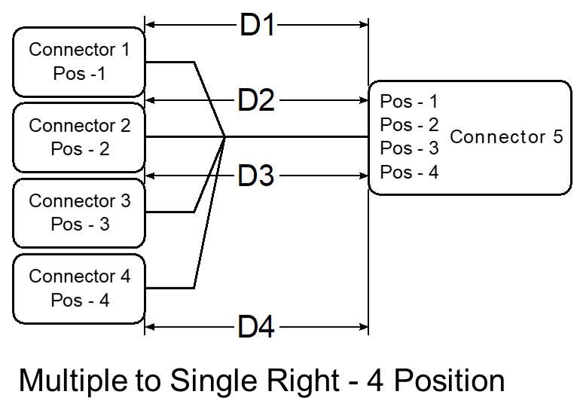
 | Coil Diameter (mm): | 250.00 |  |  |  |  |  |  |  |  | Drawn Date: | 43235 | 43235 | 13434828 | 13434828 | 1 | 0 | 0 |  |  | 13434828 | Please Enter Drawn date
 | Customer Drawing: | Fully Populated |  |  |  |  |  |  |  |  | Checked Date: | 43245 | 43245 | 13434828 | 13434828 | 1 | 0 | 0 |  |  | 13434828 | Please Enter Checked date
 |  |  |  |  |  |  |  |  |  |  | Approved Date: | 43261 | 43261 | 13434828 | 13434828 | 1 | 0 | 0 |  |  | 13434828 | Please Enter Approved date
 | Drawing : Title Block Information |  |  |  |  |  |  |  |  |  | Cable Harness Type: | Multiple to Single | Multiple to Single | 16764057 | 16764057 | 1 | 0 | 0 |  |  | 16764057 | Please Enter Cable type
 | Drawing Title: | Multiple to single 4P Right |  |  |  |  |  |  |  |  | Multiple Pos. Connector Side: | Right | Right | 16764057 | 16764057 | 1 | 0 | 0 |  |  | 16764057 | Please Enter Multiple side
 | Drawn By: | Troy Rozell |  |  |  |  |  |  |  |  | Number of Position: | 4 | 4 | 16764057 | 16764057 | 1 | 0 | 0 |  |  | 16764057 | Please Enter Number position
 | Checked By: | Checker |  |  |  |  |  |  |  |  | Harness Length D1: | 900 | 900 | 13434828 | 13434828 | 1 | 0 | 0 |  |  | 13434828 | Please Enter Harness d1
 | Approved By: | Approver |  |  |  |  |  |  |  |  | Harness Length D2: | 905 | 905 | 13434828 | 13434828 | 1 | 0 | 0 |  |  | 13434828 | Please Enter Harness d2
 | Drawn Date (dd/mm/yy) : | 2018-05-15 |  |  |  |  |  |  |  |  | Harness Length D3: | 905 | 905 | 13434828 | 13434828 | 1 | 0 | 0 |  |  | 13434828 | Please Enter Harness d3
 | Checked Date (dd/mm/yy) : | 2018-05-25 |  |  |  |  |  |  |  |  | Harness Length D4: | 900 | 900 | 13434828 | 13434828 | 1 | 0 | 0 |  |  | 13434828 | Please Enter Harness d4
 | Approved Date (dd/mm/yy) : | 2018-06-10 |  |  |  |  |  |  |  |  | Wire Twist Type: |  |  | 8421504 | 16764057 | 0 | 1 | 0 |  |  | 16764057 | Please Enter Wire type
 |  |  |  |  |  |  |  |  |  |  | Wire Twist Pitch: |  |  | 8421504 | 13434828 | 0 | 1 | 0 |  |  | 13434828 | Please Enter Wire pitch
 | Cable Harness Configuration |  |  |  |  |  |  |  |  |  | Wire Twist Length: |  |  | 8421504 | 13434828 | 0 | 1 | 0 |  |  | 13434828 | Please Enter Wire length
 | Cable Harness Type: | Multiple to Single |  |  |  |  |  |  |  |  | Wire Diameter W1: | 6 | 6 | 13434828 | 13434828 | 1 | 0 | 0 |  |  | 13434828 | Please Enter Wire w1
 | Multiple Pos. Connector Side: | Right |  |  |  |  |  |  |  |  | Wire Diameter W2: | 5 | 5 | 13434828 | 13434828 | 1 | 0 | 0 |  |  | 13434828 | Please Enter Wire w2
 | Number of Position: | 4 |  |  |  |  |  |  |  |  | Wire Diameter W3: | 5 | 5 | 13434828 | 13434828 | 1 | 0 | 0 |  |  | 13434828 | Please Enter Wire w3
 | Harness Length D1(mm): | 900.00 |  |  |  |  |  |  |  |  | Wire Diameter W4: | 6 | 6 | 13434828 | 13434828 | 1 | 0 | 0 |  |  | 13434828 | Please Enter Wire w4
 | Harness Length D2(mm): | 905.00 |  |  |  |  |  |  |  |  | Connector-1 Rotation: | 0 | 0 | 13434828 | 13434828 | 1 | 0 | 0 |  |  | 13434828 | Please Enter Connector rotation
 | Harness Length D3(mm): | 905.00 |  |  |  |  |  |  |  |  | Connector-2 Rotation: | 0 | 0 | 13434828 | 13434828 | 1 | 0 | 0 |  |  | 13434828 | Please Enter Connector rotation
 | Harness Length D4(mm): | 900.00 |  |  |  |  |  |  |  |  | Connector-3 Rotation: | 0 | 0 | 13434828 | 13434828 | 1 | 0 | 0 |  |  | 13434828 | Please Enter Connector rotation
 |  |  |  |  |  |  |  |  |  |  | Connector-4 Rotation: | 0 | 0 | 13434828 | 13434828 | 1 | 0 | 0 |  |  | 13434828 | Please Enter Connector rotation
 | Wire Specification |  |  |  |  |  |  |  |  |  | Connector-5 Rotation: |  |  | 8421504 | 13434828 | 0 | 1 | 0 |  |  | 13434828 | Please Enter Connector rotation
 | Wire Twist Type: |  |  |  |  |  |  |  |  |  | Add Tape: | Yes | Yes | 16764057 | 16764057 | 1 | 0 | 0 |  |  | 16764057 | Please Enter Add tape
 | Wire Twist Pitch(mm): |  |  |  |  |  |  |  |  |  | Tape Starting Distance: | 300 | 300 | 13434828 | 13434828 | 1 | 0 | 0 |  |  | 13434828 | Please Enter Tape distance
 | Wire Twist Length(mm): |  |  |  |  |  |  |  |  |  | Tape Pitch: | 250 | 250 | 13434828 | 13434828 | 1 | 0 | 0 |  |  | 13434828 | Please Enter Tape pitch
 | Wire Diameter W1(mm): | 6.00 |  |  |  |  |  |  |  |  | Connector-1 cavity pitch | 8 | 8 | 13434828 | 13434828 | 1 | 0 | 0 |  |  | 13434828 | Please Enter Connector pitch
 | Wire Diameter W2(mm): | 5.00 |  |  |  |  |  |  |  |  | Connector-2 cavity pitch |  |  | 8421504 | 13434828 | 0 | 1 | 0 |  |  | 13434828 | Please Enter Connector pitch
 | Wire Diameter W3(mm): | 5.00 |  |  |  |  |  |  |  |  | Position-1 |  |  | 8421504 | 16764057 | 0 | 1 | 0 |  |  | 16764057 | Please Enter Position position
 | Wire Diameter W4(mm): | 6.00 |  |  |  |  |  |  |  |  | Position-2 |  |  | 8421504 | 16764057 | 0 | 1 | 0 |  |  | 16764057 | Please Enter Position position
 |  |  |  |  |  |  |  |  |  |  | Position-3 |  |  | 8421504 | 16764057 | 0 | 1 | 0 |  |  | 16764057 | Please Enter Position position
 | Connector Rotation (degrees) |  |  |  |  |  |  |  |  |  | Position-4 |  |  | 8421504 | 16764057 | 0 | 1 | 0 |  |  | 16764057 | Please Enter Position position
 | Connector-1 Rotation: | 0.00
 | Connector-2 Rotation: | 0.00
 | Connector-3 Rotation: | 0.00
 | Connector-4 Rotation: | 0.00
 | Connector-5 Rotation:

