Sheet1
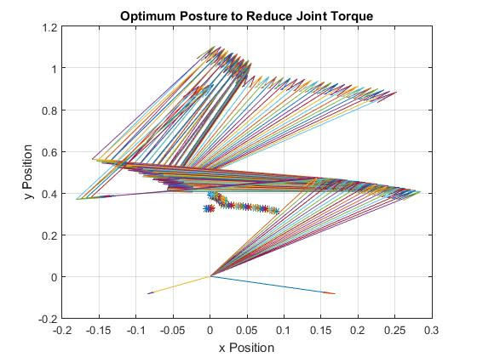

 |  | Iterations
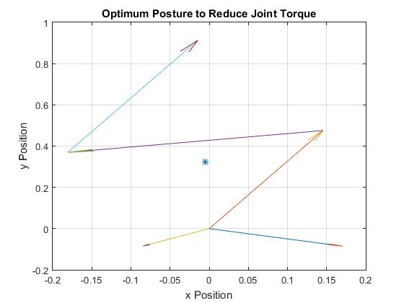

Final | Hip Angle | Knee Angle | Ankle Angle
for loop | 55 | 55 | 73
fminsearch | 55 | 55 | 72.7916

*mean±stdev
Validation | Hip Torque (Nm) | Knee Torque(Nm) | Factor (Bigger/Smaller)
Paper Restricted | 302.7 ± 71.2 | 117.3 ± 34.2 | 2.5805626598
Script Restricted | 53.6 ± 22.9 | 20.7 ± 22.0 | 2.5893719807
Paper Unrestricted | 28.2 ± 65.0 | 150.1 ± 50.8 | 5.3226950355
Script Unrestrocted | 11.4 ± 32.8 | 62.7 ± 31.3 | 5.5

