Sheet1
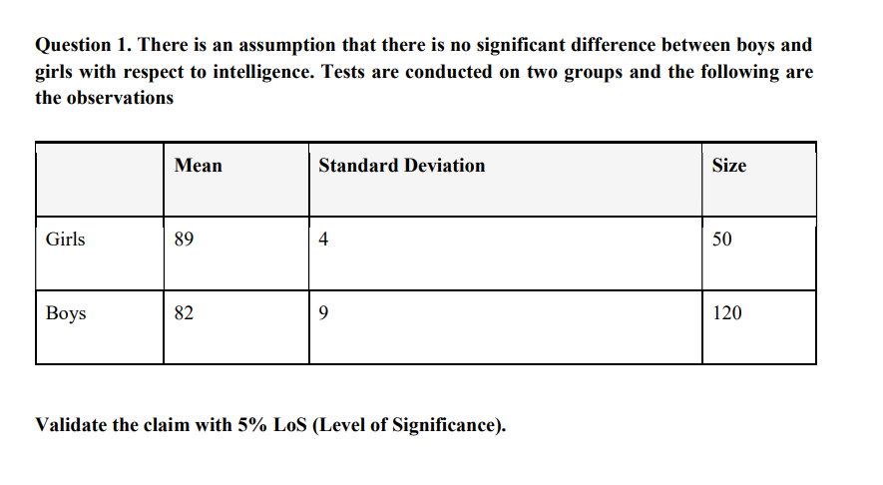
It''s Follows 2 sample t test unequal Variances(N are not Equal)

 |  |  |  |  |  |  |  | Mean(Girls) u1 | 89
 |  |  |  |  |  |  |  | Mean(Boys) u2 | 82

 |  |  |  |  |  |  |  | Std (girls) s1 | 4
 |  |  |  |  |  |  |  | Std(boys) s2 | 9

 |  |  |  |  |  |  |  | n1(girls) | 50
 |  |  |  |  |  |  |  | n2 | 120

Steps:
1) Formation Of Hypothesis
Null Hypothesis (H₀): There is no significant difference in the mean intelligence scores between boys and girls (u1=u2)
Alternative Hypothesis (H₁): There is a significant difference in the mean intelligence scores between boys and girls (μ1≠μ2).

2) compute T statistics for 2 sample T test for unequal Variance:

T | (X1-X2)/(S1^2/N1) +(S2^2/N2) |  |  | 7.0351758794

3) Compute Degree of Freedom

Df | (s1^2/n1) + (s2^2/n2 ) /((s1^2/n1)^2 /n1-1 + (s2^2/n2)^2/n2-1) |  |  |  |  | 168.11472209 | DF
Breakdown of Calculation:
(s1^2/n1) + (s2^2/n2 ) |  |  | 0.995

((s1^2/n1)^2 /(n1-1) ------------------------------> |  |  |  | 0.0020897959184

(s2^2/n2)^2/(n2-1) ------------------------> |  |  |  | 0.0038287815126

3) P value
 | 4.8113301385E-11

4)Compare values

critical value a=0.05
 | if t value is > critical Value ,reject Null hypothesis else accept

 | we calculated ,,,
 | t value < critical value |  | reject null hypothesis (H0)

5) Conclusion
There is significiant difference between mean intelligence scores between boys and girls .

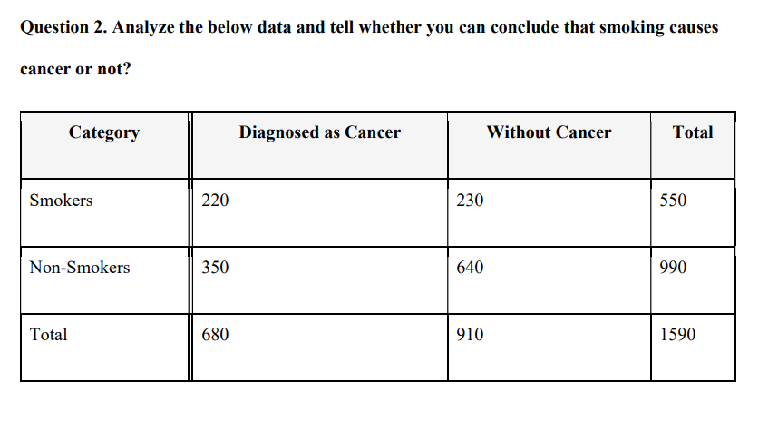

 |  |  |  |  |  |  | Expected: | Row_total* column total/grand_total

 |  |  |  |  |  | Assumed level of signifinace is 0.05. |  | Category | Diagnosed as cancer(Expected) | Without cancer(expected)
 |  |  |  |  |  |  |  | Smokers | 235.22012579 | 314.77987421
 |  |  |  |  |  |  |  | Non_smokers | 423.39622642 | 566.60377358

 |  |  |  |  |  | Compute Chi square Statistics |  |  | Summation of ((observed - Expected)^2/Expected)

 |  |  |  |  |  |  |  | for smokers Diagnosed as cancer | 0.98483166852

1) Null Hypothesi (ho): Smoking and cancer are independent.
2) Alternate hypothesis(ha): There is an association between smoking and cancer.
1) |  |  |  |  |  |  |  | for smokers without cancer | 22.833820268

 |  |  |  |  |  |  |  | for Non-Smokers diagnosed as Cancer | 12.723320889

 |  |  |  |  |  |  |  | for Non-Smokers diagnosed as Cancer | 0.12953712954

 |  |  |  |  |  |  | Adding All these Values |  | 36.671509955

 |  |  |  |  |  |  | Chi square Statistics is 36.6715

Calculate Degree of Freedom : |  | K-1 | (k=Categories) |  | or (Row-1) * (Col -1)
 | df | 1

Find The p-value :
 | 1.3980781222E-09

Compare P value with Level of significance

 | Here , P value < Level of Signifinace

>>>>>>> | So here we reject Null Hypotheis (Ho) .

Conclusion:
A very small p-value means that the probability of observing this result if smoking and cancer were independent is extremely low.Since p < 0.05, we reject the null hypothesis.This means there is a statistically significant relationship between smoking and cancer.

