1. Title Page
Customers and Products Sales Analysis

Project Name: Instacart Grocery Basket Analysis
Date: June 24, 2021
Analyst Name: Chaitali Limbhore

Contents:

Contents
Data Citation
Population Flow
Consistency checks
Wrangling steps
Column derivations
Visualizations
Recommendations

2. Data Citation
Data Citation

“The Instacart Online Grocery Shopping Dataset 2017”, Accessed from https://www.instacart.com/datasets/grocery-shopping-2017 on May 15, 2021

3. Population Flow
Title page

Population flow

Exclusion flag
Condition: max_order <
Obervations to be removed:
Final total count of order_products_all:

Total: 32,434,489
Total: 32,404,859

Orders_products_combined
Orders_products_merged
Orders_products_all
Total: 32,404,859

1.) The grey boxes in the first row of the population flow represent the original data sets as they were when you downloaded them. In the Total fields you need to add the count of the rows when you imported the data set into Jupyter.
2.) The second row of boxes (coloured) represents the data sets after you manipulated them, e.g., removed missing values and duplicates. In the Total fields you need to add the count of the rows after conducting these operations. This offers a visual oveview of how the data flows throughout the data consistency checks.
3.) The third row, where also the arrows are coloured, represents the merges you performed between the datasets. In the Total fields you need to add the count of the rows in the merged datasets, so that you end up with the final dataset (in the red box). Keep in mind the final dataset should be without exclusions (based on the exclusion flag).

4. Consistency checks
 |  |  |  | Title page
Consistency checks

Dataset | Missing values | Missing values treatment | Duplicates
orders | days_since_prior_order | Total 206209 Null/ NaN records found and that can be possible if any customer is buying a product for the first time, then this column should have 0 days. So I updated the Null values with 0 days. | None
products | product_name | Total 16 missing records found and those were removed from database | 5 duplicate records found and removed
orders_products_prior | None | N/A | None
customers | None | N/A | None

5. Wrangling steps
 |  |  |  |  | Title page
Wrangling steps

Columns dropped | Columns renamed | Columns' type changed | Comment/Reason
Orders df: ['eval_set'] |  |  | Not needed for further analysis
 | Orders df: 'order_dow' column renamed to 'orders_day_of_week' |  | Changed for more descriptive title
 |  | Orders df: order_id | Changed to string data type, descriptive analysis not needed on column
 |  | Orders df: user_id | Changed to string data type, descriptive analysis not needed on column
 |  | Merged orders and orders_prior data set : 'orders_day_of_week', 'order_hour_of_day', 'reordered' | Mentioned columns data types are changed to 'int8' due to memory issue
 |  | Merged orders and orders_prior data set : 'days_since_prior_order', 'add_to_cart_order' | Mentioned columns data types are changed to 'int16' due to memory issue
 | Customers df: 'First Name' |  | Changed to 'First_Name' for more descriptive title
 | Customers df: 'n_dependants' |  | Changed to 'No_of_dependants' for more descriptive title
 | Customers df: 'fam_status' |  | Changed to 'Family_status' for more descriptive title
 | Customers df: 'Surnam' |  | Changed to 'Surname' for more descriptive title
 | Customers df: 'income' |  | Changed to 'Annual_income' for more descriptive title
 |  | Customers df: 'First Name' | Changed to string data type, due to memory issue
 |  | Customers df: 'Surname' , 'Gender', 'STATE', 'Family_status' | Mentioned columns data types are changed to 'category' due to memory issue
 |  | Customers df: 'No_of_dependants', 'Age' | Mentioned columns data types are changed to 'int8' due to memory issue | ,
 |  | Merged orders and products data set : 'Busiest_Day','price_range_loc' 'Busiest_Days', | Mentioned columns data types are changed to 'category' due to memory issue
 |  | Merged orders and products data set : 'max_order','add_to_cart_order' 'order_number' | Mentioned columns data types are changed to 'int8' due to memory issue
 |  | Merged orders and products data set : 'aisle_id' | Mentioned columns data types are changed to 'int16' due to memory issue
 |  | Merged orders and products data set : 'Spending' | Mentioned columns data types are changed to 'float16' due to memory issue
 |  | Merged orders and products data set : 'prices' | Mentioned columns data types are changed to 'int32' due to memory issue
 |  | Merged orders and products data set :'Frequency' | Mentioned columns data types are changed to 'uint16' due to memory issue
Final df: Alcohol Order Flag |  |  | Column no longer needed after 'Alcohol Drinker' column created
Final df: Breakfast Order Flag |  |  | Column no longer needed after 'Breakfast Buyer' column created

6. Column derivations
 |  |  |  | Title page

Column derivations and aggregations

In this tab you should add tables below that the frequences of flags/label variables that you produced after deriving them. NB: don't do this for continuous variables, only for flags.
Dataset | New column | Column/s it was derived from | Conditions
Orders_Products_Merged | Price_Range_loc | prices | Prices>15 results in High-range products, Prices <=15 but >5 results in Mid-range products, Prices =<5 results in Low-range products
Orders_Products_Merged | Busiest_Day | orders_day_of_week | If day of the week value is 0 then Busiest day, if 4 then Least busy, all others are Regularly busy
Orders_Products_Merged | Busiest_Days | orders_day_of_week | If day of the week value is 0 and 1 then Busiest days, if 4 and 3 then Slowest days, all others are Regularly busy
Orders_Products_Merged | busiest_period_of_day | order_hour_of_day | Hour <= 6 results in Fewest orders, Hour >=9 and <=16 result in Most Orders, Hour >=7 and Hour<=22 result in Average Orders
Orders_Products_Merged | max_order | user_id & order_number | Using transform(np.max) function for order_number and group by user_id
Orders_Products_Merged | loyalty_flag | max_order | If Max order >40 then Loyal customer, Max order >10 & <=40 the Regular customer, Max order <=10 is New Customer
Orders_Products_Merged | Spending | user_id & prices | Using transform(np.median)) function for prices and group by user_id
Orders_Products_Merged | Spending_Flag | Spending | If Spending < 10 then Low spender, if Spending => 10 then High spender
Orders_Products_Merged | Frequency | user_id & days_since_prior_order | Using transform(np.max) function for days_since_prior_order and group by user_id
Orders_Products_Merged | Order_Frequency_Flag | Frequency | Frequency >20 is Non-frequent, Frequency >10 & <=20 is Regular, Frequency <=10 is Frequent
df_final_data | Region | State | Created four regions based on list of States
df_final_data | Activity_Flag | order_number | Order number <5 is Low_Activity_Customer, Order number >=5 is High_Activity_Customer
df_final_data | Parent_Status | Age & No_of_dependants | Created four parent categories based on two variables
df_final_data | Income Level | Annual_income | Created three income categories based on annual income
df_final_data | Alcohol Order | department_id | If department_id = 5 then 1 else 0
df_final_data | Alcohol Drinker | Alcohol Order | Based on Alcohol Order flag we created Alcohol Drinker column
df_final_data | Breakfast Order Flag | department_id | If department_id = 14 then 1 else 0
df_final_data | Breakfast Buyer | Breakfast Order Flag | Based on Breakfast Order Flag we created Breakfast Buyer column

7. Visualizations
Title page

Visualisations

In this tab you should include all the visualtions from Exercises 4.9 and 4.10, alongside the questions from the project brief that they answer. Include any commentary on the relationship between different variables.

QUESTION: What are the busiest days of the week and hours of the day are (i.e., the days and times with the most orders)

Number of Orders Per Day
Number of Orders Per Hour
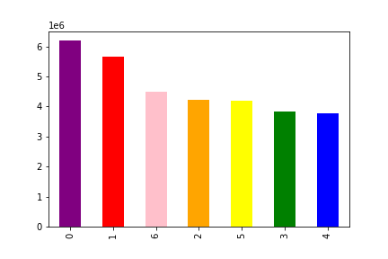
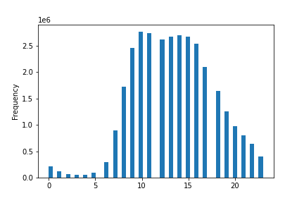

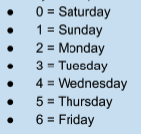

Saturday & Sunday have the highest number of orders placed while Tuesday & Wednesday have the lowest number of orders placed.
Orders get increase in the morning after 8 AM and having highest number of orders at 10 AM. Again after 3 PM in the evening, orders get decreasing. Very few orders are placed through the hours of the night.

QUESTION: Is there a day of week or hour of the day that customers spend the most money?

Average Price of Products Purchased Each Day of Week
Average Price of Products Purchased Each Hour
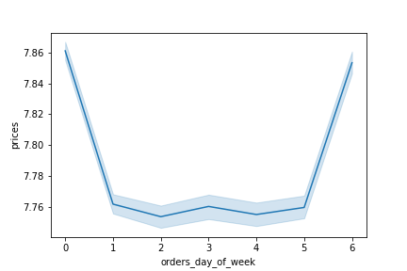
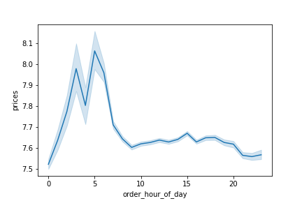

Customers appear to purchase higher priced items on Friday & Saturday.
We can see that people buy most expensive products during the night hours or early morning hours. (2 AM to 6 AM)

QUESTION: What category of customers placed more number of orders?

Distribution of orders among customers in terms of loyalty

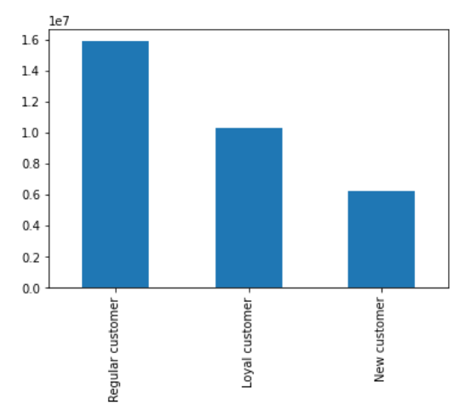

Distribution of orders among customers in terms of loyalty and most of the customers are in 'Regular' category

QUESTION: there’s a connection between age and family status? and connection between age and spending power?

Income by Age
Number of Dependents by Age
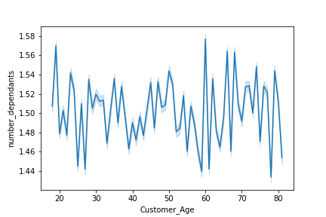

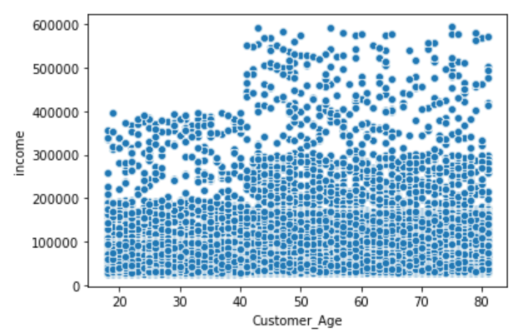

No trends found between the number of dependents and age. The number of dependens varies greatly for each age group.
People get older they get more income and therefore more spending power. We can see a increase in concentration plots just after the 40 year mark.

QUESTION: What is the distribution of customer profiles?

Parent Status Distribution
Income Level Distribution
Alcohol Drinker Distribution
Breakfast Buyer Distribution

Largest percentage of customers are from Middle- Age group, followed by older-aged parents and no dependents group, then finally young parents.
Middle income families make highest percentage of customers followed by higher income families. Lower income families make up the smallest percentage of customers.
.
The number of not alcohol drinkers is almost 10 times greater than number of alcohol drinkers.
There are more number of breakfast items buyer as compared to not breakfast items buyers.

QUESTION: What is the distribution of customer profiles among regions?

Parent Status Distribution by Region
Income Level Distribution by Region
Alcohol Drinkers Distribution by Region
Breakfast Buyer Distribution by Region

'No dependents' customers make up to 25% of each region while 'young parents' make up to 20% of each region. 'Middle age Parents' make up the largest percentage while 'older age Parents' make up the second largest percentage.
Lower income customers makes low percentage for each region. Middle income customers make up the largest proportion followed by higher income for each region.
Not Alcohol Drinkers groups make the highest percentage for each region (upto 90% and above) whereas Alcohol drinkers make very small portion for each region
Breakfast buyers are clearly more common in all regions making up 80% of each region.

QUESTION: What is the distribution of customer profiles among departments?

Alcohol Drinkers Distribution by Department
Breakfast Buyers Distribution by Department
Parent Status Distribution by Department
Income level Distribution by Department
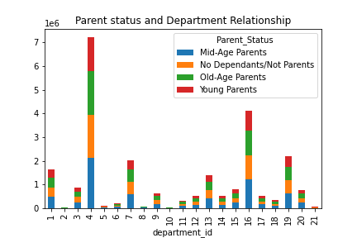
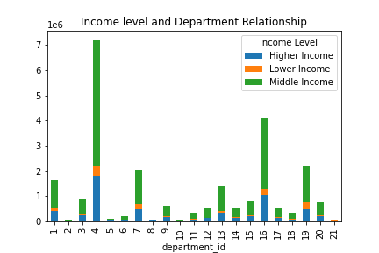
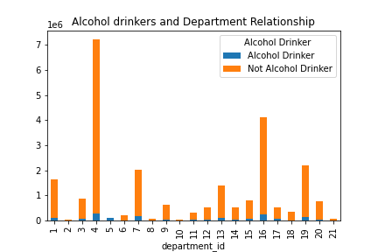
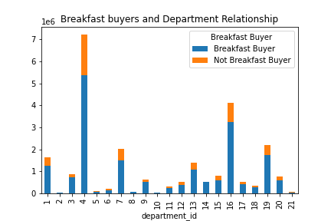

Alcohol Drinkers make up to 10% of all departments while of course making up 100% of department 5 (Alcohol).
Points to be noticed:
* Alcohol Drinkers smallest percentage is in department 6 (Internation), 8 (Pets) and 18 (babies) which in turn makes Not Alcohol Drinkers largest percentage forthese Department.
'Mid- Age Parents' customers make up the largest percentage in every department. 'No dependents/Not Parents' & 'Old- Age Parents' customers have almost same percentages in each department. 'Young parents' are the smallest percentage group in each department
Points to be noticed:
* Produce & Dairy/eggs are the most popular departments for each age group.
* All categories (including No Dependants/ Not Parents) purchase items from the Baby and Alcohol.
Each income level places roughly the same percentage of orders from each department - Middle Income Level always make up the largest percentage followed by Higher Income then Lower Income Level.
Points to be noticed:
*Lower income consistently make very low in most departments but increases in Department 19 (snacks), 16 (Dairy/egg), 4 (Produce)
Breakfast buyers consistently make up 80% of all departments while of course making up 100% of department 14 (Breakfast).
Points to be noticed:
*Not Breakfast Buyers smallest percentage is in Department 8 (Pets) and 10 (bulk)

8. Recommendations
 |  |  |  |  | Title page

Recommendations

In this tab you should include any recommendations you would made to Instcart in terms of their marketing strategy based on the questions posed in the brief. Every key question has been covered in the Tasks of the Exercises - here you need to add an item - a visualisation or table/crosstable that is showing the answer in the data, acompanied by a comment from you. Please, list the questions below and add the answer underneath.

Question | Answer |  | Visualizations

Number of Orders Per Day
Number of Orders Per Hour
The sales team needs to know what days of the week and hours of the day are the busiest (i.e., the days and times with the most orders) in order to schedule ads at times when there are fewer orders. |  | We can see the weekend is more busiest with orders, I would recommend ads be run on week days to help with Mon - Fri order volume. With the most popular hours being 10am - 3pm & least popular hours being 10pm - 6am, I would focus ads during 6pm - 10pm.

Average Price of Products Purchased Each Hour
The sales team also wants to know whether there are particular times of the day when people spend the most money, as this might inform the type of products they advertise at these times. |  | Surprisingly orders at 2am result in the highest average prices paid (perhaps emergency purchases? or people may spend more time on shopping during the night time). Because marketing at such an uncommon time may not be worthwhile, I would recommend focusing advertising on the 2nd highest paid times at 6am and other hours which having average price of products purchased.

Number of Products in Each Price Category
Instacart has a lot of products with different price tags. Marketing and sales want to use simpler price range groupings to help direct their efforts. |  | Products have been sorted into three price ranges: Price >15 results in High-range price, Price <=15 but >5 results in Mid-range price & Price =<5 results in Low-range price.

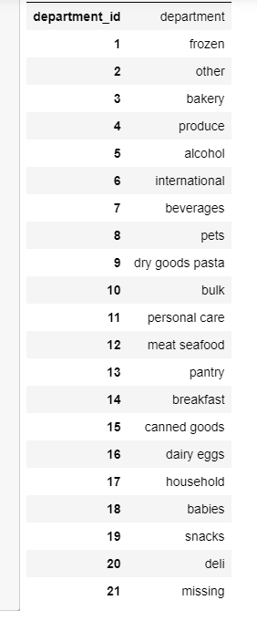
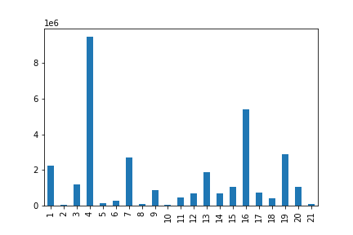
Frequency of Orders Placed in Each Department
Are there certain types of products that are more popular than others? The marketing and sales teams want to know which departments have the highest frequency of product orders. |  | Produce is the most popular department followed by dairy/eggs,snacks, frozen then beverages.

Distribution of orders among customers in terms of loyalty
What’s the distribution among users in regards to their brand loyalty (i.e., how often do they return to Instacart)? |  | Roughly 50% of customers are regular. Marketing team should focus on how to change this large percentage of regular customers to loyal customers. Also campaigns and efforts should be taken place to retain the small amount of new customers to ensure they become regulars.

ordering habits based on a customer’s loyalty status
Are there differences in ordering habits based on a customer’s loyalty status? |  | The min and max ordering price is same for all customer categories. But average price for ordering is highest for new customers followed by regular and then loyal customers.

Ordering habits based on a customer’s region
Are there differences in ordering habits based on a customer’s region? |  | South region has the largest number of total orders as well as highest sum of prices paid as compared to other regions. Northeast has lower number of orders as well as sum of prices paid.

Ordering habits based on a family status and age

Is there a connection between age and family status in terms of ordering habits? |  | There is no strong co-relation found between the variables

What different classifications does the demographic information suggest? Age? Income? Certain types of goods? Family status? |  | Based on the demographic information provided the following classifications were created: Parent Status (based on age & number of dependents), Income Level, Alcohol Drinkers Vs. Non-Alcohol Drinkers and Breakfast buyers Vs. Non-Breakfast buyers. Other classifications can be created depending on the needs of marketing and sales. |  | Visualizations on the distribution of these classifications are already included in Tab 7 (Visualizations).

Distribution of Parent Status by Department
What differences can you find in ordering habits of different customer profiles? Consider the price of orders, the frequency of orders, the products customers are ordering, and anything else you can think of. |  | Trends regarding Parent Status : All four groups tend to buy more products from department id 4 (Produce), followed by departments 16 (Dairy eggs) and 19 (Snacks). Young parents seem to have slightly early shopping hours as compared to others and Mid- Age parents do late hours shopping.

Distribution of Income Level by Department
 |  | Trends regarding Income Level : Each income level places roughly the same percentage of orders from each department - Middle Income Level always make up the largest percentage followed by Higher Income then Lower Income Level.

Trends for Alcohol Drinkers

 |  | Trends regarding Alcohol Drinkers: People with high income tend to buy alcohol that means alcohol drinkers have more salary as compared to not alcohol drinkers. Also, they shop more frequently as compared to non alcohol drinkers.

Distribution of Breakfast buyers by Department and Relation with Income

 |  | Trends regarding Breakfast buyers : Breakfast buyers consistently make up 80% of all departments while of course making up 100% of department 14 (Breakfast).

 |  | Also an annual income for breakfast buyers is more than not breakfast buyers.

