Summary Dashboard
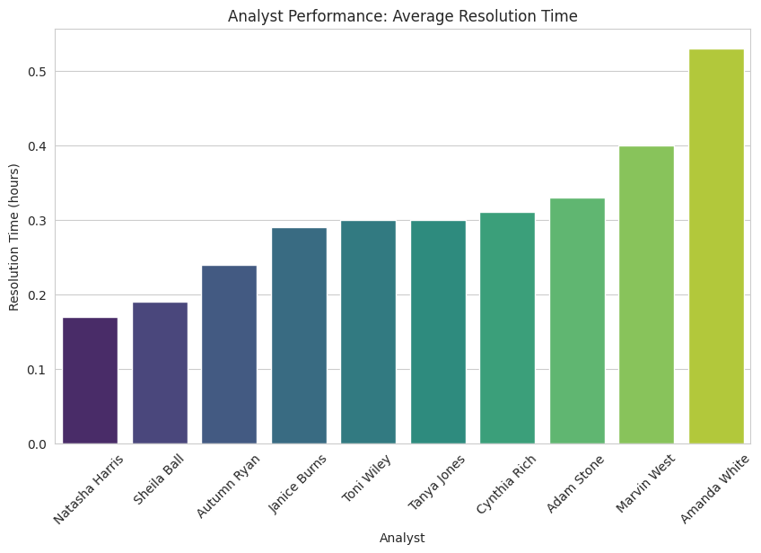
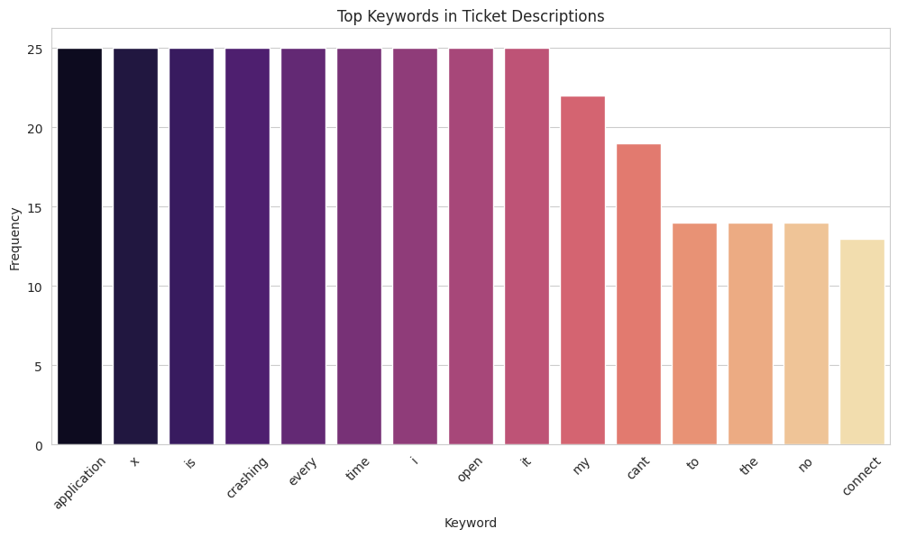
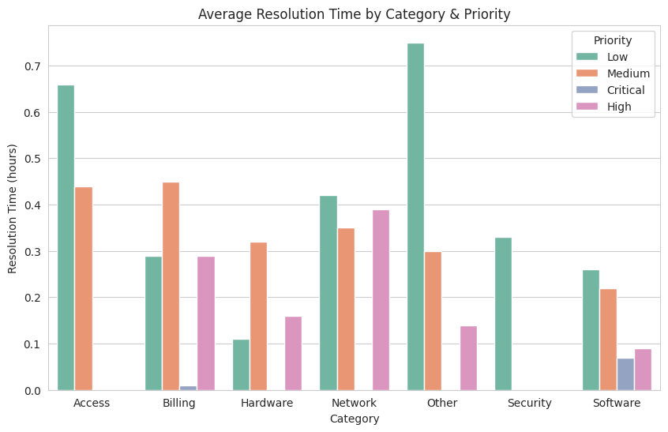
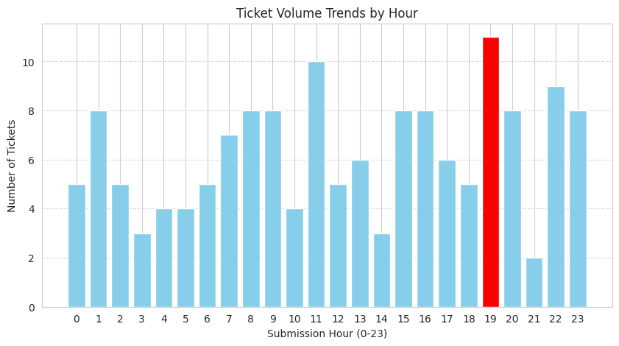
Metric | Value
Total Tickets | 70
Average Resolution Time (hrs) | 0.3
Peak Ticket Hour | 19
Category with Highest Avg Resolution | Access

