ERD (Star Schema)
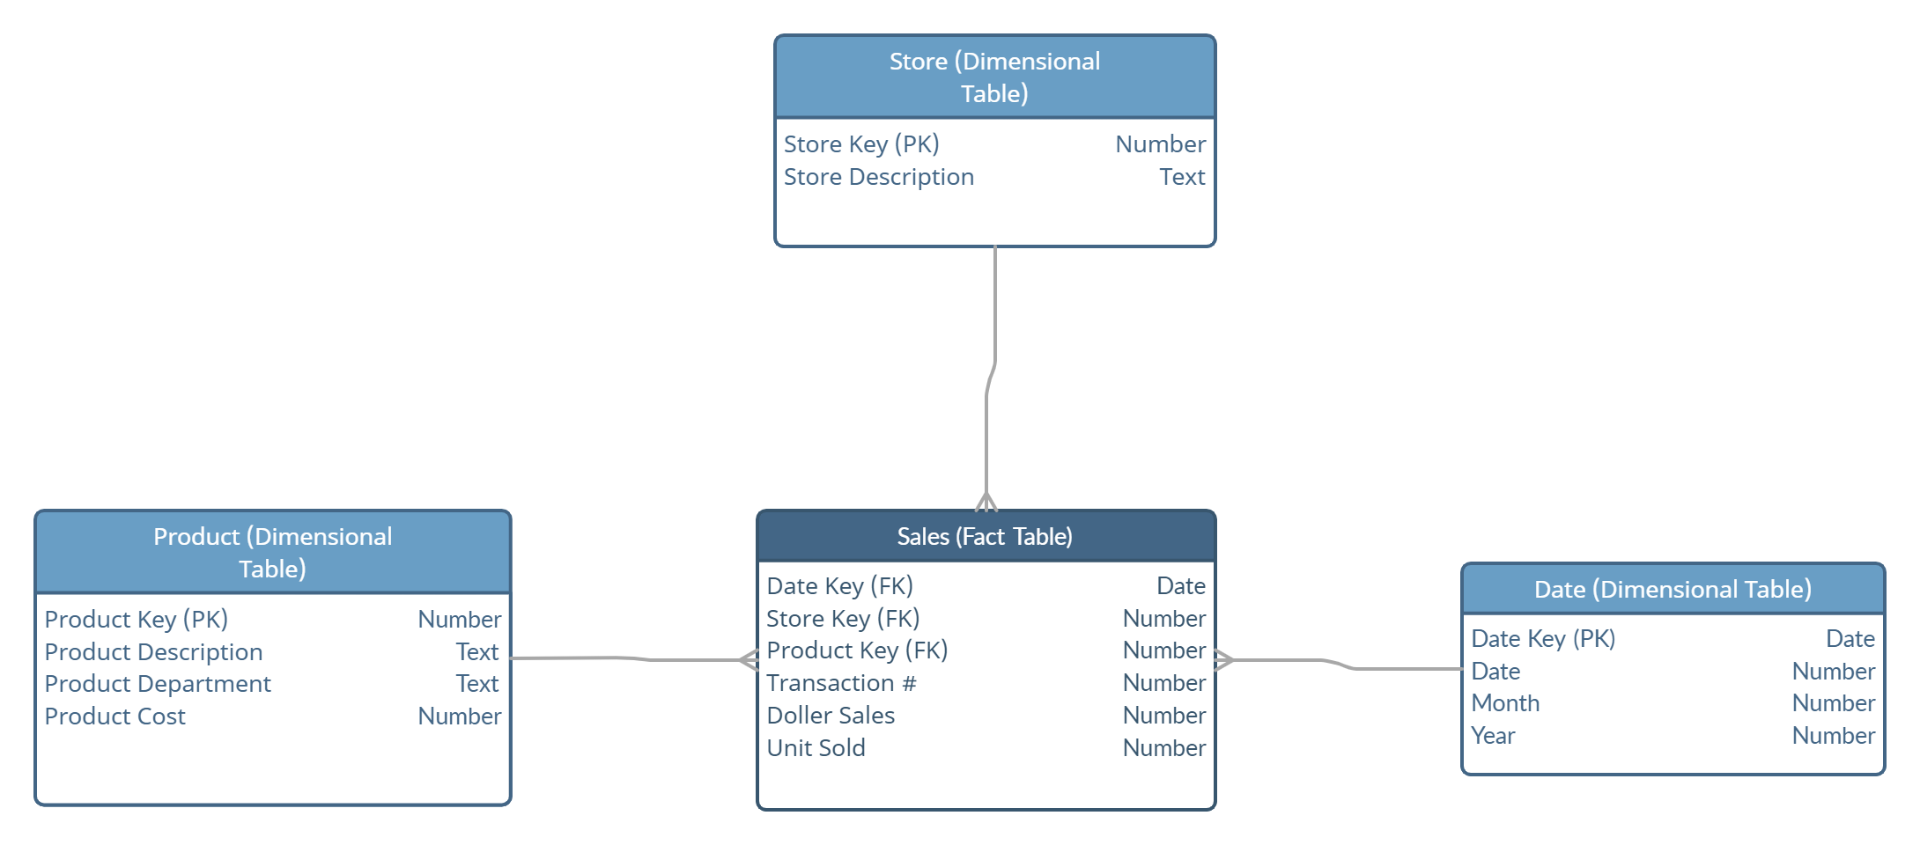

Classification Model
Juice
Immunity Booster Juice
Fruit Juice
Citrus
Sweet
With Preservative
No Preservative
With Preservative
No Preservative
60
40
20
15
25
5
15

Time Series Model
Product Key | 24

Row Labels | Sum of Units Sold
2021 | 9
Dec | 9
2022 | 74
Jan | 1
Feb | 1
Mar | 3
Apr | 23
May | 19
Jun | 10
Jul | 3
Aug | 1
Sep | 4
Nov | 3
Dec | 6
2023 | 64
Jan | 3
Mar | 5
Apr | 18
May | 15
Jun | 11
Jul | 3
Aug | 1
Sep | 4
Oct | 4
Grand Total | 147

Scatter Plot
Scatter Plot
 | Product Key
6 | 35
2 | 47
1 | 13
4 | 50
4 | 35
10 | 25
7 | 44
7 | 44
2 | 45
10 | 4
7 | 4
8 | 16
1 | 7
4 | 39
9 | 22
2 | 48
7 | 38
7 | 23
7 | 29
3 | 9
9 | 1
2 | 17
1 | 43
9 | 26
10 | 20
9 | 36
6 | 47
4 | 41
1 | 17
6 | 15
4 | 1
7 | 4
4 | 38
1 | 4
1 | 1
3 | 34
8 | 16
2 | 35
1 | 5
5 | 39
9 | 13
7 | 11
10 | 15
1 | 22
2 | 18
8 | 41
8 | 34
6 | 37
7 | 17
3 | 30
...

Apriori Model
0
Fireball Whiskey
Crackers
Club Soda
Whiskey, Crackers
Whiskey, Club Soda
Club Soda, Crackers
Whiskey, Club Soda, Crackers
Tranaction Id | Products
T541 | Fireball Whiskey, Club Soda
T548 | Fireball Whiskey, Club Soda, Filter Coffee, Tomatoes, Thyme
T551 | Fireball Whiskey, Crackers, Thyme
T563 | Fireball Whiskey, Club Soda, Beer, Bok Choy
T577 | Club Soda, Crackers, Beer
T592 | Fireball Whiskey, Crackers, Thyme, Vinegar
T598 | Fireball Whiskey, Club Soda, Beef, Mango Juice
T630 | Fireball Whiskey, Crackers, Vermouth, Bok Choy, Wine
T681 | Fireball Whiskey, Club Soda, Napkin
T740 | Fireball Whiskey, Crackers
T765 | Fireball Whiskey, Crackers
T766 | Fireball Whiskey, Club Soda, Crackers, Beer
T787 | Club Soda, Crackers, Vinegar, Tart, Rhubarb
T814 | Fireball Whiskey, Club Soda, Crackers
T821 | Fireball Whiskey, Club Soda, Crackers, Strawberries
T860 | Club Soda, Crackers, Sausage, Pineapple Juice

