BETA
Date | Adj Close GOOGL | Adj Close NFLX | Adj Close SPY | Exp ret GOOGL | Exp retNFLX | Exp ret SPY
2019-04-11 | 60.479499817 | 367.6499939 | 265.94821167
2019-04-12 | 61.136501312 | 351.14001465 | 267.74761963 | 0.010863209804 | -0.044906785046 | 0.0067660088695 | 5y Returns | Return | Risk (std.dev) |  |  |  | Description:
2019-04-15 | 61.326499939 | 348.86999512 | 267.57229614 | 0.0031077772301 | -0.0064647133239 | -0.00065480875823 | Alphabet inc. (GOOGL) | 19.01% | 32.09% |  | Daily Beta | Monthly Beta | The beta values are computed using the formula using stock prices from the period of interest:
2019-04-16 | 61.595500946 | 359.45999146 | 267.74761963 | 0.0043863746887 | 0.030355136544 | 0.00065523781369 | Netflix (NFLX) | 10.43% | 47.32% | Alphabet inc. (GOOGL) | 1.152 | 1.052
2019-04-17 | 62.006999969 | 354.73999023 | 267.09246826 | 0.006680666885 | -0.01313081103 | -0.002446898942 | Minimum Variance Portfolio | 17.42% | 31.04% | Netflix (NFLX) | 1.049 | 1.214
2019-04-18 | 62.073501587 | 360.3500061 | 267.61846924 | 0.0010724856462 | 0.015814444448 | 0.0019693590762 | Maximum Sharpe Portfolio | 19.01% | 32.08%
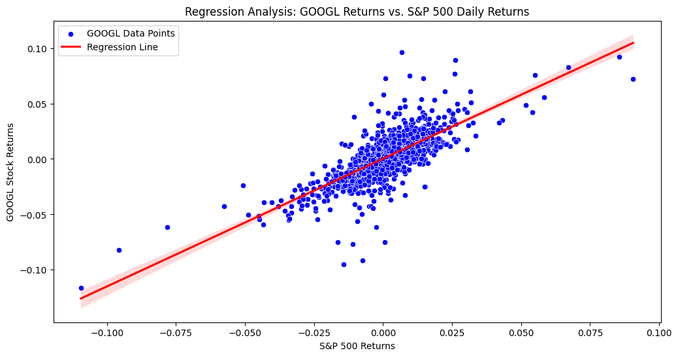
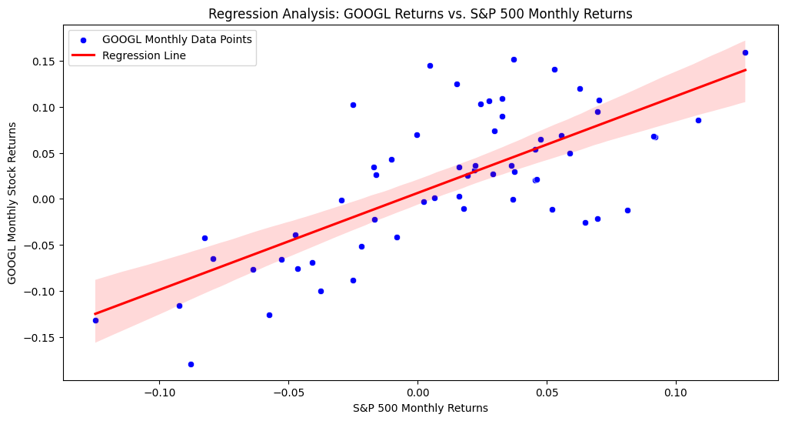
2019-04-22 | 62.687999725 | 377.33999634 | 267.84906006 | 0.0098995243174 | 0.047148577623 | 0.00086164015873
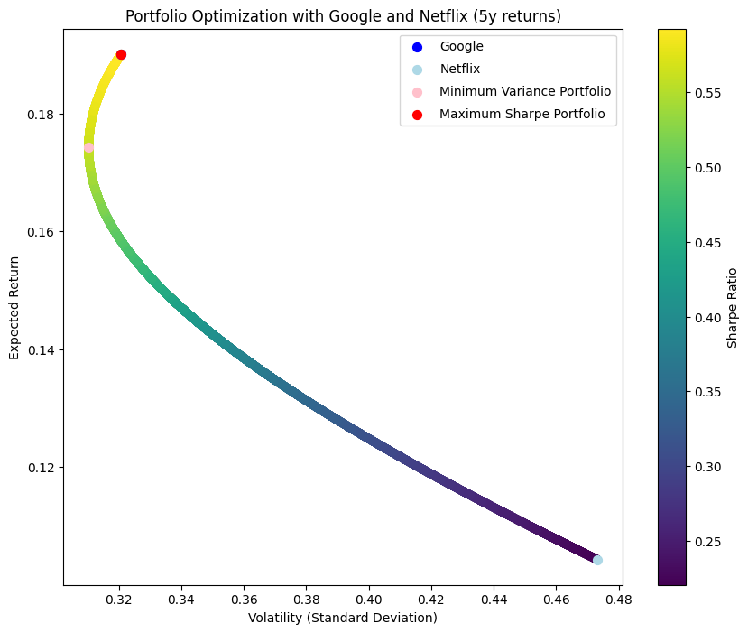
2019-04-23 | 63.529499054 | 381.89001465 | 270.25750732 | 0.013423611095 | 0.012058139489 | 0.0089918077932
2019-04-24 | 63.002498627 | 374.23001099 | 269.65768433 | -0.0082953656977 | -0.020058140743 | -0.0022194499016
2019-04-25 | 63.36700058 | 368.32998657 | 269.49163818 | 0.0057855158299 | -0.015765770357 | -0.00061576640396
2019-04-26 | 63.870998383 | 374.8500061 | 270.74664307 | 0.007953631987 | 0.017701571333 | 0.0046569344091
2019-04-29 | 64.809997559 | 371.82998657 | 271.17105103 | 0.014701495198 | -0.0080566079287 | 0.0015675465231
2019-04-30 | 59.948001862 | 370.54000854 | 271.30941772 | -0.075019223579 | -0.0034692684128 | 0.00051025616007
2019-05-01 | 58.666000366 | 378.80999756 | 269.2701416 | -0.021385224787 | 0.022318747835 | -0.0075164221727
2019-05-02 | 58.325500488 | 379.05999756 | 268.68878174 | -0.0058040411108 | 0.0006599614625 | -0.0021590208993
2019-05-03 | 59.477500916 | 385.02999878 | 271.31872559 | 0.019751230896 | 0.015749488891 | 0.0097880671855
2019-05-06 | 59.673000336 | 378.67001343 | 270.20211792 | 0.0032869474534 | -0.016518155395 | -0.0041154832332
2019-05-07 | 58.943000793 | 370.45999146 | 265.68991089 | -0.012233330621 | -0.02168120443 | -0.016699376992
2019-05-08 | 58.539001465 | 364.36999512 | 265.3208313 | -0.0068540678821 | -0.016439012251 | -0.0013891366391
2019-05-09 | 58.398498535 | 362.75 | 264.51797485 | -0.0024001593155 | -0.0044460167931 | -0.0030259834532
2019-05-10 | 58.381999969 | 361.04000854 | 265.84674072 | -0.00028251694971 | -0.0047139667955 | 0.0050233481104
2019-05-13 | 56.829498291 | 345.26000977 | 259.16601562 | -0.026592129069 | -0.043707064053 | -0.025129986847
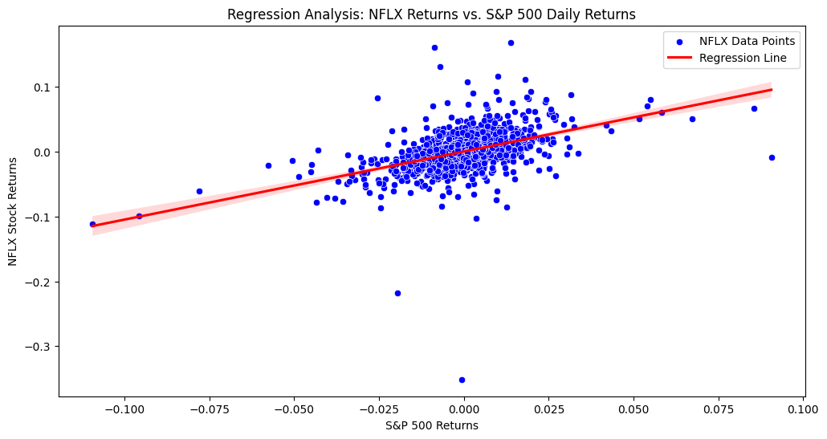
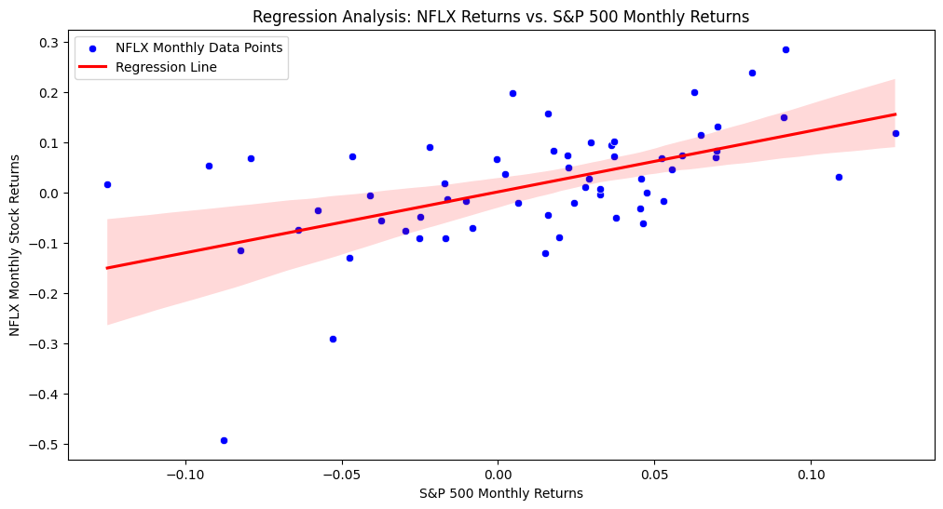
2019-05-14 | 56.243000031 | 345.60998535 | 261.50973511 | -0.010320313889 | 0.0010136580433 | 0.0090433133247
2019-05-15 | 58.540000916 | 354.98999023 | 263.04153442 | 0.040840653659 | 0.027140433669 | 0.0058575231082
2019-05-16 | 59.224998474 | 359.30999756 | 265.47772217 | 0.011701358864 | 0.01216937785 | 0.0092616086257
2019-05-17 | 58.438999176 | 354.45001221 | 263.7612915 | -0.013271411032 | -0.013525884013 | -0.0064654414316
2019-05-20 | 57.233001709 | 348.10998535 | 262.01727295 | -0.020636860385 | -0.017886942128 | -0.0066121095508
2019-05-21 | 57.722000122 | 354.26998901 | 264.37957764 | 0.0085439938232 | 0.017695567267 | 0.0090158357154
2019-05-22 | 57.792499542 | 359.73001099 | 263.56756592 | 0.001221361353 | 0.015412036418 | -0.0030713859444
2019-05-23 | 57.266998291 | 352.20999146 | 260.34707642 | -0.0090928970954 | -0.02090462097 | -0.012218838425
2019-05-24 | 56.930500031 | 354.39001465 | 260.93765259 | -0.0058759542239 | 0.0061895552263 | 0.0022684186817
2019-05-28 | 56.978000641 | 355.05999756 | 258.51080322 | 0.00083436137617 | 0.0018905242317 | -0.0093004951227
2019-05-29 | 55.997001648 | 349.19000244 | 256.77603149 | -0.017217153671 | -0.016532403418 | -0.006710635327
2019-05-30 | 56.07049942 | 351.8500061 | 257.4772644 | 0.0013125304937 | 0.007617639805 | 0.0027309126404 | 1y Returns | Return | Risk (std.dev)
2019-05-31 | 55.325000763 | 343.27999878 | 254.00772095 | -0.013295737775 | -0.024356990694 | -0.013475144942 | Alphabet inc. (GOOGL) | 39.50% | 27.35%
2019-06-03 | 51.937000275 | 336.63000488 | 253.36177063 | -0.061238146255 | -0.019371923561 | -0.0025430341841 | Netflix (NFLX) | 60.62% | 34.90%
2019-06-04 | 52.724498749 | 353.3999939 | 258.86135864 | 0.015162571384 | 0.049817273477 | 0.021706463446 | Minimum Variance Portfolio | 46.49% | 24.41%
2019-06-05 | 52.231998444 | 355.73001099 | 261.10379028 | -0.0093410144594 | 0.0065931441146 | 0.0086626743071 | Maximum Sharpe Portfolio | 50.60% | 25.46%
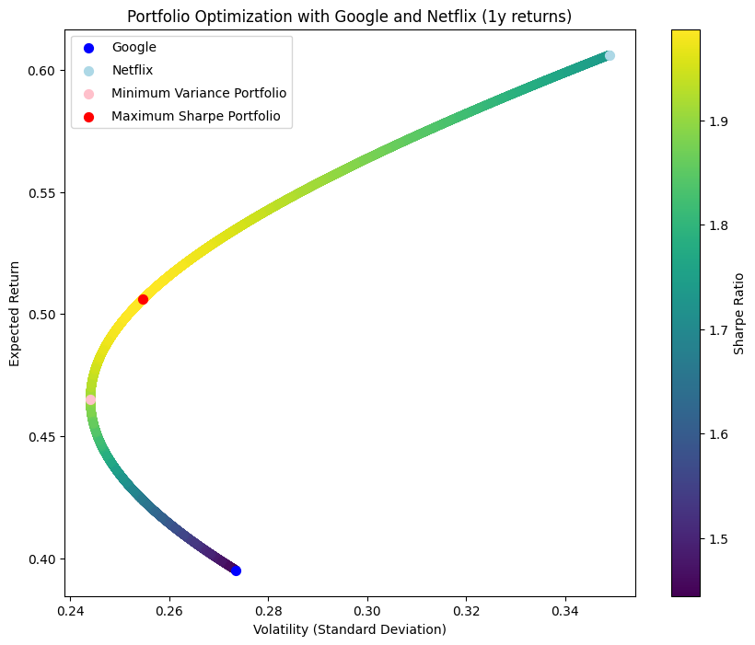
2019-06-06 | 52.388000488 | 357.13000488 | 262.80163574 | 0.0029867140704 | 0.0039355518321 | 0.0065025691781
2019-06-07 | 53.418498993 | 360.86999512 | 265.43151855 | 0.01967050651 | 0.010472349518 | 0.010007102144
2019-06-10 | 54.138000488 | 352.01000977 | 266.64956665 | 0.013469144752 | -0.024551737389 | 0.0045889354148
2019-06-11 | 54.051998138 | 351.26998901 | 266.58496094 | -0.0015885763988 | -0.0021022718997 | -0.00024228696001
2019-06-12 | 53.955001831 | 345.55999756 | 266.11428833 | -0.0017944999392 | -0.016255278372 | -0.0017655632402
2019-06-13 | 54.550498962 | 343.42999268 | 267.21237183 | 0.011036921715 | -0.0061639220334 | 0.004126360531
2019-06-14 | 54.314998627 | 339.73001099 | 266.91714478 | -0.0043171069041 | -0.01077361258 | -0.0011048405011
2019-06-17 | 54.694499969 | 350.61999512 | 267.01864624 | 0.0069870450588 | 0.032054819353 | 0.00038027330515
2019-06-18 | 55.262001038 | 357.11999512 | 269.81460571 | 0.010375834287 | 0.018538589044 | 0.010471027069
2019-06-19 | 55.225498199 | 363.51998901 | 270.42367554 | -0.00066054137471 | 0.017921130107 | 0.0022573641727
2019-06-20 | 55.659999847 | 365.20999146 | 273.0072937 | 0.0078677723536 | 0.0046489945326 | 0.0095539643817
2019-06-21 | 56.268501282 | 369.20999146 | 272.6104126 | 0.010932472799 | 0.010952602868 | -0.0014537380966
2019-06-24 | 55.834999084 | 371.04000854 | 272.27667236 | -0.0077041717371 | 0.0049565752071 | -0.0012242387633
2019-06-25 | 54.379001617 | 360.29998779 | 269.60623169 | -0.02607678859 | -0.028945721498 | -0.0098078202978
2019-06-26 | 54.01599884 | 362.20001221 | 269.33737183 | -0.006675421878 | 0.0052734512307 | -0.00099723163518
2019-06-27 | 53.831501007 | 370.01998901 | 270.29232788 | -0.0034156145811 | 0.02159021685 | 0.0035455757521
2019-06-28 | 54.13999939 | 367.32000732 | 271.68322754 | 0.0057308151695 | -0.0072968536015 | 0.0051459087615
2019-07-01 | 55 | 374.6000061 | 274.14968872 | 0.015884754711 | 0.01981922747 | 0.0090784447902
2019-07-02 | 55.630001068 | 375.42999268 | 274.86358643 | 0.011454564875 | 0.0022156608616 | 0.002604043464
2019-07-03 | 56.149501801 | 381.72000122 | 277.06124878 | 0.0093384994148 | 0.016754145027 | 0.0079954656129
2019-07-05 | 56.633499146 | 380.54998779 | 276.74597168 | 0.0086197976732 | -0.0030651090433 | -0.0011379328614
2019-07-08 | 55.839500427 | 376.16000366 | 275.22531128 | -0.014019948092 | -0.011535893501 | -0.0054947878416
2019-07-09 | 56.214500427 | 379.92999268 | 275.56838989 | 0.0067156761277 | 0.010022301619 | 0.0012465372886
2019-07-10 | 57.045501709 | 381 | 276.8850708 | 0.014782685525 | 0.0028163275994 | 0.0047780549457
2019-07-11 | 57.203998566 | 379.5 | 277.53414917 | 0.0027784286568 | -0.003937007874 | 0.0023442158411
2019-07-12 | 57.266998291 | 373.25 | 278.77664185 | 0.0011013168121 | -0.016469038208 | 0.0044769001562
2019-07-15 | 57.525501251 | 366.6000061 | 278.86938477 | 0.0045139952838 | -0.01781646054 | 0.00033267823053
2019-07-16 | 57.673000336 | 365.98999023 | 277.96990967 | 0.0025640643065 | -0.0016639821576 | -0.0032254350846
2019-07-17 | 57.337001801 | 362.44000244 | 276.07833862 | -0.0058259243181 | -0.0096996854769 | -0.00680494895
2019-07-18 | 57.361999512 | 325.20999146 | 277.08908081 | 0.00043597869433 | -0.1027204799 | 0.003661070233
2019-07-19 | 56.57749939 | 315.1000061 | 275.54989624 | -0.013676303629 | -0.031087560706 | -0.00555483661
2019-07-22 | 56.96049881 | 310.61999512 | 276.22677612 | 0.0067694653227 | -0.014217743255 | 0.0024564693801
2019-07-23 | 57.402500153 | 307.29998779 | 278.20178223 | 0.0077597870807 | -0.010688324565 | 0.0071499444451
2019-07-24 | 56.986499786 | 317.94000244 | 279.50918579 | -0.007247077481 | 0.034624194829 | 0.0046994794713
2019-07-25 | 56.797000885 | 326.45999146 | 278.17391968 | -0.0033253297198 | 0.026797474203 | -0.0047771815066
2019-07-26 | 62.261001587 | 335.77999878 | 280.03771973 | 0.096202275063 | 0.028548696833 | 0.0067001250548
2019-07-29 | 62.091999054 | 332.70001221 | 279.52774048 | -0.002714420402 | -0.0091726326269 | -0.0018211091297
2019-07-30 | 61.400001526 | 325.92999268 | 278.84161377 | -0.011144713306 | -0.020348720417 | -0.0024545925489
2019-07-31 | 60.909999847 | 322.98999023 | 275.79101562 | -0.0079804831643 | -0.0090203494845 | -0.01094025423
2019-08-01 | 60.589000702 | 319.5 | 273.38928223 | -0.0052700565804 | -0.010805258181 | -0.0087085266102
2019-08-02 | 59.816001892 | 318.82998657 | 271.33084106 | -0.012758071611 | -0.0020970686314 | -0.0075293411115
2019-08-05 | 57.737499237 | 307.63000488 | 263.17108154 | -0.034748271186 | -0.035128382402 | -0.030073100019
2019-08-06 | 58.554000854 | 310.1000061 | 266.86151123 | 0.014141617289 | 0.0080291297386 | 0.014022930125
2019-08-07 | 58.795501709 | 304.29000854 | 267.01922607 | 0.0041244125246 | -0.018735883406 | 0.00059099884065
2019-08-08 | 60.309501648 | 315.8999939 | 272.25817871 | 0.025750268217 | 0.038154342981 | 0.019620132654
2019-08-09 | 59.444999695 | 308.92999268 | 270.40368652 | -0.014334423756 | -0.022063948577 | -0.0068115205805
2019-08-12 | 58.724998474 | 310.82998657 | 267.11184692 | -0.012112056933 | 0.0061502409657 | -0.012173797044
2019-08-13 | 59.83649826 | 312.27999878 | 271.26599121 | 0.018927199919 | 0.0046649688565 | 0.015552078034
2019-08-14 | 58.212501526 | 299.10998535 | 263.24526978 | -0.027140571087 | -0.042173733442 | -0.029567736817
2019-08-15 | 58.465999603 | 295.76000977 | 263.94067383 | 0.0043547016663 | -0.011199811942 | 0.0026416583034
2019-08-16 | 58.96049881 | 302.79998779 | 267.83517456 | 0.0084578936459 | 0.023803008503 | 0.01475521251
2019-08-19 | 60.021999359 | 309.38000488 | 271.0619812 | 0.018003588347 | 0.021730572507 | 0.012047732886
2019-08-20 | 59.176498413 | 298.98999023 | 268.98492432 | -0.014086517528 | -0.033583342441 | -0.0076626639987
2019-08-21 | 59.578998566 | 297.80999756 | 271.17330933 | 0.0068016892412 | -0.0039465959207 | 0.0081357162128
2019-08-22 | 59.576000214 | 296.92999268 | 271.0897522 | -5.032565372E-05 | -0.0029549205535 | -0.00030813183316
2019-08-23 | 57.679000854 | 291.44000244 | 264.1262207 | -0.031841670343 | -0.018489173778 | -0.025687180861
2019-08-26 | 58.558998108 | 294.98001099 | 267.04702759 | 0.015256804736 | 0.012146611705 | 0.011058375337
2019-08-27 | 58.541000366 | 291.02999878 | 265.99920654 | -0.00030734374359 | -0.013390779239 | -0.0039237322894
2019-08-28 | 58.6875 | 291.76998901 | 267.87234497 | 0.0025025133304 | 0.0025426596484 | 0.0070418947939
2019-08-29 | 59.712001801 | 296.77999878 | 271.29379272 | 0.01745689969 | 0.017171093513 | 0.01277268004
2019-08-30 | 59.526500702 | 293.75 | 271.17330933 | -0.0031065965474 | -0.010209578785 | -0.00044410672735
2019-09-03 | 58.477500916 | 289.29000854 | 269.587677 | -0.017622399671 | -0.015182949634 | -0.0058473023328
2019-09-04 | 59.113498688 | 291.51998901 | 272.64758301 | 0.010875939674 | 0.0077084600328 | 0.01135031853
2019-09-05 | 60.609500885 | 293.25 | 276.15258789 | 0.025307285653 | 0.0059344506433 | 0.012855440874
2019-09-06 | 60.316001892 | 290.17001343 | 276.36581421 | -0.0048424585029 | -0.010502938013 | 0.00077213224757
2019-09-09 | 60.263500214 | 294.33999634 | 276.50488281 | -0.00087044361065 | 0.014370826471 | 0.00050320479729
2019-09-10 | 60.284999847 | 287.98999023 | 276.44000244 | 0.00035676045555 | -0.021573711295 | -0.00023464457638
2019-09-11 | 61 | 288.26998901 | 278.40570068 | 0.01186033266 | 0.00097225177538 | 0.0071107590248
2019-09-12 | 61.748500824 | 288.85998535 | 279.37008667 | 0.012270505311 | 0.0020466797113 | 0.0034639591932
2019-09-13 | 62.001499176 | 294.1499939 | 279.18466187 | 0.0040972387779 | 0.018313400309 | -0.00066372462026
2019-09-16 | 61.581501007 | 294.29000854 | 278.32229614 | -0.0067740002182 | 0.00047599745485 | -0.0030888721354
2019-09-17 | 61.493999481 | 298.6000061 | 279.02703857 | -0.0014209060261 | 0.014645409064 | 0.0025321091462
2019-09-18 | 61.632499695 | 291.55999756 | 279.19390869 | 0.0022522557451 | -0.02357671936 | 0.00059804282065
2019-09-19 | 61.9375 | 286.6000061 | 279.17541504 | 0.0049486927625 | -0.017011906629 | -6.6239454974E-05
2019-09-20 | 61.49200058 | 270.75 | 277.85638428 | -0.0071927252499 | -0.055303579086 | -0.0047247382494
2019-09-23 | 61.734500885 | 265.92001343 | 277.7911377 | 0.0039436073455 | -0.017839285585 | -0.0002348212448
2019-09-24 | 60.916500092 | 254.58999634 | 275.61135864 | -0.013250302209 | -0.042606861153 | -0.0078468271912
2019-09-25 | 62.297000885 | 264.75 | 277.24145508 | 0.022662181698 | 0.039907316895 | 0.0059144748009
2019-09-26 | 62.114498138 | 263.30999756 | 276.66400146 | -0.0029295591118 | -0.005439102706 | -0.0020828545036
2019-09-27 | 61.29750061 | 263.07998657 | 275.17352295 | -0.013153089095 | -0.00087353685185 | -0.0053873236407
2019-09-30 | 61.056999207 | 267.61999512 | 276.449646 | -0.0039235107698 | 0.017257141465 | 0.0046375212019
2019-10-01 | 60.299999237 | 269.57998657 | 273.16143799 | -0.012398250476 | 0.0073237855573 | -0.011894419311
2019-10-02 | 58.895999908 | 268.02999878 | 268.33615112 | -0.02328357125 | -0.0057496396994 | -0.017664597539
2019-10-03 | 59.471500397 | 268.1499939 | 270.5345459 | 0.0097714698651 | 0.00044769286175 | 0.0081926895284
2019-10-04 | 60.548000336 | 272.79000854 | 274.19543457 | 0.018101106106 | 0.017303802924 | 0.013532056173
2019-10-07 | 60.412498474 | 274.45999146 | 273.01235962 | -0.0022379246353 | 0.0061218624504 | -0.0043147142586
2019-10-08 | 59.506500244 | 270.72000122 | 268.77389526 | -0.014996867418 | -0.013626722841 | -0.0155248076
2019-10-09 | 60.119998932 | 267.52999878 | 271.32632446 | 0.010309775995 | -0.0117834014 | 0.0094965666093
2019-10-10 | 60.473499298 | 280.48001099 | 273.16143799 | 0.0058799130488 | 0.048405832116 | 0.0067634923704
2019-10-11 | 60.785499573 | 282.92999268 | 275.99328613 | 0.005159289247 | 0.0087349600452 | 0.010366939658
2019-10-14 | 60.888500214 | 285.52999878 | 275.68588257 | 0.0016944936143 | 0.0091895739965 | -0.0011138081247
2019-10-15 | 62.111999512 | 284.25 | 278.41525269 | 0.020094094842 | -0.0044828872089 | 0.0099002897492
2019-10-16 | 62.150001526 | 286.27999878 | 277.96817017 | 0.00061183047493 | 0.0071415964091 | -0.0016058118771
2019-10-17 | 62.63999939 | 293.3500061 | 278.7878418 | 0.0078841166812 | 0.024696127408 | 0.0029487967287
2019-10-18 | 62.220500946 | 275.29998779 | 277.56756592 | -0.0066969739414 | -0.061530655991 | -0.0043770771029
2019-10-21 | 62.214000702 | 278.04998779 | 279.44924927 | -0.00010447109943 | 0.0099891032399 | 0.0067791902969
2019-10-22 | 62.060001373 | 266.69000244 | 278.53637695 | -0.0024753162773 | -0.040855910269 | -0.0032666837247
2019-10-23 | 62.881500244 | 271.26998901 | 279.34677124 | 0.013237171329 | 0.017173446812 | 0.0029094737857
2019-10-24 | 62.955501556 | 271.5 | 279.80325317 | 0.0011768375749 | 0.00084790428593 | 0.0016341049212
2019-10-25 | 63.215000153 | 276.82000732 | 280.94906616 | 0.0041219367613 | 0.019594870439 | 0.0040950667131
2019-10-28 | 64.448997498 | 281.85998535 | 282.53253174 | 0.019520641335 | 0.01820669711 | 0.0056361304125
2019-10-29 | 63.033000946 | 281.20999146 | 282.4487915 | -0.021970808026 | -0.0023060878814 | -0.00029639147697
2019-10-30 | 63.034999847 | 291.45001221 | 283.31515503 | 3.1711981616E-05 | 0.03641414268 | 0.003067329553
2019-10-31 | 62.939998627 | 287.41000366 | 282.56057739 | -0.0015071185997 | -0.013861754592 | -0.0026633860679
2019-11-01 | 63.612499237 | 286.80999756 | 285.17816162 | 0.010684789085 | -0.0020876312441 | 0.0092637984133
2019-11-04 | 64.480499268 | 292.85998535 | 286.32391357 | 0.013645117562 | 0.021094061729 | 0.0040176707312
2019-11-05 | 64.571998596 | 288.02999878 | 286.00720215 | 0.0014190232652 | -0.016492476999 | -0.0011061298437
2019-11-06 | 64.550498962 | 288.58999634 | 286.07241821 | -0.00033295599109 | 0.0019442334513 | 0.00022802245525
2019-11-07 | 65.347000122 | 289.57000732 | 287.07846069 | 0.012339194467 | 0.0033958591731 | 0.0035167405748
2019-11-08 | 65.449996948 | 291.57000732 | 287.78640747 | 0.001576152325 | 0.0069067926561 | 0.0024660393386
2019-11-11 | 64.914001465 | 294.17999268 | 287.23678589 | -0.0081893889746 | 0.0089514877594 | -0.0019098246747
2019-11-12 | 64.860496521 | 292.01000977 | 287.84228516 | -0.00082424350125 | -0.007376378286 | 0.0021080143537
2019-11-13 | 64.808998108 | 283.10998535 | 287.9354248 | -0.00079398733972 | -0.030478490861 | 0.00032357875559
2019-11-14 | 65.457496643 | 289.61999512 | 288.35470581 | 0.010006303972 | 0.022994631424 | 0.001456163326
2019-11-15 | 66.677001953 | 295.02999878 | 290.44122314 | 0.018630491122 | 0.018679662155 | 0.0072359399446
2019-11-18 | 65.991996765 | 302.57000732 | 290.6555481 | -0.010273485129 | 0.025556752114 | 0.00073792882722
2019-11-19 | 65.629501343 | 302.6000061 | 290.57168579 | -0.0054930209742 | 9.9146572927E-05 | -0.00028852814005
2019-11-20 | 65.093002319 | 305.16000366 | 289.49111938 | -0.0081746624987 | 0.00846000498 | -0.0037187601514
2019-11-21 | 65.007003784 | 311.69000244 | 289.02536011 | -0.001321164059 | 0.021398606308 | -0.0016088896901
2019-11-22 | 64.683502197 | 310.48001099 | 289.6680603 | -0.0049764112801 | -0.0038820348603 | 0.0022236809776
2019-11-25 | 65.281997681 | 315.54998779 | 291.91311646 | 0.009252675923 | 0.016329478959 | 0.0077504442499
2019-11-26 | 65.650001526 | 312.48999023 | 292.57440186 | 0.0056371412991 | -0.0096973464648 | 0.0022653500755
2019-11-27 | 65.606498718 | 315.92999268 | 293.87869263 | -0.00066264747306 | 0.011008360424 | 0.0044579797932
2019-11-29 | 65.204498291 | 314.66000366 | 292.78872681 | -0.0061274482727 | -0.0040198431397 | -0.0037088970642
2019-12-02 | 64.443000793 | 309.98999023 | 290.30154419 | -0.011678603739 | -0.014841458633 | -0.0084948032129
2019-12-03 | 64.736999512 | 306.16000366 | 288.35470581 | 0.0045621512754 | -0.012355194338 | -0.0067062625669
2019-12-04 | 65.946998596 | 304.32000732 | 290.13378906 | 0.018690997321 | -0.0060099174153 | 0.0061697736021
2019-12-05 | 66.347999573 | 302.85998535 | 290.6555481 | 0.0060806554521 | -0.0047976535802 | 0.0017983394312
2019-12-06 | 66.969497681 | 307.3500061 | 293.3104248 | 0.0093672471199 | 0.014825401074 | 0.0091340995428
2019-12-09 | 67.149497986 | 302.5 | 292.38821411 | 0.0026877953607 | -0.015780074857 | -0.0031441456401
2019-12-10 | 67.144500732 | 293.11999512 | 292.06216431 | -7.4419817986E-05 | -0.031008280604 | -0.0011151263592
2019-12-11 | 67.212501526 | 298.92999268 | 292.89120483 | 0.0010127529837 | 0.019821225626 | 0.0028385755797
2019-12-12 | 67.424499512 | 298.44000244 | 295.41567993 | 0.003154145152 | -0.0016391471126 | 0.008619156383
2019-12-13 | 67.34349823 | 298.5 | 295.59268188 | -0.0012013627439 | 0.00020103725406 | 0.00059916235037
2019-12-16 | 68.035003662 | 304.20999146 | 297.62335205 | 0.010268332509 | 0.019128949598 | 0.0068698255757
2019-12-17 | 67.744499207 | 315.48001099 | 297.68862915 | -0.0042699263604 | 0.037046842141 | 0.00021932788257
2019-12-18 | 67.595497131 | 320.79998779 | 297.70718384 | -0.0021994712034 | 0.01686311849 | 6.2329177816E-05
2019-12-19 | 67.821998596 | 332.22000122 | 298.92749023 | 0.0033508365861 | 0.035598546952 | 0.0040990156191
2019-12-20 | 67.560997009 | 336.8999939 | 300.23806763 | -0.0038483322862 | 0.014087028651 | 0.0043842651994
2019-12-23 | 67.53150177 | 333.1000061 | 300.69680786 | -0.00043657199514 | -0.011279275339 | 0.001527921619
2019-12-24 | 67.221496582 | 333.20001221 | 300.70614624 | -0.0045905270853 | 0.00030022846497 | 3.105579661E-05
2019-12-26 | 68.123497009 | 332.63000488 | 302.30685425 | 0.01341833302 | -0.0017107061925 | 0.0053231635862
2019-12-27 | 67.732002258 | 329.08999634 | 302.23196411 | -0.0057468387291 | -0.010642481114 | -0.00024772887438
2019-12-30 | 66.985496521 | 323.30999756 | 300.56567383 | -0.011021462712 | -0.017563580916 | -0.0055132827797
2019-12-31 | 66.969497681 | 323.57000732 | 301.29580688 | -0.00023884036341 | 0.00080421195629 | 0.0024291964127
2020-01-02 | 68.433998108 | 329.80999756 | 304.11349487 | 0.021868171003 | 0.019284822737 | 0.0093518991101
2020-01-03 | 68.075996399 | 325.8999939 | 301.81072998 | -0.0052313428834 | -0.011855321825 | -0.0075720575752
2020-01-06 | 69.89050293 | 335.82998657 | 302.96212769 | 0.02665413107 | 0.030469447259 | 0.0038149661053
2020-01-07 | 69.755500793 | 330.75 | 302.11029053 | -0.0019316234763 | -0.015126661631 | -0.0028116951934
2020-01-08 | 70.251998901 | 339.26000977 | 303.72036743 | 0.0071176911106 | 0.025729432398 | 0.0053294341662
2020-01-09 | 70.989501953 | 335.66000366 | 305.77975464 | 0.010497965372 | -0.010611348228 | 0.0067805370593
2020-01-10 | 71.447998047 | 329.04998779 | 304.89987183 | 0.0064586464355 | -0.019692593091 | -0.0028775051296
2020-01-13 | 72.001502991 | 338.92001343 | 306.99679565 | 0.007746962252 | 0.02999552044 | 0.0068774178735
2020-01-14 | 71.529502869 | 338.69000244 | 306.52874756 | -0.0065554204074 | -0.00067865861329 | -0.0015246025442
2020-01-15 | 71.959999084 | 339.07000732 | 307.22143555 | 0.0060184427202 | 0.0011219843517 | 0.0022597814848
2020-01-16 | 72.508003235 | 338.61999512 | 309.77703857 | 0.0076153996298 | -0.0013271955564 | 0.0083184398341
2020-01-17 | 73.975997925 | 339.67001343 | 310.74118042 | 0.020245967679 | 0.003100875098 | 0.0031123734998
2020-01-21 | 74.112503052 | 338.10998535 | 310.13262939 | 0.001845262393 | -0.0045927753835 | -0.001958385511
2020-01-22 | 74.193496704 | 326 | 310.17007446 | 0.0010928473471 | -0.035816704257 | 0.00012073888656
2020-01-23 | 74.23449707 | 349.6000061 | 310.52587891 | 0.00055261401649 | 0.072392656759 | 0.0011471269238
2020-01-24 | 73.308502197 | 353.16000366 | 307.76434326 | -0.012473915896 | 0.0101830592 | -0.008893093401
2020-01-27 | 71.586502075 | 342.88000488 | 302.83105469 | -0.023489773634 | -0.029108615564 | -0.016029435125
2020-01-28 | 72.525001526 | 348.51998901 | 306.0045166 | 0.013110005706 | 0.01644885689 | 0.01047931467
2020-01-29 | 72.834999084 | 343.16000366 | 305.75167847 | 0.0042743543891 | -0.015379276714 | -0.00082625621861
2020-01-30 | 72.712501526 | 347.73999023 | 306.74407959 | -0.0016818502112 | 0.013346504614 | 0.0032457748982
2020-01-31 | 71.638999939 | 345.08999634 | 301.17419434 | -0.014763645376 | -0.0076206187695 | -0.018158085598
2020-02-03 | 74.129997253 | 358 | 303.41140747 | 0.034771525518 | 0.037410541595 | 0.0074283028787
2020-02-04 | 72.270500183 | 369.01000977 | 308.03585815 | -0.025084272753 | 0.030754217222 | 0.015241518841
2020-02-05 | 72.302497864 | 369.67001343 | 311.5930481 | 0.0004427488475 | 0.0017885792923 | 0.011547973547
2020-02-06 | 73.798500061 | 366.95001221 | 312.64141846 | 0.020690878482 | -0.0073579168499 | 0.0033645499081
2020-02-07 | 73.955497742 | 366.76998901 | 310.97518921 | 0.0021273830841 | -0.00049059323442 | -0.005329521777
2020-02-10 | 75.432998657 | 371.07000732 | 313.29672241 | 0.019978243141 | 0.011724018975 | 0.0074653325528
2020-02-11 | 75.502998352 | 373.69000244 | 313.83972168 | 0.00092797179047 | 0.0070606491106 | 0.0017331788963
2020-02-12 | 75.931503296 | 380.01000977 | 315.86172485 | 0.005675336784 | 0.016912433522 | 0.0064427892142
2020-02-13 | 75.669502258 | 381.3999939 | 315.52474976 | -0.0034504919069 | 0.0036577566252 | -0.0010668437203
2020-02-14 | 75.936500549 | 380.3999939 | 316.0302124 | 0.0035284795465 | -0.0026219192868 | 0.0016019746371
2020-02-18 | 75.972000122 | 387.77999878 | 315.21575928 | 0.00046749023852 | 0.019400644062 | -0.0025771369098
2020-02-19 | 76.243499756 | 386.19000244 | 316.72293091 | 0.0035736802158 | -0.0041002536049 | 0.0047813968258
2020-02-20 | 75.849502563 | 386 | 315.42175293 | -0.0051676168282 | -0.00049199212876 | -0.0041082531498
2020-02-21 | 74.172996521 | 380.07000732 | 312.17340088 | -0.022103059161 | -0.015362675326 | -0.01029844017
2020-02-24 | 70.992996216 | 368.70001221 | 301.82012939 | -0.042872749576 | -0.02991552845 | -0.033165130198
2020-02-25 | 69.316001892 | 360.08999634 | 292.67428589 | -0.023621968548 | -0.023352361226 | -0.030302298008
2020-02-26 | 69.523498535 | 379.23999023 | 291.5977478 | 0.0029934883346 | 0.053181132748 | -0.0036782803883
2020-02-27 | 65.747497559 | 371.70999146 | 278.50167847 | -0.054312585761 | -0.019855497767 | -0.044911421417
2020-02-28 | 66.962501526 | 369.02999878 | 277.33148193 | 0.018479851134 | -0.0072099021748 | -0.0042017575608
2020-03-02 | 69.316001892 | 381.04998779 | 289.3416748 | 0.035146541909 | 0.032571847962 | 0.043306273011
2020-03-03 | 66.886001587 | 368.76998901 | 281.05718994 | -0.035056844579 | -0.032226739726 | -0.028632186735
2020-03-04 | 69.080001831 | 383.79000854 | 292.87094116 | 0.032802084025 | 0.040730048482 | 0.042033264558
2020-03-05 | 65.737998962 | 372.77999878 | 283.13531494 | -0.048378731617 | -0.028687588318 | -0.033242035492
2020-03-06 | 64.787002563 | 368.97000122 | 278.45474243 | -0.014466464053 | -0.010220498876 | -0.016531221161
2020-03-09 | 60.78950119 | 346.48999023 | 256.70898438 | -0.061702212097 | -0.060926392151 | -0.078094407252
2020-03-10 | 63.758499146 | 364.13000488 | 269.99243164 | 0.048840636906 | 0.050910603901 | 0.051745159204
2020-03-11 | 60.544998169 | 349.92001343 | 256.83071899 | -0.05040113898 | -0.039024500218 | -0.048748450342
2020-03-12 | 55.57749939 | 315.25 | 232.25787354 | -0.082046394079 | -0.099079824238 | -0.095677205419
2020-03-13 | 60.713500977 | 336.29998779 | 252.11268616 | 0.092411527027 | 0.066772364133 | 0.085486069083
2020-03-16 | 53.650001526 | 298.83999634 | 224.52560425 | -0.11634149468 | -0.11138861973 | -0.1094236166
2020-03-17 | 55.902999878 | 319.75 | 236.64819336 | 0.04199437629 | 0.069970565916 | 0.053992011966
2020-03-18 | 54.559501648 | 315.47000122 | 224.66600037 | -0.024032667887 | -0.013385453571 | -0.050632936694
2020-03-19 | 55.583499908 | 332.02999878 | 225.14343262 | 0.018768467995 | 0.052493097583 | 0.0021250756688
2020-03-20 | 53.410499573 | 332.82998657 | 215.44108582 | -0.039094341653 | 0.0024093840795 | -0.043094069807
2020-03-23 | 52.706501007 | 360.26998901 | 209.93260193 | -0.013180902094 | 0.082444501843 | -0.025568400131
2020-03-24 | 56.500499725 | 357.32000732 | 228.95320129 | 0.071983505749 | -0.0081882526422 | 0.090603361224
2020-03-25 | 55.081001282 | 342.39001465 | 232.38064575 | -0.025123644047 | -0.041783254141 | 0.014970065667
2020-03-26 | 58.145999908 | 362.98999023 | 245.9493103 | 0.055645296116 | 0.060165234687 | 0.058389822039
2020-03-27 | 55.513000488 | 357.11999512 | 238.62353516 | -0.045282554678 | -0.01617123137 | -0.029785711281
2020-03-30 | 57.315498352 | 370.95999146 | 246.3730011 | 0.032469833155 | 0.038754470562 | 0.032475698331
2020-03-31 | 58.097499847 | 375.5 | 242.70075989 | 0.013643805216 | 0.012238539599 | -0.014905209559
2020-04-01 | 55.104999542 | 364.07998657 | 231.77801514 | -0.051508245846 | -0.030412818716 | -0.045004987854
2020-04-02 | 55.851501465 | 370.07998657 | 237.12640381 | 0.013546900078 | 0.016479895136 | 0.023075478788
2020-04-03 | 54.634998322 | 361.76000977 | 233.69894409 | -0.021781028467 | -0.022481563739 | -0.014454146235
2020-04-06 | 59.159500122 | 379.95999146 | 249.39562988 | 0.082813250472 | 0.05030954555 | 0.06716626749
2020-04-07 | 59.127998352 | 372.27999878 | 249.64984131 | -0.00053248877956 | -0.020212635142 | 0.0010193098648
2020-04-08 | 60.349998474 | 371.11999512 | 258.03024292 | 0.020667030106 | -0.0031159440902 | 0.033568623827
2020-04-09 | 60.32849884 | 370.72000122 | 261.95672607 | -0.00035624911902 | -0.0010778020633 | 0.015217143192
2020-04-13 | 60.520500183 | 396.72000122 | 259.56503296 | 0.0031825977186 | 0.070133793468 | -0.0091301076749
2020-04-14 | 63.261501312 | 413.54998779 | 267.22033691 | 0.045290457297 | 0.042422833536 | 0.029492816763
2020-04-15 | 62.865001678 | 426.75 | 261.54241943 | -0.0062676292147 | 0.031918782727 | -0.021248073953
2020-04-16 | 62.871498108 | 439.17001343 | 262.80419922 | 0.00010333936642 | 0.029103722151 | 0.0048243791118
2020-04-17 | 63.950000763 | 422.95999146 | 269.90402222 | 0.017154079153 | -0.036910584687 | 0.02701563757
2020-04-20 | 63.057498932 | 437.48999023 | 265.14880371 | -0.01395624426 | 0.034353128128 | -0.017618183185
2020-04-21 | 60.608001709 | 433.82998657 | 257.09805298 | -0.038845454774 | -0.0083659140639 | -0.030363141827
2020-04-22 | 62.920501709 | 421.42001343 | 262.80419922 | 0.038155027963 | -0.028605614016 | 0.022194435835
2020-04-23 | 63.558498383 | 426.70001221 | 262.78540039 | 0.010139726421 | 0.012529065092 | -7.1531688538E-05
2020-04-24 | 63.830001831 | 424.98999023 | 266.44827271 | 0.0042717096123 | -0.0040075507939 | 0.013938644647
2020-04-27 | 63.542999268 | 421.38000488 | 270.29003906 | -0.0044963583776 | -0.0084942832408 | 0.01441843221
2020-04-28 | 61.629501343 | 403.82998657 | 269.04711914 | -0.03011343416 | -0.041648910976 | -0.0045984673582
2020-04-29 | 67.10900116 | 411.89001465 | 276.090271 | 0.088910338353 | 0.019958963782 | 0.026178135183
2020-04-30 | 67.334999084 | 419.8500061 | 273.51977539 | 0.0033676246241 | 0.01932552665 | -0.0093103447514
2020-05-01 | 65.865997314 | 415.26998901 | 266.27871704 | -0.021816318259 | -0.0109086984 | -0.026473619099
2020-05-04 | 66.144996643 | 428.1499939 | 267.01321411 | 0.0042358628122 | 0.031015978095 | 0.002758376931
2020-05-05 | 67.450996399 | 424.67999268 | 269.48022461 | 0.019744498029 | -0.0081046391923 | 0.0092392824312
2020-05-06 | 67.271499634 | 434.26000977 | 267.65350342 | -0.0026611432702 | 0.02255820207 | -0.0067786836457
2020-05-07 | 68.463996887 | 436.52999878 | 270.88317871 | 0.017726634012 | 0.0052272577779 | 0.012066628128
2020-05-08 | 69.217002869 | 435.54998779 | 275.36532593 | 0.01099856882 | -0.0022450026094 | 0.016546421369
2020-05-11 | 70.179496765 | 440.51998901 | 275.421875 | 0.01390545468 | 0.011410862955 | 0.0002053601777
2020-05-12 | 68.759002686 | 431.82000732 | 269.93222046 | -0.020240870127 | -0.019749346015 | -0.019931802951
2020-05-13 | 67.416496277 | 438.26998901 | 265.15817261 | -0.019524809207 | 0.014936736557 | -0.017686098545
2020-05-14 | 67.843002319 | 441.95001221 | 268.3314209 | 0.0063264344194 | 0.0083967035973 | 0.011967378791
2020-05-15 | 68.652999878 | 454.19000244 | 269.56491089 | 0.011939294119 | 0.027695417799 | 0.0045968898689
2020-05-18 | 69.259002686 | 452.57998657 | 277.77578735 | 0.0088270404599 | -0.0035448069321 | 0.030459737648
2020-05-19 | 68.720001221 | 451.04000854 | 274.92272949 | -0.0077824029216 | -0.0034026648836 | -0.010271081898
2020-05-20 | 70.458000183 | 447.67001343 | 279.59310913 | 0.02529102054 | -0.007471610175 | 0.016987972029
2020-05-21 | 70.337501526 | 436.25 | 277.66290283 | -0.0017102196615 | -0.025509891405 | -0.0069036261474
2020-05-22 | 70.662002563 | 429.32000732 | 278.19018555 | 0.0046134854176 | -0.01588537003 | 0.0018990031058
2020-05-26 | 71.068496704 | 414.76998901 | 281.61758423 | 0.0057526552585 | -0.033890846134 | 0.012320343634
2020-05-27 | 71.013999939 | 419.89001465 | 285.80776978 | -0.00076682028837 | 0.012344252888 | 0.014878991162
2020-05-28 | 70.912002563 | 413.44000244 | 285.28045654 | -0.0014362995406 | -0.015361194556 | -0.0018449926426
2020-05-29 | 71.676002502 | 419.73001099 | 286.55160522 | 0.010773915717 | 0.015213836367 | 0.0044557860607
2020-06-01 | 71.743499756 | 425.92001343 | 287.70983887 | 0.0009416994679 | 0.014747581253 | 0.0040419722712
2020-06-02 | 72.115501404 | 427.30999756 | 290.09213257 | 0.005185161711 | 0.003263486305 | 0.0082801954586
2020-06-03 | 71.962501526 | 421.97000122 | 293.95275879 | -0.0021215948714 | -0.012496773697 | 0.01330827619
2020-06-04 | 70.714996338 | 414.32998657 | 293.18060303 | -0.017335489478 | -0.018105587189 | -0.002626802228
2020-06-05 | 72.000999451 | 419.6000061 | 300.69467163 | 0.018185719853 | 0.012719377554 | 0.02562948751
2020-06-08 | 72.402000427 | 419.48999023 | 304.3293457 | 0.0055693806978 | -0.00026219224867 | 0.012087590553
2020-06-09 | 72.603996277 | 434.04998779 | 302.06002808 | 0.0027899208367 | 0.034708808071 | -0.0074567821309
2020-06-10 | 73.23500061 | 434.48001099 | 300.37454224 | 0.0086910413456 | 0.00099072274036 | -0.0055799698178
2020-06-11 | 70.095001221 | 425.55999756 | 283.05828857 | -0.042875665508 | -0.020530319467 | -0.057648872415
2020-06-12 | 70.646003723 | 418.07000732 | 286.44812012 | 0.0078607959604 | -0.017600315531 | 0.011975736729
2020-06-15 | 71.037002563 | 425.5 | 289.12228394 | 0.0055346207814 | 0.01777212559 | 0.0093355956299
2020-06-16 | 72.323501587 | 436.13000488 | 294.68719482 | 0.018110266157 | 0.024982385153 | 0.019247602824
2020-06-17 | 72.626998901 | 447.76998901 | 293.4631958 | 0.0041963857915 | 0.026689253206 | -0.0041535534795
2020-06-18 | 71.706001282 | 449.86999512 | 293.57614136 | -0.012681201668 | 0.0046899215111 | 0.00038487128286
2020-06-19 | 71.232002258 | 453.72000122 | 291.89831543 | -0.0066103117586 | 0.0085580415349 | -0.0057151303916
2020-06-22 | 72.532997131 | 468.04000854 | 293.77090454 | 0.018264190698 | 0.031561331406 | 0.0064152104084
2020-06-23 | 73.198997498 | 466.26000977 | 295.12329102 | 0.009182032903 | -0.0038030910751 | 0.0046035412415
2020-06-24 | 71.635002136 | 457.8500061 | 287.59512329 | -0.021366349469 | -0.018037154133 | -0.025508551693
2020-06-25 | 72.055000305 | 465.91000366 | 290.67828369 | 0.0058630300331 | 0.017604013216 | 0.010720489155
2020-06-26 | 68.126998901 | 443.3999939 | 283.77429199 | -0.054513932235 | -0.048314072651 | -0.023751315755
2020-06-29 | 69.85849762 | 447.23999023 | 287.94506836 | 0.025415749206 | 0.0086603436868 | 0.014697513076
2020-06-30 | 70.902496338 | 455.04000854 | 291.63348389 | 0.014944477105 | 0.017440341832 | 0.012809441566
2020-07-01 | 72.099998474 | 485.64001465 | 293.67633057 | 0.016889421361 | 0.067246847593 | 0.0070048426966
2020-07-02 | 73.496498108 | 476.89001465 | 295.29360962 | 0.01936892737 | -0.018017460951 | 0.0055070119189
2020-07-06 | 74.982498169 | 493.80999756 | 299.85211182 | 0.020218651219 | 0.03547984313 | 0.015437185394
2020-07-07 | 74.496002197 | 493.16000366 | 296.75946045 | -0.0064881270104 | -0.0013162833877 | -0.010313922248
2020-07-08 | 75.180000305 | 502.77999878 | 299.02935791 | 0.0091816753616 | 0.019506843714 | 0.0076489472568
2020-07-09 | 75.932998657 | 507.76000977 | 297.32696533 | 0.010015939731 | 0.0099049504722 | -0.005693061678
2020-07-10 | 76.950500488 | 548.72998047 | 300.362854 | 0.013399995378 | 0.080687667235 | 0.010210606591
2020-07-13 | 75.611503601 | 525.5 | 297.76199341 | -0.017400756054 | -0.042334082874 | -0.0086590620679
2020-07-14 | 76.042999268 | 524.88000488 | 301.62072754 | 0.0057067462748 | -0.0011798194428 | 0.012959122441
2020-07-15 | 75.84400177 | 523.26000977 | 304.39172363 | -0.0026169075323 | -0.0030864104217 | 0.0091870214503
2020-07-16 | 75.746002197 | 527.39001465 | 303.38928223 | -0.0012921202793 | 0.0078928349305 | -0.0032932610463
2020-07-17 | 75.842498779 | 492.98999023 | 304.26879883 | 0.0012739495053 | -0.065226916435 | 0.0028989705737
2020-07-20 | 78.192001343 | 502.41000366 | 306.72772217 | 0.030978707206 | 0.019107920271 | 0.0080814179742
2020-07-21 | 77.79599762 | 490.1000061 | 307.38043213 | -0.0050645042504 | -0.0245018958 | 0.0021279783788
2020-07-22 | 78.242500305 | 489.82000732 | 309.1300354 | 0.0057394043294 | -0.00057130947931 | 0.0056919799981
2020-07-23 | 75.837501526 | 477.57998657 | 305.44155884 | -0.030737754672 | -0.024988813378 | -0.011931796138
2020-07-24 | 75.410499573 | 480.45001221 | 303.47439575 | -0.0056304855056 | 0.0060095182283 | -0.0064403910634
2020-07-27 | 76.471496582 | 495.6499939 | 305.68743896 | 0.014069619155 | 0.031636968058 | 0.0072923556118
2020-07-28 | 75.182502747 | 488.51000977 | 303.74871826 | -0.016855873012 | -0.0144052945 | -0.0063421667233
2020-07-29 | 76.175498962 | 484.48001099 | 307.48440552 | 0.013207810056 | -0.0082495725752 | 0.012298610764
2020-07-30 | 76.918502808 | 485.79998779 | 306.38735962 | 0.009753842841 | 0.0027245227392 | -0.0035678098751
2020-07-31 | 74.397499084 | 488.88000488 | 308.80838013 | -0.032774997317 | 0.006340092975 | 0.0079018289489
2020-08-03 | 74.138000488 | 498.61999512 | 310.95535278 | -0.0034880016047 | 0.019923069336 | 0.0069524429854
2020-08-04 | 73.665000916 | 509.64001465 | 312.15646362 | -0.0063799882603 | 0.022101038144 | 0.003862647255
2020-08-05 | 73.954498291 | 502.10998535 | 314.09518433 | 0.0039299174899 | -0.01477519245 | 0.0062107338116
2020-08-06 | 75.247497559 | 509.07998657 | 316.19476318 | 0.0174837136 | 0.013881423242 | 0.006684530557
2020-08-07 | 74.918502808 | 494.73001099 | 316.42178345 | -0.0043721686654 | -0.028188056817 | 0.00071797603915
2020-08-10 | 74.841003418 | 483.38000488 | 317.36758423 | -0.0010344492581 | -0.02294181847 | 0.0029890507883
2020-08-11 | 74.027000427 | 466.92999268 | 314.74780273 | -0.010876430747 | -0.034031221898 | -0.008254722991
2020-08-12 | 75.361999512 | 475.47000122 | 319.13613892 | 0.01803394811 | 0.018289697982 | 0.013942388616
2020-08-13 | 75.832496643 | 481.32998657 | 318.55917358 | 0.0062431614659 | 0.012324616351 | -0.0018078972002
2020-08-14 | 75.231498718 | 482.67999268 | 318.56866455 | -0.0079253348025 | 0.0028047413234 | 2.9793418567E-05
2020-08-17 | 75.81199646 | 482.3500061 | 319.58065796 | 0.0077161528295 | -0.00068365496244 | 0.0031766884845
2020-08-18 | 77.789001465 | 491.86999512 | 320.27111816 | 0.02607773304 | 0.019736682685 | 0.0021605193803
2020-08-19 | 77.230499268 | 484.52999878 | 318.93753052 | -0.007179706472 | -0.014922634864 | -0.0041639335265
2020-08-20 | 78.8125 | 497.8999939 | 319.93054199 | 0.020484144832 | 0.027593740637 | 0.0031134983487
2020-08-21 | 78.778503418 | 492.30999756 | 321.06552124 | -0.00043136027954 | -0.01122714683 | 0.0035475801747
2020-08-24 | 79.257499695 | 488.80999756 | 324.31887817 | 0.0060802916541 | -0.0071093417102 | 0.010133000021
2020-08-25 | 80.292503357 | 490.57998657 | 325.45373535 | 0.013058747325 | 0.0036210163919 | 0.0034992017243
2020-08-26 | 82.206497192 | 547.5300293 | 328.71664429 | 0.023837765114 | 0.11608717087 | 0.010025722802
2020-08-27 | 81.426002502 | 526.27001953 | 329.43539429 | -0.0094943187777 | -0.038828938374 | 0.0021865336377
2020-08-28 | 81.971496582 | 523.89001465 | 331.56332397 | 0.00669926145 | -0.0045224025585 | 0.0064593232069
2020-08-31 | 81.476501465 | 529.55999756 | 330.36224365 | -0.0060386248614 | 0.010822849743 | -0.0036224764183
2020-09-01 | 82.753997803 | 556.54998779 | 333.47375488 | 0.015679322442 | 0.05096682219 | 0.0094184831658
2020-09-02 | 85.869499207 | 552.84002686 | 338.29718018 | 0.037647744961 | -0.0066659976981 | 0.01446418263
2020-09-03 | 81.475502014 | 525.75 | 326.65490723 | -0.051170639552 | -0.049001565624 | -0.034414336363
2020-09-04 | 79.060501099 | 516.04998779 | 323.987854 | -0.029640822773 | -0.018449856789 | -0.0081647425575
2020-09-08 | 76.180000305 | 507.01998901 | 315.13562012 | -0.036434132765 | -0.017498302476 | -0.027322733792
2020-09-09 | 77.361503601 | 500.19000244 | 321.3586731 | 0.015509363234 | -0.013470842808 | 0.019747221771
2020-09-10 | 76.302497864 | 480.67001343 | 315.77865601 | -0.013689053185 | -0.03902514828 | -0.017363829132
2020-09-11 | 75.788002014 | 482.02999878 | 315.93945312 | -0.0067428441272 | 0.0028293534308 | 0.00050920832071
2020-09-14 | 75.441497803 | 476.26000977 | 320.10079956 | -0.0045720193463 | -0.011970186562 | 0.013171341516
2020-09-15 | 76.755996704 | 495.98999023 | 321.71807861 | 0.017424082762 | 0.041426909806 | 0.005052405539
2020-09-16 | 75.604499817 | 483.85998535 | 320.44128418 | -0.015002044617 | -0.024456148555 | -0.0039686748071
2020-09-17 | 74.351997375 | 470.20001221 | 317.62286377 | -0.01656650655 | -0.028231251928 | -0.0087954347623
2020-09-18 | 72.554496765 | 469.95999146 | 313.96621704 | -0.024175552424 | -0.00051046521846 | -0.011512542533
2020-09-21 | 71.507003784 | 487.3500061 | 310.47189331 | -0.014437326805 | 0.037003181047 | -0.011129616949
2020-09-22 | 72.990997314 | 491.17001343 | 313.63388062 | 0.020753121397 | 0.0078383241538 | 0.010184455897
2020-09-23 | 70.469497681 | 470.60998535 | 306.36047363 | -0.034545351161 | -0.041859290091 | -0.023190756586
2020-09-24 | 71.142997742 | 473.07998657 | 307.17697144 | 0.0095573273998 | 0.0052485100138 | 0.0026651538727
2020-09-25 | 71.95300293 | 482.88000488 | 312.14309692 | 0.011385592591 | 0.020715351714 | 0.016166984996
2020-09-28 | 72.932998657 | 490.6499939 | 317.32757568 | 0.013619942013 | 0.01609093136 | 0.016609301346
2020-09-29 | 73.301002502 | 493.48001099 | 315.59939575 | 0.0050457797155 | 0.0057678938654 | -0.005446043975
2020-09-30 | 73.279998779 | 500.02999878 | 317.99230957 | -0.00028654073515 | 0.013273055944 | 0.0075821242074
2020-10-01 | 74.394996643 | 527.51000977 | 320.03381348 | 0.015215582456 | 0.054956724703 | 0.0064199788637
2020-10-02 | 72.779998779 | 503.05999756 | 316.99526978 | -0.021708420413 | -0.046349854513 | -0.0094944458155
2020-10-05 | 74.14150238 | 520.65002441 | 322.61657715 | 0.018707112172 | 0.034966061585 | 0.01773309544
2020-10-06 | 72.551002502 | 505.86999512 | 318.03024292 | -0.021452220779 | -0.028387647371 | -0.014216052594
2020-10-07 | 72.957000732 | 534.65997314 | 323.56616211 | 0.0055960388689 | 0.056911811938 | 0.017406895453
2020-10-08 | 74.17150116 | 531.78997803 | 326.43377686 | 0.016646797635 | -0.0053678884924 | 0.0088625297757
2020-10-09 | 75.522499084 | 539.44000244 | 329.34881592 | 0.018214515059 | 0.01438542419 | 0.008929955382
2020-10-12 | 78.229499817 | 539.80999756 | 334.64718628 | 0.035843632894 | 0.00068588743051 | 0.016087412814
2020-10-13 | 78.353500366 | 554.09002686 | 332.46328735 | 0.0015850868228 | 0.026453806638 | -0.0065259742658
2020-10-14 | 78.17199707 | 541.45001221 | 330.37423706 | -0.002316466974 | -0.022812203858 | -0.0062835518159
2020-10-15 | 77.773498535 | 541.94000244 | 329.96600342 | -0.005097714656 | 0.0009049593191 | -0.0012356703301
2020-10-16 | 78.385002136 | 530.78997803 | 329.76663208 | 0.0078626217489 | -0.020574278267 | -0.00060421781585
2020-10-19 | 76.497497559 | 530.7199707 | 324.75302124 | -0.024079919962 | -0.00013189270167 | -0.015203511672
2020-10-20 | 77.554000854 | 525.41998291 | 326.05392456 | 0.013810952379 | -0.0099864110747 | 0.0040058236113
2020-10-21 | 79.299499512 | 489.04998779 | 325.43664551 | 0.022506880857 | -0.069220806783 | -0.0018931808705
2020-10-22 | 80.333000183 | 485.23001099 | 327.22180176 | 0.013032877606 | -0.0078110150332 | 0.0054854186664
2020-10-23 | 81.649002075 | 488.27999878 | 328.33282471 | 0.016381834229 | 0.0062856536568 | 0.0033953206762
2020-10-26 | 79.214500427 | 488.23999023 | 322.26528931 | -0.029816673641 | -8.1937709965E-05 | -0.018479831877
2020-10-27 | 79.944000244 | 488.92999268 | 321.15423584 | 0.0092091702019 | 0.0014132444192 | -0.003447636167
2020-10-28 | 75.540000916 | 486.23999023 | 310.17752075 | -0.055088553427 | -0.0055018151508 | -0.034178951616
2020-10-29 | 77.84400177 | 504.20999146 | 313.33004761 | 0.030500408083 | 0.036957061496 | 0.010163621296
2020-10-30 | 80.805496216 | 475.73999023 | 310.06369019 | 0.038043964576 | -0.056464571713 | -0.01042465428
2020-11-02 | 81.216003418 | 484.11999512 | 313.53897095 | 0.005080189113 | 0.017614674097 | 0.011208280336
2020-11-03 | 82.282997131 | 487.22000122 | 319.07476807 | 0.013137727399 | 0.0064033837371 | 0.017655850252
2020-11-04 | 87.292503357 | 496.95001221 | 326.20578003 | 0.0608814263 | 0.019970467062 | 0.022349031251
2020-11-05 | 88.125 | 513.76000977 | 332.56781006 | 0.0095368629728 | 0.033826334934 | 0.019503118641
2020-11-06 | 87.986503601 | 514.72998047 | 332.49176025 | -0.0015715903424 | 0.0018879840484 | -0.00022867458121
2020-11-09 | 88.070999146 | 470.5 | 336.6697998 | 0.00096032392441 | -0.085928510378 | 0.01256584388
2020-11-10 | 86.886001587 | 480.23999023 | 336.17602539 | -0.013455025719 | 0.020701360753 | -0.0014666430263
2020-11-11 | 87.361503601 | 490.76000977 | 338.67330933 | 0.0054727114319 | 0.021905754925 | 0.0074285009844
2020-11-12 | 87.14099884 | 486.76998901 | 335.38787842 | -0.0025240495144 | -0.0081302890874 | -0.0097008852417
2020-11-13 | 88.612998962 | 482.83999634 | 340.03112793 | 0.016892164901 | -0.0080736133379 | 0.013844416601
2020-11-16 | 88.701499939 | 479.1000061 | 344.27560425 | 0.0009987358243 | -0.0077458169637 | 0.01248261106
2020-11-17 | 88.083000183 | 480.63000488 | 342.42401123 | -0.0069728218382 | 0.003193485201 | -0.0053782289385
2020-11-18 | 87.031997681 | 481.79000854 | 338.30300903 | -0.011931956226 | 0.0024135065442 | -0.012034793303
2020-11-19 | 87.928497314 | 484.67001343 | 339.72738647 | 0.010300804965 | 0.0059777181588 | 0.0042103599536
2020-11-20 | 86.819000244 | 488.23999023 | 337.40087891 | -0.012618173905 | 0.0073657884906 | -0.0068481602043
2020-11-23 | 86.377998352 | 476.61999512 | 339.42346191 | -0.0050795550611 | -0.02379976108 | 0.0059945991082
2020-11-24 | 88.194999695 | 482.88000488 | 344.89285278 | 0.021035464788 | 0.013134173618 | 0.016113767853
2020-11-25 | 88.206497192 | 485 | 344.36108398 | 0.00013036450591 | 0.0043903145621 | -0.0015418376882
2020-11-27 | 89.350997925 | 491.35998535 | 345.32015991 | 0.012975242968 | 0.013113371859 | 0.0027850880147
2020-11-30 | 87.720001221 | 490.70001221 | 343.79129028 | -0.01825381632 | -0.0013431560652 | -0.0044273975469
2020-12-01 | 89.767997742 | 504.57998657 | 347.55154419 | 0.023346973239 | 0.028286068922 | 0.01093760666
2020-12-02 | 91.248497009 | 503.38000488 | 348.28268433 | 0.016492506292 | -0.0023781793202 | 0.0021036883563
2020-12-03 | 91.092002869 | 497.51998901 | 348.18774414 | -0.0017150325293 | -0.011641336192 | -0.00027259519298
2020-12-04 | 91.18800354 | 498.30999756 | 351.18832397 | 0.0010538869315 | 0.0015878930744 | 0.0086177066381
2020-12-07 | 90.851501465 | 515.7800293 | 350.46664429 | -0.0036902011463 | 0.035058561586 | -0.002054964924
2020-12-08 | 90.566497803 | 512.65997314 | 351.49215698 | -0.0031370275396 | -0.0060491992228 | 0.0029261349462
2020-12-09 | 88.892997742 | 493.6000061 | 348.33963013 | -0.018478135973 | -0.037178574571 | -0.008968982075
2020-12-10 | 88.382499695 | 501.08999634 | 348.22573853 | -0.005742837567 | 0.015174210174 | -0.00032695562524
2020-12-11 | 88.739997864 | 503.22000122 | 347.81741333 | 0.0040448976911 | 0.0042507431766 | -0.0011725876354
2020-12-14 | 87.612998962 | 522.41998291 | 346.26022339 | -0.012700010463 | 0.038154249916 | -0.0044770327239
2020-12-15 | 88.054000854 | 519.7800293 | 350.94143677 | 0.0050335212504 | -0.0050533166794 | 0.013519350658
2020-12-16 | 87.85949707 | 524.83001709 | 351.49215698 | -0.0022089147829 | 0.0097156248958 | 0.001569265288
2020-12-17 | 87.025497437 | 532.90002441 | 353.4576416 | -0.0094924244003 | 0.015376421053 | 0.0055918306571
2020-12-18 | 86.310997009 | 534.45001221 | 352.04638672 | -0.0082102423806 | 0.0029085902082 | -0.0039927128932
2020-12-21 | 86.727996826 | 528.90997314 | 350.78762817 | 0.0048313636888 | -0.010365869466 | -0.0035755474063
2020-12-22 | 86.011001587 | 527.33001709 | 350.19644165 | -0.0082671716804 | -0.0029871927831 | -0.001685311784
2020-12-23 | 86.411499023 | 514.47998047 | 350.51104736 | 0.0046563512706 | -0.024368111438 | 0.00089836924501
2020-12-24 | 86.708000183 | 513.9699707 | 351.87472534 | 0.0034312697155 | -0.00099131119769 | 0.0038905420778
2020-12-28 | 88.697998047 | 519.11999512 | 354.89758301 | 0.022950568109 | 0.010020088152 | 0.0085907212093
2020-12-29 | 87.888000488 | 530.86999512 | 354.22058105 | -0.009132083885 | 0.022634458527 | -0.0019075980946
2020-12-30 | 86.8125 | 524.59002686 | 354.72595215 | -0.012237170971 | -0.011829578465 | 0.0014267129602
2020-12-31 | 87.632003784 | 540.72998047 | 356.52825928 | 0.0094399283995 | 0.030766794615 | 0.0050808437274
2021-01-04 | 86.306503296 | 522.85998535 | 351.67446899 | -0.015125758068 | -0.033047908869 | -0.013614040842
2021-01-05 | 87.002502441 | 520.79998779 | 354.09658813 | 0.0080642723193 | -0.0039398646221 | 0.0068873897714
2021-01-06 | 86.143997192 | 500.48999023 | 356.21353149 | -0.0098675925971 | -0.038997692079 | 0.0059784347839
2021-01-07 | 88.717002869 | 508.89001465 | 361.50592041 | 0.029868658991 | 0.016783601227 | 0.014857349449
2021-01-08 | 89.89150238 | 510.3999939 | 363.5657959 | 0.013238719453 | 0.0029672015653 | 0.005698040812
2021-01-11 | 87.814498901 | 499.1000061 | 361.11502075 | -0.023105670992 | -0.022139474781 | -0.0067409398082
2021-01-12 | 86.871498108 | 494.25 | 361.1913147 | -0.010738554627 | -0.0097175035949 | 0.00021127325347
2021-01-13 | 87.362503052 | 507.79000854 | 362.16400146 | 0.0056520833017 | 0.027395060283 | 0.0026929960052
2021-01-14 | 86.54599762 | 500.85998535 | 360.8956604 | -0.0093461771768 | -0.01364741936 | -0.0035021179889
2021-01-15 | 86.380996704 | 497.98001099 | 358.26379395 | -0.0019065112202 | -0.0057500587978 | -0.0072925965698
2021-01-19 | 89.223503113 | 501.76998901 | 361.0769043 | 0.032906617394 | 0.0076107031281 | 0.0078520643144
2021-01-20 | 94.003501892 | 586.34002686 | 366.07369995 | 0.053573314346 | 0.16854343562 | 0.013838591156
2021-01-21 | 94.207496643 | 579.84002686 | 366.4074707 | 0.0021700760809 | -0.011085717676 | 0.00091175834811
2021-01-22 | 94.627998352 | 565.16998291 | 365.11056519 | 0.0044635695032 | -0.025300157398 | -0.0035395171258
2021-01-25 | 94.713996887 | 556.7800293 | 366.55050659 | 0.00090880644898 | -0.014845009231 | 0.0039438502841
2021-01-26 | 95.397499084 | 561.92999268 | 365.97833252 | 0.0072164856276 | 0.0092495475914 | -0.0015609692579
2021-01-27 | 90.946998596 | 523.2800293 | 357.03363037 | -0.046652171503 | -0.068780744724 | -0.024440523806
2021-01-28 | 92.660003662 | 538.59997559 | 360.10421753 | 0.018835201737 | 0.029276764698 | 0.0086002743075
2021-01-29 | 91.367996216 | 532.39001465 | 352.89508057 | -0.013943528979 | -0.01152982031 | -0.02001958492
2021-02-01 | 94.653503418 | 539.03997803 | 358.76922607 | 0.035959059389 | 0.012490774049 | 0.01664558627
2021-02-02 | 95.956001282 | 548.15997314 | 363.84225464 | 0.013760693654 | 0.016918958684 | 0.014140088379
2021-02-03 | 102.94400024 | 539.45001221 | 364.12835693 | 0.072825033026 | -0.015889450825 | 0.00078633608734
2021-02-04 | 102.6815033 | 552.15997314 | 368.26696777 | -0.0025499004082 | 0.023560961442 | 0.011365802089
2021-02-05 | 104.4414978 | 550.78997803 | 369.71640015 | 0.017140326644 | -0.0024811561573 | 0.0039358196631
2021-02-08 | 104.22599792 | 547.91998291 | 372.38644409 | -0.002063354916 | -0.0052106887047 | 0.0072218704506
2021-02-09 | 103.76950073 | 559.07000732 | 372.1385498 | -0.0043798783554 | 0.020349731278 | -0.00066569095369
2021-02-10 | 104.3239975 | 563.59002686 | 371.97640991 | 0.0053435427676 | 0.0080848900353 | -0.00043569765256
2021-02-11 | 104.4375 | 557.59002686 | 372.57714844 | 0.0010879807634 | -0.010646036505 | 0.0016149909225
2021-02-12 | 104.75150299 | 556.52001953 | 374.41760254 | 0.003006611521 | -0.001918985765 | 0.0049397932999
2021-02-16 | 105.53500366 | 557.2800293 | 374.09329224 | 0.0074796126931 | 0.0013656467673 | -0.00086617269203
2021-02-17 | 105.93099976 | 551.34002686 | 374.17919922 | 0.0037522725163 | -0.010658918549 | 0.0002296405314
2021-02-18 | 105.29049683 | 548.2199707 | 372.58666992 | -0.0060464163575 | -0.0056590416084 | -0.0042560604657
2021-02-19 | 104.44049835 | 540.2199707 | 371.92877197 | -0.0080728888147 | -0.01459268255 | -0.0017657581506
2021-02-22 | 102.71299744 | 533.7800293 | 369.06802368 | -0.016540527313 | -0.011920961378 | -0.007691656324
2021-02-23 | 103.0059967 | 546.15002441 | 369.5161438 | 0.0028526016657 | 0.023174331069 | 0.00121419383
2021-02-24 | 104.19049835 | 553.40997314 | 373.5880127 | 0.011499346503 | 0.013292956891 | 0.011019461436
2021-02-25 | 100.79750061 | 546.70001221 | 364.58609009 | -0.032565327888 | -0.012124756082 | -0.024095855064
2021-02-26 | 101.09549713 | 538.84997559 | 362.70751953 | 0.0029563879976 | -0.014358947221 | -0.0051526117088
2021-03-01 | 103.48300171 | 550.64001465 | 371.49960327 | 0.023616329563 | 0.021880002963 | 0.02424014741
2021-03-02 | 103.22399902 | 547.82000732 | 368.60073853 | -0.0025028524615 | -0.0051213265458 | -0.007803143585
2021-03-03 | 100.57050323 | 520.70001221 | 363.71829224 | -0.025706190553 | -0.049505302389 | -0.013245893941
2021-03-04 | 101.69650269 | 511.29000854 | 359.21740723 | 0.011196120278 | -0.018071832997 | -0.012374645724
2021-03-05 | 104.85350037 | 516.39001465 | 365.82577515 | 0.031043325948 | 0.0099747814709 | 0.018396569284
2021-03-08 | 100.375 | 493.32998657 | 364.00436401 | -0.04271197767 | -0.044656223827 | -0.0049789032281
2021-03-09 | 102.01799774 | 506.44000244 | 369.20150757 | 0.016368595185 | 0.026574536772 | 0.014277695732
2021-03-10 | 101.80950165 | 504.54000854 | 371.49960327 | -0.0020437187395 | -0.0037516663125 | 0.0062245024899
2021-03-11 | 105.02700043 | 523.05999756 | 375.26626587 | 0.031603128659 | 0.036706680739 | 0.010139075693
2021-03-12 | 102.5 | 518.02001953 | 375.771698 | -0.024060483656 | -0.0096355638949 | 0.0013468626809
2021-03-15 | 102.72200012 | 520.25 | 378.01260376 | 0.0021658548495 | 0.0043048152285 | 0.0059634766899
2021-03-16 | 104.19450378 | 524.0300293 | 377.53579712 | 0.014334842199 | 0.0072657939392 | -0.0012613511716
2021-03-17 | 104.11100006 | 524.44000244 | 378.82324219 | -0.00080142157323 | 0.00078234666262 | 0.0034101271407
2021-03-18 | 101.06700134 | 504.79000854 | 373.31143188 | -0.029238012472 | -0.037468526056 | -0.014549820837
2021-03-19 | 101.34799957 | 512.17999268 | 372.62069702 | 0.0027803162877 | 0.014639719499 | -0.0018502912161
2021-03-22 | 101.53450012 | 523.10998535 | 375.5960083 | 0.0018401996103 | 0.021340139857 | 0.0079848255963
2021-03-23 | 102.0664978 | 535.09002686 | 372.63983154 | 0.005239575514 | 0.022901572976 | -0.0078706287939
2021-03-24 | 101.62650299 | 520.80999756 | 370.74551392 | -0.004310864206 | -0.026687152778 | -0.0050835081669
2021-03-25 | 101.6230011 | 502.85998535 | 372.83120728 | -3.4458453128E-05 | -0.034465567656 | 0.0056256738951
2021-03-26 | 101.2365036 | 508.04998779 | 378.83938599 | -0.0038032482153 | 0.010320969241 | 0.016115010208
2021-03-29 | 102.28949738 | 513.95001221 | 378.64794922 | 0.010401324986 | 0.011613078547 | -0.0005053243529
2021-03-30 | 102.32350159 | 513.39001465 | 377.6434021 | 0.00033243111266 | -0.0010895953795 | -0.0026529844443
2021-03-31 | 103.12599945 | 521.65997314 | 379.17416382 | 0.0078427521666 | 0.016108530085 | 0.0040534581307
2021-04-01 | 106.48899841 | 539.41998291 | 383.26889038 | 0.032610582979 | 0.034045183989 | 0.010799065319
2021-04-05 | 110.94799805 | 540.66998291 | 388.76998901 | 0.041872866683 | 0.0023173038441 | 0.014353105016
2021-04-06 | 110.46299744 | 544.5300293 | 388.54046631 | -0.0043714228187 | 0.0071393761606 | -0.00059038174644
2021-04-07 | 111.95149994 | 546.98999023 | 388.99008179 | 0.013475123227 | 0.0045175854501 | 0.0011571908656
2021-04-08 | 112.52149963 | 554.58001709 | 390.83648682 | 0.0050914877883 | 0.013875988576 | 0.004746663516
2021-04-09 | 113.53350067 | 555.30999756 | 393.677948 | 0.008993845984 | 0.0013162761842 | 0.0072702044909
2021-04-12 | 112.23100281 | 552.7800293 | 393.82147217 | -0.011472365919 | -0.0045559566239 | 0.00036457254121
2021-04-13 | 112.72149658 | 553.72998047 | 394.98858643 | 0.0043703946516 | 0.0017184976329 | 0.0029635617667
2021-04-14 | 112.09549713 | 540.02001953 | 393.63970947 | -0.0055535054951 | -0.024759289584 | -0.0034149770385
2021-04-15 | 114.26249695 | 549.2199707 | 397.86831665 | 0.019331729395 | 0.017036315024 | 0.010742328774
2021-04-16 | 114.13749695 | 546.53997803 | 399.19821167 | -0.0010939722423 | -0.0048796344247 | 0.003342550698
2021-04-19 | 114.48799896 | 554.44000244 | 397.23690796 | 0.0030708752472 | 0.014454613993 | -0.0049131074579
2021-04-20 | 113.95050049 | 549.57000732 | 394.32855225 | -0.0046948018918 | -0.0087836286988 | -0.0073214639794
2021-04-21 | 113.91750336 | 508.8999939 | 398.05969238 | -0.00028957425554 | -0.074003335127 | 0.0094620085598
2021-04-22 | 112.62599945 | 508.77999878 | 394.42422485 | -0.011337185842 | -0.00023579311972 | -0.0091329707551
2021-04-23 | 114.99649811 | 505.54998779 | 398.70071411 | 0.021047526049 | -0.0063485415977 | 0.010842359542
2021-04-26 | 115.49649811 | 510.29998779 | 399.5329895 | 0.0043479584877 | 0.009395707872 | 0.0020874690242
2021-04-27 | 114.5490036 | 505.54998779 | 399.4468689 | -0.0082036643739 | -0.0093082502717 | -0.00021555317766
2021-04-28 | 117.95200348 | 506.51998901 | 399.33209229 | 0.029707808632 | 0.0019187048643 | -0.00028733886848
2021-04-29 | 119.63800049 | 509 | 401.87695312 | 0.014293924304 | 0.0048961759459 | 0.006372793194
2021-04-30 | 117.67500305 | 513.4699707 | 399.23648071 | -0.016407808794 | 0.0087818677861 | -0.0065703504308
2021-05-03 | 117.15399933 | 509.10998535 | 400.09750366 | -0.0044274800054 | -0.0084912177933 | 0.0021566740286
2021-05-04 | 115.34149933 | 503.17999268 | 397.62918091 | -0.015471089424 | -0.011647763443 | -0.0061693030607
2021-05-05 | 115.7385025 | 496.07998657 | 397.75360107 | 0.0034419803465 | -0.01411027109 | 0.00031290501802
2021-05-06 | 116.86750031 | 499.54998779 | 400.92990112 | 0.0097547296563 | 0.006994842192 | 0.0079855972146
2021-05-07 | 117.59649658 | 503.83999634 | 403.84777832 | 0.0062378015697 | 0.0085877462711 | 0.0072777739677
2021-05-10 | 114.58750153 | 486.69000244 | 399.84875488 | -0.025587454929 | -0.034038571811 | -0.0099023039179
2021-05-11 | 113.50299835 | 495.07998657 | 396.28018188 | -0.0094644106852 | 0.017238866812 | -0.0089248070788
2021-05-12 | 110.01249695 | 484.98001099 | 387.86114502 | -0.030752503938 | -0.020400694554 | -0.021245162514
2021-05-13 | 111.45200348 | 486.66000366 | 392.52029419 | 0.013084936445 | 0.003464045193 | 0.012012415344
2021-05-14 | 113.91899872 | 493.36999512 | 398.54763794 | 0.022135046139 | 0.013787842446 | 0.015355495854
2021-05-17 | 114.44599915 | 488.94000244 | 397.53353882 | 0.0046260977815 | -0.0089790476106 | -0.0025444865922
2021-05-18 | 113.12349701 | 486.27999878 | 394.10845947 | -0.011555686928 | -0.0054403477908 | -0.0086158248582
2021-05-19 | 113.57499695 | 487.70001221 | 393.07519531 | 0.0039912127091 | 0.0029201559416 | -0.0026217761515
2021-05-20 | 115.34750366 | 501.67001343 | 397.30389404 | 0.015606487004 | 0.028644660388 | 0.010757989262
2021-05-21 | 114.70649719 | 497.89001465 | 396.97857666 | -0.0055571767865 | -0.0075348310206 | -0.00081881246998
2021-05-24 | 118.05200195 | 502.8999939 | 401.0255127 | 0.029165782607 | 0.010062421621 | 0.010194343658
2021-05-25 | 118.14350128 | 501.33999634 | 400.13574219 | 0.00077507646715 | -0.0031020035346 | -0.0022187379098
2021-05-26 | 119.01550293 | 502.35998535 | 400.92990112 | 0.0073808685073 | 0.0020345255139 | 0.001984723812
2021-05-27 | 118.13400269 | 503.85998535 | 401.14035034 | -0.0074066001692 | 0.0029859066083 | 0.00052490277767
2021-05-28 | 117.84249878 | 502.80999756 | 401.8578186 | -0.0024675698751 | -0.0020838880314 | 0.0017885716585
2021-06-01 | 119.05899811 | 499.07998657 | 401.50387573 | 0.010323095158 | -0.0074183309887 | -0.00088076641715
2021-06-02 | 118.52950287 | 499.23999023 | 402.13525391 | -0.0044473349152 | 0.00032059723173 | 0.0015725331983
2021-06-03 | 117.3789978 | 489.42999268 | 400.64285278 | -0.0097064868921 | -0.019649863293 | -0.0037111919648
2021-06-04 | 119.67849731 | 494.73999023 | 404.30703735 | 0.019590382903 | 0.010849350547 | 0.0091457629778
2021-06-07 | 120.11499786 | 494.66000366 | 403.91482544 | 0.0036472763204 | -0.00016167395772 | -0.00097008431174
2021-06-08 | 119.92199707 | 492.39001465 | 404.00088501 | -0.001606800124 | -0.0045889883897 | 0.00021306365821
2021-06-09 | 120.39700317 | 485.80999756 | 403.39813232 | 0.003960958916 | -0.013363425118 | -0.0014919588246
2021-06-10 | 121.75650024 | 487.26998901 | 405.27325439 | 0.011291784965 | 0.0030052725601 | 0.004648316192
2021-06-11 | 121.51000214 | 488.76998901 | 405.94302368 | -0.0020245170271 | 0.0030783755081 | 0.0016526362888
2021-06-14 | 122.44550323 | 499.89001465 | 406.85189819 | 0.0076989637247 | 0.022751040131 | 0.0022389213725
2021-06-15 | 121.41950226 | 491.8999939 | 406.10568237 | -0.0083792458641 | -0.015983557418 | -0.001834121516
2021-06-16 | 120.77249908 | 492.41000366 | 403.83822632 | -0.0053286594146 | 0.0010368159625 | -0.0055834137593
2021-06-17 | 121.74349976 | 498.33999634 | 403.70431519 | 0.0080399153677 | 0.01204279489 | -0.00033159598098
2021-06-18 | 120.11100006 | 500.76998901 | 398.25811768 | -0.013409337649 | 0.0048761742859 | -0.013490560554
2021-06-21 | 121.8125 | 497 | 403.95962524 | 0.014166062543 | -0.0075283844807 | 0.014316111374
2021-06-22 | 122.33049774 | 508.82000732 | 406.11929321 | 0.0042524186081 | 0.023782710914 | 0.0053462470846
2021-06-23 | 122.1269989 | 512.73999023 | 405.62976074 | -0.0016635168179 | 0.0077040659835 | -0.001205390827
2021-06-24 | 122.5 | 518.05999756 | 408.02935791 | 0.0030542067028 | 0.010375643456 | 0.0059157325231
2021-06-25 | 122.50849915 | 527.07000732 | 409.47869873 | 6.9380779655E-05 | 0.017391826831 | 0.003552050342
2021-06-28 | 122.53600311 | 533.0300293 | 410.30419922 | 0.00022450660548 | 0.01130783746 | 0.002015979075
2021-06-29 | 122.27249908 | 533.5 | 410.52496338 | -0.0021504212772 | 0.0008816964848 | 0.00053804996531
2021-06-30 | 122.08950043 | 528.21002197 | 410.87051392 | -0.0014966460864 | -0.0099156101731 | 0.00084172844025
2021-07-01 | 122.44450378 | 533.53997803 | 413.14532471 | 0.0029077304411 | 0.010090600013 | 0.0055365637445
2021-07-02 | 125.25749969 | 533.97998047 | 416.30319214 | 0.022973639679 | 0.00082468504616 | 0.0076434785602
2021-07-06 | 126.19000244 | 541.64001465 | 415.54498291 | 0.0074446859378 | 0.014345171092 | -0.0018212909313
2021-07-07 | 126.47399902 | 535.96002197 | 417.01345825 | 0.002250547401 | -0.010486656307 | 0.0035338541005
2021-07-08 | 125.04399872 | 530.76000977 | 413.6156311 | -0.011306674227 | -0.0097022389616 | -0.0081480035745
2021-07-09 | 125.51850128 | 535.97998047 | 418.03094482 | 0.0037946848177 | 0.0098348982724 | 0.010674919874
2021-07-12 | 126.97550201 | 537.30999756 | 419.52828979 | 0.011607856352 | 0.0024814678501 | 0.0035818998312
2021-07-13 | 127.34149933 | 540.67999268 | 418.09817505 | 0.0028824246303 | 0.0062719754564 | -0.0034088636711
2021-07-14 | 128.23699951 | 547.95001221 | 418.72201538 | 0.0070322729654 | 0.01344606723 | 0.0014920905406
2021-07-15 | 127.00499725 | 542.95001221 | 417.2918396 | -0.0096072292941 | -0.0091249199537 | -0.0034155734084
2021-07-16 | 126.97000122 | 530.30999756 | 414.01876831 | -0.00027554847031 | -0.023280254838 | -0.0078436024347
2021-07-19 | 124.57800293 | 532.2800293 | 407.90460205 | -0.018839082209 | 0.0037148681853 | -0.014767848049
2021-07-20 | 126.20950317 | 531.04998779 | 413.75 | 0.013096214466 | -0.002310891704 | 0.014330306449
2021-07-21 | 127.5490036 | 513.63000488 | 417.09988403 | 0.010613308773 | -0.032802906149 | 0.0080963964549
2021-07-22 | 128.42149353 | 511.76998901 | 417.97335815 | 0.0068404292042 | -0.0036213146651 | 0.0020941605465
2021-07-23 | 133.01499939 | 515.40997314 | 422.27340698 | 0.0357689802 | 0.0071125392442 | 0.010287853865
2021-07-26 | 134.03500366 | 516.48999023 | 423.31005859 | 0.0076683402409 | 0.0020954524478 | 0.0024549298966
2021-07-27 | 131.8999939 | 518.90997314 | 421.38076782 | -0.01592874777 | 0.0046854400974 | -0.0045576303523
2021-07-28 | 136.09399414 | 519.29998779 | 421.20800781 | 0.031796819092 | 0.00075160368585 | -0.00040998551182
2021-07-29 | 135.77749634 | 514.25 | 422.95495605 | -0.0023255824383 | -0.0097246060306 | 0.0041474715812
2021-07-30 | 134.72650146 | 517.57000732 | 420.90087891 | -0.0077405674828 | 0.0064560181317 | -0.0048564914988
2021-08-02 | 134.85450745 | 515.15002441 | 420.01785278 | 0.00095011731214 | -0.0046756629556 | -0.0020979431674
2021-08-03 | 135.63000488 | 510.82000732 | 423.43484497 | 0.0057506230323 | -0.0084053516153 | 0.0081353498782
2021-08-04 | 135.12550354 | 517.34997559 | 421.35198975 | -0.0037196883036 | 0.012783305603 | -0.0049189509303
2021-08-05 | 136.25149536 | 524.89001465 | 424.02032471 | 0.0083329333974 | 0.014574348929 | 0.0063327930706
2021-08-06 | 135.73849487 | 520.54998779 | 424.72103882 | -0.0037650998759 | -0.0082684500264 | 0.0016525484051
2021-08-09 | 136.91299438 | 519.9699707 | 424.37548828 | 0.008652663438 | -0.0011142389846 | -0.00081359411361
2021-08-10 | 136.80700684 | 515.84002686 | 424.90344238 | -0.00077412337159 | -0.0079426583848 | 0.0012440730347
2021-08-11 | 136.27900696 | 512.40002441 | 425.959198 | -0.0038594505511 | -0.006668738877 | 0.0024846953682
2021-08-12 | 137.19400024 | 510.72000122 | 427.23583984 | 0.0067141176514 | -0.0032787336325 | 0.0029970989046
2021-08-13 | 137.72749329 | 515.91998291 | 428.0133667 | 0.0038886032993 | 0.010181668384 | 0.0018199008205
2021-08-16 | 138.30949402 | 517.91998291 | 429.02111816 | 0.004225741125 | 0.0038765701393 | 0.0023544859653
2021-08-17 | 136.66149902 | 518.90997314 | 426.20877075 | -0.011915270219 | 0.0019114733299 | -0.0065552656805
2021-08-18 | 135.44900513 | 521.86999512 | 421.54394531 | -0.0088722420371 | 0.0057043073478 | -0.010944930653
2021-08-19 | 135.67999268 | 543.71002197 | 422.19662476 | 0.0017053469578 | 0.041849554601 | 0.0015483070048
2021-08-20 | 137.42950439 | 546.88000488 | 425.55612183 | 0.012894397208 | 0.0058302822866 | 0.0079571859966
2021-08-23 | 140.04150391 | 553.33001709 | 429.29949951 | 0.019006104426 | 0.011794200098 | 0.0087964371643
2021-08-24 | 141.26150513 | 553.40997314 | 429.98098755 | 0.0087117117902 | 0.00014449976003 | 0.0015874419558
2021-08-25 | 142.07899475 | 547.58001709 | 430.88323975 | 0.0057870657918 | -0.010534606056 | 0.0020983537026
2021-08-26 | 141.44050598 | 550.11999512 | 428.33966064 | -0.0044938998242 | 0.0046385513497 | -0.005903174844
2021-08-27 | 144.0039978 | 558.91998291 | 432.16943359 | 0.018124170325 | 0.015996487805 | 0.0089409720862
2021-08-30 | 144.59049988 | 566.17999268 | 434.06994629 | 0.0040728180061 | 0.012989354447 | 0.0043976101676
2021-08-31 | 144.69749451 | 569.19000244 | 433.42684937 | 0.00073998380942 | 0.0053163478126 | -0.0014815513705
2021-09-01 | 145.21549988 | 582.07000732 | 433.65716553 | 0.0035799194233 | 0.022628656209 | 0.00053138415963
2021-09-02 | 143.28700256 | 588.54998779 | 434.99139404 | -0.0132802443 | 0.011132647941 | 0.0030766896565
2021-09-03 | 143.73950195 | 590.5300293 | 434.88571167 | 0.0031579932691 | 0.0033642707416 | -0.00024295279055
2021-09-07 | 144.28050232 | 606.71002197 | 433.33084106 | 0.0037637556751 | 0.027399102286 | -0.0035753545443
2021-09-08 | 143.69099426 | 606.04998779 | 432.80288696 | -0.0040858469936 | -0.0010878906822 | -0.0012183626263
2021-09-09 | 143.54100037 | 597.53997803 | 430.95040894 | -0.0010438642815 | -0.014041762127 | -0.0042801887029
2021-09-10 | 140.87600708 | 598.7199707 | 427.5526123 | -0.018566077144 | 0.0019747510111 | -0.0078844260509
2021-09-13 | 142.33250427 | 589.28997803 | 428.64672852 | 0.010338859133 | -0.015750255774 | 0.0025590212279
2021-09-14 | 142.54449463 | 577.76000977 | 426.33361816 | 0.0014894022804 | -0.01956586518 | -0.0053963093561
2021-09-15 | 144.42950439 | 582.86999512 | 429.89468384 | 0.013224009602 | 0.0088444774044 | 0.0083527676967
2021-09-16 | 143.61000061 | 586.5 | 429.21313477 | -0.0056740746125 | 0.0062278122278 | -0.0015853861373
2021-09-17 | 140.80000305 | 589.34997559 | 425.03210449 | -0.019566865446 | 0.0048592934117 | -0.0097411517374
...

