system reg
 | base address | 40017000

 | system reg | offset | 31-16 | 15-14 | 13-12 | 11 | 10 | 9 | 8 | 7 | 6 | 5-4 | 3 | 2 | 1 | 0
 | w/r | x0 | ext_base_addr (High) UC/SPI map base address | pmemos driver | pmembs odt cfg | pmembs pe 0,disable; 1, enable | pmembs ps 1: pull up ; 0: pull down | pmembs st 0: normal; 1: schmitt | pmembs ien 0: input enable; 1 input disable | pmembs pd 0: power down disable; 1: power down enable | ethercat link polarity 1: high active 0: low active | sync time esc mode 00: esc p1 lvds; 01: esc p1 ebus; 10: esc p1 mii; 11: gmac mii; | sync time esc link 1: active 0: unactive | esc_latch_in | esc1 verify 1: esc1 port0 0: see bit 5-4 | 1: ethercat; 0: profinet

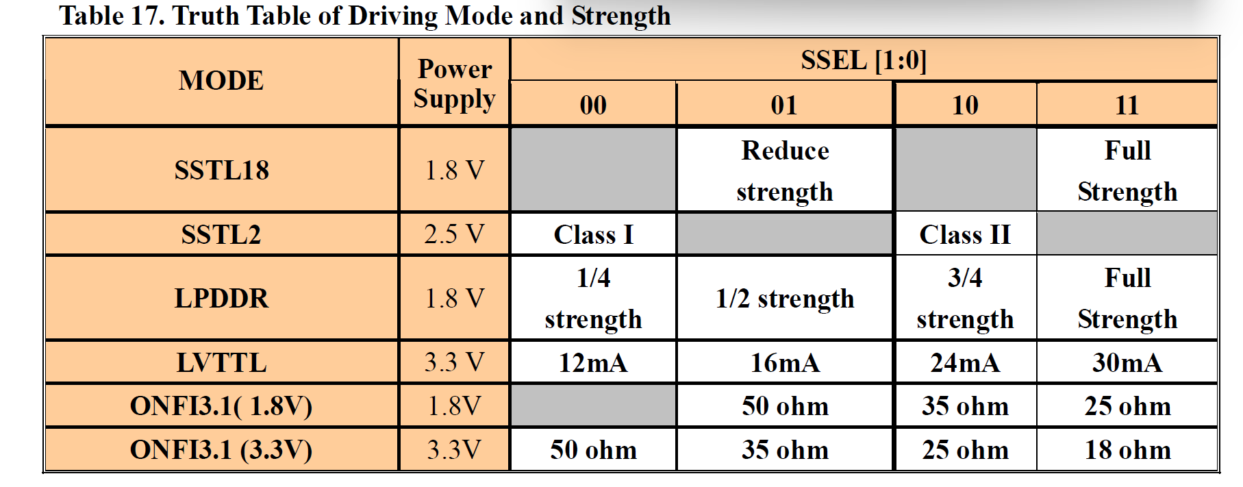

 | pdi_cfg_reg | offset | 31-0
 | w/r | x4 | 32'h40004403:spi; 32'h2002CC00:uc (default)

 | lvds_cfg_reg | offset | 31 | 30 | 29 | 28 | 27 | 26-23 | 22-16 | 15-14 | 13 | 12 | 11-10 | 9-6 | 5 | 4-3 | 2-1 | 0
TODO: | w/r | x8 | pn reset default: 0; active: 0 | ecat1 reset: default: 0; active: 0 | ecat0 reset： default: 0; active: 0 | gpio config 4'h0: 32pin GPIO 4'h1: uc if, others GPIO 4'h2: spi if, others GPIO | ecat_pll_lock 1:pll locked 0: pll unstable | ecat_pll_n | ecat_pll_m | ecat_pll_od | ecat_pll_pdrst 0:normal operation; 1:pll reset; | ecat_pll_bypass 0:ext clock source 1:pll clock out source | esc_prom_size 11: ecat0 prom size 10: ecat1 prom size | lvds_txdrv | lvcmos_schmitt_en | LVDS_vreff_sel | LVDS_RT_CAL | LVDS_RT_EN
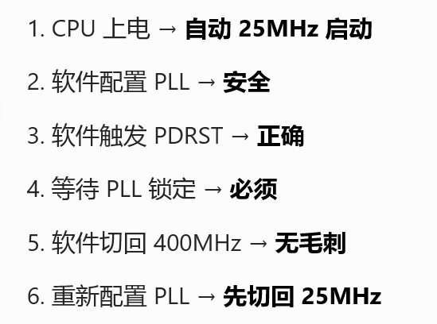
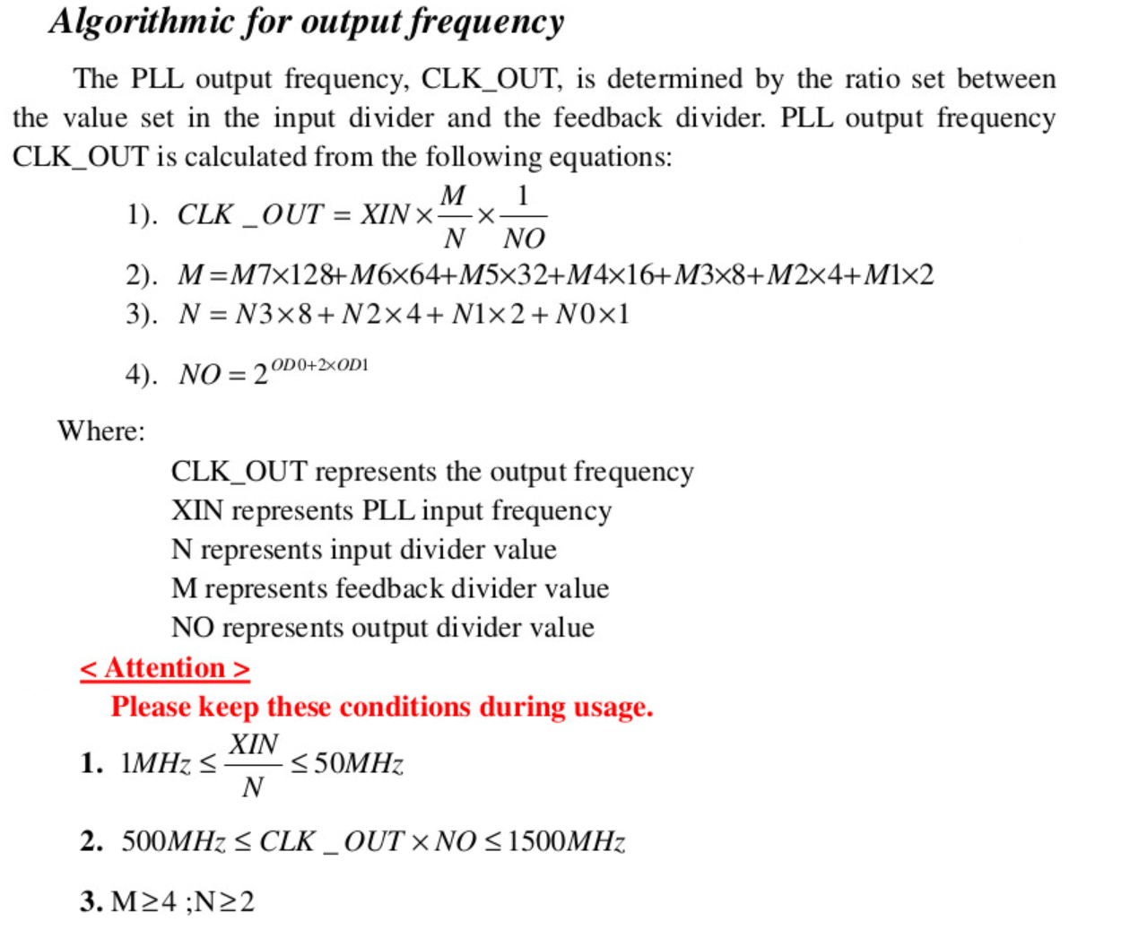
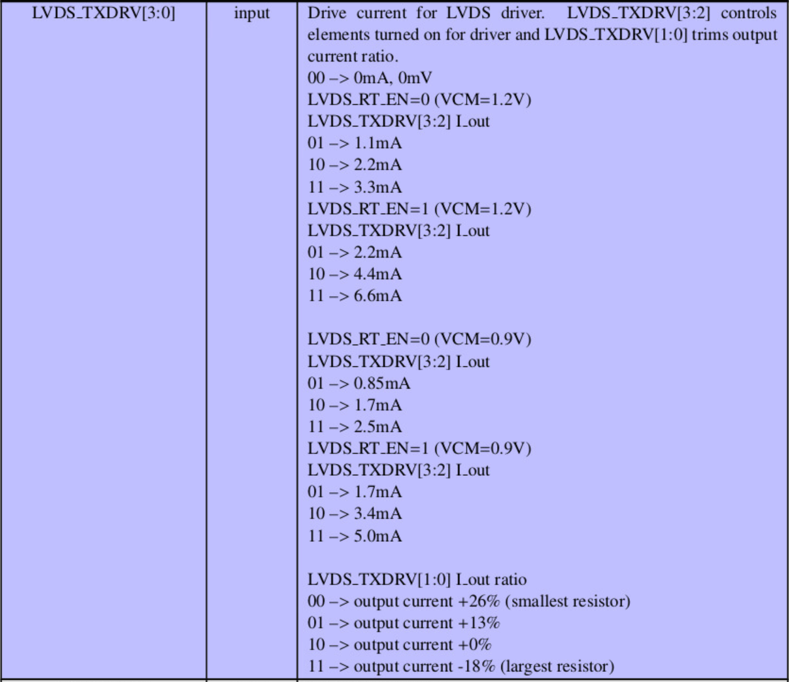

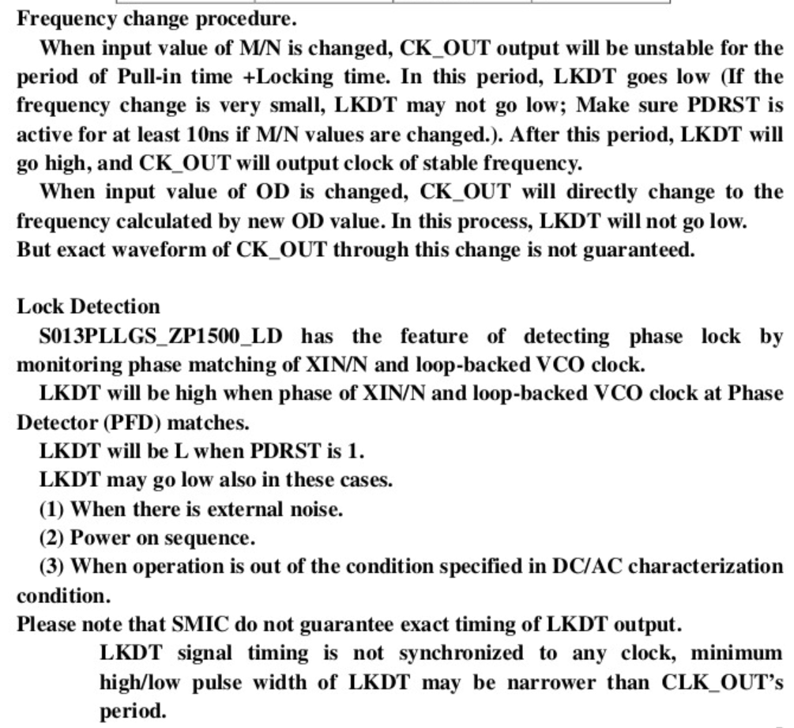

 | irt_sync_timestamp | offset | 31-0
 | r | 0xC | Timestamp of the synchronized working clock | pn ip内可以直接读出，考虑删除

 | pn_cycle | offset | 31-16 | 15-0
 | r | 0x10 | counter Cycle counter attached to trailer of the cyclic PROFINET packet | timestamp Cycle timestamp of the synchronized working clock

 | irt_cpu_pll_cfg | offset | 31 | 30-27 | 26-20 | 19-18 | 17 | 16 | 15 | 14-11 | 10-7 | 3-2 | 1 | 0
 | w/r | 0x14 | cpu_pll_lock 1:pll locked 0: pll unstable | cpu_pll_n | cpu_pll_m | cpu_pll_od | cpu_pll_pdrst 0:normal operation; 1:pll reset; | cpu_pll_bypass 0:ext clock source 1:pll clock out source | pn_pll_lock 1:pll locked 0: pll unstable | pn_pll_n | pn_pll_m | pn_pll_od | pn_pll_pdrst 0:normal operation; 1:pll reset; | pn_pll_bypass 0:ext clock source 1:pll clock out source

TODO: | core id | offset | 31- 24 | 23 - 8 | 7 - 4 | 3 - 2 | 1 - 0
 | w/r | 0x18 | HW Vendor ID | HW Device ID | HW Version High | HW Version Low | Fix Version

TODO: | ecat pdi clock config | offset | 31-1 | 1 | 1 - 0 | CPU本地寄存器 | risc v 0xf14
 | w/r | 0x1C | Reserved | 1： PDI 0： core | 2'b00: 25MHz 2'b01: 50MHz 2'b10: 100MHz 2'b11: 125MHz default: 50MHz |  | mhartid

 | Security Control | offset | 31-1 | 0
 |  | 0x20 | Reserved | 1：JTAG Enable 0：JTAG Disable

 | boot control | offset | 31 - 4 | 3 | 2 | 1 - 0
 | (latched config pin after reset) | 0x24 | reserved | Bypass Secure Boot | host if mode | boot mode

 | RESET Control | offset | 31 - 1 | 1 | 0
 |  | 0x28 | reserved | write 0 bypass reset control logic write 1 : reset control enable default: 0 | write 0 reset whole system write 1 : no effect read always 1

 | ECAT1 config | offset | 25 - 22 | 21 | 20 - 18 | 17 -16 | 15 - 8 | 7 - 3 | 2 | 1 | 0
 |  | 0x2C | 142: 11 - 8 | 142: 6 | 142: 3 - 1 | 152: 1-0 | 151: 7-0 | 150 : 4-0 | 141 : 3 | 141 : 2 | 141 : 0

 | Cyclecout mask | offset | 31 - 16 | 15-0 |  | 调整到protocol register 内
 |  | 0x7C0 | reserved | Mask

 | COMPA | offset | 31 - 0
 |  | 0x7C4 | comp value
 | COMPB | offset | 31 - 0
 |  | 0x7C8 | comp value
 | COMPC | offset | 31 - 0
 |  | 0x7CC | comp value
 | COMPD | offset | 31 - 0
 |  | 0x7D0 | comp value

 | PN_IP_EVENT_CTRL | offset | 31-24 (COMPD) | 23-16(COMPC) | 15-8 (COMPB) | 7-0 (COMPA)
 |  | 0x7D4 | 0：0 Disable 1 Enable 1： Polarity 0 High active 1 Low active 2：7 pulse width （1+n)us | 0：0 Disable 1 Enable 1： Polarity 0 High active 1 Low active 2：7 pulse width （1+n)us | 0：0 Disable 1 Enable 1： Polarity 0 High active 1 Low active 2：7 pulse width （1+n)us | 0：0 Disable 1 Enable 1： Polarity 0 High active 1 Low active 2：7 pulse width （1+n)us

 | RISC-V CORE 0 SW_INT | offset | 31-2 | 1 | 0 | //给CORE 0 触发软中断
 |  | 0x74 | Reserve | SW_INT1 | SW_INT0 （write 1 trigger) | 关联到Core 0 的中断向量

 | RISC-V CORE 1 SW_INT | offset | 31-2 | 1 | 0 | //给CORE 1 触发软中断
 |  | 0x78 | Reserve | SW_INT1 | SW_INT0 | 关联到Core 1 的中断向量

TBD | 外设时钟分频器 | offset
 |  | 0x

gpio
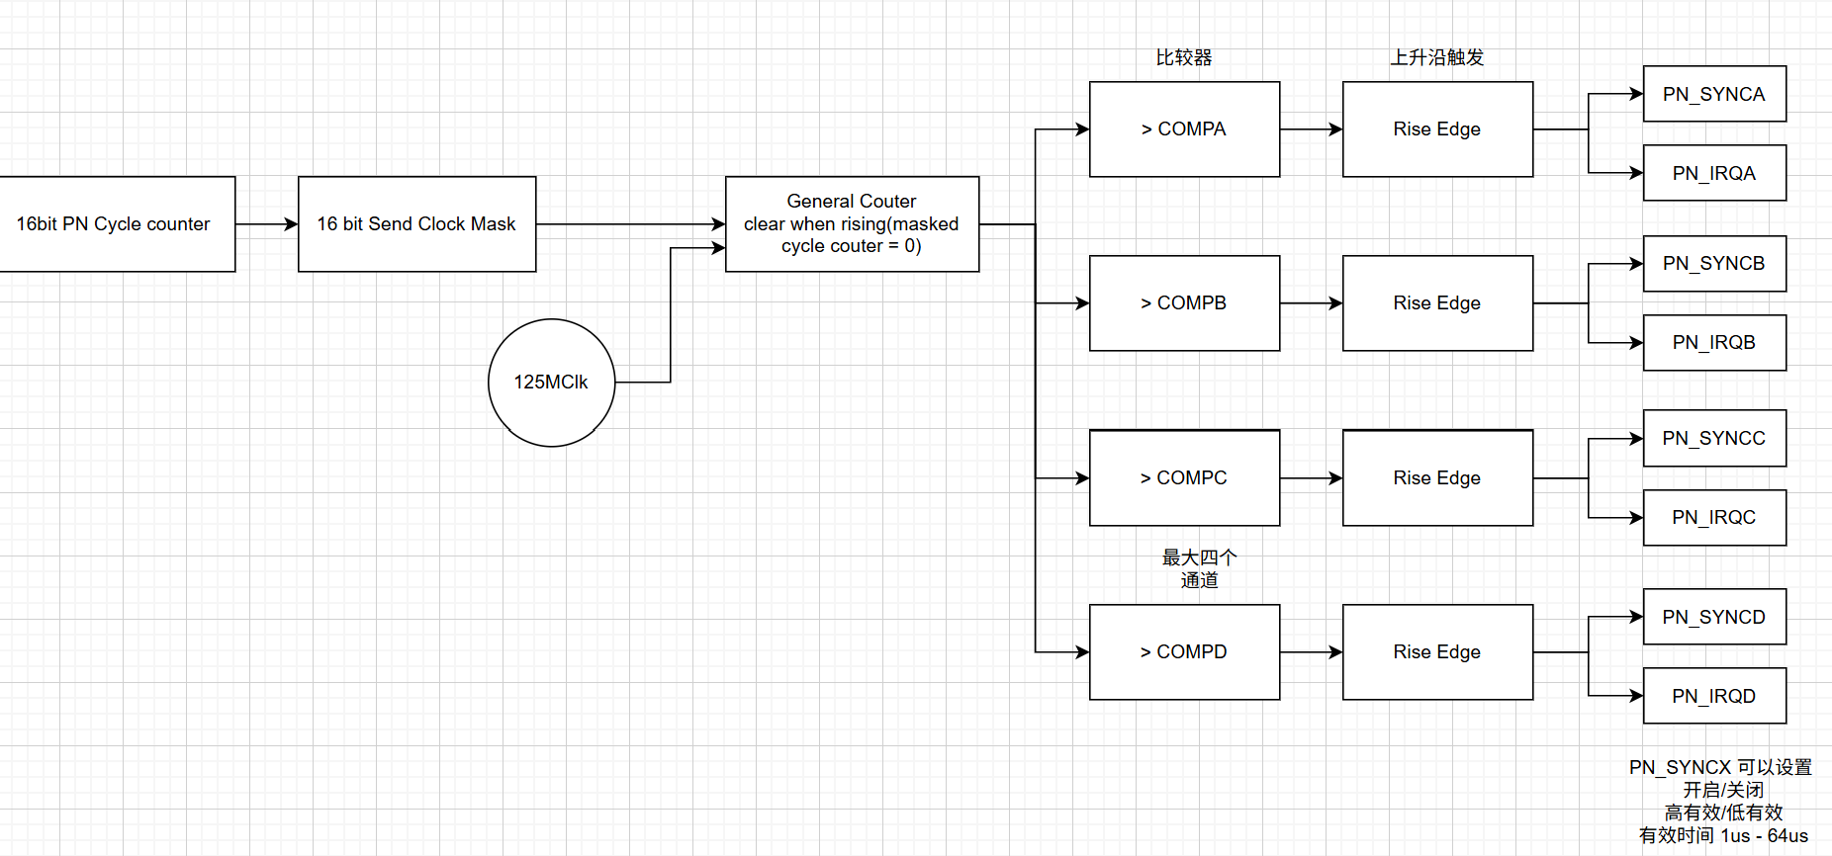
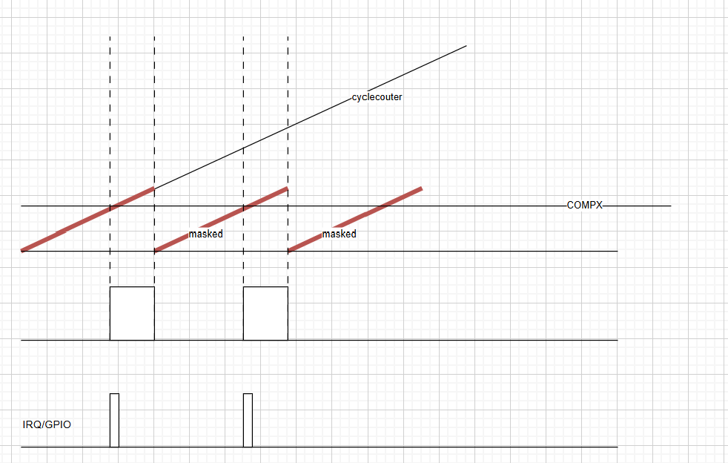
 |  | MODE
 | pin no. | gpio:2'h0 | uc:2'h1 | spi:2'h2（default） | gpio[2]: 1:i2c 0:gpio | alias
 | 0 | gpioA |  | gpioA | 中端输入
 | 1 |  | uc_busy
 | 2 |  | uc_cs |  | 异步事件中断输出 | 暂定用软件触发
 | 3 |  | uc_wr |  | 同步事件中断输出 | 暂定用软件触发
 | 4 |  | uc_data_en
 | 5 |  | uc_irq
 | 6 |  | uc_addr[0]
 | 7 |  | uc_addr[1]
 | 8 |  | uc_addr[2]
 | 9 |  | uc_addr[3] |  |  | b_pad_gpio_porta[31:0]
 | 10 |  | uc_addr[4]
 | 11 |  | uc_addr[5]
 | 12 |  | uc_addr[6]
 | 13 |  | uc_addr[7]
 | 14 |  | uc_addr[8]
 | 15 |  | uc_addr[9]
 | 16 |  | uc_addr[10]
 | 17 |  | uc_addr[11]
 | 18 |  | uc_addr[12]
 | 19 |  | uc_addr[13]
 | 20 |  | uc_addr[14]
 | 21 |  | uc_data[0]
 | 22 |  | uc_data[1]
 | 23 |  | uc_data[2]
 | 24 |  | uc_data[3]
 | 25 |  | uc_data[4]
 | 26 |  | uc_data[5]
 | 27 |  | uc_data[6]
 | 28 |  | uc_data[7]
 | 29 |  | uc_data[8]
 | 30 |  | uc_data[9]
 | 31 |  | uc_data[10]
 | 32 | gpioB | uc_data[11] | gpioB |  | b_pad_gpio_portb[15:0] | b_pad_gpio_portb[0]
 | 33 |  | uc_data[12] |  |  |  | b_pad_gpio_portb[1]
 | 34 |  | uc_data[13] |  |  |  | b_pad_gpio_portb[2]
 | 35 |  | uc_data[14] |  |  |  | b_pad_gpio_portb[3]
 | 36 |  | uc_data[15] |  |  |  | b_pad_gpio_portb[4]
 | 37 |  | spi_clk |  | i2c_clk |  | b_pad_gpio_portb[5]
 | 38 |  | spi_sel |  | i2c_data |  | b_pad_gpio_portb[6]
 | 39 |  | spi_di |  | 异步事件中断输出 | 暂定用软件触发 | b_pad_gpio_portb[7]
 | 40 |  | spi_do |  | 异步事件中断输出 | 暂定用软件触发 | b_pad_gpio_portb[8]
 | 41 |  | spi_irq |  |  |  | b_pad_gpio_portb[9]

 | led |  | pn | ecat
 | 42 | gpioB | error | error0 | pn/ecat |  | b_pad_gpio_portb[10]
 | 43 |  | maintant | error1 |  |  | b_pad_gpio_portb[11]
 | 44 |  | sync | linkact0 |  |  | b_pad_gpio_portb[12]
 | 45 |  | device_blink | linkact1 |  |  | b_pad_gpio_portb[13]
 | 46 |  | error | run | bl |  | b_pad_gpio_portb[14]
 | 47 |  | op | op? |  |  | b_pad_gpio_portb[15]

 | uart0/Core1 | 独立引出 | debug | remark
 | uart1/Core0 | 独立引出 | boot room
 | boot mode[1:0] | 独立引出 上电锁存 sysreg boot control |  | 00:spi; 01,uart fw loader; 10, program key; 11, rsv
 | host if mode | 独立独立 上电锁存 sysreg boot control |  | 0：UC 1：SPI
 | Bypass Secure Boot | Hidden Pin (internal PULL DOWN） sysreg boot control |  | 0：Secure Boot 1：Bypass | Demo 封装出来
 |  | pn | ecat
 | sync_out | PN_SYNCA | ecat0 sync0 | 独立引出
 |  | PN_SYNCB | ecat0 sync1 | 独立引出
 |  | PN_SYNCC | ecat1 sync0 | 独立引出
 |  | PN_SYNCD | ecat1 sync1 | 独立引出

 | GPIO Driver power after PowerOn reset ：8mA

TODO | POR | Reset加内部PULL UP

freq
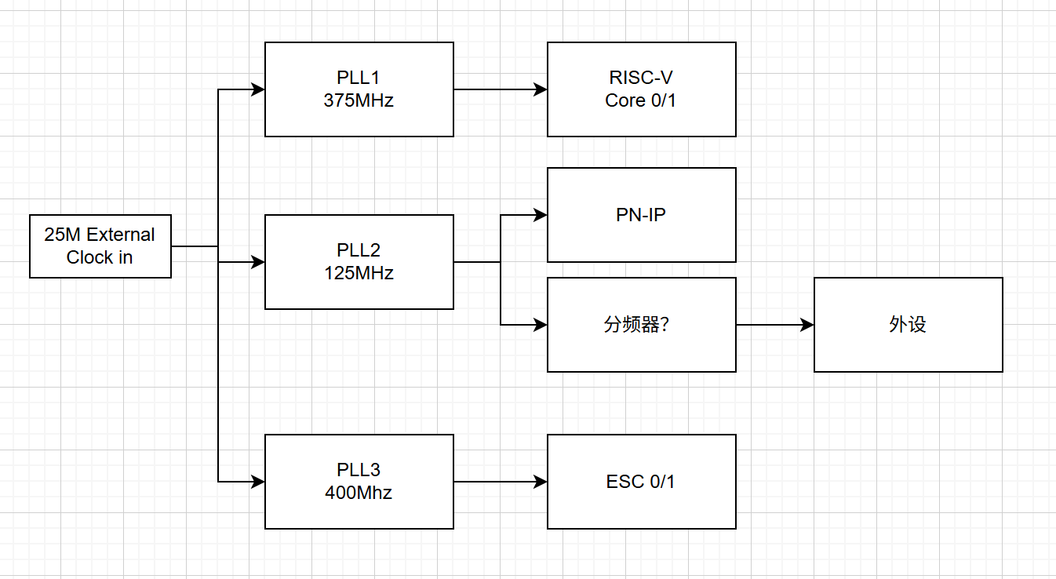
 | MHz
ESC | 400
pn_switch | 125
risc v | 375

Use Case
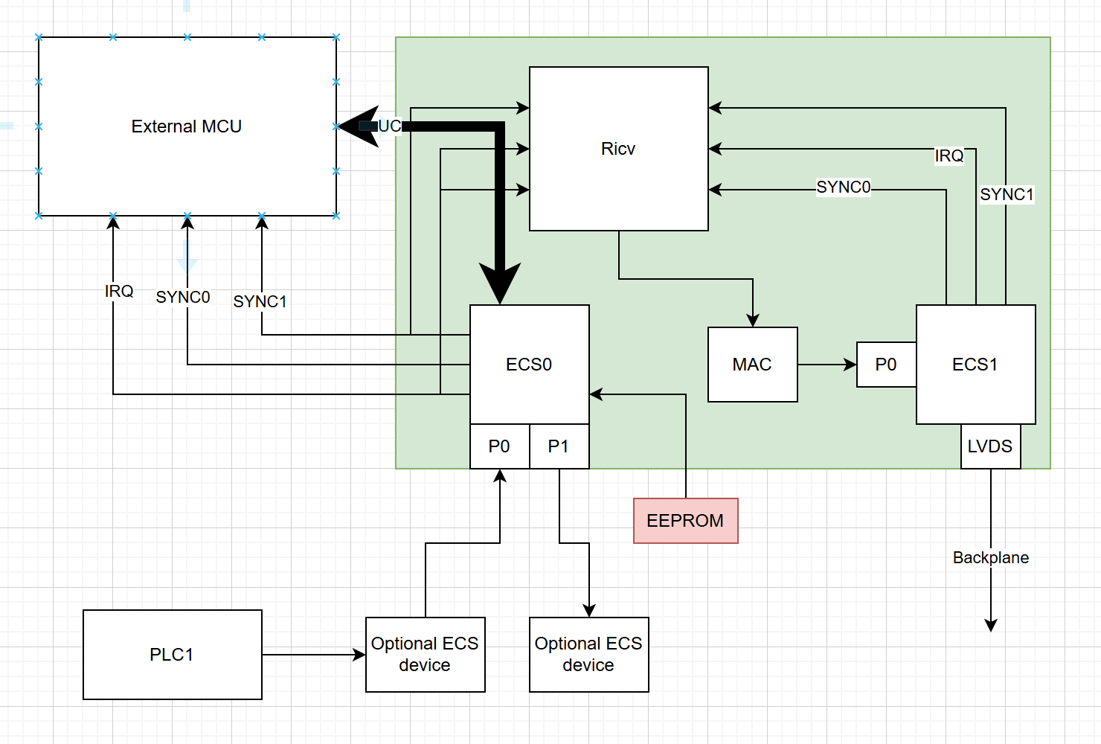
Ethercat slave to EtherCat Backplane

