MiniGimbal
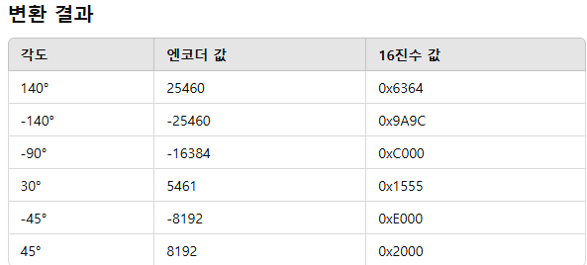
 | Rev.2024.07.19 |  |  |  |  |  |  |  |  |  |  |  |  | Rev.2024.07.19
Name | Command | B2 | B3 | B4 | B5 | B6(CHK) | B1 | B2 | B3 | B4 | B5 | B7(CHK) DEC | B7(CHK) HEX | Command
Follow On | FF00F1000001F2 | F1 | 00 | 00 | 01 | F2 | FF | 241 | 0 | 0 | 1 | 242 | F2 | FF00F1000001F2
Normal On | FF00F1000000F1 | F1 | 00 | 00 | 00 | F1 | FF | 241 | 0 | 0 | 0 | 241 | F1 | FF00F1000000F1
Move Home | FF00FA000000FA | FA | 00 | 00 | 00 | FA | FF | 250 | 0 | 0 | 0 | 250 | FA | FF00FA000000FA
Move Init Home | FF00FA000001FB | FA | 00 | 00 | 01 | FB | FF | 250 | 0 | 0 | 1 | 251 | FB | FF00FA000001FB
Foll. Dead Band 0 | FF00FB000000FB | FB | 00 | 00 | 00 | FB | FF | 251 | 0 | 0 | 0 | 251 | FB | FF00FB000000FB
Foll. Dead Band 50 | FF00FB0000504B | FB | 00 | 00 | 50 | 4B | FF | 251 | 0 | 0 | 80 | 331 | 4B | FF00FB0000504B
Foll. Dead Band 255 | FF00FB0000FFFA | FB | 00 | 00 | FF | FA | FF | 251 | 0 | 0 | 255 | 506 | FA | FF00FB0000FFFA
Foll. Spd 1 | FF00FC000001FD | FC | 00 | 00 | 01 | FD | FF | 252 | 0 | 0 | 1 | 253 | FD | FF00FC000001FD
Foll. Spd 20 | FF00FC00001410 | FC | 00 | 00 | 14 | 10 | FF | 252 | 0 | 0 | 20 | 272 | 10 | FF00FC00001410
Foll. Spd 60 | FF00FC00003C38 | FC | 00 | 00 | 3C | 38 | FF | 252 | 0 | 0 | 60 | 312 | 38 | FF00FC00003C38
Exponential Cur. 0 | FF00FD000000FD | FD | 00 | 00 | 00 | FD | FF | 253 | 0 | 0 | 0 | 253 | FD | FF00FD000000FD
Exponential Cur. 50 | FF00FD0000322F | FD | 00 | 00 | 32 | 2F | FF | 253 | 0 | 0 | 50 | 303 | 2F | FF00FD0000322F
Exponential Cur. 100 | FF00FD00006461 | FD | 00 | 00 | 64 | 61 | FF | 253 | 0 | 0 | 100 | 353 | 61 | FF00FD00006461
Foll. Range 0 | FF00FE000000FE | FE | 00 | 00 | 00 | FE | FF | 254 | 0 | 0 | 0 | 254 | FE | FF00FE000000FE
Foll. Range 60 | FF00FE00003C3A | FE | 00 | 00 | 3C | 3A | FF | 254 | 0 | 0 | 60 | 314 | 3A | FF00FE00003C3A
Foll. Range 150 | FF00FE00009694 | FE | 00 | 00 | 96 | 94 | FF | 254 | 0 | 0 | 150 | 404 | 94 | FF00FE00009694
Foll. Axis Yaw Only | FF00F6000001F7 | F6 | 00 | 00 | 01 | F7 | FF | 246 | 0 | 0 | 1 | 247 | F7 | FF00F6000001F7
Foll. Axis Yaw+Pitch | FF00F6000002F8 | F6 | 00 | 00 | 02 | F8 | FF | 246 | 0 | 0 | 2 | 248 | F8 | FF00F6000002F8
Driff Offset 0 | FF00F5000000F5 | F5 | 00 | 00 | 00 | F5 | FF | 245 | 0 | 0 | 0 | 245 | F5 | FF00F5000000F5
Driff Offset 150 | FF00F50000968B | F5 | 00 | 00 | 96 | 8B | FF | 245 | 0 | 0 | 150 | 395 | 8B | FF00F50000968B
Driff Offset 300 | FF00F500012C22 | F5 | 00 | 01 | 2C | 22 | FF | 245 | 0 | 1 | 44 | 290 | 22 | FF00F500012C22
Reply Int. 20ms | FF00E000012E3 | E0 | 00 | 01 | 2 | E3 | FF | 224 | 0 | 1 | 2 | 227 | E3 | FF00E000012E3
Reply Int. 1s | FF00E000016445 | E0 | 00 | 01 | 64 | 45 | FF | 224 | 0 | 1 | 100 | 325 | 45 | FF00E000016445
Reply Int. 2s | FF00E00001C8A9 | E0 | 00 | 01 | C8 | A9 | FF | 224 | 0 | 1 | 200 | 425 | A9 | FF00E00001C8A9
EO D-Zoom On | FF00B0000001B1 | B0 | 00 | 00 | 01 | B1 | FF | 176 | 0 | 0 | 1 | 177 | B1 | FF00B0000001B1
EO D-Zoom Off | FF00B0000000B0 | B0 | 00 | 00 | 00 | B0 | FF | 176 | 0 | 0 | 0 | 176 | B0 | FF00B0000000B0
WDR On | FF00B1000001B2 | B1 | 00 | 00 | 01 | B2 | FF | 177 | 0 | 0 | 1 | 178 | B2 | FF00B1000001B2
WDR Off | FF00B1000000B1 | B1 | 00 | 00 | 00 | B1 | FF | 177 | 0 | 0 | 0 | 177 | B1 | FF00B1000000B1
BLC On | FF00B2000001B3 | B2 | 00 | 00 | 01 | B3 | FF | 178 | 0 | 0 | 1 | 179 | B3 | FF00B2000001B3
BLC Off | FF00B2000000B2 | B2 | 00 | 00 | 00 | B2 | FF | 178 | 0 | 0 | 0 | 178 | B2 | FF00B2000000B2
DIS On | FF00B3000001B4 | B3 | 00 | 00 | 01 | B4 | FF | 179 | 0 | 0 | 1 | 180 | B4 | FF00B3000001B4
DIS Off | FF00B3000000B3 | B3 | 00 | 00 | 00 | B3 | FF | 179 | 0 | 0 | 0 | 179 | B3 | FF00B3000000B3
DN Day | FF00B4000000B4 | B4 | 00 | 00 | 00 | B4 | FF | 180 | 0 | 0 | 0 | 180 | B4 | FF00B4000000B4
DN Night | FF00B4000001B5 | B4 | 00 | 00 | 01 | B5 | FF | 180 | 0 | 0 | 1 | 181 | B5 | FF00B4000001B5
DN Auto | FF00B4000002B6 | B4 | 00 | 00 | 02 | B6 | FF | 180 | 0 | 0 | 2 | 182 | B6 | FF00B4000002B6
Brighteness 0 | FF00B5000000B5 | B5 | 00 | 00 | 00 | B5 | FF | 181 | 0 | 0 | 0 | 181 | B5 | FF00B5000000B5
Brighteness 5 | FF00B5000005BA | B5 | 00 | 00 | 05 | BA | FF | 181 | 0 | 0 | 5 | 186 | BA | FF00B5000005BA
Brighteness 10 | FF00B500000ABF | B5 | 00 | 00 | 0A | BF | FF | 181 | 0 | 0 | 10 | 191 | BF | FF00B500000ABF
Sharpness 0 | FF00B7000000B7 | B7 | 00 | 00 | 00 | B7 | FF | 183 | 0 | 0 | 0 | 183 | B7 | FF00B7000000B7
Sharpness 5 | FF00B7000005BC | B7 | 00 | 00 | 05 | BC | FF | 183 | 0 | 0 | 5 | 188 | BC | FF00B7000005BC
Sharpness 10 | FF00B700000AC1 | B7 | 00 | 00 | 0A | C1 | FF | 183 | 0 | 0 | 10 | 193 | C1 | FF00B700000AC1
Defog On | FF00B8000001B9 | B8 | 00 | 00 | 01 | B9 | FF | 184 | 0 | 0 | 1 | 185 | B9 | FF00B8000001B9
Defog Off | FF00B8000000B8 | B8 | 00 | 00 | 00 | B8 | FF | 184 | 0 | 0 | 0 | 184 | B8 | FF00B8000000B8
IR D-Zoom x1 | FF00C0000001C1 | C0 | 00 | 00 | 01 | C1 | FF | 192 | 0 | 0 | 1 | 193 | C1 | FF00C0000001C1
IR D-Zoom x2 | FF00C0000002C2 | C0 | 00 | 00 | 02 | C2 | FF | 192 | 0 | 0 | 2 | 194 | C2 | FF00C0000002C2
IR D-Zoom x3 | FF00C0000003C3 | C0 | 00 | 00 | 03 | C3 | FF | 192 | 0 | 0 | 3 | 195 | C3 | FF00C0000003C3
IR D-Zoom x4 | FF00C0000004C4 | C0 | 00 | 00 | 04 | C4 | FF | 192 | 0 | 0 | 4 | 196 | C4 | FF00C0000004C4
IR D-Zoom x5 | FF00C0000005C5 | C0 | 00 | 00 | 05 | C5 | FF | 192 | 0 | 0 | 5 | 197 | C5 | FF00C0000005C5
IR D-Zoom x6 | FF00C0000006C6 | C0 | 00 | 00 | 06 | C6 | FF | 192 | 0 | 0 | 6 | 198 | C6 | FF00C0000006C6
IR D-Zoom x7 | FF00C0000007C7 | C0 | 00 | 00 | 07 | C7 | FF | 192 | 0 | 0 | 7 | 199 | C7 | FF00C0000007C7
IR D-Zoom x8 | FF00C0000008C8 | C0 | 00 | 00 | 08 | C8 | FF | 192 | 0 | 0 | 8 | 200 | C8 | FF00C0000008C8
White | FF00C1000000C1 | C1 | 00 | 00 | 00 | C1 | FF | 193 | 0 | 0 | 0 | 193 | C1 | FF00C1000000C1
Black | FF00C1000001C2 | C1 | 00 | 00 | 01 | C2 | FF | 193 | 0 | 0 | 1 | 194 | C2 | FF00C1000001C2
Rainbow | FF00C1000002C3 | C1 | 00 | 00 | 02 | C3 | FF | 193 | 0 | 0 | 2 | 195 | C3 | FF00C1000002C3
Rainbow HC | FF00C1000003C4 | C1 | 00 | 00 | 03 | C4 | FF | 193 | 0 | 0 | 3 | 196 | C4 | FF00C1000003C4
Iron | FF00C1000004C5 | C1 | 00 | 00 | 04 | C5 | FF | 193 | 0 | 0 | 4 | 197 | C5 | FF00C1000004C5
Lava | FF00C1000005C6 | C1 | 00 | 00 | 05 | C6 | FF | 193 | 0 | 0 | 5 | 198 | C6 | FF00C1000005C6
Sky | FF00C1000006C7 | C1 | 00 | 00 | 06 | C7 | FF | 193 | 0 | 0 | 6 | 199 | C7 | FF00C1000006C7
Medium Gray | FF00C1000007C8 | C1 | 00 | 00 | 07 | C8 | FF | 193 | 0 | 0 | 7 | 200 | C8 | FF00C1000007C8
Gray-Red | FF00C1000008C9 | C1 | 00 | 00 | 08 | C9 | FF | 193 | 0 | 0 | 8 | 201 | C9 | FF00C1000008C9
Purple Orange | FF00C1000009CA | C1 | 00 | 00 | 09 | CA | FF | 193 | 0 | 0 | 9 | 202 | CA | FF00C1000009CA
AGC Auto 1 | FF00C2000000C2 | C2 | 00 | 00 | 00 | C2 | FF | 194 | 0 | 0 | 0 | 194 | C2 | FF00C2000000C2
AGC Auto 2 | FF00C2000001C3 | C2 | 00 | 00 | 01 | C3 | FF | 194 | 0 | 0 | 1 | 195 | C3 | FF00C2000001C3
DDE On | FF00C3000001C4 | C3 | 00 | 00 | 01 | C4 | FF | 195 | 0 | 0 | 1 | 196 | C4 | FF00C3000001C4
DDE Off | FF00C3000000C3 | C3 | 00 | 00 | 00 | C3 | FF | 195 | 0 | 0 | 0 | 195 | C3 | FF00C3000000C3
Calibration Exe | FF00C4000000C4 | C4 | 00 | 00 | 00 | C4 | FF | 196 | 0 | 0 | 0 | 196 | C4 | FF00C4000000C4

Uncooled Data Sheet
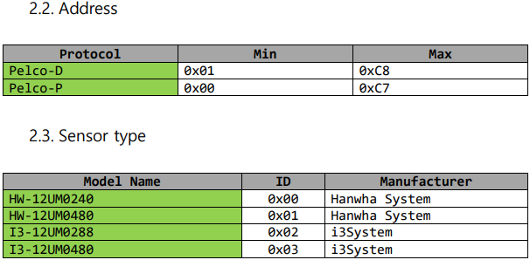

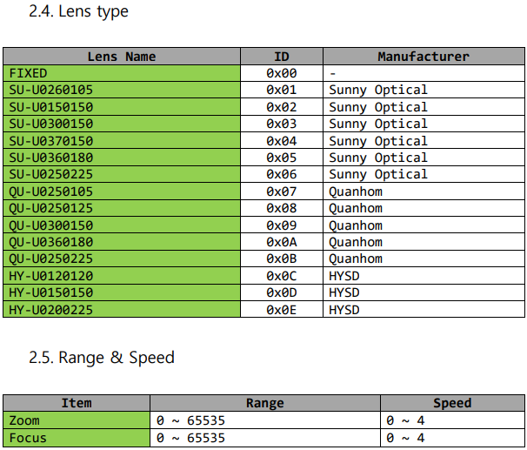

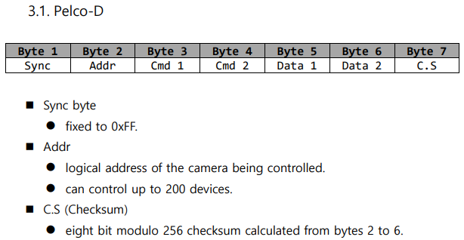

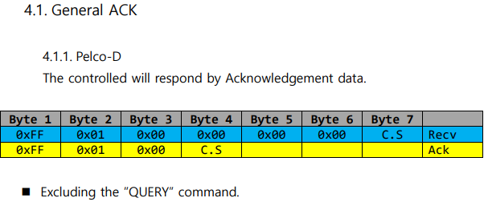

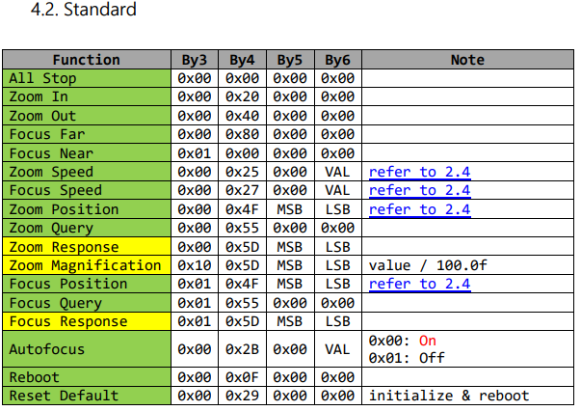

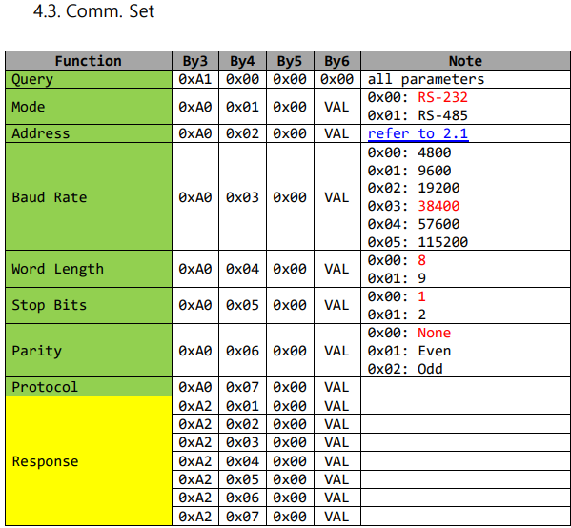

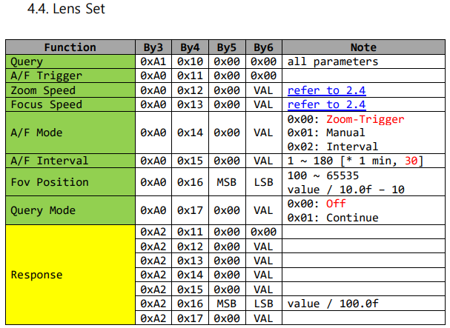

Cooled Data Sheet
