9
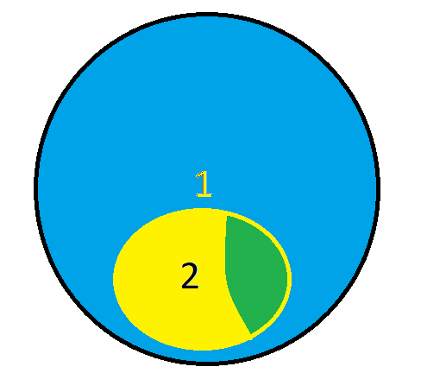
explain analyze
SELECT p.product_id | -- chi tiết
FROM product p where | SELECT distinct product_id
exists ( select s.product_id from sales_history s where p.product_id = s.product_id) | FROM sales_history s
 | WHERE s.customer_id IN
 | (
 |  | SELECT s.customer_id
 |  | FROM sales_history s
 |  | inner join sales_history2 s2
 |  | on s.order_id = s2.order_id
 |  | inner join product p
 |  | on p.product_id = s.product_id
 |  | where s.sales_date between '2018-04-01' and '2019-06-30'
 |  | AND upper(p.product_category) = 'MOBILE' and upper(p.color) = 'BLACK'
 |  | AND UPPER(SUBSTRING(p.product_name,1)) = 'S'
 |  | group by s.customer_id, s.sales_date, p.product_category, p.color
 |  | having (SUM(s.sale_amount) < 300 or SUM(s.sale_amount) > 300)
 | )

 | UNION
 | SELECT distinct product_id
 | FROM sales_history s
 | WHERE NOT EXISTS
 | (
 |  |  |  | SELECT p.product_id
 |  |  |  | FROM product p
 |  |  |  | inner join sales_history s
 |  |  |  | on p.product_id = s.product_id
 |  |  |  | inner join sales_history2 s2
 |  |  |  | on s.order_id = s2.order_id
 |  |  |  | where s.sales_date between '2018-04-01' and '2019-06-30'
 |  |  |  | AND upper(p.product_category) = 'MOBILE' and upper(p.color) = 'BLACK'
 |  |  |  | AND SUBSTRING(p.product_name,1) = 'S'
 |  |  | and s.total_amount = 10000
 |  |  |  | group by s.customer_id, s.sales_date, p.product_category, p.color,p.product_id
 |  |  |  | having (SUM(s.sale_amount) < 300 or SUM(s.sale_amount) > 300)

 |  | )

