Sheet1
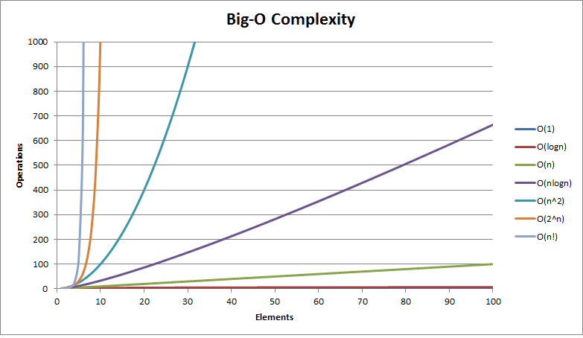
Legend
Excellent |  | Good |  | Fair |  | Bad |  | Horrible

Data Structures

Data Structure | Time Complexity |  |  |  |  |  |  |  | Space Complexity
 | Average |  |  |  | Worst |  |  |  | Worst
 | Access | Search | Insertion | Deletion | Access | Search | Insertion | Deletion
Array | O(1) | O(n) | O(n) | O(n) | O(1) | O(n) | O(n) | O(n) | O(n)
Stack | O(n) | O(n) | O(1) | O(1) | O(n) | O(n) | O(1) | O(1) | O(n)
Singly-Linked List | O(n) | O(n) | O(1) | O(1) | O(n) | O(n) | O(1) | O(1) | O(n)
Doubly-Linked List | O(n) | O(n) | O(1) | O(1) | O(n) | O(n) | O(1) | O(1) | O(n)
Skip List | O(logn) | O(logn) | O(logn) | O(logn) | O(n) | O(n) | O(n) | O(n) | O(n logn)
Hash Table | - | O(1) | O(1) | O(1) | - | O(n) | O(n) | O(n) | O(n)
Binary Search Tree | O(logn) | O(logn) | O(logn) | O(logn) | O(n) | O(n) | O(n) | O(n) | O(n)
Cartesian Tree | - | O(logn) | O(logn) | O(logn) | - | O(n) | O(n) | O(n) | O(n)
B-Tree | O(logn) | O(logn) | O(logn) | O(logn) | O(logn) | O(logn) | O(logn) | O(logn) | O(n)
Red-Black Tree | O(logn) | O(logn) | O(logn) | O(logn) | O(logn) | O(logn) | O(logn) | O(logn) | O(n)
Splay Tree | - | O(logn) | O(logn) | O(logn) | - | O(logn) | O(logn) | O(logn) | O(n)
AVL Tree | O(logn) | O(logn) | O(logn) | O(logn) | O(logn) | O(logn) | O(logn) | O(logn) | O(n)

Sorting Algorithms

Algorithm | Time Complexity |  |  | Space Complexity
 | Best | Average | Worst | Worst
Quicksort | O(n logn) | O(n logn) | O(n^2) | O(logn) | Comparison
Mergesort | O(n logn) | O(n logn) | O(n logn) | O(n)
Heapsort | O(n logn) | O(n logn) | O(n logn) | O(1)
Timsort | O(n) | O(n logn) | O(n logn) | O(n)
Bubble Sort | O(n) | O(n^2) | O(n^2) | O(1)
Insertion Sort | O(n) | O(n^2) | O(n^2) | O(1)
Selection Sort | O(n^2) | O(n^2) | O(n^2) | O(1)
Shell Sort | O(n) | O((nlogn)^2) | O((nlogn)^2) | O(1)
Bucket Sort | O(n+k) | O(n+k) | O(n^2) | O(n) | Distribution
Radix Sort | O(nk) | O(nk) | O(nk) | O(n+k)

Graph Operations

Edge Management | Storage | Add Vertex | Add Edge | Remove Vertex | Remove Edge | Query
Adjacency list | O(|V|+|E|) | O(1) | O(1) | O(|V| + |E|) | O(|E|) | O(|V|)
Incidence list | O(|V|+|E|) | O(1) | O(1) | O(|E|) | O(|E|) | O(|E|)
Adjacency matrix | O(|V|^2) | O(|V|^2) | O(1) | O(|V|^2) | O(1) | O(1)
Incidence matrix | O(|V| ⋅ |E|) | O(|V| ⋅ |E|) | O(|V| ⋅ |E|) | O(|V| ⋅ |E|) | O(|V| ⋅ |E|) | O(|E|)
Algorithms | Time Complexity |  |  |  | Space Complexity
 | Average |  | Worst
DFS | - |  | O(|V| + |E|) |  | O(|V|)
BFS | - |  | O(|V| + |E|) |  | O(|V|)
Dijkstra's | O((|V| + |E|)logV) |  | O((|V| + |E|)logV) |  | O(|V|)
Bellman Ford's | O(|E||V|) |  | O(|E||V|) |  | O(|V|)
Prim's | O(|E|logV) |  | O(|E|logV) |  | -
Kruskal's | O(|E|logV) |  | O(|E|logV) |  | -
Topological Sort | O(|V| + |E|)
Heap Operations
Type | Time Complexity
 | Heapify | Find Max | Extract Max | Increase Key | Insert | Delete | Merge
Linked List (sorted) | - | O(1) | O(1) | O(n) | O(n) | O(1) | O(m+n)
Linked List (unsorted) | - | O(n) | O(n) | O(1) | O(1) | O(1) | O(1)
Binary Heap | O(n) | O(1) | O(logn) | O(logn) | O(logn) | O(logn) | O(m+n)
Binomial Heap | - | O(1) | O(logn) | O(logn) | O(1) | O(logn) | O(logn)
Fibonacci Heap | - | O(1) | O(logn) | O(1) | O(1) | O(logn) | O(1)

