ransom
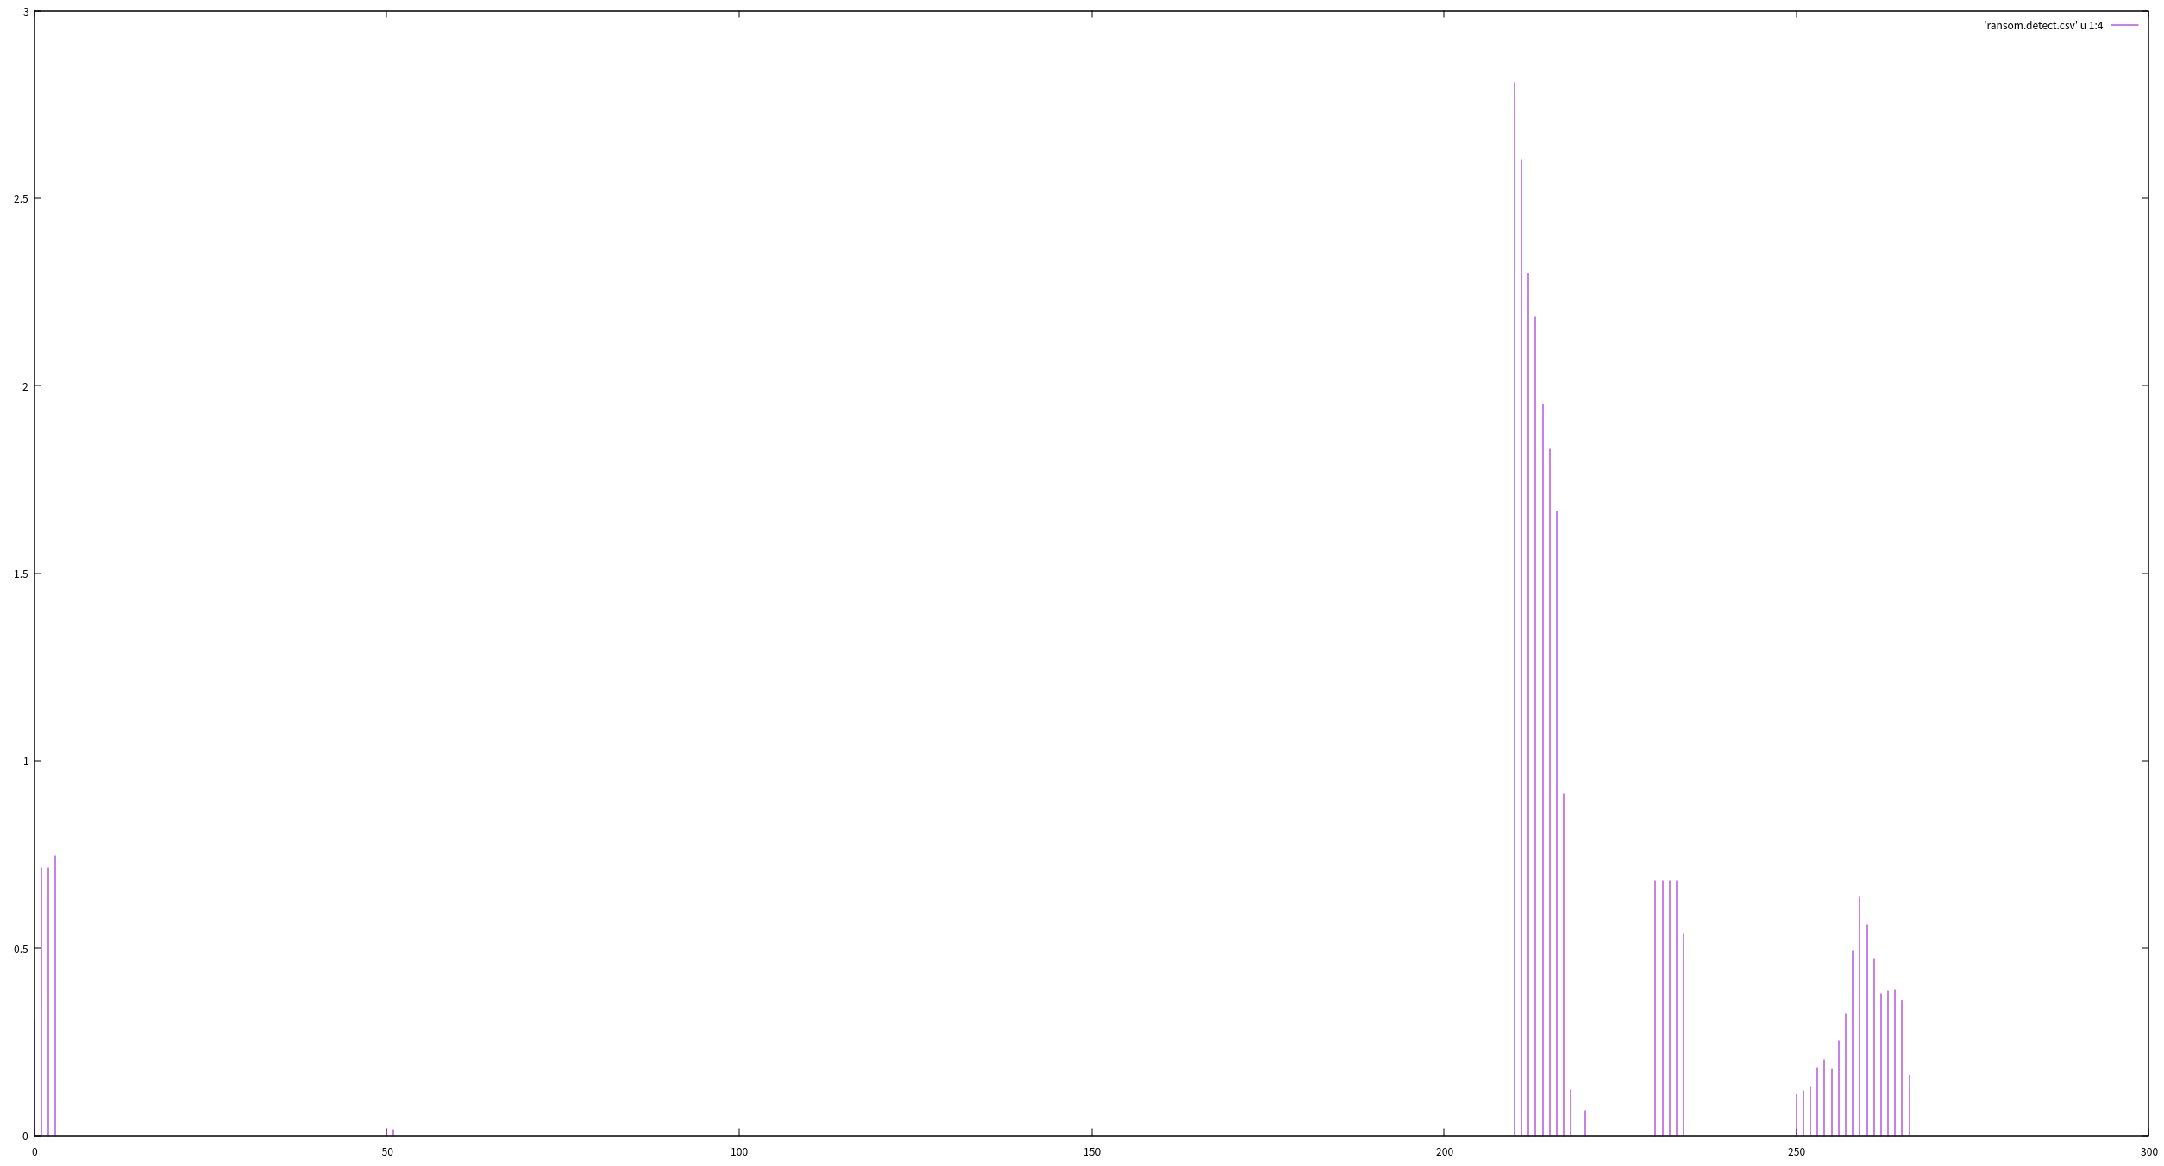
(cnt/total)*100 값

시간(초)

surf_ransom
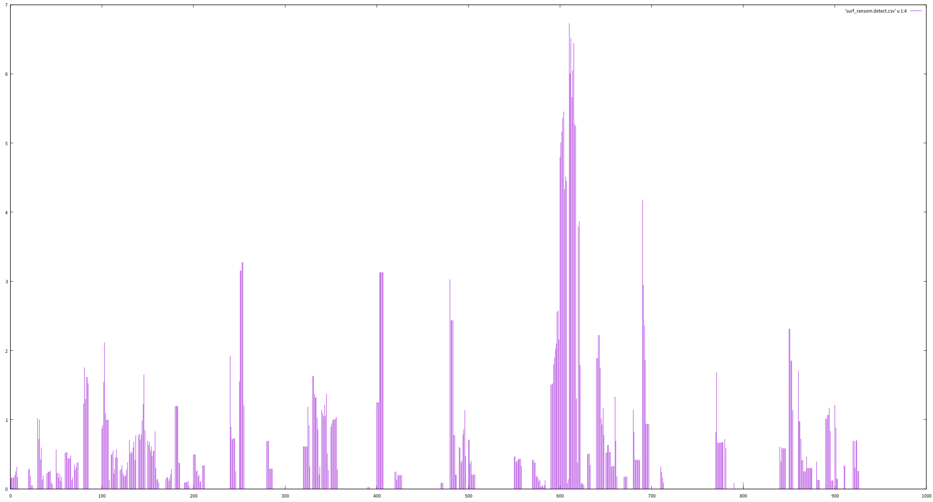
(cnt/total)*100 값

시간(초)

surf
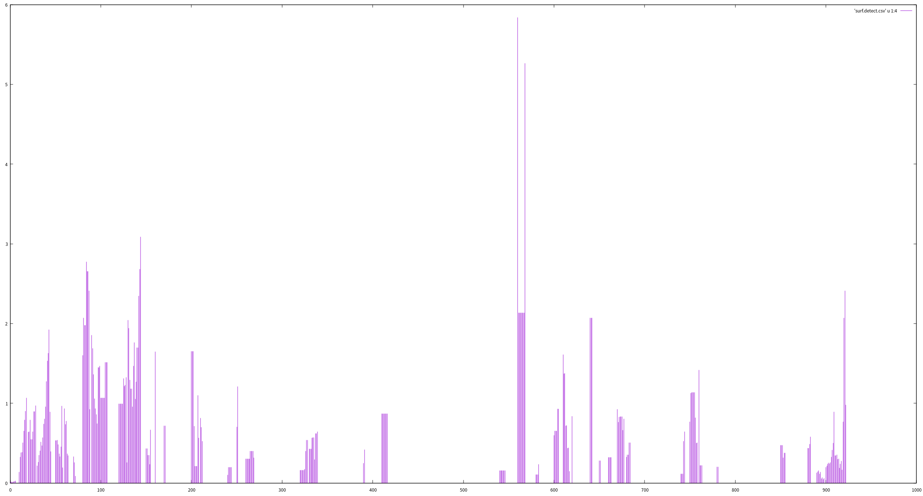
(cnt/total)*100 값

시간(초)

install
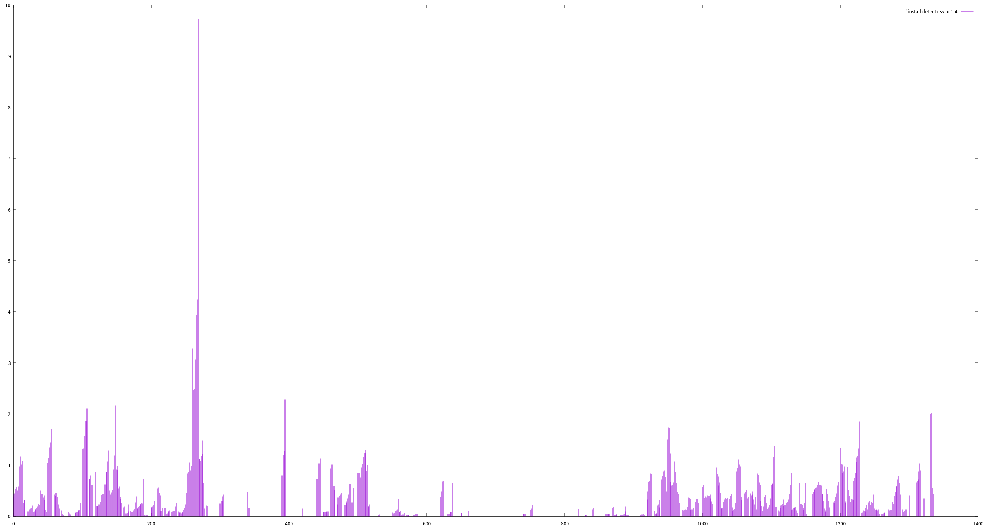
(cnt/total)*100 값

시간(초)

