APRIL2023
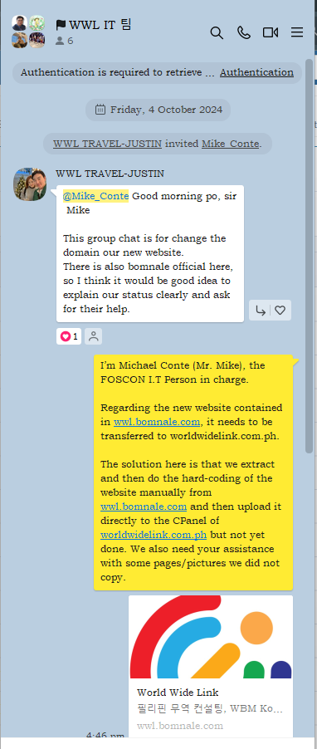
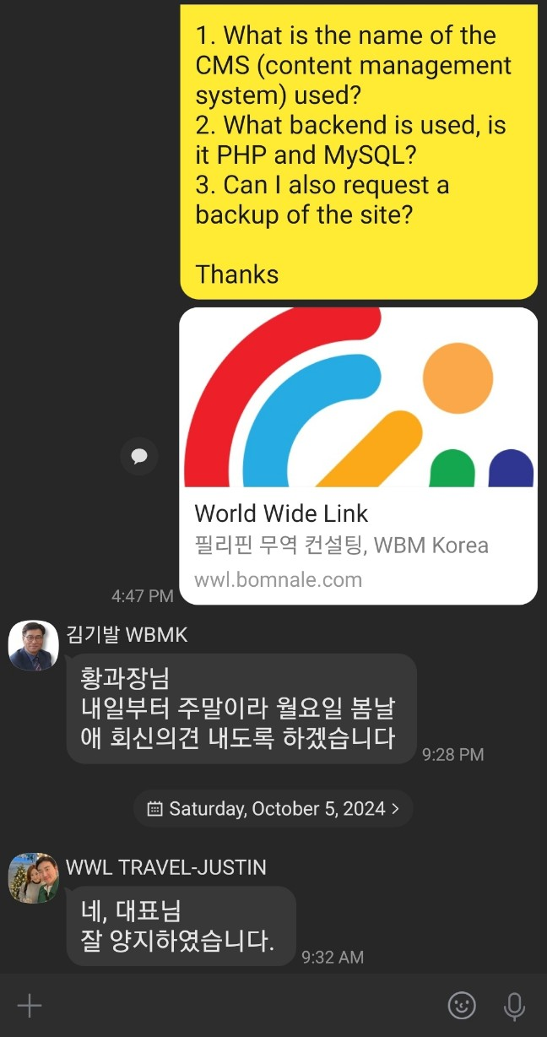
Daily / Weekly / Monthly Working Report with Specific Plan

 |  |  |  |  |  | Name | Michael Conte
 |  |  |  |  |  | Department | I.T
For the month of APRIL-2023
Date | Time |  |  | Work done | Outstanding Work | Follow Up requirements |  | Remarks
 | In | Out | Overtime |  |  | Yes | No
26 | 08:41AM |  | 20:13PM | 1. CPU unit use by Atty. Madamba - WWL Realty: hard disk cannot be detected - trying to recover the files. 2. Email outlook use by Macy Ann D.: Fleet A: pst file is error cannot load emails - for repairing then exporting clean copy going back to her MS Outlook apps. | 1. not yet done - to be continue for recovery process send to Service Repair Center. 2. to be transfer on her PC MS Outlook. | yes |  | FILING FOR OVERTIME
28 | 08:40AM |  | 19:41PM | 1. CPU unit use by Jureth C. for Crew Payroll Processing - Accounting Dept : hard disk is not working - changed other hard disk and installed necessary software OS/Apps. |  |  | no | FILING FOR OVERTIME
29 | SATURDAY
30 | SUNDAY

