화면설계
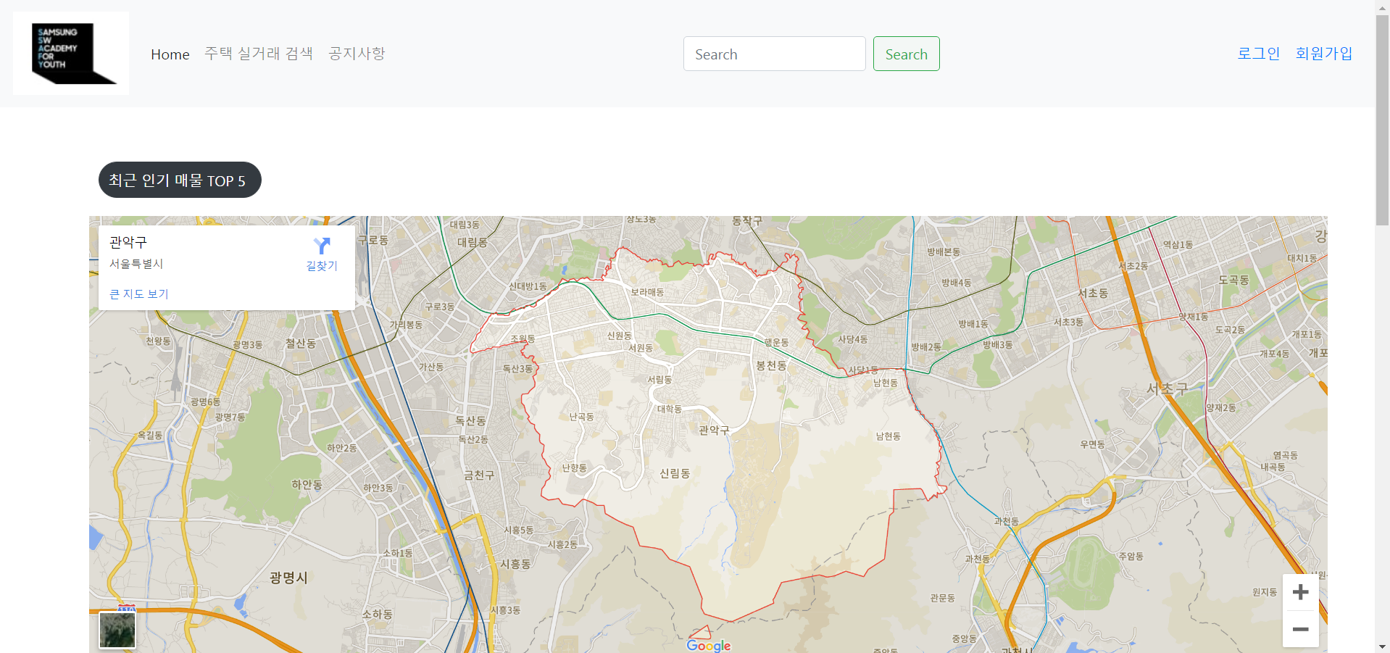
이름 | Component | router link to
메인 | home | /home
이미지

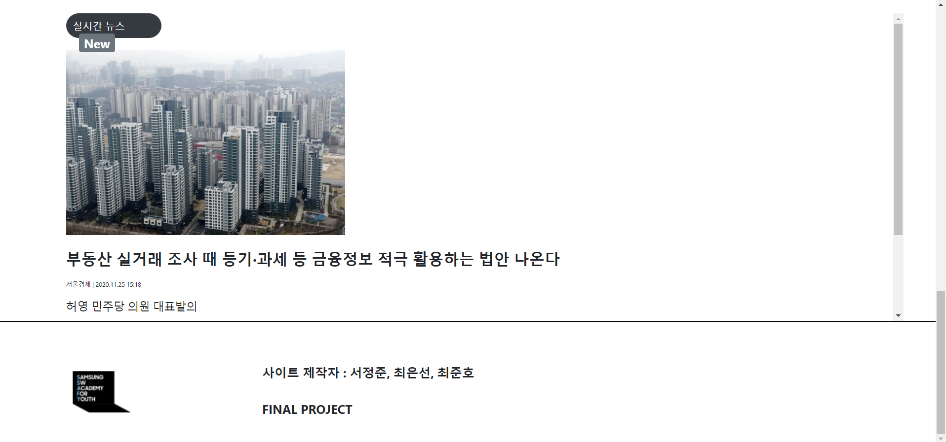

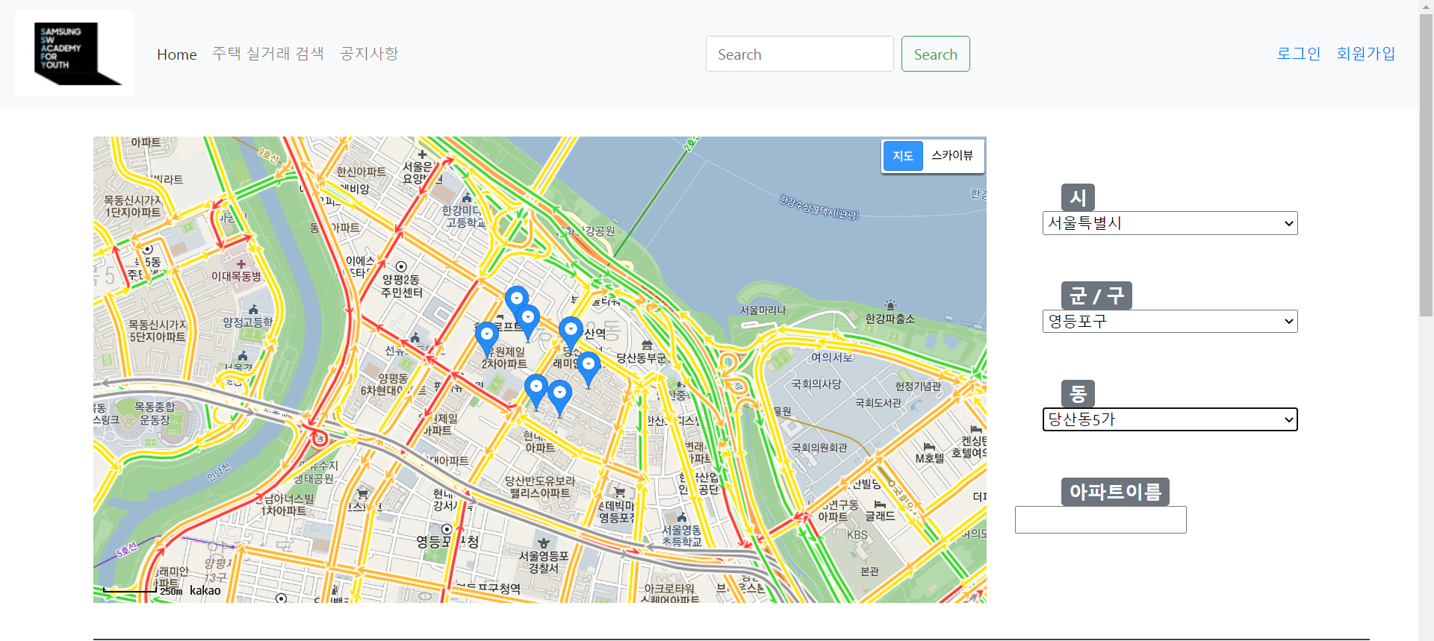
이름 | Component | router link to
메인 | map | /map
이미지

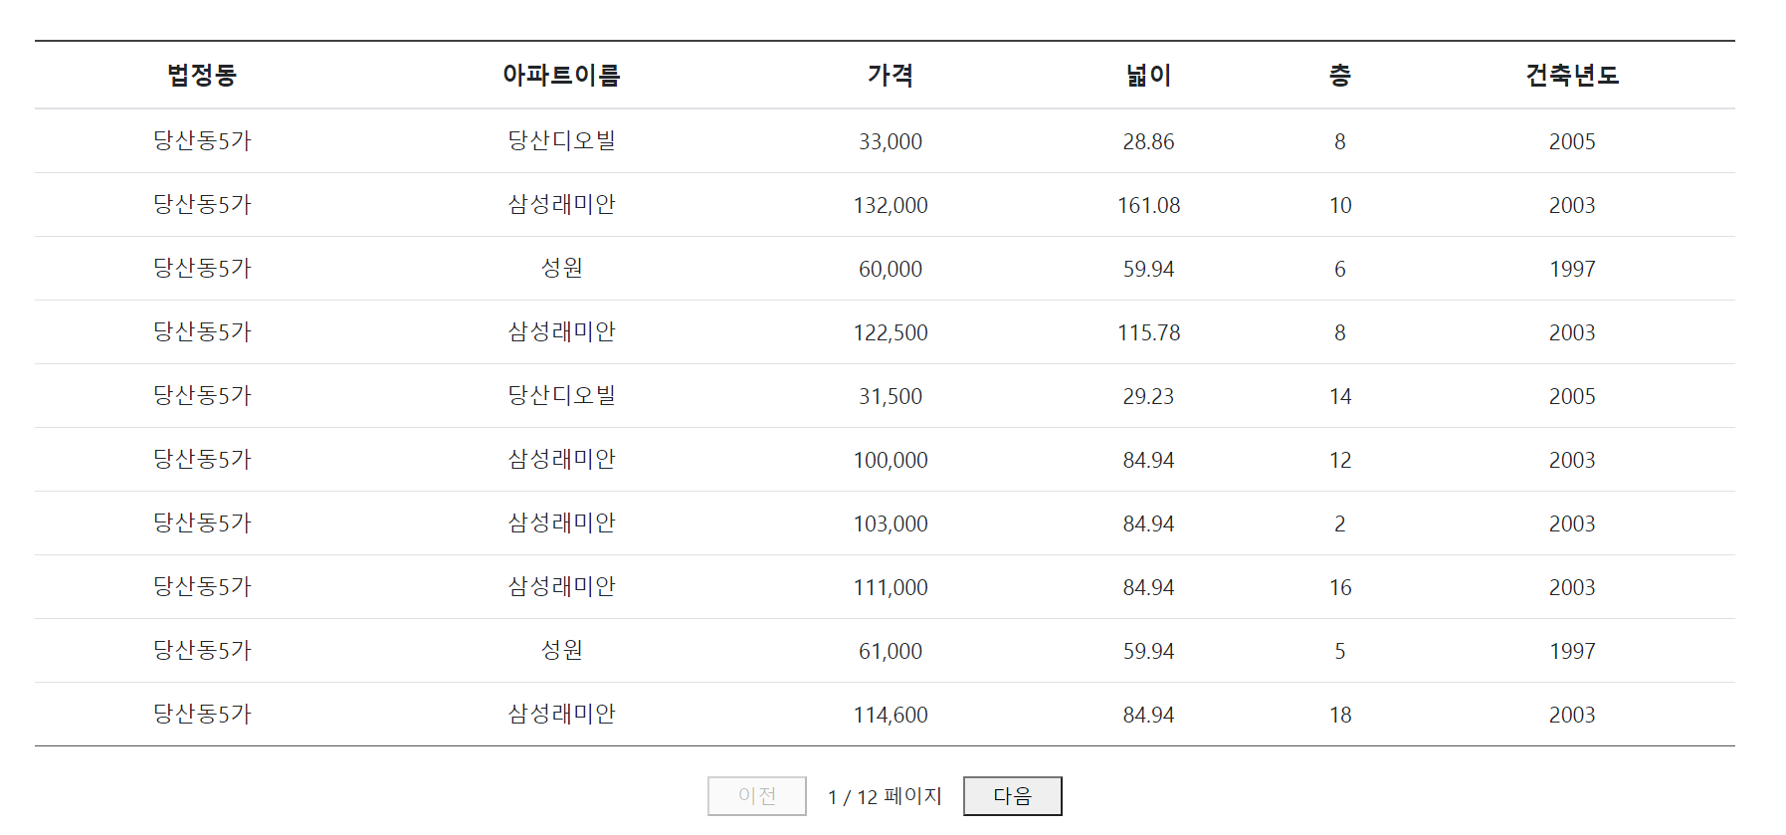

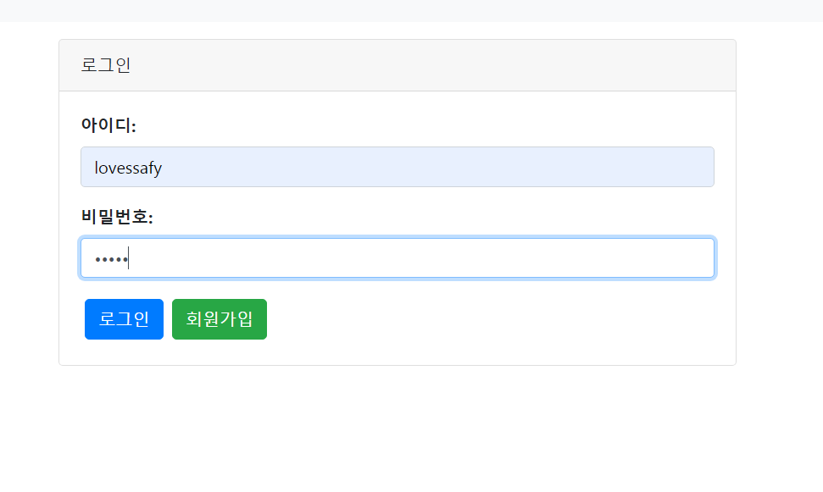
이름 | Component | router link to
메인 | login | /login
이미지

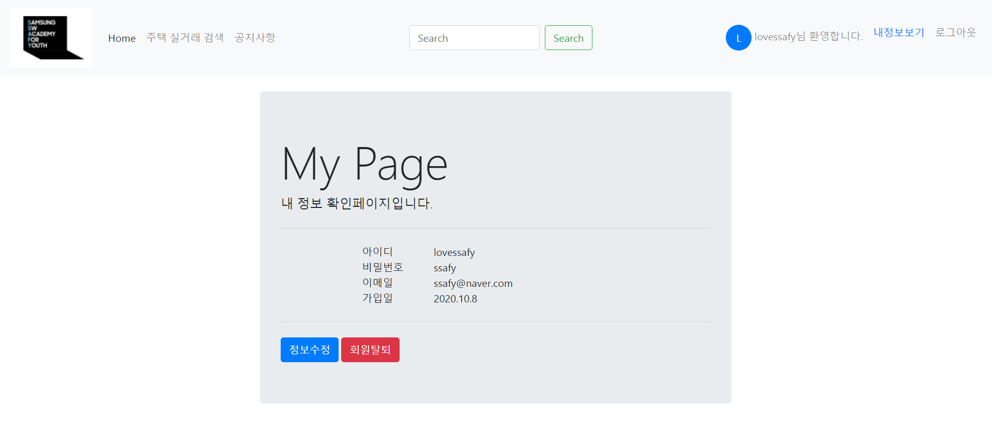
이름 | Component | router link to
메인 | me | /me
이미지

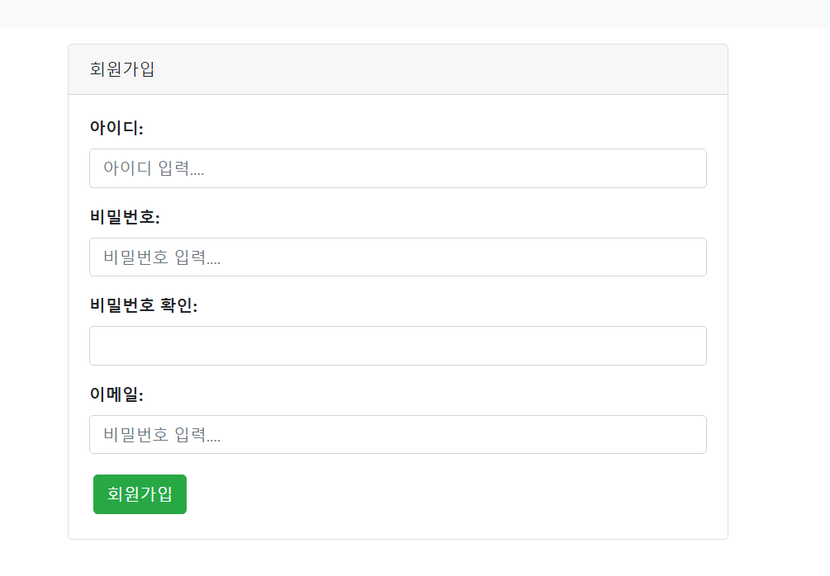
이름 | Component | router link to
메인 | join | /join
이미지

이름 | Component | router link to
메인 | board | /board
이미지

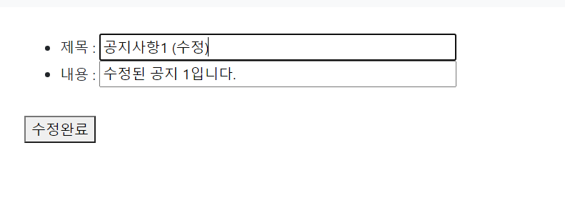
이름 | Component | router link to
메인 | boardEdit | /boardEdit
이미지

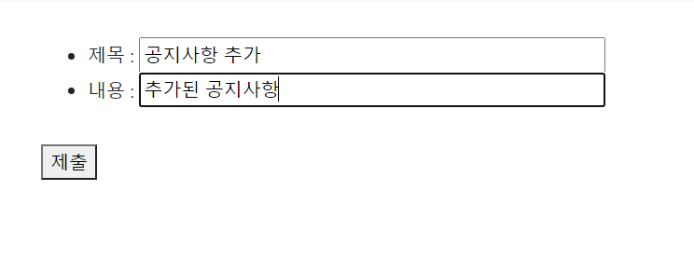
이름 | Component | router link to
메인 | boardCreate | /boardCreate
이미지

