ราคาก๊าซ LNG
สถิติราคาก๊าซ LNG

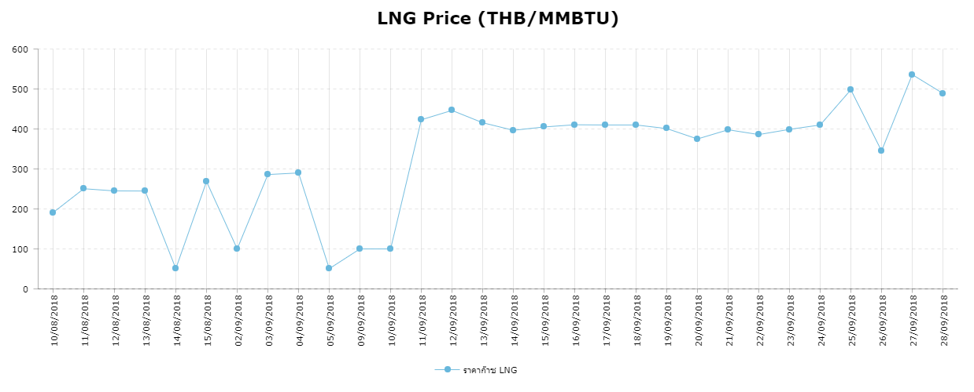

 | No |  | Date | LNG Price (THB/MMBTU)
 | 1 |  | 2018-10-08 | 190.87
 | 2 |  | 2018-11-08 | 250.55
 | 3 |  | 2018-12-08 | 245.08
 | 4 |  | 13/08/2018 | 244.8
 | 5 |  | 14/08/2018 | 50.77
 | 6 |  | 15/08/2018 | 268.574
 | 7 |  | 2018-02-09 | 100
 | 8 |  | 2018-03-09 | 286
 | 9 |  | 2018-04-09 | 290
 | 10 |  | 2018-05-09 | 50.55
 | 11 |  | 2018-09-09 | 100
 | 12 |  | 2018-10-09 | 100
 | 13 |  | 2018-11-09 | 423
 | 14 |  | 2018-12-09 | 446.4
 | 15 |  | 13/09/2018 | 415.6
 | 16 |  | 14/09/2018 | 396.7
 | 17 |  | 15/09/2018 | 405
 | 18 |  | 16/09/2018 | 410.5
 | 19 |  | 17/09/2018 | 410
 | 20 |  | 18/09/2018 | 410
 | 21 |  | 19/09/2018 | 401
 | 22 |  | 20/09/2018 | 375
 | 23 |  | 21/09/2018 | 398
 | 24 |  | 22/09/2018 | 386
 | 25 |  | 23/09/2018 | 399
 | 26 |  | 24/09/2018 | 410
 | 27 |  | 25/09/2018 | 498
 | 28 |  | 26/09/2018 | 345
 | 29 |  | 27/09/2018 | 536
 | 30 |  | 28/09/2018 | 489

