Raw-Potable W.
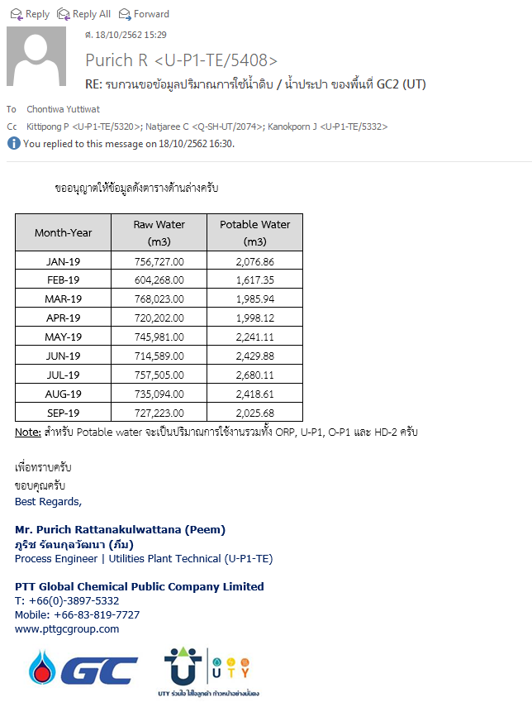
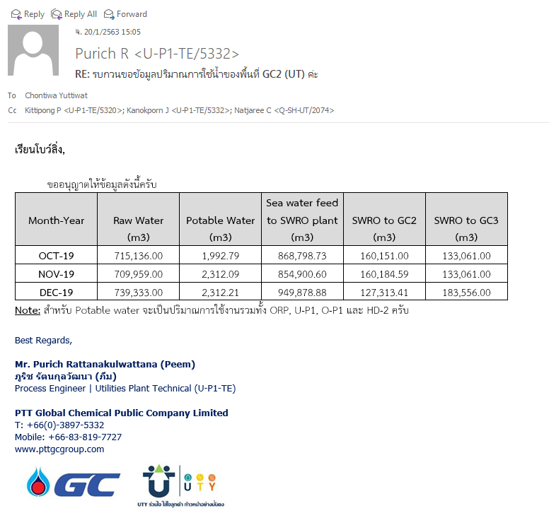
Water Consumption PTTGC2 (Utility)
Month | Raw water (m3) | Potable water (m3)
Jan-19 | 756,727.00 | 2,076.86
Feb-19 | 604,268.00 | 1,617.35
Mar-19 | 768,023.00 | 1,985.94
Apr-19 | 720,202.00 | 1,998.12
May-19 | 745,981.00 | 2,241.11
Jun-19 | 714,589.00 | 2,429.88
Jul-19 | 757,505.00 | 2,680.11
Aug-19 | 735,094.00 | 2,418.61
Sep-19 | 727,223.00 | 2,025.68
Oct-19 | 715,136.00 | 1,992.79
Nov-19 | 709,959.00 | 2,312.09
Dec-19 | 739,333.00 | 2,312.21
Total | 8,694,040.00 | 26,090.75

Water Consumption PTTGC2 (Utility)
Month | Raw water (m3) | Potable water (m3)
Jan-20
Feb-20
Mar-20
Apr-20
May-20
Jun-20
Jul-20
Aug-20
Sep-20
Oct-20
Nov-20
Dec-20
Total | 0.00 | 0.00

