Java Inerview Questions
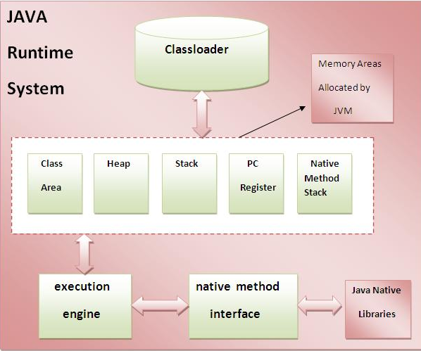
S.No | Question | Answer
1 | Java Code to Reverse a String | import java.util.*; class My_Class { public static void main(String args[]) { String original, reverse = ""; Scanner in = new Scanner(System.in); System.out.println("Enter a string to reverse"); original = in.nextLine(); For ( int i = original.length() - 1 ; i >= 0 ; i-- ) reverse = reverse + original.charAt(i); System.out.println("Reverse of entered string is: "+reverse); }}
2 | Java Code to Remove Duplicate from Arraylist a String | List<String> list = new ArrayList<String>(); System.out.println("Please enter a list of Members: ") list.add("Krishna"); list.add("Krishna"); list.add("Kishan"); list.add("Krishn"); list.add("Aryan"); list.add("Harm"); System.out.println("List"+list); for (int i = 1; i < list.size(); i++) { String a1 = list.get(i); String a2 = list.get(i-1); if (a1.equals(a2)) { list.remove(a1); } }
 |  | 1) Classloader:- Classloader is a subsystem of JVM that is used to load class files.
 |  | 2) Heap:- It is the runtime data area in which objects are allocated.
 |  | 3) Stack:
 |  | 4) Native Method Stack:- It contains all the native methods used in the application.
3 | JVM Architechture | 5) Execution Engine:- It contains: 1) A virtual processor 2) Interpreter:- Read bytecode stream then execute the instructions. 3) Just-In-Time(JIT) compiler:

4 | Write code to check a String is palindrome or not? | import java.util.*; public class Palindrome { public static void main(String[] args) { Scanner sc=new Scanner(System.in); System.out.println("Enter the String Needs to Check it is Palindrome or not"); String str1=sc.next(); if(str1==null) { System.out.println("No String is entered"); } else { StringBuilder str2=new StringBuilder(str1); str2.reverse(); if (str2.toString().equals(str1)) { System.out.println("The entered string "+str1+" is Palindrome"); } else { System.out.println("The entered string "+str1+" is not Palindrome"); } } } }

