Sheet1
 |  | Soil Combined |  | fdr adjusted p values |  |  |  |  |  |  | Low soil only |  | fdr adjusted p values
 | PI Ctrl | St Aug Ctrl | PI Rhiz | St Aug Rhiz | PI Soil | St Aug Soil | PI SxR | St Aug SxR |  | PI Ctrl | St Aug Ctrl | PI Rhiz | St Aug Rhiz | PI Soil | St Aug Soil | PI SxR | St Aug SxR
PI Ctrl |  |  |  |  |  |  |  |  | PI Ctrl
St Aug Ctrl | 0.476129 |  |  |  |  |  |  |  | St Aug Ctrl | 0.540083
PI Rhiz | 0.004055 | 0.000106 |  |  |  |  |  |  | PI Rhiz | 0.010768 | 0.000664
St Aug Rhiz | 0.022483 | 0.000982 | 0.714076 |  |  |  |  |  | St Aug Rhiz | 0.04349 | 0.003887 | 0.750545
PI Soil | 0.714076 | 0.136524 | 0.003702 | 0.027779 |  |  |  |  | PI Soil | 0.742371 | 0.192727 | 0.010128 | 0.05131
St Aug Soil | 0.943665 | 0.439704 | 0.000861 | 0.007183 | 0.595944 |  |  |  | St Aug Soil | 0.949052 | 0.485964 | 0.003266 | 0.017064 | 0.651555
PI SxR | 0.000434 | 1.29E-06 | 0.714076 | 0.462558 | 0.00011 | 1.49E-05 |  |  | PI SxR | 0.001854 | 3.62E-05 | 0.669795 | 0.473361 | 0.000785 | 1.88E-04
St Aug SxR | 0.002309 | 1.05E-05 | 0.749799 | 0.853288 | 0.000982 | 0.00013 | 0.304866 |  | St Aug SxR | 0.008749 | 0.000188 | 0.811741 | 0.860068 | 0.005294 | 0.001301 | 0.380638

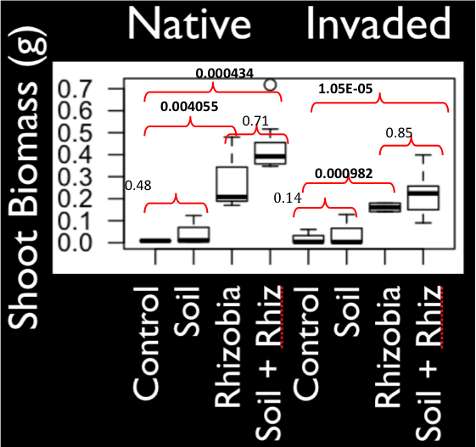
0.74
0.010768
0.001854
0.67
.46
0.003887
0.86
0.000188

