Plate 1 - Sheet1
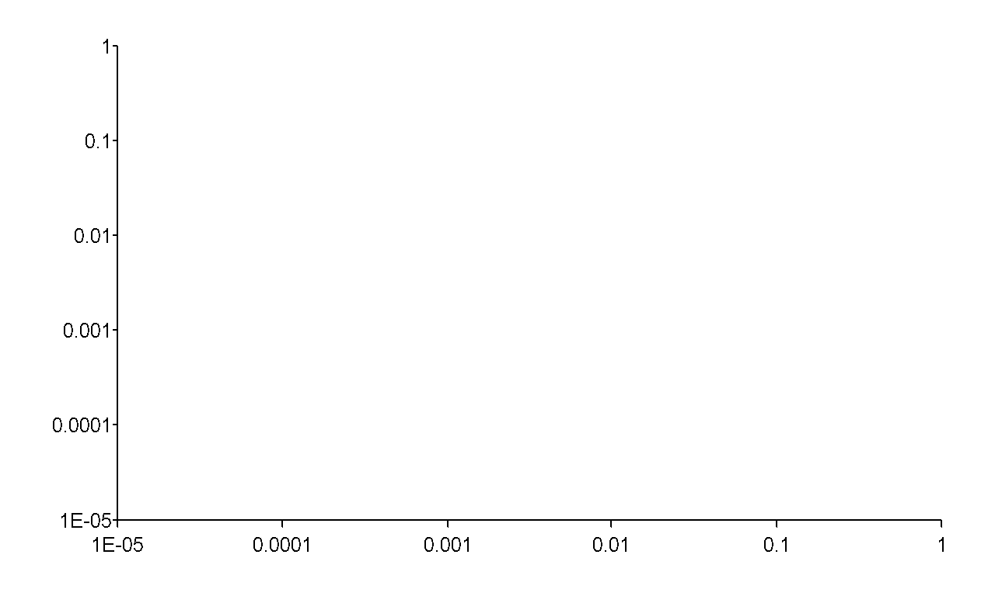
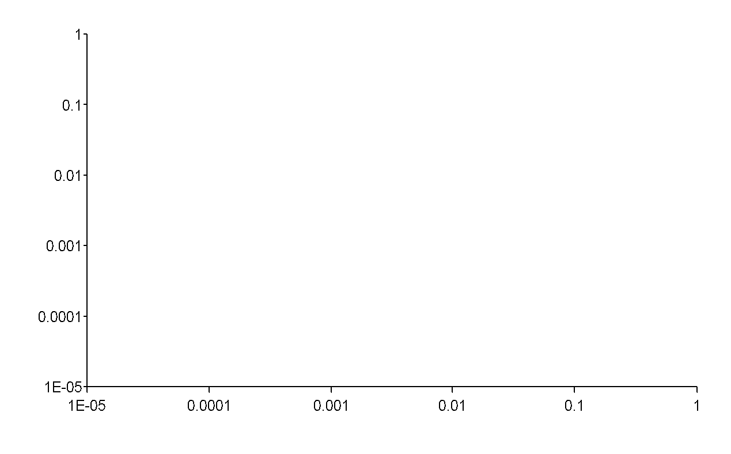
Procedure Summary
Plate Type | Costar 96 well half area - Use me for ELISA
Well Selection | Runtime
Eject plate on completion |  |  |  |  |  |  |  |  |  |  |  |  | Plate Map
Read | Read: (A) 450

Conc. (nM) | 1000 | 333.3333 | 111.1111 | 37.03704 | 12.34568 | 4.115226 | 1.371742 | 0.457247 | 0.152416 | 0.050805 | 0.016935 | 0.005645
 | 1 | 2 | 3 | 4 | 5 | 6 | 7 | 8 | 9 | 10 | 11 | 12 | Labels
A | 2.922 | 2.509 | 2.513 | 2.249 | 1.942 | 1.39 | 0.834 | 0.514 | 0.309 | 0.233 | 0.205 | 0.169 | dC52 | 450 | Return to Power Export Builder to modify the selection
B | 2.895 | 2.797 | 2.496 | 2.321 | 1.99 | 1.441 | 1.037 | 0.49 | 0.335 | 0.301 | 1.714 | 0.838 | dC52 | 450
C | 2.769 | 2.841 | 2.7 | 2.594 | 2.608 | 2.35 | 2.105 | 1.776 | 1.1 | 0.667 | 0.389 | 0.278 | B1 | 450
D | 2.737 | 2.813 | 2.803 | 2.655 | 2.631 | 2.41 | 2.193 | 1.65 | 1.125 | 0.728 | 0.357 | 0.234 | B1 | 450
E | 2.905 | 2.746 | 2.239 | 1.902 | 1.17 | 0.595 | 0.633 | 0.284 | 0.262 | 0.22 | 0.194 | 0.143 | B2 | 450
F | 2.841 | 2.693 | 2.392 | 1.74 | 1.092 | 0.598 | 0.331 | 0.265 | 0.215 | 0.234 | 0.343 | 0.604 | B2 | 450
G | 2.047 | 2.096 | 1.831 | 1.321 | 0.787 | 0.391 | 0.25 | 0.23 | 0.202 | 0.505 | 0.362 | 0.49 | B3 | 450
H | 2.429 | 1.959 | 1.766 | 1.291 | 0.824 | 0.451 | 0.306 | 0.238 | 0.229 | 0.251 | 0.162 | 0.164 | B3 | 450

Plate 2 - Sheet1
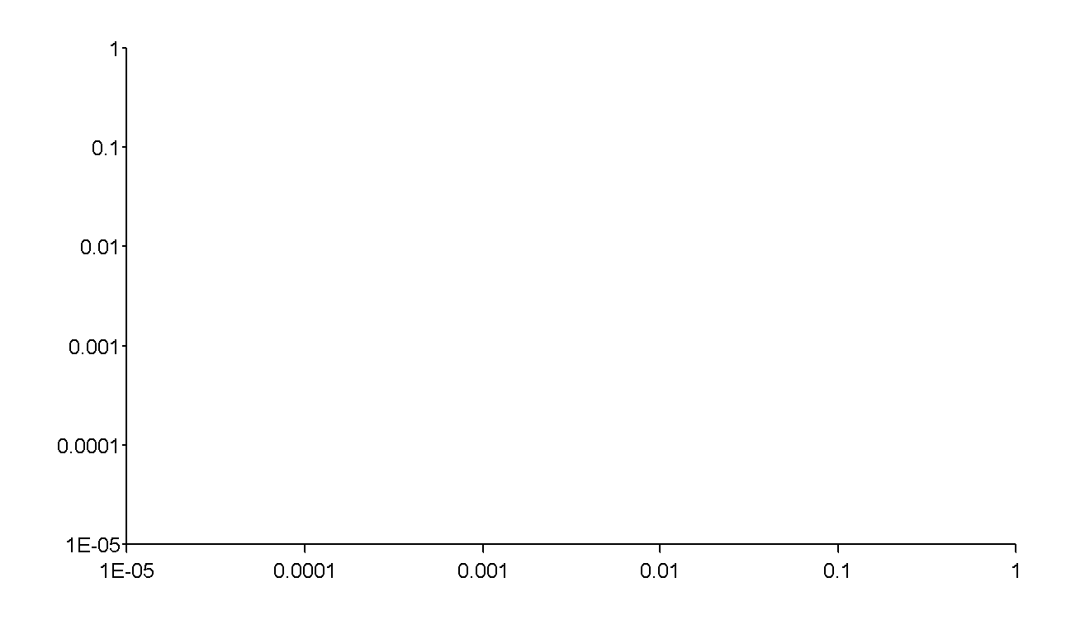
Procedure Summary
Plate Type | Costar 96 well half area - Use me for ELISA
Well Selection | Runtime
Eject plate on completion |  |  |  |  |  |  |  |  |  |  |  |  | Plate Map
Read | Read: (A) 450

Conc. (nM) | 1000 | 333.3333 | 111.1111 | 37.03704 | 12.34568 | 4.115226 | 1.371742 | 0.457247 | 0.152416 | 0.050805 | 0.016935 | 0.005645
 | 1 | 2 | 3 | 4 | 5 | 6 | 7 | 8 | 9 | 10 | 11 | 12 | Labels
A | 1.618 | 1.291 | 0.914 | 0.735 | 0.371 | 0.36 | 0.445 | 0.251 | 0.25 | 0.273 | 0.176 | 0.184 | B4 | 450 | Return to Power Export Builder to modify the selection
B | 1.728 | 1.395 | 0.956 | 0.618 | 0.373 | 0.23 | 0.214 | 0.218 | 0.221 | 0.301 | 0.243 | 0.236 | B4 | 450
C | 1.313 | 0.875 | 0.52 | 0.498 | 0.269 | 0.201 | 0.223 | 0.218 | 0.244 | 0.276 | 0.264 | 0.167 | B6 | 450
D | 1.287 | 0.984 | 0.539 | 0.344 | 0.279 | 0.188 | 0.213 | 0.194 | 0.196 | 0.257 | 0.279 | 0.213 | B6 | 450
E | 0.646 | 0.607 | 0.452 | 0.32 | 0.228 | 0.209 | 0.174 | 0.17 | 0.216 | 0.204 | 0.181 | 0.181 | B7 | 450
F | 0.77 | 0.573 | 0.433 | 0.338 | 0.241 | 0.239 | 0.214 | 0.336 | 0.238 | 0.203 | 0.284 | 0.303 | B7 | 450
G | 3.047 | 2.926 | 2.419 | 1.901 | 0.992 | 0.548 | 0.366 | 0.388 | 0.262 | 0.286 | 0.235 | 0.768 | B8 | 450
H | 2.807 | 2.721 | 2.304 | 1.67 | 1.057 | 0.585 | 0.272 | 0.24 | 0.212 | 0.196 | 0.255 | 0.196 | B8 | 450

