Plate 1 - Sheet1
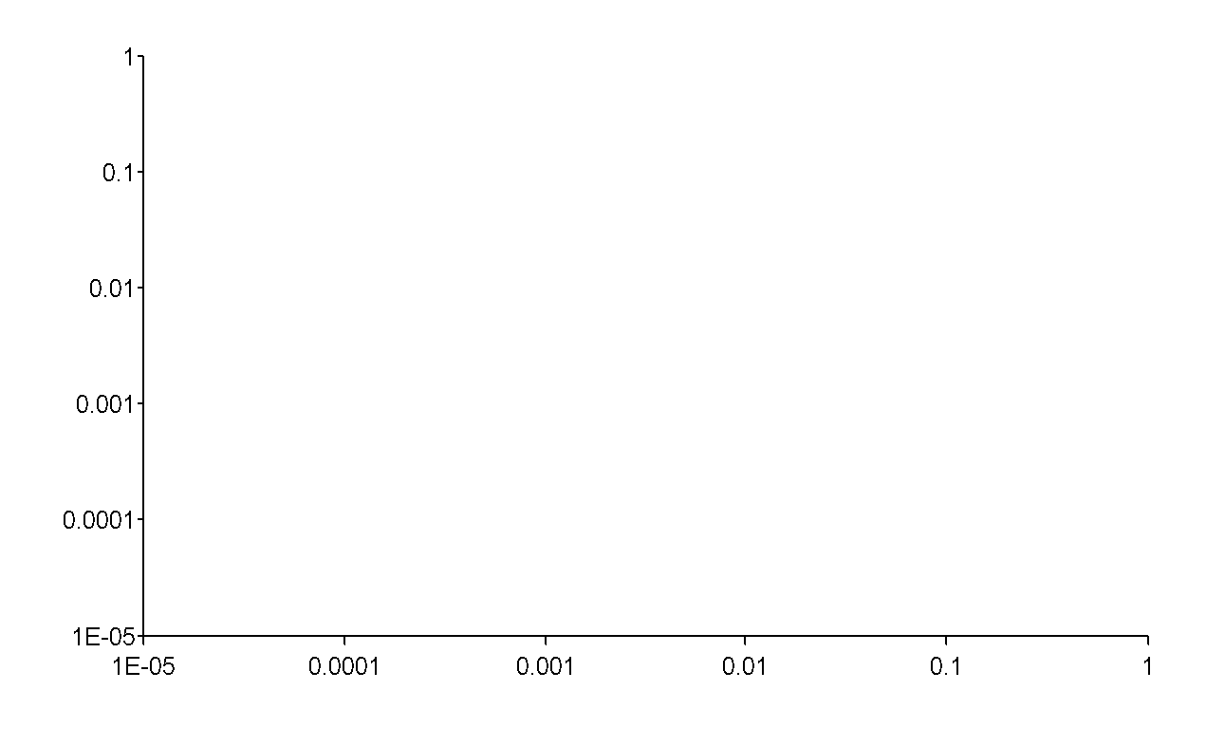

Procedure Summary
Plate Type | 96 WELL PLATE- Kartiks First
Well Selection | Runtime
Eject plate on completion |  |  |  |  |  |  |  |  |  |  |  |  | Plate Map
Read | Read: (A) 450

Conc. (nM) | 1000 | 333.3333 | 111.1111 | 37.03704 | 12.34568 | 4.115226 | 1.371742 | 0.457247 | 0.152416 | 0.050805 | 0.016935 | 0.005645
 | 1 | 2 | 3 | 4 | 5 | 6 | 7 | 8 | 9 | 10 | 11 | 12 | Labels
A | 2.535 | 2.502 | 2.061 | 1.914 | 1.734 | 1.115 | 0.737 | 0.388 | 0.258 | 0.42 | 0.2 | 0.145 | dC52 | 450 | Return to Power Export Builder to modify the selection
B | 2.405 | 2.379 | 2.107 | 1.936 | 1.72 | 1.166 | 0.743 | 0.384 | 0.338 | 0.22 | 0.165 | 0.134 | dC52 | 450
C | 2.494 | 2.549 | 2.273 | 1.829 | 1.28 | 0.786 | 0.459 | 0.285 | 0.229 | 0.17 | 0.138 | 0.134 | B29 | 450
D | 2.511 | 2.6 | 2.323 | 1.861 | 1.442 | 0.803 | 0.479 | 0.298 | 0.261 | 0.17 | 0.167 | 0.171 | B29 | 450
E | 2.733 | 2.488 | 2.016 | 1.391 | 0.742 | 0.423 | 0.256 | 0.22 | 0.211 | 0.208 | 0.179 | 0.173 | B30 | 450
F | 2.641 | 2.822 | 2.073 | 1.282 | 0.808 | 0.416 | 0.251 | 0.219 | 0.217 | 0.18 | 0.17 | 0.122 | B30 | 450
G | 2.656 | 2.823 | 2.257 | 1.807 | 1.164 | 0.692 | 0.447 | 0.289 | 0.573 | 0.312 | 0.167 | 0.164 | B31 | 450
H | 2.606 | 2.689 | 2.215 | 1.644 | 1.119 | 0.704 | 0.351 | 0.318 | 0.213 | 0.361 | 0.291 | 0.132 | B31 | 450

Plate 2 - Sheet1
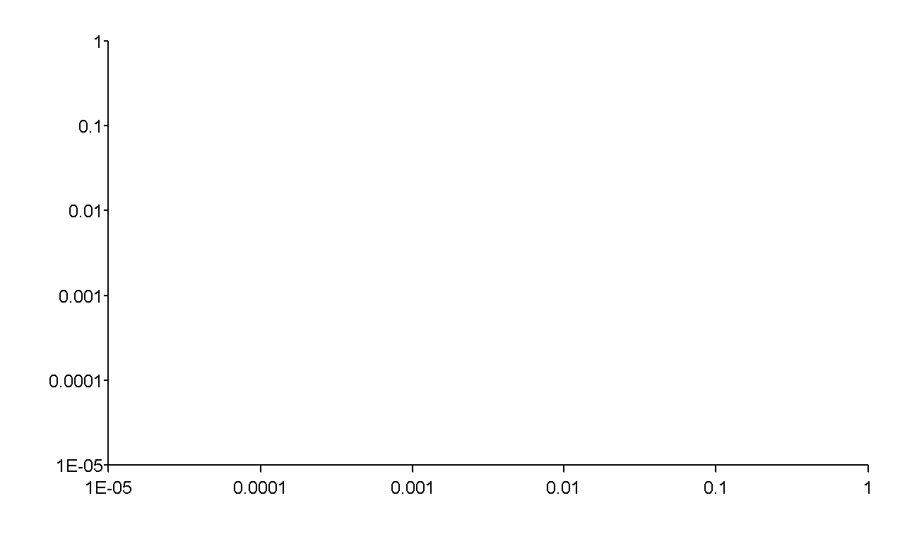
Procedure Summary
Plate Type | 96 WELL PLATE- Kartiks First
Well Selection | Runtime
Eject plate on completion |  |  |  |  |  |  |  |  |  |  |  |  | Plate Map
Read | Read: (A) 450

Conc. (nM) | 1000 | 333.3333 | 111.1111 | 37.03704 | 12.34568 | 4.115226 | 1.371742 | 0.457247 | 0.152416 | 0.050805 | 0.016935 | 0.005645
 | 1 | 2 | 3 | 4 | 5 | 6 | 7 | 8 | 9 | 10 | 11 | 12 | Labels
A | 2.28 | 1.653 | 0.817 | 0.458 | 0.44 | 0.169 | 0.179 | 0.19 | 0.195 | 0.154 | 0.163 | 0.201 | B32
B | 2.315 | 1.676 | 0.947 | 0.964 | 0.399 | 0.21 | 0.174 | 0.185 | 0.19 | 0.196 | 0.198 | 0.146 | B32
C | 2.162 | 1.885 | 1.166 | 0.698 | 0.373 | 0.265 | 0.181 | 0.168 | 0.237 | 0.337 | 0.262 | 0.286 | B33
D | 2.292 | 1.709 | 1.175 | 0.907 | 0.564 | 0.244 | 0.15 | 0.17 | 0.21 | 0.176 | 0.145 | 0.234 | B33
E | 2.694 | 2.9 | 2.921 | 2.612 | 2.554 | 2.359 | 2.068 | 1.416 | 0.823 | 0.494 | 0.308 | 0.261 | B34
F | 2.547 | 2.733 | 2.883 | 2.63 | 2.686 | 2.314 | 2.033 | 1.349 | 0.823 | 0.427 | 0.315 | 0.24 | B34
G | 2.505 | 2.623 | 2.461 | 2.087 | 1.582 | 0.856 | 0.467 | 0.296 | 0.258 | 0.204 | 0.195 | 0.153 | B35
H | 2.255 | 2.593 | 2.409 | 2.212 | 1.597 | 0.948 | 0.512 | 0.339 | 0.275 | 0.224 | 0.209 | 0.161 | B35

