Dynatrace
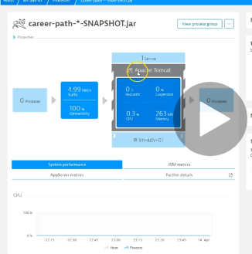
https://www.youtube.com/watch?v=ZwqaEcSqWtU

technologies with dynatrace
One agent |  | Holistic agents for all the layers
Purepath
Smartscape

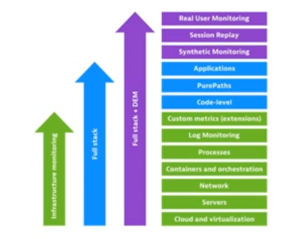

DEM - Digital Experince monitoring capability

when we want deeper understanding of whats happening in the servers , we opt for APM - application performance monitoring

Real user Monitoring
Mobile APP monitoring -- IOS or Android
Server side Service Monitoring - Specific web request is going to Apache tomcta server
Network Monitoring
Process Monitoring
Host level Monitoring
Cloud and VM monitoring
Container Monitoring
Root casue analaysis can be done

Different from other tools:
Automatic - configuration of one Agent , then no need to do anything else
Full stack
AI to the core -- Auto learning and Auto base lining
web scale - Auto scale -- elastcity -- if your data keeps on growing, it Auto scales
Browser side monitoring -- User actions, user sessions , each and every internal brower metrics, visula complete, Time --to First byte

Dynatrace On premise and Dyntrace Saas
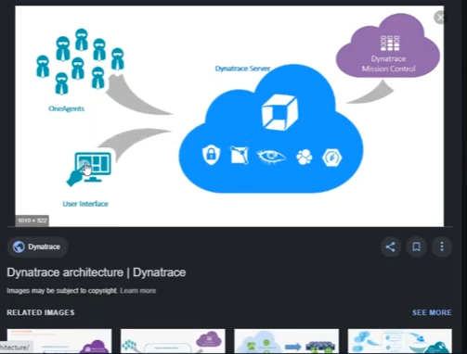

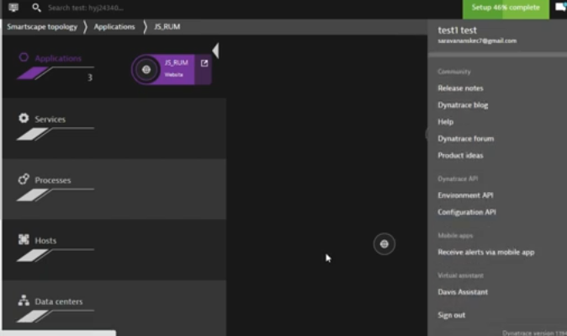

when we use dyntrace saas, for linux we will get wget url to download the one agent :
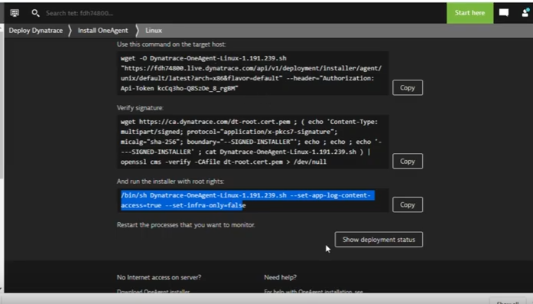

Full stack monitroing with Dynatrace, it is rapidly evoling application monitoring tool, it has already embraced technological breakthroughs like Artificial intelligence and cloud computing

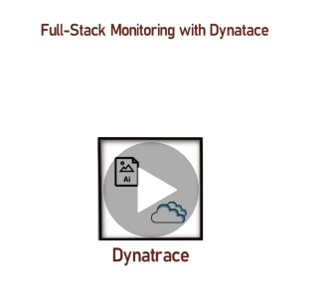
 |  |  |  | if dyntarce is implemneted in a product team, every vertical in the team has some metrics to monitor which will be useful to improve product

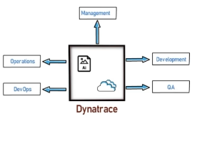

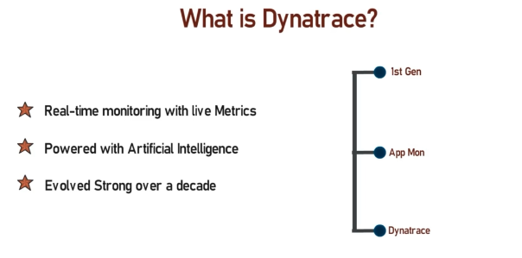

Dyntrace is used to monitor the application real time with live metrics

1st gen Application performanc emontioring tool a decade ago
app mon

2013 - dyntarce was intoduced |  |  | resemblence between App mon and dynatrace

Dynatrace is All-in one solution with an array of capabilities to monitor and analyse the overall health of the application and environemnet including 3rd party services
1. Applciation performance monitoring
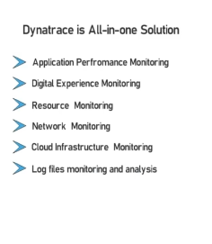

All these can be monitored and controlled using rich web user-interface which can be loaded in any browser , any where.. To give these metrics/solutions, dyntrace requires much granular data from the server
.. All these data can be collected by installing only 'One Agent'
All you have to do install a single agent in the systems u have to monitor..
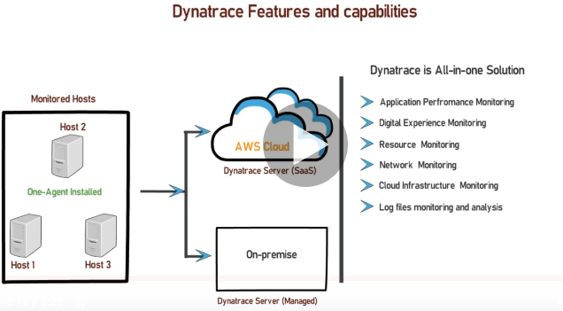
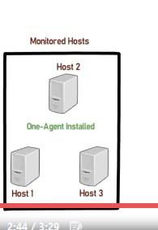

for processing the collected data ,we need dynatrace servers.. Dynatrace provides two solutions for this
1. Dynatrace provides highly available dynatrace server which is in Amazon cloud, provides as Saas -software as service
2. in case ur organisation doesn’t allow cloud solutions, u can opt for Dynatrace manged server-- on premise cluster of dynatrace -- whih provides all the feature sof dynatrace

For dyntarace its possible to full stack performance montironing of the application
monitoring starts at the user interaction doen throigh user interface, I sprovided by your front-end and the monitoring extends to each and every tier of the product
this includes, services your application is interactng with and the host where your services are running
Dynatrace also monitors your application interactiosn with 3rd party libraries and solutions and the level of montioiring is very deep , you can narrow down the issues to code level
Apart from this, u can also monitor your log files fro issue sin your applciation,
if you have hosted your application in cloud , the whole cloud infrastrcute can be monitored
To provide the sofistaced metrics, real time data has to be collected from the application / hosts .. To collect the data. One Agent is installed in all hosts which has to be monitored.
This one agent will Auto-discover all applciations, services , process , 3rd parties , the data related to discovered entities and services are sent to dyntrace server
then Artificial intelligent powered dynatrace server server will receive the data and do required analysis to connect the dots and figure ot the application flow.
Then dynatrace server will process the data and display the metrics and alerts in Dynatarce User Interface
saas -- in cloud
managed serevr -- dyantrace serevrs in clusetred enviroenment in on -premise

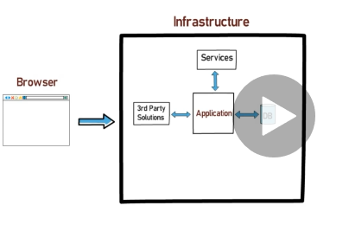
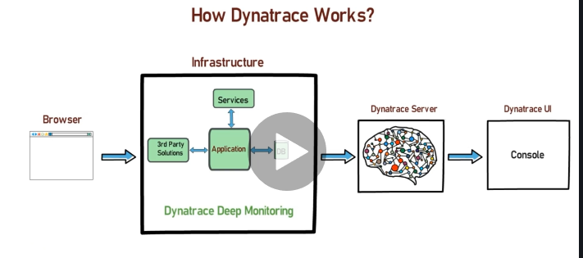

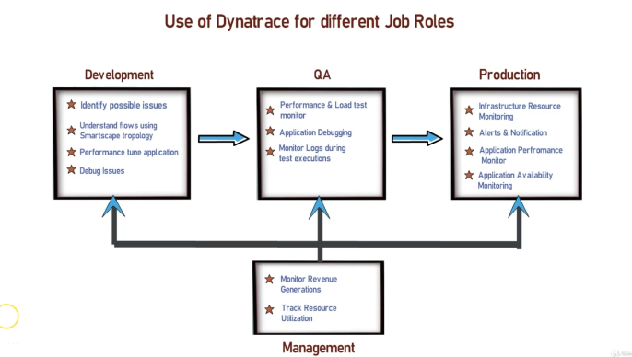

After installing the one agent , click on hosts / Agenst overview to check how many hosts have got your one agent installed.

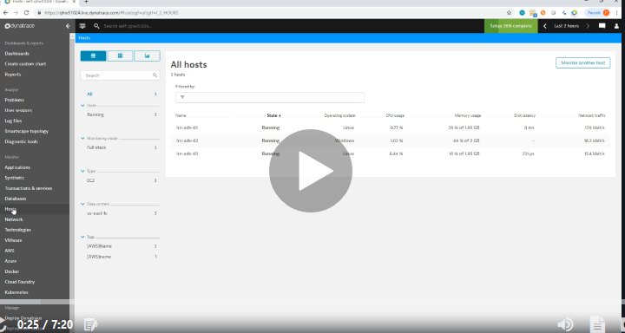

 |  |  |  |  | These are hosts which ae under dynatrace monitoring, by clicking on the machine , u will get all details of that machine

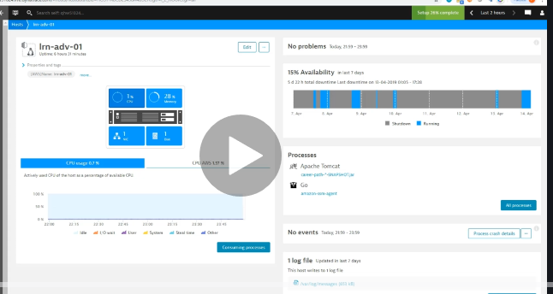

 |  |  |  |  | Host page
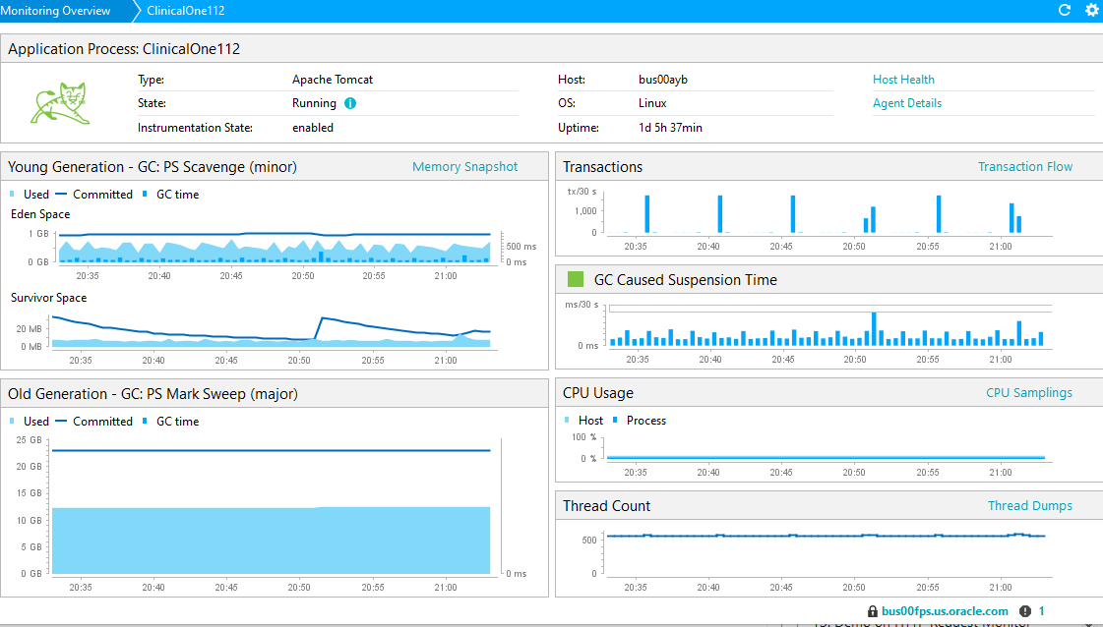

Host page
different types of metrics in host page
clicking on links on this page , it redirects to another page , involves lot sof page navigation

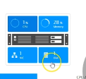
top left corner , we will see overview of CPU , Memory , network and disk
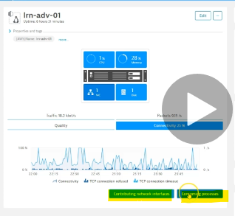
By clicking on CPU , we will see the graph for CPU usage in bottom
By Clicking on Memory, we will see Memory usage graph and page faults
By Clicking on Network, we will get 4 kinds of graphs related to traffic
1. Traffic received and sent per second
2. packets received and sent per second
3. overall quality of transmission, here we get a grpah on dropped packets , errors , re transmission on sent and received packets
4. final tab shows the graph on TCP connection

In all 4 tabs, we have two button s.. 1. continburing network interface button - this shows network to different devices(we can select the devices from the list of devices conneceted to our server in the infrastaructure)
2 | consuming process -- available for network and memory tabs
 | clicking on this button, we will get detaisl on cpu memory and netwrok details on the processes running on this host

Wireshark
https://www.youtube.com/watch?v=jWJIGqW6PrY&list=PLf7mnRiwSq8ESQjGj6lg4SgkJ9I3lvBd1
https://www.udemy.com/course/learn-wireshark-in-a-practical-way/learn/lecture/10876948#overview

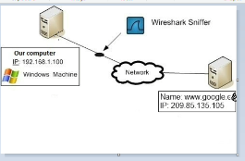

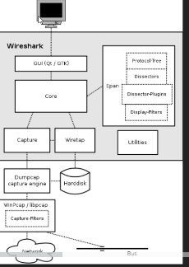

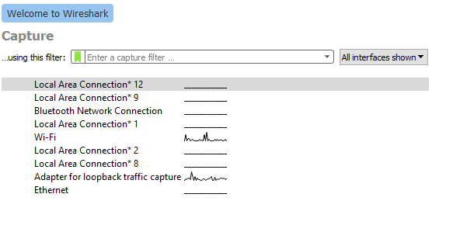

 | All the inerfaces are shown here , but I m getting connectivity via Wifi .. And Adapter for loop back is : I have connected my adapter to my mobile.

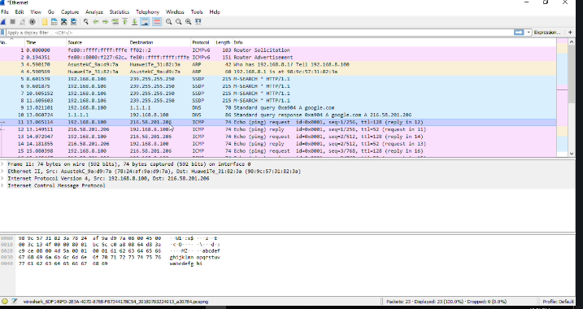

 |  | there will be multiple lines displayed based on the internet connection , if its ethernet(LAN)or connected to any Vmware or Wifi.

 |  | If you select the line where you see the network being captrued, you can see the information about packets being received and sent .. If you perform any action on the AUT , u can see the IP address of both sourec and destination in the panel along with time and packet number

Find the specific IP address, you can filter
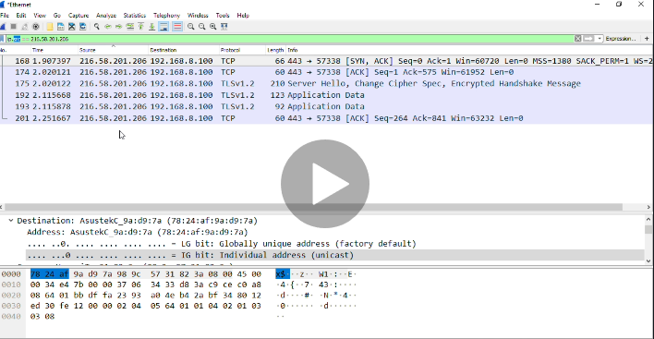

ip.addr == '192.168.8.100'
ip.src == ''
ip.dst == ''

you can use ping , nslookup or dig(search in webpage) to find out the ip address

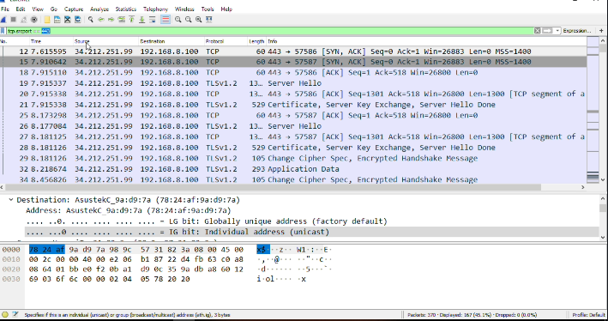

 |  | tcp.port
 |  | tcp.srcport
 |  | tcp.dstport

