Client side
https://dzone.com/articles/client-side-performance-testing

https://www.perfmatrix.com/automate-client-side-performance-metrics-collection/
https://dzone.com/articles/client-side-vs-server-side-rendering-what-to-choos

Client-Side Performance Testing

If you're worried about the performance of your web application, you need to test and analyze what happens in the browser.

by
RadhaKrishna Prasad
·
Jan. 14, 20 · Performance Zone · Analysis
Like (3)

Comment (0)

Save
Tweet
9,704 Views



Find out more about client-side performance!

Client-Side Performance Testing Importance and Introduction

If you're worried about the performance of your web application, you need to test and analyze not only with what happens on the server but also with what happens in the browser. Some commercial performance-monitoring solutions already take this into account, allowing performance engineers to see how long it takes for elements to render, and then to execute, on your users' browsers. There is also no shortage of open-source tools available for you to check and improve the ways in which your client-side programs are executing and working.

You may also like: Client-Side v/s Server-Side Rendering: What to Choose When?

Page load time is one of the most important metrics in web applications. According to Yahoo, around 80% of application response time is spent downloading elements such as images, stylesheets, scripts, etc. To speed up response time requires strong servers and a well prepared and tested application.

This is where performance tests come in. They analyze the speed, scalability, and stability, sustainability of an application, checking for memory leaks, how the application works under a certain load, and look for any bottlenecks.

To provide better feedback, performance tests are divided into two types: server-side and client-side. When you are testing server-side code, you are testing the logic and readiness of your application. When you are testing the client-side, you are doing end-to-end testing.

To verify if an application is fast and efficient enough, we use client-side performance tests. This means checking the response time of a web application from the point of view of a single user. We execute these tests against two scenarios:

1. A user coming to the web page for the first time (without cache).
2. A user coming back to our page (with cache).

Client-Side Performance Considerations

The client-side code is written in JavaScript. The code, whether inline in <script> tags or retrieved from a remote server, executes whenever the browser's parser gets to that part of the page. If you have JavaScript at the top of the page, it'll be executed when the parser gets to it, potentially delaying the rendering of the rest of your page.

If your JavaScript is at the bottom, the parser will execute it only after parsing and rendering the rest of the page. This is why so many developers learned to put their JavaScript commands inside a "document-ready" callback function. In that way, the code was executed only once the entire page had been loaded.

When loading JavaScript from remote servers means that the time it takes to render a page depends not just on the server speed, the network bandwidth, and the page's complexity, but also on the servers and networks serving such JavaScript, as well as those pages' complexity.

Consolidating all our JavaScript files into a single file has many advantages. It means the user's browser needs to download a single file, rather than many of them. If you include all of the JavaScript needed on your site in a single file, it also means that the file needs to be loaded only a single time.

On every subsequent page load, the JavaScript will be mentioned, but it won't be downloaded, because it'll already be cached in the browser's memory. This turns out to be extremely effective because compression algorithms work well wrt performance.

It is always a good practice to run your JavaScript code with “minimizer” or “minified” which removes comments, extra spaces and everything else that is not necessary for client-side programs to run. Also, by combining and compressing the files we can reduce the JavaScript size that is being sent to users’ browsers and ensure that is loaded only once per visit to your application/website.

Client-Side – Front-End Performance Testing Challenges

Performance depends almost entirely on everything. The greatest threat to performance was likely to be the connection speed, followed by server overload. The browser spent much of its time with a fully loaded page of HTML, just waiting for graphics and other content.

How quickly basic page features load?
Visible text.
Graphics.
Formatting and layout (CSS).
Functional elements (buttons, links, forms, etc.).
Understanding the priorities on how quickly functional elements become responsive (at all) to user actions.
How quickly functional elements are able to carry out user requests.
How long it takes for the entire page and all of its functionality to load.
Matching the exact real-world environment with real content and new code.
Identifying which elements are important in a Page and when do they load?
Concluding the issue – Is the issue Front end or Server-side?

Client-Side Performance Priorities

1. Basic text and layout. The visible framework of the page should load quickly, with key text elements placed in the correct location.
2. Functional elements. Ideally, these should be visible, responsive, and fully functional as soon as possible.
3. Formatting and images. In a page where graphics are not crucial, CSS and graphics can load after functional elements.

Download Time

Once the JavaScript is in the user's browser, things are both easier and harder to analyze. We will see how long it takes for each of the JavaScript (and CSS, and image) files to download and how much time it takes between the user requesting your page and the content actually appearing on it. This is a great way for you to identify potential bottlenecks and then reduce their effect on the slowness of your site.

Once we have combined and compressed your JavaScript files, we should consider putting them, as well as any other static assets (such as CSS files and images), on a content distribution network (CDN) for high performance and availability. Using a CDN reduces the load on your main web server while decreasing the actual and perceived download times.

Benchmarking JavaScript

It is sometimes hard to know where your program is spending most of its time. Go to the "profile" tab in the developer tools and select the CPU option before visiting your site. You can run through your site for a few seconds or minutes before stopping the profiling from taking place. Once you've done that, you'll get a (very long) indication of which JavaScript programs were running, where they came from and how much time the CPU and memory spent in each one.

We have to profile the JavaScript code, the most frequently used code and the underlying framework that is using. All the client-side performance tools and plugins provide great details like why issues are problematic and what steps you can take in order to fix them. The tools will also suggest which images could be compressed and how much space we would save by doing it.

Scope of Client-Side Performance Testing

We always include client-side performance tests in our scope of tests to ensure that the delivery of projects is of the highest quality. Every performance engineer should care about industry standards and always seek to implement best practices to ensure better performance.

The first step is to define the scope of Client-Side Performance Testing. This should be defined in the Non-Functional Test plan and agreed by the client. The scope may include:

Client-side analysis of all aspects of performance.
Find bottlenecks.
System optimization.
Identifying risk related to client-side performance.

We would then provide a recommendation on client-side performance bottlenecks after completing the client-side performance tests. The results will be published with detailed analysis and recommendations along with the performance issues fixed from the client-side with the help of Client-side Performance testing tools that we use wrt to our various business demands.

Client-Side Test Types

The Non-Functional Test plan should also present information about Client-side performance test types. We can execute three types of tests:

Desktop tests — Client-side tests on the desktop browser.
Mobile tests — Client-side tests on mobile devices.
Limited resources test — Client-side tests with limited resources of CPU, memory, network, localization, etc.

When Client-Side Performance Testing should happen?

The Non-Functional Test plan will also summarize when Client-Side performance tests should be executed. Usually, this would be before or during the UAT phase. But the good practice is to execute it as soon as an application or even a single page is ready.

Which Environment We Should Use for Client-Side Performance Testing?

Ideally, for Client-side performance testing, the application should be released and present in an environment similar to production. In order to act early and to protect from any issues, we can run static analysis on any other environment where new code is present.

Performance engineers should make sure that the application is ready for non-functional tests and is populated with real content. We recommend running tests on real content because this shows the information on how content can affect the size of the page and the whole performance of the page. If real content is not available, the best practice is to prepare a production-like environment with new code to execute the client-side performance tests.

If we are executing the client-side performance test on a production-like environment with a new code, we always consider what is most important for the client and try to cover as many components and templates as possible. Last but not least, we make sure that we have access to the environment where we conduct these Client-side performance tests. Without access, our tests will not be executed or our results will be inaccurate.

Client-Side Performance Testing Tools

We have many Client-side Performance testing tools available in the market. When we are ready with the client-side performance testing strategy, scope and plan we can execute our tests but we still need to choose which tools we will use. The simplest tools that we use in our daily work are Chrome Developer tools. We can use these for client-side performance tests but this will mostly be manual work.

Google PageSpeed

To automate tests we can use Pagespeed also developed by Google. It is an automated scanner that analyzes an application and gives us a grade and helpful tips on how to improve the performance of the tested application.

WebPageTest

We also use and recommend WebPageTest which speeds up the execution time of tests. Or, Automated Scanner provides grades from scanning the application but also provides information such as speed index, total load time or time to the first byte

Dynatrace

Dynatrace is a powerful tool for profiling page load. It records all activities which occur during the load and gives comprehensive reports. The collected data includes information about all subrequests, information on internal timings values (full page loading, DOM model loading, rendering of the page and so on), the execution time for each JS-function and much more.

Talking about drawbacks, the tool works only with IE browsers as it operates via plugin and works only in the Windows environment. Despite this minor inconvenience, I think this tool is a “must-have” for every web developer.

Browser Plugin’s

Everyone knows FireBug for the Firefox browser. But not everyone uses it for performance testing purposes. The “Net” tab within the plugin provides the ability to analyze the statistic of each activity taking place within the browser. Adding the "NetExport" plugin allows exporting all recorded data to the HAR format for further investigations.

There are two other similar plugins: PageSpeed from Google and YSlow from Yahoo. Both tools provide reports about the general performance of a page and hints for improvement. Another tool — online service GTmetrix- helps to leverage all the plugins mentioned above. You just enter the URL of a webpage and promptly receive a summary report.

Important Metrics in Client-Side Performance Testing —What To Measure?

First Reaction – Time to First Byte (TTFB)

Time from the start of the initial navigation until the first byte of the base page is received by the browser (after following redirects)

Content Appears – Time to Start Render

Time from the start of the initial navigation until the first non-white content is painted to the browser display

Page Processing Completed – DOM Content Ready End

The point when the HTML Parser has reached the end of the document which means it has executed any blocking scripts. The CSSOM may not be complete yet

Full Page Loaded – Doc Complete Time

The onload event which fires when all of the scripts, CSS, and images defined in the HTML have finished loading (including below the fold content)

Techniques to Improve Client-Side Performance

We need to understand and optimize the following:

1. Architecture.

2. How content gets delivered to the end-user.

Conclusion

Using a wide variety of client-side performance testing tools to check the site/application performance, as well as to reduce the size and time of JavaScript and CSS downloads, will go a long way towards improving the users' satisfaction of the websites and applications

Thanks for reading the article. Happy Learning:)

Further Reading

Should Your Browser Make Client-Side Web API Calls?

Performance Testing of Mobile — How Is This Different?

Skills Required To Be A Perfect Performance Engineer

Like This Article? Read More From DZone

https://dzone.com/articles/front-end-vs-back-end-vs-network-performance?platform=hootsuite
https://dzone.com/articles/front-end-vs-back-end-vs-network-performance?platform=hootsuite

There are countless ways to tune front-end and back-end performance. The table below lists just a few:

https://www.perfmatrix.com/automate-client-side-performance-metrics-collection/

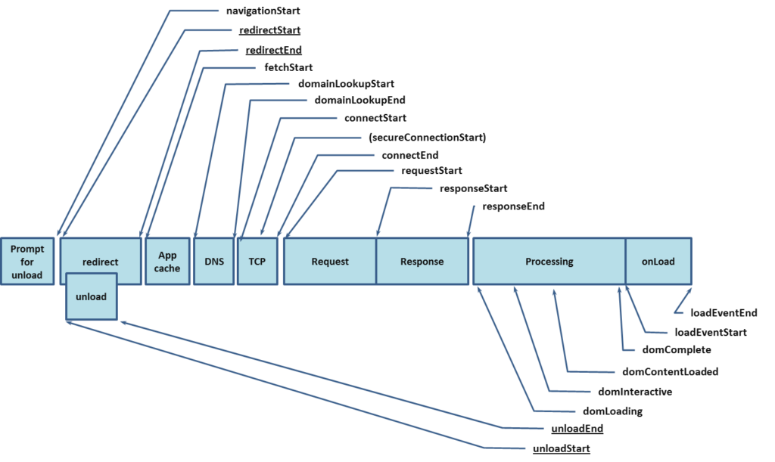

From an application performance perspective, we need to look at the whole picture not just a piece of it and that includes the network. Digital experience metrics should be divided into network, front-end, back-end, and end-to-end to accurately portray where the issues are. Leaving out the holistic perspective that includes network, back-end and front-end leaves gaps in understanding the digital experience.

From an individual component level, metrics are divided into network and back-end. Nothing related to the request and delivery of a single resource is tied to the front-end.

But a web page isn’t about a single resource. Several hundreds of requests and responses are combined to deliver a web page to an end-user. With a standard waterfall, it is not possible to clearly illustrate where the demarcation is between network, back-end and front-end. To understand whether performance problems are related to front-end, back-end, or network, you have to understand what the metric is measuring and take some time to think about what that means.

Network Timings

Issues on the network such as packet loss and latency impact application performance. When looking at page metrics, TCP connection times will reveal the impact latency or internet peering is having on an application. The higher the latency between two points the longer it will take for a TCP connection to be established. If there isn’t much latency between the end user and the application but TCP connection times are still high this could indicate an issue at the provider or a routing issue.

Back-end

While time to first byte (TTFB) AKA wait time can be influenced by network issues, it is the best metric for estimating back end time when measuring applications externally. TTFB shows us once a request was received how long did it take for the server to begin sending data. If DNS or TCP is higher than expected, then a high wait time may be more indicative of network issues.

On the other hand, if DNS and connection times are within normal ranges and wait time is high this would indicate issues at the back-end rather than the network.

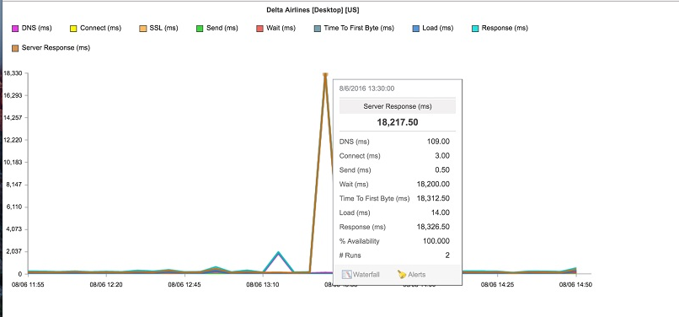

Front-end

Some may argue that everything after the base HTML page has been delivered is front-end, but that’s not accurate. Individual components beyond the base page are still impacted by network and back-end issues. Additional DNS lookups need to be performed for internal content on different domains or for third-party content, additional TCP connections and data transfers will still be impacted by packet loss and latency.

In the figure below, “blocked” time is the only metric that can 100% be called front-end time. Blocked time indicates that a request was ready to be made, but the browser was unable to issue the request. This may be because it was busy downloading other content, or was parsing a file previously downloaded.

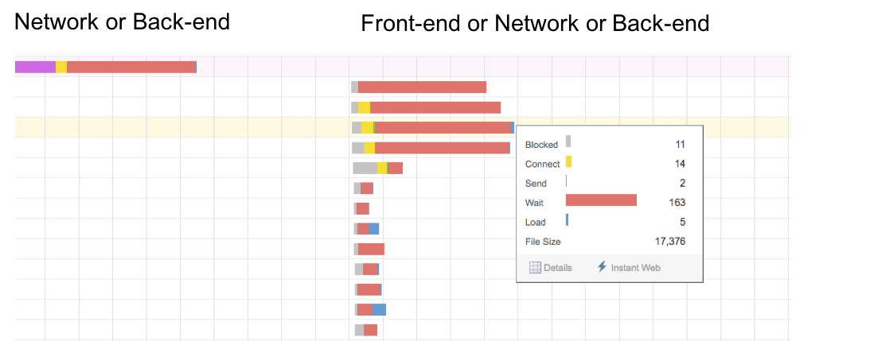

There are a number of front-end optimizations such as reducing the number of HTTP requests or controlling the order in which items load and execute at the browser to reduce the amount of time spent waiting for and downloading content to view a web page.

End-to-end

Many metrics used to measure web performance look at the whole picture. These metrics won’t help you isolate where application issues are occurring, but it will help you understand the application from the user’s perspective. As a user it’s not about whether there is an issue at the network, the back-end or at the browser – it’s about whether a task was able to be completed in a reasonable amount of time. Metrics like page load time, document complete, and speed index provide insight into the overall user experience.

“It depends”

My favorite answer to questions is “it depends.” There is no silver bullet or one size fits all answer. You need to understand the context of the information being presented to know where to look to resolve issues. Knowledge of the application and the users is critical to understand what the performance metrics are telling you. Take a moment to think about what is being measured, how data is flowing, and where to look to resolve any issues.

Redirections may be a result of application logic or they may be a result of network issues. When taking real user measurements, timing begins with the Navigation Start event. This now includes REDIRECTS. If a user clicks on an ad and is then redirected through multiple ad servers before reaching your website all that time is added to redirect. In this case, redirection time would be attributed to the network. If redirections occur because a user is sent from www.example.com to m.example.com on their mobile device, this redirection time should be attributed to the back-end.

The words we use and our definition of them are important. When describing where problems exist, being as specific as possible is critical otherwise time will be wasted and frustration will occur. Don’t assume you know what somebody means when they use a term, take a few seconds and ask for clarification.

The table below is a quick cheat sheet on how some common metrics used to measure digital experience should be categorized:

https://devonblog.com/test-automation/client-side-performance-testing/

These are all fabulous suggestions and should be followed, but what if your performance testing shows that you have a problem with packet loss or DNS? None of these recommendations apply.

Do 80-90% of performance issues have to do with the front-end? Yes. Are the remaining 10-20% all related to the back-end? No. Issues with DNS lookups, TCP connections, or SSL negotiation will have a negative impact on performance. These are part of the network infrastructure. The network has gotten more complex and is now extended to include third-party and cloud services. In these environments, assigning blame for issues with a DNS or CDN provider to the back-end is wrong.

From an application performance perspective, we need to look at the whole picture not just a piece of it and that includes the network. Digital experience metrics should be divided into network, front-end, back-end, and end-to-end to accurately portray where the issues are. Leaving out the holistic perspective that includes network, back-end and front-end leaves gaps in understanding the digital experience.

From an individual component level, metrics are divided into network and back-end. Nothing related to the request and delivery of a single resource is tied to the front-end.

But a web page isn’t about a single resource. Several hundreds of requests and responses are combined to deliver a web page to an end-user. With a standard waterfall, it is not possible to clearly illustrate where the demarcation is between network, back-end and front-end. To understand whether performance problems are related to front-end, back-end, or network, you have to understand what the metric is measuring and take some time to think about what that means.

Network Timings

Issues on the network such as packet loss and latency impact application performance. When looking at page metrics, TCP connection times will reveal the impact latency or internet peering is having on an application. The higher the latency between two points the longer it will take for a TCP connection to be established. If there isn’t much latency between the end user and the application but TCP connection times are still high this could indicate an issue at the provider or a routing issue.

Back-end

While time to first byte (TTFB) AKA wait time can be influenced by network issues, it is the best metric for estimating back end time when measuring applications externally. TTFB shows us once a request was received how long did it take for the server to begin sending data. If DNS or TCP is higher than expected, then a high wait time may be more indicative of network issues.

On the other hand, if DNS and connection times are within normal ranges and wait time is high this would indicate issues at the back-end rather than the network.

Front-end

Some may argue that everything after the base HTML page has been delivered is front-end, but that’s not accurate. Individual components beyond the base page are still impacted by network and back-end issues. Additional DNS lookups need to be performed for internal content on different domains or for third-party content, additional TCP connections and data transfers will still be impacted by packet loss and latency.

In the figure below, “blocked” time is the only metric that can 100% be called front-end time. Blocked time indicates that a request was ready to be made, but the browser was unable to issue the request. This may be because it was busy downloading other content, or was parsing a file previously downloaded.

There are a number of front-end optimizations such as reducing the number of HTTP requests or controlling the order in which items load and execute at the browser to reduce the amount of time spent waiting for and downloading content to view a web page.

End-to-end

Many metrics used to measure web performance look at the whole picture. These metrics won’t help you isolate where application issues are occurring, but it will help you understand the application from the user’s perspective. As a user it’s not about whether there is an issue at the network, the back-end or at the browser – it’s about whether a task was able to be completed in a reasonable amount of time. Metrics like page load time, document complete, and speed index provide insight into the overall user experience.

“It depends”

My favorite answer to questions is “it depends.” There is no silver bullet or one size fits all answer. You need to understand the context of the information being presented to know where to look to resolve issues. Knowledge of the application and the users is critical to understand what the performance metrics are telling you. Take a moment to think about what is being measured, how data is flowing, and where to look to resolve any issues.

Redirections may be a result of application logic or they may be a result of network issues. When taking real user measurements, timing begins with the Navigation Start event. This now includes REDIRECTS. If a user clicks on an ad and is then redirected through multiple ad servers before reaching your website all that time is added to redirect. In this case, redirection time would be attributed to the network. If redirections occur because a user is sent from www.example.com to m.example.com on their mobile device, this redirection time should be attributed to the back-end.

The words we use and our definition of them are important. When describing where problems exist, being as specific as possible is critical otherwise time will be wasted and frustration will occur. Don’t assume you know what somebody means when they use a term, take a few seconds and ask for clarification.

The table below is a quick cheat sheet on how some common metrics used to measure digital experience should be categorized:

https://dzone.com/articles/why-you-should-be-measuring-time-to-last-byte-in-2

Vmstat
Vmstat

https://easyloadrunner.blogspot.com/2013/06/vm-stat-commands-in-unix.html
https://stackoverflow.com/questions/6345020/what-is-the-difference-between-buffer-vs-cache-memory-in-linux
http://web.ist.utl.pt/~ist146540/wordpress/?p=275
http://www.dba-oracle.com/application_server/t_app_server_vmstat.htm

Waiting CPU resources can be shown in UNIX vmstat command output as the second column under the kthr (kernel thread state change) heading (see Listing 2-1). Tasks may be placed in the wait queue (?b?) if they are waiting on a resource, while other tasks appear in the run queue (?r?) column.

In short, the server is experiencing a CPU bottleneck when ?r? is greater than the number of CPU?s on the server. To see the number of CPUs on the server, you can use one of the following UNIX commands.

Remember that we need to know the number of CPUs on our server because the vmstat runqueue value must never exceed the number of CPUs. A runqueue value of 32 is perfectly acceptable for a 36-CPU server, while a value of 32 would be a serious problem for a 24 CPU server.

In the example below, we run the vmstat utility. For our purposes, we are interested in the first two columns: the run queue ?r?, and the kthr wait ?b? column. In the listing below we see that there are an average of about eight new tasks entering the run queue every five seconds (the ?r? column), while there are five other tasks that are waiting on resources (the ?b? column). Also, a nonzero value in the (?b?) column may indicate a bottleneck.

root> vmstat 5 5

kthr memory page faults cpu
----- ----------- ------------------------ ------------ -----------
r b avm fre re pi po fr sr cy in sy cs us sy id wa
7 5 220214 141 0 0 0 42 53 0 1724 12381 2206 19 46 28 7
9 5 220933 195 0 0 1 216 290 0 1952 46118 2712 27 55 13 5
13 5 220646 452 0 0 1 33 54 0 2130 86185 3014 30 59 8 3
6 5 220228 672 0 0 0 0 0 0 1929 25068 2485 25 49 16 10

The rule for identifying a server with CPU resource problems is quite simple. Whenever the value of the runqueue ?r? column exceeds the number of CPUs on the server, tasks are forced to wait for execution. There are several solutions to managing CPU overload, and these alternatives are presented in their order of desirability:

1. Add more processors (CPUs) to the server.

2. Load balance the system tasks by rescheduling large batch tasks to execute during off-peak hours.

3. Adjust the dispatching priorities (nice values) of existing tasks.

To understand how dispatching priorities work, we must remember that incoming tasks are placed in the execution queue according to their nice value. Tasks with a low nice value are scheduled for execution above those tasks with a higher nice value. Now that we can see when the CPUs are overloaded, let?s look into vmstat further and see how we can tell when the CPUs are running at full capacity.

Identifying High CPU Usage with vmstat

We can also easily detect when we are experiencing a busy CPU on the Oracle database server. Whenever the ?us? (user) column plus the ?sy? (system) column times approach 100%, the CPUs are operating at full capacity .

Please note that it is not uncommon to see the CPU approach 100 percent even when the server is not overwhelmed with work. This is because the UNIX internal dispatchers will always attempt to keep the CPUs as busy as possible. This maximizes task throughput, but it can be misleading for a neophyte.

Remember, it is not a cause for concern when the user + system CPU values approach 100 percent. This just means that the CPUs are working to their full potential. The only metric that identifies a CPU bottleneck is when the run queue (?r? value) exceeds the number of CPUs on the server.

root> vmstat 5 1

kthr memory page faults cpu
----- ----------- ------------------------ ------------ -----------
r b avm fre re pi po fr sr cy in sy cs us sy id wa
0 0 217485 386 0 0 0 4 14 0 202 300 210 20 75 3 2

The approach of capturing server information along with Oracle information provides the Oracle9iAS administrator with a complete picture of the operation of the system.

Monitoring RAM Memory Consumption

In the UNIX environment, RAM memory is automatically managed by the operating system. In system with ?virtual? memory, a special disk called swap is used to hold chunks of RAM that cannot fit within the available RAM on the server. In this fashion, a virtual memory server can allow tasks to allocate memory above the RAM capacity on the server. As the server is used, the operating system will move some memory pages out to the swap disk in case the server exceeds its physical capacity. This is called a page-out operation. Remember, page-out operations occur even when the database server has not exceeded the RAM capacity.

RAM memory shortages are evidenced by page-in operations. Page-in operations cause Oracle9iAS slowdowns because tasks must wait until their memory region is moved back into RAM from the swap disk. There are several remedies for overloaded RAM memory:

Add RAM - Add additional RAM to the server

Reduce Oracle9iAS RAM - Reduce the size of the RAM regions by adjusting the parameters for each Oracle9iAS component

Next, let?s move on and take a look at how to build an easy UNIX server monitor by extending the Oracle STATSPACK tables.

Now that we see how to monitor the Oracle9iAS servers, let?s examine how we can use this data to perform server load balancing.

Identifying UNIX Server overload

Once the data is captured in the stats$vmstat table, there is a wealth of reports that can be generated. Because all of the server statistics exist inside a single Oracle table, it is quite easy to write SQL*Plus queries to extract the data.

The vmstat data can be used to generate all types of interesting reports. There are four classes of vmstat reports:

Exception reports - These reports show the time period where predefined thresholds are exceeded.

Daily trend reports - These reports are often run and used with Excel spreadsheets to produce trending graphs.

Hourly trend reports - These reports show the average utilization, averaged by the hour of the day. These reports are very useful for showing peak usage periods in a production environment.

Long-term predictive reports - These reports generate a long-term trend line for performance. The data from these reports is often used with a linear regression to predict when additional RAM memory or CPU power is required for the server.

Detect memory bottlenecks with vmstat

Posted on August 18, 2010 by admin

This is the first article about Linux performance and it talks about identify memory bottlenecks with vmstat

Vmstat belongs to sysstat package and is able to provide statistics about Virtual Memory STATistics (vmstat
). Vmstat supports many arguments, but you can run it with the argument 5, that it will give new information every 5 seconds.

host:~ # vmstat 5

procs ———–memory———- —swap– —–io—- -system– —–cpu——

r b swpd free buff cache si so bi bo in cs us sy id wa st
4 0 14192 213556 456152 6258744 0 0 0 0 0 0 11 5 84 0 0
0 0 14192 216532 456168 6258728 0 0 2 185 7004 9334 9 4 88 0 0
0 0 14192 214068 456176 6258720 0 0 0 535 9102 12277 8 4 88 0 0

As you know Linux tries to use all the memory to provide a faster system. First, memory is used to run applications then if your system has free memory it is used to caching, buffering, etc.

Sometimes you run more applications=process (suppose a web server providing many pages) than your memory supports. On these cases, the kernel moves the process less used to a slower area, say disk. This action is called swapping and it is good because it allows you to have more programs running than the required physical memory. See image bellow.

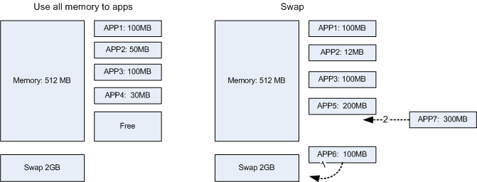

The problem arises when you need all the applications at the same time, even those that are in the swapp area.(Image a web server with heavy load)!

On these cases the kernel will try to find memory free to run the next process. If it couldn’t find physical memory available it will move less used process to Swap area: process less used to swap area, swap proccess to run into memory and execute process. If all the process are needed, the system will become very slow because it is wasting time, swapping process . (This is not so simple but it helps to understand the concepts!) That is the moment when someone will go to your office saying: “Sysadmin, the users are complaining that SAP, Web Server, etc is very slow!”.

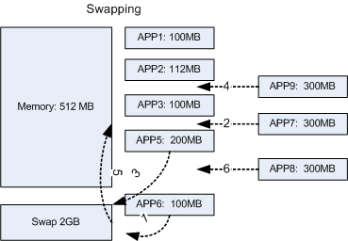

So how do you know that your system is swapping? Just look into swap column from vmstat command. The “si” and “so” columns tell us about pages(programs) moved from disk to memory (si) and pages moved from memory to disk (so). On the image above it is the steps 3 and 5.

host:~ # vmstat 5

procs ———–memory———- —swap– —–io—- -system– —–cpu——
r b swpd free buff cache si so bi bo in cs us sy id wa st
16 1 14192 213556 456152 6258744 20 10 0 0 0 0 11 5 84 0 0
13 2 14192 216532 456168 6258728 7 15 2 185 7004 9334 9 4 88 0 0
12 4 14192 214068 456176 6258720 12 10 0 535 9102 12277 8 4 88 0 0

Two scenarios for SI and SO:

High values: Your system is swapping and it will become slow. So you need to run less processes or buy more memory;
Near zero or zero(good): Your system is just moving less used applications to slow memory.

I don’t know what is “High value”, just take this information every day and compare. You can run sar or send the output from vmstat to a file.
More information:

man vmstat

graphs
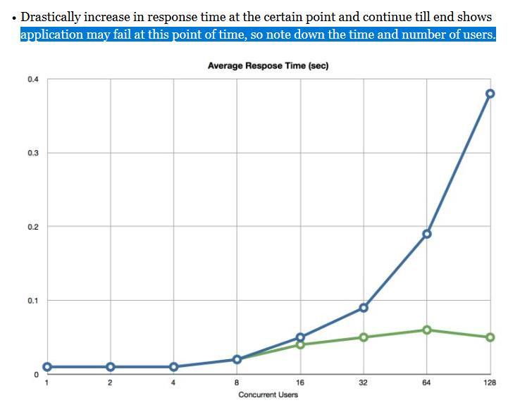

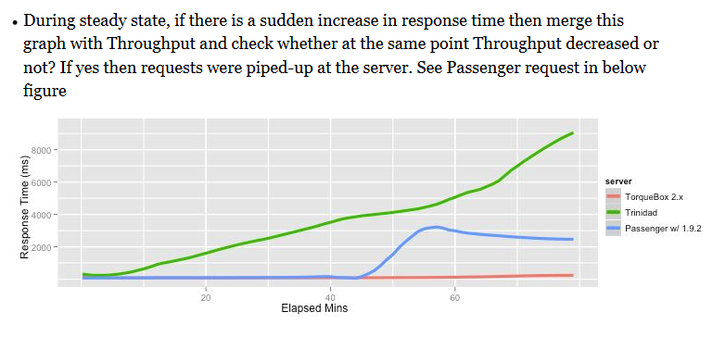

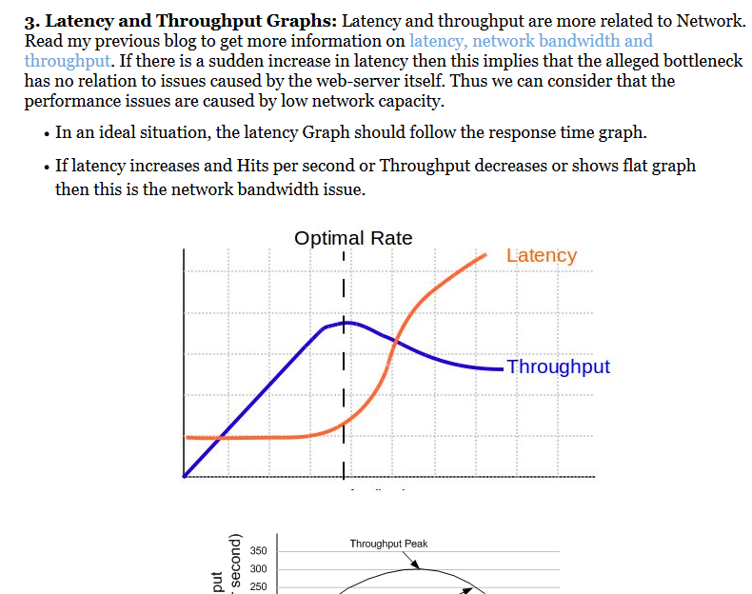
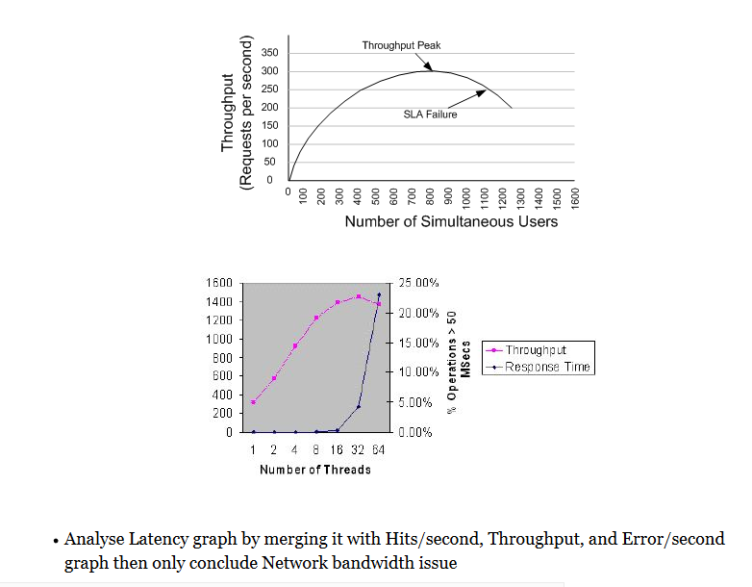

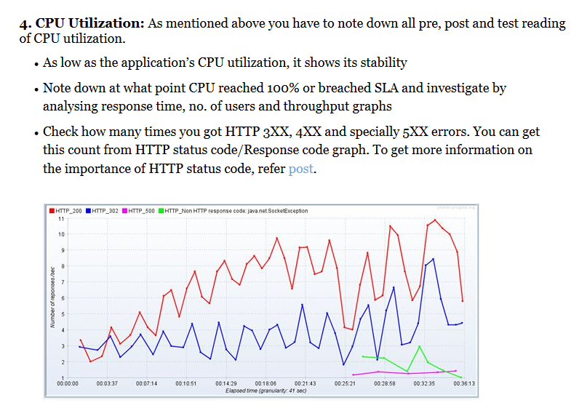
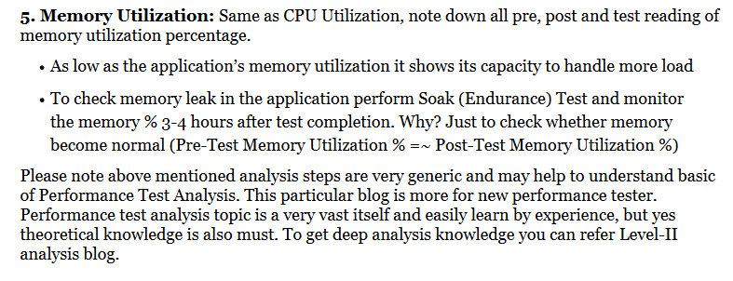

https://perfmatrix.blogspot.com/2017/02/performance-testing-analysis-level-iib.html
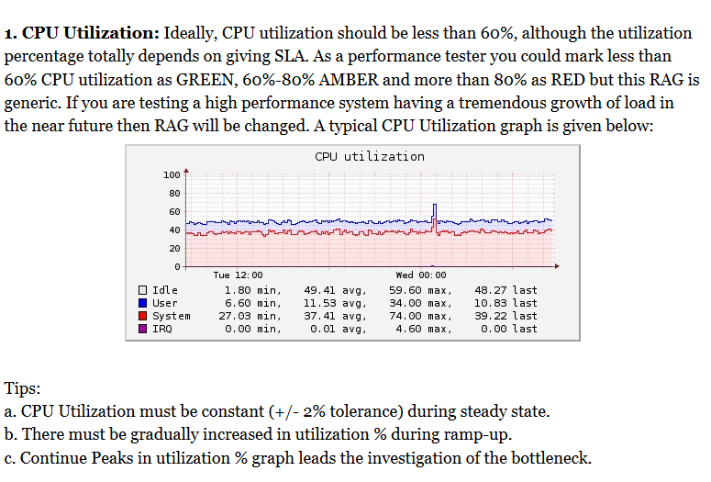
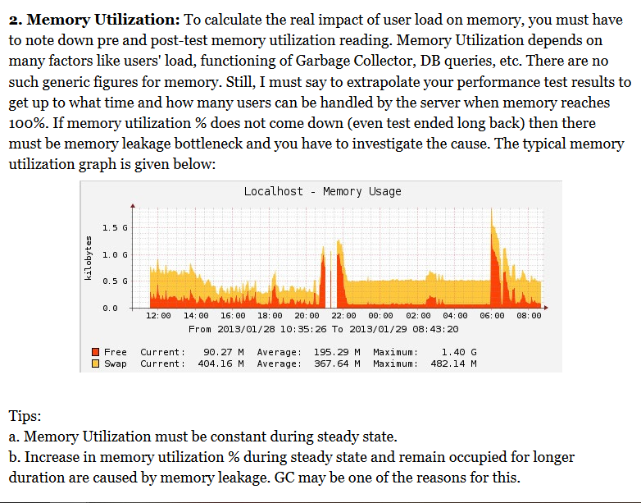

Apache Web Server Counters:

CPULoad: The current percentage of CPU consumed by the Apache server

ReqPerSec: The number of requests per second (a.k.a. hits per second)

BytesPerSec: The number of bytes transferred per second

BytesPerReq: The number of bytes transferred per request

BusyWorkers: Number of active threads serving requests

IdleWorkers: Number of inactive/idle threads

Tuning Tips: Continue Reading.......

ASP (Active Server Pages) Web Server Counters:

Errors/sec: The average number of errors that occurred per second.

Requests/sec: The average number of requests that were executed per second.

Requests Executing The number of ASP requests currently executing (for example, the number of active worker threads).

Requests Queued The number of queued ASP requests that are waiting to be processed. The maximum number for this counter is determined by the metabase property AspRequestQueueMax.

Transactions/sec The average number of transactions that have been started, per second.

Tuning Tips: Continue Reading.......

Microsoft IIS web server counters:

Bytes Sent per Second: It shows the total data flow in bytes from the Transaction Integrator (TI) server to the host per second.

Bytes Received per Second: It shows the total bytes received from the host per second

Get Requests per Second: The number of GET requests executed per second

Post Requests per Second: The number of POST requests executed per second

Maximum Connections

Not Found (404) Error per Second

Private Bytes: Private Bytes is the current size, in bytes, of memory that is allocated for a particular process and cannot be shared with other processes.

Percent of Processor Time

System Processor Queue Length

Percent Disk Time

Queue Length

Cache Hit Percent

Request Wait Time: The number of milliseconds that the most recent request waited in the queue for processing

Request Queued: The number of requests waiting for service from the queue. When this number starts to increment linearly with increased client load, the Web server computer has reached the limit of concurrent requests that it can process. The default maximum for this counter is 5,000. You can change this setting in the Machine.config file

Application Server: Most of the application computational activities are performed on its application server. The application server is the backbone of the application especially in case of highly complex business applications. Web Sphere, JBoss, Apache Tomcat, Web Logic, Microsoft .Net, and Oracle Application server are some of the famous applications servers being used these days. Every type of application server has its performance counters based on its model. Below are some of the Web Sphere application performance counters which need to be monitored during the performance test,

Web Sphere Counters

Memory Free:

Total Memory

Memory Use

Bean Destroys

Active Threads

Total Threads

Percent Time Maxed

Connection Wait Time

Connection Time

Connection Percent Used

Active Transactions

Transactions Suspended

Rolled Back

Timeouts

Servlet Errors

Sessions Invalidated

Data Base Server: All the application data is stored in the database and the system on which database is installed is called database server. As the database server contains all the critical information of the application, its fast and error-free working is extremely important. Oracle, DB2, Microsoft SQL Server and Informix are famous database servers. Some of the common metrics monitored for all database servers are following,

Database Transaction Summary: Database transaction monitor provide the information of volume of data sent and received by the database server. It provides the detail in bytes of requests sent and received during the performance test.
Database Connection Summary: This metric provides information about the total number of open and close connections on the database server during the test. Excess of database connections can badly affect the database server performance.
Database Thread Summary: Thread metric provides information about the number of new threads created, connected and used.
Database Query Summary: Read, write and delete data are main database functions and their detail is very important to check the database server performance during the performance test. Database Query metric provides information about the total number of queries read, wrote and deleted by the database server.

Microsoft SQL Server Counters:

Transactions per Second

Log Cache Hit Ratio

Log Cache Reads per Second

Log Bytes Flushed per Second

Log Flush Wait Time

Log Flush Waits per Second

Log Flushes per Second

Percent Log Used

Next Topic:
Performance Test Result Analysis (Level-II - Part C)

Previous Topic:
Performance Test Result Analysis (Level-II - Part A)

Related Topics:

Result Analysis - Basic Level
Result Analysis - Advance Level
Performance Testing Basics
Performance Engineering Basics
PTLC - Result, Report & Recommendation

What are the Counters for Network Monitoring?
Some of the generic network performance counters are:

Network Bandwidth
Network Utilization (%)
Server - Bytes Received/sec
Server - Bytes Sent/sec
Packets Received/sec
Packets Sent/sec
Packets dropped/sec
Output Queue Length
IP - Datagrams Received/sec
IP - Datagrams Sent/sec
Dropped Datagrams/sec

Additional Counters:

UDP - Segments Received/sec
UDP - Segments Sent/sec
TCP - Frames Sent/sec
TCP - Frames Received/sec
Packets Outbound Discarded
Packets Outbound Errors
Packets Received Discarded
Packets Received Errors

Some important points to be remembered:

Solving bandwidth is easier than solving latency.
If throughput nearly equals to bandwidth, it means the full capacity of the network is being used.
Increase in response time with flat throughput graph shows network bandwidth issue. This bottleneck can be rectified by adding extra channels i.e. by increasing network bandwidth
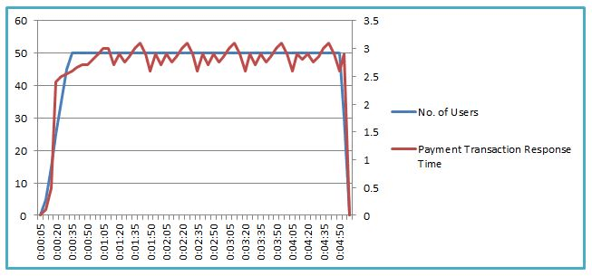
Ideally, consistent throughput indicates an expected capacity of network bandwidth
If you have low latency, but you have a small bandwidth, it’ll take longer for data to travel from point A to point B compared to a connection that has a low latency and high bandwidth.
Latency is affected by connection type, distance and network congestion

As per the definition of Trend represents “a general direction in which something is developing or changing“. Trend analysis method can be applied to client, server and network metrics. Before understanding Trends method, it is good to know about WHIWH rule. Now, let’s get started how you can understand the graph and identify the bottleneck using Trend method:

1. Consistent Trend:

Below is an example of a consistent trend. You can see the response time of Payment Transaction is consistent (<0.1 standard deviations) with constant no. of users. Such trending graphs show no bottleneck with given load; provided that response time SLA should meet.
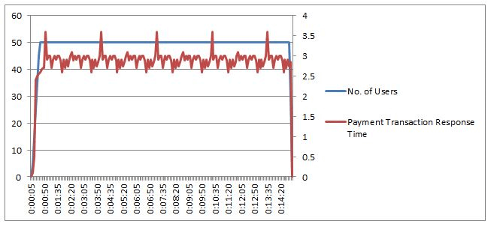
Figure 01: Consistent Trend

2. Consistent with Fluctuation (not Spike):

In such a case, you can see the fluctuations over a long duration, but the graph is very much consistent (<0.2 standard deviations). This may be a bottleneck if breaches the SLA. Example: You have Payment transaction response time SLA is 3 seconds with 0% tolerance, but fluctuation reaches to 3.6 seconds then it breaches the SLA.

If 3.6 seconds is well fitted in the SLA (with some tolerance limit), then you can ignore it.

But, why did fluctuation happen? This is pointing to code bottleneck and very unlikely the hardware or software resource issues.

Figure 02: Consistent with Fluctuation Trend

3. Consistent with Spikes:

Refer to the below graph, you can see 2 spikes during the performance test, although response time is consistent throughout the test except for these spikes. Does this spike create any problem? Now, it depends upon what type of system it is and what is acceptable here. If you calculate the 95th percentile, then you will see it is 3 seconds and under the SLA acceptance limit. But, what is causing the spikes? The spikes can be due to inadequate resources in the system like threads. Some of the suggestions to analyze the bottleneck are to look at the server resources like threads, GC, CPU Utilization, Connections, process memory, DB resources, cache etc.

Figure 03: Consistent with Spikes Trend

4. Regular Peaks:

In this scenario, you can see regular peaks in response time. The trend here points to a resource bottleneck. How do we know what resource is the bottleneck here? It doesn’t seem to be really caused by the user load itself. So some resource which is time-bound or user bound with the load could be the bottleneck. One of the possible culprits can be potential load balancing issue. A thorough investigation of bottleneck helps to find out the actual root cause. You can use the Correlation method for root cause analysis.

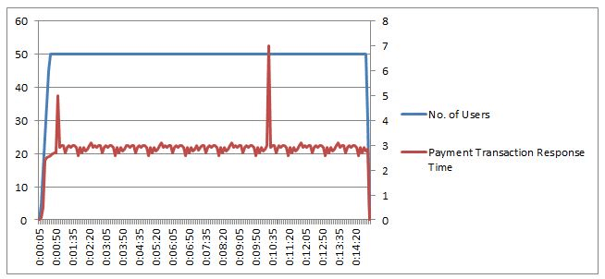
Figure 04: Regular Peak (Spike) Trend

5. Increasing Trend:

Refer to the below graph, it shows an increasing response time trend with user load. Under smaller user load, response times are within the acceptable limit, but it started increasing exponentially when the user load was around 40. At the constant load of 50 users, response time fluctuated between 2 to 9.5 seconds. It indicates that the system can able to scale up to 40 users without degrading the performance, after which it is not able to scale. It points to hardware or software capacity issue and advised to look at resource utilisation and queuing at different application tiers. Network bandwidth issue may be one of the reasons.

Figure 05: Increasing Trend

You may be interested:
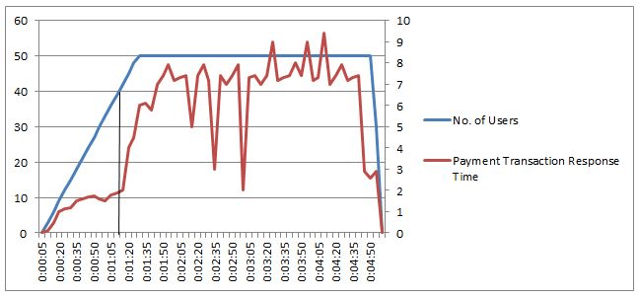
ComCorDEEPT Technique
WHIWH Rule
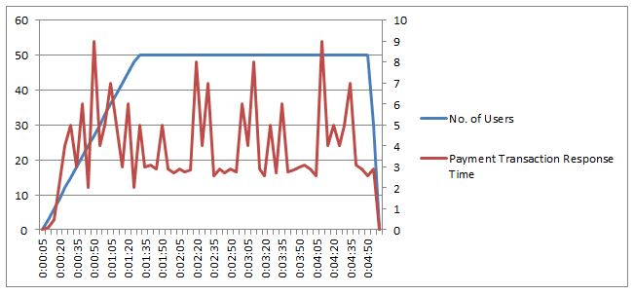

This is a method of understanding the pattern of the graphs by analysing and comparing them and then conclude the result. This method consists of two parts:

1. Pattern Analysis
2. Pattern Comparison

The best example to understand the Pattern Method is a Soak Test which helps to find out the memory leakage in the application. Soak test or Endurance test involves testing a system with an average load extended over a significant period of time. Here your goal is to discover how the system behaves under sustained use. That is, to ensure that the throughput and/or response times after some long period of sustained activity are as good as or better than at the beginning of the test. Generally, the duration of Endurance test is 6-10 hours, but do you think any application runs only 6-8 hours in production and then we switch-off the application (like a light bulb in the house), off-course NO. So, how 6 to 8 hours test help us to predict whether an application has any bottleneck or not? The answer is ‘Pattern Analysis’.

Pattern Analysis:

A performance tester analyses the pattern of the graph and concludes the sustenance of the application. This is the first part of the Pattern Method. Under this part, you have to understand the pattern of the response time, throughput, CPU utilization, Memory Utilization, GC graphs. Any uneven pattern or spike lead to an investigation.

Pattern Comparison:

Now, the second part is “Pattern Comparison”. In this method, we compare the performance issues in the system under analysis with commonly seen issues and its causes in other systems. There are so many common performance issues like server configuration, load balancer issues resulting in regular spikes in the response time or the huge spike in response time in a stable system due to web server cache refreshes and even gradual increase in response time due to memory leaks. The basic is to compare the performance issues with commonly seen issues and find out the root cause. In this way, it is easy and quick to resolve the identified common issues.

Example of Pattern Method:

To understand this method in detail, let’s have a look at a test result of Java-based Order Management System at 1000 orders per hour for 24 hours. Submit Order transaction is taking a few second response time at the start of the test, but showed an increasing trend in response time and finally reached 70 second response time towards the end of the test. This is a clear indication of performance degradation over time which we can see in the average transaction response time graph. Using the Pattern method here, the root cause of the issue could be memory shortage over time. Upon analysing the java memory usage, it confirmed that the used memory increased from 90 MB to 1 GB. This was due to the memory leak in the system.

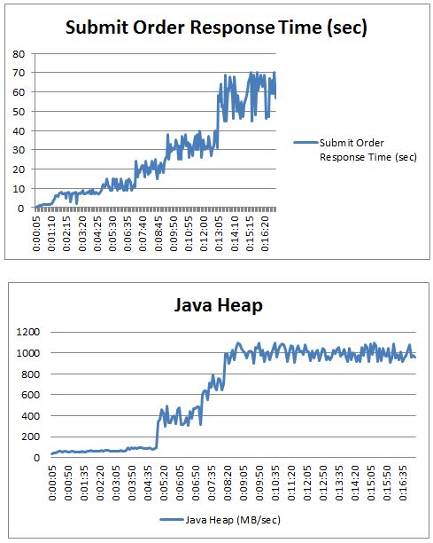
Figure 01

Some important points to be remembered:

Solving bandwidth is easier than solving latency.
If throughput is nearly equal to bandwidth, it means the full capacity of the network is being utilized which may lead network bandwidth issue.
Increase in response time with flat throughput graph shows a network bandwidth issue. This bottleneck can be rectified by adding extra channels i.e. by increasing network bandwidth.
Ideally, consistent throughput indicates an expected capacity of network bandwidth.
Some tools do not express the throughput in units per unit of time but in clock periods. This is incorrect but commonly used because of convenience.
Ideally, response time is directly proportional to throughput during the user ramp-up period. If throughput decreases with an increase in response time then it indicates instability of application/system.
Ideally, response time and throughput should be constant during steady state. A less deviation in both the terms indicates the stability of the application.
The Number of threads is directly proportional to the throughput.
If you have low latency and small bandwidth then it will take a longer time for data to travel from point A to point B compared to a connection that has low latency and high bandwidth.
Latency is affected by connection type, distance and network congestion.

