JFR
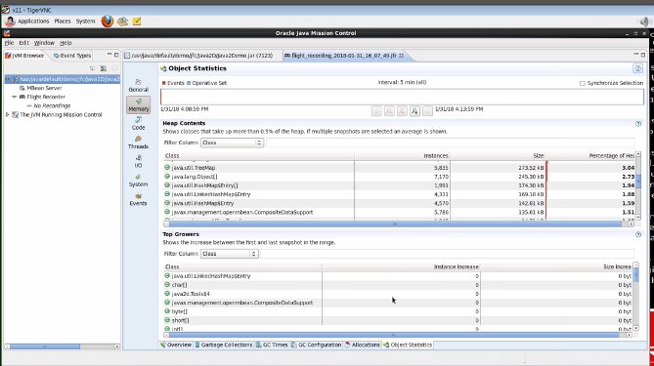
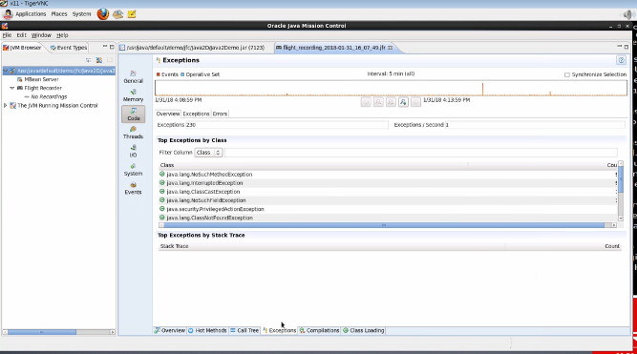
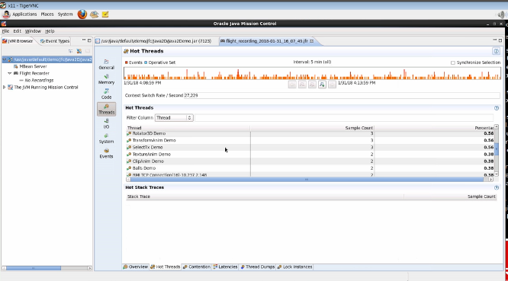
java flight recorder

When we record the events from JFR, a .jfr file gets generated, we can use this fiel to analyse various events occurred during recording | JDK : https://www.youtube.com/watch?v=_69wTZR6lis
1. Overview.. Higher level of information | https://dzone.com/articles/thread-local-allocation-buffers
2. memory : GC , heap, ALLOCATIONS(TLAB, objects) -- thread local allocation buffer : in the eden space, there is some space reserverd for a thread to create objects, at a time only one thread can create the object … this gives infromation about the size of TLAB and how many objects craeted ... if the objects size is more than TLAB : it gets craeted outside teh cllocated space, which sometimes may cause perfissues , by decreasin the rate at whcih objects get craeted | https://dzone.com/articles/how-java-profilers-work
3. CODE ( hot methods)- hotsmethods are the methods which consume more cpu + exceptions | https://dzone.com/articles/just-time-compiler-jit-hotspot
CPU profiling is primarily concerned with the frequency and length of time of method execution. With CPU profiling, you can find out what methods run the most frequently, therefore, eat up the most CPU time. These are commonly referred to as "hot methods." This gives you an indication of what methods or areas of the code you should focus on optimizing. | https://dzone.com/articles/using-java-flight-recorder-with-openjdk-11-1
 | https://dzone.com/articles/performance-improvements-via-jit-optimization
The next common profiling activity is memory profiling. Memory profiling is primarily concerned with understanding what objects are using up memory and how memory is being freed by garbage collection. With memory profiling, you can monitor the memory usage of your class objects over a period of time, find out what objects are growing and shrinking in size, and where in your code these allocations are taking place. You can also analyze garbage collections. You can see the number and types of garbage collections that have occurred, the length of the pause times for each garbage collection, and how much memory they were able to free. | https://dzone.com/articles/thread-profiling-see-exactly
The third common profiling activity is thread profiling. Thread profiling is primarily concerned with understanding what states threads are in and why. With thread profiling, you can see if your threads are able to run in parallel or not, find out what how much time your threads spend sleeping, waiting, blocked, or executing, and find and analyze cases of high lock contention. Thread profiling is useful when your application is not as performant as it should be yet its CPU usage is low. In this case, your application performance could be hindered by locking, and thread profiling helps you find that out. | https://dzone.com/articles/little-bit-jvm-and-jit
 | https://dzone.com/articles/taming-performance-beast-%E2%80%93
According to most researches, 80% of execution time is spent in executing 20% of code. That would be great if there was a way to determine those 20% of code and to optimize them. That's exactly what JIT does - during runtime it gathers statistics, finds the "hot" code compiles it from JVM interpreted bytecode (that is stored in .class files) to a native code that is executed directly by Operating System and heavily optimizes it. Smallest compilation unit is single method. Compilation and statistics gathering is done in parallel to program execution by special threads. During statistics gathering the compiler makes hypotheses about code function and as the time passes tries to prove or to disprove them. If the hypothesis is dis-proven the code is deoptimized and recompiled again. The name "Hotspot" of Sun (Oracle) JVM is chosen because of the ability of this Virtual Machine to find "hot" spots in code. What optimizations does JIT? Let's look closely at more optimizations done by JIT. Inline methods - instead of calling method on an instance of the object it copies the method to caller code. The hot methods should be located as close to the caller as possible to prevent any overhead. Eliminate locks if monitor is not reachable from other threads Replace interface with direct method calls for method implemented only once to eliminate calling of virtual functions overhead Join adjacent synchronized blocks on the same object Eliminate dead code Drop memory write for non-volatile variables Remove prechecking NullPointerException and IndexOutOfBoundsException Et cetera

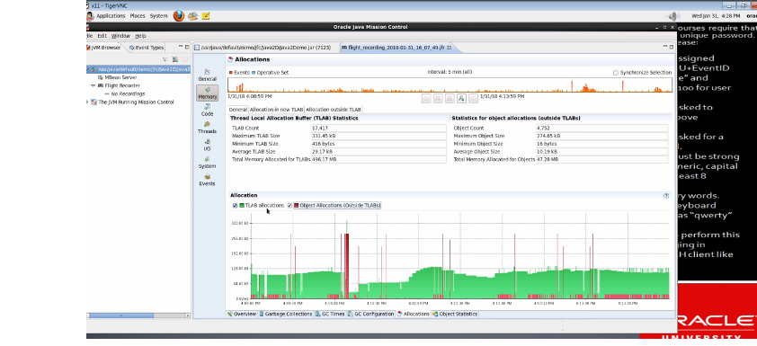
 |  | JDK : https://www.youtube.com/watch?v=_69wTZR6lis
 |  | https://dzone.com/articles/thread-local-allocation-buffers
 |  | https://dzone.com/articles/how-java-profilers-work
 |  | https://dzone.com/articles/just-time-compiler-jit-hotspot
 |  | https://dzone.com/articles/using-java-flight-recorder-with-openjdk-11-1
 |  | https://dzone.com/articles/performance-improvements-via-jit-optimization
 |  | https://dzone.com/articles/thread-profiling-see-exactly
 |  | https://dzone.com/articles/little-bit-jvm-and-jit
 |  | https://dzone.com/articles/taming-performance-beast-%E2%80%93

CPU counters
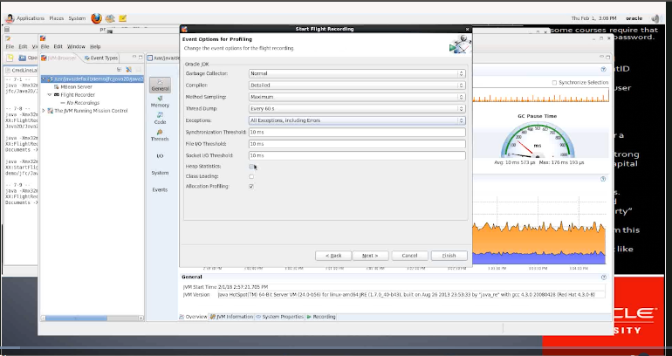
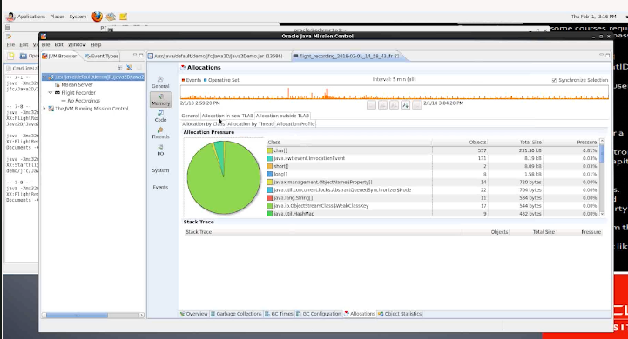
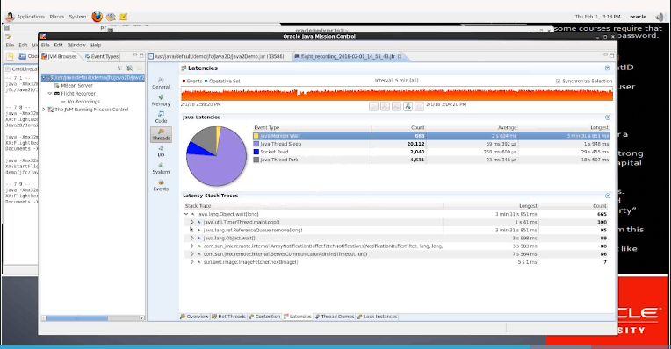
https://dzone.com/articles/performance-monitoring-and

Performance monitoring and profiling are two different aspects. The former takes a more of a proactive measure whereas the latter is a reactive approach. In my experience, performance is an afterthought in most cases rather than being built into the software development life cycle. I see the same thing in most cases when it comes to security as well but let us not go there today as that lends itself to a different post.

Performance monitoring

In order to monitor your application, you first need to understand what performance aspects the end users of your application expects. This would include throughput, response time, uptime etc. After you collate these information, the next step would be to create scripts for load testing your application. Coming primarily from a Java background, I normally use JMeter which comes with a user friends UI to create load testing depending on your use case be it database, Web Service, JMS etc.
So you have your load testing scripts and it is running fine. What next?
Well now that you have the load scripts in place, the next step would be note down what parameters you should monitor. Generally you would start out monitoring the CPU and Memory usage while your load test is in progress.
When you monitor CPU, you would be looking at the CPU usage as the application is being load tested. If there is high CPU usage, you need to further drill down to find out what issue might cause this. If there is low CPU usage, then probably you can try and increase the load to see what the optimum load that uses efficient CPU.

If you are on a Windows machine, by default you will open the task manager and go into the Performance tab in order to find out what your CPU is up to. A snippet of mine is as follows;
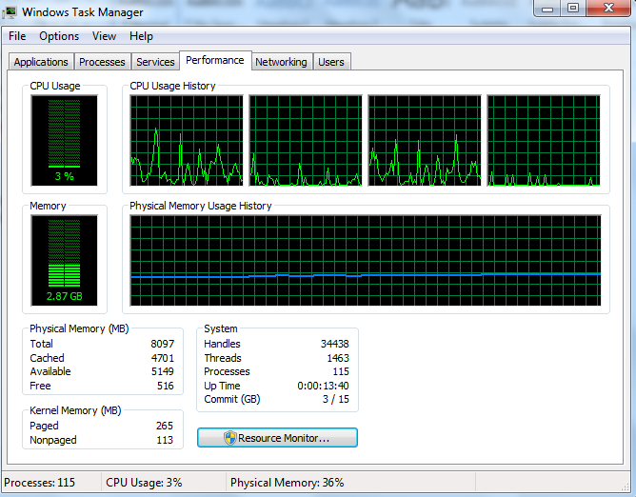

I’m running on a Core i5 with 8GB of RAM. In the upper right hand corner you can see the CPU usage history. The four boxes here represent the four CPUs. You will get the same value if you run Runtime.getRuntime().availableProcessors() within a Java program.
By default it only shows the total CPU time. But you can easily add the kernel CPU time by clicking onn View-> Show Kernal Times. You will then be presented with the following graphs with a red line;
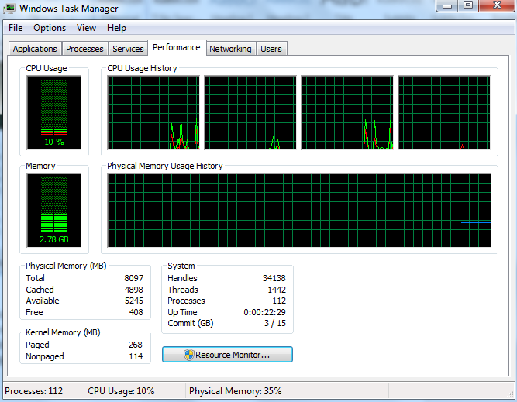

The space between the red line and the green line is the user CPU time. So what is the difference between the user and the kernel CPU time you might ask.
User CPU Time : The amount of time the CPU spends on running your application code.
Kernel CPU Time : The amount of time the CPU spends on operating system related activities. For example if your application does a lot of reads/writes to the disk, you will see high kernel CPU as it requires the operating system related functionality to be invoked.
But what if you needed further information on what your CPU is doing at any given moment of time? PerfMon to the rescue. Open up a Run tab and type in perfmonand you will be presented with the following screen;
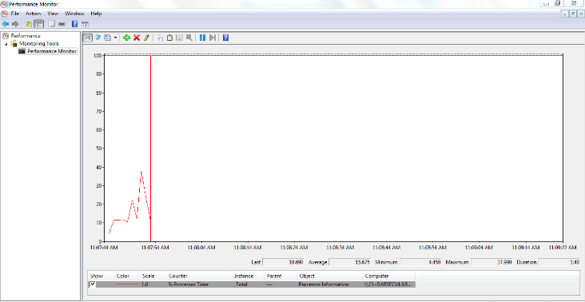

You can add any counter which you are interested in monitoring by right clicking on the graph area and selecting the Add Counters menu option. If you want to monitor the user CPU and kernel CPU, select the Performance object and under that you will find the User time and Privileged time (kernel CPU time) counters.
Another key indicator to watch out for when monitoring CPU is the CPU schedule run queue. This is where all light weight processes needed to run are queued up waiting for CPU. As a rule of thumb, if your run queue depth is more than four times the available virtual processors on your machine, then you need to investigate your application further more to see what could be done. In the era of high memory machines, people often overlook the fact of using and writing efficient algorithms and data structures as there is plenty of memory available on high end servers. But the issue here is that many a times CPU is limited. If your algorithms/data structures do not scale well with added load, you will end up over loading your CPU with the only alternative being is to scale your application into different servers. So if you are having issues with the scheduler run queue depth, it is always best to see the possibility of writing certain sections of your application code in a more efficient manner so as to utilize your CPU better. The run queue depth can also be monitored using Perfmon by selecting Add Counters->System-> Processor Queue Length.
Now that we have covered some of the important factors to look into in terms of CPU when monitoring your application, in the next post we will look at what aspects we need to consider when monitoring the memory usage.
Please do leave by your comments and suggestions which is as always much appreciated as I love learning from the experience of others which I deem as invaluable.

