stromrunner
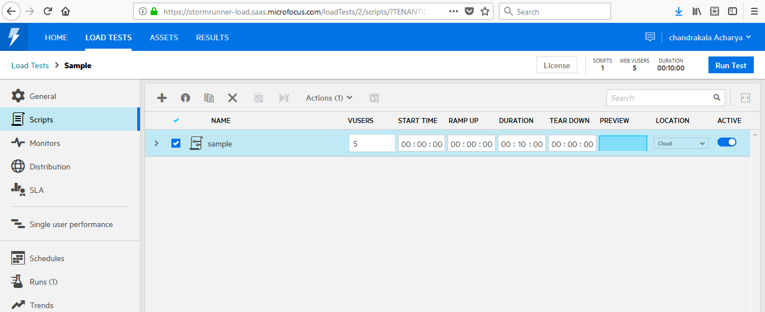
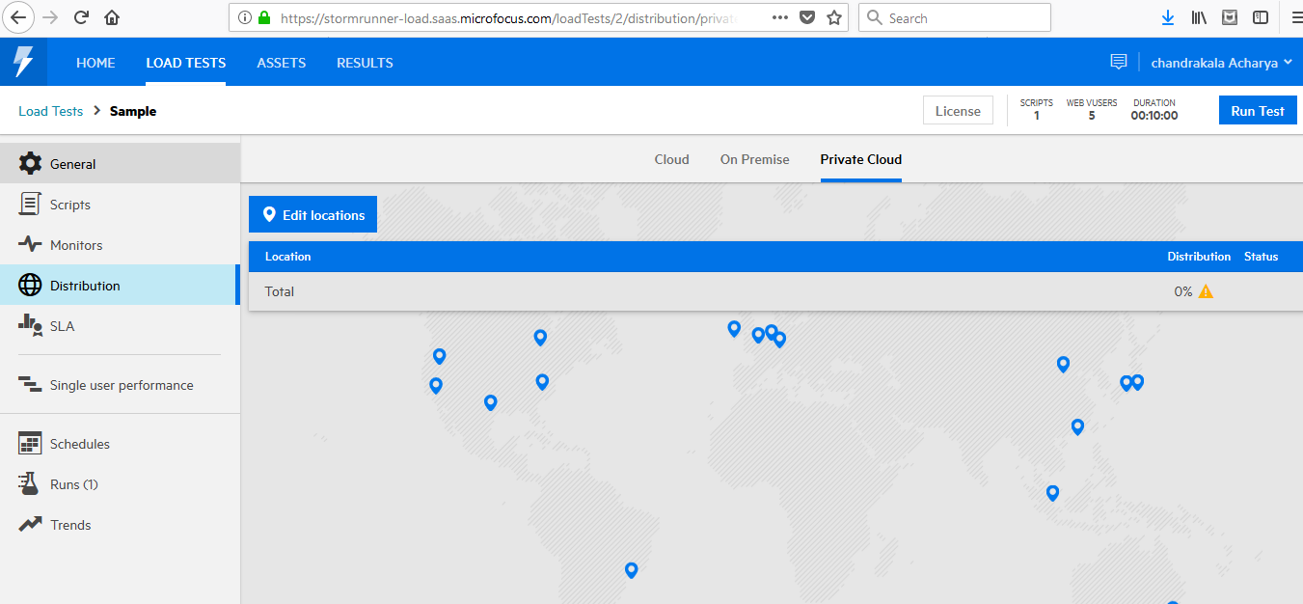
https://admhelp.microfocus.com/srl/en/3.0/Content/Storm/c_Getting_started.htm#mt-item-0
https://admhelp.microfocus.com/srl/en/3.0/Content/Storm/t_manage_scripts.htm

https://admhelp.microfocus.com/srl/en/3.0/Content/Storm/t_define_servers.htm#

Vugen (2)
Some points to note:
Add few web funtcion in the beginning of the script:
1. web_cleanup_cookis |  |  |  |  |  |  |  | https://easyloadrunner.blogspot.com/2015/02/httpsendrequest-failed-windows-error.html
2. web_add_header(if required for post methods)
3.web_set_socket_option

web_custom_request :
in body , if u paste the XML … then u have to select the dat manually and click on convert to c format

 | https://admhelp.microfocus.com/srl/en/3.0/Content/Storm/c_Getting_started.htm#mt-item-0
 | https://admhelp.microfocus.com/srl/en/3.0/Content/Storm/t_manage_scripts.htm
 | true client
 | https://performanceengineeringsite.wordpress.com/category/hp-loadrunner/ajax-truclient-protocol/

 | https://www.blazemeter.com/blog/eight-reasons-you-should-use-gatling-for-your-load-testing

 | http://loadrunner-traning.blogspot.com/2014/04/connection-pool.html
 |  |  | s
 | https://www.microfocus.com/media/documentation/loadrunner_and_performance_center_document.pdf

 | https://easyloadrunner.blogspot.com/2013/11/how-to-set-jdbc-connection-pool-in.html

 | https://softwaresupport.softwaregrp.com/doc/KM6522?fileName=hp_man_LR-version7.8-cntrl_pc_tuning_module_pdf.pdf

Strings | https://www.youtube.com/watch?v=N63JCXwdd14&list=PL9ooVrP1hQOHb4bxoHauWVwNg4FweDItZ&index=11

 | Before we start creating scripts , lets open an excel and create a shiort notes about what is recorded.
 | Sript number | script name | transaction name | test data | comments | Checkpoints
 |  | S01_scriptname | S01_T01_transactionname | sample data used | browser details recording options | page title,check whether page loaded or not

 |  |  |  |  | s
 | https://www.youtube.com/watch?v=W1k9gmCH6aM&list=PLJ9A48W0kpRIiVf8W7jMvf6Ao-naX3Ari&index=3

 | https://www.youtube.com/watch?v=W1k9gmCH6aM&list=PLJ9A48W0kpRIiVf8W7jMvf6Ao-naX3Ari&index=3

 | http://loadrunner-traning.blogspot.com/2014/04/difference-between-wininet-and-socket.html

 | difference between wiinet and socket
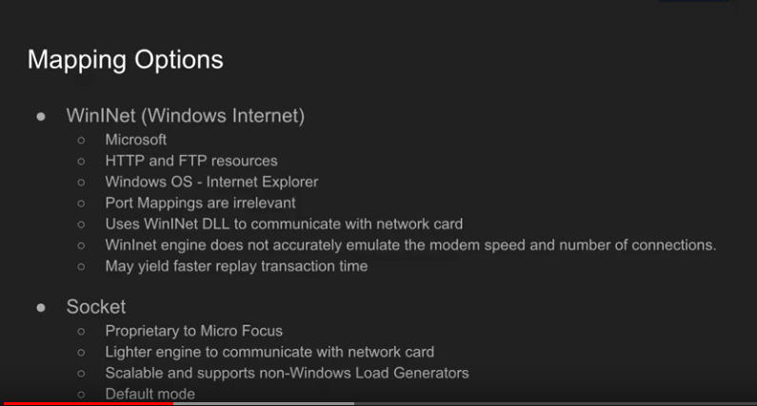

 | Git Integration

 | little's law:
 | pacing
 | N= Z*(R+T)
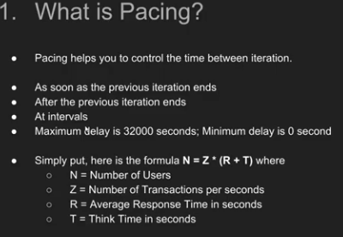

 | workload modelling:
 | https://www.youtube.com/watch?v=RWNN01NyG6I&t=50s
 | https://tangowhisky37.github.io/PracticalPerformanceAnalyst/pages/spe_fundamentals/workload_modelling_101/
 | https://iamgopikrishna.wordpress.com/2014/07/07/performance-testing-workload-model-2/#more-198
 | https://techbeacon.com/app-dev-testing/how-define-right-workload-model-your-performance-tests
 | https://sites.google.com/site/swperfengg/
imp | https://www.perfmatrix.com/design-workload-model-in-performance-testing/
 | 1. Test objective identification |  |  |  | response time, throughput, resource utilization,max user load
 | 2.understanding the application |  |  |  | howmany tyoes of users are using the application, what are the business scenarios for every user, what is the AUT peak user load,expected to grow? , how much time a specific user achieve peakload , how long the peak load will continue
 | 3.scenario identification |  |  |  | whatis the key business scneario, what are the total number of users, what is the percentage distribution, what is the projected distribution
 | 4.unique test data
 | 5.navigation path
 | 6.relative

 | little's law
 | https://www.youtube.com/watch?v=iW97OhOclcE

 | Capacity Planning
 | https://www.youtube.com/watch?v=w0cD26CLBA0&list=PLEB0tqGy6npXLxICYQ8jd4EcHNHArHnhG&index=2
 | https://www.youtube.com/watch?v=V7VR1a8p7Bk&list=PLEB0tqGy6npXLxICYQ8jd4EcHNHArHnhG&index=5

 | web server bottleneck and perf tunin
 | https://www.youtube.com/watch?v=Bt2HStzaBzE&list=PLEB0tqGy6npXLxICYQ8jd4EcHNHArHnhG&index=4

 | designing effective perf tests
 | https://www.youtube.com/watch?v=4mWLHV60N7g&list=PLEB0tqGy6npXLxICYQ8jd4EcHNHArHnhG&index=6

read later |  |  |  |  |  |  |  |  | read again
imp: |  |  |  |  |  |  |  |  | https://www.perfmatrix.com/latency-bandwidth-throughput-and-response-time/
https://www.perfmatrix.com/importance-of-pacing-think-time/
https://www.perfmatrix.com/standard-deviation-in-performance-testing/
https://perfmatrix.blogspot.com/2016/11/pacing.html

I have just repeated the sentence which is written in query.
Do not get confused as practically you can think on increasing throughput (amount of data transferred) leads increase in response time. The best scenario is user Ramp-up.
Considering other case, if response time is getting increase and throughput is constant at a level, then possible cause may be network bandwidth issue.
And, if response time is getting increase with decrease in throughput, then reason may be application unable to handle user load, application failure, stuck messages in queue etc.

All about HTTP response codes : |  |  |  |  |  |  | 200 | ok
https://www.perfmatrix.com/http-status-response-code-in-performance-testing/ |  |  |  |  |  |  | 201 | created, like if we send any api for creating user,site etc. response will be 201 which means its created
 |  |  |  |  |  |  | 202 | accepted and waiting
https://www.youtube.com/watch?v=wJa5CTIFj7U | well explianed |  |  |  |  |  | 204 | no content
https://developer.mozilla.org/en-US/docs/Web/HTTP/Status |  |  |  |  |  |  | 304 | not modified, retrieved from cache
 |  |  |  |  |  |  | 400 | bad request
 |  |  |  |  |  |  | 401 | unauthorised
netwrok, bandwidth, latency graphs |  |  |  |  |  |  | 403 | forbidden
 |  |  |  |  |  |  | 404 | not found
load runner architecture , future functioanlities and announcements |  |  |  |  |  |  | 409 | conflict |  | All 400 errors are related to client side and all 500 errors are related to server side
case studies- google and amazon |  |  |  |  |  |  | 500 | internal server error
data management
data scientist
server management
micro services
docker kubernetes

netwrok delay graphs:
https://admhelp.microfocus.com/lr/en/12.60-12.63/help/WebHelp/Content/Analysis/109250_c_Network_Monitor_graphs.htm

web_set_socket()
web_get_int_property(HTTP_INFO_RETURN_CODE); |  |  |  |  |  | https://admhelp.microfocus.com/lr/en/12.60-12.63/help/function_reference/Content/FuncRef/web/lrFr_web_get_int_property.htm
lr_user_data_point -- learn about this
web_reg_save_param_regular_expression
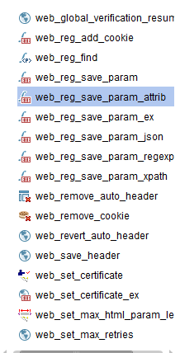

Check without fail
https://www.youtube.com/watch?v=tERuT4AqYm4&list=PLwbuZz2PgXBo8PNly6ziXWbmclL8qm-q2&index=9

https://www.youtube.com/watch?v=HOHd6WiFo9A

All abot string functions:
https://www.youtube.com/watch?v=tERuT4AqYm4&list=PLwbuZz2PgXBo8PNly6ziXWbmclL8qm-q2&index=9
declaring a astring, strcpy, strncpy,strcat,strlen,strchr,strrchr,strstr,strlwr,strupr,strcmp

correlation libraries
https://www.youtube.com/watch?v=rhySmoAnppM&list=PLwbuZz2PgXBo8PNly6ziXWbmclL8qm-q2&index=21

AWS : Start from video 69
https://www.youtube.com/watch?v=Sp1d6WWyR4w&list=PLwbuZz2PgXBo8PNly6ziXWbmclL8qm-q2&index=56

Debugging techniques in LR
adding breakpoints
executing stoe by step
runtime viewer
watch | to debug parameters, enabled only when script is passed
call stack | to debug functions, enabled only during runtime
bookmark | view>bookmarks ,,, u can bookmark multiple lines of ur code, the list wil be seen in bokmark view
tasks in Vugen.. View>tasks … 3 types of comments we can add in script… case sensitive upper case > TODO , FIXME, UNDONE ….. This will add a tag and list can be seen in tasks windows

correlation
always compare -- that is the key
done form code generation pane
if correlation is not working, check the headers , data from previousresponse may be coming in headers.
record in URL mode
check runtime viewer logs, regenrate script
final step - talk to developer
sometimes, just passing th erandom parameter works
web_add_header should be included if u have post method
make use of developer tools or fiddler
regular expression in correlation ---- use web_reg_save_param_reg_ex ------ (.*?)

String tokenisers:
strtok
declare the token only onc ein the beginningm then u should use null in strtok
Define given 2 parameters in action block
char * var ;
int i=1;
2. Then use the modified while loop given below

token = (char *)strtok(path, separators); // Get the first token
if (!token)
{
lr_output_message ("No tokens found in string!");
return( -1 );
}

while (token != NULL ) // While valid tokens are returned
{
lr_output_message ("%s", token );
if(i==2)
var=token;
i++;
token = (char *)strtok(NULL, separators); // Get the next token
}

CSRF protected websites, how to overcome in scripting
https://www.blazemeter.com/blog/how-load-test-csrf-protected-web-sites/

web_set_sockets_option("SSL_VERSION", "3");

web_set_sockets_option("MAX_CONNECTIONS_PER_HOST","1");
The first line web_set_sockets_option("SSL_VERSION", "3"); forces the SSL connection to use SSL version 3 instead of letting the server suggest a version during the connection handshake.

The second line web_set_sockets_option("MAX_CONNECTIONS_PER_HOST","1"); forces a single TCP connection to stay live between the Load Generator to the AUT servers. Ending the possibility of errors when LoadRunner sends data across that connection, if the server try to prematurely shutting down an existing connection

faced on error during execution
Action.c(14): Error -27492: "HttpSendRequest" failed, Windows error code=12002 and retry limit (0) exceeded for URL="http://bus00fqu.us.oracle.com:14111/sdk/provisioning/UserProvisioningService.svc"
Solution : from runtime settings >preferences > uncheck > wininet mode windows only

I also learnt about importance of ramup > by mistake , I had selected 'Run all vusers simultaneously" …. 30 inform users loged in at same time, and all were clicking on various tabs, like monitor,patients,signature .. Because of this response time of Umi usecase was shooting up, onc ethe proper ramp up is set , i got the correct response time .. this mistake happned because , scenario was scheduled as 'schedule by scenario earlier' and then changed to ' schedule by group'.. here we have to specify the ramp up time for each group seperately .
also, run mode > basic was disabled, we can enable it from tools> options>execution > select basic mode of run
I learnt about trasanctions and sub transactions
lr_start_transactio('name');
lr_start_sub_transaction('name','parent transaction name');
lr_end_trsanaction is same for both
to create a webservice script , I used two options.. Soap_request ---- this did not work for some unknown reason
web_submit_request ----- here when the payload is entered > u have to select the complete payload , right click and select 'convert to c format'
I also used web_get_int_property
for loop is also used , because they wanted the scenario to be executed like this : 10 iterations > think time > 10 iterations , the same thing can be achieved using blocks .. I didn’t use blocks…
when we use blocks/for loop we should select the parameter selection otion as sequential > each occurance
web add header is a must for any webservice/post request
mistakes made… in one script , instead of post iused get .. Was getting 400 error(authorization error) .. Whne checked the format of payload everything was normal..
one more mistake is , in webadd header we should use the same service name which we will be using in payload..
two major mistakes : check for unique each iteration properly .. When unique each occurance was selected , by mistake I gave 100 as the block size, and only 100 rows were selected during the ru.. Where as I wanted 150 values in each request
not verifying the data volume added by scripts after the dry run in completed..
better avoid unique each occurance.
another lesson is with think time - 5 to 10 secs

Integrating Lr with Dynatrace --- runtimesettings> preferences > enable dynatrace monitoring |  |  |  | s

Controller > schedule by scenario > if the number of users is greyed out, u can add number of vusers by clicking on Add Vusers and adding the required more number of users.
Differenc ebetween real world and basic scheduling
In real world, u can add multiple action blocks to execute the scenario for multiple durations, for example you can run a scenraio for 5 mins , then stop , then run again for 10 mins with diff ramp up.. Can be used for stress testinga nd spike testing
Difference between schedule by group and schedule by scenario -- as the names says, u can schedule the groups individually

https://loadrunnerbysivakota.blogspot.com/2016/08/siebel-scripting-challenges-in.html | seibel scripting

running controller from command line interface.
from commond prompt navigate to ...bin/CLIControllerApp.exe -testpath <lrs path> -Run -Results <results path>

Cli will be used if we want to excute the scenario automaticlaly and collect results, can be used as part of DevOps methodology or with dockers, We can export the results to influx db and use grafana
 |  |  |  |  |  |  |  |  | for LR certification
 |  |  |  |  |  |  |  |  | Identify and Describe functionalities of LR
NV insights |  |  |  |  |  |  |  |  | Identifyand describe new features in MF LR 12
 |  |  |  |  |  |  |  |  | Identify areas improvement and describe corresponding benefits.
 |  |  |  |  |  |  |  |  | For each area of improvement, identify and describe new features and capabilities, and link them to corresponding benefits
 |  |  |  |  |  |  |  |  | Describe Cloud Testing and adding cloud based Load Generator
how to deploy cloud load generatorss | https://www.youtube.com/watch?v=4BvKCvUqY_Y&list=PLJ9A48W0kpRIiVf8W7jMvf6Ao-naX3Ari&index=54 |  |  |  |  |  |  |  | Describe Managing Cloud accounts and running a load test in Cloud and hybrid mode
https://www.northwaysolutions.com/loadrunner-12-manage-cloud-load-generators/ |  |  |  |  |  |  |  |  | .Enhanced Mobile Testing with LR
 |  |  |  |  |  |  |  |  | Identify different types of mobile protocols and describe process of recording with MF Mobile Recorder application
 |  |  |  |  |  |  |  |  | Describe Mobile TruClient Protocol & SAP Mobile Platform
 |  |  |  |  |  |  |  |  | Articulate the Shunra Network Virtualization (NV) enhancements
 |  |  |  |  |  |  |  |  | Integration of LR with developer tools or Continuous Testing
 |  |  |  |  |  |  |  |  | Describe how to build and integrate LR with Visual Studio or Eclipse
 |  |  |  |  |  |  |  |  | Describe how to run system or unit tests in load scenarios( NUnit, JUnit, and Selenium tests)
 |  |  |  |  |  |  |  |  | Describe how to use REST API to support continuous delivery processes
 |  |  |  |  |  |  |  |  | Describe and articulate TruClient Step Structure and Workflow of Script development
 |  |  |  |  |  |  |  |  | Demonstrate familiarity with the TruClient interactive script panel
 |  |  |  |  |  |  |  |  | Describe developing and recording TruClient Scripts
 |  |  |  |  |  |  |  |  | Describe how to enhance and customize a script using the various functions available in Ajax TruClient
 |  |  |  |  |  |  |  |  | Identify and describe debugging tools and troubleshooting of Ajax TruClient

Analysis :
if u want to see the 95th percentile in summary, we can change the number in tool>options of analysiss

SLA can be configured from analysis file using tool>configure SLA rules
you can merge two graphs( when selected it shows the appropriate grpahs which can be merged with the current graph) -- three diff ways --- overlay(both the graohs in the same pane sharing same X axis).. Tile - two diff panes one on the top of the other -- correlate grphs
noise generator in controller --- some third party websites will have redirects to the main website, we can add such traffic by creating noise , this can be done by clicking on checkbox in the controller first page

https://www.vinsguru.com/jmeter-performance-testing-application-of-littles-law-to-workload-models/

https://www.speforums.com/resources/littles-law-in-performance-engineering.66/

 | Little‘s law holds valid only under below conditions

 | - Little‘s law holds good as long as the as the Requests are not created or destroyed within the system.

 | - It assumes the system to be a stable system (Rate of arrival equals rate of departure)

 | It applies to any ―black box‖, which may contain any arbitrary set of components. If the box contains a single resource ( e.g.: single CPU or a single system) or if the box contains a complex system ( e.g.: internet, a city full of systems).

 | Thus, Little‘s law can be applied to a software systems and can be rephrased as - The average number of users in a queuing system N is equal to the average throughput of system X, multiplied by the average response time of system R.

 | Numarically,

 | N = R * X

 | Where,

 | N = average number of users in a system

 | X = average throughput or departure rate of users

 | R = average time spent in the system or response time

 | Modifying above stated law for performance engineering and adding think time (TT)

 | N = (R + TT)* X

 | Uses of Little’s law in performance engineering and testing

 | 1. Used for designing the test (Modelling workload) – Littles law can be used while designing the test to achieve a desired throughput and calculate appropriate think times (wait times) to be placed inside test script.

 | 2. Used for validating the correctness of test – Every performance test should be verified for correctness by applying littles law on to the results.

 | Some practice questions –

 | Problem 1 :Customers exit from a bank at an avg. rate of 2/min. They spend an average of 10 min in the bank. What is the average number of customers in the bank at any time? Assume a stable system.

 | Solution : Rate of input customers = X = 2/min

 | Time to service = R = 10 Min

 | By littles law : N=R*X

 | N= Number of customers inside bank = 10 * 2 = 20 Customers!

 | Problem 2 – Determine Concurrent Users in a performance test based on following data-

 | A system at processes 1000 Transactions/Hour with an average response time of 5s per transaction. The average Think Time per user is = 10s. What is the number of concurrent users on the system?

 | Throughput or X = 1000/3600 = 0.27 TPS (Transactions Per Second)

 | From Littles Law : N = [R + TT] * X

 | Applying the equation: N = [ 5 + 10 ] * 1000/3600 = 4.16

 | The above system has approximately 4 concurrent users inside the system at any given point of time.

 | Problem 3 – How to validate software Performance Test Results:

 | Below details were collected during a test for constant load, Predict if the test was correctly executed or not?

 | Peak User Concurrency = 400

 | Average Transactional Response Time = 10s

 | Average User Think Time = 10s

 | Peak Transactional Throughput ( as recorded by the tool) = 10 TPS

 | Solution: Try applying littles law to the above results

 | N = [R + TT] * X

 | Solving right hand side = [10 + 10] * 10 = 200 Users

 | This is not equal to left hand side. Hence it can be predicted that something went terribly wrong with this test.

https://www.speforums.com/resources/response-time.59/

https://www.speforums.com/resources/resource-utilization.61/

Vugen
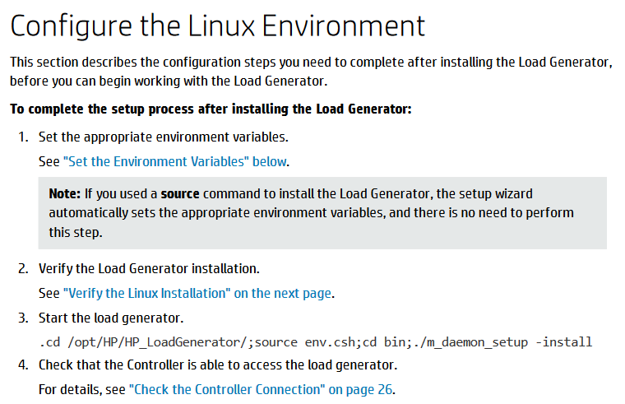
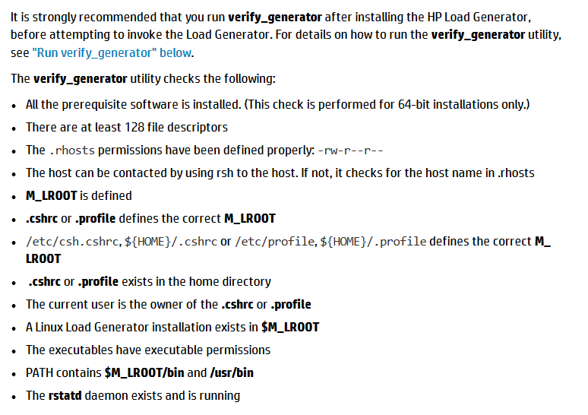
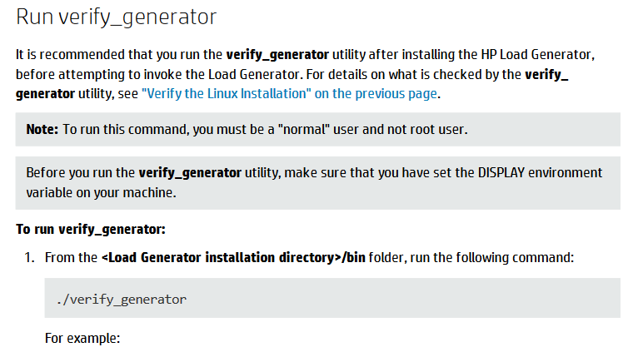
https://performanceengineeringsite.wordpress.com/2016/10/15/how-to-set-loadrunner-agent-as-a-service-or-process-after-installation/?blogsub=confirming#blog_subscription-3

https://performanceengineeringsite.wordpress.com/category/network-virtualizationhp-shunra/

https://performanceengineeringsite.wordpress.com/author/manojkumar542/

To install Load runner agent on linux
SetupWizard:1.KillanyLoadRunneragentprocessthatmayberunningonthemachine.
Type:cd/opt/HP/HP_LoadGenerator/bin;./m_daemon_setup-kill;su-;
2.Changetosuperuser.
3.Ifyouhaveanearlierversionoftheloadgeneratorinstalledonthemachine,youmustfirstuninstallit.
Type:cd/opt/HP/HP_LoadGenerator/;cd_HP_LoadGenerator_Installation/;sh./Change_HP_LoadGenerator_Installation;
4.Changedirectoryto/<installationrootdirectory>/InstData/Linux/VM.
The<installationrootdirectory>isanypaththatcontainstheWeb_Installersfolder,forexample/tmp/Web_Installers.Copytheinstallationfoldertothislocation.

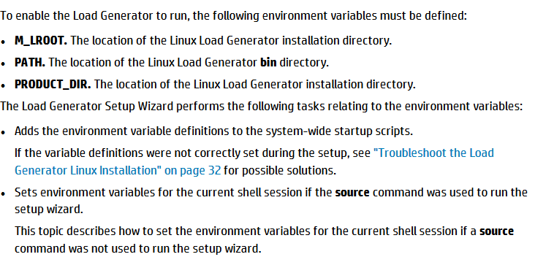
5.[shandbashshells]Launchthesetupwizardbytyping:source./installer.sh.

