connection pool
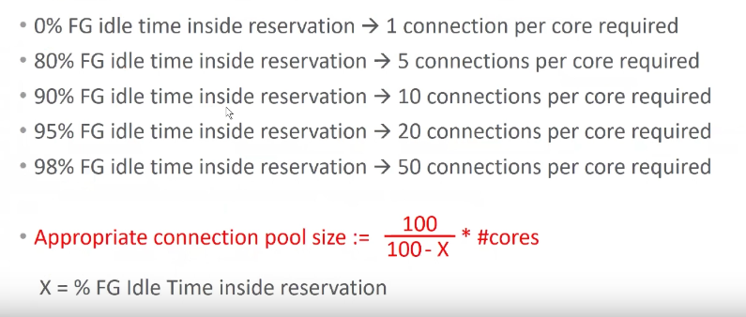
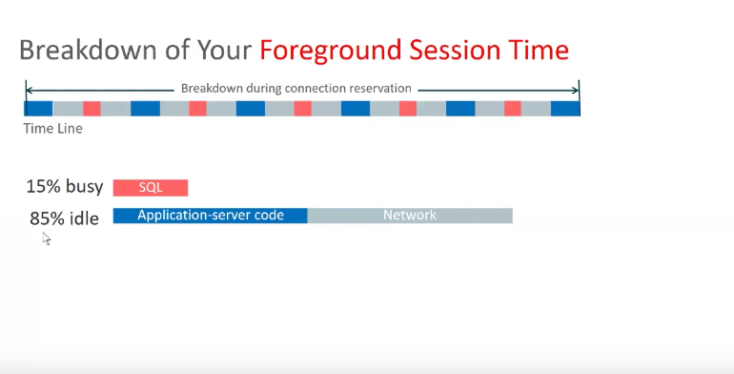
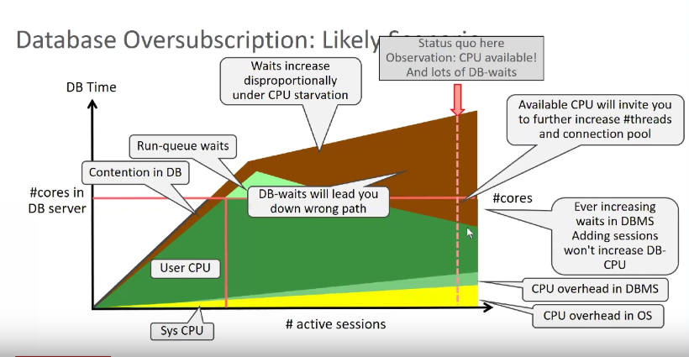
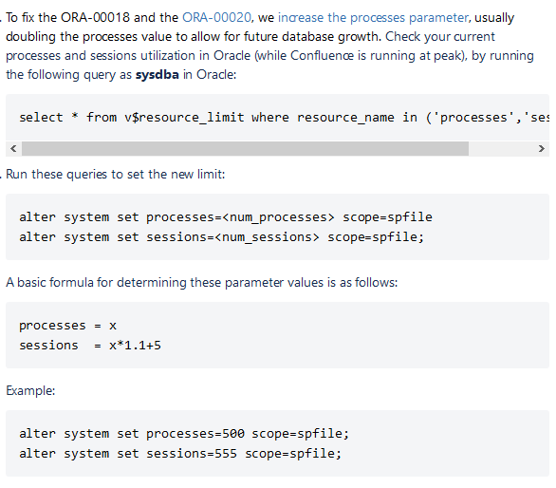
https://docs.oracle.com/cd/E21764_01/web.1111/e13737/ds_tuning.htm#JDBCA181 | https://www.youtube.com/watch?v=rxU1vnwEtPM
https://docs.oracle.com/cd/E13222_01/wls/docs81/ConsoleHelp/jdbc_connection_pools.html | https://www.youtube.com/watch?v=eiydITTdDAQ | nice one
https://docs.oracle.com/cd/B10500_01/java.920/a96654/connpoca.htm
https://dzone.com/articles/optimum-database-connection-pool-size
A connection pool contains a group of JDBC connections that are created when the connection pool is registered—when starting up WebLogic Server or when deploying the connection pool to a target server or cluster. Connection pools use a JDBC driver to create physical database connections.
Description

In software engineering, a connection pool is a cache of database connections maintained so that the connections can be reused when future requests to the database are required. Connection pools are used to enhance the performance of executing commands on a database.

How to monitor connection pool during benchmark | don’t know the answer

https://tomcat.apache.org/tomcat-8.0-doc/jdbc-pool.html
https://docs.oracle.com/cd/E19159-01/819-3681/abehr/index.html
https://dzone.com/articles/database-load-testing-with-jmeter
http://www.jcgonzalez.com/java-monitor-jdbc-connection-pool-servlet

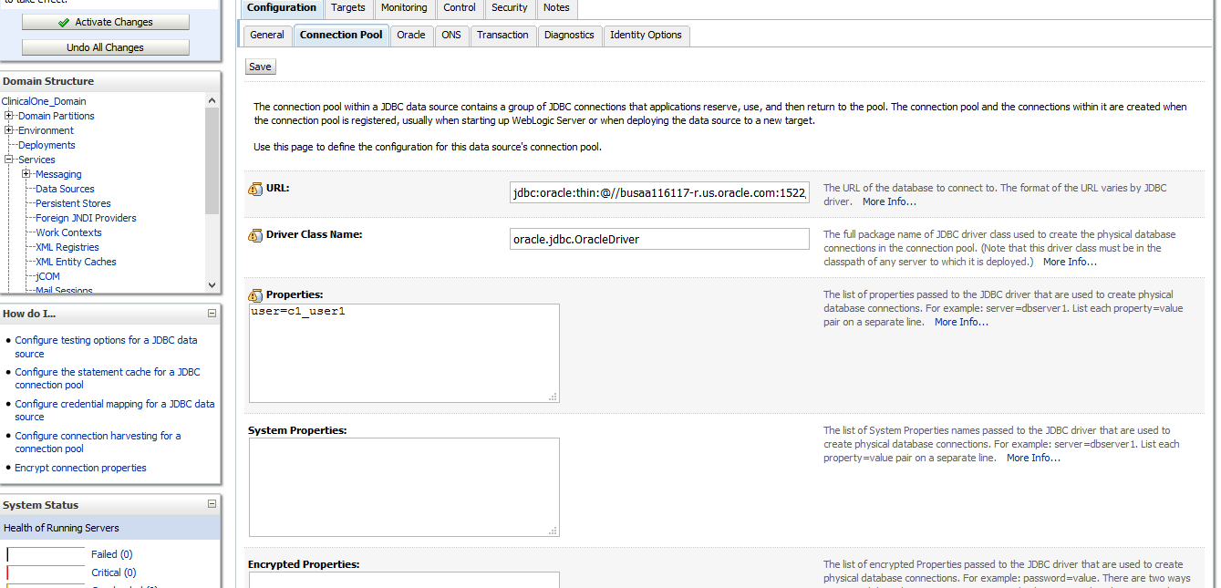
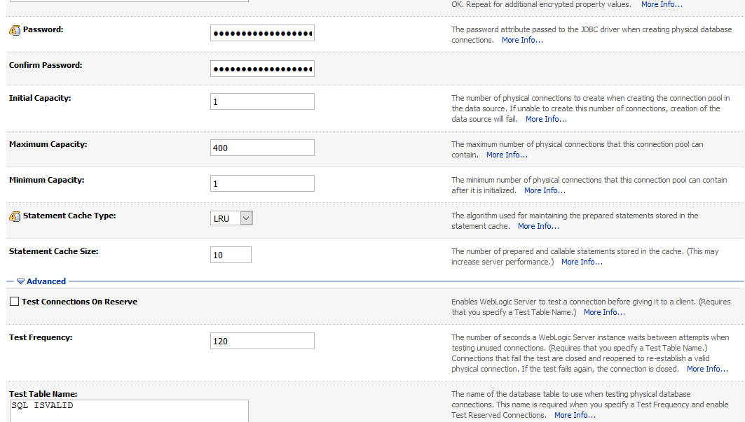
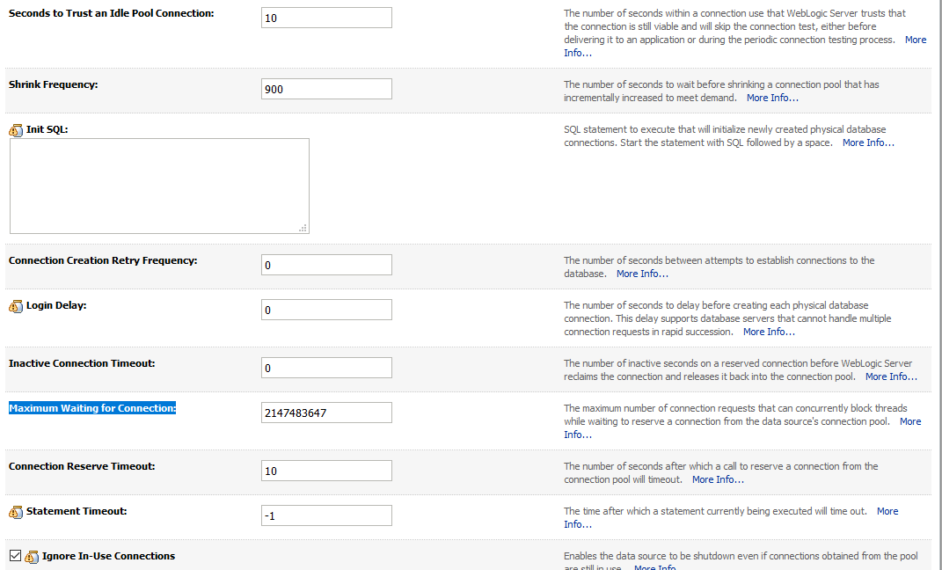
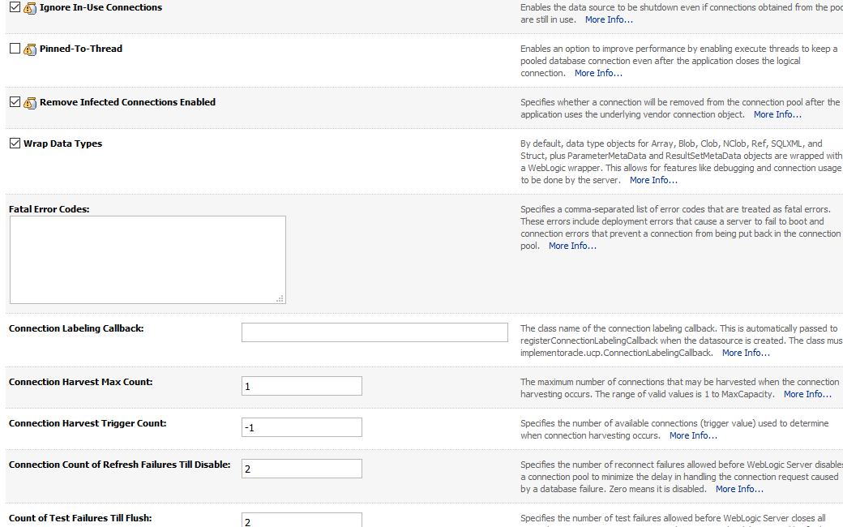

https://docs.oracle.com/middleware/1212/wls/JDBCA/monitor.htm#JDBCA241
https://docs.oracle.com/cd/E13222_01/wls/docs81/ConsoleHelp/jdbc_connection_pools.html#1106016
https://confluence.atlassian.com/confkb/dealing-with-database-connection-pool-starvation-on-oracle-db-740264461.html
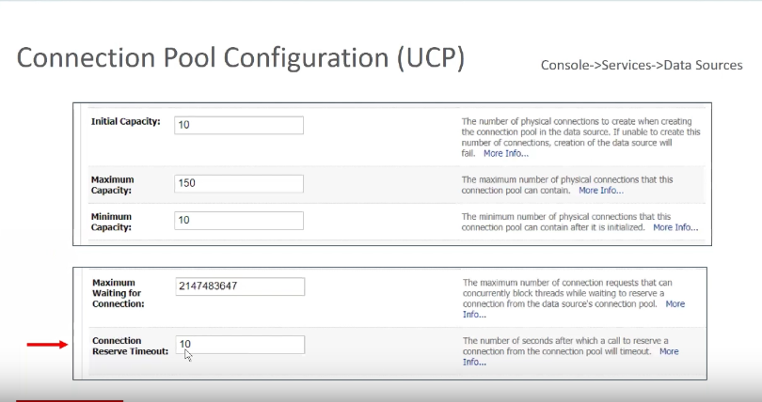

connection pool =(so that it equals to 60-80% of your max http threads at peak)

 |  |  | Maximum waiting for connection -- number of times a JVM thread can request for connection from conenction pool

 |  |  | Connection reserve timeout : eg. If we reach, maximum num of connection, depening on the settings(whether to increase the maximum capacity) , thread wil wait for these many secs to create a reserv connection.
 |  |  | reserve connection : connection which is established from connection pool to DB

threads
http://www.munzandmore.com/2012/ora/weblogic-stuck-threads-howto

-XX:+UnlockCommercialFeatures -XX:+FlightRecorder -Dcom.sun.management.jmxremote.port=19991 -Dcom.sun.management.jmxremote.authenticate=false -Dcom.sun.management.jmxremote.ssl=false -Xverify:none

https://dzone.com/articles/java-heap-dump-are-you-task

https://docs.oracle.com/cd/E13222_01/wls/docs81/perform/WLSTuning.html | max threads
https://docs.oracle.com/cd/E13222_01/wls/docs60/perform/WLSTuning.html | threads tuning

https://docs.oracle.com/cd/E13222_01/wls/docs81/perform/WLSTuning.html#wlstuning-ThreadPoolSize | WLS tuning

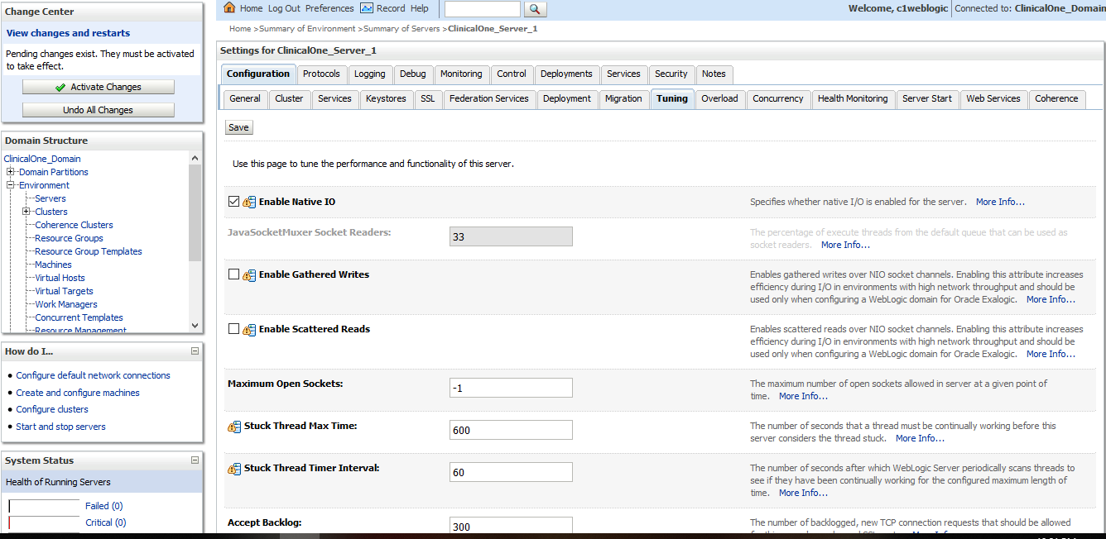
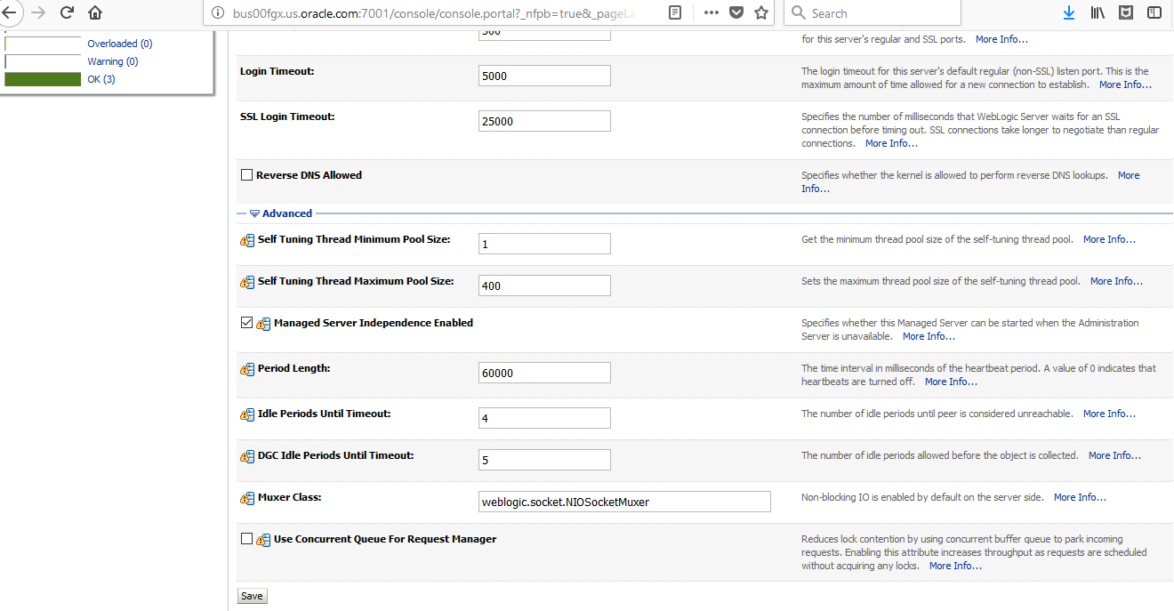
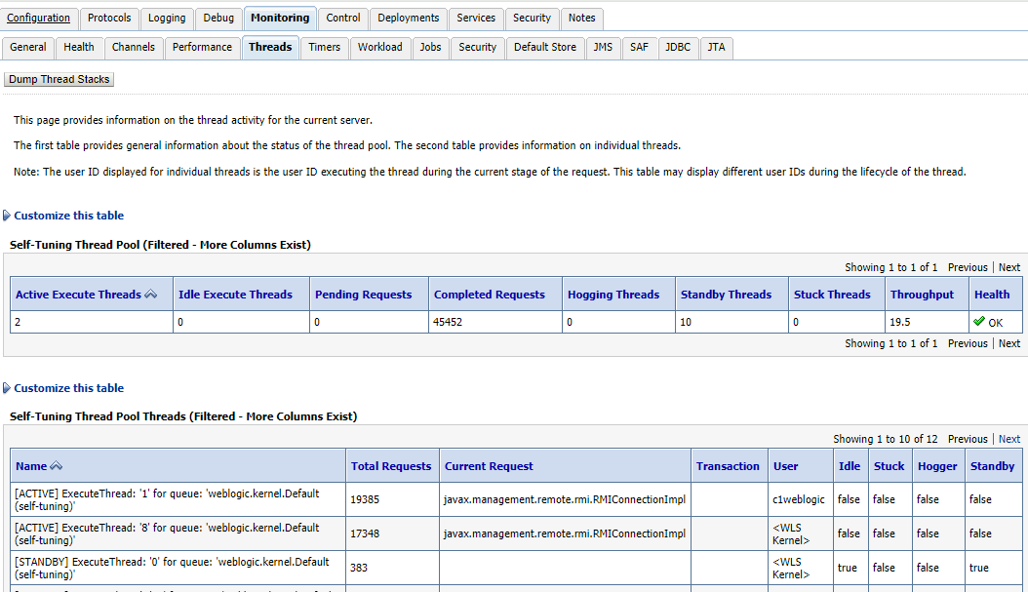

Thread monitoring : Server > Monitoring > threads

execute thread total count
Active execute threads
Execute thread Idle count
pending user request
queue length
completed request
hogging thread | hoggers are the threads which is doing the same job repeatedly , and for longer duration.. These are the candidates for suck thread,
stuck thread

http://www.munzandmore.com/2012/ora/weblogic-stuck-threads-howto

youtube: very nice - thread monitoring | https://www.youtube.com/watch?v=Ta9fyS_VMA8
complete info | https://www.youtube.com/watch?v=1qzHSEjU8Hc&t=262s
blogspot | http://javaeesupportpatterns.blogspot.com/
more info | https://www.geeksforgeeks.org/lifecycle-and-states-of-a-thread-in-java/
anothre blogspot | http://rahulranyal.blogspot.com/2015/06/weblogic-server-stuck-thread-hogging.html
 | https://www.youtube.com/watch?v=1qzHSEjU8Hc&t=262s

how can we generate thread dumps
kill -3 pid
jstack utility
Jvisual VM
JMX API
JAVA EE container console
Weblogic
Other commercial toolss

how to analyse thread dump | https://www.youtube.com/watch?v=3dKufRRT_3E

search for the patteern, in the aboce video its shown that , we see many threads with state "[STUCK]" and when we look the stack trace bottom to up, we find out that its waiting for lock on 1 object , there are many threads which is having same pattern, then we search which thread has locked that object "locked <objectid>, we get the culprit thread |  |  | 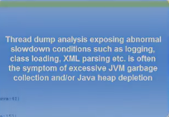 | s

jstack 17454 > threaddump_del.txt
for i in 'seq 1 10'; do echo ${i} path/to/jstack 'ps aux | grep java| grep confluence | grep -v grep|awk '{print $2}'' >> threaddump.log sleep 10 done |  |  |  |  | whereis jstack -- wil give the path
find out most cpu consuming thread | ps -mo pid.lwp.stime.time.cpu -C java
used in our system bus00fgy | for i in `seq 1 3` ; do echo ${i} /usr/bin/jstack `ps aux | grep java | grep ClinicalOne_Server_1 | grep -v grep | awk '{print $2}'` >> threaddump.log sleep 10 done
some more info | https://confluence.atlassian.com/doc/generating-a-thread-dump-externally-182158040.html

 | https://www.youtube.com/watch?v=-AtwHKXdo2A
 | https://www.youtube.com/watch?v=sdDooupSVT8

continue:
https://dzone.com/articles/how-analyze-java-thread-dumps
https://dzone.com/articles/how-to-read-a-thread-dump
https://www.jahia.com/about-us/news-events/blog/five-tricks-to-analyze-java-thread-dumps
https://jfrog.com/knowledge-base/how-to-analyze-thread-dumps-using-a-java-thread-dump-analyzer/
https://fastthread.io/
https://www.myloadtest.com/java-thread-dump/
https://github.com/irockel/tda
https://dzone.com/articles/how-to-read-a-thread-dump?fromrel=true

more extra: |  | Connecting to jvisualVM
https://stackoverflow.com/questions/930915/which-java-thread-is-hogging-the-cpu |  | https://docs.oracle.com/javadb/10.10.1.2/adminguide/radminjmxenablepwdssl.html
https://dzone.com/articles/porting-hot-thread-detector-vi
https://backstage.forgerock.com/knowledge/kb/article/a39551500
http://marjavamitjava.com/calculate-cpu-usage-java-thread-not-just-whole-process/
IBM thread dump analyser | https://www.youtube.com/watch?v=GzKfGorIc2A
 | https://www.youtube.com/watch?v=YQgmF8I-zhk
https://dzone.com/articles/top-15-java-multithreading-concurrency-interview-q?fromrel=true
https://dzone.com/articles/c11-threads-affinity-and-hyperthreading-1?fromrel=true
https://dzone.com/articles/java-what-limit-number-threads?fromrel=true

elastic search | https://www.elastic.co/guide/en/elasticsearch/reference/current/cluster-nodes-hot-threads.html

to adjust the no. of threads our application can spawn we have to use self tuning max thread pool size setting , default is 400..

http://xmlandmore.blogspot.com/search/label/Java%20Performance
http://xmlandmore.blogspot.com/2012/03/controlling-thread-pool-size-in.html

F5
IH specific F5 cluster was expired. I renewed the certfictae form > system > file management > SSL certificate list .. Seletc the certificate and renew and then take the certficat eand place in IH weblogic enterprise manager and in Inform/IP server

This specifies the major role in redirecting the load to certain pool

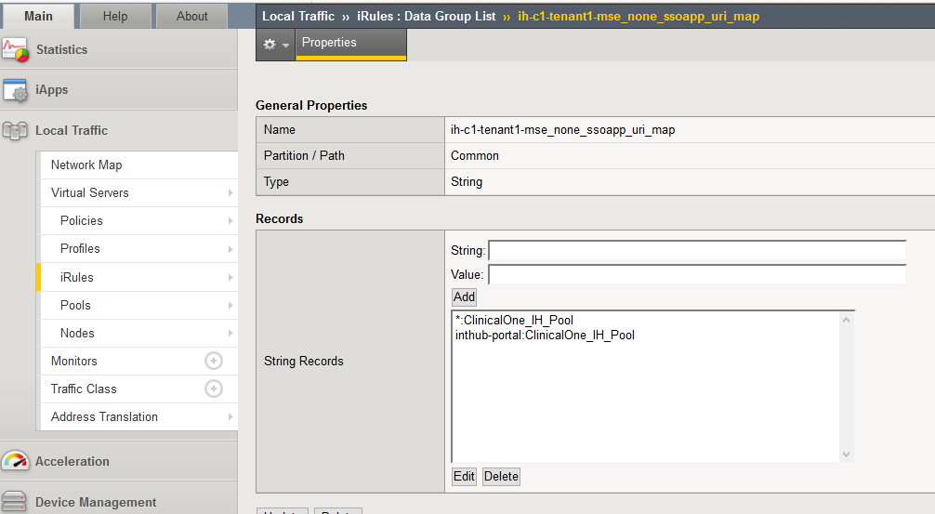
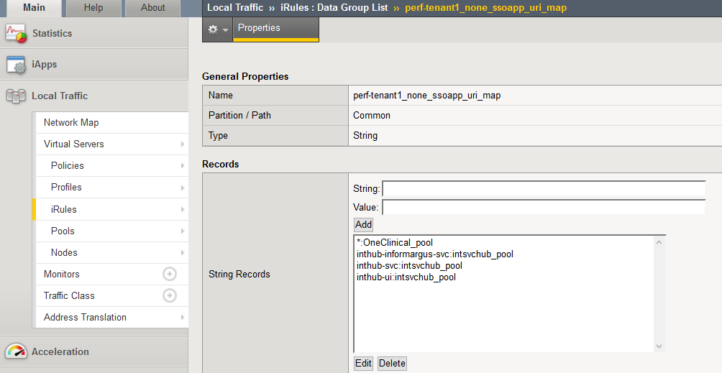

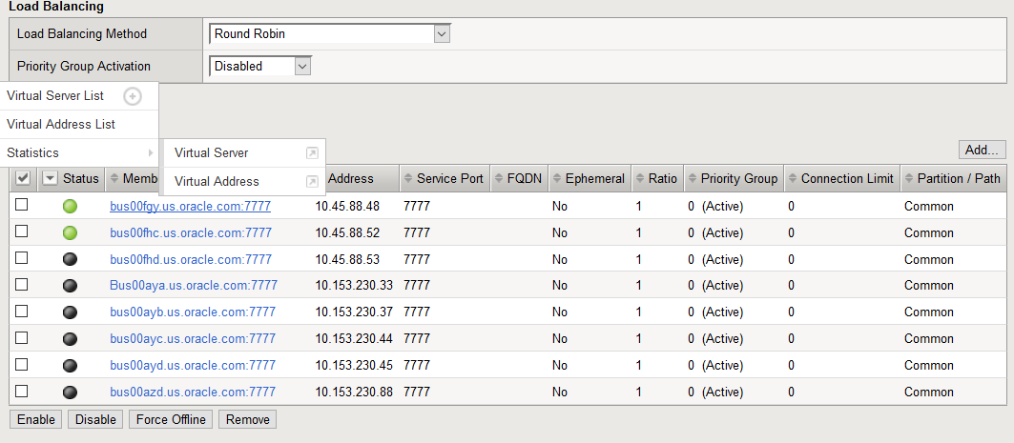

youtube | https://www.youtube.com/watch?v=HL89ZylQxp4&list=PLMy1nREcqyTgLccYrYbf_3vxoxa9OVnkG

IH
 | https://stbeehive.oracle.com/teamcollab/library/st/HSGBU+Training/Documents/Integration+Hub |  |  | Extra:
Architecture | https://hsgbu-confluence.oraclecorp.com/pages/viewpage.action?pageId=20229101 |  |  | https://www.youtube.com/watch?v=_dFJOSR-aFs
 | https://hsgbu-confluence.oraclecorp.com/display/architecture/Microservices
 | weblogic version:12c |  |  | In computing and systems design a loosely coupled system is one in which each of its components has, or makes use of, little or no knowledge of the definitions of other separate components. Subareas include the coupling of classes, interfaces, data, and services.[1] Loose coupling is the opposite of tight coupling.
 |  |  |  | https://en.wikipedia.org/wiki/Loose_coupling

weblogic | https://hsgbu-confluence.oraclecorp.com/pages/viewpage.action?pageId=18481708

 | Refer to pdf saved in interview folder : Getting strated with Microservices.pdf
Microservcie definition | https://hsgbu-confluence.oraclecorp.com/display/architecture/Microservices |  | Microservices involve an architectural approach that emphasizes the decomposition of applications into single-purpose, loosely coupled services managed by cross-functional teams, for delivering and maintaining complex software systems with the velocity and quality required by today’s digital business.
 | https://confluence.oraclecorp.com/confluence/display/ICS/What+Are+Microservices |  | Microservices are language-, platform-, and operating system-agnostic. They break down a big monolithic application, typically packaged as a single archive, into smaller and simpler applications. Each application does one thing, and does it well, so the “micro” in microservices refers to the scope of the services’ functionalities, as opposed to the number of Lines of Code (LOC).
 |  |  | Each application is built by a full-stack team, which reduces potential communication mismatch between different teams that could exist otherwise. Microservices may not be suitable for simpler applications and are better suited for complex applications that have grown over a period of time.
 |  |  | The availability of an application on a mobile device; the frequency with which an application needs to be updated; and the responsiveness of an application’s design are a few key factors driving this style of architecture.
 |  |  | The concept behind microservices is similar to Service-oriented Architecture (SOA), which is why this style of architecture has been referred to as “SOA with DevOps,” “SOA for hipsters,” and “SOA 2.0”.

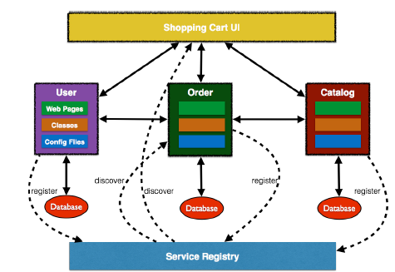
 | service registery | https://microservices.io/patterns/service-registry.html
 | Each component registers with a Service Registry. This is required because multiple stateless instances of each service might be running at a given time, and their exact endpoint locations will be known only at the runtime. Netflix Eureka, etcd, and Zookeeper are some options for service registry/discovery.

 | We have used IAMS to register servcies :
 | https://hsgbu-confluence.oraclecorp.com/display/IAMS/Register+System,+Business+Service+and+Application+Roles+to+IAMS+via+API

 | Scaling:
 | https://microservices.io/articles/scalecube.html
 | https://www.youtube.com/watch?v=S53qkH5GRXo
 | https://www.youtube.com/watch?v=bbx5puDG3gI
Tech Stack

Name | Version
LUX/oJet | 1.1.2
Weblogic | 12.2.1 (or OPC java service)
Oracle 12c DB | 12.1.0.2.0 (or OPC database service)
JAX-RS | 2
IAMS | 1.4.1
Docker | 17.03.1-ce
Minikube | v0.21.0
Kubectl | 1.7.0
Oracle Linux Version | Oracle Linux 7 u3

Vugen
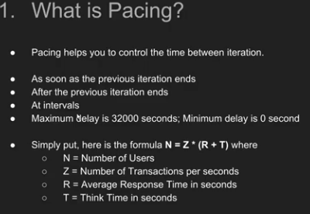
 | https://admhelp.microfocus.com/srl/en/3.0/Content/Storm/c_Getting_started.htm#mt-item-0
 | https://admhelp.microfocus.com/srl/en/3.0/Content/Storm/t_manage_scripts.htm
 | true client
 | https://performanceengineeringsite.wordpress.com/category/hp-loadrunner/ajax-truclient-protocol/

 | https://www.blazemeter.com/blog/eight-reasons-you-should-use-gatling-for-your-load-testing

 | http://loadrunner-traning.blogspot.com/2014/04/connection-pool.html
 |  |  | s
 | https://www.microfocus.com/media/documentation/loadrunner_and_performance_center_document.pdf

 | https://easyloadrunner.blogspot.com/2013/11/how-to-set-jdbc-connection-pool-in.html

 | https://softwaresupport.softwaregrp.com/doc/KM6522?fileName=hp_man_LR-version7.8-cntrl_pc_tuning_module_pdf.pdf

Strings | https://www.youtube.com/watch?v=N63JCXwdd14&list=PL9ooVrP1hQOHb4bxoHauWVwNg4FweDItZ&index=11

 | Before we start creating scripts , lets open an excel and create a shiort notes about what is recorded.
 | Sript number | script name | transaction name | test data | comments | Checkpoints
 |  | S01_scriptname | S01_T01_transactionname | sample data used | browser details recording options | page title,check whether page loaded or not

 |  |  |  |  | s
 | https://www.youtube.com/watch?v=W1k9gmCH6aM&list=PLJ9A48W0kpRIiVf8W7jMvf6Ao-naX3Ari&index=3

 | https://www.youtube.com/watch?v=W1k9gmCH6aM&list=PLJ9A48W0kpRIiVf8W7jMvf6Ao-naX3Ari&index=3

 | http://loadrunner-traning.blogspot.com/2014/04/difference-between-wininet-and-socket.html

 | difference between wiinet and socket
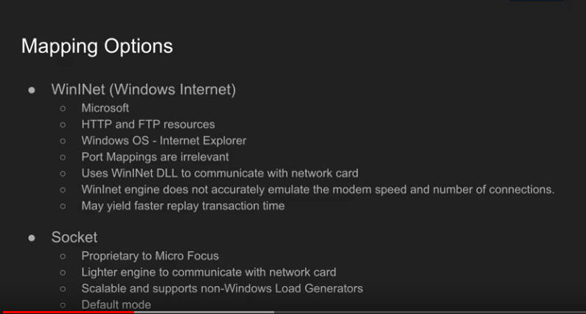

 | Git Integration

 | little's law:
 | pacing
 | N= Z*(R+T)

stromrunner
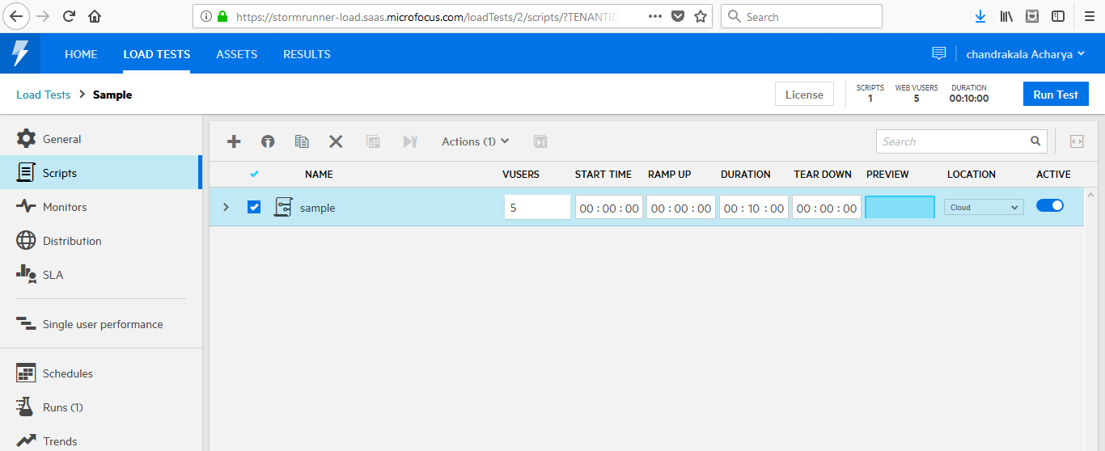
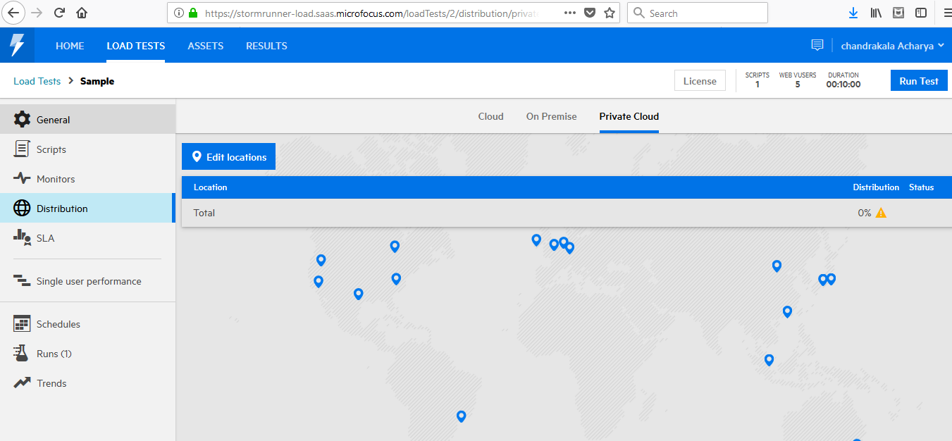
https://admhelp.microfocus.com/srl/en/3.0/Content/Storm/c_Getting_started.htm#mt-item-0
https://admhelp.microfocus.com/srl/en/3.0/Content/Storm/t_manage_scripts.htm

https://admhelp.microfocus.com/srl/en/3.0/Content/Storm/t_define_servers.htm#

weblogic params
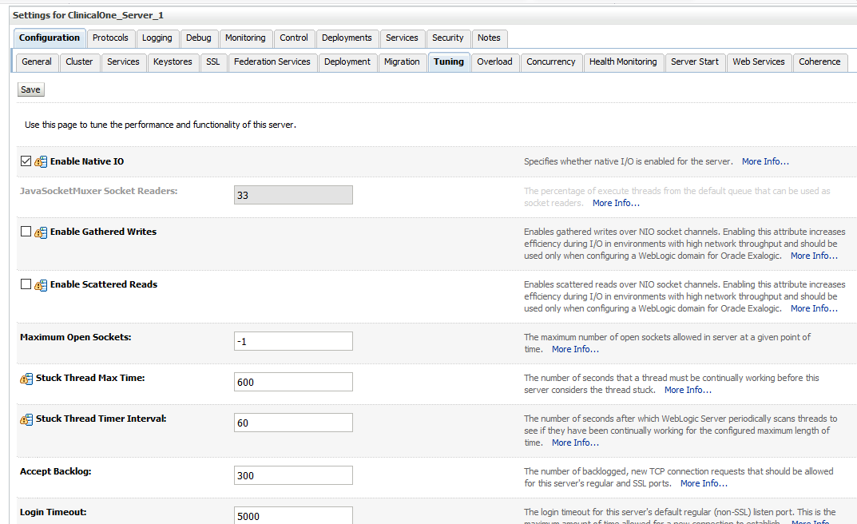
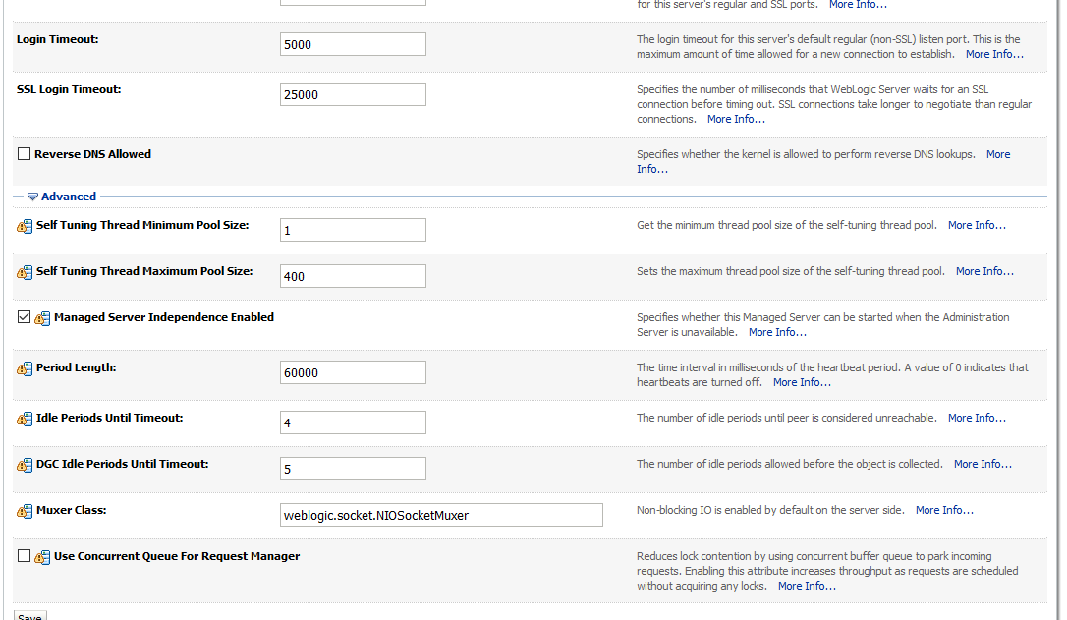
 | dmw parameters
 | emcadm 7026 6957 0 Apr28 ? 01:03:16 /oem/app/oracle/product/12c/core/12.1.0.4.0/jdk/bin/java -Xmx128M -XX:MaxPermSize=96M -server -Djava.security.egd=file:///dev/./urandom -Dsun.lang.ClassLoader.allowArraySyntax=true -XX:+UseLinuxPosixThreadCPUClocks -XX:+UseConcMarkSweepGC -XX:+CMSClassUnloadingEnabled -Dwatchdog.pid=6957 -cp /oem/app/oracle/product/12c/core/12.1.0.4.0/jdbc/lib/ojdbc5.jar:/oem/app/oracle/product/12c/core/12.1.0.4.0/ucp/lib/ucp.jar:/oem/app/oracle/product/12c/core/12.1.0.4.0/modules/oracle.http_client_11.1.1.jar:/oem/app/oracle/product/12c/core/12.1.0.4.0/lib/xmlparserv2.jar:/oem/app/oracle/product/12c/core/12.1.0.4.0/lib/jsch.jar:/oem/app/oracle/product/12c/core/12.1.0.4.0/lib/optic.jar:/oem/app/oracle/product/12c/core/12.1.0.4.0/modules/oracle.dms_11.1.1/dms.jar:/oem/app/oracle/product/12c/core/12.1.0.4.0/modules/oracle.odl_11.1.1/ojdl.jar:/oem/app/oracle/product/12c/core/12.1.0.4.0/modules/oracle.odl_11.1.1/ojdl2.jar:/oem/app/oracle/product/12c/core/12.1.0.4.0/sysman/jlib/log4j-core.jar:/oem/app/oracle/product/12c/core/12.1.0.4.0/jlib/gcagent_core.jar:/oem/app/oracle/product/12c/core/12.1.0.4.0/sysman/jlib/emagentSDK-intg.jar:/oem/app/oracle/product/12c/core/12.1.0.4.0/sysman/jlib/emagentSDK.jar oracle.sysman.gcagent.tmmain.TMMain

 | bash-3.00$ ps -eaf|grep java
 | emcadm 7026 6957 0 Apr28 ? 01:03:16 /oem/app/oracle/product/12c/core/12.1.0.4.0/jdk/bin/java -Xmx128M -XX:MaxPermSize=96M -server -Djava.security.egd=file:///dev/./urandom -Dsun.lang.ClassLoader.allowArraySyntax=true -XX:+UseLinuxPosixThreadCPUClocks -XX:+UseConcMarkSweepGC -XX:+CMSClassUnloadingEnabled -Dwatchdog.pid=6957 -cp /oem/app/oracle/product/12c/core/12.1.0.4.0/jdbc/lib/ojdbc5.jar:/oem/app/oracle/product/12c/core/12.1.0.4.0/ucp/lib/ucp.jar:/oem/app/oracle/product/12c/core/12.1.0.4.0/modules/oracle.http_client_11.1.1.jar:/oem/app/oracle/product/12c/core/12.1.0.4.0/lib/xmlparserv2.jar:/oem/app/oracle/product/12c/core/12.1.0.4.0/lib/jsch.jar:/oem/app/oracle/product/12c/core/12.1.0.4.0/lib/optic.jar:/oem/app/oracle/product/12c/core/12.1.0.4.0/modules/oracle.dms_11.1.1/dms.jar:/oem/app/oracle/product/12c/core/12.1.0.4.0/modules/oracle.odl_11.1.1/ojdl.jar:/oem/app/oracle/product/12c/core/12.1.0.4.0/modules/oracle.odl_11.1.1/ojdl2.jar:/oem/app/oracle/product/12c/core/12.1.0.4.0/sysman/jlib/log4j-core.jar:/oem/app/oracle/product/12c/core/12.1.0.4.0/jlib/gcagent_core.jar:/oem/app/oracle/product/12c/core/12.1.0.4.0/sysman/jlib/emagentSDK-intg.jar:/oem/app/oracle/product/12c/core/12.1.0.4.0/sysman/jlib/emagentSDK.jar oracle.sysman.gcagent.tmmain.TMMain
 | oraem 7757 7664 0 Apr28 ? 01:32:33 /opt/oracle/oraem/12c/core/12.1.0.4.0/jdk/bin/java -Xmx128M -XX:MaxPermSize=96M -server -Djava.security.egd=file:///dev/./urandom -Dsun.lang.ClassLoader.allowArraySyntax=true -XX:+UseLinuxPosixThreadCPUClocks -XX:+UseConcMarkSweepGC -XX:+CMSClassUnloadingEnabled -Dwatchdog.pid=7664 -cp /opt/oracle/oraem/12c/core/12.1.0.4.0/jdbc/lib/ojdbc5.jar:/opt/oracle/oraem/12c/core/12.1.0.4.0/ucp/lib/ucp.jar:/opt/oracle/oraem/12c/core/12.1.0.4.0/modules/oracle.http_client_11.1.1.jar:/opt/oracle/oraem/12c/core/12.1.0.4.0/lib/xmlparserv2.jar:/opt/oracle/oraem/12c/core/12.1.0.4.0/lib/jsch.jar:/opt/oracle/oraem/12c/core/12.1.0.4.0/lib/optic.jar:/opt/oracle/oraem/12c/core/12.1.0.4.0/modules/oracle.dms_11.1.1/dms.jar:/opt/oracle/oraem/12c/core/12.1.0.4.0/modules/oracle.odl_11.1.1/ojdl.jar:/opt/oracle/oraem/12c/core/12.1.0.4.0/modules/oracle.odl_11.1.1/ojdl2.jar:/opt/oracle/oraem/12c/core/12.1.0.4.0/sysman/jlib/log4j-core.jar:/opt/oracle/oraem/12c/core/12.1.0.4.0/jlib/gcagent_core.jar:/opt/oracle/oraem/12c/core/12.1.0.4.0/sysman/jlib/emagentSDK-intg.jar:/opt/oracle/oraem/12c/core/12.1.0.4.0/sysman/jlib/emagentSDK.jar oracle.sysman.gcagent.tmmain.TMMain
 | app1809 9945 9847 0 03:12 ? 00:00:10 /slot/ems1809/appmgr/apps/tech_st/10.1.3/appsutil/jdk/bin/java -DCLIENT_PROCESSID=9945 -Dhttp.proxyHost=www-proxy.us.oracle.com -Dhttp.proxyPort=80 -Dhttp.nonProxyHosts=*.us.oracle.com -Dhttps.proxyHost=www-proxy.us.oracle.com -Dhttps.proxyPort=80 -Dhttps.nonProxyHosts=*.us.oracle.com -server -Xmx384m -XX:NewRatio=2 -XX:+UseSerialGC -Doracle.apps.fnd.common.Pool.leak.mode=stderr:off -verbose:gc -Ddbcfile=/slot/ems1809/appmgr/inst/apps/hz1str12_rws60115rems/appl/fnd/12.0.0/secure/hz1str12.dbc -Dcpid=1976518 -Dconc_queue_id=1049 -Dqueue_appl_id=535 -Dlogfile=/slot/ems1809/appmgr/inst/apps/hz1str12_rws60115rems/logs/appl/conc/log/XDPQFAS1976518.txt -DLONG_RUNNING_JVM=true -DOVERRIDE_DBC=true -DFND_JDBC_BUFFER_MIN=1 -DFND_JDBC_BUFFER_MAX=2 oracle.apps.xdp.dequeuer.core.QueueService
 | app1809 9952 9847 0 03:12 ? 00:00:13 /slot/ems1809/appmgr/apps/tech_st/10.1.3/appsutil/jdk/bin/java -DCLIENT_PROCESSID=9952 -Dhttp.proxyHost=www-proxy.us.oracle.com -Dhttp.proxyPort=80 -Dhttp.nonProxyHosts=*.us.oracle.com -Dhttps.proxyHost=www-proxy.us.oracle.com -Dhttps.proxyPort=80 -Dhttps.nonProxyHosts=*.us.oracle.com -server -Xmx384m -XX:NewRatio=2 -XX:+UseSerialGC -Doracle.apps.fnd.common.Pool.leak.mode=stderr:off -verbose:gc -Ddbcfile=/slot/ems1809/appmgr/inst/apps/hz1str12_rws60115rems/appl/fnd/12.0.0/secure/hz1str12.dbc -Dcpid=1976519 -Dconc_queue_id=31528 -Dqueue_appl_id=0 -Dlogfile=/slot/ems1809/appmgr/inst/apps/hz1str12_rws60115rems/logs/appl/conc/log/IEMDPDEV1976519.txt -DLONG_RUNNING_JVM=true -DOVERRIDE_DBC=true -DFND_JDBC_BUFFER_MIN=1 -DFND_JDBC_BUFFER_MAX=2 oracle.apps.iem.emta.gsm.IEMDPCART
 | app1809 9963 9847 0 03:12 ? 00:00:10 /slot/ems1809/appmgr/apps/tech_st/10.1.3/appsutil/jdk/bin/java -DCLIENT_PROCESSID=9963 -Dhttp.proxyHost=www-proxy.us.oracle.com -Dhttp.proxyPort=80 -Dhttp.nonProxyHosts=*.us.oracle.com -Dhttps.proxyHost=www-proxy.us.oracle.com -Dhttps.proxyPort=80 -Dhttps.nonProxyHosts=*.us.oracle.com -server -Xmx384m -XX:NewRatio=2 -XX:+UseSerialGC -Doracle.apps.fnd.common.Pool.leak.mode=stderr:off -verbose:gc -mx512m -Ddbcfile=/slot/ems1809/appmgr/inst/apps/hz1str12_rws60115rems/appl/fnd/12.0.0/secure/hz1str12.dbc -Dcpid=1976520 -Dconc_queue_id=2158 -Dqueue_appl_id=0 -Dlogfile=/slot/ems1809/appmgr/inst/apps/hz1str12_rws60115rems/logs/appl/conc/log/FNDOPP1976520.txt -DLONG_RUNNING_JVM=true -DOVERRIDE_DBC=true -DFND_JDBC_BUFFER_MIN=1 -DFND_JDBC_BUFFER_MAX=2 oracle.apps.fnd.cp.gsf.GSMServiceController
 | app1809 9972 9847 0 03:12 ? 00:00:11 /slot/ems1809/appmgr/apps/tech_st/10.1.3/appsutil/jdk/bin/java -DCLIENT_PROCESSID=9972 -Dhttp.proxyHost=www-proxy.us.oracle.com -Dhttp.proxyPort=80 -Dhttp.nonProxyHosts=*.us.oracle.com -Dhttps.proxyHost=www-proxy.us.oracle.com -Dhttps.proxyPort=80 -Dhttps.nonProxyHosts=*.us.oracle.com -server -Xmx384m -XX:NewRatio=2 -XX:+UseSerialGC -Doracle.apps.fnd.common.Pool.leak.mode=stderr:off -verbose:gc -Ddbcfile=/slot/ems1809/appmgr/inst/apps/hz1str12_rws60115rems/appl/fnd/12.0.0/secure/hz1str12.dbc -Dcpid=1976521 -Dconc_queue_id=1134 -Dqueue_appl_id=0 -Dlogfile=/slot/ems1809/appmgr/inst/apps/hz1str12_rws60115rems/logs/appl/conc/log/FNDCPGSC1976521.txt -DLONG_RUNNING_JVM=true -DOVERRIDE_DBC=true -DFND_JDBC_BUFFER_MIN=1 -DFND_JDBC_BUFFER_MAX=2 oracle.apps.fnd.cp.gsm.GSMSvcComponentContainer
 | app1809 9979 9847 0 03:12 ? 00:00:11 /slot/ems1809/appmgr/apps/tech_st/10.1.3/appsutil/jdk/bin/java -DCLIENT_PROCESSID=9979 -Dhttp.proxyHost=www-proxy.us.oracle.com -Dhttp.proxyPort=80 -Dhttp.nonProxyHosts=*.us.oracle.com -Dhttps.proxyHost=www-proxy.us.oracle.com -Dhttps.proxyPort=80 -Dhttps.nonProxyHosts=*.us.oracle.com -server -Xmx384m -XX:NewRatio=2 -XX:+UseSerialGC -Doracle.apps.fnd.common.Pool.leak.mode=stderr:off -verbose:gc -Ddbcfile=/slot/ems1809/appmgr/inst/apps/hz1str12_rws60115rems/appl/fnd/12.0.0/secure/hz1str12.dbc -Dcpid=1976522 -Dconc_queue_id=1096 -Dqueue_appl_id=0 -Dlogfile=/slot/ems1809/appmgr/inst/apps/hz1str12_rws60115rems/logs/appl/conc/log/FNDCPGSC1976522.txt -DLONG_RUNNING_JVM=true -DOVERRIDE_DBC=true -DFND_JDBC_BUFFER_MIN=1 -DFND_JDBC_BUFFER_MAX=2 oracle.apps.fnd.cp.gsm.GSMSvcComponentContainer
 | app1809 9991 9847 0 03:12 ? 00:00:11 /slot/ems1809/appmgr/apps/tech_st/10.1.3/appsutil/jdk/bin/java -DCLIENT_PROCESSID=9991 -Dhttp.proxyHost=www-proxy.us.oracle.com -Dhttp.proxyPort=80 -Dhttp.nonProxyHosts=*.us.oracle.com -Dhttps.proxyHost=www-proxy.us.oracle.com -Dhttps.proxyPort=80 -Dhttps.nonProxyHosts=*.us.oracle.com -server -Xmx384m -XX:NewRatio=2 -XX:+UseSerialGC -Doracle.apps.fnd.common.Pool.leak.mode=stderr:off -verbose:gc -Ddbcfile=/slot/ems1809/appmgr/inst/apps/hz1str12_rws60115rems/appl/fnd/12.0.0/secure/hz1str12.dbc -Dcpid=1976523 -Dconc_queue_id=1095 -Dqueue_appl_id=0 -Dlogfile=/slot/ems1809/appmgr/inst/apps/hz1str12_rws60115rems/logs/appl/conc/log/FNDCPGSC1976523.txt -DLONG_RUNNING_JVM=true -DOVERRIDE_DBC=true -DFND_JDBC_BUFFER_MIN=1 -DFND_JDBC_BUFFER_MAX=2 oracle.apps.fnd.cp.gsm.GSMSvcComponentContainer
 | app1809 10000 9847 0 03:12 ? 00:00:09 /slot/ems1809/appmgr/apps/tech_st/10.1.3/appsutil/jdk/bin/java -DCLIENT_PROCESSID=10000 -Dhttp.proxyHost=www-proxy.us.oracle.com -Dhttp.proxyPort=80 -Dhttp.nonProxyHosts=*.us.oracle.com -Dhttps.proxyHost=www-proxy.us.oracle.com -Dhttps.proxyPort=80 -Dhttps.nonProxyHosts=*.us.oracle.com -server -Xmx384m -XX:NewRatio=2 -XX:+UseSerialGC -Doracle.apps.fnd.common.Pool.leak.mode=stderr:off -verbose:gc -Ddbcfile=/slot/ems1809/appmgr/inst/apps/hz1str12_rws60115rems/appl/fnd/12.0.0/secure/hz1str12.dbc -Dcpid=1976524 -Dconc_queue_id=1054 -Dqueue_appl_id=535 -Dlogfile=/slot/ems1809/appmgr/inst/apps/hz1str12_rws60115rems/logs/appl/conc/log/XDPAMONS1976524.txt -DLONG_RUNNING_JVM=true -DOVERRIDE_DBC=true -DFND_JDBC_BUFFER_MIN=1 -DFND_JDBC_BUFFER_MAX=2 oracle.apps.xdp.dequeuer.core.QueueService
 | app1809 10016 9847 0 03:12 ? 00:00:10 /slot/ems1809/appmgr/apps/tech_st/10.1.3/appsutil/jdk/bin/java -DCLIENT_PROCESSID=10016 -Dhttp.proxyHost=www-proxy.us.oracle.com -Dhttp.proxyPort=80 -Dhttp.nonProxyHosts=*.us.oracle.com -Dhttps.proxyHost=www-proxy.us.oracle.com -Dhttps.proxyPort=80 -Dhttps.nonProxyHosts=*.us.oracle.com -server -Xmx384m -XX:NewRatio=2 -XX:+UseSerialGC -Doracle.apps.fnd.common.Pool.leak.mode=stderr:off -verbose:gc -Ddbcfile=/slot/ems1809/appmgr/inst/apps/hz1str12_rws60115rems/appl/fnd/12.0.0/secure/hz1str12.dbc -Dcpid=1976525 -Dconc_queue_id=1053 -Dqueue_appl_id=535 -Dlogfile=/slot/ems1809/appmgr/inst/apps/hz1str12_rws60115rems/logs/appl/conc/log/XDPQTMRS1976525.txt -DLONG_RUNNING_JVM=true -DOVERRIDE_DBC=true -DFND_JDBC_BUFFER_MIN=1 -DFND_JDBC_BUFFER_MAX=2 oracle.apps.xdp.dequeuer.core.QueueService
 | app1809 10021 9847 0 03:12 ? 00:00:10 /slot/ems1809/appmgr/apps/tech_st/10.1.3/appsutil/jdk/bin/java -DCLIENT_PROCESSID=10021 -Dhttp.proxyHost=www-proxy.us.oracle.com -Dhttp.proxyPort=80 -Dhttp.nonProxyHosts=*.us.oracle.com -Dhttps.proxyHost=www-proxy.us.oracle.com -Dhttps.proxyPort=80 -Dhttps.nonProxyHosts=*.us.oracle.com -server -Xmx384m -XX:NewRatio=2 -XX:+UseSerialGC -Doracle.apps.fnd.common.Pool.leak.mode=stderr:off -verbose:gc -Ddbcfile=/slot/ems1809/appmgr/inst/apps/hz1str12_rws60115rems/appl/fnd/12.0.0/secure/hz1str12.dbc -Dcpid=1976527 -Dconc_queue_id=1047 -Dqueue_appl_id=535 -Dlogfile=/slot/ems1809/appmgr/inst/apps/hz1str12_rws60115rems/logs/appl/conc/log/XDPQORDS1976527.txt -DLONG_RUNNING_JVM=true -DOVERRIDE_DBC=true -DFND_JDBC_BUFFER_MIN=1 -DFND_JDBC_BUFFER_MAX=2 oracle.apps.xdp.dequeuer.core.QueueService
 | app1809 10024 9847 0 03:12 ? 00:00:10 /slot/ems1809/appmgr/apps/tech_st/10.1.3/appsutil/jdk/bin/java -DCLIENT_PROCESSID=10024 -Dhttp.proxyHost=www-proxy.us.oracle.com -Dhttp.proxyPort=80 -Dhttp.nonProxyHosts=*.us.oracle.com -Dhttps.proxyHost=www-proxy.us.oracle.com -Dhttps.proxyPort=80 -Dhttps.nonProxyHosts=*.us.oracle.com -server -Xmx384m -XX:NewRatio=2 -XX:+UseSerialGC -Doracle.apps.fnd.common.Pool.leak.mode=stderr:off -verbose:gc -Ddbcfile=/slot/ems1809/appmgr/inst/apps/hz1str12_rws60115rems/appl/fnd/12.0.0/secure/hz1str12.dbc -Dcpid=1976528 -Dconc_queue_id=1048 -Dqueue_appl_id=535 -Dlogfile=/slot/ems1809/appmgr/inst/apps/hz1str12_rws60115rems/logs/appl/conc/log/XDPQWIS1976528.txt -DLONG_RUNNING_JVM=true -DOVERRIDE_DBC=true -DFND_JDBC_BUFFER_MIN=1 -DFND_JDBC_BUFFER_MAX=2 oracle.apps.xdp.dequeuer.core.QueueService
 | app1809 10030 9847 0 03:12 ? 00:00:10 /slot/ems1809/appmgr/apps/tech_st/10.1.3/appsutil/jdk/bin/java -DCLIENT_PROCESSID=10030 -Dhttp.proxyHost=www-proxy.us.oracle.com -Dhttp.proxyPort=80 -Dhttp.nonProxyHosts=*.us.oracle.com -Dhttps.proxyHost=www-proxy.us.oracle.com -Dhttps.proxyPort=80 -Dhttps.nonProxyHosts=*.us.oracle.com -server -Xmx384m -XX:NewRatio=2 -XX:+UseSerialGC -Doracle.apps.fnd.common.Pool.leak.mode=stderr:off -verbose:gc -Ddbcfile=/slot/ems1809/appmgr/inst/apps/hz1str12_rws60115rems/appl/fnd/12.0.0/secure/hz1str12.dbc -Dcpid=1976529 -Dconc_queue_id=1050 -Dqueue_appl_id=535 -Dlogfile=/slot/ems1809/appmgr/inst/apps/hz1str12_rws60115rems/logs/appl/conc/log/XDPQFES1976529.txt -DLONG_RUNNING_JVM=true -DOVERRIDE_DBC=true -DFND_JDBC_BUFFER_MIN=1 -DFND_JDBC_BUFFER_MAX=2 oracle.apps.xdp.dequeuer.core.QueueService
 | app1809 10034 9847 0 03:12 ? 00:00:10 /slot/ems1809/appmgr/apps/tech_st/10.1.3/appsutil/jdk/bin/java -DCLIENT_PROCESSID=10034 -Dhttp.proxyHost=www-proxy.us.oracle.com -Dhttp.proxyPort=80 -Dhttp.nonProxyHosts=*.us.oracle.com -Dhttps.proxyHost=www-proxy.us.oracle.com -Dhttps.proxyPort=80 -Dhttps.nonProxyHosts=*.us.oracle.com -server -Xmx384m -XX:NewRatio=2 -XX:+UseSerialGC -Doracle.apps.fnd.common.Pool.leak.mode=stderr:off -verbose:gc -Ddbcfile=/slot/ems1809/appmgr/inst/apps/hz1str12_rws60115rems/appl/fnd/12.0.0/secure/hz1str12.dbc -Dcpid=1976530 -Dconc_queue_id=1051 -Dqueue_appl_id=535 -Dlogfile=/slot/ems1809/appmgr/inst/apps/hz1str12_rws60115rems/logs/appl/conc/log/XDPQEVTS1976530.txt -DLONG_RUNNING_JVM=true -DOVERRIDE_DBC=true -DFND_JDBC_BUFFER_MIN=1 -DFND_JDBC_BUFFER_MAX=2 oracle.apps.xdp.dequeuer.core.QueueService
 | app1809 10037 9847 0 03:12 ? 00:00:10 /slot/ems1809/appmgr/apps/tech_st/10.1.3/appsutil/jdk/bin/java -DCLIENT_PROCESSID=10037 -Dhttp.proxyHost=www-proxy.us.oracle.com -Dhttp.proxyPort=80 -Dhttp.nonProxyHosts=*.us.oracle.com -Dhttps.proxyHost=www-proxy.us.oracle.com -Dhttps.proxyPort=80 -Dhttps.nonProxyHosts=*.us.oracle.com -server -Xmx384m -XX:NewRatio=2 -XX:+UseSerialGC -Doracle.apps.fnd.common.Pool.leak.mode=stderr:off -verbose:gc -Ddbcfile=/slot/ems1809/appmgr/inst/apps/hz1str12_rws60115rems/appl/fnd/12.0.0/secure/hz1str12.dbc -Dcpid=1976531 -Dconc_queue_id=1052 -Dqueue_appl_id=535 -Dlogfile=/slot/ems1809/appmgr/inst/apps/hz1str12_rws60115rems/logs/appl/conc/log/XDPQMSGS1976531.txt -DLONG_RUNNING_JVM=true -DOVERRIDE_DBC=true -DFND_JDBC_BUFFER_MIN=1 -DFND_JDBC_BUFFER_MAX=2 oracle.apps.xdp.dequeuer.core.QueueService
 | app7658 11158 11003 0 Jun16 ? 00:00:44 /slot/ems7658/appmgr/apps/tech_st/10.1.3/appsutil/jdk/bin/java -DCLIENT_PROCESSID=11158 -server -verbose:gc -Xmx1024M -Xms256M -XX:MaxPermSize=512M -XX:NewRatio=2 -XX:+PrintGCTimeStamps -XX:+UseTLAB -XX:+UseParallelGC -XX:ParallelGCThreads=2 -Dcom.sun.management.jmxremote -Djava.security.policy=/slot/ems7658/appmgr/apps/tech_st/10.1.3/j2ee/oacore/config/java2.policy -Djava.awt.headless=true -Dhttp.webdir.enable=false -Doracle.security.jazn.config=/slot/ems7658/appmgr/inst/apps/mh1rt213_rws60115rems/ora/10.1.3/j2ee/oacore/config/jazn.xml -Dhttp.cookie.ignoreCommaInCookiesNamed=X_NoMatchingCookies -Doracle.ons.oraclehome=/slot/ems7658/appmgr/apps/tech_st/10.1.3 -Doracle.home=/slot/ems7658/appmgr/apps/tech_st/10.1.3 -Doracle.ons.oracleconfighome=/slot/ems7658/appmgr/inst/apps/mh1rt213_rws60115rems/ora/10.1.3 -Doracle.ons.clustername=default -Doracle.ons.instancename=mh1rt213_rws60115rems.rws60115rems.us.oracle.com -Dopmn.compatible=904 -Doracle.ons.indexid=oacore.default_group.1 -Doracle.ons.numprocs=1 -Doracle.ons.uid=344676698 -Doracle.oc4j.groupname=default_group -Doracle.oc4j.instancename=oacore -Doracle.oc4j.islandname=default_group -Doracle.opmn.routingid=g_rt_id -DOPMN=true -jar oc4j.jar -config /slot/ems7658/appmgr/inst/apps/mh1rt213_rws60115rems/ora/10.1.3/j2ee/oacore/config/server.xml -properties -out /slot/ems7658/appmgr/inst/apps/mh1rt213_rws60115rems/logs/ora/10.1.3/opmn/oacorestd.out -err /slot/ems7658/appmgr/inst/apps/mh1rt213_rws60115rems/logs/ora/10.1.3/opmn/oacorestd.err -ports default-web-site:ajp:21790,rmi:20290,jms:23290
 | app7658 11308 11003 0 Jun16 ? 00:00:41 /slot/ems7658/appmgr/apps/tech_st/10.1.3/appsutil/jdk/bin/java -DCLIENT_PROCESSID=11308 -server -verbose:gc -Xmx256M -Xms64M -XX:MaxPermSize=128M -XX:NewRatio=2 -XX:+PrintGCTimeStamps -XX:+UseTLAB -XX:+UseParallelGC -XX:ParallelGCThreads=2 -Djava.security.policy=/slot/ems7658/appmgr/apps/tech_st/10.1.3/j2ee/oacore/config/java2.policy -Djava.awt.headless=true -Dhttp.webdir.enable=false -Doracle.security.jazn.config=/slot/ems7658/appmgr/inst/apps/mh1rt213_rws60115rems/ora/10.1.3/j2ee/forms/config/jazn.xml -Doracle.ons.oraclehome=/slot/ems7658/appmgr/apps/tech_st/10.1.3 -Doracle.home=/slot/ems7658/appmgr/apps/tech_st/10.1.3 -Doracle.ons.oracleconfighome=/slot/ems7658/appmgr/inst/apps/mh1rt213_rws60115rems/ora/10.1.3 -Doracle.ons.clustername=default -Doracle.ons.instancename=mh1rt213_rws60115rems.rws60115rems.us.oracle.com -Dopmn.compatible=904 -Doracle.ons.indexid=forms.default_group.1 -Doracle.ons.numprocs=1 -Doracle.ons.uid=344676699 -Doracle.oc4j.groupname=default_group -Doracle.oc4j.instancename=forms -Doracle.oc4j.islandname=default_group -Doracle.opmn.routingid=g_rt_id -DOPMN=true -jar oc4j.jar -config /slot/ems7658/appmgr/inst/apps/mh1rt213_rws60115rems/ora/10.1.3/j2ee/forms/config/server.xml -properties -out /slot/ems7658/appmgr/inst/apps/mh1rt213_rws60115rems/logs/ora/10.1.3/opmn/formsstd.out -err /slot/ems7658/appmgr/inst/apps/mh1rt213_rws60115rems/logs/ora/10.1.3/opmn/formsstd.err -ports default-web-site:ajp:22290,rmi:20790,jms:23790
 | app7658 11442 11003 0 Jun16 ? 00:00:45 /slot/ems7658/appmgr/apps/tech_st/10.1.3/appsutil/jdk/bin/java -DCLIENT_PROCESSID=11442 -server -verbose:gc -Xmx256M -Xms64M -XX:MaxPermSize=128M -XX:NewRatio=2 -XX:+PrintGCTimeStamps -XX:+UseTLAB -XX:+UseParallelGC -XX:ParallelGCThreads=2 -Djava.security.policy=/slot/ems7658/appmgr/apps/tech_st/10.1.3/j2ee/oacore/config/java2.policy -Djava.awt.headless=true -Dhttp.webdir.enable=false -Doracle.security.jazn.config=/slot/ems7658/appmgr/inst/apps/mh1rt213_rws60115rems/ora/10.1.3/j2ee/oafm/config/jazn.xml -Doracle.ons.oraclehome=/slot/ems7658/appmgr/apps/tech_st/10.1.3 -Doracle.home=/slot/ems7658/appmgr/apps/tech_st/10.1.3 -Doracle.ons.oracleconfighome=/slot/ems7658/appmgr/inst/apps/mh1rt213_rws60115rems/ora/10.1.3 -Doracle.ons.clustername=default -Doracle.ons.instancename=mh1rt213_rws60115rems.rws60115rems.us.oracle.com -Dopmn.compatible=904 -Doracle.ons.indexid=oafm.default_group.1 -Doracle.ons.numprocs=1 -Doracle.ons.uid=344676700 -Doracle.oc4j.groupname=default_group -Doracle.oc4j.instancename=oafm -Doracle.oc4j.islandname=default_group -Doracle.opmn.routingid=g_rt_id -DOPMN=true -jar oc4j.jar -config /slot/ems7658/appmgr/inst/apps/mh1rt213_rws60115rems/ora/10.1.3/j2ee/oafm/config/server.xml -properties -out /slot/ems7658/appmgr/inst/apps/mh1rt213_rws60115rems/logs/ora/10.1.3/opmn/oafmstd.out -err /slot/ems7658/appmgr/inst/apps/mh1rt213_rws60115rems/logs/ora/10.1.3/opmn/oafmstd.err -ports default-web-site:ajp:25290,rmi:25790,jms:24790
 | app7658 11643 1 0 Jun16 ? 00:01:58 /slot/ems7658/appmgr/apps/tech_st/10.1.3/appsutil/jdk/bin/java -DCLIENT_PROCESSID=11643 -DICSMserver -ms16M -mx32M -classpath .:/slot/ems7658/appmgr/apps/apps_st/comn/java/lib/appsborg2.zip:/slot/ems7658/appmgr/apps/apps_st/comn/java/lib:/slot/ems7658/appmgr/apps/apps_st/comn/java/classes:/slot/ems7658/appmgr/apps/apps_st/comn/java/classes/apps.zip:/slot/ems7658/appmgr/apps/tech_st/10.1.3/appsutil/jdk/jre/classes:/slot/ems7658/appmgr/apps/tech_st/10.1.3/appsutil/jdk/jre/lib:/slot/ems7658/appmgr/apps/tech_st/10.1.3/appsutil/jdk/jre/lib/classes.zip:/slot/ems7658/appmgr/apps/tech_st/10.1.3/appsutil/jdk/jre/lib/classes.jar:/slot/ems7658/appmgr/apps/tech_st/10.1.3/appsutil/jdk/jre/lib/rt.jar:/slot/ems7658/appmgr/apps/tech_st/10.1.3/appsutil/jdk/jre/lib/i18n.jar oracle.apps.ieo.icsm.server.Main -dbc /slot/ems7658/appmgr/inst/apps/mh1rt213_rws60115rems/appl/fnd/12.0.0/secure/mh1rt213.dbc -home /slot/ems7658/appmgr/inst/apps/mh1rt213_rws60115rems/admin/scripts/ieo start -nopromptmsg
 | app7658 11772 1 0 Jun16 ? 00:01:57 /slot/ems7658/appmgr/apps/tech_st/10.1.3/appsutil/jdk/bin/java -DCLIENT_PROCESSID=11772 -Doracle.apps.mwa=/slot/ems7658/appmgr/apps/apps_st/appl/mwa/12.0.0 -Doracle.apps.jrad.mmd=/slot/ems7658/appmgr/apps/apps_st/comn/webapps/oacore/html/jrad -Doracle.apps.inst=/slot/ems7658/appmgr/inst/apps/mh1rt213_rws60115rems -mx512m -ms128m oracle.apps.mwa.presentation.telnet.Listener 10548
 | app7658 11800 1 0 Jun16 ? 00:02:02 /slot/ems7658/appmgr/apps/tech_st/10.1.3/appsutil/jdk/bin/java -DCLIENT_PROCESSID=11800 -Doracle.apps.mwa=/slot/ems7658/appmgr/apps/apps_st/appl/mwa/12.0.0 -Doracle.apps.jrad.mmd=/slot/ems7658/appmgr/apps/apps_st/comn/webapps/oacore/html/jrad -Doracle.apps.inst=/slot/ems7658/appmgr/inst/apps/mh1rt213_rws60115rems -mx512m -ms128m oracle.apps.mwa.presentation.telnet.Listener 10550
 | app7658 11835 1 0 Jun16 ? 00:02:01 /slot/ems7658/appmgr/apps/tech_st/10.1.3/appsutil/jdk/bin/java -DCLIENT_PROCESSID=11835 -Doracle.apps.mwa=/slot/ems7658/appmgr/apps/apps_st/appl/mwa/12.0.0 -Doracle.apps.jrad.mmd=/slot/ems7658/appmgr/apps/apps_st/comn/webapps/oacore/html/jrad -Doracle.apps.inst=/slot/ems7658/appmgr/inst/apps/mh1rt213_rws60115rems -mx512m -ms128m oracle.apps.mwa.presentation.telnet.Listener 10552
 | app7658 12535 12452 0 Jun16 ? 00:02:15 /slot/ems7658/appmgr/apps/tech_st/10.1.3/appsutil/jdk/bin/java -DCLIENT_PROCESSID=12535 -server -Xmx384m -XX:NewRatio=2 -XX:+UseSerialGC -Doracle.apps.fnd.common.Pool.leak.mode=stderr:off -verbose:gc -Ddbcfile=/slot/ems7658/appmgr/inst/apps/mh1rt213_rws60115rems/appl/fnd/12.0.0/secure/mh1rt213.dbc -Dcpid=1879055 -Dconc_queue_id=1048 -Dqueue_appl_id=535 -Dlogfile=/slot/ems7658/appmgr/inst/apps/mh1rt213_rws60115rems/logs/appl/conc/log/XDPQWIS1879055.txt -DLONG_RUNNING_JVM=true -DOVERRIDE_DBC=true -DFND_JDBC_BUFFER_MIN=1 -DFND_JDBC_BUFFER_MAX=2 oracle.apps.xdp.dequeuer.core.QueueService
 | app7658 12541 12452 0 Jun16 ? 00:03:30 /slot/ems7658/appmgr/apps/tech_st/10.1.3/appsutil/jdk/bin/java -DCLIENT_PROCESSID=12541 -server -Xmx384m -XX:NewRatio=2 -XX:+UseSerialGC -Doracle.apps.fnd.common.Pool.leak.mode=stderr:off -verbose:gc -Ddbcfile=/slot/ems7658/appmgr/inst/apps/mh1rt213_rws60115rems/appl/fnd/12.0.0/secure/mh1rt213.dbc -Dcpid=1879056 -Dconc_queue_id=31528 -Dqueue_appl_id=0 -Dlogfile=/slot/ems7658/appmgr/inst/apps/mh1rt213_rws60115rems/logs/appl/conc/log/IEMDPDEV1879056.txt -DLONG_RUNNING_JVM=true -DOVERRIDE_DBC=true -DFND_JDBC_BUFFER_MIN=1 -DFND_JDBC_BUFFER_MAX=2 oracle.apps.iem.emta.gsm.IEMDPCART
 | app7658 12549 12452 0 Jun16 ? 00:02:16 /slot/ems7658/appmgr/apps/tech_st/10.1.3/appsutil/jdk/bin/java -DCLIENT_PROCESSID=12549 -server -Xmx384m -XX:NewRatio=2 -XX:+UseSerialGC -Doracle.apps.fnd.common.Pool.leak.mode=stderr:off -verbose:gc -mx512m -Ddbcfile=/slot/ems7658/appmgr/inst/apps/mh1rt213_rws60115rems/appl/fnd/12.0.0/secure/mh1rt213.dbc -Dcpid=1879057 -Dconc_queue_id=2158 -Dqueue_appl_id=0 -Dlogfile=/slot/ems7658/appmgr/inst/apps/mh1rt213_rws60115rems/logs/appl/conc/log/FNDOPP1879057.txt -DLONG_RUNNING_JVM=true -DOVERRIDE_DBC=true -DFND_JDBC_BUFFER_MIN=1 -DFND_JDBC_BUFFER_MAX=2 oracle.apps.fnd.cp.gsf.GSMServiceController
 | app7658 12561 12452 0 Jun16 ? 00:03:55 /slot/ems7658/appmgr/apps/tech_st/10.1.3/appsutil/jdk/bin/java -DCLIENT_PROCESSID=12561 -server -Xmx384m -XX:NewRatio=2 -XX:+UseSerialGC -Doracle.apps.fnd.common.Pool.leak.mode=stderr:off -verbose:gc -Ddbcfile=/slot/ems7658/appmgr/inst/apps/mh1rt213_rws60115rems/appl/fnd/12.0.0/secure/mh1rt213.dbc -Dcpid=1879058 -Dconc_queue_id=1134 -Dqueue_appl_id=0 -Dlogfile=/slot/ems7658/appmgr/inst/apps/mh1rt213_rws60115rems/logs/appl/conc/log/FNDCPGSC1879058.txt -DLONG_RUNNING_JVM=true -DOVERRIDE_DBC=true -DFND_JDBC_BUFFER_MIN=1 -DFND_JDBC_BUFFER_MAX=2 oracle.apps.fnd.cp.gsm.GSMSvcComponentContainer
 | app7658 12577 12452 0 Jun16 ? 00:02:23 /slot/ems7658/appmgr/apps/tech_st/10.1.3/appsutil/jdk/bin/java -DCLIENT_PROCESSID=12577 -server -Xmx384m -XX:NewRatio=2 -XX:+UseSerialGC -Doracle.apps.fnd.common.Pool.leak.mode=stderr:off -verbose:gc -Ddbcfile=/slot/ems7658/appmgr/inst/apps/mh1rt213_rws60115rems/appl/fnd/12.0.0/secure/mh1rt213.dbc -Dcpid=1879059 -Dconc_queue_id=1096 -Dqueue_appl_id=0 -Dlogfile=/slot/ems7658/appmgr/inst/apps/mh1rt213_rws60115rems/logs/appl/conc/log/FNDCPGSC1879059.txt -DLONG_RUNNING_JVM=true -DOVERRIDE_DBC=true -DFND_JDBC_BUFFER_MIN=1 -DFND_JDBC_BUFFER_MAX=2 oracle.apps.fnd.cp.gsm.GSMSvcComponentContainer
 | app7658 12596 12452 0 Jun16 ? 00:02:35 /slot/ems7658/appmgr/apps/tech_st/10.1.3/appsutil/jdk/bin/java -DCLIENT_PROCESSID=12596 -server -Xmx384m -XX:NewRatio=2 -XX:+UseSerialGC -Doracle.apps.fnd.common.Pool.leak.mode=stderr:off -verbose:gc -Ddbcfile=/slot/ems7658/appmgr/inst/apps/mh1rt213_rws60115rems/appl/fnd/12.0.0/secure/mh1rt213.dbc -Dcpid=1879060 -Dconc_queue_id=1095 -Dqueue_appl_id=0 -Dlogfile=/slot/ems7658/appmgr/inst/apps/mh1rt213_rws60115rems/logs/appl/conc/log/FNDCPGSC1879060.txt -DLONG_RUNNING_JVM=true -DOVERRIDE_DBC=true -DFND_JDBC_BUFFER_MIN=1 -DFND_JDBC_BUFFER_MAX=2 oracle.apps.fnd.cp.gsm.GSMSvcComponentContainer
 | app7658 12598 12452 0 Jun16 ? 00:02:14 /slot/ems7658/appmgr/apps/tech_st/10.1.3/appsutil/jdk/bin/java -DCLIENT_PROCESSID=12598 -server -Xmx384m -XX:NewRatio=2 -XX:+UseSerialGC -Doracle.apps.fnd.common.Pool.leak.mode=stderr:off -verbose:gc -Ddbcfile=/slot/ems7658/appmgr/inst/apps/mh1rt213_rws60115rems/appl/fnd/12.0.0/secure/mh1rt213.dbc -Dcpid=1879061 -Dconc_queue_id=1054 -Dqueue_appl_id=535 -Dlogfile=/slot/ems7658/appmgr/inst/apps/mh1rt213_rws60115rems/logs/appl/conc/log/XDPAMONS1879061.txt -DLONG_RUNNING_JVM=true -DOVERRIDE_DBC=true -DFND_JDBC_BUFFER_MIN=1 -DFND_JDBC_BUFFER_MAX=2 oracle.apps.xdp.dequeuer.core.QueueService
 | app7658 12618 12452 0 Jun16 ? 00:02:19 /slot/ems7658/appmgr/apps/tech_st/10.1.3/appsutil/jdk/bin/java -DCLIENT_PROCESSID=12618 -server -Xmx384m -XX:NewRatio=2 -XX:+UseSerialGC -Doracle.apps.fnd.common.Pool.leak.mode=stderr:off -verbose:gc -Ddbcfile=/slot/ems7658/appmgr/inst/apps/mh1rt213_rws60115rems/appl/fnd/12.0.0/secure/mh1rt213.dbc -Dcpid=1879062 -Dconc_queue_id=1053 -Dqueue_appl_id=535 -Dlogfile=/slot/ems7658/appmgr/inst/apps/mh1rt213_rws60115rems/logs/appl/conc/log/XDPQTMRS1879062.txt -DLONG_RUNNING_JVM=true -DOVERRIDE_DBC=true -DFND_JDBC_BUFFER_MIN=1 -DFND_JDBC_BUFFER_MAX=2 oracle.apps.xdp.dequeuer.core.QueueService
 | app7658 12631 12452 0 Jun16 ? 00:02:16 /slot/ems7658/appmgr/apps/tech_st/10.1.3/appsutil/jdk/bin/java -DCLIENT_PROCESSID=12631 -server -Xmx384m -XX:NewRatio=2 -XX:+UseSerialGC -Doracle.apps.fnd.common.Pool.leak.mode=stderr:off -verbose:gc -Ddbcfile=/slot/ems7658/appmgr/inst/apps/mh1rt213_rws60115rems/appl/fnd/12.0.0/secure/mh1rt213.dbc -Dcpid=1879064 -Dconc_queue_id=1047 -Dqueue_appl_id=535 -Dlogfile=/slot/ems7658/appmgr/inst/apps/mh1rt213_rws60115rems/logs/appl/conc/log/XDPQORDS1879064.txt -DLONG_RUNNING_JVM=true -DOVERRIDE_DBC=true -DFND_JDBC_BUFFER_MIN=1 -DFND_JDBC_BUFFER_MAX=2 oracle.apps.xdp.dequeuer.core.QueueService
 | app7658 12649 12452 0 Jun16 ? 00:02:18 /slot/ems7658/appmgr/apps/tech_st/10.1.3/appsutil/jdk/bin/java -DCLIENT_PROCESSID=12649 -server -Xmx384m -XX:NewRatio=2 -XX:+UseSerialGC -Doracle.apps.fnd.common.Pool.leak.mode=stderr:off -verbose:gc -Ddbcfile=/slot/ems7658/appmgr/inst/apps/mh1rt213_rws60115rems/appl/fnd/12.0.0/secure/mh1rt213.dbc -Dcpid=1879065 -Dconc_queue_id=1049 -Dqueue_appl_id=535 -Dlogfile=/slot/ems7658/appmgr/inst/apps/mh1rt213_rws60115rems/logs/appl/conc/log/XDPQFAS1879065.txt -DLONG_RUNNING_JVM=true -DOVERRIDE_DBC=true -DFND_JDBC_BUFFER_MIN=1 -DFND_JDBC_BUFFER_MAX=2 oracle.apps.xdp.dequeuer.core.QueueService
 | app7658 12657 12452 0 Jun16 ? 00:02:16 /slot/ems7658/appmgr/apps/tech_st/10.1.3/appsutil/jdk/bin/java -DCLIENT_PROCESSID=12657 -server -Xmx384m -XX:NewRatio=2 -XX:+UseSerialGC -Doracle.apps.fnd.common.Pool.leak.mode=stderr:off -verbose:gc -Ddbcfile=/slot/ems7658/appmgr/inst/apps/mh1rt213_rws60115rems/appl/fnd/12.0.0/secure/mh1rt213.dbc -Dcpid=1879066 -Dconc_queue_id=1050 -Dqueue_appl_id=535 -Dlogfile=/slot/ems7658/appmgr/inst/apps/mh1rt213_rws60115rems/logs/appl/conc/log/XDPQFES1879066.txt -DLONG_RUNNING_JVM=true -DOVERRIDE_DBC=true -DFND_JDBC_BUFFER_MIN=1 -DFND_JDBC_BUFFER_MAX=2 oracle.apps.xdp.dequeuer.core.QueueService
 | app7658 12683 12452 0 Jun16 ? 00:02:17 /slot/ems7658/appmgr/apps/tech_st/10.1.3/appsutil/jdk/bin/java -DCLIENT_PROCESSID=12683 -server -Xmx384m -XX:NewRatio=2 -XX:+UseSerialGC -Doracle.apps.fnd.common.Pool.leak.mode=stderr:off -verbose:gc -Ddbcfile=/slot/ems7658/appmgr/inst/apps/mh1rt213_rws60115rems/appl/fnd/12.0.0/secure/mh1rt213.dbc -Dcpid=1879067 -Dconc_queue_id=1051 -Dqueue_appl_id=535 -Dlogfile=/slot/ems7658/appmgr/inst/apps/mh1rt213_rws60115rems/logs/appl/conc/log/XDPQEVTS1879067.txt -DLONG_RUNNING_JVM=true -DOVERRIDE_DBC=true -DFND_JDBC_BUFFER_MIN=1 -DFND_JDBC_BUFFER_MAX=2 oracle.apps.xdp.dequeuer.core.QueueService
 | app7658 12690 12452 0 Jun16 ? 00:02:19 /slot/ems7658/appmgr/apps/tech_st/10.1.3/appsutil/jdk/bin/java -DCLIENT_PROCESSID=12690 -server -Xmx384m -XX:NewRatio=2 -XX:+UseSerialGC -Doracle.apps.fnd.common.Pool.leak.mode=stderr:off -verbose:gc -Ddbcfile=/slot/ems7658/appmgr/inst/apps/mh1rt213_rws60115rems/appl/fnd/12.0.0/secure/mh1rt213.dbc -Dcpid=1879068 -Dconc_queue_id=1052 -Dqueue_appl_id=535 -Dlogfile=/slot/ems7658/appmgr/inst/apps/mh1rt213_rws60115rems/logs/appl/conc/log/XDPQMSGS1879068.txt -DLONG_RUNNING_JVM=true -DOVERRIDE_DBC=true -DFND_JDBC_BUFFER_MIN=1 -DFND_JDBC_BUFFER_MAX=2 oracle.apps.xdp.dequeuer.core.QueueService
 | app1809 16896 1050 0 Jun17 ? 00:01:31 /slot/ems1809/appmgr/apps/tech_st/10.1.3/appsutil/jdk/bin/java -DCLIENT_PROCESSID=16896 -server -verbose:gc -Xmx256M -Xms64M -XX:MaxPermSize=128M -XX:NewRatio=2 -XX:+PrintGCTimeStamps -XX:+UseTLAB -XX:+UseParallelGC -XX:ParallelGCThreads=2 -Djava.security.policy=/slot/ems1809/appmgr/apps/tech_st/10.1.3/j2ee/oacore/config/java2.policy -Djava.awt.headless=true -Dhttp.webdir.enable=false -Doracle.security.jazn.config=/slot/ems1809/appmgr/inst/apps/hz1str12_rws60115rems/ora/10.1.3/j2ee/forms/config/jazn.xml -Doracle.ons.oraclehome=/slot/ems1809/appmgr/apps/tech_st/10.1.3 -Doracle.home=/slot/ems1809/appmgr/apps/tech_st/10.1.3 -Doracle.ons.oracleconfighome=/slot/ems1809/appmgr/inst/apps/hz1str12_rws60115rems/ora/10.1.3 -Doracle.ons.clustername=default -Doracle.ons.instancename=hz1str12_rws60115rems.rws60115rems.us.oracle.com -Dopmn.compatible=904 -Doracle.ons.indexid=forms.default_group.1 -Doracle.ons.numprocs=1 -Doracle.ons.uid=2094235465 -Doracle.oc4j.groupname=default_group -Doracle.oc4j.instancename=forms -Doracle.oc4j.islandname=default_group -Doracle.opmn.routingid=g_rt_id -DOPMN=true -jar oc4j.jar -config /slot/ems1809/appmgr/inst/apps/hz1str12_rws60115rems/ora/10.1.3/j2ee/forms/config/server.xml -properties -out /slot/ems1809/appmgr/inst/apps/hz1str12_rws60115rems/logs/ora/10.1.3/opmn/formsstd.out -err /slot/ems1809/appmgr/inst/apps/hz1str12_rws60115rems/logs/ora/10.1.3/opmn/formsstd.err -ports default-web-site:ajp:22045,rmi:20545,jms:23545
 | app1809 16897 1050 0 Jun17 ? 00:00:30 /slot/ems1809/appmgr/apps/tech_st/10.1.3/appsutil/jdk/bin/java -DCLIENT_PROCESSID=16897 -server -verbose:gc -Xmx256M -Xms64M -XX:MaxPermSize=128M -XX:NewRatio=2 -XX:+PrintGCTimeStamps -XX:+UseTLAB -XX:+UseParallelGC -XX:ParallelGCThreads=2 -Djava.security.policy=/slot/ems1809/appmgr/apps/tech_st/10.1.3/j2ee/oacore/config/java2.policy -Djava.awt.headless=true -Dhttp.webdir.enable=false -Doracle.security.jazn.config=/slot/ems1809/appmgr/inst/apps/hz1str12_rws60115rems/ora/10.1.3/j2ee/oafm/config/jazn.xml -Doracle.ons.oraclehome=/slot/ems1809/appmgr/apps/tech_st/10.1.3 -Doracle.home=/slot/ems1809/appmgr/apps/tech_st/10.1.3 -Doracle.ons.oracleconfighome=/slot/ems1809/appmgr/inst/apps/hz1str12_rws60115rems/ora/10.1.3 -Doracle.ons.clustername=default -Doracle.ons.instancename=hz1str12_rws60115rems.rws60115rems.us.oracle.com -Dopmn.compatible=904 -Doracle.ons.indexid=oafm.default_group.1 -Doracle.ons.numprocs=1 -Doracle.ons.uid=2094235466 -Doracle.oc4j.groupname=default_group -Doracle.oc4j.instancename=oafm -Doracle.oc4j.islandname=default_group -Doracle.opmn.routingid=g_rt_id -DOPMN=true -jar oc4j.jar -config /slot/ems1809/appmgr/inst/apps/hz1str12_rws60115rems/ora/10.1.3/j2ee/oafm/config/server.xml -properties -out /slot/ems1809/appmgr/inst/apps/hz1str12_rws60115rems/logs/ora/10.1.3/opmn/oafmstd.out -err /slot/ems1809/appmgr/inst/apps/hz1str12_rws60115rems/logs/ora/10.1.3/opmn/oafmstd.err -ports default-web-site:ajp:25045,rmi:25545,jms:24545
 | app1809 16898 1050 0 Jun17 ? 00:02:18 /slot/ems1809/appmgr/apps/tech_st/10.1.3/appsutil/jdk/bin/java -DCLIENT_PROCESSID=16898 -server -verbose:gc -Xmx512M -Xms128M -XX:MaxPermSize=160M -XX:NewRatio=2 -XX:+PrintGCTimeStamps -XX:+UseTLAB -XX:+UseParallelGC -XX:ParallelGCThreads=2 -Dcom.sun.management.jmxremote -Djava.security.policy=/slot/ems1809/appmgr/apps/tech_st/10.1.3/j2ee/oacore/config/java2.policy -Djava.awt.headless=true -Dhttp.webdir.enable=false -Doracle.security.jazn.config=/slot/ems1809/appmgr/inst/apps/hz1str12_rws60115rems/ora/10.1.3/j2ee/oacore/config/jazn.xml -Dhttp.cookie.ignoreCommaInCookiesNamed=X_NoMatchingCookies -Doracle.ons.oraclehome=/slot/ems1809/appmgr/apps/tech_st/10.1.3 -Doracle.home=/slot/ems1809/appmgr/apps/tech_st/10.1.3 -Doracle.ons.oracleconfighome=/slot/ems1809/appmgr/inst/apps/hz1str12_rws60115rems/ora/10.1.3 -Doracle.ons.clustername=default -Doracle.ons.instancename=hz1str12_rws60115rems.rws60115rems.us.oracle.com -Dopmn.compatible=904 -Doracle.ons.indexid=oacore.default_group.1 -Doracle.ons.numprocs=1 -Doracle.ons.uid=2094235467 -Doracle.oc4j.groupname=default_group -Doracle.oc4j.instancename=oacore -Doracle.oc4j.islandname=default_group -Doracle.opmn.routingid=g_rt_id -DOPMN=true -jar oc4j.jar -config /slot/ems1809/appmgr/inst/apps/hz1str12_rws60115rems/ora/10.1.3/j2ee/oacore/config/server.xml -properties -out /slot/ems1809/appmgr/inst/apps/hz1str12_rws60115rems/logs/ora/10.1.3/opmn/oacorestd.out -err /slot/ems1809/appmgr/inst/apps/hz1str12_rws60115rems/logs/ora/10.1.3/opmn/oacorestd.err -ports default-web-site:ajp:21545,rmi:20045,jms:23045

C1 start up command
 | emcadm 8784 8688 0 Jun15 ? 00:09:14 /oem/app/oracle/product/emagent/core/12.1.0.5.0/jdk/bin/java -Xmx128M -XX:MaxPermSize=96M -server -Djava.security.egd=file:///dev/./urandom -Dsun.lang.ClassLoader.allowArraySyntax=true -XX:+UseLinuxPosixThreadCPUClocks -XX:+UseConcMarkSweepGC -XX:+CMSClassUnloadingEnabled -XX:+UseCompressedOops -Dwatchdog.pid=8688 -cp /oem/app/oracle/product/emagent/core/12.1.0.5.0/jdbc/lib/ojdbc5.jar:/oem/app/oracle/product/emagent/core/12.1.0.5.0/ucp/lib/ucp.jar:/oem/app/oracle/product/emagent/core/12.1.0.5.0/modules/oracle.http_client_11.1.1.jar:/oem/app/oracle/product/emagent/core/12.1.0.5.0/lib/xmlparserv2.jar:/oem/app/oracle/product/emagent/core/12.1.0.5.0/lib/jsch.jar:/oem/app/oracle/product/emagent/core/12.1.0.5.0/lib/optic.jar:/oem/app/oracle/product/emagent/core/12.1.0.5.0/modules/oracle.dms_11.1.1/dms.jar:/oem/app/oracle/product/emagent/core/12.1.0.5.0/modules/oracle.odl_11.1.1/ojdl.jar:/oem/app/oracle/product/emagent/core/12.1.0.5.0/modules/oracle.odl_11.1.1/ojdl2.jar:/oem/app/oracle/product/emagent/core/12.1.0.5.0/sysman/jlib/log4j-core.jar:/oem/app/oracle/product/emagent/core/12.1.0.5.0/jlib/gcagent_core.jar:/oem/app/oracle/product/emagent/core/12.1.0.5.0/sysman/jlib/emagentSDK-intg.jar:/oem/app/oracle/product/emagent/core/12.1.0.5.0/sysman/jlib/emagentSDK.jar oracle.sysman.gcagent.tmmain.TMMain
 | root 13251 1 27 01:12 pts/0 01:52:56 /usr/bin/java -Djava.util.logging.config.file=/root/ClinicalOne/apache-tomcat/conf/logging.properties -Djava.util.logging.manager=org.apache.juli.ClassLoaderLogManager -Xms128m -Xmx8192m -Djdk.tls.ephemeralDHKeySize=2048 -Djava.protocol.handler.pkgs=org.apache.catalina.webresources -Djava.awt.headless=true -Dfile.encoding=UTF-8 -server -Xms24576m -Xmx24576m -XX:NewSize=1024m -XX:MaxNewSize=2048m -XX:+UnlockExperimentalVMOptions -Dlog4j.configurationFile=/root/ClinicalOne/apache-tomcat/conf/log4j2.xml -Djava.security.auth.login.config=/root/ClinicalOne/apache-tomcat/conf/jaas.conf -Dclinicalone.config.properties=/root/ClinicalOne/apache-tomcat/conf/clinicalone.properties -Duser.timezone=GMT -Dorg.apache.tomcat.util.buf.UDecoder.ALLOW_ENCODED_SLASH=true -Dcom.sun.management.jmxremote -Dcom.sun.management.jmxremote.ssl=true -Dcom.sun.management.jmxremote.ssl.need.client.auth=false -Dcom.sun.management.jmxremote.port=9000 -Dcom.sun.management.jmxremote.authenticate=false -Dopss.home=/root/ClinicalOne/opss_standalone -Doracle.security.jps.config=/root/ClinicalOne/opss/opss/config/jps-config.xml -Dorg.apache.tomcat.util.digester.PROPERTY_SOURCE=oracle.hsgbu.eclinical.tomcat.EncryptedPropertySource -Dorg.apache.tomcat.util.digester.REPLACE_SYSTEM_PROPERTIES=true -Djavax.net.ssl.keyStore=/root/ClinicalOne/apache-tomcat/conf/clinicalone_identity.jks -Djavax.net.ssl.keyStorePassword=${clinicalone#CREDENTIAL_MAP#clinicalone_ssl_credential} -Djavax.net.ssl.trustStore=/root/ClinicalOne/apache-tomcat/conf/clinicalone_trust.jks -Djavax.net.ssl.trustStorePassword=${clinicalone#CREDENTIAL_MAP#clinicalone_ssl_credential} -Dignore.endorsed.dirs= -classpath /root/ClinicalOne/apache-tomcat/bin/bootstrap.jar:/root/ClinicalOne/apache-tomcat/bin/tomcat-juli.jar -Dcatalina.base=/root/ClinicalOne/apache-tomcat -Dcatalina.home=/root/ClinicalOne/apache-tomcat -Djava.io.tmpdir=/root/ClinicalOne/apache-tomcat/temp org.apache.catalina.startup.Bootst
 | root 22027 21945 0 07:59 pts/3 00:00:00 grep java
 | root 23257 23212 0 Jun17 pts/0 00:03:46 /OHS/products/java/bin/java -server -Xms32m -Xmx200m -Dcoherence.home=/OHS/products/ohs/wlserver/../coherence -Dbea.home=/OHS/products/ohs/wlserver/.. -Dweblogic.RootDirectory=/OHS/domains/ClinicalOne_OhsDomain -Djava.system.class.loader=com.oracle.classloader.weblogic.LaunchClassLoader -Djava.security.policy=/OHS/products/ohs/wlserver/server/lib/weblogic.policy -Dweblogic.nodemanager.JavaHome=/OHS/products/java weblogic.NodeManager -v

IH

 | [hsgbu_apps@bus00fgy ~]$ ps -eaf|grep java
 | emcadm 5714 5532 0 Jun15 ? 00:10:25 /oem/app/oracle/product/emagent/core/12.1.0.5.0/jdk/bin/java -Xmx128M -XX:MaxPermSize=96M -server -Djava.security.egd=file:///dev/./urandom -Dsun.lang.ClassLoader.allowArraySyntax=true -XX:+UseLinuxPosixThreadCPUClocks -XX:+UseConcMarkSweepGC -XX:+CMSClassUnloadingEnabled -XX:+UseCompressedOops -Dwatchdog.pid=5532 -cp /oem/app/oracle/product/emagent/core/12.1.0.5.0/jdbc/lib/ojdbc5.jar:/oem/app/oracle/product/emagent/core/12.1.0.5.0/ucp/lib/ucp.jar:/oem/app/oracle/product/emagent/core/12.1.0.5.0/modules/oracle.http_client_11.1.1.jar:/oem/app/oracle/product/emagent/core/12.1.0.5.0/lib/xmlparserv2.jar:/oem/app/oracle/product/emagent/core/12.1.0.5.0/lib/jsch.jar:/oem/app/oracle/product/emagent/core/12.1.0.5.0/lib/optic.jar:/oem/app/oracle/product/emagent/core/12.1.0.5.0/modules/oracle.dms_11.1.1/dms.jar:/oem/app/oracle/product/emagent/core/12.1.0.5.0/modules/oracle.odl_11.1.1/ojdl.jar:/oem/app/oracle/product/emagent/core/12.1.0.5.0/modules/oracle.odl_11.1.1/ojdl2.jar:/oem/app/oracle/product/emagent/core/12.1.0.5.0/sysman/jlib/log4j-core.jar:/oem/app/oracle/product/emagent/core/12.1.0.5.0/jlib/gcagent_core.jar:/oem/app/oracle/product/emagent/core/12.1.0.5.0/sysman/jlib/emagentSDK-intg.jar:/oem/app/oracle/product/emagent/core/12.1.0.5.0/sysman/jlib/emagentSDK.jar oracle.sysman.gcagent.tmmain.TMMain
 | dedeb 6406 5732 0 Jun15 ? 00:13:05 /scratch/agentHome/agent_13.2.0.0.0/oracle_common/jdk/bin/java -Xmx128M -XX:MaxPermSize=96M -server -Djava.security.egd=file:///dev/./urandom -Dsun.lang.ClassLoader.allowArraySyntax=true -XX:-UseLargePages -XX:+UseLinuxPosixThreadCPUClocks -XX:+UseConcMarkSweepGC -XX:+CMSClassUnloadingEnabled -XX:+UseCompressedOops -Dwatchdog.pid=5732 -cp /scratch/agentHome/agent_13.2.0.0.0/jdbc/lib/ojdbc7.jar:/scratch/agentHome/agent_13.2.0.0.0/ucp/lib/ucp.jar:/scratch/agentHome/agent_13.2.0.0.0/oracle_common/modules/jsch-0.1.53.jar:/scratch/agentHome/agent_13.2.0.0.0/oracle_common/modules/com.oracle.http_client.http_client_12.1.3.jar:/scratch/agentHome/agent_13.2.0.0.0/oracle_common/modules/oracle.xdk_12.1.3/xmlparserv2.jar:/scratch/agentHome/agent_13.2.0.0.0/oracle_common/modules/oracle.dms_12.1.3/dms.jar:/scratch/agentHome/agent_13.2.0.0.0/oracle_common/modules/oracle.odl_12.1.3/ojdl.jar:/scratch/agentHome/agent_13.2.0.0.0/oracle_common/modules/oracle.odl_12.1.3/ojdl2.jar:/scratch/agentHome/agent_13.2.0.0.0/lib/optic.jar:/scratch/agentHome/agent_13.2.0.0.0/sysman/jlib/log4j-core.jar:/scratch/agentHome/agent_13.2.0.0.0/jlib/gcagent_core.jar:/scratch/agentHome/agent_13.2.0.0.0/sysman/jlib/emagentSDK-intg.jar:/scratch/agentHome/agent_13.2.0.0.0/sysman/jlib/emagentSDK.jar oracle.sysman.gcagent.tmmain.TMMain

CTMS
 | bash-4.2$ ps -eaf|grep tomcat
 | sblqa2 6903 1 0 07:10 ? 00:00:28 /export/home/sblqa2/23073/ses/applicationcontainer/bin/./../../jre/bin/java -Djava.util.logging.config.file=/export/home/sblqa2/23073/ses/applicationcontainer/conf/logging.properties -Djava.util.logging.manager=org.apache.juli.ClassLoaderLogManager -Djdk.tls.ephemeralDHKeySize=2048 -Djava.protocol.handler.pkgs=org.apache.catalina.webresources -Djavax.net.ssl.trustStore=/export/home/sblqa2/23073/ses/applicationcontainer/siebelcerts/siebelkeystore.jks -Djavax.net.ssl.trustStorePassword=siebel -Djavax.net.ssl.keyStore=/export/home/sblqa2/23073/ses/applicationcontainer/siebelcerts/siebelkeystore.jks -Djavax.net.ssl.keyStorePassword=siebel -classpath /export/home/sblqa2/23073/ses/applicationcontainer/bin/./../../../DB2_JAR:/export/home/sblqa2/23073/ses/applicationcontainer/bin/bootstrap.jar:/export/home/sblqa2/23073/ses/applicationcontainer/bin/tomcat-juli.jar -Dcatalina.base=/export/home/sblqa2/23073/ses/applicationcontainer -Dcatalina.home=/export/home/sblqa2/23073/ses/applicationcontainer -Djava.io.tmpdir=/export/home/sblqa2/23073/ses/applicationcontainer/temp org.apache.catalina.startup.Bootstrap start
 | sblqa2 7352 1 1 07:11 ? 00:00:32 /export/home/sblqa2/23073/swsm/applicationcontainer/bin/./../../jre/bin/java -Djava.util.logging.config.file=/export/home/sblqa2/23073/swsm/applicationcontainer/conf/logging.properties -Djava.util.logging.manager=org.apache.juli.ClassLoaderLogManager -Djdk.tls.ephemeralDHKeySize=2048 -Djava.protocol.handler.pkgs=org.apache.catalina.webresources -Djavax.net.ssl.trustStore=/export/home/sblqa2/23073/swsm/applicationcontainer/siebelcerts/siebelkeystore.jks -Djavax.net.ssl.trustStorePassword=siebel -Djavax.net.ssl.keyStore=/export/home/sblqa2/23073/swsm/applicationcontainer/siebelcerts/siebelkeystore.jks -Djavax.net.ssl.keyStorePassword=siebel -classpath /export/home/sblqa2/23073/swsm/applicationcontainer/bin/./../../../DB2_JAR:/export/home/sblqa2/23073/swsm/applicationcontainer/bin/bootstrap.jar:/export/home/sblqa2/23073/swsm/applicationcontainer/bin/tomcat-juli.jar -Dcatalina.base=/export/home/sblqa2/23073/swsm/applicationcontainer -Dcatalina.home=/export/home/sblqa2/23073/swsm/applicationcontainer -Djava.io.tmpdir=/export/home/sblqa2/23073/swsm/applicationcontainer/temp org.apache.catalina.startup.Bootstrap start
 | sblqa2 14854 11478 0 08:05 pts/1 00:00:00 grep tomcat

