F5
IH specific F5 cluster was expired. I renewed the certfictae form > system > file management > SSL certificate list .. Seletc the certificate and renew and then take the certficat eand place in IH weblogic enterprise manager and in Inform/IP server

This specifies the major role in redirecting the load to certain pool

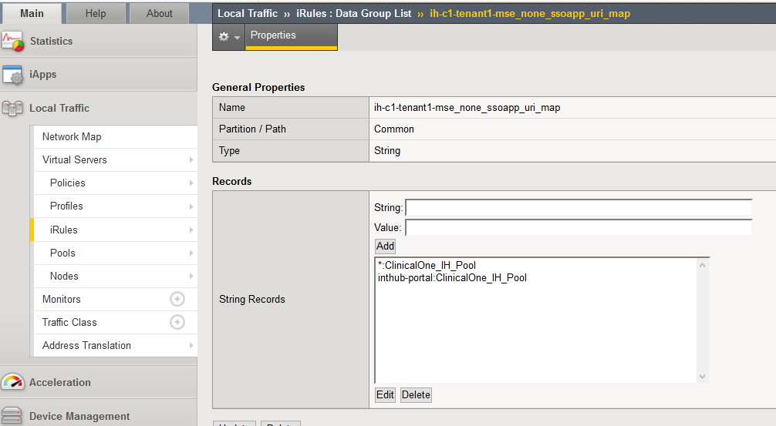
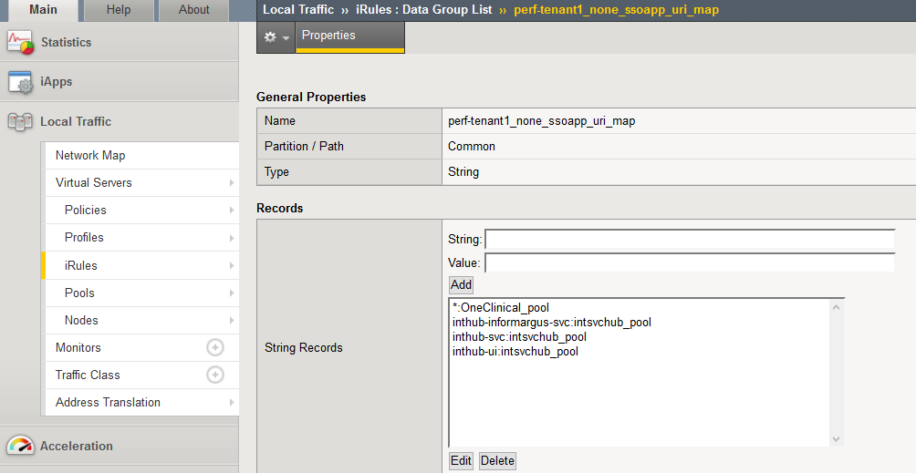

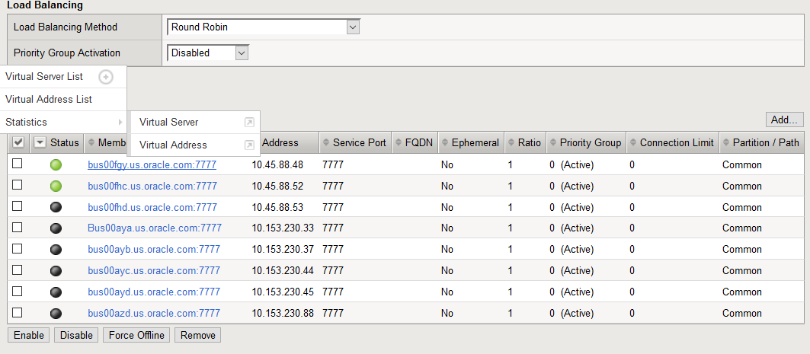

youtube | https://www.youtube.com/watch?v=HL89ZylQxp4&list=PLMy1nREcqyTgLccYrYbf_3vxoxa9OVnkG

A reverse proxy is a server that sits in front of web servers and forwards client (e.g. web browser) requests to those web servers. Reverse proxies are typically implemented to help increase security, performance, and reliability.
A forward proxy provides proxy services to a client or a group of clients. Oftentimes, these clients belong to a common internal network like the one shown below.
Reverse Proxy: A reverse proxy is the opposite of a forward proxy. Instead it acts as a proxy on behalf of the servers being connected to. Instead of accessing a remote server directly, a user would go through the reverse proxy and get directed to the appropriate server from there

A reverse proxy server is a type of proxy server that typically sits behind the firewall in a private network and directs client requests to the appropriate backend server. A reverse proxy provides an additional level of abstraction and control to ensure the smooth flow of network traffic between clients and servers.

For more complex and hybrid environments, the F5 BIG-IP system is a full proxy that can be deployed as a full reverse proxy server capable of intercepting, inspecting, and interacting with requests and responses.
The reverse proxy becomes a single point of entry for the different web applications in the organization. The web servers stay hidden and thus protected from the Internet. Security monitoring such as log review can performed form a single point
Full proxy is also a description of the way in which a proxy, reverse or forward, handles connections. A full proxy maintains two separate connections - one between itself and the client and one between itself and the destination server.

A reverse proxy accepts a request from a client, forwards it to a server that can fulfill it, and returns the server’s response to the client.
A load balancer distributes incoming client requests among a group of servers, in each case returning the response from the selected server to the appropriate client.

https://www.nginx.com/resources/glossary/reverse-proxy-vs-load-balancer/

Load balancers are most commonly deployed when a site needs multiple servers because the volume of requests is too much for a single server to handle efficiently. Deploying multiple servers also eliminates a single point of failure, making the website more reliable. Most commonly, the servers all host the same content, and the load balancer’s job is to distribute the workload in a way that makes the best use of each server’s capacity, prevents overload on any server, and results in the fastest possible response to the client.

A load balancer can also enhance the user experience by reducing the number of error responses the client sees. It does this by detecting when servers go down, and diverting requests away from them to the other servers in the group. In the simplest implementation, the load balancer detects server health by intercepting error responses to regular requests. Application health checks are a more flexible and sophisticated method in which the load balancer sends separate health-check requests and requires a specified type of response to consider the server healthy.

Another useful function provided by some load balancers is session persistence, which means sending all requests from a particular client to the same server. Even though HTTP is stateless in theory, many applications must store state information just to provide their core functionality – think of the shopping basket on an e-commerce site. Such applications underperform or can even fail in a load-balanced environment, if the load balancer distributes requests in a user session to different servers instead of directing them all to the server that responded to the initial request.

Whereas deploying a load balancer makes sense only when you have multiple servers, it often makes sense to deploy a reverse proxy even with just one web server or application server. You can think of the reverse proxy as a website’s “public face.” Its address is the one advertised for the website, and it sits at the edge of the site’s network to accept requests from web browsers and mobile apps for the content hosted at the website. The benefits are two-fold:

Increased security – No information about your backend servers is visible outside your internal network, so malicious clients cannot access them directly to exploit any vulnerabilities. Many reverse proxy servers include features that help protect backend servers from distributed denial-of-service (DDoS) attacks, for example by rejecting traffic from particular client IP addresses (blacklisting), or limiting the number of connections accepted from each client.
Increased scalability and flexibility – Because clients see only the reverse proxy’s IP address, you are free to change the configuration of your backend infrastructure. This is particularly useful In a load-balanced environment, where you can scale the number of servers up and down to match fluctuations in traffic volume.

Another reason to deploy a reverse proxy is for web acceleration – reducing the time it takes to generate a response and return it to the client. Techniques for web acceleration include the following:

Compression – Compressing server responses before returning them to the client (for instance, with gzip) reduces the amount of bandwidth they require, which speeds their transit over the network.
SSL termination – Encrypting the traffic between clients and servers protects it as it crosses a public network like the Internet. But decryption and encryption can be computationally expensive. By decrypting incoming requests and encrypting server responses, the reverse proxy frees up resources on backend servers which they can then devote to their main purpose, serving content.
Caching – Before returning the backend server’s response to the client, the reverse proxy stores a copy of it locally. When the client (or any client) makes the same request, the reverse proxy can provide the response itself from the cache instead of forwarding the request to the backend server. This both decreases response time to the client and reduces the load on the backend server.

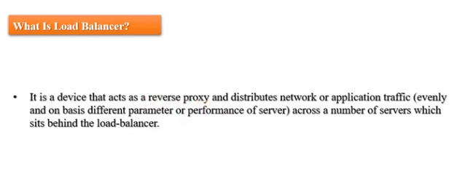

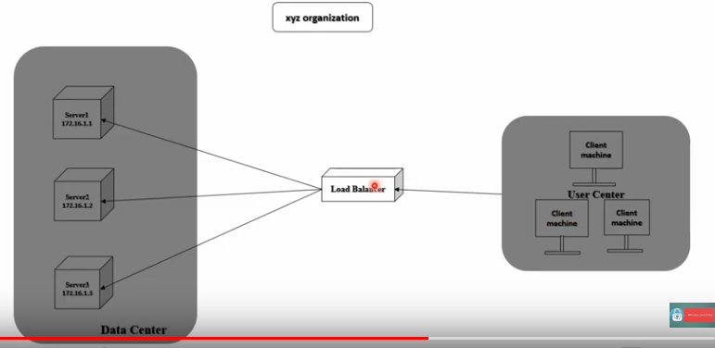
beforr having loadbalancer
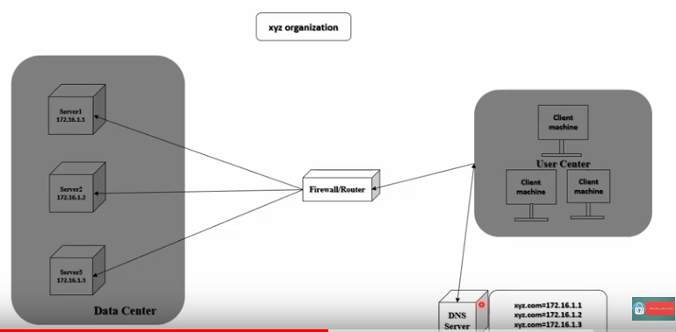

 |  |  |  | loadbalancer monitors the serevrs , physically up and runing
in this case , when a dns request is made by the client , client replies back with the ip address one by one. |  |  |  | the services are up and running
Here , DNS server has no idea of the server health, services up and running |  |  |  | the content of each device what user except to see -- if the content doesn’t match the client expectation, the loadbalancer will not send the request to the server

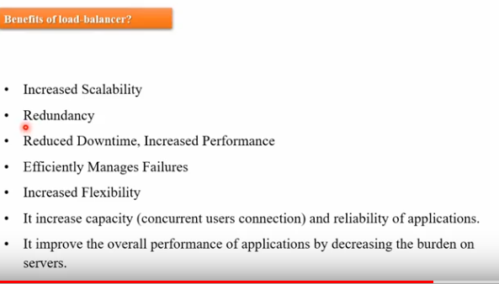
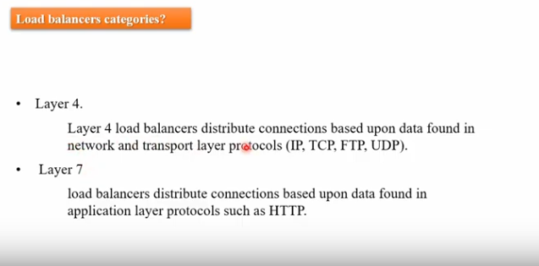

https://www.youtube.com/watch?v=WSUoyfsxVhQ&list=PLMy1nREcqyTgLccYrYbf_3vxoxa9OVnkG&index=3

Configure IIS webserver and firewall settings(inboud and outbound rules) | https://www.youtube.com/watch?v=hASvxlnXo1E&list=PLMy1nREcqyTgLccYrYbf_3vxoxa9OVnkG&index=5
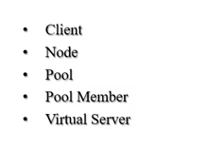

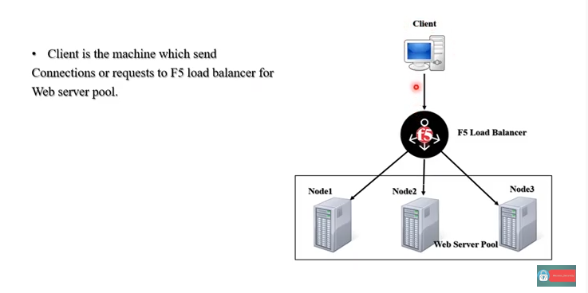
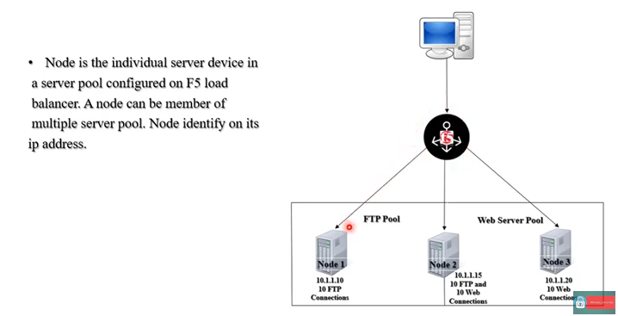

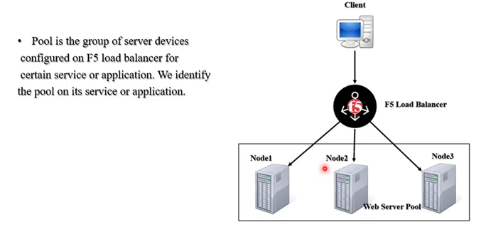
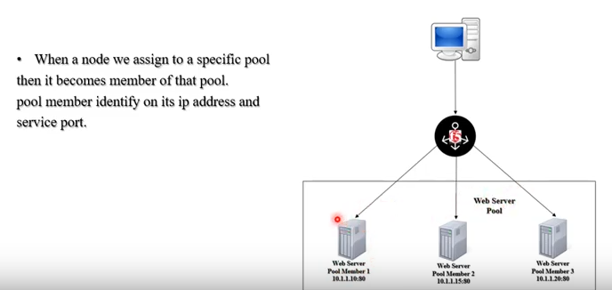

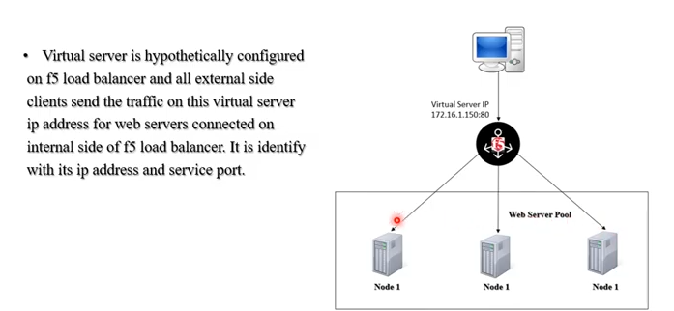

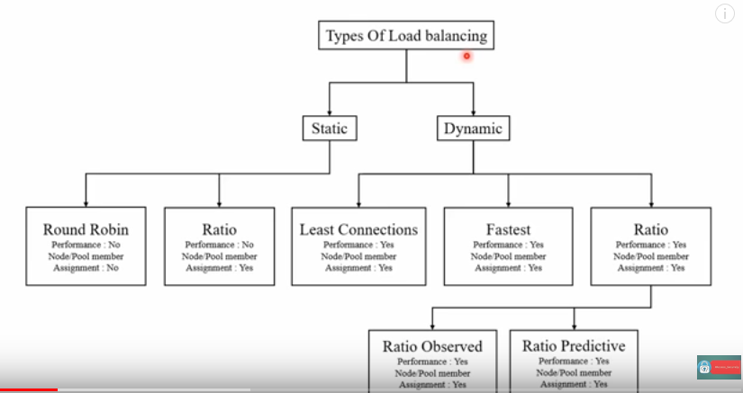
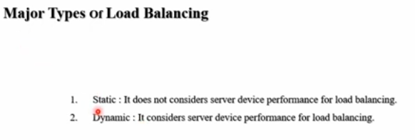

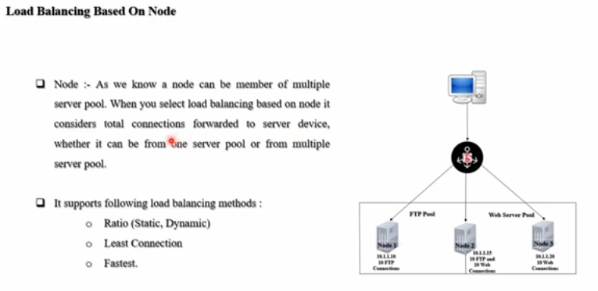

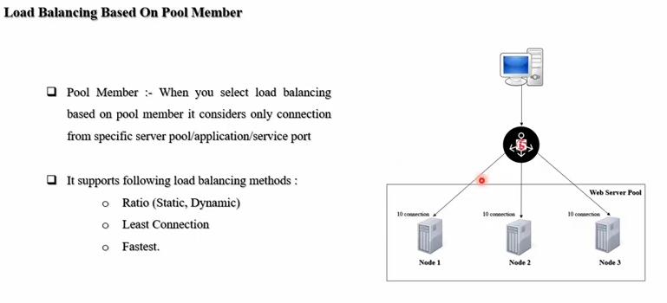
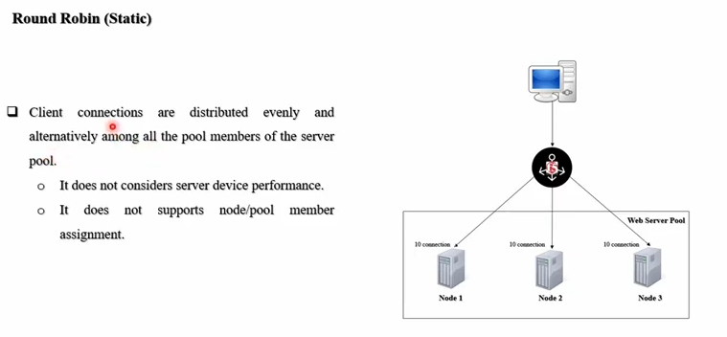

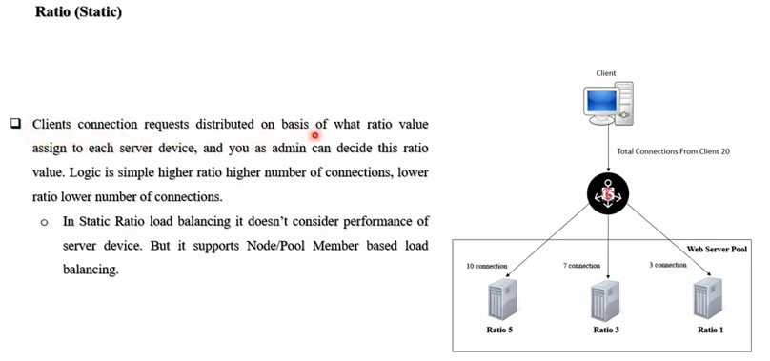
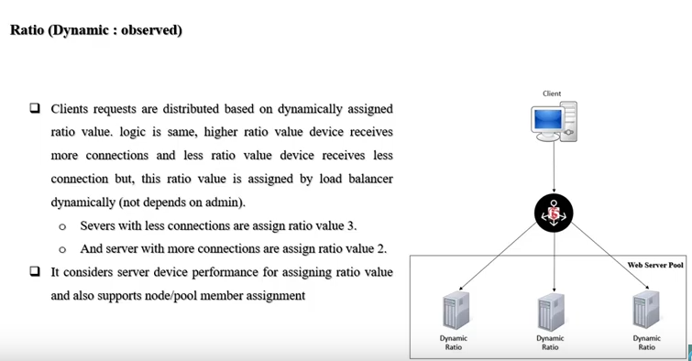

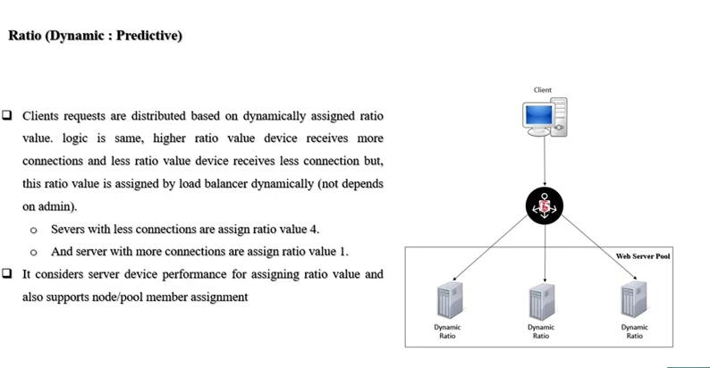
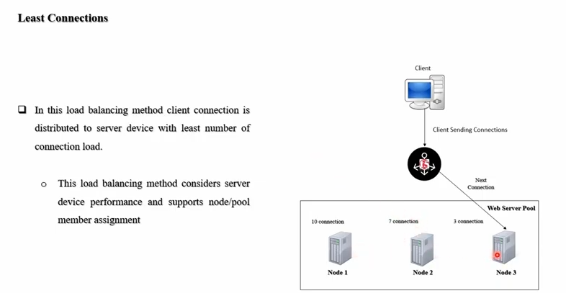

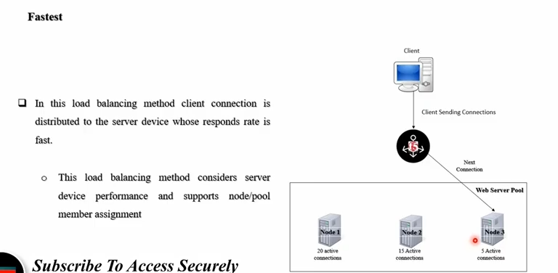


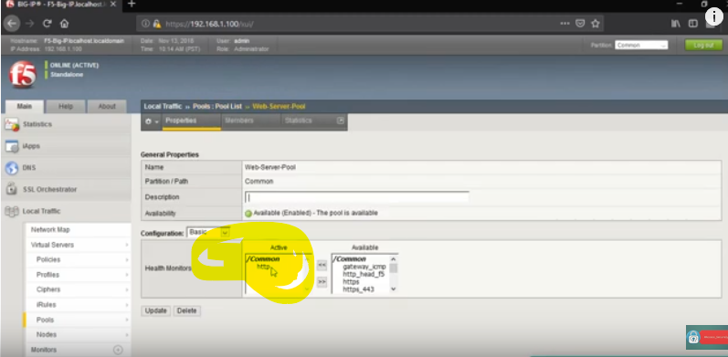

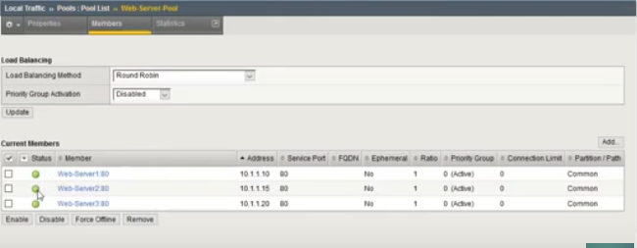
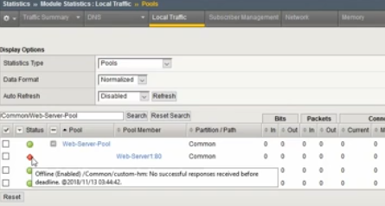

All members of webserver pool is monitored

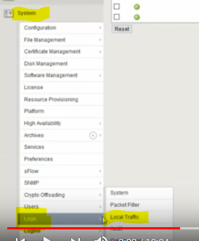
 |  | logs can be checked in the last page

Custom Monitors can be craeted :

Local traffic > Monitors > new Monitor

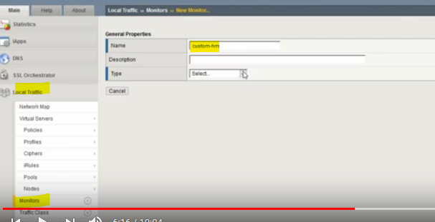
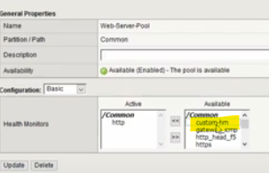

 |  |  | what ever monitor is created , you have to add it in webserver pool

 |  |  | After te defined threshhold time, if the custom monitor check fails, server automaticlaly becomes unvailabale

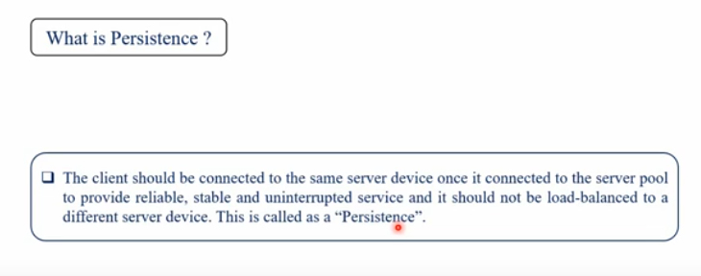

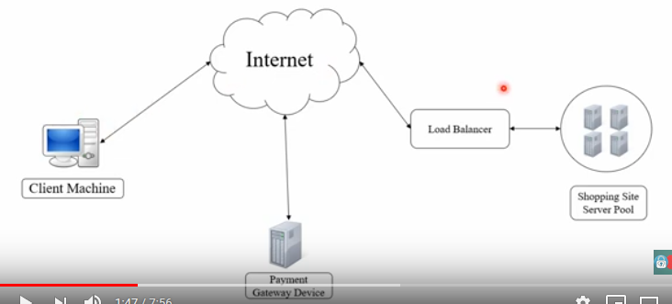

 | If a client visits an online shopping, when u make payment, u r redirected to payment gateway. At this time, 3 devices are involved,
 | system, shopping device/server device , payment device.
 | when you make payment , there are keys and certficates which is involved (keys and certs connected from server to payment device)
 | If ur server gets load balanced during this time.. U will lose the connection between ur server and payment gateway (the data from the previous request is lost) .. That'y we need sticky sessions

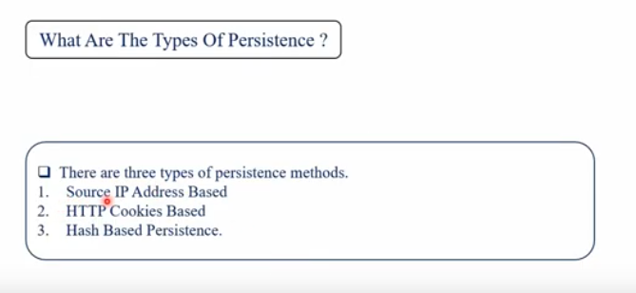

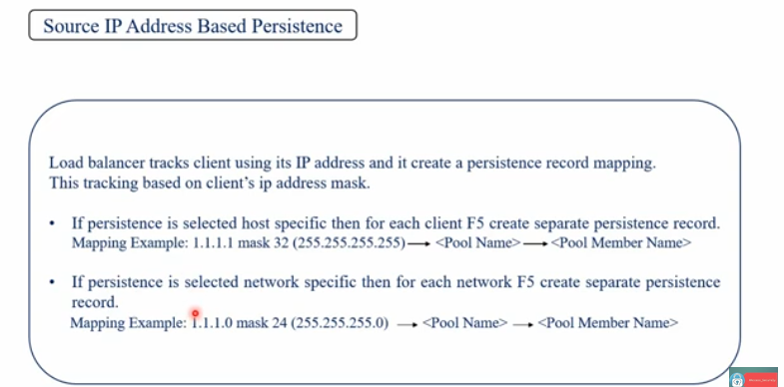
 |  |  |  | There is a draw back in using Client based persistance , if any client leaves the organisation, load balancer still hold the record and fails in loadbalancing
 |  |  |  | to solve this problem, HTTP coockiescan be used

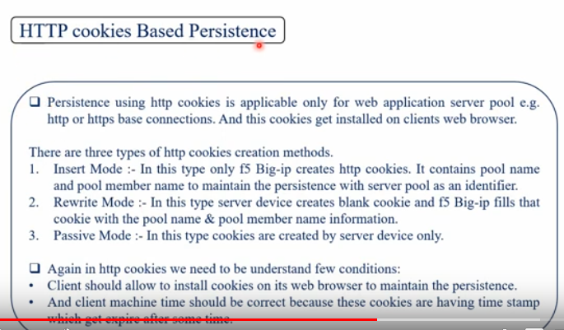
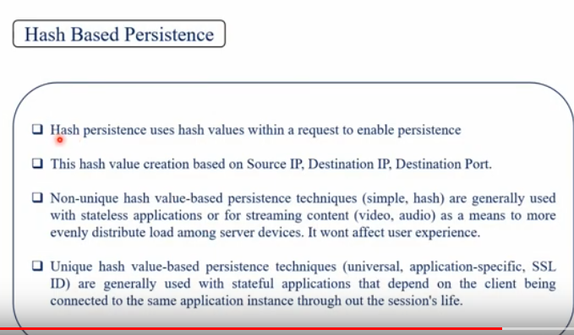

https://www.youtube.com/watch?v=M9pxTlvUMOM

