How to Use
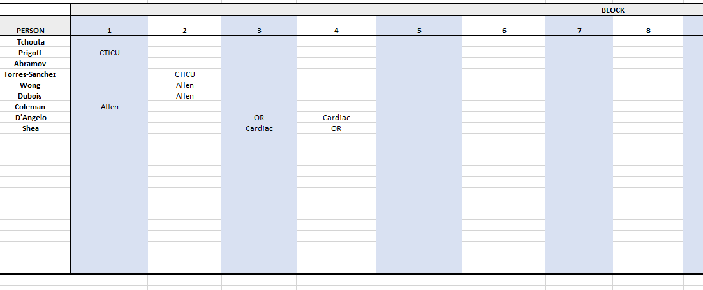
Guide to Using the Excel Sheet as a Resident Scheduling Tool |  |  |  | © 2018 Frank E. Curtis and Kayleen D. Kelly

Key to Understanding the Spreadsheet: (Example Shown Below)

Data |  |  |  |  |  |  |  |  |  | Constraints
List of Blocks | List of People | All Year Residents | List of Rotations | Rotations that Each All Year Resident Must Do | Minimum Number of People for Each Rotation | Maximum Number of People for Each Rotation | Busy Rotations | Vacations or Interview Scheduled |  | Priority Assignments |  |  | Preference Assignments |  |  | Impossible Assignments (assignments that cannot exist) |  |  | Gone Rotation |  | Impossible Rotations for People |  | Rotations that Cannot Exist in Certain Blocks
1 | Resident 1 | Resident 1 | Rotation 1 | Rotation 1 | 1 | 1 | Rotation 1 | Person | Block | Person | Rotations | Block | Person | Rotation | Block | Person | Rotation | Block | Person | Block | Person | Rotation | Rotation | Block
2 | Resident 2 | Resident 2 | Rotation 2 | Rotation 2 | 1 | 1 | Rotation 2 | Resident 1 | 1 | Resident 2 | Rotation 1 | 2 | Resident 1 | Rotation 2 | 1 | Resident 3 | Rotation 1 | 1
3 | Resident 3 | Resident 3 | Rotation 3 | Rotation 3 | 1 | 2 |  | Resident 1 | 4
4 | Resident 4 |  | Rotation 4 |  | 0 | 2 |  | Resident 2 | 3

Data Input Section
List of Blocks | The number of blocks for the specific group/year of residents being scheduled

List of People | All-inclusive list of residents for specified year

All Year Residents | The most general category of people that all have the same requirements and no special exceptions. For PGY3's and PGY2's these would be the general surgery residents. The people not included in the "All Year Residents" are those that do not follow the general requirements for example the cardiothoracic or partial year residents

List of Rotations | All-inclusive list of rotations that the residents can do

Rotations that Each All Year Resident Must Do | Specific list of rotations for the "All Year Residents" with general requirements

Minimum Number of People for Each Rotation | For a given rotation, this number is the absolute smallest number of residents needed

Maximum Number of People for Each Rotation | For a given rotation, this is the largest number of residents needed

Busy Rotations | These designated rotations are those that are deemed harder or more intensive, where it is not desirable to have a resident take vacation or schedule interviews during these rotations.

Vacations or Interview Scheduled | List the blocks for each person where a vacation or interview is desired/scheduled. With this information, the model will attempt to schedule such that the residents will not do the busy rotations when vacations or interviews are scheduled.

Constraint Input Section
Priority Assignments | List of priority assignments (person, rotation, block): These are assignments that MUST happen.

Preference Assignments | List of preference assignment (person, rotation, block): These are not as important as priority. If the model becomes infeasible, this should be the list where constraints are deleted first.

Impossible Assignments | List of assignments (person, rotation, and block) that cannot happen

Gone Rotation | To specify when a resident is gone for a specific block, or a block when they are unable to complete any of the listed rotations.

Impossible Rotations for People | To establish rotations that a resident might not be elgible or able to do.

Rotations that Cannot Exist in Certain Blocks | To designate rotations that are not permited to happen in a specific block.

How to Use

RULES OF THUMB:
1) Start with a new blank spreadsheet everytime you go to solve a new problem.

1) The data section should be filled out before running and solving the model A51:I78A51:I81A51:I84A51:I87A51:I90A126A51:I75A5A51:O109

2) This is the AMPL code behind the model, and should not be changed or edited at the risk of the entire program failing to work appropriately.
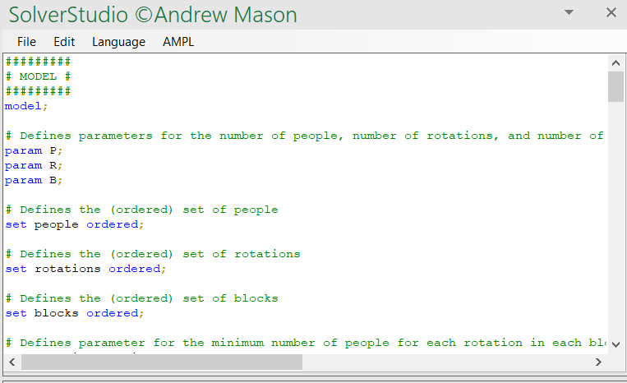

2) This is the model output window where one can readily recognize if the solver found a feasible solution. Look here to see if the program provides a valid solution, following data input. If the solution is infeasible, the solve_result will equal infeasible and the objective will no longer be zero, but it will be a positive integer.
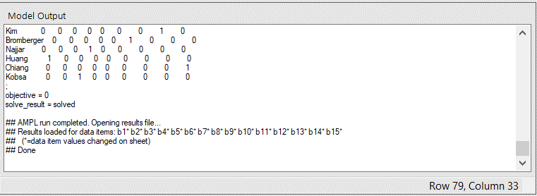

3) If infeasibility occurs, one may go back to the constraints and eliminate some that are not as important as others.

4) Add lists of people, blocks, and rotations and then incrementally add constraints and solve after each addition to the spreadsheet. This will ensure that if a problem occurs, one can better catch where the problem might lie relative to the data recorded on the spreadsheet.

5) The light blue columns signify columns where data should be directly filled in by typing. All other columns should be inputted through the drop down lists.

6) Spelling must match the orignial blue column lists (when referencing people, blocks, or rotations) which is why using the drop down lists is advised.

7) The bounds for minimum and maximum number of people allowed for each rotation is important to getting a feasible and optimal solution.

TO INCORPORATE NECESSARY INFORMATION AND REQUIREMENTS:

Step 1 | Record under the correct column titles the number of blocks, the names of the residents for corresponding year that is being scheduled, and the correct list of rotations for the specific year residents

Step 2 | Make sure spelling is correct and no spaces exist before or after the input, as the model generates errors from these types of mistakes

Step 3 | Specify the "All Year Residents", and the rotations that the "All Year Residents" must do

Step 4 | Provide the minimum and maximum number of residents allowed for each type of rotation

Step 5 | Specify the busy rotations & the blocks where people desire interviews or vacations

Step 6 | Depending upon the class/year of residents and the specific needs for the residents, input information regarding priority, preference, and impossible assignments

Step 7 | If applicable, provide information in correct column for when certain residents are gone and unable to do rotations in specific blocks

Step 8 | If applicable, provide information for impossible rotations for people and for rotations that cannot exist in certain blocks

TO RUN THE MODEL:

Step 1 | Click the Data Tab of the excel sheet

Step 2 | Click Show Model and then Solve model

Step 3 | Check to see if model provides a feasible solution within the solution views

Step 4 | If necessary one can eliminate some of the preferences of the residents to make the model feasible when infeasibility occurs.

WHAT TO EXPECT WHEN THINGS GO WRONG:

This error occurs if a problem with more residents or more rotations was solved in the past using the same spreadsheet before solving a new problem. In order to avoid this issue, start with the blank spreadsheet every time. To fix this error, go to the data & model spreadsheet. Scroll all the way to the right. Delete the 0's and 1's found within the matrix for each block.

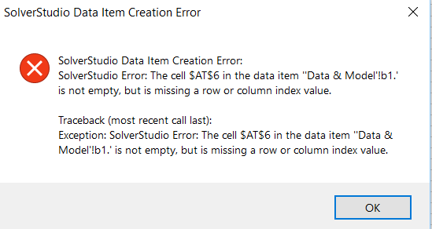

Sometimes the model output says infeasible. It will often look like the window displayed below. To fix this type of error, go back through every constraint added and delete them one by one until the problem becomes feasible. Once feasible, you have located the constraint which has made the problem infeasible. To avoid an error like this altogether, work incrementally. Add the data, then solve. Add one constraint, and then solve. Add another constraint, and then solve again.

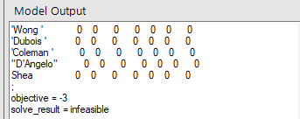

Sometimes the model says that it is solved, even though it has not been. A case like this may appear like the picture below.

