Sheet1
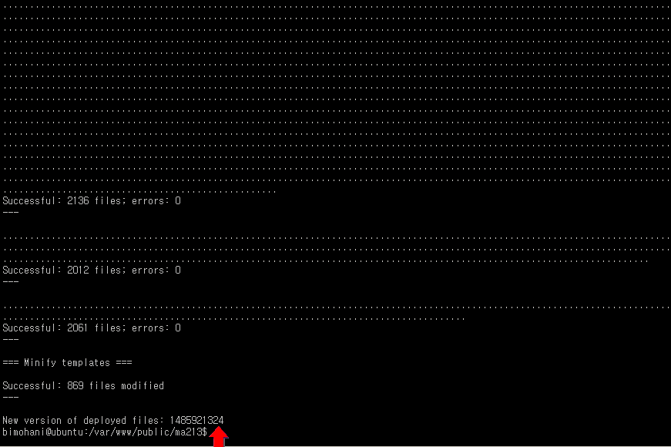
php bin/magento setup:upgrade
php bin/magento setup:di:compile
php -f bin/magento setup:static-content:deploy

