schema
In the previous post, we have discussed “Magento 2 theme structure: siginificant changes of directory and file structure“. You can identify that Magento 2 comes with many significant changes in folder structure compared with Magento 1.x. Likewise, Magento 2 database structure also has large modification, too.
Magento2 still use the EAV databtase structure for such entity as product, category, customer address, order,…. Read more information about EAV database strucutre at Magento ORM: Entity Attribute Value or Magento EAV Database Structure.
Today, we show you the difference of the database structure between Magento 2 and Magento 1.x.
Number of Table and Attribute
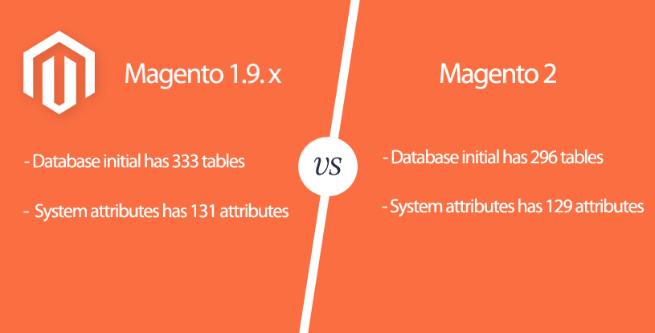

Module register table
In Magento 1.x, we all know that the module register table is core_resource. But this table can’t find in Magento 2, it was removed. Instead, when we look through the table in Magento2 database or read some PHP code to register module, we will find the new table is setup_module and it have structure same as core_resource.
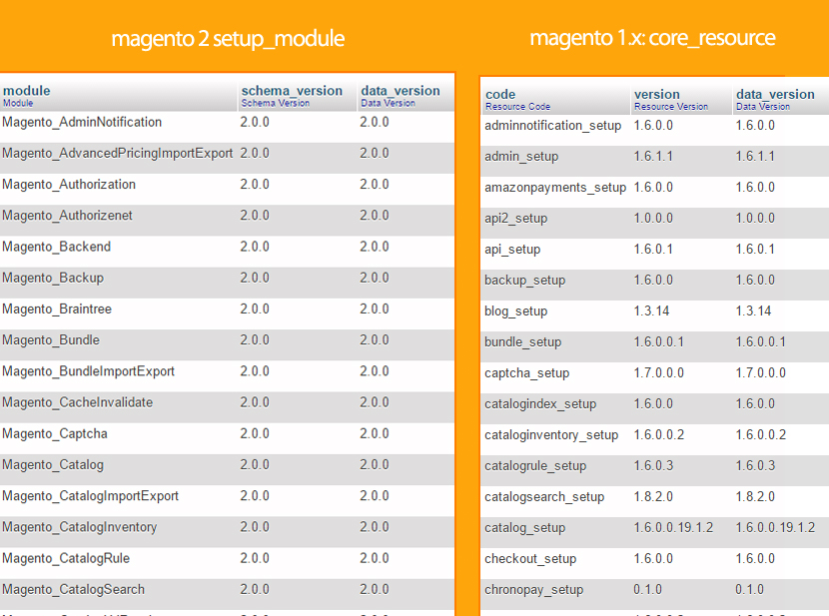

Name change for some tables
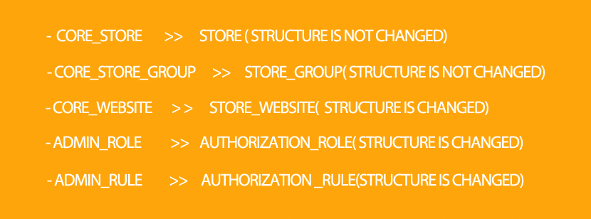

For customers who are interested in magento 2 extensions and magento 2 tutorials, you can see the list below:
MAGENTO 2 DATABASE STRUCTURE
FREE NEW EXTENSION FOR MAGENTO 2: M2 BRAND EXTENSION
MAGENTO 2 PERFORMANCE OVERVIEW | WAYS TO IMPROVE MAGENTO 2 PERFORMANCE
HOW TO INSTALL MAGENTO 2 SAMPLE DATA BEFORE MAGENTO INSTALLATION
OUR FIRST FREE RESPONSIVE MAGENTO 2 THEME IS COMING
MAGENTO 2 THEME STRUCTURE: SIGNIFICANT CHANGES OF DIRECTORY AND FILE STRUCTURE.

EAV tabe
http://excellencemagentoblog.com/blog/2011/09/07/magento-eav-database-structure/

 | n this blog we will look into magento database structure specially the EAV modules used to store product, category, and customers.
 | First we look at a general understanding of EAV model and how it’s used. Then we will look into how magento uses EAV model for its entities.In this blog we will specifically look only Attributes Model in magento, then in subsequent blogs we will look into other entities.
 | General Explanation of EAV model
 | EAV Database model mean Entity Attribute Value model, you can look at a description about it here.
 | Here are the basics of EAV model of database as I understand it. In the Relational model of database tables, for each attribute of an entity we create additional columns in a table. For example, we have a user entity which has attribute firstname,lastname,address then in traditional table structure we would create a table with name ‘user’ and add columns to the table named firstname,lastname,address. Maybe a few more columns like Primary Key or Foreign Key depending on our business requirements.

 | Relational model – User Table
 | But suppose you have an entity in which the number of attribute/columns is very large lets say 100 and on top of that only few attributes are required i.e when we gather data about that entity out of the 100 columns around 10% of the columns we get data, rest 90% we rarely get data. In such a case our traditional table would have a single table with 100 columns and most the columns would be empty or filled with NULL values. This would be a very bad table structure for such a data. In such case, we use EAV database model for tables.
 | In EAV database model, we have a separate table which store attributes of an entity and separate tables where we store attribute values. Like if we take example of the previous ‘user’ entity but let’s assume there are 100 attributes of a user. Let’s assume there are few basic attributes which are required for all user like firstname, lastname and then there are many other attributes like address, pincode, facebook profile id, schoolname,dob, etc. We would need a table for User entity called user_entity which would contain the base user data. The columns would be id,firstname,lastname

 | user_entity table
 | We would have a separate table called user_attribute with columns id and name

 | user_attribute table
 | And another table called user_values with column id,attribute_id,user_id,value

 | user_values table
 | So the ‘user_attribute’, will have all attributes of user.
 | So, when we want to enter a user data in tables, we will make entries in two tables. First is ‘user_entity’ and second is ‘user_values’. ‘user_entity’ will have only the required values, and ‘user_values’ will have the values of only those attribute for which we were able to gather database.
 | So, this is the basic idea of EAV table structure.
 | EAV Tables in Magento DB
 | So from the above explanation we have understand the basic concept on EAV tables, now lets see how it’s implemented in magento. For any EAV tables we need an attribute table, an entity table and entity value table. The main attribute table in magento is the ‘eav_attribute’ table. In this table all attributes for all the entities are stored.
 | Lets first look into detail of how attributes are saved in magento. i.e we have a Manage Attribute and Manage Attribute Set interface in magento admin. Let see how the database for this looks.
 | Magento Attributes Database Tables
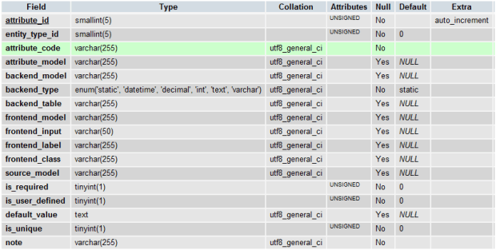

 | eav_attributes table
 | Let go through each field in this table.
 | attribute_id: this is the primary key
 | entity_type_id: this is a foreign key of table eav_entity_type. This basically contains id of entity type like customer or product or category etc. i.e this particular attribute belongs to which entity
 | attribute_code: this is a unique code used to identity an attribute. Basically, a human understandable unique id other than the primary key
 | attribute_model:
 | backend_model: this usually has the path of a model class. These model classes are used when saving attribute value in database. Like for example saving of product media images requires some operating to happen before and after save. So those operations are defined in these classes
 | backend_type: this specifies that data type of the attribute. Magento has 6 types static,datetime,int,text,varchar. The static type is special. The attributes with static type are stored in main entity table
 | backend_table: this is used when attribute values are to be stored in some special table, rather than default magento tables
 | backend_label: this has the label of the attribute as shown in admin.
 | fontend_model: this class is used to change the display format of the values if required. For example, Mage_Eav_Model_Entity_Attribute_Frontend_Datetime has a getValue() which is used to format dates
 | fontend_input: this sets how an attribute should be displayed on frontend. Weather it should be a text or dropdown or date etc
 | fontend_label: this is the label used in frontend when the attribute is displayed
 | fontend_class:
 | source_model: this is a path to a model, from which values are taken. For example, if attribute type is select. Then the options in the dropdown menu are shown from this class
 | is_required: weather is compulsory for admin to fill up this value
 | is_user_defined: weather is user-generated attribute or magento system attributes
 | default_value: any default value of an attribute
 | is_unique: if the values of these attributes should be unique
 | note: any comments or personal note
 | This the main table, where all the attributes created from Manage Attributes and other magento attributes stored.
 | Another table which is being used as a foreign key for “entity_type_id” column is “eav_entity_type”. This table has many columns but I have just shown the important columns.

 | eav_entity_table table
 | entity_type_id: this is the primary key of the table, and also used as the foreign key in entity_type_id column in eav_attribute table
 | entity_type_code: these are unique codes use to specifies varies entities for wich the EAV table structure is used
 | entity_model: the base magento model class for that entity
 | attribute_model: there are attribute_model classes. If no attribute model class is given the default eav/attribute is taken
 | entity_table: the based entity database table name, where the required attributes of are entity are stored

 | This table stores the entity type id, of the different entities in magento. Entity type id used through magento db, to identify an entity.
 | Next table we will look is ‘eav_attribute_set’ table.
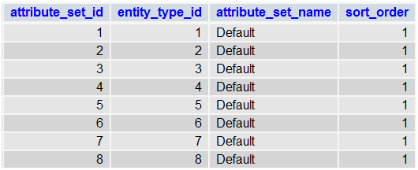

 | eav_attribute_set table
 | attribute_set_id: this is the primary key of the table
 | entity_type_id: this is a foreign key to the table eav_entity_type. This associates the attribute set name to the entity type.
 | attribute_set_name: the name of the attribute set
 | sort_order: order in which attribute sets are shown in admin.
 | This table is used to store the attribute sets we created from Manage Attribute Sets in magento admin. As you can see the default attribute set table, all Default attributes sets have been created for entity types.
 | Next table we will look at is the “eav_attribute_group” table.
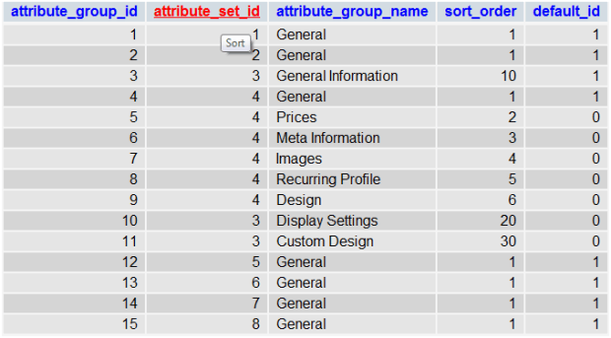

 | eav_attribute_group table
 | attribute_group_id: primary key
 | attribute_set_id: foreign key of the eav_attribute_set table
 | attribute_group_name: name of the group
 | sort_order: display order of groups
 | default_id:
 | This table is used to store the group that we create inside an attribute set. Like if you open the Default attribute set in product you will see many groups like General, Prices, etc as shown here

 | The next table which we have is “eav_attribute_label”

 | eav_attribute_lable table
 | This table is used to store the values of labels when we use the multiple store option, as show here
 | . We know that magento supports multiple stores. The eav_attribute table only allows us to store values of frontend_lable and backend_lable. So the labels for other stores are stored in this table.
 | As seen in the image, the label given in Store2,Store3 etc are stored in this table.
 | attribute_label_id: primary key
 | attribute_id: foreign key of eav_attribute table
 | store_id: foreign key of store table.
 | value: is the actual label
 | Next table we will see is the eav_attribute_option table

 | eav_attribute_option table
 | This table Is used to for drop down attribute types only. Specifically used to store the drop down options which we enter in admin
 | . So for each option created a new row is added to the eav_attribute_option table and then the values are stored in another table called eav_attribute_option_value

 | eav_attribute_option_value table
 | Here as you can see the values are stored based on the option_id and store_id.
 | Next to look at is eav_entity_attribute table

 | eav_entity_attribute table
 | This table contains all the relations between an attribute, its attribute group and attribute set. The column names are pretty clear as to what they indicate.
 | So, in the above tables we have seen how only the attributes are stored in magento database.
 | In the next article we will see how a Product is stored in magento table using the EAV architecture

04.Routers
 |  |  | http://brideo.co.uk/magento2/Request-Flow-In-Magento-2/
http://inchoo.net/magento-2/routing-in-magento-2/ |  |  | http://www.dckap.com/blog/magento-2-request-routing/
magento 2 for routing |  |  | http://inchoo.net/magento-2/routing-in-magento-2/
 |  | Base Router → CMS Router → UrlRewrite Router → Default Router (this is routers loop – FrontController::dispatch())

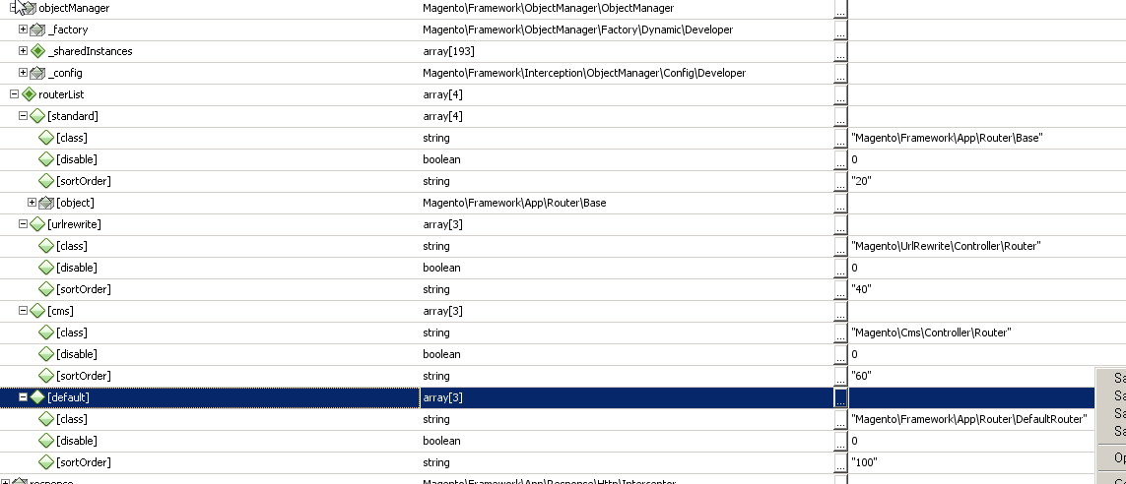

 |  | http://brideo.co.uk/magento2/Request-Flow-In-Magento-2/
 |  | Index.php
 |  | Bootstrap
 |  | Bootstrap::run()
 |  | App
 |  | App:launch()
 |  | Routing
 |  | FrontController::dispatch()
 |  | Router::match()
 |  | Controller Processing
 |  | Controller::execute()
 |  | Rendering
 |  | View::loadLayout()
 |  | View::renderLayout()
 |  | Flushing Output
 |  | Response::sendResponse()

 | Front Controller
 | The front controller gathers routes and selects a controller using DI. Although Magento 2 still has rewrites, pretty url's, these are gathered elsewhere. The FrontController class only has one method and implements the FrontControllerInterface interface.
 | Routing Mechanism
 | Here are the 5 routers in Magento and the order in which they get fired in:
 | Base Router
 | Magento\Core\App\Router\Base
 | CMS Router
 | Magento\Cms\Controller\Router
 | URL Rewrite Router
 | Magento\UrlRewrite\Controller\Router
 | Design Editor
 | Magento\DesignEditor\Controller\Varien\Router\Standard
 | Default Router (404 Router)
 | Magento\Framework\App\Router\DefaultRouter

 | BRIDEO
 | Twitter Github Blog Contact Me
 | Request Flow in Magento 2
 | 13-Nov-15
 | Index.php
 | Bootstrap
 | Bootstrap::run()
 | App
 | App:launch()
 | Routing
 | FrontController::dispatch()
 | Router::match()
 | Controller Processing
 | Controller::execute()
 | Rendering
 | View::loadLayout()
 | View::renderLayout()
 | Flushing Output
 | Response::sendResponse()
 | If you are familiar with Magento 1.x, you should be able substantial similarities in Magento 2's request flow.
 | Now Magento 2 is built on composer the request flow does vary slightly, however the fundamentals are almost the same.
 | Initiation Phase in Magento 2
 | As always the entry point for Magento 2 is in the root level index.php. Another entry point accessible to us are cron.php.
 | The entry point for Magento now looks like this:
 | $bootstrap = \Magento\Framework\App\Bootstrap::create(BP, $_SERVER);
 | /** @var \Magento\Framework\App\Http $app */
 | $app = $bootstrap->createApplication('Magento\Framework\App\Http');
 | $bootstrap->run($app);

 | This is important to remember if you ever need to create your own entry point, for debugging or running quick queries.
 | There are two index.php files in Magento:
 | /var/www/magento2/index.php - Development
 | /var/www/magento2/pub/index.php - Production
 | Routing Magento 2
 | A router is tasked with taking a pretty SEO friendly URL path and converting it to a Magento 2, setting any parameters available to the request and identifying the appropriate controller to handle the request.
 | A big difference with controller classes now in Magento is rather than having an actionMethod() for a single url, you now have an action class. Your action class should contain an execute() method which handles the page rendering and output.
 | URL's are the same as in Magento 1.x as in you /frontName/actionPath/action/param1/value1/param2/value2.
 | The method Magento\Framework\App\Router\Base::matchAction() is very insightful section into how this works:
 | /**
 | * Going through modules to find appropriate controller
 | */
 | $currentModuleName = null;
 | $actionPath = null;
 | $action = null;
 | $actionInstance = null;

 | $actionPath = $this->matchActionPath($request, $params['actionPath']);
 | $action = $request->getActionName() ?: ($params['actionName'] ?: $this->_defaultPath->getPart('action'));
 | $this->_checkShouldBeSecure($request, '/' . $moduleFrontName . '/' . $actionPath . '/' . $action);

 | foreach ($modules as $moduleName) {
 | $currentModuleName = $moduleName;

 | $actionClassName = $this->actionList->get($moduleName, $this->pathPrefix, $actionPath, $action);
 | if (!$actionClassName || !is_subclass_of($actionClassName, $this->actionInterface)) {
 | continue;
 | }

 | $actionInstance = $this->actionFactory->create($actionClassName);
 | break;
 | }

 | Front Controller
 | The front controller gathers routes and selects a controller using DI. Although Magento 2 still has rewrites, pretty url's, these are gathered elsewhere. The FrontController class only has one method and implements the FrontControllerInterface interface.
 | Routing Mechanism
 | Here are the 5 routers in Magento and the order in which they get fired in:
 | Base Router
 | Magento\Core\App\Router\Base
 | CMS Router
 | Magento\Cms\Controller\Router
 | URL Rewrite Router
 | Magento\UrlRewrite\Controller\Router
 | Design Editor
 | Magento\DesignEditor\Controller\Varien\Router\Standard
 | Default Router (404 Router)
 | Magento\Framework\App\Router\DefaultRouter
 | An example of routing a non-standard router can be found in Magento\Cms\Controller\Router.php:
 | $request->setModuleName('cms')->setControllerName('page')->setActionName('view')->setParam('page_id', $pageId);

 | Each request is sent through the series of routers, it uses the Router::match() method as a flag, if it's false we continue to the next router, if it's true we run Controller::dispatch($action).
 | You can add your own custom router by adding it to Magento\Framework\App\RouterList.
 | Magento 2 checks the the assigned list of modules, foreach module it builds a potential action class and then checks whether the action class exists; if it exists it returns the class, else it will repeat.
 | Controller Architecture
 | As mentioned before, we now only have one action per controller Action Class, an action class should contain:
 | execute() method
 | Constructor where you set up you DI (Dependency Injection)
 | Action controllers extend Magento\Framework\App\Action\Action which in turn extends Magento\Framework\App\Action\Abstract, the abstract class implements the \Magento\Framework\App\ActionInterface.
 | The ActionInterface class only contains one method:
 | public function execute();
 | The Action\Abstract class contains the request and response objects, you will set these up using parent::__construct() (DI), as before the methods are:
 | getRequest()
 | getResponse()
 | The Action\Action class contains the dispatch() method, this is the method that the router will call; this in turn calls the execute() method.
 | The Catalog and Sales modules inheritance is slightly different in that they extend a class which extends Action\Action.
 | Admin and Frontend Controllers
 | As with Magento 1.x admin controllers are protected using ACL. Rather than having an adminhtml folder like in Magento 1.x we now have a backend folder.
 | Magento backend controllers extend the Magento\Backend\App\Action extends \Magento\Backend\App\AbstractAction, this then extends the \Magento\Framework\App\Action\Action class mentioned earlier.
 | The \Magento\Backend\App\AbstractAction rewrites the dispatch() method, the main thing to note is that the new dispatch() calls _isAllowed(). If you're coming from a Magento 1.x background you should be familiar with this method by now. The _isAllowed() method is very important, it is the method which tells Magento whether the current user is aloud on the current admin route.
 | /**
 | * @return bool
 | */
 | protected function _isAllowed()
 | {
 | return $this->_authorization->isAllowed(self::ADMIN_RESOURCE);
 | }

 | You will need to implement the _isAllowed() method within your admin action class.
 | Changes the backend AbstractAction class implement are as follows:
 | Extra DI
 | Rewritten dipatch()
 | _isAllowed() method.
 | Rewritten redirect() method
 | Rewritten forward() method
 | Extra auxilary methods
 | _getSession()
 | _addBreadcrumb()
 | _addJs()
 | _addContent()
 | _addLeft()
 | _getUrl()
 | Yet again, these should be familiar if you're coming from Magento 1.x.
 | STEPS IN DEBUGGING:
 | Check if the frontName is correct
 | Check the list of available module.s
 | Check the path name foreach module
 | CREATING A CONTROLLER
 | To create a controller you must create a etc/{area}/routes.xml file within your project, create an action class with the execute() method, then of course WRITE YOUR TESTS.
 | The two areas are:
 | frontend
 | adminhtml
 | Your routes.xml file should look like this:
 | <?xml version="1.0"?>
 | <!--
 | /**
 | * Copyright © 2015 Magento. All rights reserved.
 | * See COPYING.txt for license details.
 | */
 | -->
 | <config xmlns:xsi="http://www.w3.org/2001/XMLSchema-instance" xsi:noNamespaceSchemaLocation="urn:magento:framework:App/etc/routes.xsd">
 | <router id="{area_id}">
 | <route id="{module_name}" frontName="{front_name}">
 | <module name="{Namespace_Modulename}" />
 | </route>
 | </router>
 | </config>

 | The two area_id's are:
 | standard
 | admin
 | Earlier we mentioned how the url is created from 3 sections (frontName, ActionPath, Action), here is how they relate to your controllers:
 | Front Name
 | Usually your module name, defined in XML
 | ActionPath
 | Sub-folder of the Controller folder of the module
 | Action
 | The Controller Class
 | Copyright © , All Rights Reserved.

front end Router Name

_routes | array[1]
[frontend] | array[37]
[api] | array[3]
[authorizenet] | array[3]
[blog] | array[3]
[braintree] | array[3]
[captcha] | array[3]
[catalog] | array[3]
[catalogsearch] | array[3]
[checkout] | array[3]
[cms] | array[3]
[contact] | array[3]
[cookie] | array[3]
[customer] | array[3]
[directory] | array[3]
[downloadable] | array[3]
[giftmessage] | array[3]
[hellomvvm] | array[3]
[magento_pagecache] | array[3]
[magento_version] | array[3]
[multishipping] | array[3]
[newsletter] | array[3]
[oauth] | array[3]
[paypal] | array[3]
[persistent] | array[3]
[productalert] | array[3]
[pulsestorm_requireexample1] | array[3]
[review] | array[3]
[rss] | array[3]
[sales] | array[3]
[search] | array[3]
[sendfriend] | array[3]
[shipping] | array[3]
[stores] | array[3]
[swagger] | array[3]
[swatches] | array[3]
[translation] | array[3]
[vault] | array[3]
[wishlist] | array[3]

04.Request Folw
http://www.dckap.com/blog/request-flow-in-magento-2/

Step 1 :
Request hits index.php in root folder of Magento 2.
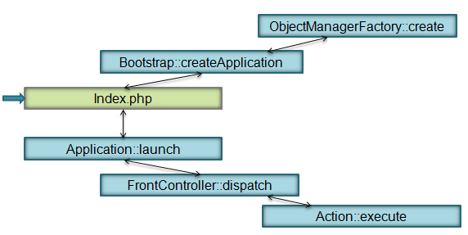

Step 2 :
index.php calls static create() method of bootstrap class to create objectmanagerfactory and bootstrap objects.

Step 3:
index.php calls createApplication() method of bootstrap object which in turn will initiate ObjectManager using objectManagerFactory. Then, application instance gets created using objectManager and returned to index.php.
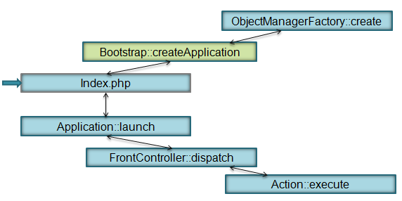

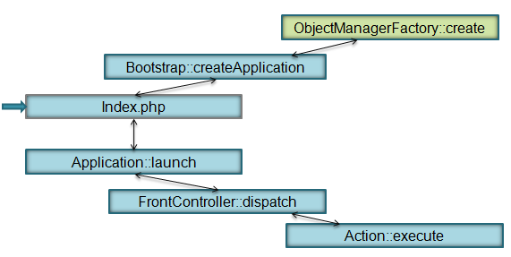

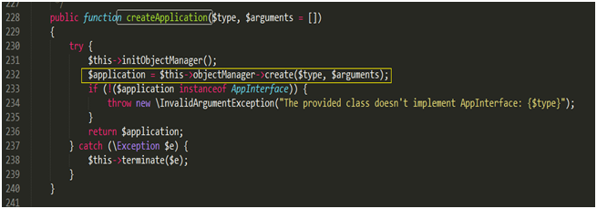

Step 4:
index.php calls run() method of bootstrap object to run the application, which in turn will call launch() method of application object.

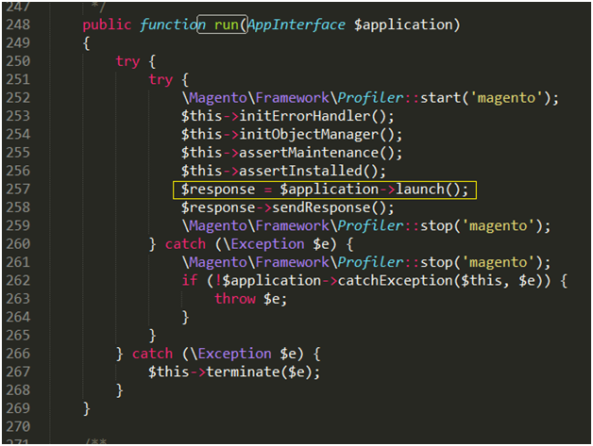

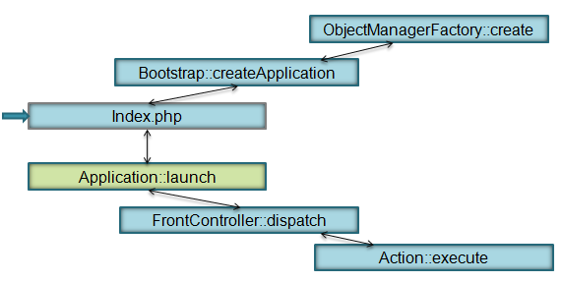

Step 5
HTTP Application instance does initial routing. It takes first part of the URL to find out which area should be loaded (admin/frontend).
When the area is defined, configuration for that area is loaded (unlike Magento 1 where all configuration was loaded).
Then application object calls Magento\Framework\App\FrontControllerInterface::dispatch of requested area.
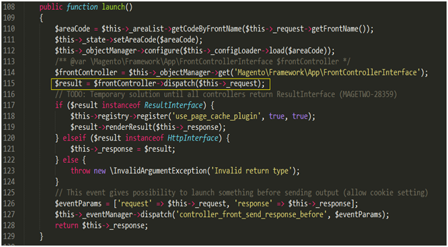

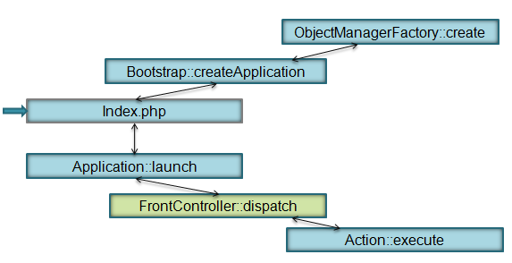

Step 6:
Front Controller does routing same as in Magento 1. All routers are iterated to match request. The router that matches the request returns instance of ActionController. When FrontController gets instance of action controller it calls dispatch method on it. This process is more efficient because only routers of one area are used (admin router is not used in frontend).
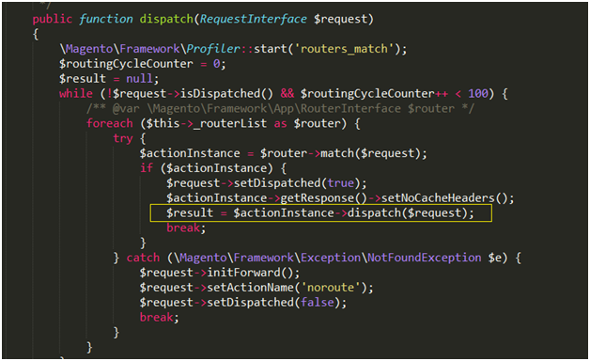

Step 7:
Action controller performs its task and returns instance of some implementation of ResultInterface.
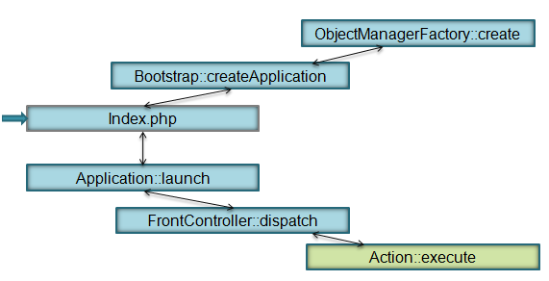

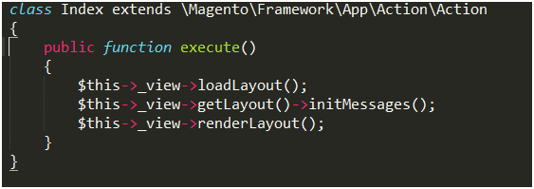

Step 8:
FrontController just returns ResultInterface to Application Instance that renders the response.
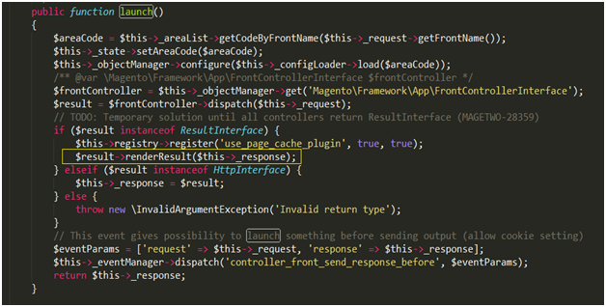

There is much more to Magento 2 than request flow. If you want dig deep, please find below a few useful links.
Reference
Reference
http://magento.stackexchange.com/questions/72923/request-flow-of-magento-2
Magento 2 Useful Links
Magento 2 Training: Fundamentals of Magento 2 Development
Magento 2 Codebase: https://github.com/magento/magento2
Magento 2 Documentation: http://devdocs.magento.com/
Magento Forums: http://community.magento.com/t5/Core-Technology-Magento-2/ct-p/Magento-2
Magento 2 Developer Hub: http://www.magento.com/developers/magento2
See more at: http://magento.com/blog/technical/magento-2-merchant-beta-release#sthash.FpVsq4YF.dpuf
Magento 2 Demo Store – Feel Free to Login and Play Around
DCKAP has created a Magento 2 demo store. Developers and Merchants are encouraged to login and play around to get a first hand ‘look and feel’ of Magento 2.
Login Details
Store URL – http://magento2demo.dckap.com/
Admin URL – http://magento2demo.dckap.com/m2admin/
Username-demo
Password-demo1234

PLANNING FOR A MAGENTO UPGRADE ?
Magento upgrades can be trickier than you expect. Leave it to the experts and we will take care of it.
GET IN TOUCH

df

