single
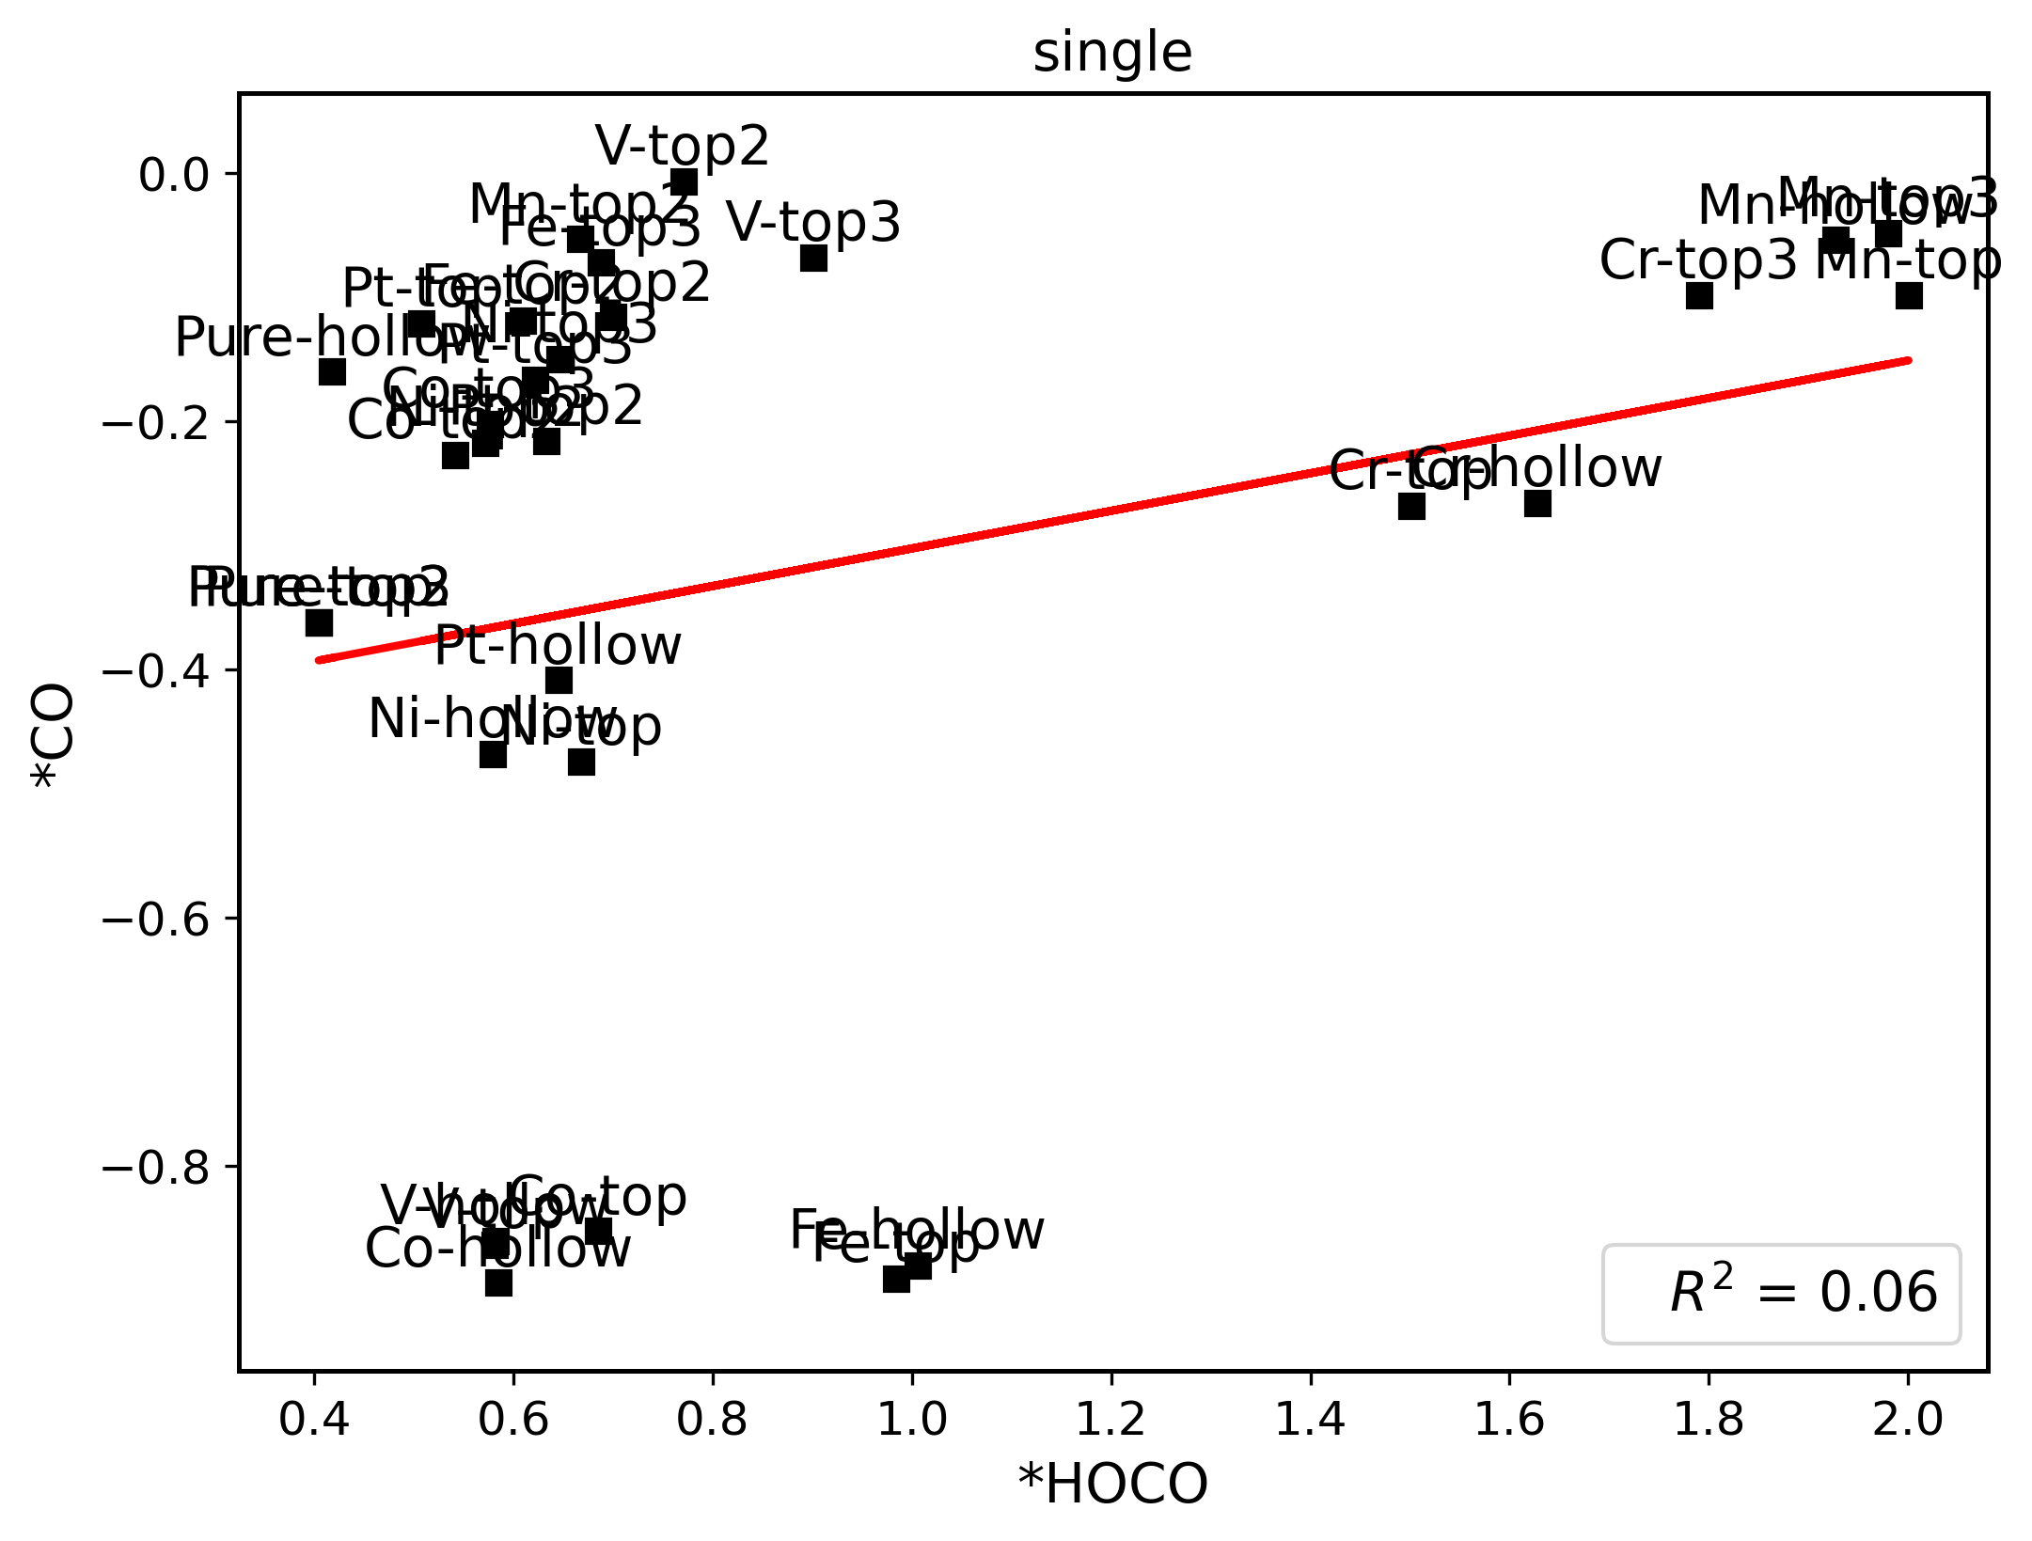
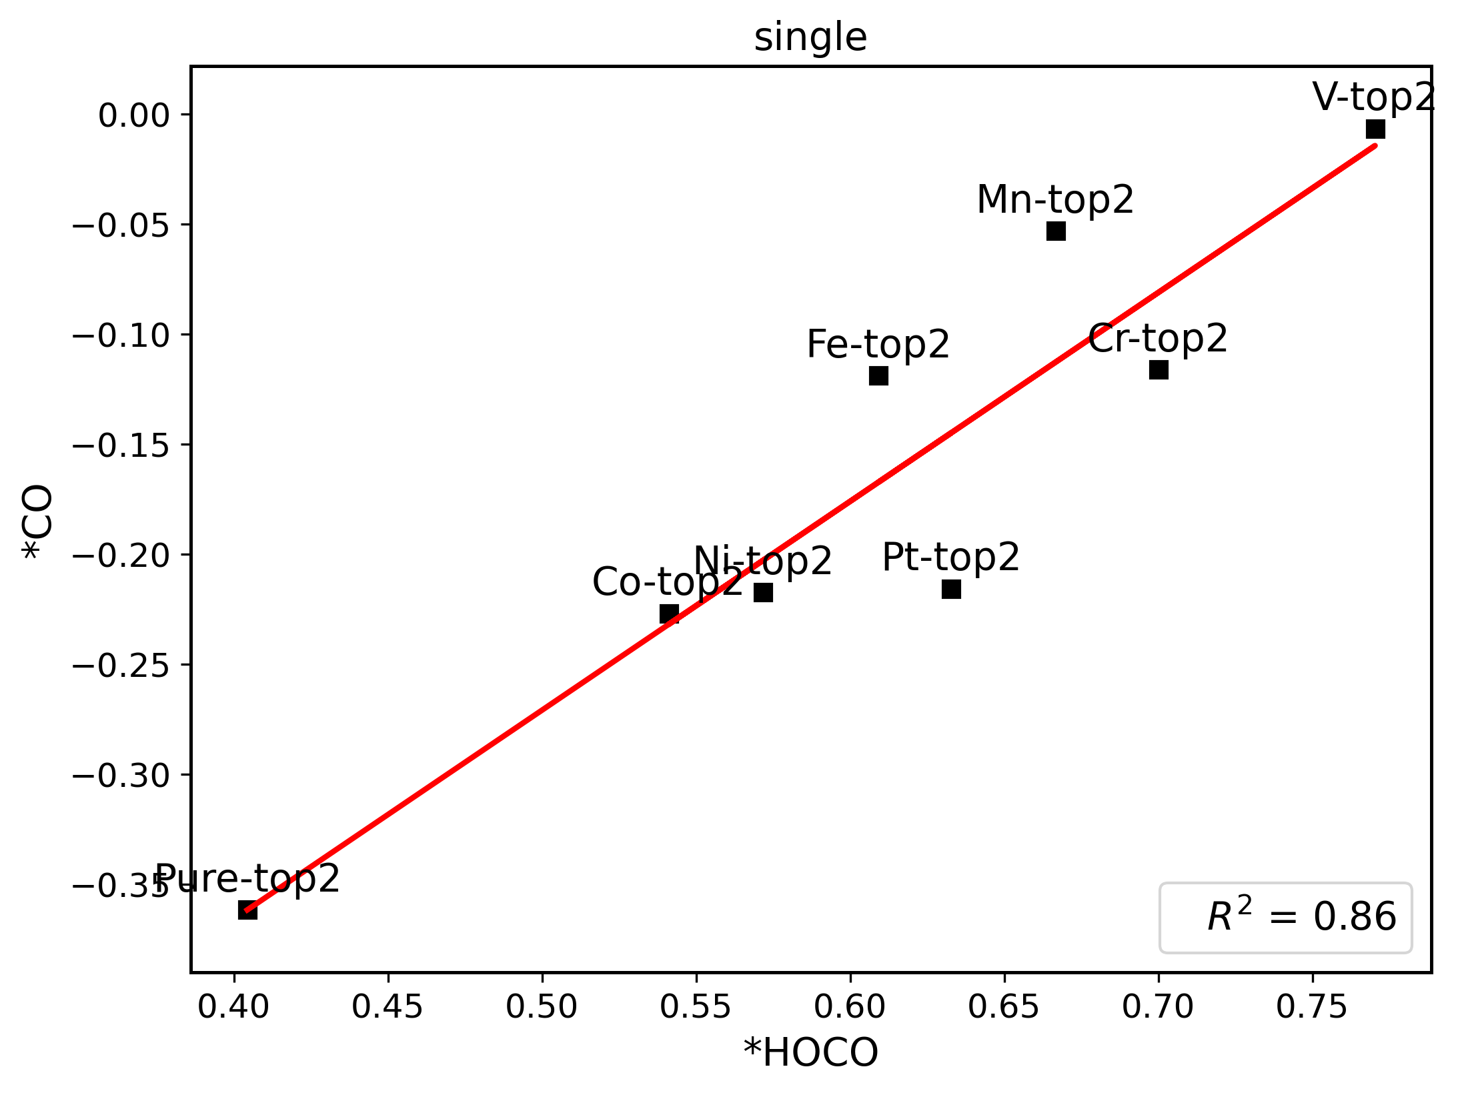
 | *H | *HOCO | *CO
Ni-top | 0.62497687 | 0.66760348 | -0.47390529 | ni | top
Ni-top2 | 0.5512356 | 0.57167924 | -0.21743707 |  | top2
Ni-top3 | 0.5917994 | 0.64584288 | -0.14964088 |  | top3
Ni-hollow | 0.46624679 | 0.57901729 | -0.46813245 |  | hollow
Co-top | 0.25245885 | 0.68510133 | -0.85262562 | co | top
Co-top2 | 0.53276513 | 0.54105328 | -0.2269437 |  | top2
Co-top3 | 0.54214044 | 0.575776 | -0.20223598 |  | top3
Co-hollow | 0.29910582 | 0.5849884 | -0.89434943 |  | hollow
V-top | 0.47013691 | 0.58059599 | -0.86357551 | v | top
V-top2 | 0.7416312 | 0.77034457 | -0.0066925 |  | top2
V-top3 | 0.81710618 | 0.90132314 | -0.06833594 |  | top3
V-hollow | 0.49485035 | 0.58169731 | -0.86053233 |  | hollow
Cr-top | 1.10785795 | 1.50116698 | -0.2681824 | cr | top
Cr-top2 | 0.67618524 | 0.70016523 | -0.11620982 |  | top2
Cr-top3 | 0.80981022 | 1.79068259 | -0.09863258 |  | top3
Cr-hollow | 0.50735792 | 1.62765571 | -0.26599593 |  | hollow
Mn-top | 1.49219567 | 2.00057413 | -0.09815918 | mn | top
Mn-top2 | 0.63836325 | 0.66680574 | -0.05321416 |  | top2
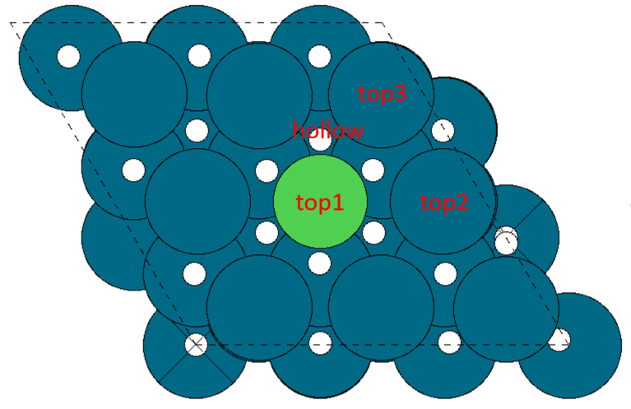
Mn-top3 | 0.75000528 | 1.97994258 | -0.04840686 |  | top3
Mn-hollow | 0.50626307 | 1.92696652 | -0.05406239 |  | hollow
Fe-top | 0.44568247 | 0.98404028 | -0.89082683 | fe | top
Fe-top2 | 0.59201988 | 0.60921576 | -0.11893466 |  | top2
Fe-top3 | 0.6605562 | 0.68743685 | -0.07208082 |  | top3
Fe-hollow | 0.54337892 | 1.00556486 | -0.88030807 |  | hollow
Pt-top | 0.33457966 | 0.50763825 | -0.12092019 | pt | top
Pt-top2 | 0.64386818 | 0.63277997 | -0.21580672 |  | top2
Pt-top3 | 0.58415791 | 0.62162651 | -0.16655131 |  | top3
Pt-hollow | 2.34823826 | 0.64466304 | -0.40859361 |  | hollow
Pure-top | 0.39819529 | 0.40428681 | -0.36175536 | pure | top
Pure-top2 | 0.39819529 | 0.40428681 | -0.36175536 |  | top2
Pure-top3 | 0.39819529 | 0.40428681 | -0.36175536 |  | top3
Pure-hollow | 0.34333687 | 0.41762294 | -0.16012846 |  | hollow
 |  |  |  |  |  | Note: single for both top and near sites

overlayer
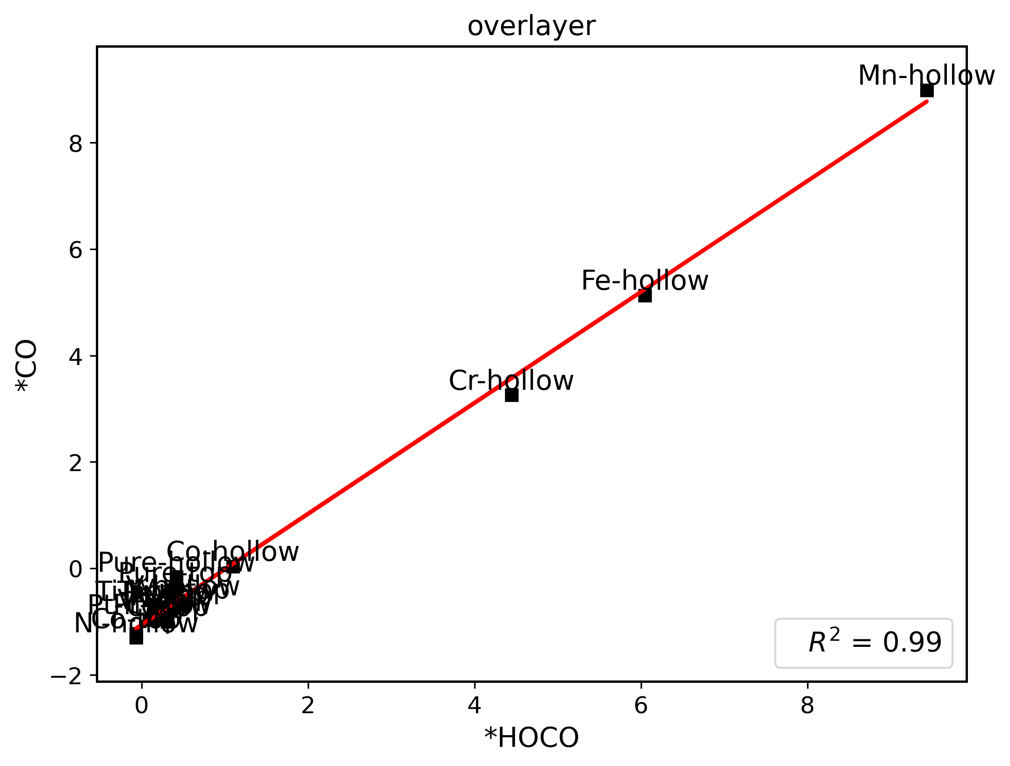
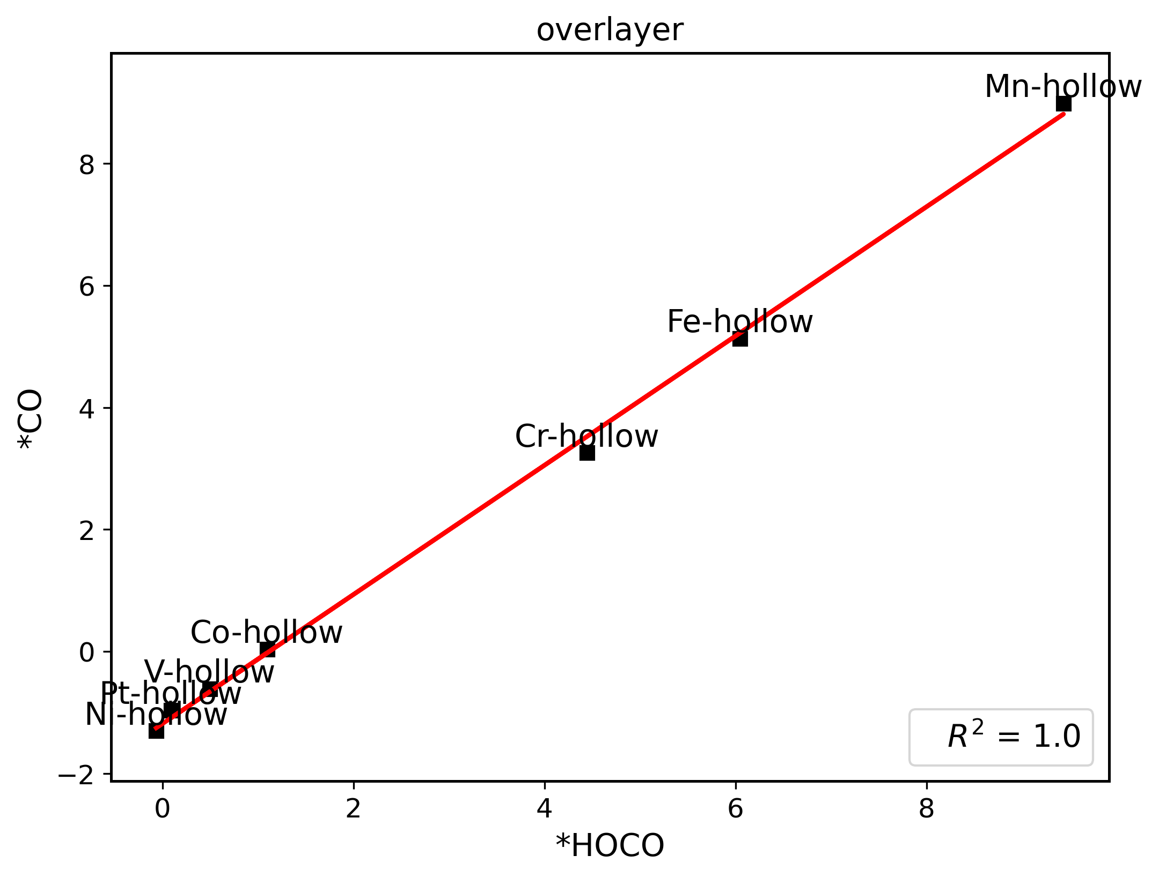
 | *H | *HOCO | *CO | *OH
Ni-top | 0.49113776 | 0.35554798 | -0.79487641 | -0.27984727 | ni | slab-top
Ni-hollow | -0.19360151 | -0.06393039 | -1.30358812 | -0.37056137 |  | slab-hollow
Co-top | 0.16749102 | -0.06447502 | -1.22507491 | -0.29561961 | co | slab-top
Co-hollow | 1.65412037 | 1.09759335 | 0.03979225 | 1.28501958 |  | slab-hollow
V-top | 0.4018708 | 0.14063837 | -0.86612801 | -0.15854144 | v | slab-top
V-hollow | 0.54972639 | 0.49795817 | -0.61330648 | 0.40432278 |  | slab-hollow
Cr-top | 0.56844912 | 0.31362862 | -0.99792058 | 0.14226739 | cr | slab-top
Cr-hollow | 4.78416822 | 4.44497557 | 3.25539895 | 4.26321534 |  | slab-hollow
Mn-top | 0.65137182 | 0.49225921 | -0.6753661 | 0.51245177 | mn | slab-top
Mn-hollow | 10.1350153 | 9.43257278 | 8.98756594 | 8.30883187 |  | slab-hollow
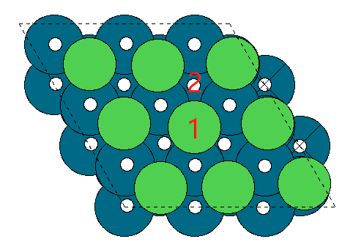
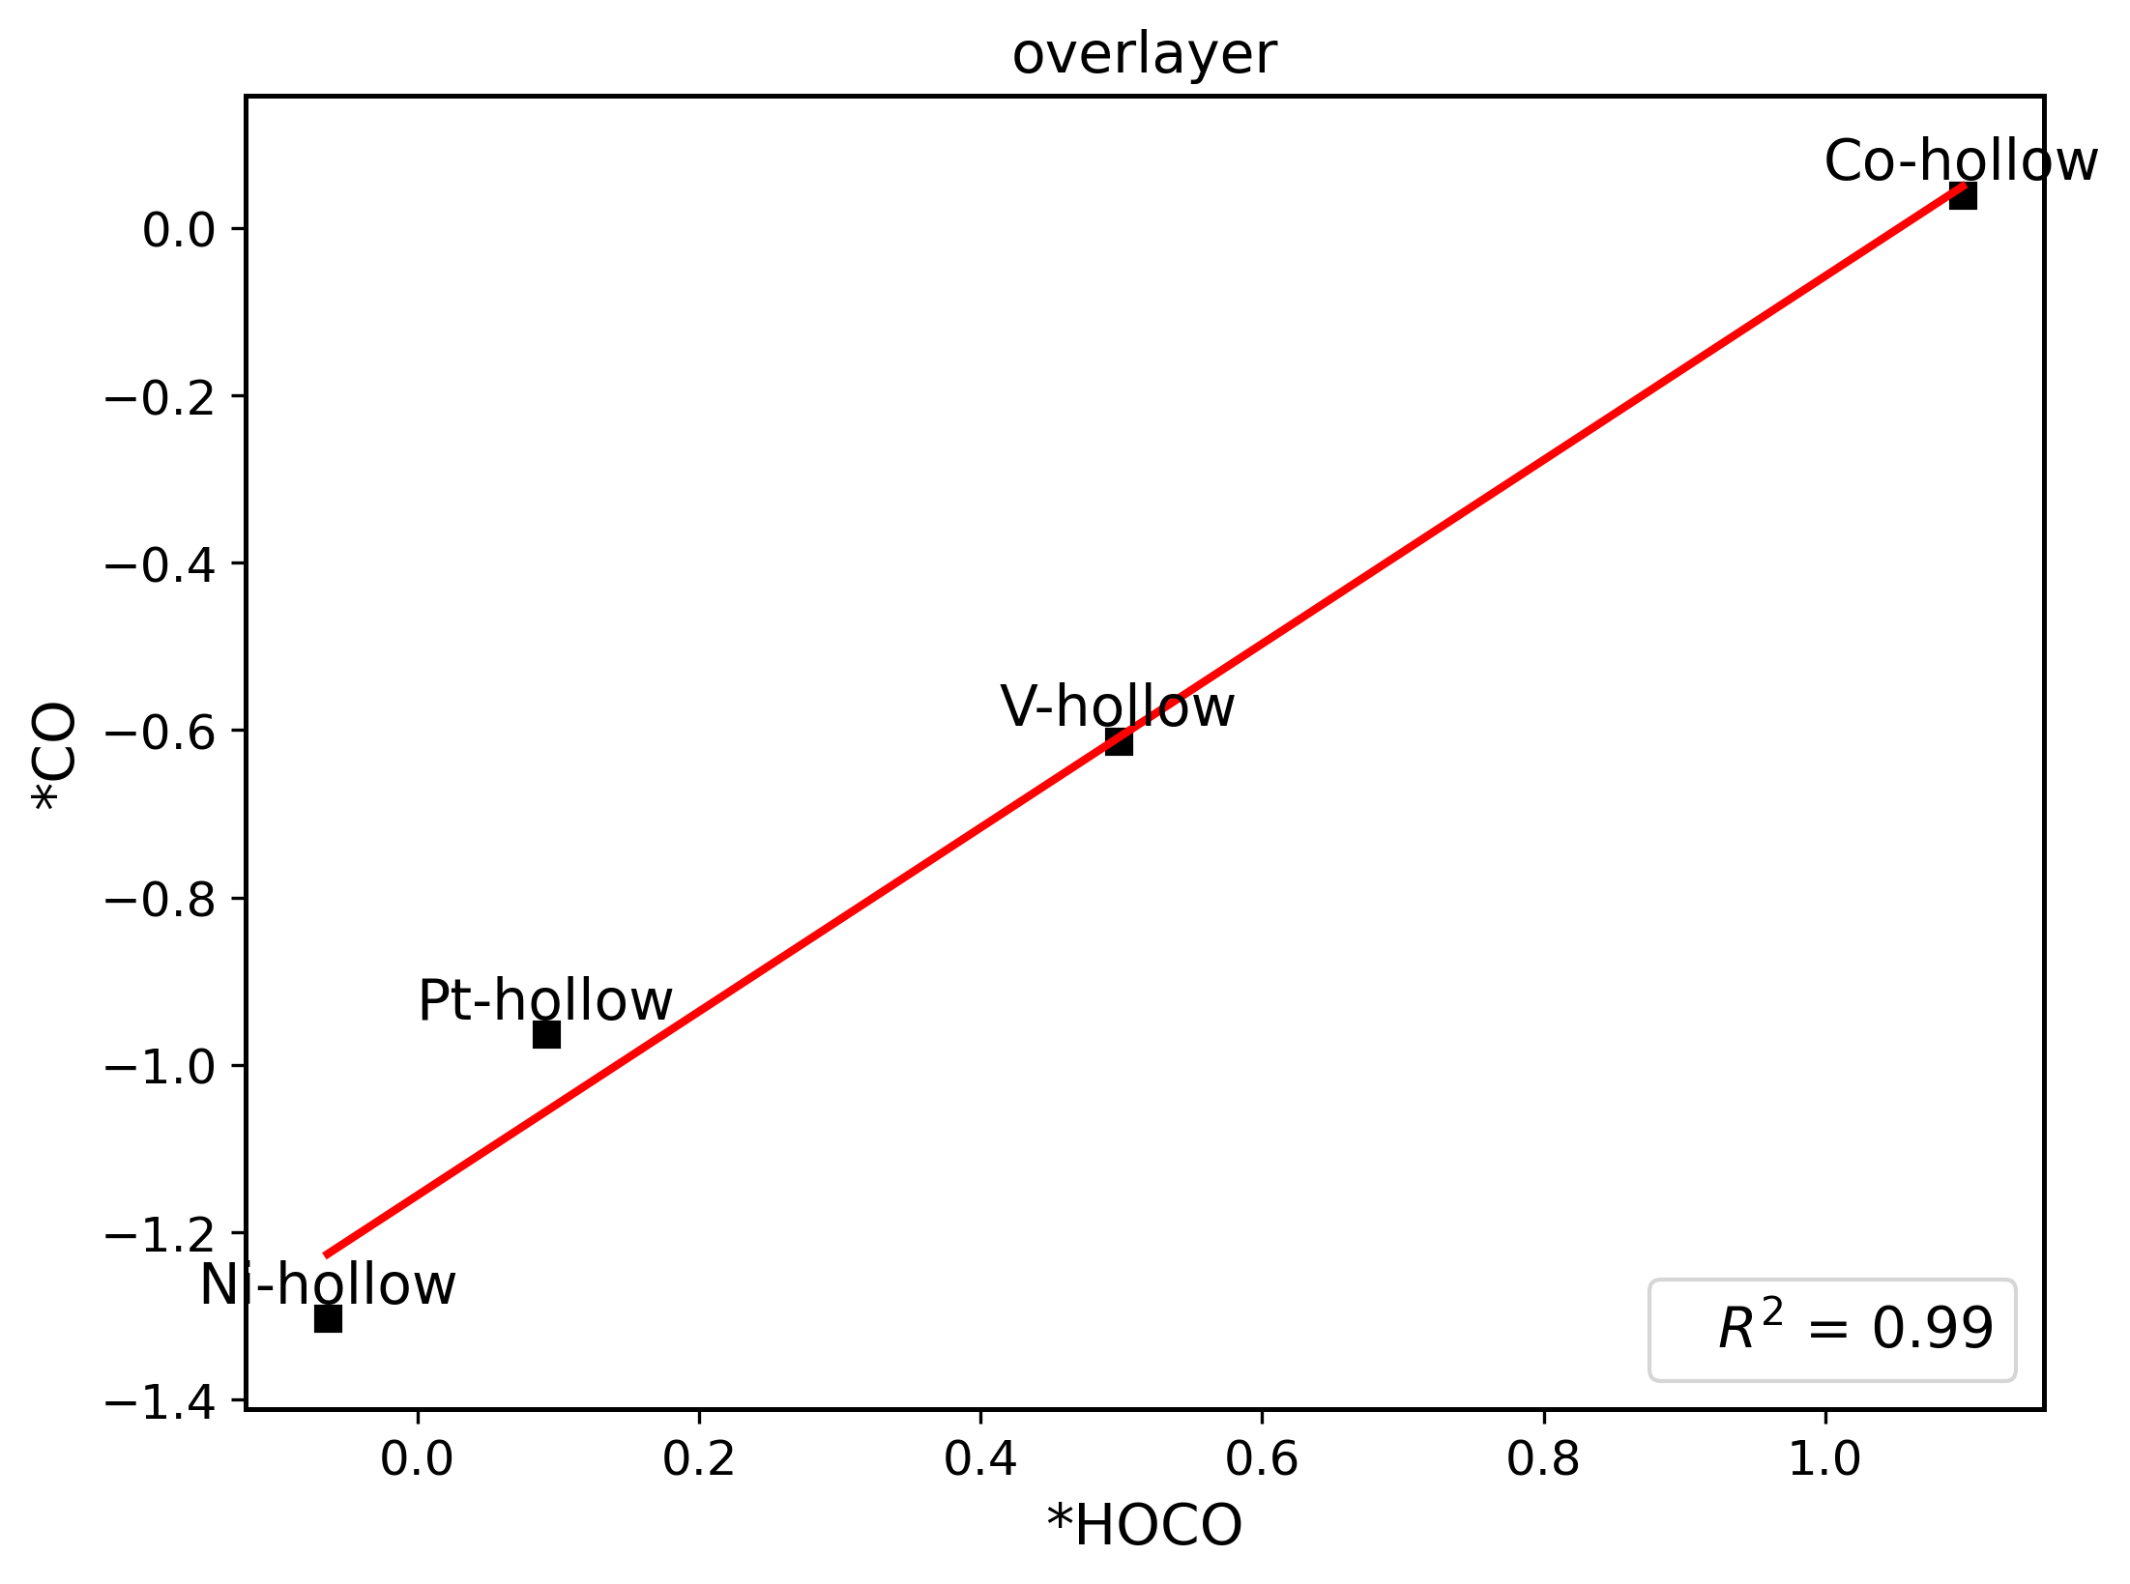
Fe-top | 0.47881608 | 0.29331659 | -0.75164664 | 0.62535686 | fe | slab-top
Fe-hollow | 7.3791306 | 6.04838614 | 5.12970433 | 6.3772676 |  | slab-hollow
Pt-top | -0.1087637 | 0.13870006 | -0.95255805 | 0.90940075 | pt | slab-top
Pt-hollow | 0.05310759 | 0.09118933 | -0.96398831 | -0.06655476 |  | slab-hollow
Ti-top | 0.75283211 | 0.1731703 | -0.70751313 | -0.66133238 | ti | slab-top
Ti-hollow | -0.02047737 | 0.17308906 | -0.70938001 | -0.52880232 |  | slab-hollow
Hf-top | 2.41389026 | -3.16534124 | -0.9121477 | -1.87828164 | hf | slab-top
Hf-hollow | -0.08200207 | -1.37291358 | -0.91083944 | -1.82172384 |  | slab-hollow
Pure-top | 0.39819529 | 0.40428681 | -0.36175536 | 1.47984799 | pure | slab-top
Pure-hollow | 0.34333687 | 0.41762294 | -0.16012846 | 2.02758387 |  | slab-hollow

overlayer-del
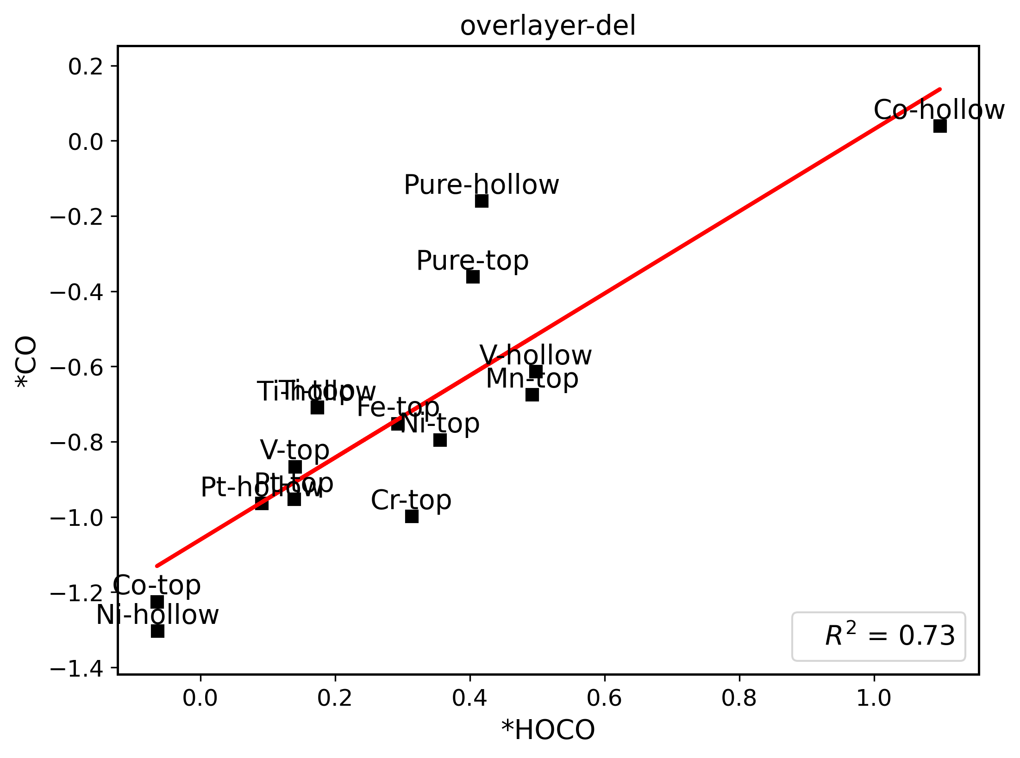
 | *H | *HOCO | *CO | *OH
Ni-top | 0.49113776 | 0.35554798 | -0.79487641 | -0.27984727 | ni | slab-top
Ni-hollow | -0.19360151 | -0.06393039 | -1.30358812 | -0.37056137 |  | slab-hollow
Co-top | 0.16749102 | -0.06447502 | -1.22507491 | -0.29561961 | co | slab-top
Co-hollow | 1.65412037 | 1.09759335 | 0.03979225 | 1.28501958 |  | slab-hollow
V-top | 0.4018708 | 0.14063837 | -0.86612801 | -0.15854144 | v | slab-top
V-hollow | 0.54972639 | 0.49795817 | -0.61330648 | 0.40432278 |  | slab-hollow
Cr-top | 0.56844912 | 0.31362862 | -0.99792058 | 0.14226739 | cr | slab-top
Mn-top | 0.65137182 | 0.49225921 | -0.6753661 | 0.51245177 | mn | slab-top
Fe-top | 0.47881608 | 0.29331659 | -0.75164664 | 0.62535686 | fe | slab-top
Pt-top | -0.1087637 | 0.13870006 | -0.95255805 | 0.90940075 | pt | slab-top
Pt-hollow | 0.05310759 | 0.09118933 | -0.96398831 | -0.06655476 |  | slab-hollow
Ti-top | 0.75283211 | 0.1731703 | -0.70751313 | -0.66133238 | ti | slab-top
Ti-hollow | -0.02047737 | 0.17308906 | -0.70938001 | -0.52880232 |  | slab-hollow
Pure-top | 0.39819529 | 0.40428681 | -0.36175536
Pure-hollow | 0.34333687 | 0.41762294 | -0.16012846

island
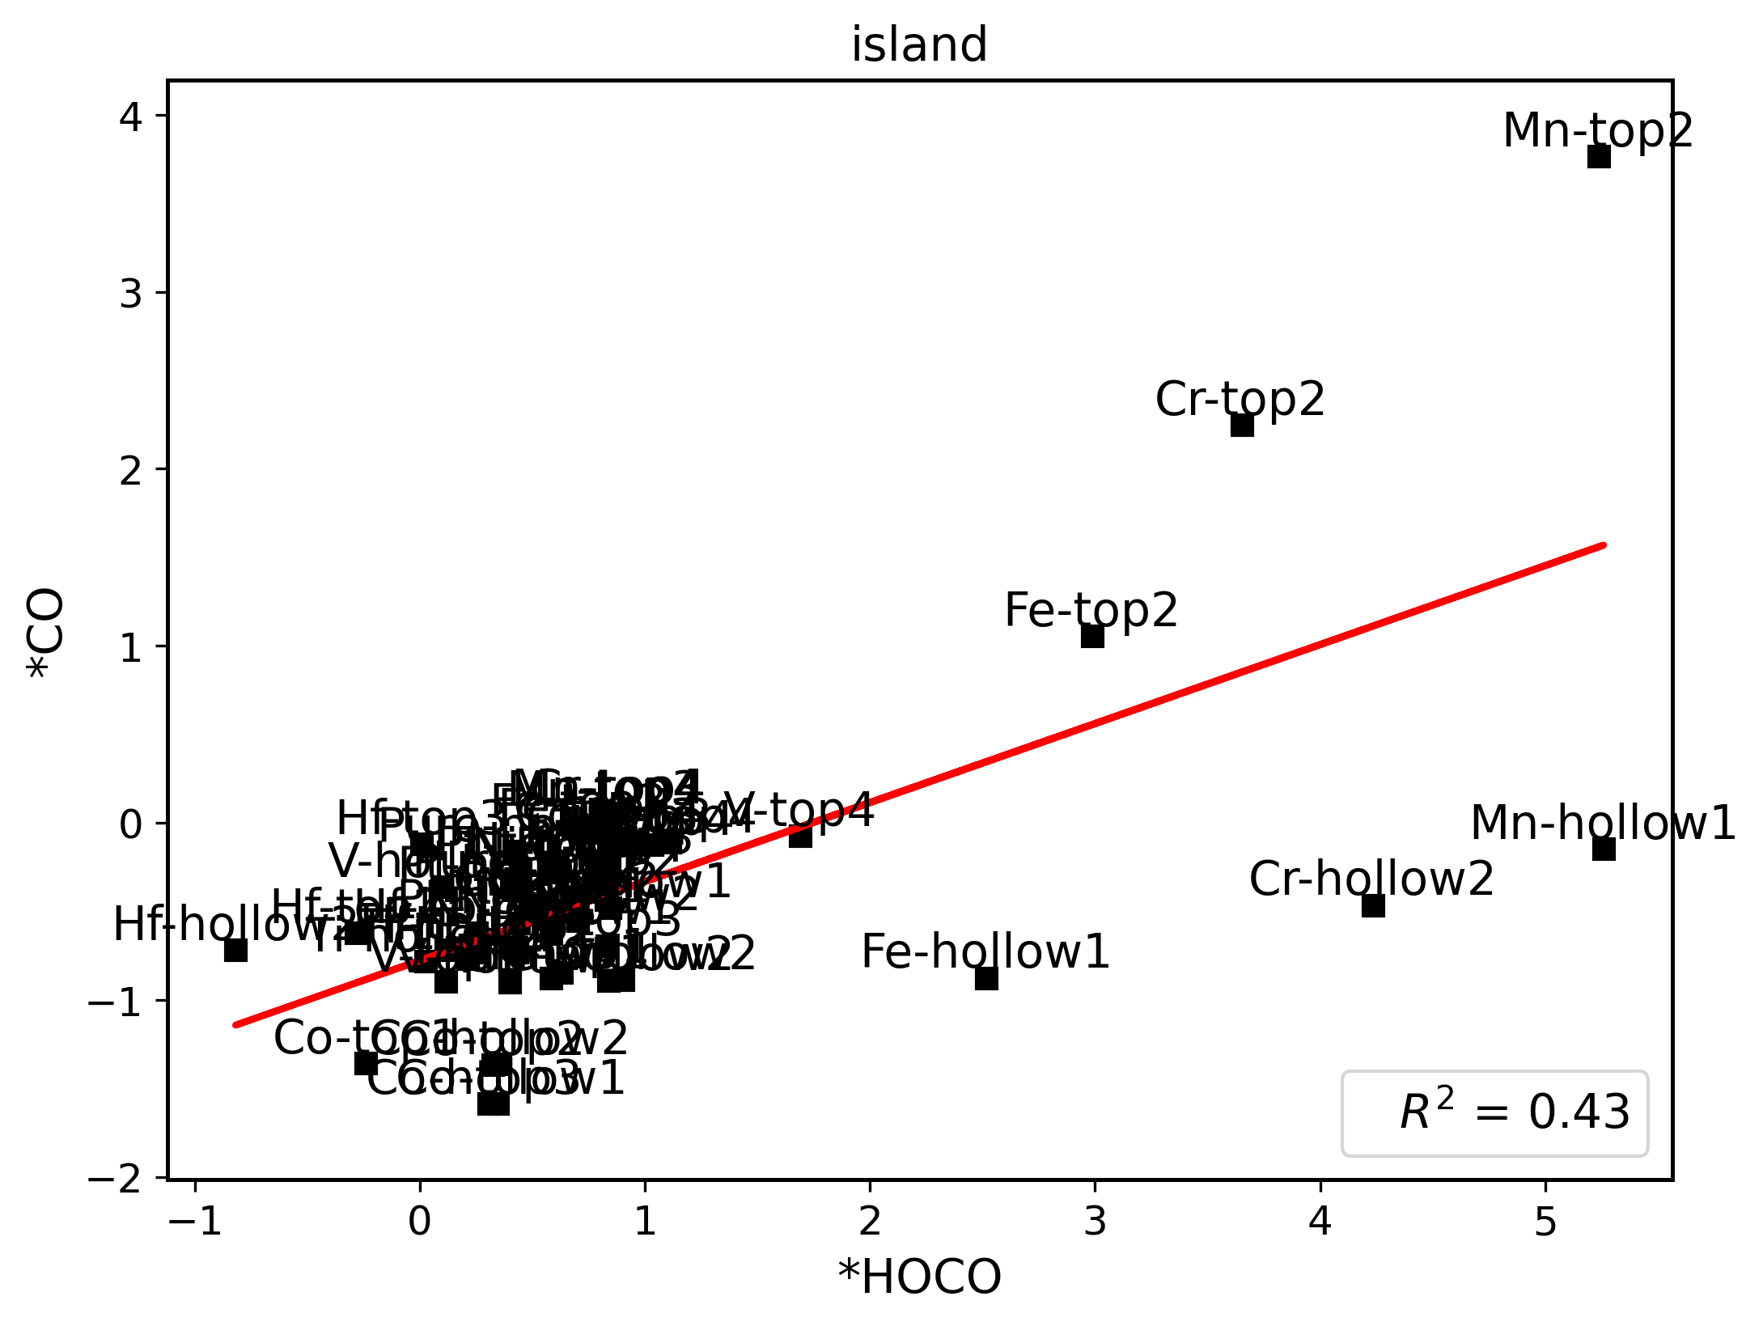
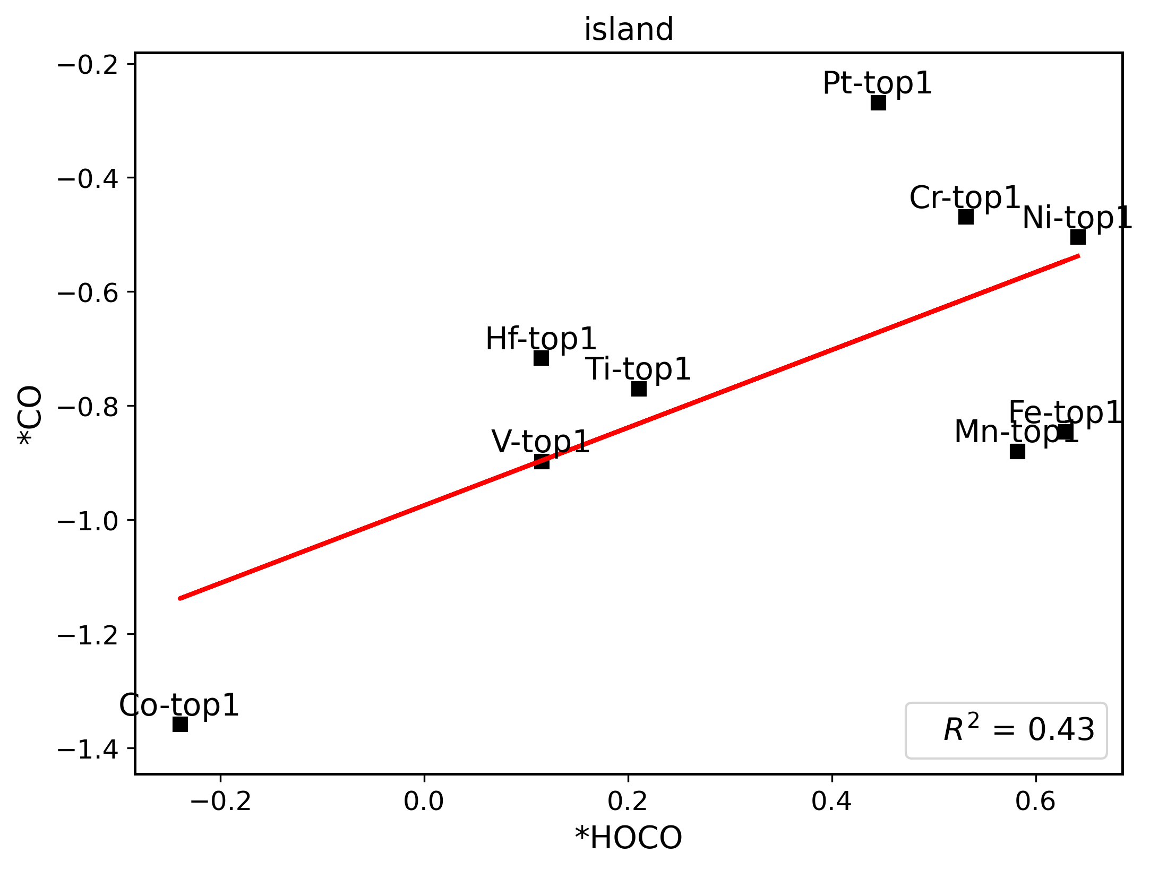
 | *H | *HOCO | *CO | *OH
Ni-top1 | 0.64431922 | 0.64113572 | -0.50389306 | 1.29358587 | ni | slab-top1
Ni-top2 | -0.24682011 | 0.68274241 | -0.46537386 | -3.32867415 |  | slab-top2
Ni-top3 | 2.52917786 | 0.58721276 | -0.24649373 | -3.11049373 |  | slab-top3
Ni-top4 | 0.60218042 | 0.60769985 | -0.27977012 | -3.14377012 |  | slab-top4
Ni-hollow1 | 0.34249012 | 0.58212 | -0.62542025 | -3.48942025 |  | slab-hollow1
Ni-hollow2 | 2.36026879 | 0.6992357 | -0.55102004 | -3.42103165 |  | slab-hollow2
Co-top1 | -0.19730623 | -0.23962993 | -1.35825245 | 0.01041651 | co | slab-top1
Co-top2 | 0.01957053 | 0.32323682 | -1.36775923 | -4.23147927 |  | slab-top2
Co-top3 | -0.19707898 | 0.30558105 | -1.58822865 | -4.23030151 |  | slab-top3
Co-top4 | 2.47417248 | 0.83715103 | -0.09519731 | -2.95919731 |  | slab-top4
Co-hollow1 | 0.01975626 | 0.34305129 | -1.58707201 | -4.23124787 |  | slab-hollow1
Co-hollow2 | 2.45242005 | 0.35553792 | -1.36236574 | -4.2262307 |  | slab-hollow2
V-top1 | 0.52909464 | 0.11521397 | -0.89703549 | -0.00800947 | v | slab-top1
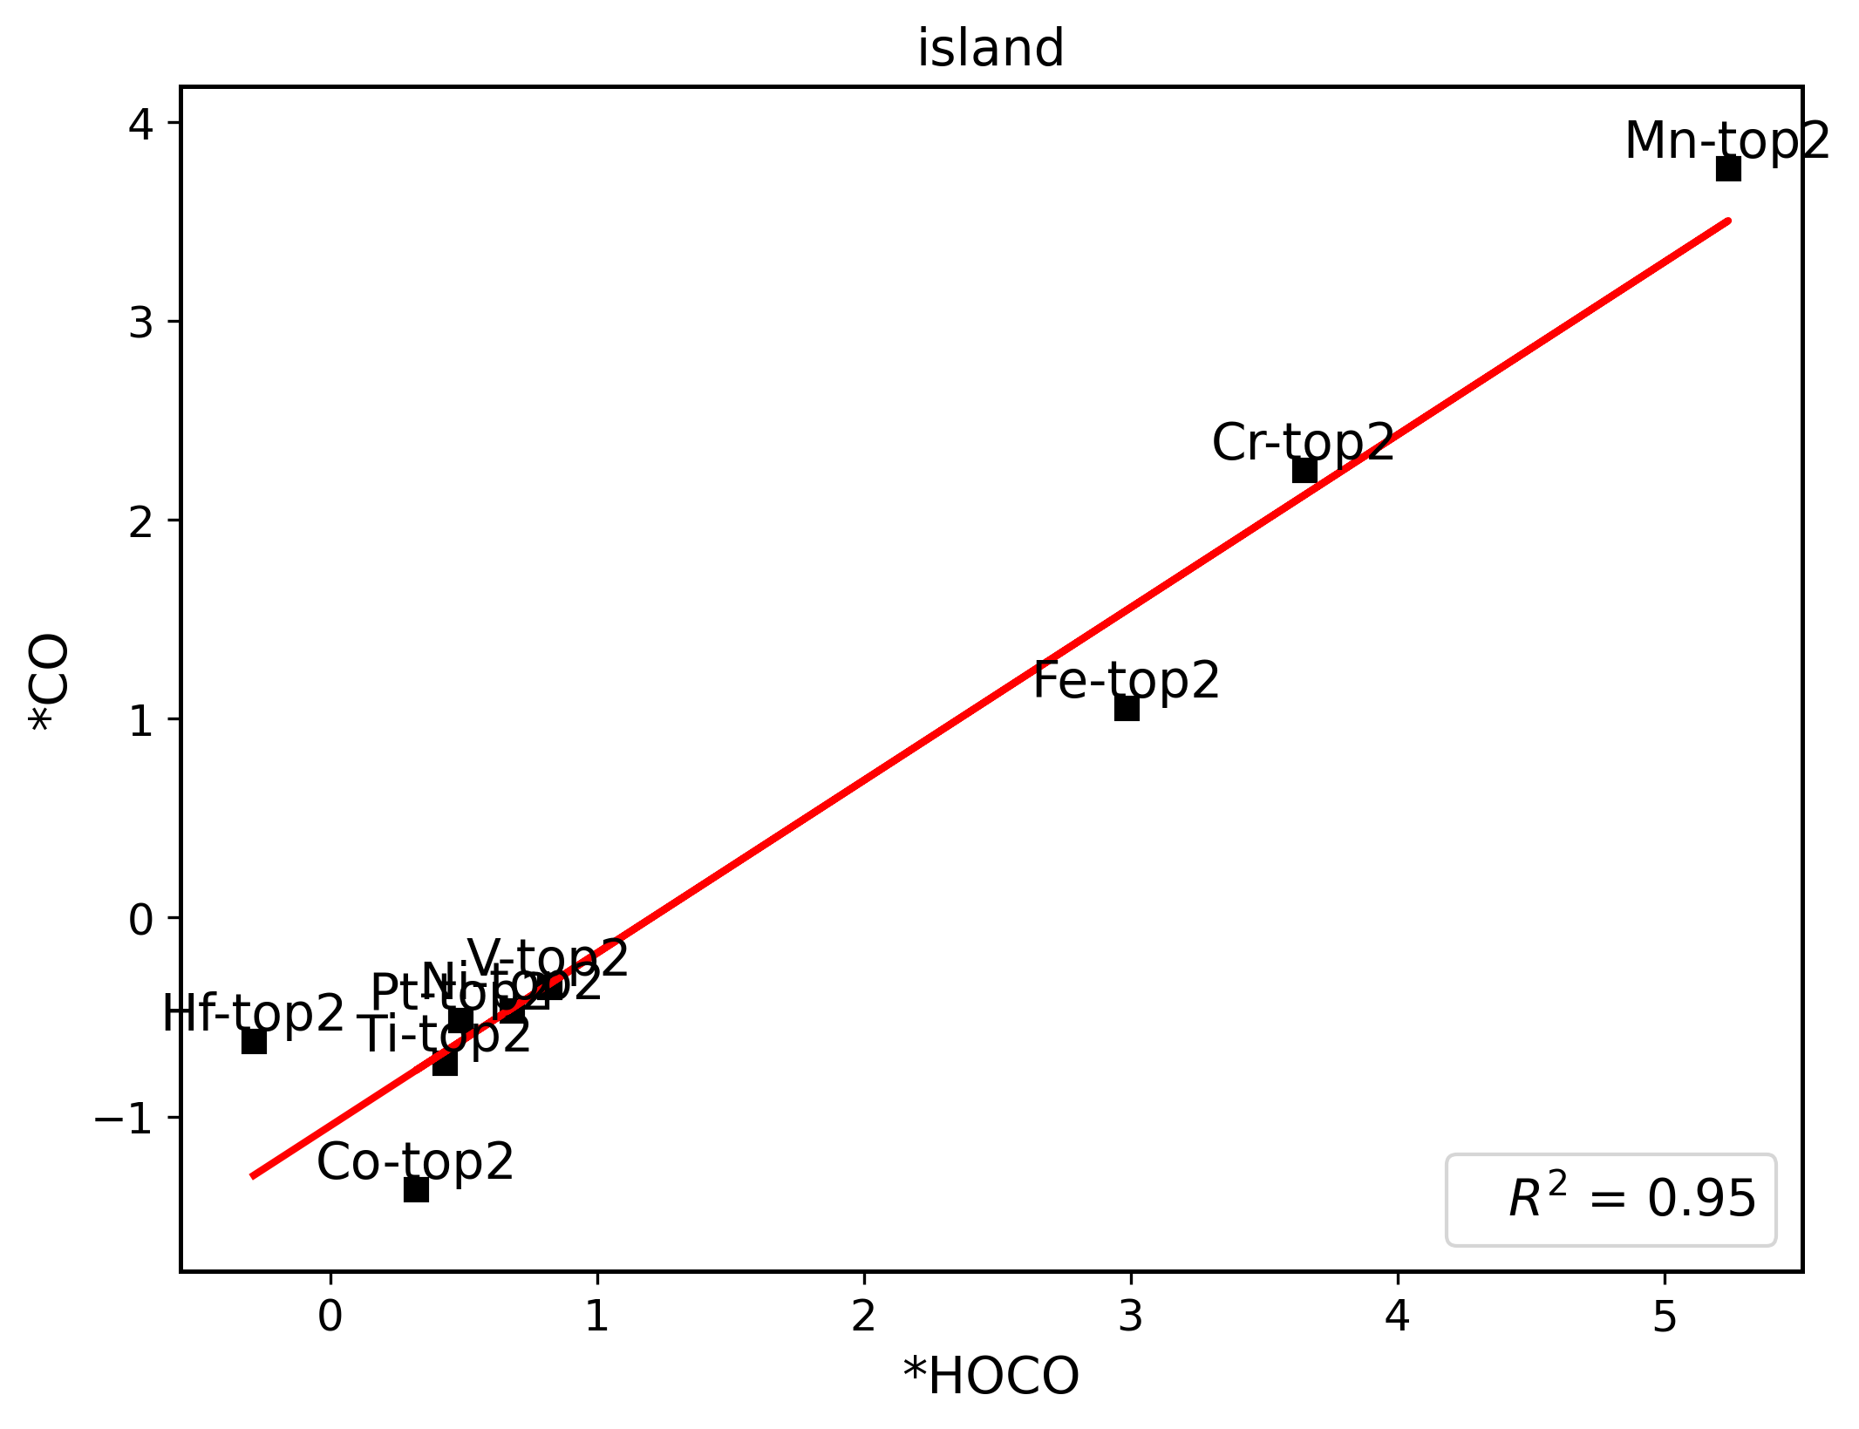
V-top2 | 0.5925866 | 0.82159746 | -0.34722054 | -3.21122054 |  | slab-top2
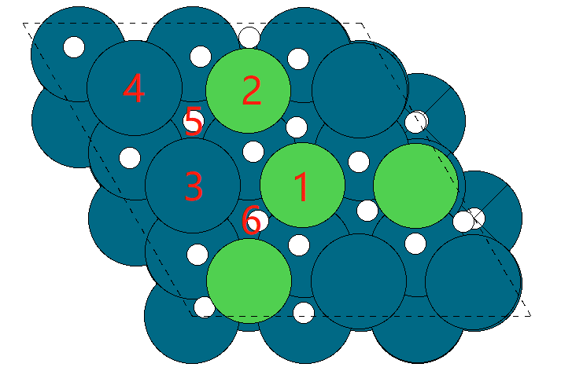
V-top3 | 0.81709783 | 0.82967336 | -0.69308716 | -3.55708716 |  | slab-top3
V-top4 | 0.88897166 | 1.68858309 | -0.075136 | -2.23895962 |  | slab-top4
V-hollow1 | 2.3533267 | 0.09650014 | -0.36064843 | -3.8757446 |  | slab-hollow1
V-hollow2 | 0.39988117 | 0.39851039 | -0.90146646 | -3.20888123 |  | slab-hollow2
Cr-top1 | 0.69234345 | 0.531411 | -0.4685115 | 0.29124468 | cr | slab-top1
Cr-top2 | 3.40641115 | 3.65089461 | 2.24901678 | -0.6155336 |  | slab-top2
Cr-top3 | 0.8462313 | 0.85782696 | -0.11149713 | 0.69130319 |  | slab-top3
Cr-top4 | 0.81017919 | 0.87100937 | 0.05379259 | -2.80913603 |  | slab-top4
Cr-hollow1 | 2.40132312 | 0.84368378 | -0.4784594 | -0.61524676 |  | slab-hollow1
Cr-hollow2 | 3.60825197 | 4.23361592 | -0.46451564 | -0.62828945 |  | slab-hollow2
Mn-top1 | 0.55006329 | 0.58195485 | -0.87950691 | 0.46643433 | mn | slab-top1
Mn-top2 | 4.9953576 | 5.23945265 | 3.76721714 | 0.90347221 |  | slab-top2
Mn-top3 | 0.80922626 | 0.81561883 | 0.04666879 | 0.84148148 |  | slab-top3
Mn-top4 | 0.771753 | 0.83719989 | 0.05398236 | 0.39160641 |  | slab-top4
Mn-hollow1 | -0.10559271 | 5.26006387 | -0.14713121 | 0.45986673 |  | slab-hollow1
Mn-hollow2 | 4.96088276 | 0.90373871 | -0.884747 | 0.43486789 |  | slab-hollow2
Fe-top1 | 0.33208965 | 0.62922442 | -0.84561269 | 0.72828822 | fe | slab-top1
Fe-top2 | 2.27556296 | 2.98597989 | 1.05441001 | -1.80937743 |  | slab-top2
Fe-top3 | 0.70324231 | 0.70201578 | -0.03007022 | -2.88882003 |  | slab-top3
Fe-top4 | 0.69655894 | 0.73733011 | -0.05688963 | -2.92052832 |  | slab-top4
Fe-hollow1 | 2.6849357 | 2.51684195 | -0.87563473 | -3.74022885 |  | slab-hollow1
Fe-hollow2 | 0.70254419 | 0.8364616 | -0.89009024 | -3.75414007 |  | slab-hollow2
Pt-top1 | 0.28847447 | 0.44529608 | -0.26826452 | -0.10956449 | pt | slab-top1
Pt-top2 | 0.34796095 | 0.48891468 | -0.51520783 | -3.37813022 |  | slab-top2
Pt-top3 | 0.82594503 | 0.83988516 | -0.23148413 | -3.09625766 |  | slab-top3
Pt-top4 | 0.81144721 | 0.79927546 | -0.27638974 | -3.13656755 |  | slab-top4
Pt-hollow1 | 2.84064462 | 0.43930586 | -0.56744826 | -3.43103501 |  | slab-hollow1
Pt-hollow2 | 0.3687852 | 0.44571458 | -0.38191245 | -3.24581808 |  | slab-hollow2
Ti-top1 | 0.66954961 | 0.21053906 | -0.7697865 | -0.72050734 | ti | slab-top1
Ti-top2 | 0.60095147 | 0.42926705 | -0.7293163 | -3.5928139 |  | slab-top2
Ti-top3 | 0.10989592 | 0.93007617 | -0.11316856 | -2.97677994 |  | slab-top3
Ti-top4 | 0.92017716 | 1.0310524 | -0.12343152 | -2.98730965 |  | slab-top4
Ti-hollow1 | 0.63966035 | 0.25337205 | -0.73360147 | -3.59745915 |  | slab-hollow1
Ti-hollow2 | 0.65542942 | 0.02443777 | -0.78067624 | -3.64363524 |  | slab-hollow2
Hf-top1 | -0.31867588 | 0.11486797 | -0.71605023 | -2.33289174 | hf | slab-top1
Hf-top2 | 0.74641378 | -0.28549234 | -0.62266249 | -3.48678176 |  | slab-top2
Hf-top3 | 1.13979244 | 0.00621525 | -0.120065 | -2.98457529 |  | slab-top3
Hf-top4 | 1.06013083 | 1.11199796 | -0.10880288 | -2.97315113 |  | slab-top4
Hf-hollow1 | 0.01091642 | 0.25293859 | -0.62317632 | -3.48769253 |  | slab-hollow1
Hf-hollow2 | 0.19046519 | -0.81986427 | -0.71752421 | -3.58152054 |  | slab-hollow2
Pure-top | 0.39819529 | 0.40428681 | -0.36175536 | 1.47984799 | pure | slab-top
Pure-hollow | 0.34333687 | 0.41762294 | -0.16012846 | 2.02758387 |  | slab-hollow

paral
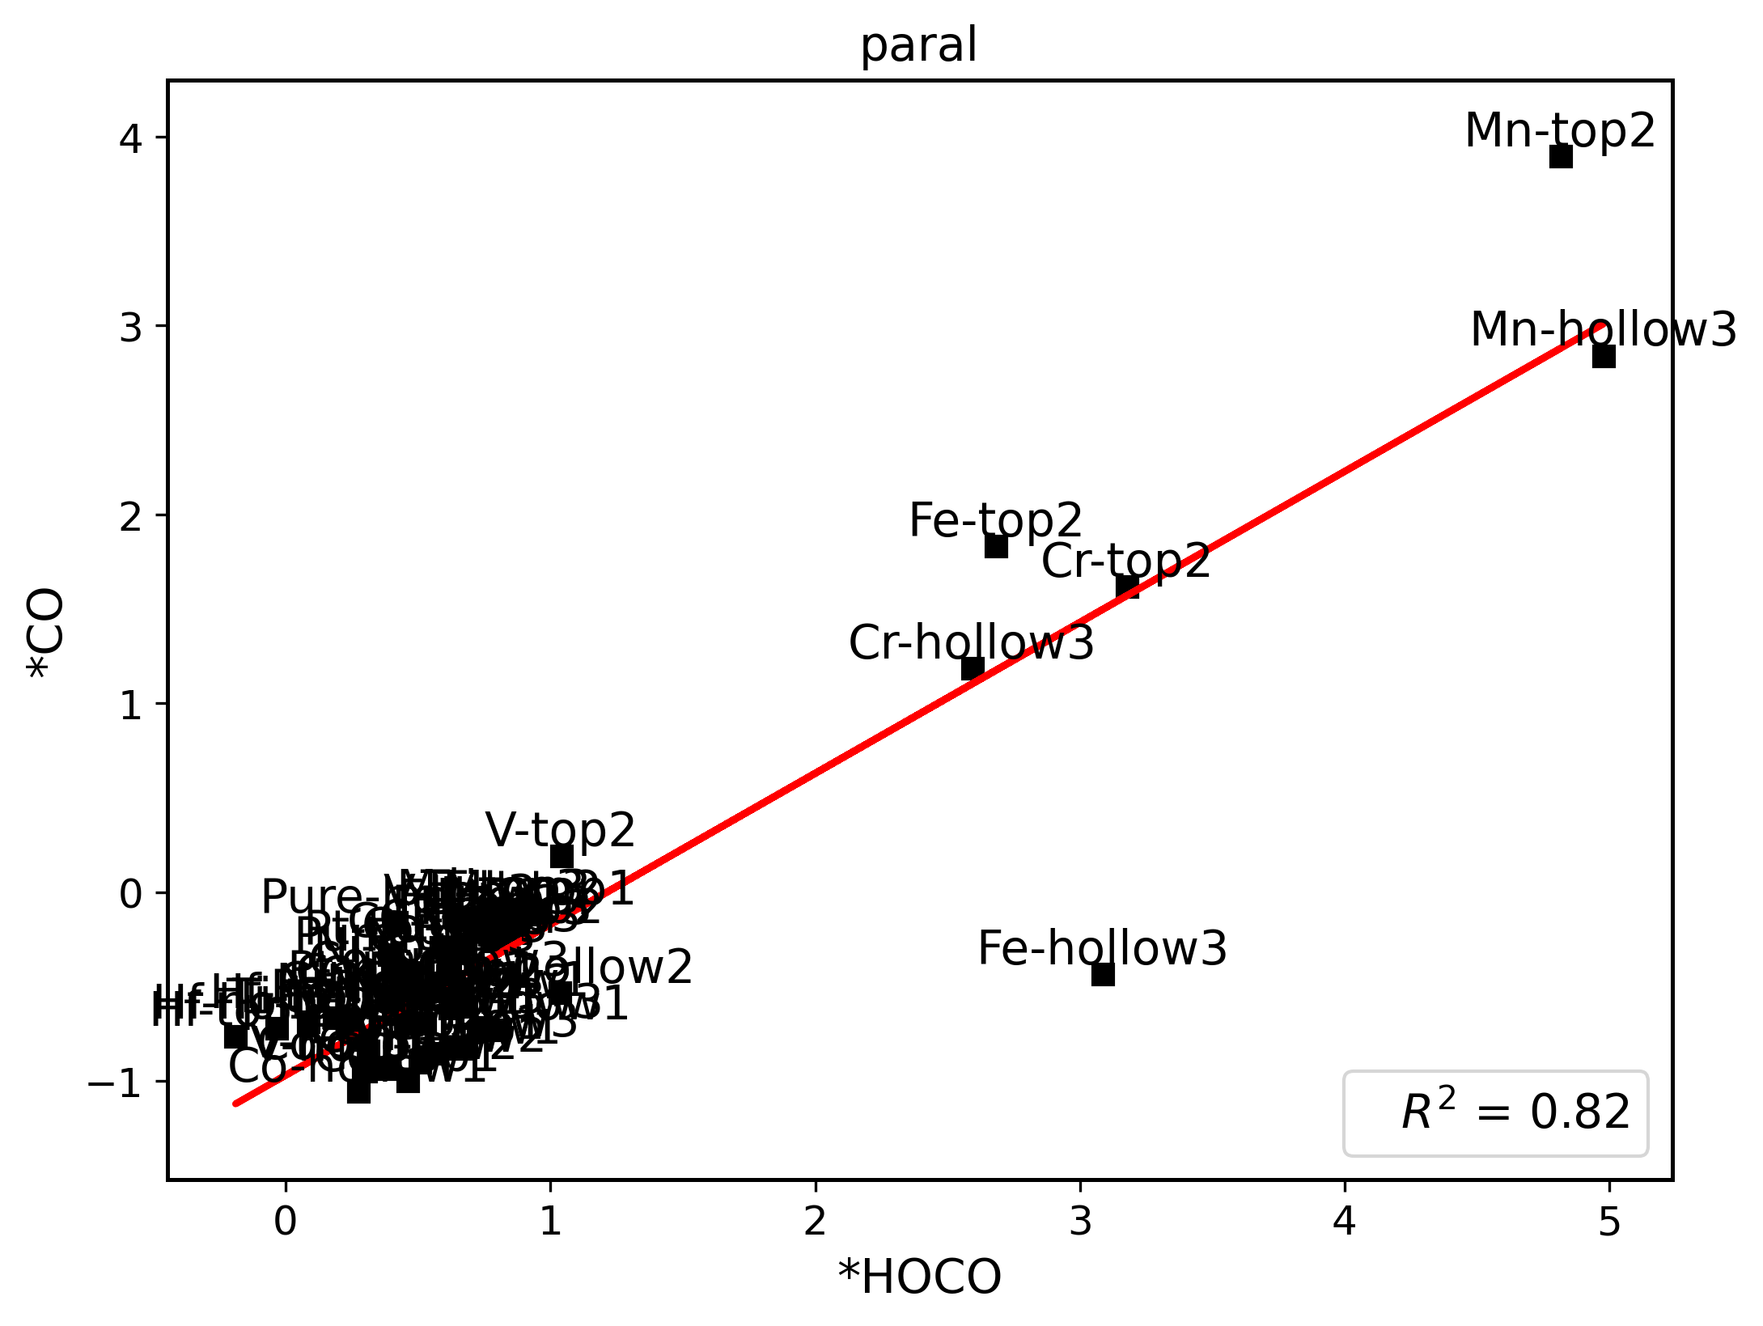
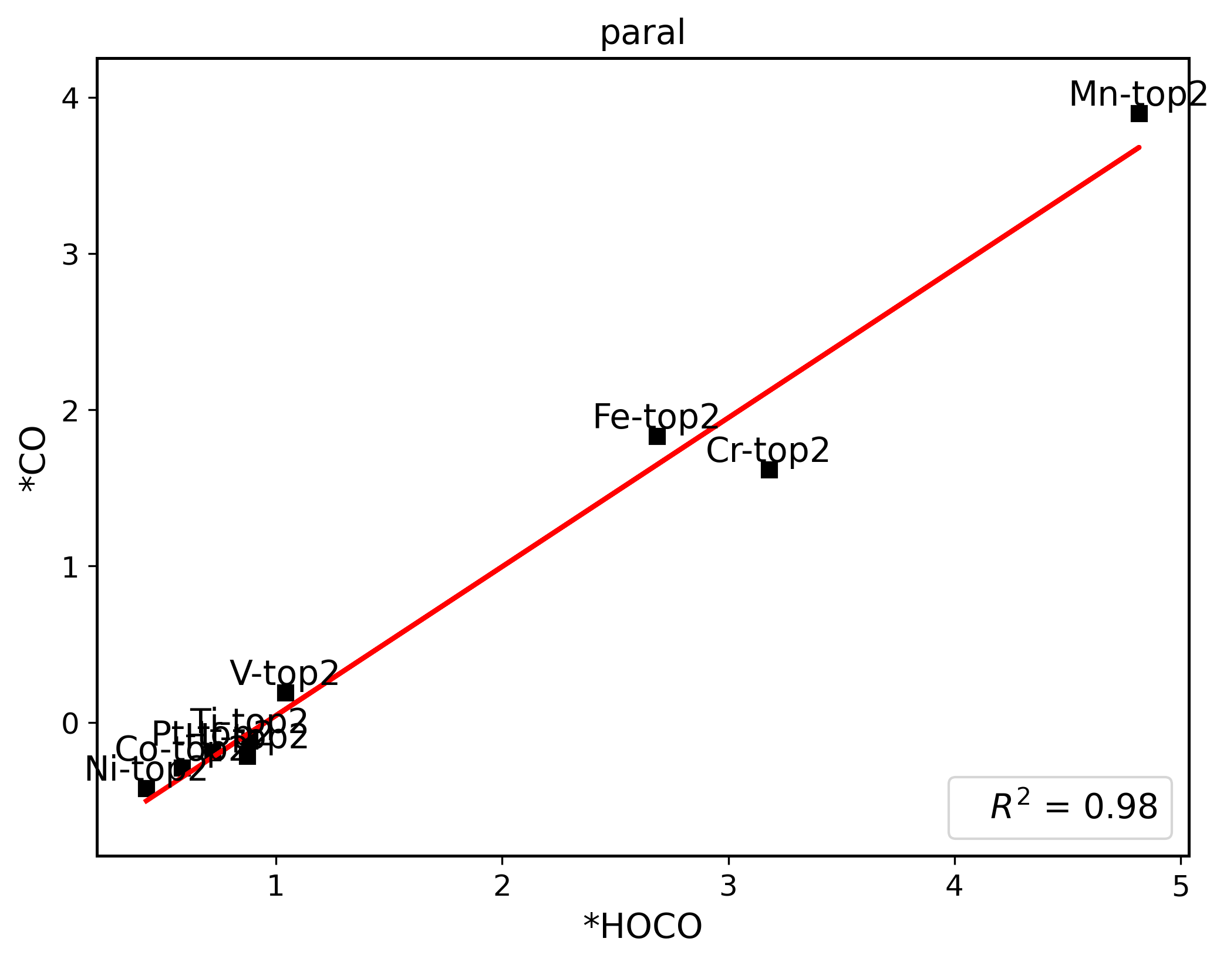
 | *H | *HOCO | *CO | *OH
Ni-top1 | 0.61552117 | 0.63269969 | -0.54880694 | 1.22990225 | ni | slab-top1
Ni-top2 | 0.56309316 | 0.42812777 | -0.42025855 | 1.47071521 |  | slab-top2
Ni-top3 | 0.44247347 | 0.6204153 | -0.36577145 | 1.38785901 |  | slab-top3
Ni-hollow1 | 0.18007148 | 0.68023535 | -0.60382043 | 0.65479119 |  | slab-hollow1
Ni-hollow2 | 2.2491874 | 0.61924111 | -0.61280294 | 0.86129866 |  | slab-hollow2
Ni-hollow3 | 0.30880275 | 0.42803431 | -0.60914288 | -0.11025561 |  | slab-hollow3
Co-top1 | 0.29132658 | 0.45992158 | -1.00018739 | 0.93416346 | co | slab-top1
Co-top2 | 0.6587959 | 0.58610026 | -0.29030081 | 1.64140956 |  | slab-top2
Co-top3 | 0.62315157 | 0.64048311 | -0.31643999 | 1.60719128 |  | slab-top3
Co-hollow1 | 0.39247521 | 0.27493508 | -1.05590627 | 0.5823795 |  | slab-hollow1
Co-hollow2 | 0.2911935 | 0.38603077 | -0.9343601 | 0.4367249 |  | slab-hollow2
Co-hollow3 | 0.64369881 | 0.57899253 | -0.49319633 | 1.57395657 |  | slab-hollow3
V-top1 | 0.5471418 | 0.30990711 | -0.83941743 | 0.04646561 | v | slab-top1
V-top2 | 1.024125 | 1.04142852 | 0.19195626 | 0.29045546 |  | slab-top2
V-top3 | 0.72807488 | 0.65931281 | -0.13758997 | 1.79798637 |  | slab-top3
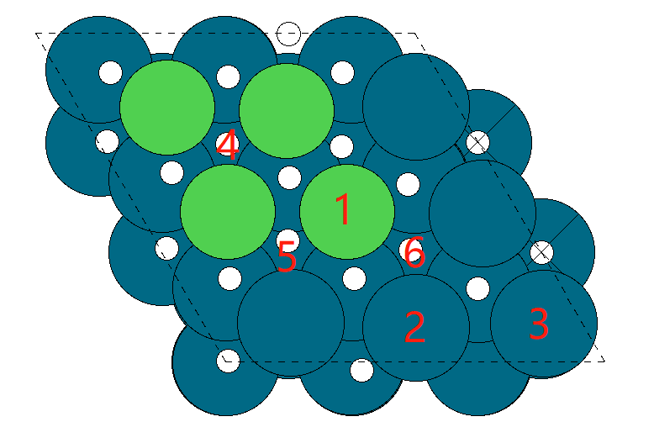
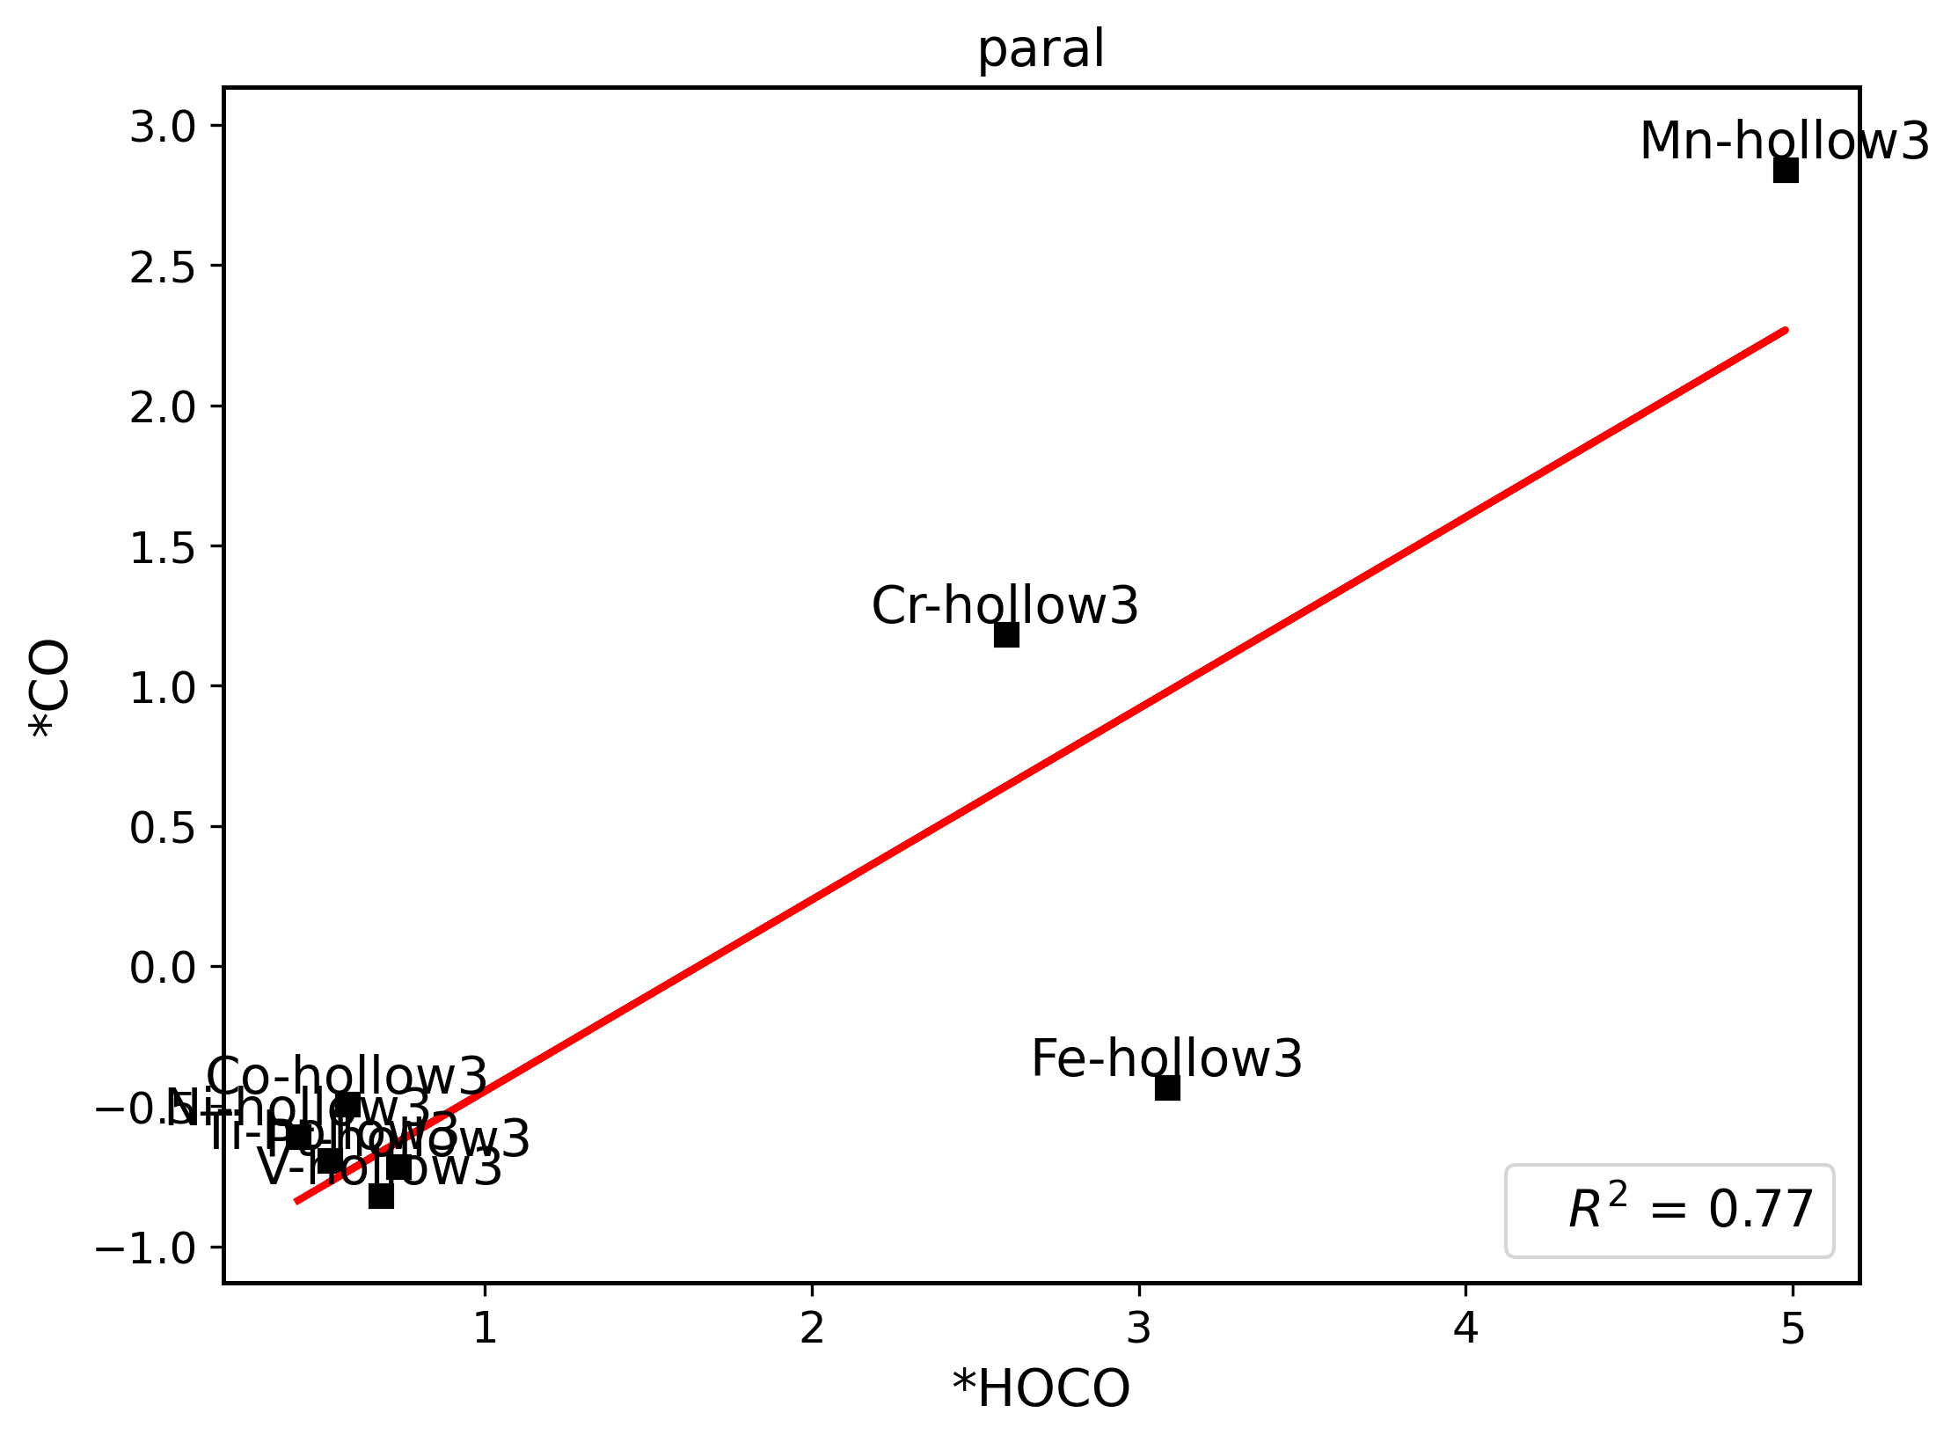
V-hollow1 | 0.14845879 | 0.29232966 | -0.92889038 | 0.31027336 |  | slab-hollow1
V-hollow2 | 0.19159298 | 0.30265187 | -0.9461861 | -0.07061383 |  | slab-hollow2
V-hollow3 | 0.65299773 | 0.68017234 | -0.81729368 | -0.00326651 |  | slab-hollow3
Cr-top1 | 0.61774787 | 0.45408297 | -0.57039569 | 0.26844296 | cr | slab-top1
Cr-top2 | 3.21158622 | 3.17914286 | 1.61858994 | 3.34905769 |  | slab-top2
Cr-top3 | 0.64929074 | 0.67743007 | -0.27338925 | 1.70144058 |  | slab-top3
Cr-hollow1 | 0.26110366 | 0.44244049 | -0.60128402 | 2.40765662 |  | slab-hollow1
Cr-hollow2 | 0.7092852 | 0.50563549 | -0.56035558 | 2.37716134 |  | slab-hollow2
Cr-hollow3 | 0.37396598 | 2.59402387 | 1.18448129 | 2.06869316 |  | slab-hollow3
Mn-top1 | 0.78730862 | 0.95910783 | -0.1176178 | 0.46824588 | mn | slab-top1
Mn-top2 | 4.86611814 | 4.81511141 | 3.89771945 | 5.24052526 |  | slab-top2
Mn-top3 | 0.79699696 | 0.78340125 | -0.11448599 | 5.78442587 |  | slab-top3
Mn-hollow1 | 2.35850472 | 0.79401803 | -0.72698955 | 0.14794897 |  | slab-hollow1
Mn-hollow2 | 2.35728935 | 1.03615862 | -0.53215432 | 3.73368461 |  | slab-hollow2
Mn-hollow3 | 4.11663826 | 4.97840166 | 2.84001374 | 3.92707448 |  | slab-hollow3
Fe-top1 | 0.45379973 | 0.64380129 | -0.82688792 | 0.64677658 | fe | slab-top1
Fe-top2 | 2.74587282 | 2.68400084 | 1.83267862 | 3.72049508 |  | slab-top2
Fe-top3 | 0.72722921 | 0.75463578 | -0.16383341 | 1.74569801 |  | slab-top3
Fe-hollow1 | 0.53184269 | 0.56394689 | -0.85428379 | 0.60982277 |  | slab-hollow1 | Note: for top2, top3, hollow1 and hollow2 the initial structures are optimized pure surface of each doped system.
Fe-hollow2 | 0.75006716 | 0.50803892 | -0.89810885 | -0.63753083 |  | slab-hollow2
Fe-hollow3 | 2.39773728 | 3.08724403 | -0.43346928 | 2.86203246 |  | slab-hollow3
Pt-top1 | 0.23214135 | 0.38989314 | -0.32964519 | 1.60886021 | pt | slab-top1
Pt-top2 | 0.71774872 | 0.72176092 | -0.19292517 | -0.13324891 |  | slab-top2
Pt-top3 | 3.36234283 | 0.79201988 | -0.25837518 | -0.28357075 |  | slab-top3
Pt-hollow1 | 2.34910953 | 0.46968122 | -0.54094424 | 1.44017562 |  | slab-hollow1
Pt-hollow2 | 0.18196183 | 0.40617084 | -0.64145815 | 1.48873869 |  | slab-hollow2
Pt-hollow3 | 2.35004794 | 0.73539283 | -0.71667405 | 1.56047342 |  | slab-hollow3
Ti-top1 | 0.6435374 | 0.08627233 | -0.68670537 | -0.56529 | ti | slab-top1
Ti-top2 | 0.86117618 | 0.88407198 | -0.11650278 | 1.8384679 |  | slab-top2
Ti-top3 | 0.90664924 | 0.82037661 | -0.11409733 | -0.56569605 |  | slab-top3
Ti-hollow1 | 0.31218152 | 0.45194966 | -0.69504744 | -0.01082246 |  | slab-hollow1
Ti-hollow2 | 0.30666016 | 0.25054227 | -0.68662186 | -0.44101666 |  | slab-hollow2
Ti-hollow3 | 2.42922576 | 0.52629893 | -0.69348161 | -0.56637766 |  | slab-hollow3
Hf-top1 | 0.58360838 | -0.18958799 | -0.76184023 | -1.21615057 | hf | slab-top1
Hf-top2 | 0.82161136 | 0.87260461 | -0.21420419 | -0.58085573 |  | slab-top2
Hf-top3 | 0.21690627 | 0.83166219 | -0.21996518 | 1.16742595 |  | slab-top3
Hf-hollow1 | 0.50533249 | 0.18200879 | -0.66486325 | -0.45704716 |  | slab-hollow1
Hf-hollow2 | 0.42664886 | 0.29629424 | -0.78030092 | -0.58580553 |  | slab-hollow2
Hf-hollow3 | 0.58564013 | -0.03558624 | -0.72043448 | -1.24604287 |  | slab-hollow3
Pure-top | 0.39819529 | 0.40428681 | -0.36175536 | 1.47984799 | pure | slab-top
Pure-hollow | 0.34333687 | 0.41762294 | -0.16012846 | 2.02758387 |  | slab-hollow

paral-del
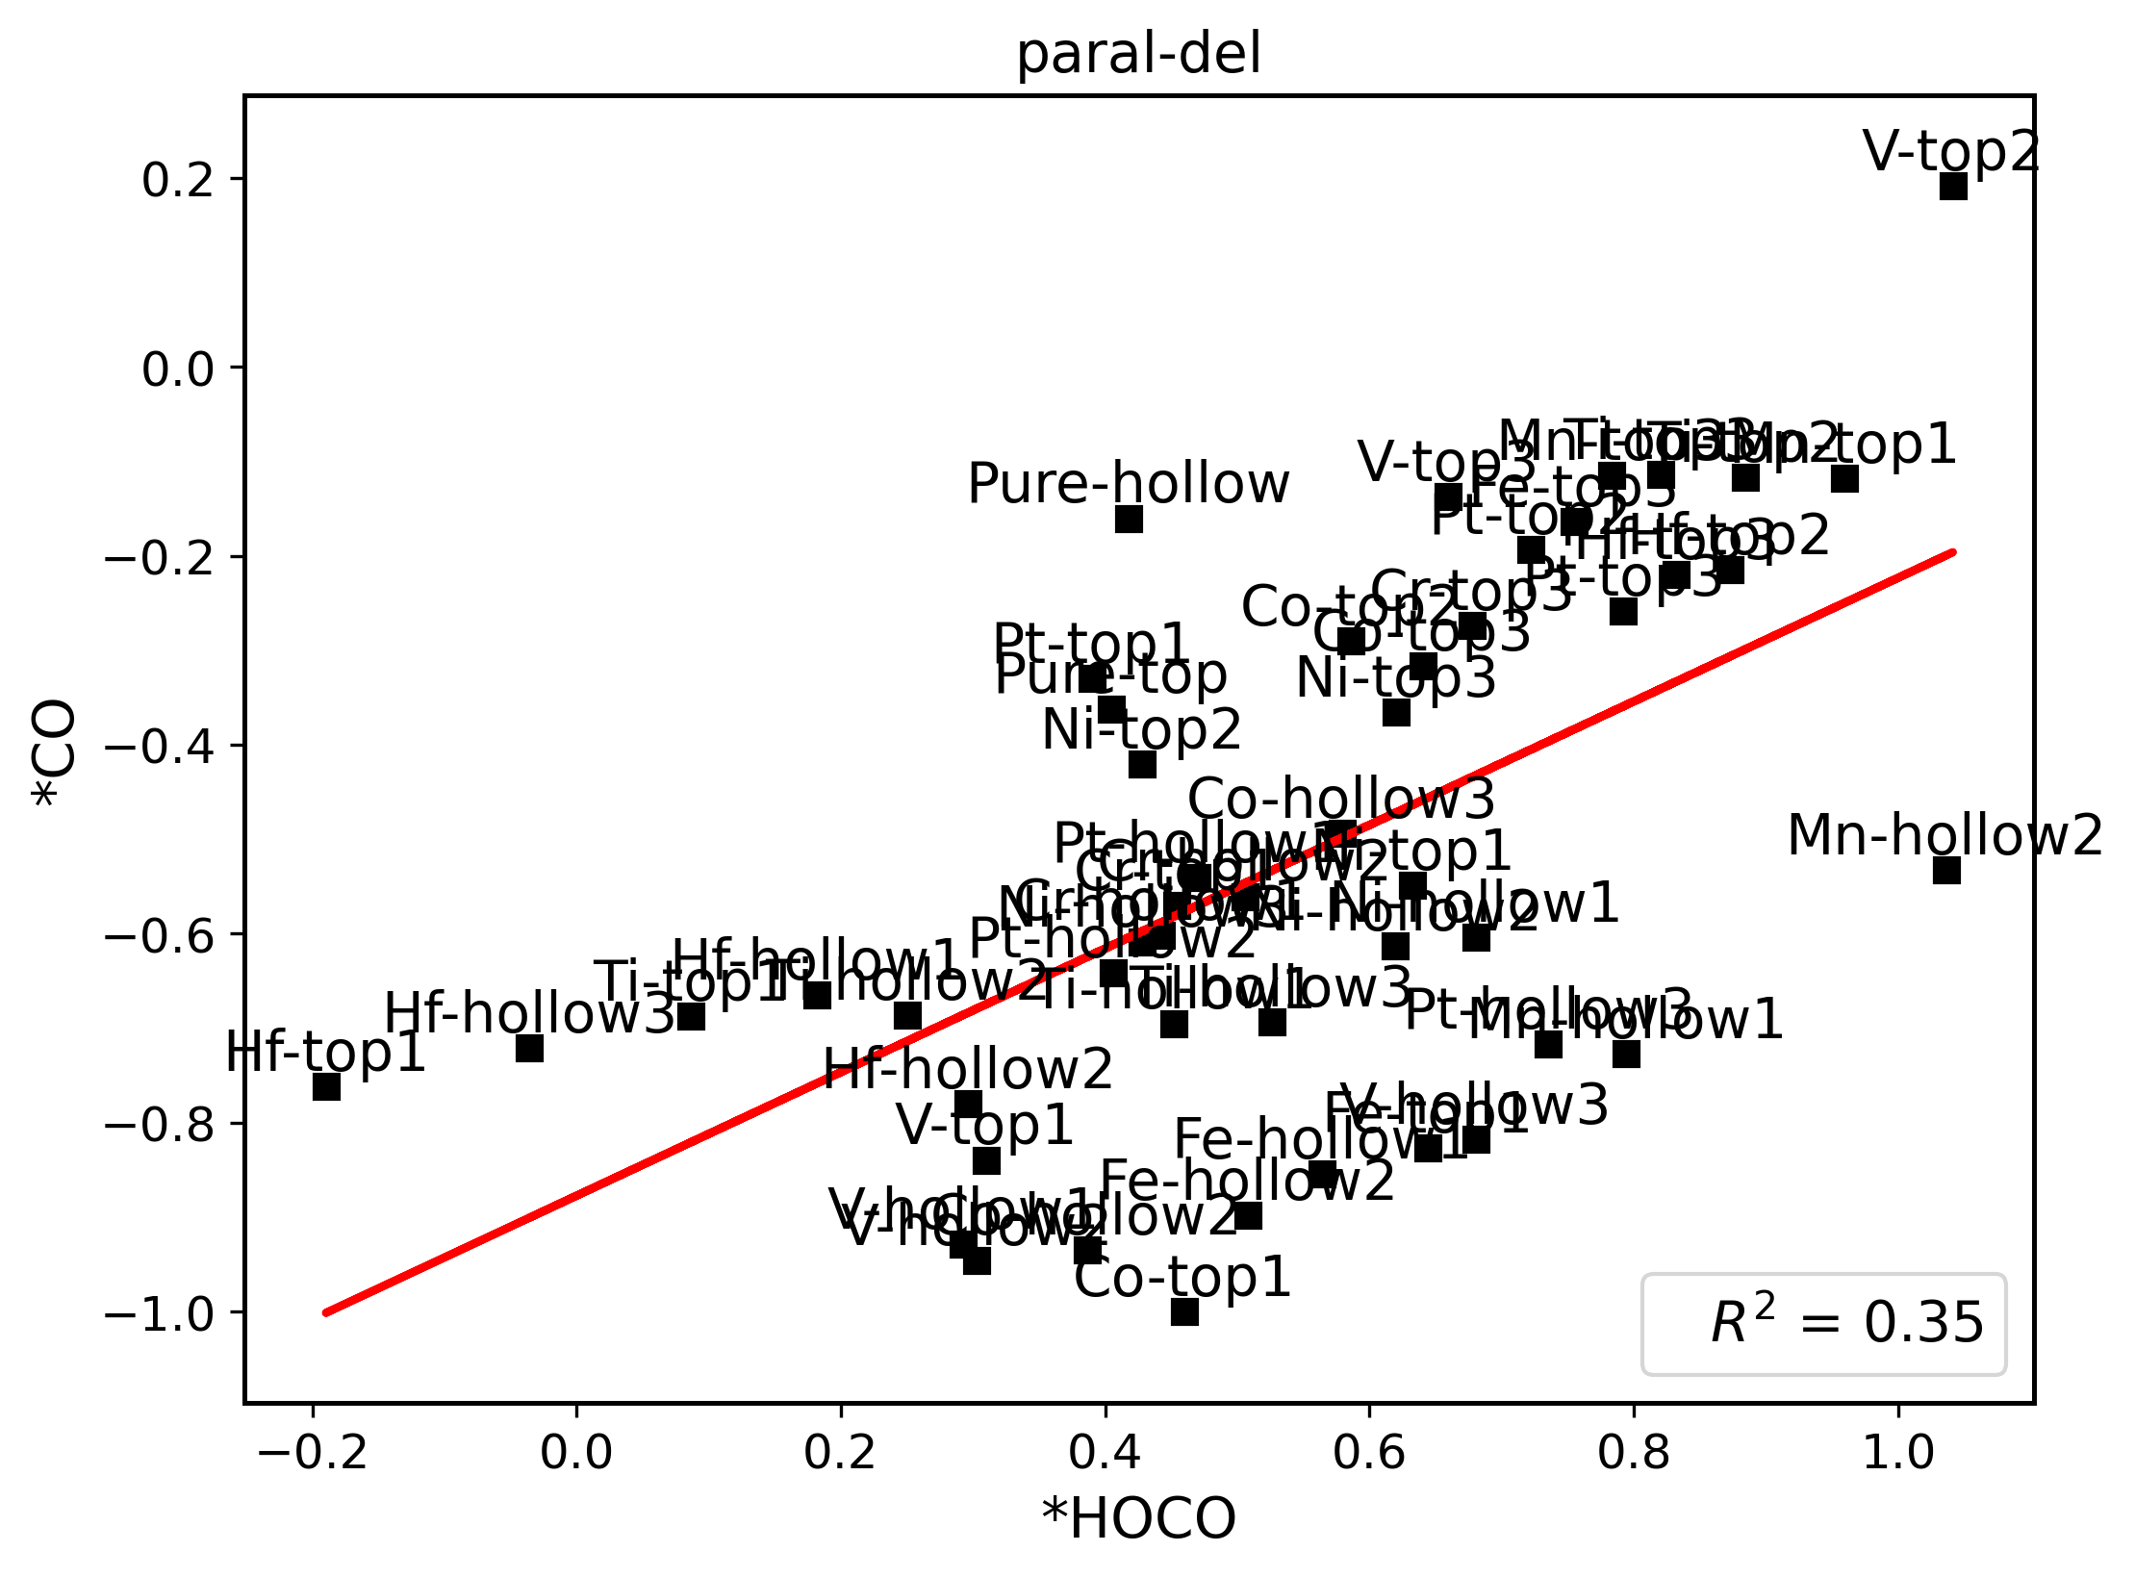
 | *H | *HOCO | *CO | *OH
Ni-top1 | 0.61552117 | 0.63269969 | -0.54880694 | 1.22990225 | ni | slab-top1
Ni-top2 | 0.56309316 | 0.42812777 | -0.42025855 | 1.47071521 |  | slab-top2
Ni-top3 | 0.44247347 | 0.6204153 | -0.36577145 | 1.38785901 |  | slab-top3
Ni-hollow1 | 0.18007148 | 0.68023535 | -0.60382043 | 0.65479119 |  | slab-hollow1
Ni-hollow2 | 2.2491874 | 0.61924111 | -0.61280294 | 0.86129866 |  | slab-hollow2
Ni-hollow3 | 0.30880275 | 0.42803431 | -0.60914288 | -0.11025561 |  | slab-hollow3
Co-top1 | 0.29132658 | 0.45992158 | -1.00018739 | 0.93416346 | co | slab-top1
Co-top2 | 0.6587959 | 0.58610026 | -0.29030081 | 1.64140956 |  | slab-top2
Co-top3 | 0.62315157 | 0.64048311 | -0.31643999 | 1.60719128 |  | slab-top3
Co-hollow2 | 0.2911935 | 0.38603077 | -0.9343601 | 0.4367249 |  | slab-hollow2
Co-hollow3 | 0.64369881 | 0.57899253 | -0.49319633 | 1.57395657 |  | slab-hollow3
V-top1 | 0.5471418 | 0.30990711 | -0.83941743 | 0.04646561 | v | slab-top1
V-top2 | 1.024125 | 1.04142852 | 0.19195626 | 0.29045546 |  | slab-top2
V-top3 | 0.72807488 | 0.65931281 | -0.13758997 | 1.79798637 |  | slab-top3
V-hollow1 | 0.14845879 | 0.29232966 | -0.92889038 | 0.31027336 |  | slab-hollow1
V-hollow2 | 0.19159298 | 0.30265187 | -0.9461861 | -0.07061383 |  | slab-hollow2
V-hollow3 | 0.65299773 | 0.68017234 | -0.81729368 | -0.00326651 |  | slab-hollow3
Cr-top1 | 0.61774787 | 0.45408297 | -0.57039569 | 0.26844296 | cr | slab-top1
Cr-top3 | 0.64929074 | 0.67743007 | -0.27338925 | 1.70144058 |  | slab-top3
Cr-hollow1 | 0.26110366 | 0.44244049 | -0.60128402 | 2.40765662 |  | slab-hollow1
Cr-hollow2 | 0.7092852 | 0.50563549 | -0.56035558 | 2.37716134 |  | slab-hollow2
Mn-top1 | 0.78730862 | 0.95910783 | -0.1176178 | 0.46824588 | mn | slab-top1
Mn-top3 | 0.79699696 | 0.78340125 | -0.11448599 | 5.78442587 |  | slab-top3
Mn-hollow1 | 2.35850472 | 0.79401803 | -0.72698955 | 0.14794897 |  | slab-hollow1
Mn-hollow2 | 2.35728935 | 1.03615862 | -0.53215432 | 3.73368461 |  | slab-hollow2
Fe-top1 | 0.45379973 | 0.64380129 | -0.82688792 | 0.64677658 | fe | slab-top1
Fe-top3 | 0.72722921 | 0.75463578 | -0.16383341 | 1.74569801 |  | slab-top3
Fe-hollow1 | 0.53184269 | 0.56394689 | -0.85428379 | 0.60982277 |  | slab-hollow1
Fe-hollow2 | 0.75006716 | 0.50803892 | -0.89810885 | -0.63753083 |  | slab-hollow2
Pt-top1 | 0.23214135 | 0.38989314 | -0.32964519 | 1.60886021 | pt | slab-top1
Pt-top2 | 0.71774872 | 0.72176092 | -0.19292517 | -0.13324891 |  | slab-top2
Pt-top3 | 3.36234283 | 0.79201988 | -0.25837518 | -0.28357075 |  | slab-top3
Pt-hollow1 | 2.34910953 | 0.46968122 | -0.54094424 | 1.44017562 |  | slab-hollow1
Pt-hollow2 | 0.18196183 | 0.40617084 | -0.64145815 | 1.48873869 |  | slab-hollow2
Pt-hollow3 | 2.35004794 | 0.73539283 | -0.71667405 | 1.56047342 |  | slab-hollow3
Ti-top1 | 0.6435374 | 0.08627233 | -0.68670537 | -0.56529 | ti | slab-top1
Ti-top2 | 0.86117618 | 0.88407198 | -0.11650278 | 1.8384679 |  | slab-top2
Ti-top3 | 0.90664924 | 0.82037661 | -0.11409733 | -0.56569605 |  | slab-top3
Ti-hollow1 | 0.31218152 | 0.45194966 | -0.69504744 | -0.01082246 |  | slab-hollow1
Ti-hollow2 | 0.30666016 | 0.25054227 | -0.68662186 | -0.44101666 |  | slab-hollow2
Ti-hollow3 | 2.42922576 | 0.52629893 | -0.69348161 | -0.56637766 |  | slab-hollow3
Hf-top1 | 0.58360838 | -0.18958799 | -0.76184023 | -1.21615057 | hf | slab-top1
Hf-top2 | 0.82161136 | 0.87260461 | -0.21420419 | -0.58085573 |  | slab-top2
Hf-top3 | 0.21690627 | 0.83166219 | -0.21996518 | 1.16742595 |  | slab-top3
Hf-hollow1 | 0.50533249 | 0.18200879 | -0.66486325 | -0.45704716 |  | slab-hollow1
Hf-hollow2 | 0.42664886 | 0.29629424 | -0.78030092 | -0.58580553 |  | slab-hollow2
Hf-hollow3 | 0.58564013 | -0.03558624 | -0.72043448 | -1.24604287 |  | slab-hollow3
Pure-top | 0.39819529 | 0.40428681 | -0.36175536
Pure-hollow | 0.34333687 | 0.41762294 | -0.16012846

