doping-near-mag
 |  |  |  |  |  |  |  |  |  |  |  | singe atom doping for near sites
suface111 | E_pot | E_ZPE | Cv_harm | -T*S | Free energy | Overbinding correction | Solvent correction | final energy |  | clean surface | Free energy | *H | E_pot | E_ZPE | Cv_harm | -T*S | Free energy | Overbinding correction | Solvent correction | final energy |  | HER:
* |  |  |  |  | -285.37085286 |  |  | -285.37085286 |  | pure-ni | -285.89739694 | h-ni |  |  |  |  | -288.799 |  |  | -288.799 |  | HER: | 0.64639694
*H |  |  |  |  | -288.418 |  |  | -288.418 |  | pure-co | -287.21802062 | h-co |  |  |  |  | -290.257 |  |  | -290.257 |  | HER: | 0.50902062
*HOCO |  |  |  |  | -306.418 | -306.268 | -306.518 | -306.518 |  | pure-v | -290.17668499 | h-v |  |  |  |  | -292.822 |  |  | -292.822 |  | HER: | 0.90268499
*CO |  |  |  |  | -297.742 |  | -297.842 | -297.842 |  | pure-cr | -290.62763592 | h-cr |  |  |  |  | -292.505 |  |  | -292.505 |  | HER: | 1.67063592
*OH |  |  |  |  | -292.84 |  |  | -292.84 |  | pure-mn | -290.31743773 | h-mn |  |  |  |  | -292.374 |  |  | -292.374 |  | HER: | 1.49143773
 |  |  |  |  |  |  |  |  |  | pure-fe | -288.65460719 | h-fe |  |  |  |  | -291.384 |  |  | -291.384 |  | HER: | 0.81860719
T = 298.15 K and P(H2O) = 3534.0 Pa, P(CO) = 5562.0 Pa, P(CO2) = 101325.0 Pa, P(H2) = 101325.0 Pa |  |  |  |  |  |  |  |  |  | pure-pt | -286.71718718 | h-pt |  |  |  |  | -289.779 |  |  | -289.779 |  | HER: | 0.48618718
 | E_pot | E_ZPE | C_Ideal_gas | -T*S | Free energy | Overbinding correction | Solvent correction | final energy |  | pure-ti | -290.57606738 | h-ti |  |  |  |  | -293.213 |  |  | -293.213 |  | HER: | 0.91106738
H2 | -7.158 | 0.274 | 0.091 | -0.402 | -7.196 | -7.096 |  | -7.096 |  | pure-hf | -293.31291015 | h-hf |  |  |  |  | -295.943 |  |  | -295.943 |  | HER: | 0.91791015
CO2 | -18.459 | 0.306 | 0.099 | -0.662 | -18.718 | -18.418 |  | -18.418
H2O | -12.833 | 0.572 | 0.104 | -0.669 | -12.827 |  |  | -12.827 |  |  |  |  |  |  |  |  |  |  |  |  |  | doping CO2RR |  |  |  | *OH
CO | -12.118 | 0.132 | 0.091 | -0.668 | -12.564 |  |  | -12.564 |  |  |  | *HOCO | E_pot | E_ZPE | Cv_harm | -T*S | Free energy |  |  |  |  | 1.*HOCO step | 2.*CO step | 3.CO step | pure | 1.80985286
 |  |  |  |  |  |  |  |  |  |  |  | hoco-ni |  |  |  |  | -306.795 | -306.645 | -306.895 | -306.895 | 0 | 0.96839694 | 0.23639694 | 0.123 |  | 1.91939694
 |  |  |  |  |  |  |  |  |  |  |  | hoco-co |  |  |  |  | -308.11 | -307.96 | -308.21 | -308.21 | 0 | 0.97402062 | 0.32102062 | 0.123 |  | 1.93102062
 | C_Ideal_gas: | Cv_trans | Cv_rot | Cv_vib | C_v -> C_p |  |  |  |  |  |  | hoco-v |  |  |  |  | -310.884 | -310.734 | -310.984 | -310.984 | 0 | 1.15868499 | 0.47468499 | 0.123 |  | 2.16768499
 |  |  |  |  |  |  |  |  |  |  |  | hoco-cr |  |  |  |  | -311.368 | -311.218 | -311.468 | -311.468 | 0 | 1.12563592 | 0.46263592 | 0.123 |  | 2.08963592
cd |  |  |  |  |  |  |  |  |  |  |  | hoco-mn |  |  |  |  | -311.038 | -310.888 | -311.138 | -311.138 | 0 | 1.14543773 | 0.49843773 | 0.123 |  | 2.04643773
 |  | 0 |  |  |  |  |  |  |  |  |  | hoco-fe |  |  |  |  | -309.441 | -309.291 | -309.541 | -309.541 | 0 | 1.07960719 | 0.44360719 | 0.123 |  | 1.97160719
1.*HOCO step |  | 0.81885286 |  |  |  |  |  |  |  |  |  | hoco-pt |  |  |  |  | -307.516 | -307.366 | -307.616 | -307.616 | 0 | 1.06718718 | 0.35618718 | 0.123 |  | 0.22118718
2.*CO step |  | 0.21585286 |  |  |  | 0.81885286 | 0.09285286 |  |  |  |  | hoco-ti |  |  |  |  | -311.26 | -311.11 | -311.36 | -311.36 | 0 | 1.18206738 | 0.53806738 | 0.123 |  | 2.10806738
3.CO step |  | 0.123 |  |  |  |  |  |  |  |  |  | hoco-hf |  |  |  |  | -313.953 | -313.803 | -314.053 | -314.053 | 0 | 1.22591015 | 0.54391015 | 0.123 |  | 2.08491015
 |  |  |  |  |  |  |  |  |  |  |  |  |  |  |  |  |  |  |  |  |  |  |  |  |  |  |  |  |  | with spin cosidering up and down
undoped HER: |  | 0.50085286 |  |  |  |  |  |  |  |  |  |  |  |  |  |  |  |  |  |  |  | *HOCO | *CO |  |  |  | species | d band center for surface | d band center for atom 53 | atom53 for up and down | surface for up and down using shell | surface using ase
 |  |  |  |  |  |  |  |  |  |  |  | *CO | E_pot | E_ZPE | Cv_harm | -T*S | Free energy |  |  |  | pure | 0.81885286 | 0.09285286 |  |  |  | Pure | -1.946 | -2.117 | -2.13729 | -2.00824 | -1.992
 |  |  |  |  |  |  |  |  |  |  |  | co-ni |  |  |  |  | -298.248 |  | -298.348 | -298.348 |  | 0.96839694 | 0.11339694 |  |  |  | Doping Ni | -1.931 | -2.051 | -2.05255 | -1.94152 | -1.926
 |  |  |  |  |  |  |  |  |  |  |  | co-co |  |  |  |  | -299.484 |  | -299.584 | -299.584 |  | 0.97402062 | 0.19802062 |  |  |  | Doping Co | -1.967 | -2.211 | -2.17906 | -1.948 | -1.932
 |  |  |  |  |  |  |  |  |  |  |  | co-v |  |  |  |  | -302.289 |  | -302.389 | -302.389 |  | 1.15868499 | 0.35168499 |  |  |  | Doping V | -1.904 | -2.181 | -2.09123 | -1.90369 | -1.888
 |  |  |  |  |  |  |  |  |  |  |  | co-cr |  |  |  |  | -302.752 |  | -302.852 | -302.852 |  | 1.12563592 | 0.33963592 |  |  |  | Doping Cr | -1.936 | -2.103 | -2.06813 | -1.88651 | -1.871
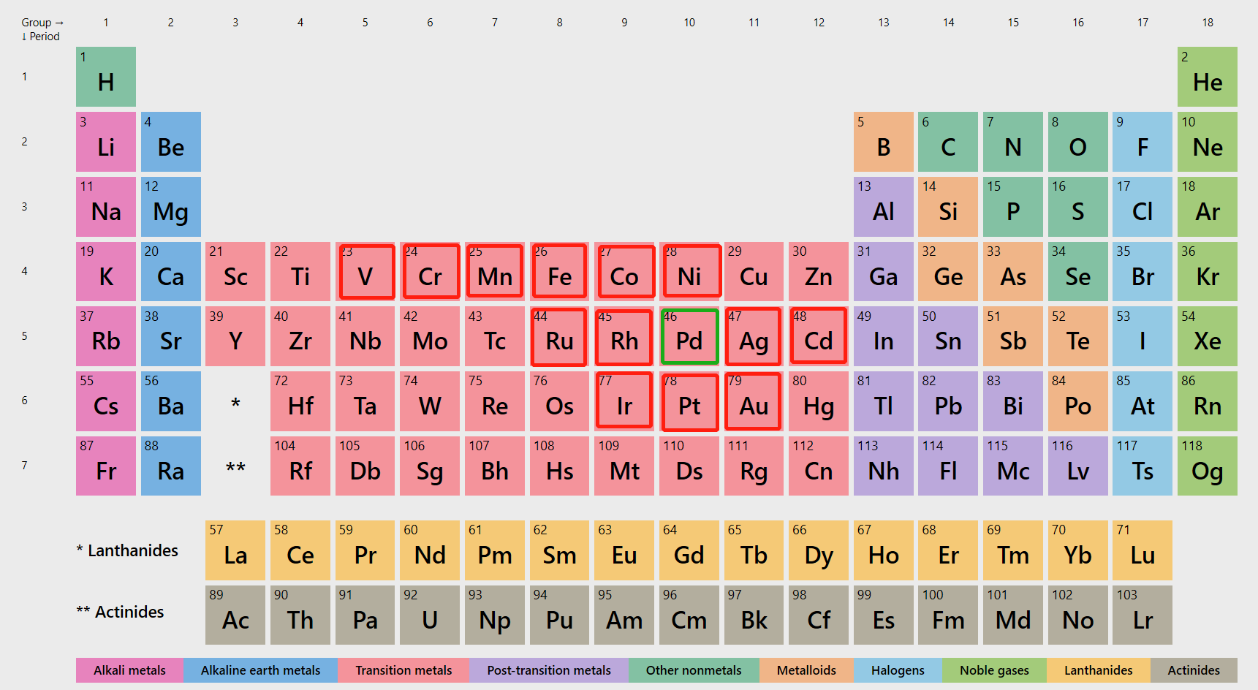
 |  |  |  |  |  |  |  |  |  |  |  | co-mn |  |  |  |  | -302.406 |  | -302.506 | -302.506 |  | 1.14543773 | 0.37543773 |  |  |  | Doping Mn | -1.904 | -2.187 | -2.16191 | -1.88186 | -1.867
 |  |  |  |  |  |  |  |  |  |  |  | co-fe |  |  |  |  | -300.798 |  | -300.898 | -300.898 |  | 1.07960719 | 0.32060719 |  |  |  | Doping Fe | -1.857 | -2.133 | -2.13439 | -1.88333 | -1.867
 |  |  |  |  |  |  |  |  |  |  |  | co-pt |  |  |  |  | -298.948 |  | -299.048 | -299.048 |  | 1.06718718 | 0.23318718 |  |  |  | Doping Pt | -1.888 | -2.05 | -2.06544 | -1.90544 | -1.889
 |  |  |  |  |  |  |  |  |  |  |  | co-ti |  |  |  |  | -302.625 |  | -302.725 | -302.725 |  | 1.18206738 | 0.41506738
 |  |  |  |  |  |  |  |  |  |  |  | co-hf |  |  |  |  | -305.356 |  | -305.456 | -305.456 |  | 1.22591015 | 0.42091015

 |  |  |  |  |  |  |  |  |  |  |  | *OH | E_pot | E_ZPE | Cv_harm | -T*S | Free energy
 |  |  |  |  |  |  |  |  |  |  |  | oh-ni |  |  |  |  | -293.257 |  |  | -293.257
 |  |  |  |  |  |  |  |  |  |  |  | oh-co |  |  |  |  | -294.566 |  |  | -294.566
 |  |  |  |  |  |  |  |  |  |  |  | oh-v |  |  |  |  | -297.288 |  |  | -297.288
 |  |  |  |  |  |  |  |  |  |  |  | oh-cr |  |  |  |  | -297.817 |  |  | -297.817
 |  |  |  |  |  |  |  |  |  |  |  | oh-mn |  |  |  |  | -297.55 |  |  | -297.55
 |  |  |  |  |  |  |  |  |  |  |  | oh-fe |  |  |  |  | -295.962 |  |  | -295.962
 |  |  |  |  |  |  |  |  |  |  |  | oh-pt |  |  |  |  | -295.775 |  |  | -295.775
 |  |  |  |  |  |  |  |  |  |  |  | oh-ti |  |  |  |  | -297.747 |  |  | -297.747
 |  |  |  |  |  |  |  |  |  |  |  | oh-hf |  |  |  |  | -300.507 |  |  | -300.507

0.81885286 | 0.21585286 | 0.123 |  | 0.81885286 | 0.96839694 | 0.97402062 | 1.15868499 | 1.12563592 | 1.14543773 | 1.07960719 | 1.06718718
0.96839694 | 0.23639694 | 0.123 |  | 0.21585286 | 0.23639694 | 0.32102062 | 0.47468499 | 0.46263592 | 0.49843773 | 0.44360719 | 0.35618718
0.97402062 | 0.32102062 | 0.123 |  | 0.123 | 0.123 | 0.123 | 0.123 | 0.123 | 0.123 | 0.123 | 0.123
1.15868499 | 0.47468499 | 0.123
1.12563592 | 0.46263592 | 0.123
1.14543773 | 0.49843773 | 0.123
1.07960719 | 0.44360719 | 0.123
1.06718718 | 0.35618718 | 0.123

activity-single
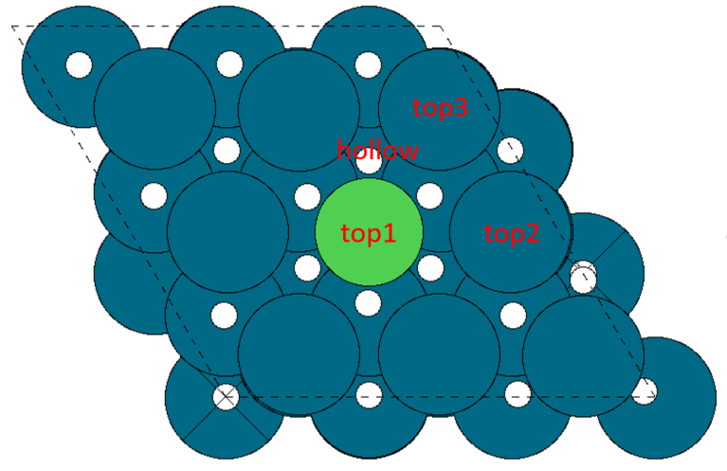
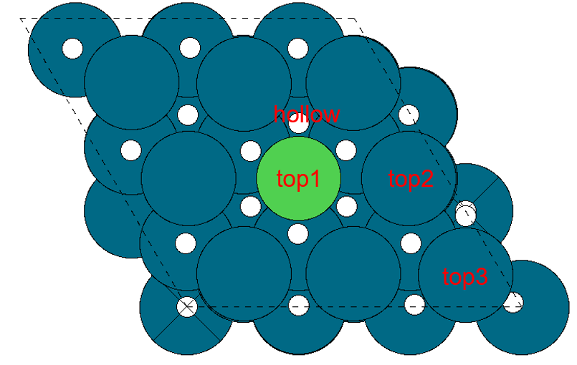
 |  | doping for single atom(near site or top side)
surface-first layer | surface E_pot | surface doping | surface E_pot |  | sites | E_pot | binding energy |  | sites | E_pot | binding energy |  | sites | E_pot | binding energy
pure-surface | -285.37085286 | ni | -285.89819541 | ni-h | top | -288.85221854 | 0.62497687 | ni-hoco | top | -307.26859193 | 0.66760348 | ni-co | top | -298.4901007 | -0.47390529
pure-ni | -285.89819541 |  | -285.89819541 |  | top2 | -288.92595981 | 0.5512356 |  | top2 | -307.36451617 | 0.57167924 |  | top2 | -298.23363248 | -0.21743707
pure-co | -287.21689541 |  | -285.89819541 |  | top3 | -288.88539601 | 0.5917994 |  | top3 | -307.29035253 | 0.64584288 |  | top3 | -298.16583629 | -0.14964088
pure-v | -290.17711977 |  | -285.89819541 |  | hollow | -289.01094862 | 0.46624679 |  | hollow(top2) | -307.35717812 | 0.57901729 |  | hollow(top) | -298.48432786 | -0.46813245
pure-cr | -290.62820994 | co | -287.21689541 | co-h | top | -290.54343656 | 0.25245885 | co-hoco | top | -308.56979408 | 0.68510133 | co-co | top | -300.18752103 | -0.85262562
pure-mn | -290.31716543 |  | -287.21689541 |  | top2 | -290.26313028 | 0.53276513 |  | top2 | -308.71384213 | 0.54105328 |  | top2 | -299.56183911 | -0.2269437
pure-fe | -288.65566431 |  | -287.21689541 |  | top3 | -290.25375497 | 0.54214044 |  | top3 | -308.67911941 | 0.575776 |  | top3 | -299.53713139 | -0.20223598
pure-pt | -286.71628072 |  | -287.21689541 |  | hollow | -290.49678959 | 0.29910582 |  | hollow(top) | -308.66990701 | 0.5849884 |  | hollow(top) | -300.22924484 | -0.89434943
 |  | v | -290.17711977 | v-h | top | -293.28598286 | 0.47013691 | v-hoco | top(??? 2bond) | -311.63452378 | 0.58059599 | v-co | top | -303.15869528 | -0.86357551
 |  |  | -290.17711977 |  | top2 | -293.01448857 | 0.7416312 |  | top2 | -311.4447752 | 0.77034457 |  | top2 | -302.30181227 | -0.0066925
 | E_pot |  | -290.17711977 |  | top3 | -292.93901359 | 0.81710618 |  | top3 | -311.31379663 | 0.90132314 |  | top3 | -302.36345571 | -0.06833594
H2 | -7.158 |  | -290.17711977 |  | hollow | -293.26126942 | 0.49485035 |  | hollow(top 2bond) | -311.63342246 | 0.58169731 |  | hollow(top) | -303.1556521 | -0.86053233
CO2 | -18.459 | cr | -290.62820994 | cr-h | top | -293.09935199 | 1.10785795 | cr-hoco | top | -311.16504296 | 1.50116698 | cr-co | top | -303.01439234 | -0.2681824
H2O | -12.833 |  | -290.62820994 |  | top2 | -293.5310247 | 0.67618524 |  | top2 | -311.96604471 | 0.70016523 |  | top2 | -302.86241976 | -0.11620982
CO | -12.118 |  | -290.62820994 |  | top3 | -293.39739972 | 0.80981022 |  | top3 | -310.87552735 | 1.79068259 |  | top3 | -302.84484252 | -0.09863258
 |  |  | -290.62820994 |  | hollow | -293.69985202 | 0.50735792 |  | hollow(top) | -311.03855423 | 1.62765571 |  | hollow(top) | -303.01220587 | -0.26599593
 |  | mn | -290.31716543 | mn-h | top | -292.40396976 | 1.49219567 | mn-hoco | top | -310.3545913 | 2.00057413 | mn-co | top | -302.53332461 | -0.09815918
 |  |  | -290.31716543 |  | top2 | -293.25780218 | 0.63836325 |  | top2 | -311.68835969 | 0.66680574 |  | top2 | -302.48837959 | -0.05321416
 |  |  | -290.31716543 |  | top3 | -293.14616015 | 0.75000528 |  | top3 | -310.37522285 | 1.97994258 |  | top3 | -302.48357229 | -0.04840686
 |  |  | -290.31716543 |  | hollow | -293.38990236 | 0.50626307 |  | hollow(top) | -310.42819891 | 1.92696652 |  | hollow(top) | -302.48922782 | -0.05406239
 |  | fe | -288.65566431 | fe-h | top | -291.78898184 | 0.44568247 | fe-hoco | top | -309.70962403 | 0.98404028 | fe-co | top | -301.66449114 | -0.89082683
 |  |  | -288.65566431 |  | top2 | -291.64264443 | 0.59201988 |  | top2 | -310.08444855 | 0.60921576 |  | top2 | -300.89259897 | -0.11893466
 |  |  | -288.65566431 |  | top3 | -291.57410811 | 0.6605562 |  | top3 | -310.00622746 | 0.68743685 |  | top3 | -300.84574513 | -0.07208082
 |  |  | -288.65566431 |  | hollow | -291.69128539 | 0.54337892 |  | hollow(top) | -309.68809945 | 1.00556486 |  | hollow(top) | -301.65397238 | -0.88030807
 |  | pt | -286.71628072 | pt-h | top | -289.96070106 | 0.33457966 | pt-hoco | top | -308.24664247 | 0.50763825 | pt-co | top | -298.95520091 | -0.12092019
 |  |  | -286.71628072 |  | top2 | -289.65141254 | 0.64386818 |  | top2 | -308.12150075 | 0.63277997 |  | top2 | -299.05008744 | -0.21580672
 |  |  | -286.71628072 |  | top3 | -289.71112281 | 0.58415791 |  | top3 | -308.13265421 | 0.62162651 |  | top3 | -299.00083203 | -0.16655131
 |  |  | -286.71628072 |  | hollow | -287.94704246 | 2.34823826 |  | hollow(top2) | -308.10961768 | 0.64466304 |  | hollow(structure distortion) | -299.24287433 | -0.40859361
 |  | ti | -290.57722063 | ti-h | top | -293.46048483 | 0.6957358 | ti-hoco | top | -312.11089492 | 0.50432571 | ti-co | top | -303.47983448 | -0.78461385
 |  |  | -290.57722063 |  | top2 | -293.38375415 | 0.77246648 |  | top2 | -311.8511681 | 0.76405253 |  | top2 | -302.89206104 | -0.19684041
 |  |  | -290.57722063 |  | top3 | -293.38882656 | 0.76739407 |  | top3 | -311.83882596 | 0.77639467 |  | top3 | -302.88602109 | -0.19080046
 |  |  | -290.57722063 |  | hollow | -293.64322195 | 0.51299868 |  | hollow(top2) | -311.85709647 | 0.75812416 |  | hollow(top) | -303.47648038 | -0.78125975
 |  | hf | -293.31298668 | hf-h | top | -296.17588329 | 0.71610339 | hf-hoco | top | -314.89960933 | 0.45137735 | hf-co | top | -306.25927633 | -0.82828965
 |  |  | -293.31298668 |  | top2 | -296.08987614 | 0.80211054 |  | top2 | -314.59551284 | 0.75547384 |  | top2 | -305.4576657 | -0.02667902
 |  |  | -293.31298668 |  | top3 | -296.0772406 | 0.81474608 |  | top3 | -314.53930287 | 0.81168381 |  | top3 | -305.57460574 | -0.14361906
 |  |  | -293.31298668 |  | hollow | -296.34191663 | 0.55007005 |  | hollow(top2) | -314.4929846 | 0.85800208 |  | hollow(top) | -306.25678993 | -0.82580325
 |  | pure | -285.37085286 | pure-h | top | -288.55165757 | 0.39819529 | pure-hoco | top | -307.00456605 | 0.40428681 | pure-co | top | -297.85060822 | -0.36175536
 |  |  | -285.37085286 |  | top2 | -288.55165757 | 0.39819529 |  | top2 | -307.00456605 | 0.40428681 |  | top2 | -297.85060822 | -0.36175536
 |  |  | -285.37085286 |  | top3 | -288.55165757 | 0.39819529 |  | top3 | -307.00456605 | 0.40428681 |  | top3 | -297.85060822 | -0.36175536
 |  |  | -285.37085286 |  | hollow | -288.60651599 | 0.34333687 |  | hollow | -306.99122992 | 0.41762294 |  | hollow | -297.64898132 | -0.16012846

 |  |  |  |  | most stable is hollow or top |  |  |  | most of them are top2 or top |  |  | most stable is top site

activity-overly
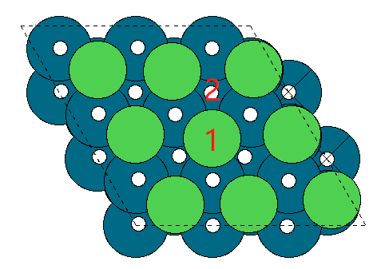
 |  | overlayer doping
surface-first layer | surface E_pot | surface doping | surface E_pot | h | sites | E_pot | binding energy | hoco | sites | E_pot | binding energy | co | sites | E_pot | binding energy | oh | sites | E_pot | binding energy
pure-surface | -285.37085286 | ni | -287.30867331 | ni-h | slab-top | -290.39653555 | 0.49113776 | ni-hoco | slab-top(little distortion) | -308.99112533 | 0.35554798 | ni-co | slab-top | -300.22154972 | -0.79487641 | ni-oh | slab-top(distortion) | -296.84252058 | -0.27984727
pure-ni | -287.30867331 |  | -287.30867331 |  | slab-hollow(structure distortion) | -291.08127482 | -0.19360151 |  | slab-hollow(distortion) | -309.4106037 | -0.06393039 |  | slab-hollow(distortion) | -300.73026143 | -1.30358812 |  | slab-hollow(distortion) | -296.93323468 | -0.37056137
pure-co | -299.8528333 | co | -299.8528333 | co-h | slab-top | -303.26434228 | 0.16749102 | co-hoco | slab-top | -321.95530832 | -0.06447502 | co-co | slab-top | -313.19590821 | -1.22507491 | co-oh | slab-top(distortion) | -309.40245291 | -0.29561961
pure-v | -329.29559011 |  | -299.8528333 |  | slab-hollow(bridge) | -301.77771293 | 1.65412037 |  | slab-hollow(top and distortion) | -320.79323995 | 1.09759335 |  | slab-hollow(little distortion) | -311.93104105 | 0.03979225 |  | slab-hollow(distortion) | -307.82181372 | 1.28501958
pure-cr | -329.44252117 | v | -329.29559011 | v-h | slab-top | -332.47271931 | 0.4018708 | v-hoco | slab-top | -351.19295174 | 0.14063837 | v-co | slab-top | -342.27971812 | -0.86612801 | v-oh | slab-top | -338.70813155 | -0.15854144
pure-mn | -325.86297696 |  | -329.29559011 |  | slab-hollow | -332.32486372 | 0.54972639 |  | slab-hollow(top) | -350.83563194 | 0.49795817 |  | slab-hollow(top) | -342.02689659 | -0.61330648 |  | slab-hollow | -338.14526733 | 0.40432278
pure-fe | -314.18466063 | cr | -329.44252117 | cr-h | slab-top | -332.45307205 | 0.56844912 | cr-hoco | slab-top | -351.16689255 | 0.31362862 | cr-co | slab-top | -342.55844175 | -0.99792058 | cr-oh | slab-top | -338.55425378 | 0.14226739
pure-pt | -293.47660595 |  | -329.44252117 |  | slab-hollow | -328.23735295 | 4.78416822 |  | slab-hollow(top) | -347.0355456 | 4.44497557 |  | slab-hollow(top) | -338.30512222 | 3.25539895 |  | slab-hollow(distortion) | -334.43330583 | 4.26321534
pure-ti | -330.03571839 | mn | -325.86297696 | mn-h | slab-top | -328.79060514 | 0.65137182 | mn-hoco | slab-top | -347.40871775 | 0.49225921 | mn-co | slab-top | -338.65634306 | -0.6753661 | mn-oh | slab-top | -334.60452519 | 0.51245177
pure-hf | -346.09720999 |  | -325.86297696 |  | slab-hollow | -319.30696166 | 10.1350153 |  | slab-hollow(top and distortion) | -338.46840418 | 9.43257278 |  | slab-hollow(little distortion) | -328.99341102 | 8.98756594 |  | slab-hollow(distortion) | -326.80814509 | 8.30883187
 |  | fe | -314.18466063 | fe-h | slab-top | -317.28484455 | 0.47881608 | fe-hoco | slab-top(little distortion) | -335.92934404 | 0.29331659 | fe-co | slab-top | -327.05430727 | -0.75164664 | fe-oh | slab-top | -322.81330377 | 0.62535686
 |  |  | -314.18466063 |  | slab-hollow | -310.38453003 | 7.3791306 |  | slab-hollow(top distortion) | -330.17427449 | 6.04838614 |  | slab-hollow(distortion) | -321.1729563 | 5.12970433 |  | slab-hollow(distortion) | -317.06139303 | 6.3772676
 | E_pot | pt | -293.47660595 | pt-h | slab-top | -297.16436965 | -0.1087637 | pt-hoco | slab-top | -315.37590589 | 0.13870006 | pt-co | slab-top(distortion) | -306.547164 | -0.95255805 | pt-oh | slab-top(little distortion) | -301.8212052 | 0.90940075
H2 | -7.158 |  | -293.47660595 |  | slab-hollow(distortion) | -297.00249836 | 0.05310759 |  | slab-hollow(distortion) | -315.42341662 | 0.09118933 |  | slab-hollow(top) | -306.55859426 | -0.96398831 |  | slab-hollow(to H2O) | -302.79716071 | -0.06655476
CO2 | -18.459 | ti | -330.03529791 | ti-h | slab-top | -332.8614658 | 0.75283211 | ti-hoco | slab-top | -351.90012761 | 0.1731703 | ti-co | slab-top | -342.86081104 | -0.70751313 | ti-oh | slab-top | -339.95063029 | -0.66133238
H2O | -12.833 |  | -330.03529791 |  | slab-hollow(H up) | -333.63477528 | -0.02047737 |  | slab-hollow(top distortion) | -351.90020885 | 0.17308906 |  | slab-hollow(top) | -342.86267792 | -0.70938001 |  | slab-hollow | -339.81810023 | -0.52880232
CO | -12.118 | hf | -346.09720999 | hf-h | slab-top(distortion) | -347.26231973 | 2.41389026 | hf-hoco | slab-top(distortion) | -371.30055123 | -3.16534124 | hf-co | slab-top | -359.12735769 | -0.9121477 | hf-oh | slab-top | -357.22949163 | -1.87828164
 |  |  | -346.09720999 |  | slab-hollow | -349.75821206 | -0.08200207 |  | slab-hollow(distortion) | -369.50812357 | -1.37291358 |  | slab-hollow(top) | -359.12604943 | -0.91083944 |  | slab-hollow | -357.17293383 | -1.82172384
 |  | pure | -285.37085286 | pure-h | top | -288.55165757 | 0.39819529 | pure-hoco | top | -307.00456605 | 0.40428681 | pure-co | top | -297.85060822 | -0.36175536 | pure-oh | slab-top | -293.14500487 | 1.47984799
 |  |  | -285.37085286 |  | hollow | -288.60651599 | 0.34333687 |  | hollow | -306.99122992 | 0.41762294 |  | hollow | -297.64898132 | -0.16012846 |  | slab-hollow | -292.59726899 | 2.02758387

 |  |  |  |  | top is stable |  |  |  | top is stable |  |  |  | top is stable |  |  |  | top is stable(most of them are distortion)

activity-island
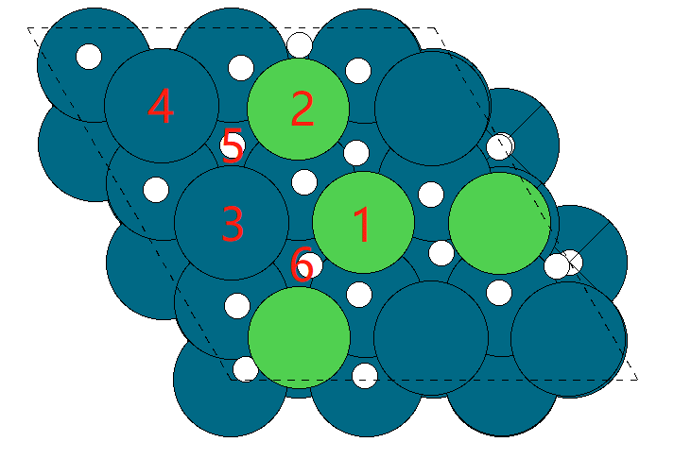
 |  | island doping
surface-island | surface E_pot | surface doping | surface E_pot | h | sites | E_pot | binding energy |  | hoco | sites | E_pot | binding energy |  | co | sites | E_pot | binding energy |  | oh | sites | E_pot | binding energy
ni-island | -286.80696795 | ni | -286.80696795 | ni-h | slab-top1 | -289.74164873 | 0.64431922 |  | ni-hoco | slab-top1 | -308.20383223 | 0.64113572 |  | ni-co | slab-top1 | -299.42886101 | -0.50389306 |  | ni-oh(CO) | slab-top1 | -294.76738208 | 1.29358587
co-island | -292.13321273 |  | -286.80696795 |  | slab-top2(to H2) | -290.63278806 | -0.24682011 |  |  | slab-top2 | -308.16222554 | 0.68274241 |  |  | slab-top2 | -299.39034181 | -0.46537386 |  |  | slab-top2 | -299.3896421 | -3.32867415
v-island | -304.33490765 |  | -286.80696795 |  | slab-top3 | -287.85679009 | 2.52917786 |  |  | slab-top3 | -308.25775519 | 0.58721276 |  |  | slab-top3 | -299.17146168 | -0.24649373 |  |  | slab-top3 | -299.17146168 | -3.11049373
cr-island | -305.56596176 |  | -286.80696795 |  | slab-top4 | -289.78378753 | 0.60218042 |  |  | slab-top4 | -308.2372681 | 0.60769985 |  |  | slab-top4 | -299.20473807 | -0.27977012 |  |  | slab-top4 | -299.20473807 | -3.14377012
mn-island | -303.92857921 |  | -286.80696795 |  | slab-hollow1 | -290.04347783 | 0.34249012 |  |  | slab-hollow1(top3) | -308.26284795 | 0.58212 |  |  | slab-hollow1(top2or4 bridge) | -299.5503882 | -0.62542025 |  |  | slab-hollow1 | -299.5503882 | -3.48942025
fe-island | -297.9571634 |  | -286.80696795 |  | slab-hollow2(top3) | -288.02569916 | 2.36026879 |  |  | slab-hollow2(top2) | -308.14573225 | 0.6992357 |  |  | slab-hollow2(bridge 1or 6) | -299.47598799 | -0.55102004 |  |  | slab-hollow2 | -299.4819996 | -3.42103165
pt-island | -289.80631817 | co | -292.13321273 | co-h | slab-top1(H distortion) | -295.90951896 | -0.19730623 |  | co-hoco | slab-top1(H distortion) | -314.41084266 | -0.23962993 |  | co-co | slab-top1(H distortion) | -305.60946518 | -1.35825245 |  | co-oh | slab-top1 | -301.37679622 | 0.01041651
ti-island | -305.56842169 |  | -292.13321273 |  | slab-top2(H distortion) | -295.6926422 | 0.01957053 |  |  | slab-top2(distortion) | -313.84797591 | 0.32323682 |  |  | slab-top2(H distortion) | -305.61897196 | -1.36775923 |  |  | slab-top2 | -305.618692 | -4.23147927
hf-island | -315.41948053 |  | -292.13321273 |  | slab-top3(H2 distortion) | -295.90929171 | -0.19707898 |  |  | slab-top3(hollow2) | -313.86563168 | 0.30558105 |  |  | slab-top3(top2) | -305.83944138 | -1.58822865 |  |  | slab-top3 | -305.61751424 | -4.23030151
 |  |  | -292.13321273 |  | slab-top4(H away and distortion) | -293.25384722 | 2.45836551 |  |  | slab-top4 | -313.3340617 | 0.83715103 |  |  | slab-top4 | -304.34641004 | -0.09519731 |  |  | slab-top4 | -304.34641004 | -2.95919731
 |  |  | -292.13321273 |  | slab-hollow1(H distortion) | -295.69245647 | 0.01975626 |  |  | slab-hollow1(H distortion) | -313.82816144 | 0.34305129 |  |  | slab-hollow1(top2) | -305.83828474 | -1.58707201 |  |  | slab-hollow1 | -305.6184606 | -4.23124787
 | E_pot |  | -292.13321273 |  | slab-hollow2(H away and distortion) | -293.25979268 | 2.45242005 |  |  | slab-hollow2(bridge 1or6) | -313.81567481 | 0.35553792 |  |  | slab-hollow2(top1) | -305.61357847 | -1.36236574 |  |  | slab-hollow2 | -305.61344343 | -4.2262307
H2 | -7.158 | v | -304.33490765 | v-h | slab-top1 | -307.38481301 | 0.52909464 |  | v-hoco | slab-top1 | -326.25769368 | 0.11521397 |  | v-co | slab-top1 | -317.34994314 | -0.89703549 |  | v-oh | slab-top1 | -313.59691712 | -0.00800947
CO2 | -18.459 |  | -304.33490765 |  | slab-top2(to H2) | -307.32132105 | 0.5925866 |  |  | slab-top2 | -325.55131019 | 0.82159746 |  |  | slab-top2 | -316.80012819 | -0.34722054 |  |  | slab-top2 | -316.80012819 | -3.21122054
H2O | -12.833 |  | -304.33490765 |  | slab-top3 | -307.09680982 | 0.81709783 |  |  | slab-top3 | -325.54323429 | 0.82967336 |  |  | slab-top3(top1 and H distortion) | -317.14599481 | -0.69308716 |  |  | slab-top3 | -317.14599481 | -3.55708716
CO | -12.118 |  | -304.33490765 |  | slab-top4 | -307.02493599 | 0.88897166 |  |  | slab-top4 | -324.68432456 | 1.68858309 |  |  | slab-top4(CO away) | -316.52804365 | -0.075136 |  |  | slab-top4 | -315.82786727 | -2.23895962
 |  |  | -304.33490765 |  | slab-hollow1(H away) | -305.56058095 | 2.3533267 |  |  | slab-hollow1(top2 and H distortion) | -326.27640751 | 0.09650014 |  |  | slab-hollow1(top2) | -316.81355608 | -0.36064843 |  |  | slab-hollow1 | -317.46465225 | -3.8757446
 |  |  | -304.33490765 |  | slab-hollow2(H distortion) | -307.51402648 | 0.39988117 |  |  | slab-hollow2(bridge 1or6) | -325.97439726 | 0.39851039 |  |  | slab-hollow2(top1) | -317.35437411 | -0.90146646 |  |  | slab-hollow2 | -316.79778888 | -3.20888123
 |  | cr | -305.56596176 | cr-h | slab-top1 | -308.45261831 | 0.69234345 |  | cr-hoco | slab-top1 | -327.07255076 | 0.531411 |  | cr-co | slab-top1 | -318.15247326 | -0.4685115 |  | cr-oh | slab-top1 | -314.52871708 | 0.29124468
 |  |  | -305.56596176 |  | slab-top2(to H2) | -305.73855061 | 3.40641115 |  |  | slab-top2(Cr distortion) | -323.95306715 | 3.65089461 |  |  | slab-top2 | -315.43494498 | 2.24901678 |  |  | slab-top2 | -315.43549536 | -0.6155336
 |  |  | -305.56596176 |  | slab-top3 | -308.29873046 | 0.8462313 |  |  | slab-top3 | -326.7461348 | 0.85782696 |  |  | slab-top3(CO away) | -317.79545889 | -0.11149713 |  |  | slab-top3 | -314.12865857 | 0.69130319
/home/energy/changai/PdH/triangle/test/island/Ti/top3/CO
 |  |  | -305.56596176 |  | slab-top4 | -308.33478257 | 0.81017919 |  |  | slab-top4 | -326.73295239 | 0.87100937 |  |  | slab-top4 | -317.63016917 | 0.05379259 |  |  | slab-top4 | -317.62909779 | -2.80913603
 |  |  | -305.56596176 |  | slab-hollow1(H away) | -306.74363864 | 2.40132312 |  |  | slab-hollow1(top2) | -326.76027798 | 0.84368378 |  |  | slab-hollow1(top2) | -318.16242116 | -0.4784594 |  |  | slab-hollow1 | -315.43520852 | -0.61524676
 |  |  | -305.56596176 |  | slab-hollow2(to H2) | -305.53670979 | 3.60825197 |  |  | slab-hollow2(top2 and Cr distortion) | -323.37034584 | 4.23361592 |  |  | slab-hollow2(top1) | -318.1484774 | -0.46451564 |  |  | slab-hollow2 | -315.44825121 | -0.62828945
 |  | mn | -303.92857921 | mn-h | slab-top1 | -306.95751592 | 0.55006329 |  | mn-hoco | slab-top1 | -325.38462436 | 0.58195485 |  | mn-co | slab-top1 | -316.92608612 | -0.87950691 |  | mn-oh | slab-top1 | -312.71614488 | 0.46643433
 |  |  | -303.92857921 |  | slab-top2(to H2) | -302.51222161 | 4.9953576 |  |  | slab-top2(distortion) | -320.72712656 | 5.23945265 |  |  | slab-top2 | -312.27936207 | 3.76721714 | 4.64672405 |  | slab-top2 | -312.279107 | 0.90347221
 |  |  | -303.92857921 |  | slab-top3 | -306.69835295 | 0.80922626 |  |  | slab-top3 | -325.15096038 | 0.81561883 |  |  | slab-top3 | -315.99991042 | 0.04666879 |  |  | slab-top3 | -312.34109773 | 0.84148148
 |  |  | -303.92857921 |  | slab-top4 | -306.73582621 | 0.771753 |  |  | slab-top4 | -325.12937932 | 0.83719989 |  |  | slab-top4 | -315.99259685 | 0.05398236 |  |  | slab-top4 | -312.7909728 | 0.39160641
 |  |  | -303.92857921 |  | slab-hollow1(to H2) | -307.61317192 | -0.10559271 |  |  | slab-hollow1(top2 and distortion) | -320.70651534 | 5.26006387 |  |  | slab-hollow1(top2) | -316.19371042 | -0.14713121 |  |  | slab-hollow1 | -312.72271248 | 0.45986673
 |  |  | -303.92857921 |  | slab-hollow2(H distortion) | -302.54669645 | 4.96088276 |  |  | slab-hollow2(top2) | -325.0628405 | 0.90373871 |  |  | slab-hollow2(top1) | -316.93132621 | -0.884747 |  |  | slab-hollow2 | -312.74771132 | 0.43486789
 |  | fe | -297.9571634 | fe-h | slab-top1 | -301.20407375 | 0.33208965 |  | fe-hoco | slab-top1 | -319.36593898 | 0.62922442 |  | fe-co | slab-top1 | -310.92077609 | -0.84561269 |  | fe-oh | slab-top1 | -306.48287518 | 0.72828822
 |  |  | -297.9571634 |  | slab-top2(to H2) | -299.26060044 | 2.27556296 |  |  | slab-top2 | -317.00918351 | 2.98597989 | 2.35675547 |  | slab-top2 | -309.02075339 | 1.05441001 |  |  | slab-top2 | -309.02054083 | -1.80937743
 |  |  | -297.9571634 |  | slab-top3 | -300.83292109 | 0.70324231 |  |  | slab-top3 | -319.29314762 | 0.70201578 |  |  | slab-top3 | -310.10523362 | -0.03007022 |  |  | slab-top3 | -310.09998343 | -2.88882003
 |  |  | -297.9571634 |  | slab-top4 | -300.83960446 | 0.69655894 |  |  | slab-top4 | -319.25783329 | 0.73733011 |  |  | slab-top4 | -310.13205303 | -0.05688963 |  |  | slab-top4 | -310.13169172 | -2.92052832
 |  |  | -297.9571634 |  | slab-hollow1(H distortion) | -298.8512277 | 2.6849357 |  |  | slab-hollow1(top2 and H distortion) | -317.47832145 | 2.51684195 |  |  | slab-hollow1(top2) | -310.95079813 | -0.87563473 |  |  | slab-hollow1 | -310.95139225 | -3.74022885
 |  |  | -297.9571634 |  | slab-hollow2(top3) | -300.83361921 | 0.70254419 |  |  | slab-hollow2(top2) | -319.1587018 | 0.8364616 |  |  | slab-hollow2(top2) | -310.96525364 | -0.89009024 |  |  | slab-hollow2 | -310.96530347 | -3.75414007
 |  | pt | -289.80631817 | pt-h | slab-top1 | -293.0968437 | 0.28847447 |  | pt-hoco | slab-top1 | -311.39902209 | 0.44529608 |  | pt-co | slab-top1(H distortion) | -302.19258269 | -0.26826452 |  | pt-oh | slab-top1 | -299.16988266 | -0.10956449
 |  |  | -289.80631817 |  | slab-top2 | -293.03735722 | 0.34796095 |  |  | slab-top2 | -311.35540349 | 0.48891468 |  |  | slab-top2 | -302.439526 | -0.51520783 |  |  | slab-top2 | -302.43844839 | -3.37813022
 |  |  | -289.80631817 |  | slab-top3 | -292.55937314 | 0.82594503 |  |  | slab-top3 | -311.00443301 | 0.83988516 |  |  | slab-top3 | -302.1558023 | -0.23148413 |  |  | slab-top3 | -302.15657583 | -3.09625766
 |  |  | -289.80631817 |  | slab-top4 | -292.57387096 | 0.81144721 |  |  | slab-top4 | -311.04504271 | 0.79927546 |  |  | slab-top4 | -302.20070791 | -0.27638974 |  |  | slab-top4 | -302.19688572 | -3.13656755
 |  |  | -289.80631817 |  | slab-hollow1(H away and bridge) | -290.54467355 | 2.84064462 |  |  | slab-hollow1(top2) | -311.40501231 | 0.43930586 |  |  | slab-hollow1(H distortion) | -302.49176643 | -0.56744826 |  |  | slab-hollow1 | -302.49135318 | -3.43103501
 |  |  | -289.80631817 |  | slab-hollow2(little H distortion) | -293.01653297 | 0.3687852 |  |  | slab-hollow2(top1) | -311.39860359 | 0.44571458 |  |  | slab-hollow2(bridge 1or 3) | -302.30623062 | -0.38191245 |  |  | slab-hollow2 | -302.30613625 | -3.24581808
 |  | ti | -305.56842169 | ti-h | slab-top1 | -308.47787208 | 0.66954961 |  | ti-hoco | slab-top1 | -327.39588263 | 0.21053906 |  | ti-co | slab-top1 | -318.45620819 | -0.7697865 |  | ti-oh | slab-top1 | -315.54292903 | -0.72050734
 |  |  | -305.56842169 |  | slab-top2 | -308.54647022 | 0.60095147 |  |  | slab-top2 | -327.17715464 | 0.42926705 |  |  | slab-top2 | -318.41573799 | -0.7293163 |  |  | slab-top2 | -318.41523559 | -3.5928139
 |  |  | -305.56842169 |  | slab-top3(H distortion) | -309.03752577 | 0.10989592 |  |  | slab-top3 | -326.67634552 | 0.93007617 |  |  | slab-top3(away) | -317.79959025 | -0.11316856 |  |  | slab-top3 | -317.79920163 | -2.97677994
 |  |  | -305.56842169 |  | slab-top4 | -308.22724453 | 0.92017716 |  |  | slab-top4 | -326.57536929 | 1.0310524 |  |  | slab-top4(away) | -317.80985321 | -0.12343152 |  |  | slab-top4 | -317.80973134 | -2.98730965
 |  |  | -305.56842169 |  | slab-hollow1 | -308.50776134 | 0.63966035 |  |  | slab-hollow1(top2) | -327.35304964 | 0.25337205 |  |  | slab-hollow1(top2) | -318.42002316 | -0.73360147 |  |  | slab-hollow1 | -318.41988084 | -3.59745915
 |  |  | -305.56842169 |  | slab-hollow2(top1) | -308.49199227 | 0.65542942 |  |  | slab-hollow2(bridge 1or6) | -327.58198392 | 0.02443777 |  |  | slab-hollow2(top1) | -318.46709793 | -0.78067624 |  |  | slab-hollow2 | -318.46605693 | -3.64363524
 |  | hf | -315.41948053 | hf-h | slab-top1 | -319.31715641 | -0.31867588 |  | hf-hoco | slab-top1 | -337.34261256 | 0.11486797 |  | hf-co | slab-top1 | -328.25353076 | -0.71605023 |  | hf-oh | slab-top1 | -327.00637227 | -2.33289174
 |  |  | -315.41948053 |  | slab-top2 | -318.25206675 | 0.74641378 | 1.06508966 |  | slab-top2 | -337.74297287 | -0.28549234 |  |  | slab-top2 | -328.16014302 | -0.62266249 |  |  | slab-top2 | -328.16026229 | -3.48678176
 |  |  | -315.41948053 |  | slab-top3 | -317.85868809 | 1.13979244 |  |  | slab-top3(bridge 1or3) | -337.45126528 | 0.00621525 |  |  | slab-top3(away) | -327.65754553 | -0.120065 |  |  | slab-top3 | -327.65805582 | -2.98457529
 |  |  | -315.41948053 |  | slab-top4 | -317.9383497 | 1.06013083 |  |  | slab-top4 | -336.34548257 | 1.11199796 |  |  | slab-top4(away) | -327.64628341 | -0.10880288 |  |  | slab-top4 | -327.64663166 | -2.97315113
 |  |  | -315.41948053 |  | slab-hollow1(to H2) | -318.98756411 | 0.01091642 |  |  | slab-hollow1(top2) | -337.20454194 | 0.25293859 |  |  | slab-hollow1(top2) | -328.16065685 | -0.62317632 |  |  | slab-hollow1 | -328.16117306 | -3.48769253
 |  |  | -315.41948053 |  | slab-hollow2 | -318.80801534 | 0.19046519 |  |  | slab-hollow2(distortion) | -338.2773448 | -0.81986427 |  |  | slab-hollow2(top1) | -328.25500474 | -0.71752421 |  |  | slab-hollow2 | -328.25500107 | -3.58152054
 |  | pure | -285.37085286 | pure-h | top | -288.552 | 0.398 |  | pure-hoco | top | -307.005 | 0.404 |  | pure-co | top | -297.851 | -0.362 |  | pure-oh | slab-top | -293.14500487 | 1.47984799
 |  |  | -285.37085286 |  | hollow | -288.607 | 0.343 |  |  | hollow | -306.991 | 0.418 |  |  | hollow | -297.649 | -0.160 |  |  | slab-hollow | -292.59726899 | 2.02758387

 |  |  |  |  | top1 is stable |  |  |  |  | top1 is stable |  |  |  |  | top1 is stable

activity-paral
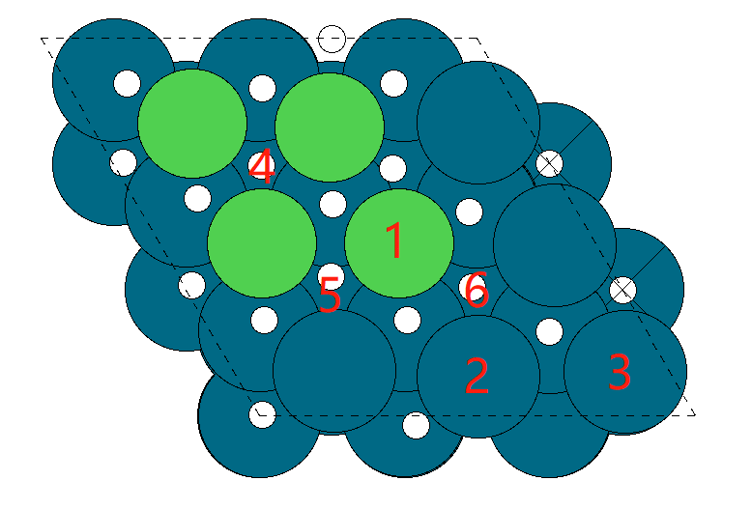
 |  | parallelogram doping
surface-island | surface E_pot | surface doping | surface E_pot | h | sites | E_pot | binding energy |  | hoco | sites | E_pot | binding energy |  | co | sites | E_pot | binding energy |  | oh | sites | E_pot | binding energy
ni-paral | -286.77292558 | ni | -286.77292558 | ni-h | slab-top1 | -289.73640441 | 0.61552117 |  | ni-hoco | slab-top1 | -308.17822589 | 0.63269969 |  | ni-co | slab-top1 | -299.43973252 | -0.54880694 |  | ni-oh | slab-top1 | -294.79702333 | 1.22990225
co-paral | -292.29262495 |  | -286.77292558 |  | slab-top2 | -289.78883242 | 0.56309316 |  |  | slab-top2 | -308.38279781 | 0.42812777 |  |  | slab-top2 | -299.31118413 | -0.42025855 |  |  | slab-top2 | -294.55621037 | 1.47071521
v-paral | -304.23203192 |  | -286.77292558 |  | slab-top3 | -289.90945211 | 0.44247347 |  |  | slab-top3 | -308.19051028 | 0.6204153 |  |  | slab-top3 | -299.25669703 | -0.36577145 |  |  | slab-top3 | -294.63906657 | 1.38785901
cr-paral | -305.329969 |  | -286.77292558 |  | slab-hollow1 | -290.1718541 | 0.18007148 |  |  | slab-hollow1(top1 left) | -308.13069023 | 0.68023535 |  |  | slab-hollow1(bridge 4or1) | -299.49474601 | -0.60382043 |  |  | slab-hollow1 | -295.37213439 | 0.65479119
mn-paral | -303.72885627 |  | -286.77292558 |  | slab-hollow2 | -288.10273818 | 2.2491874 |  |  | slab-hollow2(top2) | -308.19168447 | 0.61924111 |  |  | slab-hollow2(bridge 1or 5) | -299.50372852 | -0.61280294 |  |  | slab-hollow2(bridge1or5) | -295.16562692 | 0.86129866
fe-paral | -298.08965211 |  | -286.77292558 |  | slab-hollow3 | -290.04312283 | 0.30880275 |  |  | slab-hollow3(top2) | -308.38289127 | 0.42803431 |  |  | slab-hollow3(hollow2or3or6) | -299.50006846 | -0.60914288 |  |  | slab-hollow3(to H2O) | -296.13718119 | -0.11025561
pt-paral | -289.6232674 | co | -292.29262495 | co-h | slab-top1 | -295.58029837 | 0.29132658 |  | co-hoco | slab-top1 | -313.87070337 | 0.45992158 |  | co-co | slab-top1 | -305.41081234 | -1.00018739 |  | co-oh | slab-top1 | -300.61246149 | 0.93416346
ti-paral | -305.3234159 |  | -292.29262495 |  | slab-top2 | -295.21282905 | 0.6587959 |  |  | slab-top2 | -313.74452469 | 0.58610026 |  |  | slab-top2 | -304.70092576 | -0.29030081 | 0.70988658 |  | slab-top2 | -299.90521539 | 1.64140956
hf-paral | -315.22997624 |  | -292.29262495 |  | slab-top3 | -295.24847338 | 0.62315157 |  |  | slab-top3 | -313.69014184 | 0.64048311 |  |  | slab-top3 | -304.72706494 | -0.31643999 |  |  | slab-top3 | -299.93943367 | 1.60719128
 |  |  | -292.29262495 |  | slab-hollow1 | -295.47914974 | 0.39247521 |  |  | slab-hollow1(top1 left) | -314.05568987 | 0.27493508 |  |  | slab-hollow1(top1) | -305.46653122 | -1.05590627 |  |  | slab-hollow1 | -300.96424545 | 0.5823795
 |  |  | -292.29262495 |  | slab-hollow2 | -295.58043145 | 0.2911935 |  |  | slab-hollow2 | -313.94459418 | 0.38603077 |  |  | slab-hollow2(bridge1or5) | -305.34498505 | -0.9343601 |  |  | slab-hollow2(distortion and bridge1or5) | -301.10990005 | 0.4367249
 | E_pot |  | -292.29262495 |  | slab-hollow3 | -295.22792614 | 0.64369881 |  |  | slab-hollow3(top2) | -313.75163242 | 0.57899253 |  |  | slab-hollow3(bridge2or3or6) | -304.90382128 | -0.49319633 |  |  | slab-hollow3(bridge2or6) | -299.97266838 | 1.57395657
H2 | -7.158 | v | -304.23203192 | v-h | slab-top1 | -307.26389012 | 0.5471418 |  | v-hoco | slab-top1 | -325.96012481 | 0.30990711 |  | v-co | slab-top1 | -317.18944935 | -0.83941743 |  | v-oh | slab-top1 | -313.43956631 | 0.04646561
CO2 | -18.459 |  | -304.23203192 |  | slab-top2 | -306.78690692 | 1.024125 |  |  | slab-top2 | -325.2286034 | 1.04142852 |  |  | slab-top2 | -316.15807566 | 0.19195626 |  |  | slab-top2(distortion) | -313.19557646 | 0.29045546
H2O | -12.833 |  | -304.23203192 |  | slab-top3 | -307.08295704 | 0.72807488 |  |  | slab-top3 | -325.61071911 | 0.65931281 |  |  | slab-top3 | -316.48762189 | -0.13758997 |  |  | slab-top3 | -311.68804555 | 1.79798637
CO | -12.118 |  | -304.23203192 |  | slab-hollow1 | -307.66257313 | 0.14845879 |  |  | slab-hollow1(top1 left) | -325.97770226 | 0.29232966 |  |  | slab-hollow1(top1) | -317.2789223 | -0.92889038 |  |  | slab-hollow1 | -313.17575856 | 0.31027336
 |  |  | -304.23203192 |  | slab-hollow2 | -307.61943894 | 0.19159298 |  |  | slab-hollow2(top1) | -325.96738005 | 0.30265187 |  |  | slab-hollow2(top1) | -317.29621802 | -0.9461861 |  |  | slab-hollow2(distortion and bridge1or5) | -313.55664575 | -0.07061383
 |  |  | -304.23203192 |  | slab-hollow3 | -307.15803419 | 0.65299773 |  |  | slab-hollow3(bridge1or2) | -325.58985958 | 0.68017234 |  |  | slab-hollow3(top1) | -317.1673256 | -0.81729368 |  |  | slab-hollow3(top1) | -313.48929843 | -0.00326651
 |  | cr | -305.329969 | cr-h | slab-top1 | -308.29122113 | 0.61774787 |  | cr-hoco | slab-top1 | -326.91388603 | 0.45408297 |  | cr-co | slab-top1 | -318.01836469 | -0.57039569 |  | cr-oh | slab-top1 | -314.31552604 | 0.26844296
 |  |  | -305.329969 |  | slab-top2 | -305.69738278 | 3.21158622 |  |  | slab-top2(distortion) | -324.18882614 | 3.17914286 |  |  | slab-top2(distortion) | -315.82937906 | 1.61858994 |  |  | slab-top2(distortion) | -311.23491131 | 3.34905769
 |  |  | -305.329969 |  | slab-top3 | -308.25967826 | 0.64929074 |  |  | slab-top3 | -326.69053893 | 0.67743007 |  |  | slab-top3 | -317.72135825 | -0.27338925 |  |  | slab-top3 | -312.88252842 | 1.70144058
 |  |  | -305.329969 |  | slab-hollow1 | -308.64786534 | 0.26110366 |  |  | slab-hollow1(top1 left) | -326.92552851 | 0.44244049 |  |  | slab-hollow1(top1) | -318.04925302 | -0.60128402 |  |  | slab-hollow1(distortion and bridge1or4or5) | -312.17631238 | 2.40765662
 |  |  | -305.329969 |  | slab-hollow2 | -308.1996838 | 0.7092852 |  |  | slab-hollow2(top1) | -326.86233351 | 0.50563549 |  |  | slab-hollow2(top1) | -318.00832458 | -0.56035558 |  |  | slab-hollow2(distortion bridge1or5) | -312.20680766 | 2.37716134
 |  |  | -305.329969 |  | slab-hollow3 | -308.53500302 | 0.37396598 |  |  | slab-hollow3(bridge1or2) | -324.77394513 | 2.59402387 |  |  | slab-hollow3(top1) | -316.26348771 | 1.18448129 |  |  | slab-hollow3(distortion top1) | -312.51527584 | 2.06869316
 |  | mn | -303.72885627 | mn-h | slab-top1 | -306.52054765 | 0.78730862 |  | mn-hoco | slab-top1 | -324.80774844 | 0.95910783 |  | mn-co | slab-top1 | -315.96447407 | -0.1176178 |  | mn-oh | slab-top1 | -312.51461039 | 0.46824588
 |  |  | -303.72885627 |  | slab-top2 | -302.44173813 | 4.86611814 | 4.07880952 |  | slab-top2 | -320.95174486 | 4.81511141 | 3.85600358 |  | slab-top2(distortion) | -311.94913682 | 3.89771945 |  |  | slab-top2(distortion) | -307.74233101 | 5.24052526
 |  |  | -303.72885627 |  | slab-top3 | -306.51085931 | 0.79699696 |  |  | slab-top3 | -324.98345502 | 0.78340125 |  |  | slab-top3(away) | -315.96134226 | -0.11448599 |  |  | slab-top3(distortion) | -307.1984304 | 5.78442587
 |  |  | -303.72885627 |  | slab-hollow1 | -304.94935155 | 2.35850472 |  |  | slab-hollow1(top1 left) | -324.97283824 | 0.79401803 |  |  | slab-hollow1(top1) | -316.57384582 | -0.72698955 |  |  | slab-hollow1 | -312.8349073 | 0.14794897
 |  |  | -303.72885627 |  | slab-hollow2 | -304.95056692 | 2.35728935 |  |  | slab-hollow2(top1) | -324.73069765 | 1.03615862 |  |  | slab-hollow2(top1) | -316.37901059 | -0.53215432 |  |  | slab-hollow2(distortion) | -309.24917166 | 3.73368461
 |  |  | -303.72885627 |  | slab-hollow3 | -303.19121801 | 4.11663826 |  |  | slab-hollow3(bridge1or2) | -320.78845461 | 4.97840166 |  |  | slab-hollow3(top1) | -313.00684253 | 2.84001374 |  |  | slab-hollow3(distortion) | -309.05578179 | 3.92707448
 |  | fe | -298.08965211 | fe-h | slab-top1 | -301.21485238 | 0.45379973 |  | fe-hoco | slab-top1 | -319.48385082 | 0.64380129 |  | fe-co | slab-top1 | -311.03454003 | -0.82688792 |  | fe-oh | slab-top1 | -306.69687553 | 0.64677658
 |  |  | -298.08965211 |  | slab-top2 | -298.92277929 | 2.74587282 |  |  | slab-top2 | -317.44365127 | 2.68400084 |  |  | slab-top2(distortion) | -308.37497349 | 1.83267862 |  |  | slab-top2(distortion) | -303.62315703 | 3.72049508
 |  |  | -298.08965211 |  | slab-top3 | -300.9414229 | 0.72722921 |  |  | slab-top3 | -319.37301633 | 0.75463578 |  |  | slab-top3 | -310.37148552 | -0.16383341 |  |  | slab-top3(little distortion) | -305.5979541 | 1.74569801
 |  |  | -298.08965211 |  | slab-hollow1 | -301.13680942 | 0.53184269 |  |  | slab-hollow1(top1 left) | -319.56370522 | 0.56394689 |  |  | slab-hollow1(top1) | -311.0619359 | -0.85428379 |  |  | slab-hollow1 | -306.73382934 | 0.60982277
 |  |  | -298.08965211 |  | slab-hollow2 | -300.91858495 | 0.75006716 |  |  | slab-hollow2(top1) | -319.61961319 | 0.50803892 |  |  | slab-hollow2(top1left) | -311.10576096 | -0.89810885 |  |  | slab-hollow2(distortion) | -307.98118294 | -0.63753083
 |  |  | -298.08965211 |  | slab-hollow3 | -299.27091483 | 2.39773728 |  |  | slab-hollow3(distortion 1or2) | -317.04040808 | 3.08724403 |  |  | slab-hollow3(hollow2or3or6) | -310.64112139 | -0.43346928 |  |  | slab-hollow3(distortion) | -304.48161965 | 2.86203246
 |  | pt | -289.6232674 | pt-h | slab-top1 | -292.97012605 | 0.23214135 |  | pt-hoco | slab-top1 | -311.27137426 | 0.38989314 |  | pt-co | slab-top1 | -302.07091259 | -0.32964519 |  | pt-oh | slab-top1 | -297.26840719 | 1.60886021
 |  |  | -289.6232674 |  | slab-top2 | -292.48451868 | 0.71774872 |  |  | slab-top2 | -310.93950648 | 0.72176092 |  |  | slab-top2 | -301.93419257 | -0.19292517 |  |  | slab-top2(to H2) | -299.01051631 | -0.13324891
 |  |  | -289.6232674 |  | slab-top3 | -289.83992457 | 3.36234283 |  |  | slab-top3 | -310.86924752 | 0.79201988 |  |  | slab-top3 | -301.99964258 | -0.25837518 |  |  | slab-top3(H distortion) | -299.16083815 | -0.28357075
 |  |  | -289.6232674 |  | slab-hollow1 | -290.85315787 | 2.34910953 |  |  | slab-hollow1(top1 top) | -311.19158618 | 0.46968122 |  |  | slab-hollow1(bridge4or1) | -302.28221164 | -0.54094424 |  |  | slab-hollow1(distortion) | -297.43709178 | 1.44017562
 |  |  | -289.6232674 |  | slab-hollow2 | -293.02030557 | 0.18196183 |  |  | slab-hollow2(top1) | -311.25509656 | 0.40617084 |  |  | slab-hollow2(bridge1or5) | -302.38272555 | -0.64145815 |  |  | slab-hollow2(distortion) | -297.38852871 | 1.48873869
 |  |  | -289.6232674 |  | slab-hollow3 | -290.85221946 | 2.35004794 |  |  | slab-hollow3(top1 right) | -310.92587457 | 0.73539283 |  |  | slab-hollow3(bridge1or2 and H distortion) | -302.45794145 | -0.71667405 |  |  | slab-hollow3(H distortion) | -297.31679398 | 1.56047342
 |  | ti | -305.3234159 | ti-h | slab-top1 | -308.2588785 | 0.6435374 |  | ti-hoco | slab-top1 | -327.27514357 | 0.08627233 |  | ti-co | slab-top1 | -318.12812127 | -0.68670537 |  | ti-oh | slab-top1 | -315.1427059 | -0.56529
 |  |  | -305.3234159 |  | slab-top2 | -308.04123972 | 0.86117618 |  |  | slab-top2 | -326.47734392 | 0.88407198 |  |  | slab-top2(away) | -317.55791868 | -0.11650278 |  |  | slab-top2 | -312.738948 | 1.8384679
 |  |  | -305.3234159 |  | slab-top3 | -307.99576666 | 0.90664924 |  |  | slab-top3 | -326.54103929 | 0.82037661 |  |  | slab-top3(away) | -317.55551323 | -0.11409733 |  |  | slab-top3(top1) | -315.14311195 | -0.56569605
 |  |  | -305.3234159 |  | slab-hollow1 | -308.59023438 | 0.31218152 |  |  | slab-hollow1(top1) | -326.90946624 | 0.45194966 |  |  | slab-hollow1(top1 left) | -318.13646334 | -0.69504744 |  |  | slab-hollow1 | -314.58823836 | -0.01082246
 |  |  | -305.3234159 |  | slab-hollow2 | -308.59575574 | 0.30666016 |  |  | slab-hollow2(top1 left) | -327.11087363 | 0.25054227 |  |  | slab-hollow2(top1) | -318.12803776 | -0.68662186 |  |  | slab-hollow2(bridge1or5) | -315.01843256 | -0.44101666
 |  |  | -305.3234159 |  | slab-hollow3 | -306.47319014 | 2.42922576 |  |  | slab-hollow3(bridge1or2) | -326.83511697 | 0.52629893 |  |  | slab-hollow3(top1) | -318.13489751 | -0.69348161 |  |  | slab-hollow3(top1) | -315.14379356 | -0.56637766
 |  | hf | -315.22997624 | hf-h | slab-top1 | -318.22536786 | 0.58360838 |  | hf-hoco | slab-top1 | -337.45756423 | -0.18958799 |  | hf-co | slab-top1 | -328.10981647 | -0.76184023 |  | hf-oh | slab-top1(distortion) | -325.70012681 | -1.21615057
 |  |  | -315.22997624 |  | slab-top2 | -317.98736488 | 0.82161136 |  |  | slab-top2 | -336.39537163 | 0.87260461 |  |  | slab-top2(away) | -327.56218043 | -0.21420419 |  |  | slab-top2(to H2O) | -325.06483197 | -0.58085573
 |  |  | -315.22997624 |  | slab-top3 | -318.59206997 | 0.21690627 |  |  | slab-top3 | -336.43631405 | 0.83166219 |  |  | slab-top3(away) | -327.56794142 | -0.21996518 |  |  | slab-top3(distortion) | -323.31655029 | 1.16742595
 |  |  | -315.22997624 |  | slab-hollow1 | -318.30364375 | 0.50533249 |  |  | slab-hollow1(top1 top) | -337.08596745 | 0.18200879 |  |  | slab-hollow1(top1 top) | -328.01283949 | -0.66486325 |  |  | slab-hollow1 | -324.9410234 | -0.45704716
 |  |  | -315.22997624 |  | slab-hollow2 | -318.38232738 | 0.42664886 |  |  | slab-hollow2(top1 left) | -336.971682 | 0.29629424 |  |  | slab-hollow2(top1) | -328.12827716 | -0.78030092 |  |  | slab-hollow2(bridge1or5 and distortion) | -325.06978177 | -0.58580553
 |  |  | -315.22997624 |  | slab-hollow3 | -318.22333611 | 0.58564013 |  |  | slab-hollow3(top1) | -337.30356248 | -0.03558624 |  |  | slab-hollow3(top1) | -328.06841072 | -0.72043448 |  |  | slab-hollow3(top1 and distortion) | -325.73001911 | -1.24604287
 |  | pure | -285.37085286 | pure-h | top | -288.552 | 0.398 |  | pure-hoco | top | -307.005 | 0.404 |  | pure-co | top | -297.851 | -0.362 |  | pure-oh | slab-top | -293.14500487 | 1.47984799
 |  |  | -285.37085286 |  | hollow | -288.607 | 0.343 |  |  | hollow | -306.991 | 0.418 |  |  | hollow | -297.649 | -0.160 |  |  | slab-hollow | -292.59726899 | 2.02758387

 |  |  |  |  |  |  |  |  |  | top1 or left is stable |  |  |  |  | top1 or left is stable |  |  |  |  | top1 or hollow1

near-new
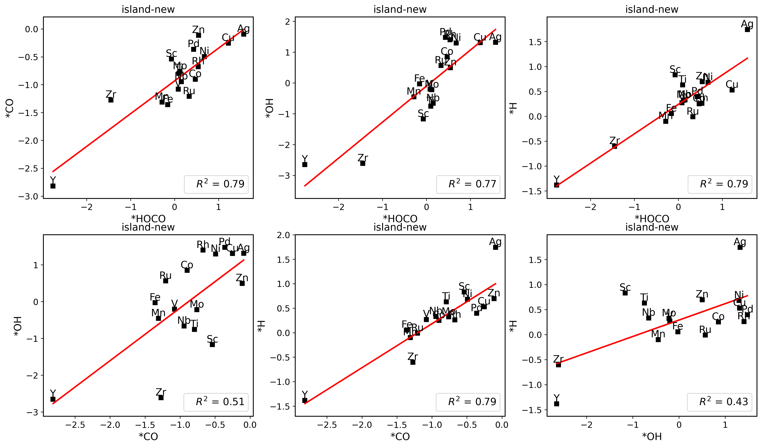
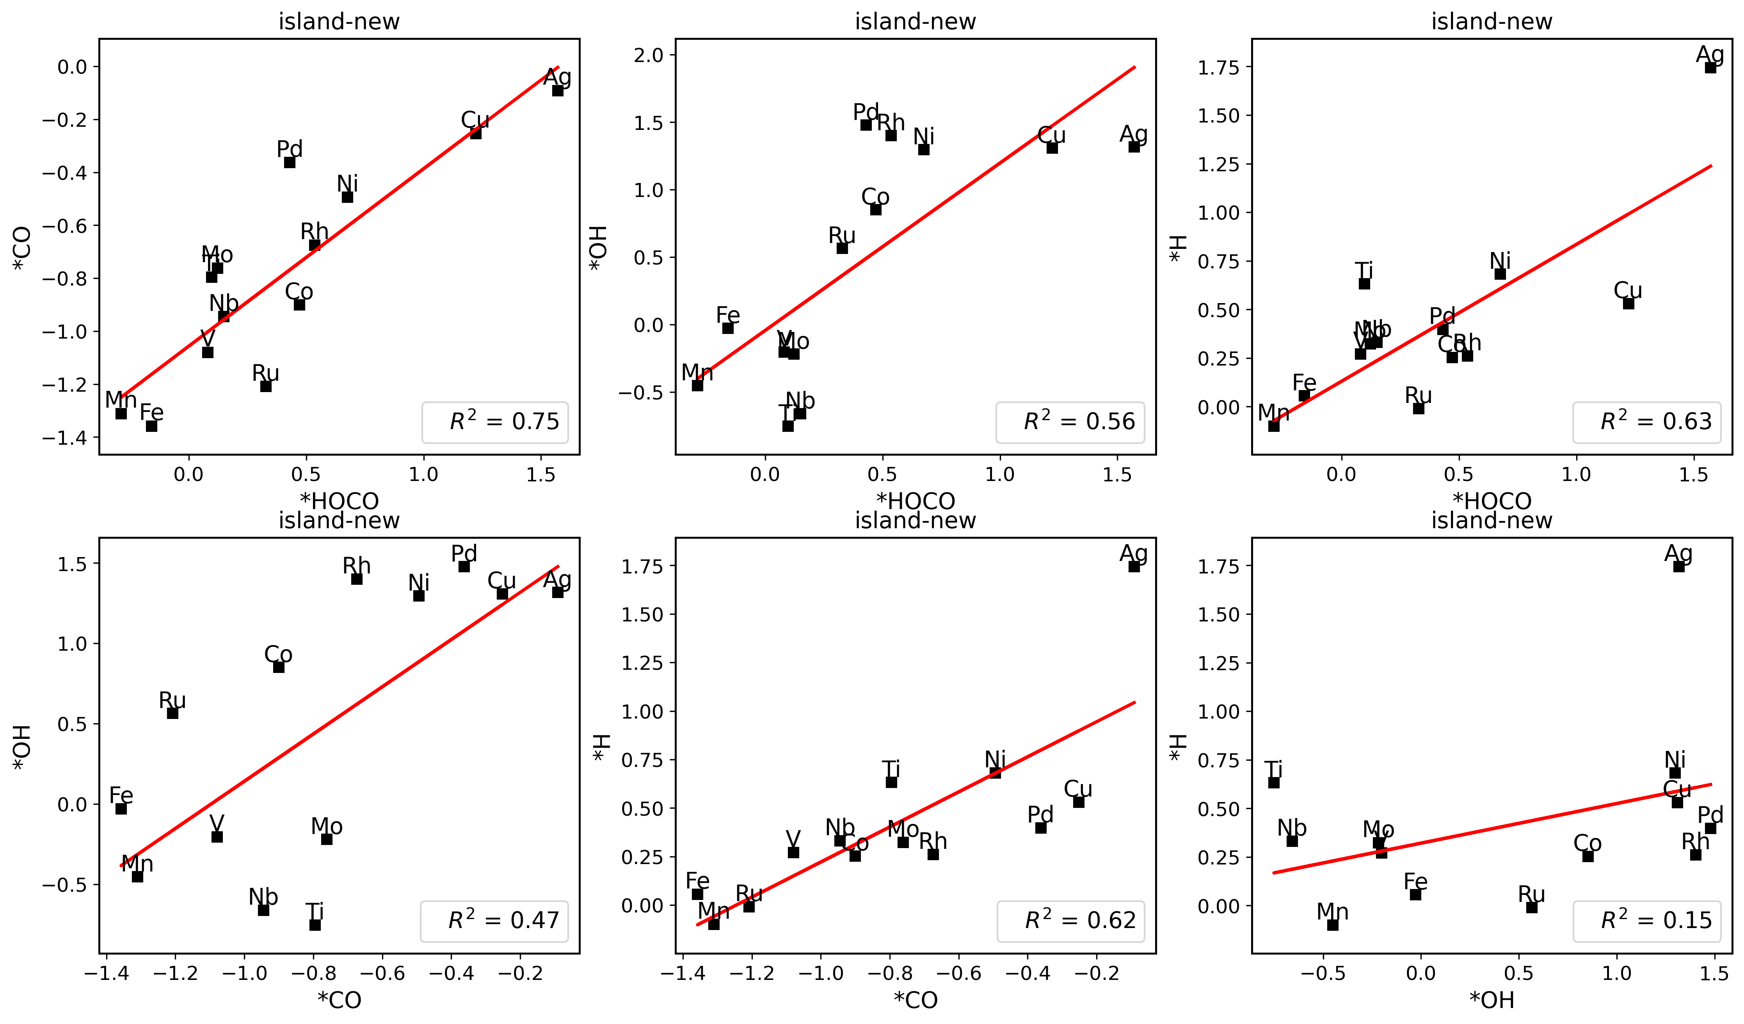
 |  |  |  |  |  |  |  | binding energy |  |  |  | Corrected free energy |  |  | Free energy diagram (four steps)
 | surface | *HOCO | *CO | *H | *OH |  | E_pot | *HOCO | *CO | *H | *OH | G(*HOCO) | G(*CO) |  | * + CO2 | *HOCO | *CO | * + CO |  | ΔG(HOCO*) | ΔG(CO*) | ΔG(H*) | ΔG(OH*) | ΔG(HOCO*)-ΔG(H*)
Pd | -285.37088277 | -306.97920599 | -297.85147833 | -288.55203122 | -293.14565368 | H2 | -7.158 | 0.42967678 | -0.36259556 | 0.39785155 | 1.47922909 | -306.493 | -297.841 |  | 0 | 0.84367678 | 0.216 | 0.123 | Pd | 0.844 | 0.216 | 0.556 | 1.812 | 0.288
Sc | -289.72878039 | -310.94645362 | -301.80689168 | -292.52977947 | -297.24018112 | CO2 | -18.459 | 0.82032677 | 0.03988871 | 0.77800092 | 1.74259927 | -310.460 | -301.797 |  | 0 | 1.23432677 | 0.619 | 0.123 | Sc | 1.234 | 0.619 | 0.936 | 2.076 | 0.298
Ti | -290.57799397 | -311.84679146 | -302.71613323 | -293.43402985 | -298.11586379 | H2O | -12.833 | 0.76920251 | -0.02013926 | 0.72296412 | 1.71613018 | -311.361 | -302.706 |  | 0 | 1.18320251 | 0.559 | 0.123 | Ti | 1.183 | 0.559 | 0.881 | 2.049 | 0.302
V | -290.01891615 | -311.30846394 | -302.31293207 | -292.91376056 | -297.48614645 | CO | -12.118 | 0.74845221 | -0.17601592 | 0.68415559 | 1.7867697 | -310.822 | -302.303 |  | 0 | 1.16245221 | 0.403 | 0.123 | V | 1.162 | 0.403 | 0.842 | 2.120 | 0.320
Mn | -288.80649881 | -310.23755596 | -301.16627189 | -291.80330759 | -297.21557665 |  |  | 0.60694285 | -0.24177308 | 0.58219122 | 0.84492216 | -309.752 | -301.156 |  | 0 | 1.02094285 | 0.337 | 0.123 | Mn | 1.021 | 0.337 | 0.740 | 1.178 | 0.281
Fe | -288.08652043 | -309.54353398 | -301.53232579 | -291.11774306 | -296.50818416 |  |  | 0.58098645 | -1.32780536 | 0.54777737 | 0.83233627 | -309.058 | -301.522 |  | 0 | 0.99498645 | -0.749 | 0.123 | Fe | 0.995 | -0.749 | 0.706 | 1.165 | 0.289
Co | -287.21730401 | -308.67793078 | -299.58837609 | -290.26485644 | -295.14196083 |  |  | 0.57737323 | -0.25307208 | 0.53144757 | 1.32934318 | -308.192 | -299.578 |  | 0 | 0.99137323 | 0.326 | 0.123 | Co | 0.991 | 0.326 | 0.689 | 1.662 | 0.302
Ni | -285.89713876 | -307.36919023 | -298.26936704 | -288.94556853 | -293.54883005 |  |  | 0.56594853 | -0.25422828 | 0.53057023 | 1.60230871 | -306.883 | -298.259 |  | 0 | 0.97994853 | 0.325 | 0.123 | Ni | 0.980 | 0.325 | 0.689 | 1.935 | 0.291
Cu | -284.05846545 | -305.45087349 | -296.31079742 | -287.06213088 | -291.64642712 |  |  | 0.64559196 | -0.13433197 | 0.57533457 | 1.66603833 | -304.965 | -296.301 |  | 0 | 1.05959196 | 0.445 | 0.123 | Cu | 1.060 | 0.445 | 0.733 | 1.999 | 0.326
Zn | -281.80555425 | -303.15249658 | -294.03713853 | -284.77380281 | -289.77057455 |  |  | 0.69105767 | -0.11358428 | 0.61075144 | 1.2889797 | -302.666 | -294.027 |  | 0 | 1.10505767 | 0.465 | 0.123 | Zn | 1.105 | 0.465 | 0.769 | 1.622 | 0.336
Y | -290.40178453 | -311.60409981 | -302.70202631 | -293.20155218 | -300.45672643 |  |  | 0.83568472 | -0.18224178 | 0.77923235 | -0.8009419 | -311.118 | -302.692 |  | 0 | 1.24968472 | 0.397 | 0.123 | Y | 1.250 | 0.397 | 0.937 | -0.468 | 0.312
Zr | -291.25272655 | -312.4803165 | -303.39078297 | -294.04356602 | -301.35750301 |  |  | 0.81041005 | -0.02005642 | 0.78816053 | -0.85077646 | -311.994 | -303.381 |  | 0 | 1.22441005 | 0.559 | 0.123 | Zr | 1.224 | 0.559 | 0.946 | -0.518 | 0.278
Nb | -291.10284324 | -312.30969336 | -303.44110721 | -294.82247805 | -298.53994584 |  |  | 0.83114988 | -0.22026397 | -0.14063481 | 1.8168974 | -311.824 | -303.431 |  | 0 | 1.24514988 | 0.359 | 0.123 | Nb | 1.245 | 0.359 | 0.017 | 2.150 | 1.228
Mo | -290.87906548 | -312.10297495 | -303.19185815 | -293.72608689 | -298.48950259 |  |  | 0.81409053 | -0.19479267 | 0.73197859 | 1.64356289 | -311.617 | -303.182 |  | 0 | 1.22809053 | 0.384 | 0.123 | Mo | 1.228 | 0.384 | 0.890 | 1.977 | 0.338
Ru | -289.12630478 | -310.49549518 | -302.50935192 | -292.09711909 | -297.61359565 |  |  | 0.6688096 | -1.26504714 | 0.60818569 | 0.76670913 | -310.009 | -302.499 |  | 0 | 1.0828096 | -0.686 | 0.123 | Ru | 1.083 | -0.686 | 0.766 | 1.100 | 0.317
Rh | -287.85565304 | -309.23520615 | -300.17442376 | -290.79423321 | -295.39384224 |  |  | 0.65844689 | -0.20077072 | 0.64041983 | 1.7158108 | -308.749 | -300.164 |  | 0 | 1.07244689 | 0.378 | 0.123 | Rh | 1.072 | 0.378 | 0.798 | 2.049 | 0.274
Ag | -282.91044781 | -304.27268715 | -295.12494998 | -285.88606149 | -290.49107336 |  |  | 0.67576066 | -0.09650217 | 0.60338632 | 1.67337445 | -303.787 | -295.115 |  | 0 | 1.08976066 | 0.482 | 0.123 | Ag | 1.090 | 0.482 | 0.761 | 2.006 | 0.328

 |  |  |  |  |  |  |  |  |  |  |  | T = 298.15 K and P(H2O) = 3534.0 Pa, P(CO) = 5562.0 Pa, P(CO2) = 101325.0 Pa, P(H2) = 101325.0 Pa
 |  |  |  |  |  |  |  |  |  |  |  |  | E_pot | E_ZPE | C_Ideal_gas | -T*S | Free energy | Overbinding correction | Solvent correction | Corr. free energy
 |  |  |  |  |  |  |  |  |  |  |  | H2 | -7.158 | 0.274 | 0.091 | -0.402 | -7.196 | 0.1 |  | -7.096
 |  |  |  |  |  |  |  |  |  |  |  | CO2 | -18.459 | 0.306 | 0.099 | -0.662 | -18.718 | 0.3 |  | -18.418
 |  |  |  |  |  |  |  |  |  |  |  | H2O | -12.833 | 0.572 | 0.104 | -0.669 | -12.827 |  |  | -12.827
 |  |  |  |  |  |  |  |  |  |  |  | CO | -12.118 | 0.132 | 0.091 | -0.668 | -12.564 |  |  | -12.564

 |  |  |  |  |  |  |  |  |  |  |  | suface111 | E_pot | E_ZPE | Cv_harm | -T*S | Free energy | Overbinding correction | Solvent correction | Corr. free energy
 |  |  |  |  |  |  |  |  |  |  |  | * | - | - | - | - | - |  |  | -
 |  |  |  |  |  |  |  |  |  |  |  | *H | 0.000 | 0.190 | 0.003 | -0.004 | 0.189 |  |  | 0.189
 |  |  |  |  |  |  |  |  |  |  |  | *HOCO | 0.000 | 0.657 | 0.091 | -0.162 | 0.586 | 0.150 | -0.250 | 0.486
 |  |  |  |  |  |  |  |  |  |  |  | *CO | 0.000 | 0.186 | 0.080 | -0.156 | 0.110 |  | -0.100 | 0.010
 |  |  |  |  |  |  |  |  |  |  |  | *OH | 0.000 | 0.355 | 0.056 | -0.103 | 0.308 |  |  | 0.308

 |  |  |  |  |  |  |  |  |  |  |  |  |  |  |  | del_ele = ['Zn', 'Y', 'Zr', 'Sc']

paral-new
 |  |  |  |  |  |  |  |  |  | binding energy (ΔE(x)) |  |  |  |  | Corrected free energy |  |  | Free energy diagram (four steps)
 |  | surface | *HOCO | *CO | *H | *OH |  |  | E_pot | *HOCO | *CO | *H | *OH |  | G(*HOCO) | G(*CO) |  | * + CO2 | *HOCO | *CO | * + CO |  | ΔG(HOCO*) | ΔG(CO*) | ΔG(H*) | ΔG(OH*) | ΔG(HOCO*)-ΔG(H*)
 | Pd | -285.37088277 | -306.97920599 | -297.85147833 | -288.55203122 | -293.14565368 |  | H2 | -7.158 | 0.42967678 | -0.36259556 | 0.39785155 | 1.47922909 |  | -306.493 | -297.841 |  | 0 | 0.84367678 | 0.216 | 0.123 | Pd | 0.844 | 0.216 | 0.556 | 1.812 | 0.288
 | Sc | -299.98412642 | -322.23119816 | -312.64972712 | -303.28307351 | -310.91209953 |  | CO2 | -18.459 | -0.20907174 | -0.5476007 | 0.28005291 | -1.67397311 |  | -321.745 | -312.640 |  | 0 | 0.20492826 | 0.031 | 0.123 | Sc | 0.205 | 0.031 | 0.438 | -1.341 | -0.233
 | Ti | -305.3263439 | -327.26966784 | -318.16809344 | -308.25980071 | -315.15404139 |  | H2O | -12.833 | 0.09467606 | -0.72374954 | 0.64554319 | -0.57369749 |  | -326.784 | -318.158 |  | 0 | 0.50867606 | -0.145 | 0.123 | Ti | 0.509 | -0.145 | 0.804 | -0.241 | -0.295
 | V | -303.95748456 | -325.81693391 | -316.98596671 | -307.06312991 | -313.3113408 |  | CO | -12.118 | 0.17855065 | -0.91048215 | 0.47335465 | -0.09985624 |  | -325.331 | -316.976 |  | 0 | 0.59255065 | -0.331 | 0.123 | V | 0.593 | -0.331 | 0.631 | 0.233 | -0.039
 | Mn | -299.54830048 | -321.49475413 | -312.86693225 | -302.96267734 | -308.27379459 |  |  |  | 0.09154635 | -1.20063177 | 0.16462314 | 0.52850589 |  | -321.009 | -312.857 |  | 0 | 0.50554635 | -0.622 | 0.123 | Mn | 0.506 | -0.622 | 0.323 | 0.862 | 0.183
 | Fe | -296.03595535 | -317.59680361 | -309.39267341 | -299.31212714 | -304.62804986 |  |  |  | 0.47715174 | -1.23871806 | 0.30282821 | 0.66190549 |  | -317.111 | -309.383 |  | 0 | 0.89115174 | -0.660 | 0.123 | Fe | 0.891 | -0.660 | 0.461 | 0.995 | 0.430
 | Co | -292.04746401 | -313.8714494 | -305.27006605 | -295.43472795 | -300.53498074 |  |  |  | 0.21401461 | -1.10460204 | 0.19173606 | 0.76648327 |  | -313.385 | -305.260 |  | 0 | 0.62801461 | -0.526 | 0.123 | Co | 0.628 | -0.526 | 0.350 | 1.099 | 0.278
 | Ni | -286.78248883 | -308.18725462 | -299.44449441 | -289.75114712 | -294.76876695 |  |  |  | 0.63323421 | -0.54400558 | 0.61034171 | 1.26772188 |  | -307.701 | -299.434 |  | 0 | 1.04723421 | 0.035 | 0.123 | Ni | 1.047 | 0.035 | 0.768 | 1.601 | 0.279
 | Cu | -278.84469228 | -299.67966447 | -291.1687551 | -281.83095437 | -286.81704309 |  |  |  | 1.20302781 | -0.20606282 | 0.59273791 | 1.28164919 |  | -299.194 | -291.159 |  | 0 | 1.61702781 | 0.373 | 0.123 | Cu | 1.617 | 0.373 | 0.751 | 1.615 | 0.866
 | Zn | -269.41707741 | -291.00053639 | -281.65917875 | -272.50555658 | -278.43920266 |  |  |  | 0.45454102 | -0.12410134 | 0.49052083 | 0.23187475 |  | -290.515 | -281.649 |  | 0 | 0.86854102 | 0.455 | 0.123 | Zn | 0.869 | 0.455 | 0.649 | 0.565 | 0.220
 | Y | -302.18925858 | -324.16104006 | -314.88218833 | -305.25121695 | -312.78508584 |  |  |  | 0.06621852 | -0.57492975 | 0.51704163 | -1.34182726 |  | -323.675 | -314.872 |  | 0 | 0.48021852 | 0.004 | 0.123 | Y | 0.480 | 0.004 | 0.675 | -1.009 | -0.195
 | Zr | -306.98385192 | -328.93960999 | -319.80318464 | -310.040084 | -317.35295365 |  |  |  | 0.08224193 | -0.70133272 | 0.52276792 | -1.11510173 |  | -328.454 | -319.793 |  | 0 | 0.49624193 | -0.122 | 0.123 | Zr | 0.496 | -0.122 | 0.681 | -0.782 | -0.185
 | Nb | -307.56603161 | -329.47314602 | -320.46236571 | -310.69429824 | -317.20704662 |  |  |  | 0.13088559 | -0.7783341 | 0.45073337 | -0.38701501 |  | -328.987 | -320.452 |  | 0 | 0.54488559 | -0.199 | 0.123 | Nb | 0.545 | -0.199 | 0.609 | -0.054 | -0.064
 | Mo | -307.86431128 | -329.9833907 | -321.0461181 | -311.2365896 | -316.91563669 |  |  |  | -0.08107942 | -1.06380682 | 0.20672168 | 0.20267459 |  | -329.497 | -321.036 |  | 0 | 0.33292058 | -0.485 | 0.123 | Mo | 0.333 | -0.485 | 0.365 | 0.536 | -0.032
 | Ru | -299.79063911 | -321.53195858 | -313.24848709 | -303.46667228 | -308.08061525 |  |  |  | 0.29668053 | -1.33984798 | -0.09703317 | 0.96402386 |  | -321.046 | -313.238 |  | 0 | 0.71068053 | -0.761 | 0.123 | Ru | 0.711 | -0.761 | 0.061 | 1.297 | 0.650
 | Rh | -294.44890694 | -315.99314398 | -307.30444378 | -297.84427699 | -302.2588129 |  |  |  | 0.49376296 | -0.73753684 | 0.18362995 | 1.44409404 |  | -315.507 | -307.294 |  | 0 | 0.90776296 | -0.159 | 0.123 | Rh | 0.908 | -0.159 | 0.342 | 1.777 | 0.566
 | Ag | -274.17038107 | -294.64749252 | -286.39191657 | -277.02213 | -281.69337497 |  |  |  | 1.56088855 | -0.1035355 | 0.72725107 | 1.7310061 |  | -294.161 | -286.382 |  | 0 | 1.97488855 | 0.475 | 0.123 | Ag | 1.975 | 0.475 | 0.885 | 2.064 | 1.090

/home/energy/changai/PdH/paral

 |  |  | *HOCO | *CO | *H | *OH | (remove adsorbates and fix surface) |  |  | *HOCO | *CO | *H | *OH | (Corrected) | T = 298.15 K and P(H2O) = 3534.0 Pa, P(CO) = 5562.0 Pa, P(CO2) = 101325.0 Pa, P(H2) = 101325.0 Pa
 | Pd |  | -285.26873887 | -285.06117834 | -285.44265789 | -285.29973187 |  |  |  | 0.32753288 | -0.67229999 | 0.46962667 | 1.40807819 |  |  | E_pot | E_ZPE | C_Ideal_gas | -T*S | Free energy | Overbinding correction | Solvent correction | Corr. free energy
 | Sc |  | -298.94899215 | -300.23186871 | -299.84671633 | -299.67586977 |  |  |  | -1.24420601 | -0.29985841 | 0.14264282 | -1.98222976 |  | H2 | -7.158 | 0.274 | 0.091 | -0.402 | -7.196 | 0.1 |  | -7.096
 | Ti |  | -304.29412013 | -305.17559231 | -305.19599549 | -304.43549863 |  |  |  | -0.93754771 | -0.87450113 | 0.51519478 | -1.46454276 |  | CO2 | -18.459 | 0.306 | 0.099 | -0.662 | -18.718 | 0.3 |  | -18.418
 | V |  | -303.12911017 | -303.59882765 | -303.79567138 | -303.05076414 |  |  |  | -0.64982374 | -1.26913906 | 0.31154147 | -1.00657666 |  | H2O | -12.833 | 0.572 | 0.104 | -0.669 | -12.827 |  |  | -12.827
 | Mn |  | -298.45387298 | -298.84828701 | -299.37554829 | -298.07032333 |  |  |  | -1.00288115 | -1.90064524 | -0.00812905 | -0.94947126 |  | CO | -12.118 | 0.132 | 0.091 | -0.668 | -12.564 |  |  | -12.564
 | Fe |  | -295.58393634 | -295.19013121 | -295.65097079 | -295.15335955 |  |  |  | 0.02513273 | -2.0845422 | -0.08215635 | -0.22069031
 | Co |  | -291.65208178 | -291.39925979 | -291.92978781 | -291.46204371 |  |  |  | -0.18136762 | -1.75280626 | 0.07405986 | 0.18106297 |  | suface111 | E_pot | E_ZPE | Cv_harm | -T*S | Free energy | Overbinding correction | Solvent correction | Corr. free energy
 | Ni |  | -286.27138884 | -286.19719368 | -286.66010788 | -286.32148223 |  |  |  | 0.12213422 | -1.12930073 | 0.48796076 | 0.80671528 |  | * | - | - | - | - | - |  |  | -
 | Cu |  | -278.51036784 | -278.41055661 | -278.39724027 | -277.69609213 |  |  |  | 0.86870337 | -0.64019849 | 0.1452859 | 0.13304904 |  | *H | 0.000 | 0.190 | 0.003 | -0.004 | 0.189 |  |  | 0.189
 | Zn |  | -268.50132833 | -269.46015232 | -268.65158082 | -268.72160805 |  |  |  | -0.46120806 | -0.08102643 | -0.27497576 | -0.46359461 |  | *HOCO | 0.000 | 0.657 | 0.091 | -0.162 | 0.586 | 0.150 | -0.250 | 0.486
 | Y |  | -300.99616866 | -302.16747722 | -301.17020507 | -300.96835913 |  |  |  | -1.1268714 | -0.59671111 | -0.50201188 | -2.56272671 |  | *CO | 0.000 | 0.186 | 0.080 | -0.156 | 0.110 |  | -0.100 | 0.010
 | Zr |  | -305.32042825 | -306.87557529 | -306.5697178 | -305.87480342 |  |  |  | -1.58118174 | -0.80960935 | 0.1086338 | -2.22415023 |  | *OH | 0.000 | 0.355 | 0.056 | -0.103 | 0.308 |  |  | 0.308
 | Nb |  | -306.59271188 | -307.12290239 | -307.37058216 | -306.20492661 |  |  |  | -0.84243414 | -1.22146332 | 0.25528392 | -1.74812001
 | Mo |  | -307.01419781 | -307.21712061 | -307.59418127 | -306.81057822 |  |  |  | -0.93119289 | -1.71099749 | -0.06340833 | -0.85105847
 | Ru |  | -299.26802096 | -299.06780168 | -299.58441329 | -299.35570593 |  |  |  | -0.22593762 | -2.06268541 | -0.30325899 | 0.52909068
 | Rh |  | -293.73936299 | -293.49065506 | -294.26967226 | -294.05356664 |  |  |  | -0.21578099 | -1.69578872 | 0.00439527 | 1.04875374
 | Ag |  | -274.03678741 | -274.16969717 | -273.41850794 | -273.42026364 |  |  |  | 1.42729489 | -0.1042194 | -0.02462206 | 0.98088867
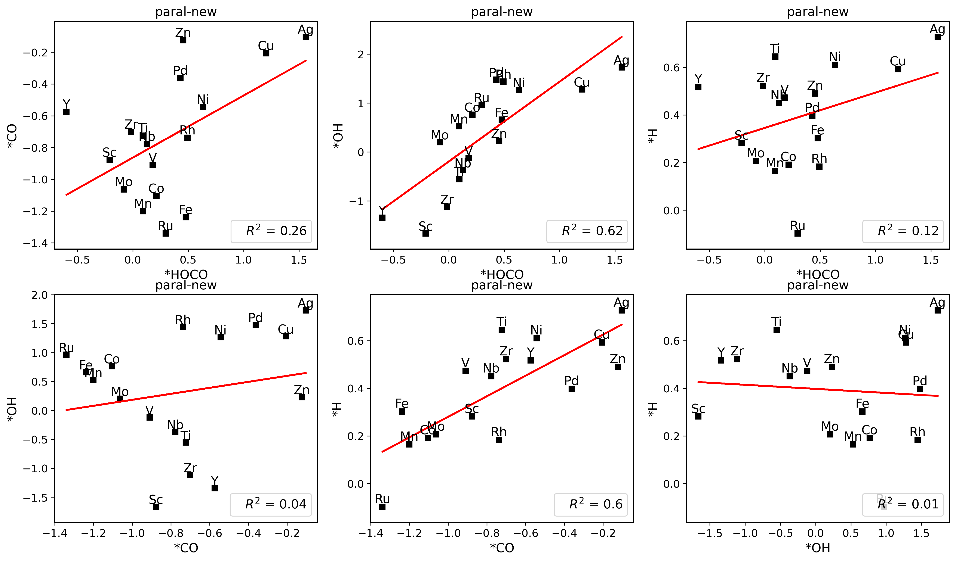
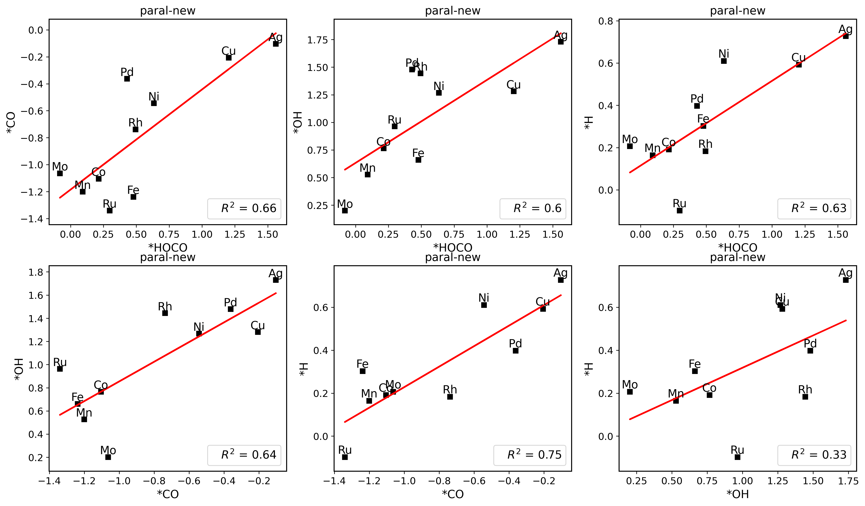
 |  |  |  |  |  |  |  |  |  |  |  |  |  |  |  |  |  |  |  |  |  |  |  |  |  |  | del_ele = ['Zn', 'Y', 'V', 'Nb', 'Ti', 'Zr', 'Sc']

overly-new
 |  |  |  |  |  |  |  |  | binding energy |  |  |  |  | Corrected free energy |  |  | Free energy diagram (four steps)
 | surface | *HOCO | *CO | *H | *OH |  |  | E_pot | *HOCO | *CO | *H | *OH |  | G(*HOCO) | G(*CO) |  | * + CO2 | *HOCO | *CO | * + CO |  | ΔG(HOCO*) | ΔG(CO*) | ΔG(H*) | ΔG(OH*) | ΔG(HOCO*)-ΔG(H*)
Pd | -285.37088277 | -306.97920599 | -297.85147833 | -288.55203122 | -293.14565368 |  | H2 | -7.158 | 0.42967678 | -0.36259556 | 0.39785155 | 1.47922909 |  | -306.493 | -297.841 |  | 0 | 0.84367678 | 0.216 | 0.123 | Pd | 0.844 | 0.216 | 0.556 | 1.812 | 0.288
Sc | -310.00375278 | -336.07675519 | -326.03352204 | -317.04628192 | -324.37084789 |  | CO2 | -18.459 | -4.03500241 | -3.91176926 | -3.46352914 | -5.11309511 |  | -335.591 | -326.024 |  | 0 | -3.62100241 | -3.333 | 0.123 | Sc | -3.621 | -3.333 | -3.306 | -4.780 | -0.315
Ti | -330.03709394 | -351.71641509 | -342.8658317 | -332.82274403 | -339.94546983 |  | H2O | -12.833 | 0.35867885 | -0.71073776 | 0.79334991 | -0.65437589 |  | -351.230 | -342.856 |  | 0 | 0.77267885 | -0.132 | 0.123 | Ti | 0.773 | -0.132 | 0.951 | -0.321 | -0.179
V | -328.98640502 | -350.84033008 | -341.19220569 | -332.19876797 | -338.48749302 |  | CO | -12.118 | 0.18407494 | -0.08780067 | 0.36663705 | -0.247088 |  | -350.354 | -341.182 |  | 0 | 0.59807494 | 0.491 | 0.123 | V | 0.598 | 0.491 | 0.525 | 0.086 | 0.073
Mn | -315.96698998 | -338.22068506 | -329.67194119 | -319.47871594 | -325.83103848 |  |  |  | -0.21569508 | -1.58695121 | 0.06727404 | -0.6100485 |  | -337.735 | -329.662 |  | 0 | 0.19830492 | -1.008 | 0.123 | Mn | 0.198 | -1.008 | 0.225 | -0.277 | -0.027
Fe | -307.01223512 | -330.61574293 | -320.76900584 | -310.62381762 | -316.32327987 |  |  |  | -1.56550781 | -1.63877072 | -0.0325825 | -0.05704475 |  | -330.130 | -320.759 |  | 0 | -1.15150781 | -1.060 | 0.123 | Fe | -1.152 | -1.060 | 0.125 | 0.276 | -1.277
Co | -298.14920613 | -320.92107876 | -311.5329195 | -301.60185959 | -307.20280457 |  |  |  | -0.73387263 | -1.26571337 | 0.12634654 | 0.20040156 |  | -320.435 | -311.523 |  | 0 | -0.31987263 | -0.687 | 0.123 | Co | -0.320 | -0.687 | 0.284 | 0.533 | -0.604
Ni | -287.20426621 | -309.68076322 | -300.32129575 | -290.39618836 | -295.52842633 |  |  |  | -0.43849701 | -0.99902954 | 0.38707785 | 0.92983988 |  | -309.195 | -300.311 |  | 0 | -0.02449701 | -0.420 | 0.123 | Ni | -0.024 | -0.420 | 0.545 | 1.263 | -0.570
Cu | -270.06781725 | -291.0053933 | -282.36959796 | -272.42473374 | -277.90465833 |  |  |  | 1.10042395 | -0.18378071 | 1.22208351 | 1.41715892 |  | -290.519 | -282.360 |  | 0 | 1.51442395 | 0.395 | 0.123 | Cu | 1.514 | 0.395 | 1.380 | 1.750 | 0.134
Zn | -244.73097322 | -268.66744201 | -259.82228585 | -250.46147688 | -257.05964094 |  |  |  | -1.89846879 | -2.97331263 | -2.15150366 | -3.07466772 |  | -268.181 | -259.812 |  | 0 | -1.48446879 | -2.394 | 0.123 | Zn | -1.484 | -2.394 | -1.994 | -2.742 | 0.509
Y | -304.61279636 | -342.82512446 | -327.10927992 | -317.21590479 | -324.60260105 |  |  |  | -16.1743281 | -10.37848356 | -9.02410843 | -10.73580469 |  | -342.339 | -327.099 |  | 0 | -15.7603281 | -9.799 | 0.123 | Y | -15.760 | -9.799 | -8.866 | -10.403 | -6.894
Zr | -327.6337655 | -350.41836293 | -340.50003381 | -331.25356903 | -338.83267892 |  |  |  | -0.74659743 | -0.74826831 | -0.04080353 | -1.94491342 |  | -349.932 | -340.490 |  | 0 | -0.33259743 | -0.169 | 0.123 | Zr | -0.333 | -0.169 | 0.117 | -1.612 | -0.450
Nb | -336.29197413 | -357.81050196 | -348.50258809 | -339.56216731 | -346.01130733 |  |  |  | 0.51947217 | -0.09261396 | 0.30880682 | -0.4653332 |  | -357.325 | -348.493 |  | 0 | 0.93347217 | 0.486 | 0.123 | Nb | 0.933 | 0.486 | 0.467 | -0.132 | 0.467
Mo | -336.94878917 | -358.68313007 | -350.2223759 | -340.51733409 | -346.37681434 |  |  |  | 0.3036591 | -1.15558673 | 0.01045508 | -0.17402517 |  | -358.197 | -350.212 |  | 0 | 0.7176591 | -0.577 | 0.123 | Mo | 0.718 | -0.577 | 0.168 | 0.159 | 0.549
Ru | -316.5666251 | -338.63239525 | -330.31515885 | -320.3400451 | -325.19349724 |  |  |  | -0.02777015 | -1.63053375 | -0.19442 | 0.62712786 |  | -338.146 | -330.305 |  | 0 | 0.38622985 | -1.052 | 0.123 | Ru | 0.386 | -1.052 | -0.036 | 0.960 | 0.423
Rh | -304.33515631 | -326.06019907 | -317.26276921 | -307.73869913 | -312.23937642 |  |  |  | 0.31295724 | -0.8096129 | 0.17545718 | 1.34977989 |  | -325.574 | -317.253 |  | 0 | 0.72695724 | -0.231 | 0.123 | Rh | 0.727 | -0.231 | 0.333 | 1.683 | 0.394
Ag | -257.67476337 | -278.3497246 | -270.10065736 | -259.67296155 | -265.42110472 |  |  |  | 1.36303877 | -0.30789399 | 1.58080182 | 1.50765865 |  | -277.864 | -270.091 |  | 0 | 1.77703877 | 0.271 | 0.123 | Ag | 1.777 | 0.271 | 1.739 | 1.841 | 0.038

 |  | *HOCO | *CO | *H | *OH | (remove adsorbates and fix surface) |  |  | *HOCO | *CO | *H | *OH | (Corrected) | T = 298.15 K and P(H2O) = 3534.0 Pa, P(CO) = 5562.0 Pa, P(CO2) = 101325.0 Pa, P(H2) = 101325.0 Pa
 |  | -285.26873887 | -285.06117834 | -285.44265789 | -285.29973187 |  |  |  | 0.32753288 | -0.67229999 | 0.46962667 | 1.40807819 |  |  | E_pot | E_ZPE | C_Ideal_gas | -T*S | Free energy | Overbinding correction | Solvent correction | Corr. free energy
 |  | -312.93945073 | -313.10901546 | -312.73480167 | -312.69290933 |  |  |  | -1.09930446 | -0.80650658 | -0.73248025 | -2.42393856 |  | H2 | -7.158 | 0.274 | 0.091 | -0.402 | -7.196 | 0.1 |  | -7.096
 |  | -329.03857547 | -329.76878123 | -329.71164307 | -329.02448176 |  |  |  | -0.63983962 | -0.97905047 | 0.46789904 | -1.66698807 |  | CO2 | -18.459 | 0.306 | 0.099 | -0.662 | -18.718 | 0.3 |  | -18.418
 |  | -328.29630394 | -328.70670268 | -328.87682403 | -328.35346864 |  |  |  | -0.50602614 | -0.36750301 | 0.25705606 | -0.88002438 |  | H2O | -12.833 | 0.572 | 0.104 | -0.669 | -12.827 |  |  | -12.827
 |  | -315.30550574 | -315.65681411 | -315.89281909 | -315.9595315 |  |  |  | -0.87717932 | -1.89712708 | -0.00689685 | -0.61750698 |  | CO | -12.118 | 0.132 | 0.091 | -0.668 | -12.564 |  |  | -12.564
 |  | -307.40810533 | -306.69330644 | -306.94272853 | -306.59459397 |  |  |  | -1.1696376 | -1.9576994 | -0.10208909 | -0.4746859
 |  | -297.95513323 | -297.67526315 | -298.06841525 | -297.84115809 |  |  |  | -0.92794553 | -1.73965635 | 0.04555566 | -0.10764648 |  | suface111 | E_pot | E_ZPE | Cv_harm | -T*S | Free energy | Overbinding correction | Solvent correction | Corr. free energy
 |  | -287.32233273 | -286.86145 | -287.19722739 | -286.9113417 |  |  |  | -0.32043049 | -1.34184575 | 0.38003903 | 0.63691537 |  | * | - | - | - | - | - |  |  | -
 |  | -269.79886036 | -269.70171581 | -269.94782801 | -269.7464657 |  |  |  | 0.83146706 | -0.54988215 | 1.10209427 | 1.09580737 |  | *H | 0.000 | 0.190 | 0.003 | -0.004 | 0.189 |  |  | 0.189
 |  | -246.83066318 | -247.54574802 | -246.75772627 | -246.61485231 |  |  |  | 0.20122117 | -0.15853783 | -0.12475061 | -1.19078863 |  | *HOCO | 0.000 | 0.657 | 0.091 | -0.162 | 0.586 | 0.150 | -0.250 | 0.486
 |  | -318.99622753 | -313.19619264 | -318.50900261 | -312.68144217 |  |  |  | -1.79089693 | -1.79508728 | 4.87209782 | -2.66715888 |  | *CO | 0.000 | 0.186 | 0.080 | -0.156 | 0.110 |  | -0.100 | 0.010
 |  | -327.10410569 | -327.25820705 | -327.07647884 | -326.99747083 |  |  |  | -1.27625724 | -1.12382676 | -0.59809019 | -2.58120809 |  | *OH | 0.000 | 0.355 | 0.056 | -0.103 | 0.308 |  |  | 0.308
 |  | -335.80044694 | -335.88457827 | -335.98926298 | -335.36052879 |  |  |  | 0.02794498 | -0.50000982 | 0.00609567 | -1.39677854
 |  | -336.58708811 | -336.44430493 | -336.78442759 | -336.22270093 |  |  |  | -0.05804196 | -1.66007097 | -0.1539065 | -0.90011341
 |  | -316.34153066 | -316.12535989 | -316.45957795 | -316.21311178 |  |  |  | -0.25286459 | -2.07179896 | -0.30146715 | 0.27361454
 |  | -303.96007737 | -303.62387036 | -304.18918598 | -304.06923211 |  |  |  | -0.0621217 | -1.52089885 | 0.02948685 | 1.08385569
 |  | -255.55037616 | -257.79787626 | -257.73712088 | -255.64884129 |  |  |  | -0.76134844 | -0.1847811 | 1.64315933 | -0.51826343

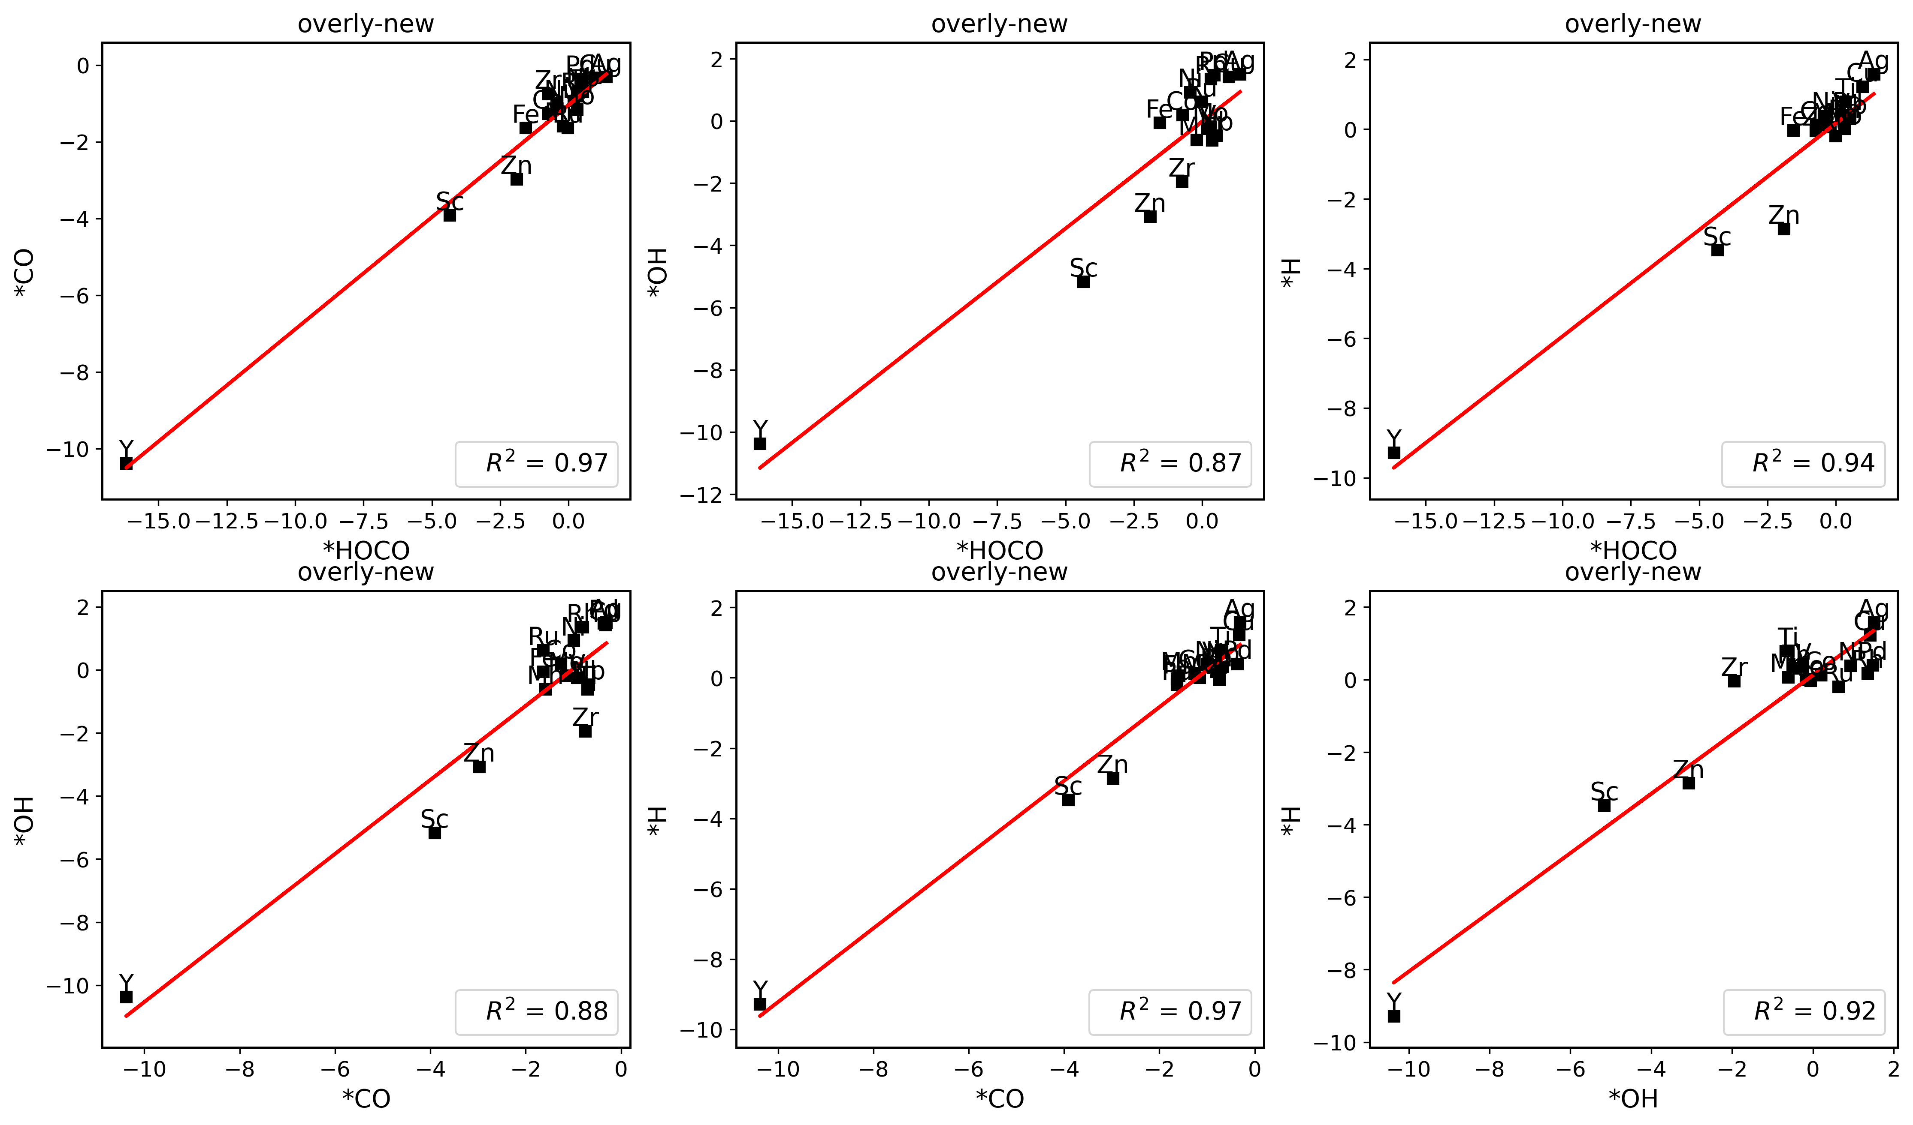
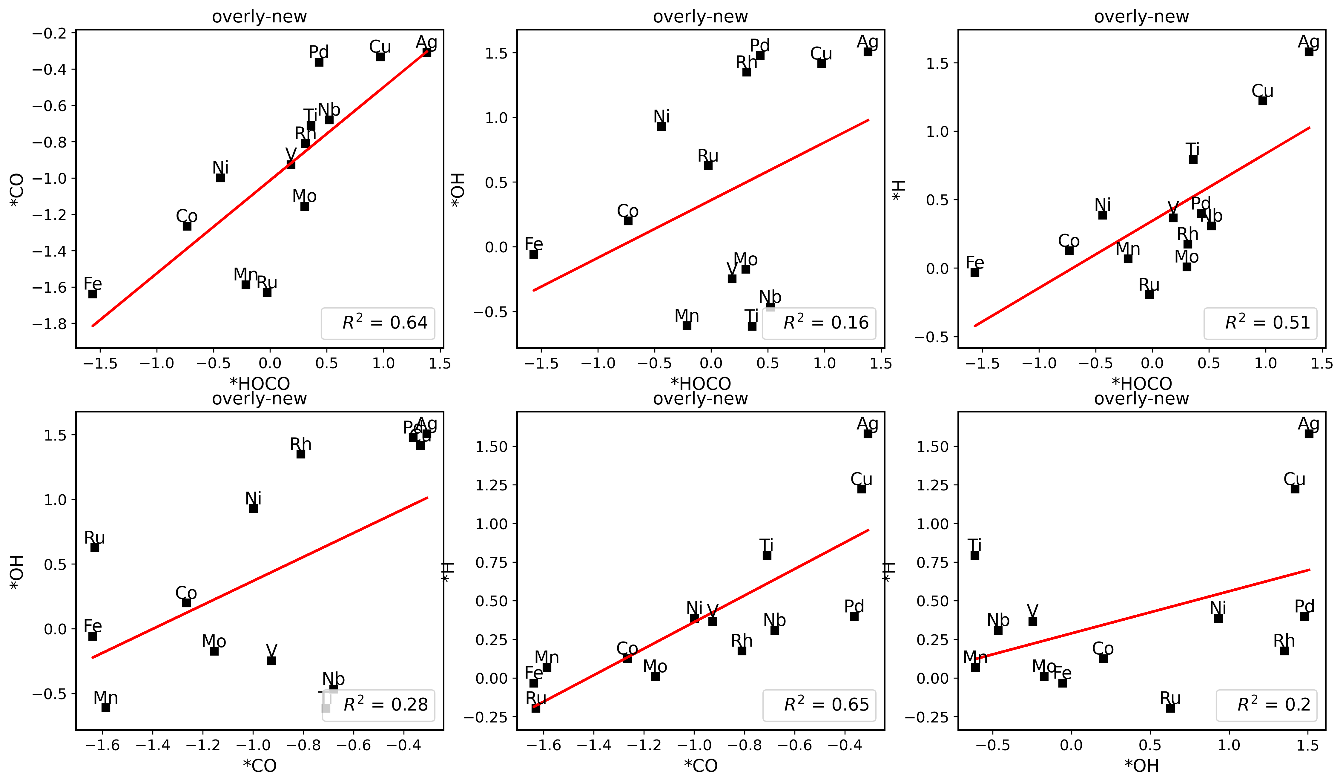

 |  |  |  |  |  |  |  |  |  |  |  |  |  |  |  |  |  |  |  |  |  |  | del_ele = ['Sc', 'Zn', 'Y', 'Zr']

Ti_sites
singel |  |  |  |  | Line |  |  |  |  | Triangle |  |  |  |  | Parallelogram |  |  |  | Island |  |  |  | Overlayer
HOCO | top | -312.11340293 |  |  | HOCO | top | -317.21700904 |  |  | HOCO | top | -321.74879152 |  |  | HOCO | top | -327.26966784 |  | HOCO | top | -327.4552037 |  | HOCO | top | -351.72
 | top2 | -311.79288023 |  |  |  | top2 | -316.61150568 |  |  |  | top2 | -322.21242567 |  |  |  | top2 | -326.43920217 |  |  | top2 | -327.23379613 |  |  | hollow1(top) | -351.90
 | hollow1(top) | -312.09275079 |  |  |  | top3 | -316.81169599 |  |  |  | top3 | -321.6848004 |  |  |  | top3 | -326.5458631 |  |  | top3 | -326.71183124 |  | CO | top | -342.87
CO | top | -303.48218108 |  |  |  | hollow1(top) | -317.25607018 |  |  |  | hollow1(top2) | -322.21391363 |  |  |  | hollow1(top) | -326.96137483 |  |  | top4 | -326.59313506 |  |  | hollow1(top) | -342.87
 | top2 | -302.72141088 |  |  |  | hollow2(top3) | -317.11255978 |  |  |  | hollow2 | -322.21500797 |  |  |  | hollow2(top) | -327.26958257 |  |  | hollow1(top1) | -327.24618262 |  | OH | top | -339.90
 | hollow1(top) | -303.48788851 |  |  | CO | top | -308.45562164 |  |  |  | hollow3(top) | -322.10702859 |  |  |  | hollow3 | -327.70017495 |  |  | hollow2(top2) | -327.5791343 |  |  | hollow1 | -339.82
OH | top | -300.15546706 |  |  |  | top2 | -307.54082388 |  |  | CO | top | -312.51299902 |  |  |  | hollow4(top2) | -326.93668189 |  | CO | top | -318.43730437 |  | H | top | -332.82
 | top2 | -298.11574487 |  |  |  | top3 | -307.62599937 |  |  |  | top2 | -313.30775028 |  |  | CO | top | -318.16809344 |  |  | top2 | -318.38064635 |  |  | hollow1 | -333.64
 | hollow1(top) | -300.24812919 |  |  |  | hollow1(top) | -308.45510793 |  |  |  | top3 | -312.616126 |  |  |  | top2 | -317.31112174 |  |  | top3(top) | -318.46256134
H | top | -293.46353909 |  |  |  | hollow2(top) | -308.4616628 |  |  |  | hollow1(top2) | -313.3192229 |  |  |  | top3 | -317.41873445 |  |  | top4 | -317.25245024
 | top2 | -293.43369856 |  |  | OH | top | -305.36638352 |  |  |  | hollow2 | -312.73943056 |  |  |  | hollow1(top) | -318.18876538 |  |  | hollow1(top2) | -318.37333636
 | hollow1 | -293.64078435 |  |  |  | top2(bridge) | -305.21065016 |  |  |  | hollow3(top) | -313.35907543 |  |  |  | hollow2(top) | -318.1744955 |  |  | hollow2(top2) | -318.38317466
 |  |  |  |  |  | top3 | -303.04441809 |  |  | OH | top(bridge) | -309.76656704 |  |  |  | hollow3 | -318.16675479 |  | OH | top | -315.52989743
 |  |  |  |  |  | hollow1(bridge) | -305.17818372 |  |  |  | top2(top) | -310.34179875 |  |  |  | hollow4(top) | -318.16516274 |  |  | top2 | -315.34076636
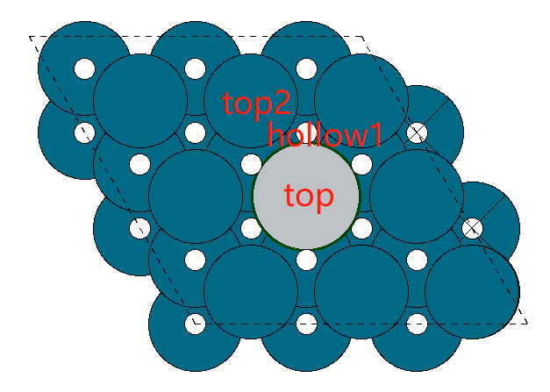
 |  |  |  |  |  | hollow2(top) | -305.55409951 |  |  |  | top3(hollow) | -309.76627385 |  |  | OH | top | -315.13377472 |  |  | top3(top) | -315.53191118
 |  |  |  |  | H | top | -298.4489882 |  |  |  | hollow1 | -309.38583363 |  |  |  | top2 | -312.76316174 |  |  | top4 | -312.93458417
 |  |  |  |  |  | top2 | -298.2992963 |  |  |  | hollow2 | -310.06032355 |  |  |  | top3 | -312.88718625 |  |  | hollow1(top2) | -315.33912255
 |  |  |  |  |  | top3 | -298.4414739 |  |  |  | hollow3(top) | -310.4020466 |  |  |  | hollow1 | -314.58619221 |  |  | hollow2(bridge) | -315.46008591
 |  |  |  |  |  | hollow1 | -298.56210262 |  |  | H | top | -303.25702073 |  |  |  | hollow2(bridge) | -315.03482856 |  | H | top | -308.47057617
 |  |  |  |  |  | hollow2 | -299.24058542 |  |  |  | top2 | -303.35061573 |  |  |  | hollow3 | -315.18747147 |  |  | top2 | -308.51079388
 |  |  |  |  |  |  |  |  |  |  | top3 | -303.25702425 |  |  |  | hollow4(top) | -315.13503021 |  |  | top3 | -308.28810144
 |  |  |  |  |  |  |  |  |  |  | hollow1 | -303.65727086 |  |  | H | top | -308.25980071 |  |  | top4 | -308.2545368
 |  |  |  |  |  |  |  |  |  |  | hollow2 | -303.80486697 |  |  |  | top2 | -308.0764374 |  |  | hollow1 | -308.51882281
 |  |  |  |  |  |  |  |  |  |  | hollow3 | -303.6155678 |  |  |  | top3 | -308.08435956 |  |  | hollow2 | -309.03930408
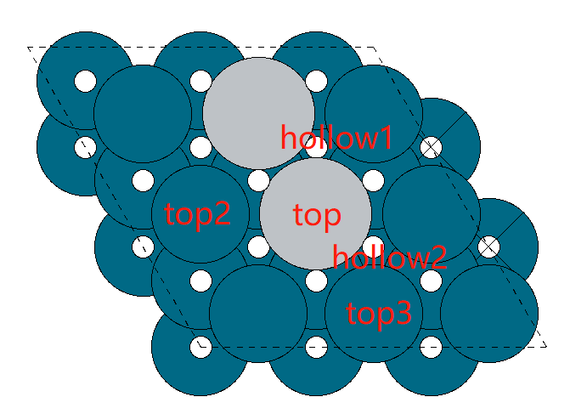
 |  |  |  |  |  |  |  |  |  |  |  |  |  |  |  | hollow1 | -308.59783395
 |  |  |  |  |  |  |  |  |  |  |  |  |  |  |  | hollow2 | -308.65671374
 |  |  |  |  |  |  |  |  |  |  |  |  |  |  |  | hollow3 | -308.87211838
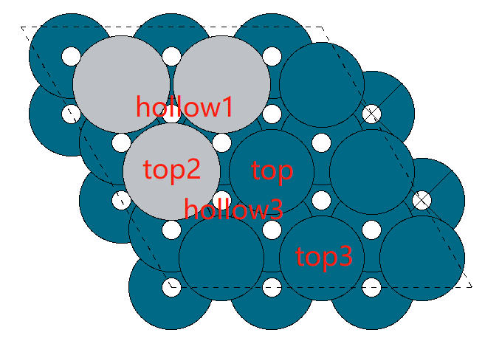
 |  |  |  |  |  |  |  |  |  |  |  |  |  |  |  | hollow4 | -308.25914454

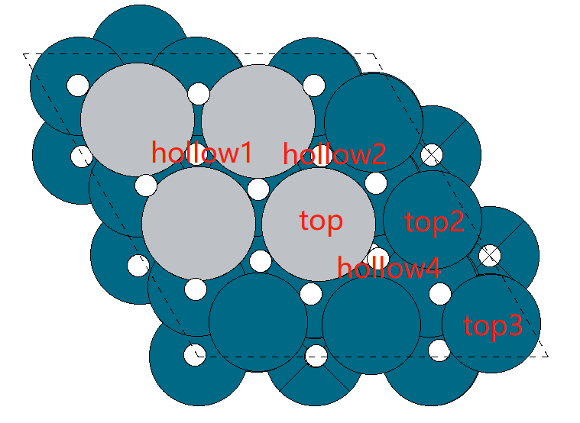

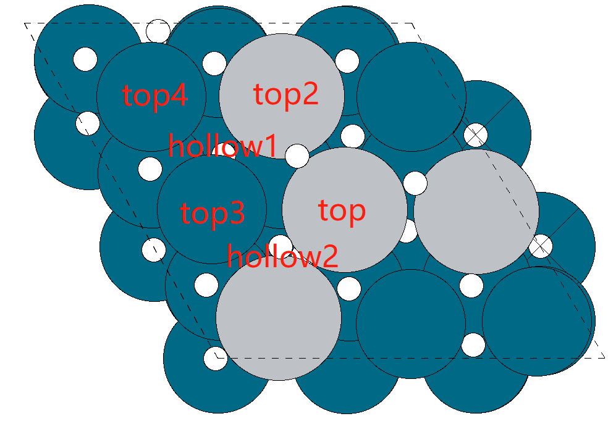
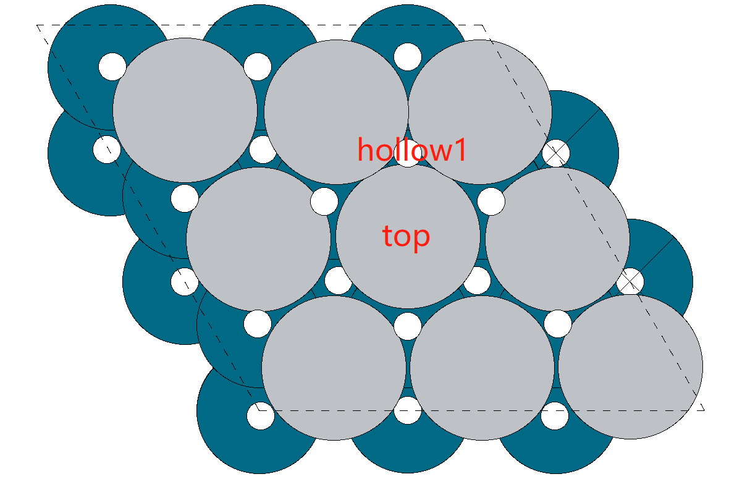

17.017 | 17.017 | 17.017 | 17.017 | 17.017 |  |  |  |  |  |  |  |  | 17.017 | 17.017 | 17.017 | 17.017 | 17.017
17.513 | 17.493 | 17.332 | 17.440 | 17.171 |  | 0.497 | 0.477 | 0.316 | 0.424 | 0.154 |  |  | 17.171 | 17.332 | 17.493 | 17.44 | 17.513 | 0.154 | 0.315 | 0.476 | 0.423 | 0.496
17.615 | 17.494 | 17.487 | 17.585 | 17.194 |  | 0.599 | 0.477 | 0.470 | 0.569 | 0.177 |  |  | 17.194 | 17.487 | 17.494 | 17.585 | 17.615 | 0.177 | 0.47 | 0.477 | 0.568 | 0.598
17.621 | 17.629 | 17.498 | 17.564 | 17.154 |  | 0.605 | 0.613 | 0.482 | 0.547 | 0.137 |  |  | 17.154 | 17.498 | 17.629 | 17.564 | 17.621 | 0.137 | 0.481 | 0.612 | 0.547 | 0.604
17.634 | 17.657 | 17.509 | 17.608 | 17.219 |  | 0.618 | 0.641 | 0.492 | 0.591 | 0.202 |  |  | 17.219 | 17.509 | 17.657 | 17.608 | 17.634 | 0.202 | 0.492 | 0.64 | 0.591 | 0.617
17.574 | 17.501 | 17.389 | 17.507 | 17.170 |  | 0.558 | 0.485 | 0.372 | 0.490 | 0.153 |  |  | 17.17 | 17.389 | 17.501 | 17.507 | 17.574 | 0.153 | 0.372 | 0.484 | 0.49 | 0.557
17.635 | 17.606 | 17.443 | 17.787 | 17.406 |  | 0.619 | 0.589 | 0.426 | 0.770 | 0.390 |  |  | 17.406 | 17.443 | 17.606 | 17.787 | 17.635 | 0.389 | 0.426 | 0.589 | 0.77 | 0.618

10.076 | 10.076 | 10.076 | 10.076 | 10.076
10.122 | 10.231 | 10.212 | 10.174 | 10.163 |  | 0.046 | 0.154 | 0.136 | 0.098 | 0.086 |  |  | 10.076 | 10.076 | 10.076 | 10.076 | 10.076
10.098 | 10.240 | 10.229 | 10.178 | 10.147 |  | 0.022 | 0.163 | 0.153 | 0.102 | 0.070 |  |  | 10.163 | 10.212 | 10.231 | 10.174 | 10.122 | 0.087 | 0.136 | 0.155 | 0.098 | 0.046
10.130 | 10.257 | 10.234 | 10.170 | 10.141 |  | 0.054 | 0.180 | 0.157 | 0.094 | 0.064 |  |  | 10.147 | 10.229 | 10.24 | 10.178 | 10.098 | 0.071 | 0.153 | 0.164 | 0.102 | 0.022
10.093 | 10.237 | 10.200 | 10.141 | 10.122 |  | 0.017 | 0.160 | 0.123 | 0.065 | 0.045 |  |  | 10.141 | 10.234 | 10.257 | 10.17 | 10.13 | 0.065 | 0.158 | 0.181 | 0.094 | 0.054
10.086 | 10.240 | 10.233 | 10.267 | 10.134 |  | 0.009 | 0.163 | 0.157 | 0.191 | 0.057 |  |  | 10.122 | 10.2 | 10.237 | 10.141 | 10.093 | 0.046 | 0.124 | 0.161 | 0.065 | 0.017
10.379 | 10.323 | 10.232 | 10.280 | 10.192 |  | 0.302 | 0.247 | 0.156 | 0.204 | 0.116 |  |  | 10.134 | 10.233 | 10.24 | 10.267 | 10.086 | 0.058 | 0.157 | 0.164 | 0.191 | 0.01
 |  |  |  |  |  |  |  |  |  |  |  |  | 10.192 | 10.232 | 10.323 | 10.28 | 10.379 | 0.116 | 0.156 | 0.247 | 0.204 | 0.303

Sheet2
 | d band
0.844 | -1.899
0.545 | -1.795
0.509 | -1.745
0.496 | -1.743
0.205 | -1.705
Ti | ΔG(HOCO*) | ΔG(CO*) | Ti HOCO* charge | Ti CO* charge |  |  |  |  | HOCO* | d band
Single | 0.917 | -0.207 | 0.476 | 0.155 |  |  |  | Pure | 0.844 | -1.899
Line | 0.821 | -0.196 | 0.477 | 0.164 |  |  |  | Nb | 0.545 | -1.795
Triangle | 0.654 | -0.172 | 0.612 | 0.181 |  |  |  | Ti | 0.509 | -1.745
Parall. | 0.509 | -0.145 | 0.64 | 0.161 |  |  |  | Zr | 0.496 | -1.743
Island | 0.511 | -0.216 | 0.484 | 0.164 |  |  |  | Sc | 0.205 | -1.705
Overlayer | 0.773 | -0.132 | 0.589 | 0.247

Sc | ΔG(HOCO*) | ΔG(CO*) | Sc HOCO* charge | Sc CO* charge
Single | 1.072 | 0.026 | 0.496 | 0.046
Line | 0.723 | -0.002 | 0.598 | 0.022
Triangle | 0.522 | 0.072 | 0.604 | 0.054
Parall. | 0.205 | 0.031 | 0.617 | 0.017
Island | 0.332 | 0.04 | 0.557 | 0.01
Overlayer | -3.929 | -3.333 | 0.618 | 0.303

 |  |  |  |  | Co | 0.628 | -1.714

