Client Intake Form
The Bounds - Client Intake Form
https://www.abdn.ac.uk/education/research/the-bounds/making-an-appointment/
https://forms.office.com/pages/responsepage.aspx?id=rRkrjJxf1EmQdz7Dz8UrP6AMO5knPhFJtM4ALOWLaV9UNTNLSDlZMkhJTzNNUEsyU09aRFdPTzBKNCQlQCN0PWcu&route=shorturl

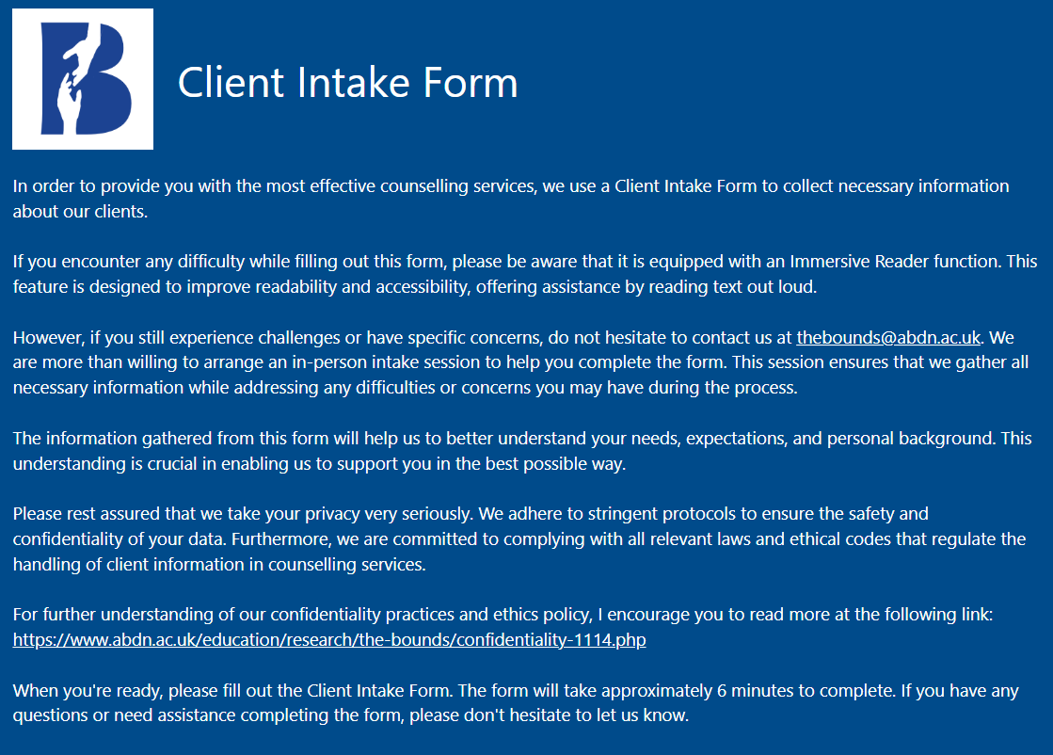

Personal Information
 | Question | Answer
1 | First Name * | Short Text
2 | Last Name * | Short Text
3 | Phone Number * | Short Text
4 | E-mail Address * | Short Text
5 | Address * | Short Text
6 | GP Details * | Short Text
7 | GP's Telephone number * | Short Text
8 | Date of Birth * | Choose from Calendar
9 | Which of these options best describe you? (Gender) * | Male / Female / Non-binary / Prefer not to say / Queer / Other (Short Text)
10 | What sex (if any) were you assigned at birth? * | Male / Female / Prefer Not To Say / Other (Short Text)
11 | Sexual Orientation * | Heterosexual / Lesbian / Gay / Queer / Bisexual / Prefer Not To Say / Other (Short Text)
12 | What is your ethnic group? Choose one option that best describes your ethnic group or background: * | White British / White Irish / Any Other White Background / Mixed / White and Black Caribbean / Whiite and Black African / White and Asian / Any Other Mixed Background / Asian British / Indian / Pakistani / Bangladeshi / Any other Asian Background / Black British / Black Caribbean / Black African / Any other Black Background / Chinese / Prefer Not To Say / Not Known / Other (Short Text)
13 | Please Indicate If You Identify As A Member Of The Following (Multiple Answers Possible): | British / English / Scottish / Northern / Irish / Welsh / European
14 | Disability (Multiple Answers Possible) | Behaviour and Emotional / Hearing / Manual Dexterity / Memory or Ability to Concentrate / Learn or Understand (Learning Disability) / Mobility and Gross Motor / Personal, Self-Care and Continence / Progressive Conditions and Physical Health (such as HIV, cancer, multiple sclerosis, fits etc) / Sight / Speech / Prefer Not To Say / No Disability / Other (Short Text)
15 | Please provide the first half of your home postcode (e.g. AB10): * | Short Text

Emergency Contact Information
 | Question | Answer
16 | Emergency Contact Name * | Short Text
17 | Relationship to You * | Short Text
18 | Emergency Contact Number | Short Text
19 | Email Address | Short Text

Counselling Information
 | Question | Answer
20 | Have you had counselling before or are you attending other mental health services | Previous Counselling / Psychiatry / Other Mental Health Services / Other (Short Text)
21 | Have you ever attempted to take your own life * | No / Yes / more than 10 years ago / Yes - More than a year ago / Yes - within the last 12 months
22 | If yes, can you provide some details: | Short Text
23 | Do you have a history of self harm? * | Yes / No
24 | If yes, can you provide some details: | Short Text
25 | Reasons for seeking counselling. Please Tick ALL that apply | Addiction / Anger / Bereavement / Health Concerns and Illness / Gender Identity / Sexuality / Anxiety / Depression / Loneliness / Life Changes / Relationship or Family Difficulty / Managing chronic illness or health concerns / Personal growth and self-improvement / Other (Short Text)
26 | Goals or expectations from counselling | Short Text

CORE (Clinical Outcomes Routine Evaluation) Consent Form & CORE-OM
 | Question | Answer
 | I hereby consent to the use of CORE for the above purposes. * | Yes / No

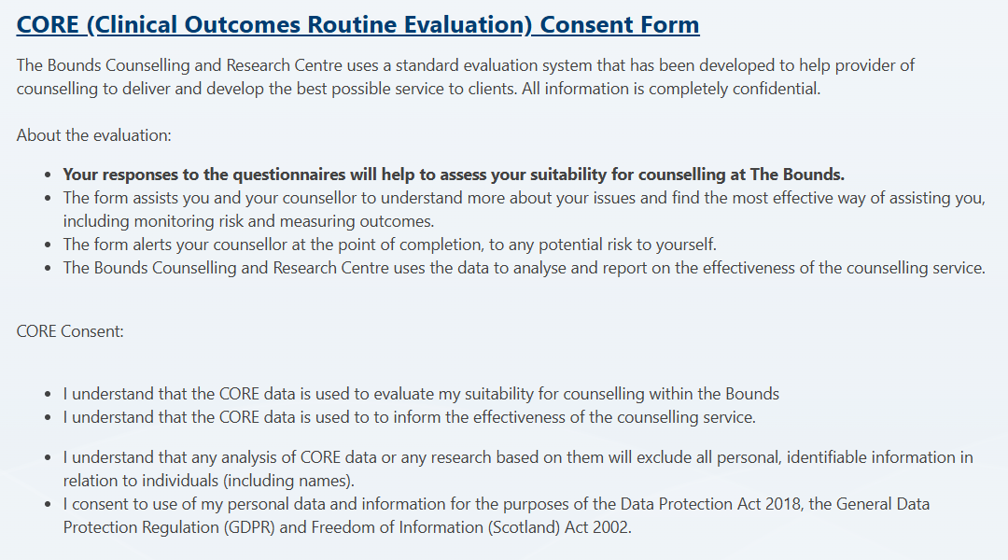

27 | Over The Last Week - I have felt terribly alone and isolated | Not at all (0) / Only Occasionally (1) / Sometimes (2) / Often (3) / Most or all the time (4)
28 | Over The Last Week - I have felt tense, anxious or nervous | Not at all (0) / Only Occasionally (1) / Sometimes (2) / Often (3) / Most or all the time (4)
29 | Over The Last Week - I have felt I have someone to turn to for support when needed | Not at all (4) / Only Occasionally (3) / Sometimes (2) / Often (1) / Most or all the time (0)
30 | Over The Last Week - I have felt O.K. about myself | Not at all (4) / Only Occasionally (3) / Sometimes (2) / Often (1) / Most or all the time (0)
31 | Over The Last Week - I have felt totally lacking in energy and enthusiasm | Not at all (0) / Only Occasionally (1) / Sometimes (2) / Often (3) / Most or all the time (4)
32 | Over The Last Week - I have been physically violent to others | Not at all (0) / Only Occasionally (1) / Sometimes (2) / Often (3) / Most or all the time (4)
33 | Over The Last Week - I have felt able to cope when things go wrong | Not at all (4) / Only Occasionally (3) / Sometimes (2) / Often (1) / Most or all the time (0)
34 | Over The Last Week - I have been troubled by aches, pains, or other physical problems | Not at all (0) / Only Occasionally (1) / Sometimes (2) / Often (3) / Most or all the time (4)
35 | Over The Last Week - I have thought of hurting myself | Not at all (0) / Only Occasionally (1) / Sometimes (2) / Often (3) / Most or all the time (4)
36 | Over The Last Week - Talking to peoples has felt too much for me | Not at all (0) / Only Occasionally (1) / Sometimes (2) / Often (3) / Most or all the time (4)
37 | Over The Last Week - Tension and anxiety have prevented me doing important things | Not at all (0) / Only Occasionally (1) / Sometimes (2) / Often (3) / Most or all the time (4)
38 | Over The Last Week - I have been happy with the things I have done | Not at all (4) / Only Occasionally (3) / Sometimes (2) / Often (1) / Most or all the time (0)
39 | Over The Last Week - I have been disturbed by unwanted thoughts and feelings | Not at all (0) / Only Occasionally (1) / Sometimes (2) / Often (3) / Most or all the time (4)
40 | Over The Last Week - I have felt like crying | Not at all (0) / Only Occasionally (1) / Sometimes (2) / Often (3) / Most or all the time (4)
41 | Over The Last Week - I have felt panic or terror | Not at all (0) / Only Occasionally (1) / Sometimes (2) / Often (3) / Most or all the time (4)
42 | Over The Last Week - I made plans to end my life | Not at all (0) / Only Occasionally (1) / Sometimes (2) / Often (3) / Most or all the time (4)
43 | Over The Last Week - I have felt overwhelmed by my problems | Not at all (0) / Only Occasionally (1) / Sometimes (2) / Often (3) / Most or all the time (4)
44 | Over The Last Week - I have had difficulty getting to sleep or staying asleep | Not at all (0) / Only Occasionally (1) / Sometimes (2) / Often (3) / Most or all the time (4)
45 | Over The Last Week - I have felt warmth or affection for someone | Not at all (4) / Only Occasionally (3) / Sometimes (2) / Often (1) / Most or all the time (0)
46 | Over The Last Week - My problems have been impossible to put to one side | Not at all (0) / Only Occasionally (1) / Sometimes (2) / Often (3) / Most or all the time (4)
47 | Over The Last Week - I have been able to do most things I needed to | Not at all (4) / Only Occasionally (3) / Sometimes (2) / Often (1) / Most or all the time (0)
48 | Over The Last Week - I have threatened or intimidated another person | Not at all (0) / Only Occasionally (1) / Sometimes (2) / Often (3) / Most or all the time (4)
49 | Over The Last Week - I have felt despairing or hopeless | Not at all (0) / Only Occasionally (1) / Sometimes (2) / Often (3) / Most or all the time (4)
50 | Over The Last Week - I have thought it would be better if I were dead | Not at all (0) / Only Occasionally (1) / Sometimes (2) / Often (3) / Most or all the time (4)
51 | Over The Last Week - I have felt criticised by other people | Not at all (0) / Only Occasionally (1) / Sometimes (2) / Often (3) / Most or all the time (4)
52 | Over The Last Week - I have thought I have no friends | Not at all (0) / Only Occasionally (1) / Sometimes (2) / Often (3) / Most or all the time (4)
53 | Over The Last Week - I have felt unhappy | Not at all (0) / Only Occasionally (1) / Sometimes (2) / Often (3) / Most or all the time (4)
54 | Over The Last Week - Unwanted images or memories have been distressing me | Not at all (0) / Only Occasionally (1) / Sometimes (2) / Often (3) / Most or all the time (4)
55 | Over The Last Week - I have been irritable when with other people | Not at all (0) / Only Occasionally (1) / Sometimes (2) / Often (3) / Most or all the time (4)
56 | Over The Last Week - I have thought I am to blame for my problems and difficulties | Not at all (0) / Only Occasionally (1) / Sometimes (2) / Often (3) / Most or all the time (4)
57 | Over The Last Week - I have felt optimistic about my future | Not at all (4) / Only Occasionally (3) / Sometimes (2) / Often (1) / Most or all the time (0)
58 | Over The Last Week - I have achieved the things I wanted to | Not at all (4) / Only Occasionally (3) / Sometimes (2) / Often (1) / Most or all the time (0)
59 | Over The Last Week - I have felt humiliated or shamed by other people | Not at all (0) / Only Occasionally (1) / Sometimes (2) / Often (3) / Most or all the time (4)
60 | Over The Last Week - I have hurt myself physically or taken dangerous risks with my health | Not at all (0) / Only Occasionally (1) / Sometimes (2) / Often (3) / Most or all the time (4)

Counselling Preferences
Notice concerning availability: The more available times you can give, the sooner we can find a counsellor for you.
 | Question | Answer
61 | Availability for Counselling Sessions on Monday | None / 10:00-10:50 / 11:00-11:50 / 12:00-12:50 / 13:00-13:50 / 14:00-14:50 / 15:00-15:50 / 16:00-16:50 / 17:00-17:50 / 18:00-18:50
62 | Availability for Counselling Sessions on Tuesday | None / 10:00-10:50 / 11:00-11:50 / 12:00-12:50 / 13:00-13:50 / 14:00-14:50 / 15:00-15:50 / 16:00-16:50 / 17:00-17:50
63 | Availability for Counselling Sessions on Wednesday | None / 10:00-10:50 / 11:00-11:50 / 12:00-12:50 / 13:00-13:50 / 14:00-14:50 / 15:00-15:50 / 16:00-16:50 / 17:00-17:50
64 | Availability for Counselling Sessions on Thursday | None / 10:00-10:50 / 11:00-11:50 / 12:00-12:50 / 13:00-13:50 / 14:00-14:50 / 15:00-15:50 / 16:00-16:50 / 17:00-17:50
65 | Please indicate how you would like your sessions to be delivered [Please note: there are longer waiting times for online clients. Face-to-face clients will be seen sooner.] | Face to Face / Online
66 | Preferred Language for Counselling [If your preferred language for counselling is not English, please indicate it below. We will do our best to accommodate your preference and, if available, match you with a counsellor who can provide services in your chosen language.] | Short Text
67 | Preference for counsellor characteristic 1 (Optional) [Please state if you have a counsellor preference (for example male, female, LGBTQ, or somebody who speaks a specific language, et cetera): ] | Short Text
68 | Preference for counsellor characteristic 2 (Optional) [Please state if you have a counsellor preference (for example male, female, LGBTQ, or somebody who speaks a specific language, et cetera): ] | Short Text
69 | Preference for counsellor characteristic 3 (Optional) [Please state if you have a counsellor preference (for example male, female, LGBTQ, or somebody who speaks a specific language, et cetera): ] | Short Text
70 | Please tick a box to state how strong your preference for each counsellor characteristic is. (Optional) [Having a counsellor preference can impact your waiting time, as we only have a limited amount of counsellors available.] | Not a Strong Preference / Medium Strength Preference / Very Strong Preference - Counsellor characteristic 1 - Counsellor characteristic 2 - Counsellor characteristic 3
71 | Are you willing to take part in research? [If yes please select which option] | Online Survey (Please ensure that an email address is provided in this form.) / In-Person Survey / Online interview / In-Person Interview
72 | Additional Information [Please provide any additional information or specific needs that you feel are important for us to know in order to better serve you during your counselling sessions] | Short Text

