Overview
 |  |  |  |  | Agenda Item F.2
 |  |  |  |  | Attachment 2 (Electronic Only)
 |  |  |  |  | March 2022

Overview of Factors included in this analysis of stock assessment priorities
Based on the process described in: Prioritizing Fish Stock Assessments. U.S. Dep. Commer., NOAA Tech. Memo. NMFS-F/SPO- 152, 31 p
(http://www.st.nmfs.noaa.gov/Assets/stock/documents/PrioritizingFishStockAssessments_FinalWeb.pdf)

Category | Factor | Source/Basis | Range | Notes on Scoring
FISHERY Importance | Commercial Fishery Importance | Landed Ex-vessel Revenue, from PacFIN (transformed) | 0-10 | Score = [(Revenue) (0.18)] * 10/(Largest [initial value])
 | Recreational Fishery Importance | Weighted Landed catch, from RecFIN (transformed) | 0-10 | Score = [(Pseudo-Revenue) (0.18)] * 10/((Largest [initial value])
0 - Not in rebuilding
4 - Projected to rebuild in over 20 years
6 - Projected to rebuild within 20 years
9 - In rebuilding and projected to be rebuilt by next assessment
10 - In rebuilding, with declining biomass
 | Importance to Subsistence | Tribal Comm Revenue + Subsistence input from Habitat Assmt. & Tribes | 0-10 | Score = [(Revenue) (0.18)] * 7/(Largest [initial value]) + subsistence values scored [0-3] with Tribal input
 | Constituent Demand/ Choke Stock | Higher Value to fleet or area & Constraining Species | 0-10 | Emphasis on rebuilding species (and degree of constraint), with lesser additions for state/fleet rankings that are much higher than overall
STOCK Status | Rebuilding Status | Assessed Status + Rebuilding Proj. | 0-10
1 - point = stock biomass is way above target (SBC > 2 * SBMSY)
2 - points = stock biomass is above target ( 2 * SBMSY >= SBC > 1.5*SBMSY)
3 - points = stock biomass is above target ( 1.5 * SBMSY >= SBC > 1.1*SBMSY),
or SBC is unknown and Vulnerability is low (1.8 > PSA)"
4 - points = stock biomass is near target ( 1.1 * SBMSY >= SBC > 0.9*SBMSY),
or SBC is unknown and Vulnerability is intermediate (2 > PSA >= 1.8)"
5 - points = stock biomass is below target ( 0.9 * SBMSY >= SBC > MSST)) and not declining
6 - points = SBC is unknown and Vulnerability is high (PSA >= 2)
7 - points = stock biomass is below target ( 0.9 * SBMSY >= SBC > MSST)) and recent trend is declining or unknown
8 - points = stock is overfished (SBC ≤ MSST) and increasing
9 - points = stock is overfished (SBC ≤ MSST) and stable
10 - points = stock is overfished (SBC ≤ MSST) and declining
 | Relative Stock Abundance | Latest assessed depletion or PSA | 1-10
1 point = negligible fisheries impact on stock (F_{C} ≤ 0.1*F_{L})
2 points = low fisheries impact on stock (0.1* F_{L} < F_{C} ≤ 0.25* F_{L})
3 points = moderately low fisheries impact on stock (0.25* F_{L} < F_{C} ≤ 0.5* F_{L})
4 points = caution - F_{L} is unknown and F_{C} <= 5 mt
5 points = moderate fisheries impact on stock (0.5* F_{L} < F_{C} ≤ 0.75* F_{L})
6 points = caution - F_{C} is unknown or F_{L} is unknown and F_{C} > 5 mt
7 points = moderately high fisheries impact on stock (0.75* F_{L} < F_{C} ≤ 0.9* F_{L})
8 points =high impact, potential for overfishing (0.9* F_{L} < F_{C} ≤ F_{L})
9 points =slight overfishing (F_{L} < F_{C} ≤ 1.1* F_{L})
10 points = significant overfishing (1.1* F_{L} < F_{C})
 | Relative Fishing Mortality | Groundfish Mortality Reports | 1-10
ECOSYSTEM Importance | Key Role in Ecosystem | Top-down and bottom-up diet impacts on managed/protected sp. | 0-10
ASSMT Info | Unexpected Stock Trends | No scoring system yet. Only sabl. & petrale updated since 2016. | 0-10
 | Relevant New Type of Information Available | Updated Steepness Prior; New availability of trend or comp data; Ability to fix prior assmt. issues | 0-10
 | Years Since Assessment relative to Target Frequency, adjusted | Assessment output, Fishery and Ecosystem Factor scores, recent mortality vs draft 2022 ABCs | (-3)-10

Species with Sigma-r > 0.9 receive a -1; species Sigma-r < 0.3 receive a +1; others receive a 0.
Species in the top third of each category receive a -1; species in the bottom third receive a +1; others receive a 0.
TARGET Freq | Mean Age in Catch (with regional modification) | Extraction from assessment data | Value
 | Stock Variability | Recruitment variability (Sigma-r) from last assessment | -1 to +1
 | Fishery Importance | Sum of weighted scores for Fishery Factors (listed above) | -1 to +1
 | Ecosystem Importance | Factor score from above | -1 to +1

Fishing mortality
Importance of fishing mortality relative to catch limit or related benchmark
Based on the % of OFL attainment, calculated at a coastwide level, except where benchmark-dervied OFLs do not cover the entire coast (e.g. bocaccio, yellowtail).

 |  | Average over 2018-20 |  |  |  |  | ABCs not used in scoring
Species | Rank | Factor Score | Fishing mortality (mt) | OFL (or OFL contribution) (mt) | Percent of OFL attained | OFL - Catch (mt) | ABC (or ABC contribution) (mt) | Percent of ABC attained
Arrowtooth flounder | 43 | 1 | 923 | 16,833 | 5% | 15,910 | 14,022 | 7%
Aurora rockfish | 19 | 3 | 38 | 92 | 42% | 54 | 88 | 44%
Bank rockfish | 43 | 1 | 33 | 520 | 6% | 488 | 434 | 8%
Big skate | 19 | 3 | 179 | 541 | 33% | 362 | 494 | 36%
Black rockfish | 19 | 3 | 781 | 1,671 | 47% | 890 | 1,553 | 50%
Blackgill rockfish | 19 | 3 | 45 | 169 | 26% | 125 | 154 | 29%
Blue/Deacon rockfish | 4 | 8 | 407 | 432 | 94% | 24 | 379 | 108%
Bocaccio | 32 | 2 | 486 | 2,388 | 20% | 1,902 | 2,248 | 22%
Brown rockfish | 10 | 5 | 95 | 180 | 53% | 85 | 164 | 58%
Cabezon | 19 | 3 | 93 | 365 | 26% | 272 | 346 | 27%
California scorpionfish | 19 | 3 | 100 | 315 | 32% | 215 | 291 | 34%
Canary rockfish | 19 | 3 | 557 | 1,515 | 37% | 958 | 1,448 | 38%
Chilipepper rockfish | 32 | 2 | 607 | 2,794 | 22% | 2,187 | 2,671 | 23%
China rockfish | 10 | 5 | 25 | 43 | 58% | 18 | 39 | 63%
Copper rockfish | 10 | 5 | 170 | 334 | 51% | 164 | 305 | 56%
Cowcod | 43 | 1 | 5 | 74 | 7% | 69 | 67 | 7%
Darkblotched rockfish | 19 | 3 | 367 | 779 | 47% | 411 | 744 | 49%
Dover sole | 43 | 1 | 5,715 | 91,144 | 6% | 85,430 | 87,134 | 7%
English sole | 43 | 1 | 242 | 10,136 | 2% | 9,894 | 9,254 | 3%
Flag rockfish | 19 | 3 | 8 | 23 | 36% | 15 | 20 | 43%
Flathead Sole | 10 | 5 | 21 | 35 | 60% | 14 | 24 | 86%
Gopher/Black and yellow rockfish | 10 | 5 | 89 | 168 | 53% | 80 | 141 | 63%
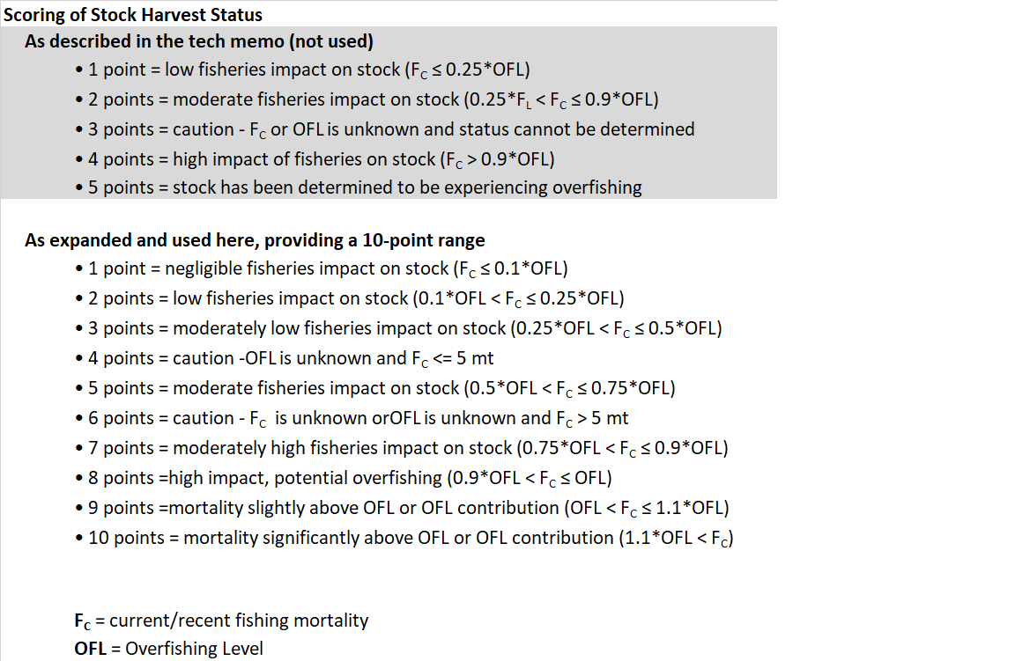
Grass rockfish | 32 | 2 | 11 | 60 | 19% | 49 | 50 | 23%
Greenspotted rockfish | 32 | 2 | 18 | 94 | 19% | 76 | 85 | 21%
Greenstriped rockfish | 43 | 1 | 45 | 1,551 | 3% | 1,506 | 1,416 | 3%
Honeycomb rockfish | 19 | 3 | 3 | 10 | 33% | 7 | 8 | 40%
Kelp greenling | 43 | 1 | 38 | 466 | 8% | 428 | 426 | 9%
Kelp rockfish | 32 | 2 | 4 | 28 | 16% | 23 | 23 | 19%
Lingcod | 32 | 2 | 1,328 | 5,560 | 24% | 4,232 | 5,241 | 25%
Longnose skate | 19 | 3 | 681 | 2,500 | 27% | 1,818 | 2,390 | 29%
Longspine thornyhead | 43 | 1 | 278 | 4,117 | 7% | 3,840 | 3,430 | 8%
Olive rockfish | 32 | 2 | 50 | 225 | 22% | 175 | 188 | 27%
Pacific cod | 43 | 1 | 54 | 3,200 | 2% | 3,146 | 2,221 | 2%
Pacific Ocean perch | 32 | 2 | 435 | 3,456 | 13% | 3,022 | 3,170 | 14%
Pacific sanddab | 43 | 1 | 142 | 4,801 | 3% | 4,659 | 3,332 | 4%
Pacific spiny dogfish | 10 | 5 | 1,361 | 2,486 | 55% | 1,125 | 2,071 | 66%
Petrale sole | 5 | 7 | 2,567 | 3,057 | 84% | 489 | 2,922 | 88%
Quillback rockfish | 1 | 10 | 27 | 13 | 212% | -14 | 11 | 254%
Redbanded rockfish | 5 | 7 | 46 | 56 | 84% | 9 | 46 | 100%
Rex Sole | 32 | 2 | 475 | 3,192 | 15% | 2,717 | 2,659 | 18%
Rock Sole | 43 | 1 | 3 | 67 | 5% | 63 | 46 | 8%
Rougheye/Blackspotted rockfish | 5 | 7 | 384 | 443 | 87% | 59 | 405 | 95%
Sablefish | 10 | 5 | 5,065 | 8,489 | 60% | 3,424 | 7,750 | 65%
Sand Sole | 43 | 1 | 31 | 773 | 4% | 742 | 537 | 6%
Sharpchin rockfish | 43 | 1 | 25 | 441 | 6% | 416 | 403 | 6%
Shortraker rockfish | 10 | 5 | 11 | 19 | 57% | 8 | 16 | 68%
Shortspine thornyhead | 32 | 2 | 710 | 3,089 | 23% | 2,380 | 2,573 | 28%
Speckled rockfish | 32 | 2 | 8 | 40 | 20% | 32 | 33 | 24%
Splitnose rockfish | 43 | 1 | 203 | 2,847 | 7% | 2,644 | 2,722 | 7%
Squarespot rockfish | 1 | 10 | 16 | 11 | 145% | -5 | 9 | 174%
Starry flounder | 43 | 1 | 10 | 1,050 | 1% | 1,040 | 729 | 1%
Starry rockfish | 10 | 5 | 36 | 63 | 58% | 26 | 52 | 70%
Treefish rockfish | 5 | 7 | 11 | 13 | 82% | 2 | 11 | 99%
Vermilion/Sunset rockfish | 1 | 10 | 386 | 279 | 138% | -107 | 233 | 166%
Widow rockfish | 5 | 7 | 9,523 | 12,442 | 77% | 2,919 | 11,895 | 80%
Yelloweye rockfish | 19 | 3 | 22.1 | 74 | 30% | 52 | 66 | 33%
Yellowtail rockfish | 19 | 3 | 3,714 | 7,532 | 49% | 3,818 | 6,977 | 53%

Removed from detailed analysis

Area outside of Benchmark Asessment
Bocaccio Rockfish N. of 40°10'
Cabezon (WA)
Chilipepper Rockfish N. of 40°10'
Cowcod Rockfish N. of 40°10'
Yellowtail Rockfish S. of 40°10'

No target Fishing
Shortbelly Rockfish

Very low average fishing mortality during 2018-20
Bronzespotted Rockfish
Butter Sole
Calico Rockfish |  |  |  | no OFLc
Curlfin sole
Freckled Rockfish |  |  |  | no OFLc
Greenblotched Rockfish
Halfbanded Rockfish |  |  |  | no OFLc
Harlequin Rockfish |  |  |  | no OFLc
Leopard Shark
Mexican Rockfish
Pink Rockfish
Pinkrose Rockfish |  |  |  | no OFLc
Pygmy Rockfish |  |  |  | no OFLc
Redstripe Rockfish
Rosethorn Rockfish
Rosy Rockfish
Silvergray Rockfish
Stripetail Rockfish
Swordspine Rockfish
Tiger Rockfish
Yellowmouth Rockfish

