Overview
 |  |  |  | Agenda Item E.3
 |  |  |  | Attachment 2 (Electronic Only)
 |  |  |  | June 2018
Overview of Factors included in this analysis of stock assessment priorities
Based on the process described in: Prioritizing Fish Stock Assessments. U.S. Dep. Commer., NOAA Tech. Memo. NMFS-F/SPO- 152, 31 p
(http://www.st.nmfs.noaa.gov/Assets/stock/documents/PrioritizingFishStockAssessments_FinalWeb.pdf)

Category | Factors | Source/Basis | Range | Notes on Scoring
FISHERY Importance | Commercial Fishery Importance | Landed Ex-vessel Revenue, from PacFIN (transformed) | 0-10 | Score = [(Revenue) (0.18)] * 10/(Largest [initial value])
 | Recreational Fishery Importance | Weighted Landed catch, from RecFIN (transformed) | 0-10 | Score = [(Pseudo-Revenue) (0.18)] * 10/((Largest [initial value])
0 - Not in rebuilding
4 - Projected to rebuild in over 20 years
6 - Projected to rebuild within 20 years
9 - In rebuilding and projected to be rebuilt by next assessment
10 - In rebuilding, with declining biomass
 | Importance to Subsistence | Tribal Comm Revenue + Subsistence input from Habitat Assmt. & Tribes | 0-10 | Score = [(Revenue) (0.18)] * 7/(Largest [initial value]) + subsistence values scored [0-3] with Tribal input
 | Constituent Demand/ Choke Stock | Higher Value to fleet or area & Constraining Species | 0-10 | Emphasis on rebuilding species (and degree of constraint), with lesser additions for state/fleet rankings that are much higher than overall
 | Non-Catch Value | Scuba/snorkel Viewing | 0-10 | Removed from the analysis this cycle
STOCK Status | Rebuilding Status | Assessed Status + Rebuilding Proj. | 0-10
1 - point = stock biomass is way above target (SBC > 2 * SBMSY)
2 - points = stock biomass is above target ( 2 * SBMSY >= SBC > 1.5*SBMSY)
3 - points = stock biomass is above target ( 1.5 * SBMSY >= SBC > 1.1*SBMSY),
or SBC is unknown and Vulnerability is low (1.8 > PSA)"
4 - points = stock biomass is near target ( 1.1 * SBMSY >= SBC > 0.9*SBMSY),
or SBC is unknown and Vulnerability is intermediate (2 > PSA >= 1.8)"
5 - points = stock biomass is below target ( 0.9 * SBMSY >= SBC > MSST)) and not declining
6 - points = SBC is unknown and Vulnerability is high (PSA >= 2)
7 - points = stock biomass is below target ( 0.9 * SBMSY >= SBC > MSST)) and recent trend is declining or unknown
8 - points = stock is overfished (SBC ≤ MSST) and increasing
9 - points = stock is overfished (SBC ≤ MSST) and stable
10 - points = stock is overfished (SBC ≤ MSST) and declining
 | Relative Stock Abundance | Latest assessed depletion or PSA | 1-10
1 point = negligible fisheries impact on stock (F_{C} ≤ 0.1*F_{L})
2 points = low fisheries impact on stock (0.1* F_{L} < F_{C} ≤ 0.25* F_{L})
3 points = moderately low fisheries impact on stock (0.25* F_{L} < F_{C} ≤ 0.5* F_{L})
4 points = caution - F_{L} is unknown and F_{C} <= 5 mt
5 points = moderate fisheries impact on stock (0.5* F_{L} < F_{C} ≤ 0.75* F_{L})
6 points = caution - F_{C} is unknown or F_{L} is unknown and F_{C} > 5 mt
7 points = moderately high fisheries impact on stock (0.75* F_{L} < F_{C} ≤ 0.9* F_{L})
8 points =high impact, potential for overfishing (0.9* F_{L} < F_{C} ≤ F_{L})
9 points =slight overfishing (F_{L} < F_{C} ≤ 1.1* F_{L})
10 points = significant overfishing (1.1* F_{L} < F_{C})
 | Relative Fishing Mortality | Groundfish Mortality Reports | 1-10
ECOSYSTEM Importance | Key Role in Ecosystem | Top-down and bottom-up diet impacts on managed/protected sp. | 0-10
ASSMT Info | Unexpected Stock Trends | No scoring system yet. Only sabl. & petrale updated since 2016. | 0-10
 | Relevant New Type of Information Available | Updated Steepness Prior; New availability of trend or comp data; Ability to fix prior assmt. issues | 0-10
 | Years Since Assessment relative to Target Frequency, adjusted | Assessment output, and Fishery Factor scores | (-3)-10

Species with Sigma-r > 0.9 receive a -1; species Sigma-r < 0.3 receive a +1; others receive a 0.
Species in the top third of each category receive a -1; species in the bottom third receive a +1; others receive a 0.
TARGET Freq | Mean Age in Catch (with regional modification) | Extraction from assessment data | Value
 | Stock Variability | Recruitment variability (Sigma-r) from last assessment | -1 to +1
 | Fishery Importance | Sum of weighted scores for Fishery Factors (listed above) | -1 to +1
 | Ecosystem Importance | Factor score from above | -1 to +1

Assess calendar
2019 Calendar, with Council meetings and recommended STAR Panel weeks
January |  |  |  |  |  |  | February |  |  |  |  |  |  | March |  |  |  |  |  |  | April
Su | Mo | Tu | We | Th | Fr | Sa | Su | Mo | Tu | We | Th | Fr | Sa | Su | Mo | Tu | We | Th | Fr | Sa | Su | Mo | Tu | We | Th | Fr | Sa
 |  | 1 | 2 | 3 | 4 | 5 |  |  |  |  |  | 1 | 2 |  |  |  |  |  | 1 | 2 |  | 1 | 2 | 3 | 4 | 5 | 6
6 | 7 | 8 | 9 | 10 | 11 | 12 | 3 | 4 | 5 | 6 | 7 | 8 | 9 | 3 | 4 | 5 | 6 | 7 | 8 | 9 | 7 | 8 | 9 | 10 | 11 | 12 | 13
13 | 14 | 15 | 16 | 17 | 18 | 19 | 10 | 11 | 12 | 13 | 14 | 15 | 16 | 10 | 11 | 12 | 13 | 14 | 15 | 16 | 14 | 15 | 16 | 17 | 18 | 19 | 20
20 | 21 | 22 | 23 | 24 | 25 | 26 | 17 | 18 | 19 | 20 | 21 | 22 | 23 | 17 | 18 | 19 | 20 | 21 | 22 | 23 | 21 | 22 | 23 | 24 | 25 | 26 | 27
27 | 28 | 29 | 30 | 31 |  |  | 24 | 25 | 26 | 27 | 28 |  |  | 24 | 25 | 26 | 27 | 28 | 29 | 30 | 28 | 29 | 30
 |  |  |  |  |  |  |  |  |  |  |  |  |  | 31

May |  |  |  |  |  |  | June |  |  |  |  |  |  | July |  |  |  |  |  |  | August
Su | Mo | Tu | We | Th | Fr | Sa | Su | Mo | Tu | We | Th | Fr | Sa | Su | Mo | Tu | We | Th | Fr | Sa | Su | Mo | Tu | We | Th | Fr | Sa
 |  |  | 1 | 2 | 3 | 4 |  |  |  |  |  |  | 1 |  | 1 | 2 | 3 | 4 | 5 | 6 |  |  |  |  | 1 | 2 | 3
5 | 6 | 7 | 8 | 9 | 10 | 11 | 2 | 3 | 4 | 5 | 6 | 7 | 8 | 7 | 8 | 9 | 10 | 11 | 12 | 13 | 4 | 5 | 6 | 7 | 8 | 9 | 10
12 | 13 | 14 | 15 | 16 | 17 | 18 | 9 | 10 | 11 | 12 | 13 | 14 | 15 | 14 | 15 | 16 | 17 | 18 | 19 | 20 | 11 | 12 | 13 | 14 | 15 | 16 | 17
19 | 20 | 21 | 22 | 23 | 24 | 25 | 16 | 17 | 18 | 19 | 20 | 21 | 22 | 21 | 22 | 23 | 24 | 25 | 26 | 27 | 18 | 19 | 20 | 21 | 22 | 23 | 24
26 | 27 | 28 | 29 | 30 | 31 |  | 23 | 24 | 25 | 26 | 27 | 28 | 29 | 28 | 29 | 30 | 31 |  |  |  | 25 | 26 | 27 | 28 | 29 | 30 | 31
 |  |  |  |  |  |  | 30

September |  |  |  |  |  |  | October |  |  |  |  |  |  | November |  |  |  |  |  |  | December
Su | Mo | Tu | We | Th | Fr | Sa | Su | Mo | Tu | We | Th | Fr | Sa | Su | Mo | Tu | We | Th | Fr | Sa | Su | Mo | Tu | We | Th | Fr | Sa
1 | 2 | 3 | 4 | 5 | 6 | 7 |  |  | 1 | 2 | 3 | 4 | 5 |  |  |  |  |  | 1 | 2 | 1 | 2 | 3 | 4 | 5 | 6 | 7
8 | 9 | 10 | 11 | 12 | 13 | 14 | 6 | 7 | 8 | 9 | 10 | 11 | 12 | 3 | 4 | 5 | 6 | 7 | 8 | 9 | 8 | 9 | 10 | 11 | 12 | 13 | 14
15 | 16 | 17 | 18 | 19 | 20 | 21 | 13 | 14 | 15 | 16 | 17 | 18 | 19 | 10 | 11 | 12 | 13 | 14 | 15 | 16 | 15 | 16 | 17 | 18 | 19 | 20 | 21
22 | 23 | 24 | 25 | 26 | 27 | 28 | 20 | 21 | 22 | 23 | 24 | 25 | 26 | 17 | 18 | 19 | 20 | 21 | 22 | 23 | 22 | 23 | 24 | 25 | 26 | 27 | 28
29 | 30 |  |  |  |  |  | 27 | 28 | 29 | 30 | 31 |  |  | 24 | 25 | 26 | 27 | 28 | 29 | 30 | 29 | 30 | 31

Recommended
Dates Species Location
5/6-5/10 Cabezon (OR/CA) Seattle, WA or Newport, OR
6/3 -6/7 Longnose skate & Big Skate Seattle, WA or Newport, OR
7/8-712 Gopher rf/black and yellow rf & Cowcod Santa Cruz, CA
7/22 - 7/26 Sablefish (and P Cod or S. Yellowtail) Seattle, WA
June Council Meeting
6/18- 6/25 Petrale sole or widow rf Update San Diego, CA
9/30-10/4 Mop-up (if needed)
Holidays
Council Meetings
Prospective Briefing Book Deadlines
Possible STAR Panel weeks, for review in June |  |  |  |  |  |  |  |  |  | Recommended
Possible STAR Panel weeks, for review in Sept. |  |  |  |  |  |  |  |  |  | Recommended
Week for additional review, if needed

Const Demand
Factor Score for Choke Species and Constituent Demand
 |  |  | Component |  |  |  | Commercial fleet scores and rankings used to evaluate Consituent Demand |  |  |  |  |  |  |  |  |  |  |  |  |  |  |  |  |  |  |  |  |  | Recreational state scores and rankings used to evaluate Consituent Demand
 |  |  | Scores |  | Greater |  |  |  |  |  |  |  |  |  |  |  |  |  |  |  |  |  |  |  |  |  |  |  |  |  |  |  |  |  |  |  | [Fleet value - Coastwide value]
 |  |  |  | Const. | value to a |  |  |  | State-level scores and ranks |  |  |  |  |  | Gear Group scores/ranks |  |  |  | [State/Fleet value - Coastwide value] |  |  |  |  |  |  |  |  |  |  |  | State-level scores and ranks |  |  |  |  |  | Rank difference |  |  | Score difference
 | Factor |  | Choke | Demand | sub-fleet/area |  | Coastwide |  | California |  | Oregon |  | Washington |  | All TWL |  | All HKL+POT |  | Rank difference, max of 0 |  |  |  |  | Score difference, min of 0 |  |  |  |  | Coastwide |  | California |  | Oregon |  | Washington |  | (max of 0) |  |  | (min of 0)
Species | Rank | Score | stock | sum of *,#,@ | (see legend, below) |  | Score | Rank | Score | Rank | Score | Rank | Score | Rank | Score | Rank | Score | Rank | CA | OR | WA | TWL | NTWL | CA | OR | WA | TWL | NTWL | Score | Rank | Score | Rank | Score | Rank | Score | Rank | CA | OR | WA | CA | OR | WA
Yelloweye Rockfish | 1 | 10.0 | 10 |  |  |  | 1.6 | 54 | 1.0 | 58 | 1.8 | 42 | 1.9 | 28 | 1.5 | 39 | 1.8 | 44 | 0 | -12 | -26 | -15 | -10 | 0.0 | 0.1 | 0.3 | 0.0 | 0.1 | 2.2 | 39 | 2.4 | 38 | 0.0 | 57 | 0.0 | 57 | -1 | 0 | 0 | 0.2 | 0.0 | 0.0
Cowcod | 2 | 9.0 | 9 |  |  |  | 1.4 | 55 | 1.7 | 51 | 0.6 | 50 | 0.0 | 57 | 1.7 | 37 | 0.8 | 57 | -4 | -5 | 0 | -18 | 0 | 0.3 | 0.0 | 0.0 | 0.3 | 0.0 | 1.7 | 41 | 1.8 | 39 | 0.0 | 57 | 0.0 | 57 | -2 | 0 | 0 | 0.2 | 0.0 | 0.0
Bocaccio | 3 | 5.0 |  | 5 | $$$*# |  | 3.4 | 31 | 4.1 | 21 | 1.7 | 44 | 1.9 | 30 | 3.9 | 23 | 3.0 | 24 | -10 | 0 | -1 | -8 | -7 | 0.7 | 0.0 | 0.0 | 0.5 | 0.0 | 6.7 | 7 | 7.3 | 7 | 1.9 | 16 | 3.4 | 8 | 0 | 0 | 0 | 0.7 | 0.0 | 0.0
Canary rockfish | 3 | 5.0 |  | 5 | $$$*# |  | 2.9 | 39 | 2.5 | 45 | 3.2 | 24 | 3.0 | 20 | 3.7 | 25 | 2.2 | 38 | 0 | -15 | -19 | -14 | -1 | 0.0 | 0.2 | 0.1 | 0.8 | 0.0 | 3.9 | 26 | 3.2 | 29 | 4.4 | 6 | 2.4 | 13 | 0 | -20 | -13 | 0.0 | 0.5 | 0.0
Darkblotched rockfish | 5 | 4.0 |  | 4 | $$$* |  | 3.9 | 26 | 3.0 | 35 | 4.3 | 18 | 3.2 | 18 | 4.8 | 16 | 2.6 | 30 | 0 | -8 | -8 | -10 | 0 | 0.0 | 0.4 | 0.0 | 0.9 | 0.0 | 0.0 | 47 | 0.0 | 57 | 0.0 | 57 | 0.0 | 57 | 0 | 0 | 0 | 0.0 | 0.0 | 0.0
Pacific ocean perch | 5 | 4.0 |  | 4 | $$$* |  | 3.3 | 34 | 1.4 | 53 | 3.6 | 22 | 3.3 | 17 | 4.1 | 22 | 1.5 | 50 | 0 | -12 | -17 | -12 | 0 | 0.0 | 0.3 | 0.0 | 0.8 | 0.0 | 0.0 | 47 | 0.0 | 57 | 0.0 | 57 | 0.0 | 57 | 0 | 0 | 0 | 0.0 | 0.0 | 0.0
Blackgill Rockfish | 7 | 3.0 | 1 | 2 | *@ |  | 4.2 | 22 | 5.1 | 14 | 2.4 | 35 | 2.0 | 26 | 4.2 | 20 | 4.1 | 12 | -8 | 0 | 0 | -2 | -10 | 0.8 | 0.0 | 0.0 | 0.0 | 0.0 | 0.0 | 47 | 0.0 | 57 | 0.0 | 57 | 0.0 | 57 | 0 | 0 | 0 | 0.0 | 0.0 | 0.0
Pacific cod | 7 | 3.0 |  | 3 | **# |  | 4.8 | 13 | 1.2 | 56 | 5.4 | 10 | 5.6 | 5 | 6.5 | 8 | 2.7 | 28 | 0 | -3 | -8 | -5 | 0 | 0.0 | 0.7 | 0.9 | 1.8 | 0.0 | 2.2 | 40 | 0.0 | 57 | 1.5 | 20 | 2.6 | 12 | 0 | -20 | -28 | 0.0 | 0.0 | 0.5
Widow Rockfish | 7 | 3.0 |  | 3 | $$* |  | 5.1 | 11 | 2.7 | 42 | 5.7 | 9 | 4.6 | 8 | 6.4 | 9 | 2.1 | 39 | 0 | -2 | -3 | -2 | 0 | 0.0 | 0.6 | 0.0 | 1.3 | 0.0 | 4.0 | 23 | 4.4 | 23 | 2.0 | 15 | 1.7 | 14 | 0 | -8 | -9 | 0.4 | 0.0 | 0.0
Bank Rockfish | 10 | 2.0 |  | 2 | *@ |  | 3.7 | 29 | 4.3 | 19 | 1.9 | 40 | 0.7 | 36 | 4.5 | 18 | 1.9 | 41 | -10 | 0 | 0 | -11 | 0 | 0.6 | 0.0 | 0.0 | 0.8 | 0.0 | 2.7 | 30 | 2.9 | 30 | 0.0 | 57 | 0.0 | 57 | 0 | 0 | 0 | 0.3 | 0.0 | 0.0
Black rockfish | 10 | 2.0 |  | 2 | ** |  | 4.4 | 19 | 5.2 | 12 | 5.8 | 8 | 1.4 | 33 | 1.9 | 34 | 4.5 | 9 | -7 | -11 | 0 | 0 | -10 | 0.9 | 1.4 | 0.0 | 0.0 | 0.1 | 10.0 | 1 | 8.8 | 2 | 10.0 | 1 | 10.0 | 1 | 0 | 0 | 0 | 0.0 | 0.0 | 0.0
Brown Rockfish | 10 | 2.0 |  | 2 | *# |  | 4.7 | 15 | 5.7 | 9 | 1.3 | 46 | 0.0 | 57 | 1.4 | 42 | 4.9 | 7 | -6 | 0 | 0 | 0 | -8 | 0.9 | 0.0 | 0.0 | 0.0 | 0.1 | 6.2 | 8 | 6.9 | 8 | 1.5 | 23 | 0.0 | 57 | 0 | 0 | 0 | 0.6 | 0.0 | 0.0
California scorpionfish | 10 | 2.0 | 1 | 1 | # |  | 3.0 | 38 | 3.5 | 28 | 0.0 | 57 | 0.0 | 57 | 1.5 | 40 | 3.0 | 23 | -10 | 0 | 0 | 0 | -15 | 0.5 | 0.0 | 0.0 | 0.0 | 0.0 | 6.7 | 5 | 7.4 | 5 | 0.0 | 57 | 0.0 | 57 | 0 | 0 | 0 | 0.7 | 0.0 | 0.0
Copper Rockfish | 10 | 2.0 |  | 2 | *# |  | 3.8 | 27 | 4.4 | 18 | 2.7 | 31 | 0.0 | 57 | 1.6 | 38 | 3.9 | 13 | -9 | 0 | 0 | 0 | -14 | 0.7 | 0.0 | 0.0 | 0.0 | 0.1 | 6.7 | 6 | 7.4 | 6 | 3.7 | 9 | 3.3 | 10 | 0 | 0 | 0 | 0.7 | 0.0 | 0.0
English sole | 10 | 2.0 |  | 2 | ** |  | 4.0 | 24 | 3.8 | 23 | 4.3 | 17 | 4.4 | 9 | 5.3 | 14 | 1.5 | 52 | -1 | -7 | -15 | -10 | 0 | 0.0 | 0.3 | 0.3 | 1.3 | 0.0 | 1.0 | 45 | 1.0 | 42 | 1.1 | 25 | 0.0 | 57 | -3 | -20 | 0 | 0.0 | 0.0 | 0.0
Longnose Skate | 10 | 2.0 |  | 2 | *# |  | 5.4 | 9 | 4.7 | 16 | 5.8 | 7 | 4.3 | 10 | 6.7 | 7 | 3.1 | 22 | 0 | -2 | 0 | -2 | 0 | 0.0 | 0.5 | 0.0 | 1.3 | 0.0 | 1.5 | 42 | 0.0 | 57 | 1.8 | 18 | 0.0 | 57 | 0 | -24 | 0 | 0.0 | 0.3 | 0.0
Rock Sole | 10 | 2.0 |  | 2 | ** |  | 2.2 | 50 | 2.5 | 46 | 1.7 | 43 | 2.9 | 21 | 3.1 | 30 | 1.6 | 47 | -4 | -7 | -29 | -20 | -3 | 0.2 | 0.0 | 0.6 | 0.8 | 0.0 | 2.3 | 37 | 2.6 | 36 | 1.3 | 24 | 0.0 | 57 | -1 | -13 | 0 | 0.2 | 0.0 | 0.0
Rougheye Rockfish | 10 | 2.0 | 1 | 1 | * |  | 3.9 | 25 | 2.9 | 39 | 4.1 | 19 | 4.3 | 12 | 4.3 | 19 | 3.8 | 14 | 0 | -6 | -13 | -6 | -11 | 0.0 | 0.3 | 0.4 | 0.4 | 0.0 | 0.0 | 47 | 0.0 | 57 | 0.0 | 57 | 0.0 | 57 | 0 | 0 | 0 | 0.0 | 0.0 | 0.0
Shortraker Rockfish | 10 | 2.0 | 1 | 1 | * |  | 2.8 | 43 | 1.2 | 55 | 2.9 | 26 | 3.1 | 19 | 3.4 | 29 | 2.2 | 36 | 0 | -17 | -24 | -14 | -7 | 0.0 | 0.1 | 0.3 | 0.6 | 0.0 | 0.0 | 47 | 0.0 | 57 | 0.0 | 57 | 0.0 | 57 | 0 | 0 | 0 | 0.0 | 0.0 | 0.0
Spiny dogfish | 10 | 2.0 |  | 2 | ** |  | 3.4 | 32 | 2.9 | 38 | 2.3 | 37 | 4.2 | 13 | 4.2 | 21 | 2.7 | 27 | 0 | 0 | -19 | -11 | -5 | 0.0 | 0.0 | 0.8 | 0.8 | 0.0 | 2.4 | 36 | 2.7 | 33 | 0.0 | 57 | 0.0 | 57 | -3 | 0 | 0 | 0.2 | 0.0 | 0.0
Treefish Rockfish | 10 | 2.0 | 1 | 1 | * |  | 3.2 | 37 | 3.8 | 25 | 0.0 | 57 | 0.0 | 57 | 0.0 | 57 | 3.2 | 21 | -12 | 0 | 0 | 0 | -16 | 0.6 | 0.0 | 0.0 | 0.0 | 0.1 | 3.8 | 29 | 4.2 | 27 | 0.0 | 57 | 0.0 | 57 | -2 | 0 | 0 | 0.4 | 0.0 | 0.0
Vermilion Rockfish | 10 | 2.0 |  | 2 | *# |  | 4.2 | 23 | 4.9 | 15 | 2.8 | 29 | 0.0 | 57 | 1.8 | 35 | 4.3 | 11 | -8 | 0 | 0 | 0 | -12 | 0.8 | 0.0 | 0.0 | 0.0 | 0.1 | 7.8 | 3 | 8.6 | 3 | 3.4 | 11 | 3.2 | 11 | 0 | 0 | 0 | 0.8 | 0.0 | 0.0
Yellowtail Rockfish | 10 | 2.0 |  | 2 | ** |  | 5.8 | 6 | 3.3 | 31 | 6.4 | 4 | 6.5 | 3 | 7.6 | 4 | 3.3 | 18 | 0 | -2 | -3 | -2 | 0 | 0.0 | 0.6 | 0.6 | 1.8 | 0.0 | 6.2 | 9 | 6.0 | 9 | 5.2 | 4 | 6.3 | 3 | 0 | -5 | -6 | 0.0 | 0.0 | 0.1
Arrowtooth flounder | 24 | 1.0 |  | 1 | * |  | 4.7 | 14 | 3.4 | 29 | 5.2 | 11 | 4.3 | 11 | 6.0 | 11 | 1.6 | 49 | 0 | -3 | -3 | -3 | 0 | 0.0 | 0.5 | 0.0 | 1.2 | 0.0 | 1.2 | 43 | 0.0 | 57 | 1.5 | 21 | 0.0 | 57 | 0 | -22 | 0 | 0.0 | 0.2 | 0.0
Aurora Rockfish | 24 | 1.0 |  | 1 | * |  | 2.9 | 41 | 3.1 | 33 | 2.8 | 30 | 2.0 | 25 | 3.5 | 26 | 2.0 | 40 | -8 | -11 | -16 | -15 | -1 | 0.2 | 0.0 | 0.0 | 0.6 | 0.0 | 0.0 | 47 | 0.0 | 57 | 0.0 | 57 | 0.0 | 57 | 0 | 0 | 0 | 0.0 | 0.0 | 0.0
Big Skate | 24 | 1.0 |  | 1 | * |  | 2.8 | 44 | 3.3 | 30 | 0.0 | 57 | 1.6 | 31 | 3.5 | 27 | 1.5 | 53 | -14 | 0 | -13 | -17 | 0 | 0.5 | 0.0 | 0.0 | 0.7 | 0.0 | 2.4 | 35 | 2.7 | 32 | 0.0 | 57 | 0.0 | 57 | -3 | 0 | 0 | 0.2 | 0.0 | 0.0
Chilipepper rockfish | 24 | 1.0 |  | 1 | * |  | 4.7 | 17 | 5.6 | 10 | 1.9 | 39 | 0.0 | 57 | 5.8 | 13 | 2.2 | 37 | -7 | 0 | 0 | -4 | 0 | 0.9 | 0.0 | 0.0 | 1.2 | 0.0 | 4.0 | 22 | 4.4 | 22 | 0.0 | 57 | 0.0 | 57 | 0 | 0 | 0 | 0.4 | 0.0 | 0.0
China Rockfish | 24 | 1.0 | 1 |  |  |  | 3.7 | 28 | 3.5 | 27 | 4.0 | 20 | 0.0 | 57 | 1.3 | 43 | 3.8 | 15 | -1 | -8 | 0 | 0 | -13 | 0.0 | 0.3 | 0.0 | 0.0 | 0.1 | 4.4 | 19 | 4.6 | 21 | 3.4 | 10 | 3.7 | 6 | 0 | -9 | -13 | 0.2 | 0.0 | 0.0
Dover sole | 24 | 1.0 |  | 1 | * |  | 8.0 | 2 | 7.6 | 3 | 8.5 | 2 | 6.0 | 4 | 10.0 | 1 | 2.7 | 26 | 0 | 0 | 0 | -1 | 0 | 0.0 | 0.5 | 0.0 | 2.0 | 0.0 | 1.0 | 46 | 0.9 | 43 | 1.0 | 26 | 0.0 | 57 | -3 | -20 | 0 | 0.0 | 0.0 | 0.0
Flathead Sole | 24 | 1.0 |  | 1 | * |  | 2.3 | 49 | 0.0 | 57 | 2.7 | 33 | 0.0 | 57 | 2.9 | 33 | 0.0 | 58 | 0 | -16 | 0 | -16 | 0 | 0.0 | 0.3 | 0.0 | 0.6 | 0.0 | 0.0 | 47 | 0.0 | 57 | 0.0 | 57 | 0.0 | 57 | 0 | 0 | 0 | 0.0 | 0.0 | 0.0
Gopher Rockfish | 24 | 1.0 |  | 1 | * |  | 4.8 | 12 | 5.7 | 8 | 1.5 | 45 | 0.0 | 57 | 0.0 | 57 | 4.9 | 6 | -4 | 0 | 0 | 0 | -6 | 0.9 | 0.0 | 0.0 | 0.0 | 0.1 | 5.4 | 11 | 6.0 | 10 | 0.0 | 57 | 0.0 | 57 | -1 | 0 | 0 | 0.6 | 0.0 | 0.0
Grass Rockfish | 24 | 1.0 |  | 1 | * |  | 4.4 | 18 | 5.3 | 11 | 2.0 | 38 | 0.0 | 57 | 0.0 | 57 | 4.5 | 8 | -7 | 0 | 0 | 0 | -10 | 0.9 | 0.0 | 0.0 | 0.0 | 0.1 | 3.9 | 25 | 4.3 | 24 | 0.0 | 57 | 0.0 | 57 | -1 | 0 | 0 | 0.4 | 0.0 | 0.0
Greenstriped Rockfish | 24 | 1.0 |  | 1 | * |  | 2.4 | 45 | 1.9 | 49 | 2.7 | 32 | 1.9 | 29 | 3.0 | 31 | 1.5 | 51 | 0 | -13 | -16 | -14 | 0 | 0.0 | 0.3 | 0.0 | 0.6 | 0.0 | 2.6 | 32 | 2.9 | 31 | 0.0 | 57 | 0.0 | 57 | -1 | 0 | 0 | 0.3 | 0.0 | 0.0
Longspine thornyhead | 24 | 1.0 |  | 1 | * |  | 5.5 | 7 | 6.2 | 5 | 5.0 | 13 | 3.7 | 15 | 6.8 | 6 | 3.6 | 16 | -2 | 0 | 0 | -1 | 0 | 0.7 | 0.0 | 0.0 | 1.3 | 0.0 | 0.0 | 47 | 0.0 | 57 | 0.0 | 57 | 0.0 | 57 | 0 | 0 | 0 | 0.0 | 0.0 | 0.0
Pacific Sanddab | 24 | 1.0 |  | 1 | * |  | 4.3 | 21 | 4.5 | 17 | 4.4 | 16 | 0.0 | 57 | 5.2 | 15 | 3.3 | 20 | -4 | -5 | 0 | -6 | -1 | 0.2 | 0.1 | 0.0 | 0.9 | 0.0 | 5.3 | 12 | 5.9 | 11 | 1.8 | 17 | 0.0 | 57 | -1 | 0 | 0 | 0.5 | 0.0 | 0.0
Quillback Rockfish | 24 | 1.0 | 1 |  |  |  | 2.9 | 42 | 3.0 | 34 | 2.9 | 27 | 0.8 | 35 | 1.4 | 41 | 2.9 | 25 | -8 | -15 | -7 | -1 | -17 | 0.1 | 0.1 | 0.0 | 0.0 | 0.1 | 3.9 | 24 | 3.8 | 28 | 3.9 | 8 | 3.4 | 9 | 0 | -16 | -15 | 0.0 | 0.0 | 0.0
Redbanded Rockfish | 24 | 1.0 |  | 1 | * |  | 3.2 | 35 | 2.9 | 36 | 3.1 | 25 | 3.7 | 16 | 3.0 | 32 | 3.3 | 19 | 0 | -10 | -19 | -3 | -16 | 0.0 | 0.0 | 0.5 | 0.0 | 0.2 | 1.2 | 44 | 1.3 | 41 | 0.0 | 57 | 0.0 | 57 | -3 | 0 | 0 | 0.1 | 0.0 | 0.0
Rex Sole | 24 | 1.0 |  | 1 | * |  | 4.7 | 16 | 3.9 | 22 | 5.2 | 12 | 4.1 | 14 | 5.9 | 12 | 1.7 | 45 | 0 | -4 | -2 | -4 | 0 | 0.0 | 0.5 | 0.0 | 1.3 | 0.0 | 0.0 | 47 | 0.0 | 57 | 0.0 | 57 | 0.0 | 57 | 0 | 0 | 0 | 0.0 | 0.0 | 0.0
Sablefish | 24 | 1.0 |  | 1 | # |  | 10.0 | 1 | 10.0 | 1 | 10.0 | 1 | 10.0 | 1 | 9.8 | 2 | 10.0 | 1 | 0 | 0 | 0 | 0 | 0 | 0.0 | 0.0 | 0.0 | 0.0 | 0.0 | 2.5 | 34 | 1.6 | 40 | 2.9 | 12 | 0.0 | 57 | 0 | -22 | 0 | 0.0 | 0.4 | 0.0
Sand Sole | 24 | 1.0 |  | 1 | * |  | 3.6 | 30 | 3.6 | 26 | 3.8 | 21 | 1.3 | 34 | 4.5 | 17 | 1.6 | 48 | -4 | -9 | 0 | -13 | 0 | 0.0 | 0.2 | 0.0 | 0.9 | 0.0 | 2.5 | 33 | 2.6 | 34 | 2.3 | 14 | 0.0 | 57 | 0 | -19 | 0 | 0.1 | 0.0 | 0.0
Sharpchin Rockfish | 24 | 1.0 |  | 1 | * |  | 2.2 | 49 | 1.0 | 59 | 2.5 | 34 | 2.1 | 24 | 2.8 | 33 | 1.1 | 55 | 0 | -15 | -25 | -16 | 0 | 0.0 | 0.2 | 0.0 | 0.6 | 0.0 | 0.0 | 47 | 0.0 | 57 | 0.0 | 57 | 0.0 | 57 | 0 | 0 | 0 | 0.0 | 0.0 | 0.0
Splitnose Rockfish | 24 | 1.0 |  | 1 | * |  | 3.2 | 36 | 2.9 | 37 | 3.4 | 23 | 2.3 | 23 | 3.9 | 24 | 1.7 | 46 | 0 | -13 | -13 | -12 | 0 | 0.0 | 0.2 | 0.0 | 0.8 | 0.0 | 0.0 | 47 | 0.0 | 57 | 0.0 | 57 | 0.0 | 57 | 0 | 0 | 0 | 0.0 | 0.0 | 0.0
Starry flounder | 24 | 1.0 |  | 1 | * |  | 2.9 | 40 | 3.2 | 32 | 2.6 | 33 | 2.6 | 22 | 3.5 | 28 | 2.3 | 34 | -8 | -7 | -18 | -12 | -6 | 0.3 | 0.0 | 0.0 | 0.6 | 0.0 | 2.3 | 38 | 2.5 | 37 | 1.5 | 19 | 0.0 | 57 | -1 | -19 | 0 | 0.2 | 0.0 | 0.0
Black and Yellow Rockfish | 44 | 0.0 |  |  |  |  | 5.4 | 8 | 5.2 | 13 | 1.3 | 47 | 0.0 | 57 | 0.5 | 50 | 5.5 | 4 | 0 | 0 | 0 | 0 | -4 | 0.0 | 0.0 | 0.0 | 0.0 | 0.1 | 3.8 | 28 | 4.2 | 26 | 0.0 | 57 | 0.0 | 57 | -2 | 0 | 0 | 0.4 | 0.0 | 0.0
Blue Rockfish | 44 | 0.0 |  |  |  |  | 3.3 | 33 | 3.8 | 24 | 2.9 | 28 | 0.0 | 57 | 0.7 | 45 | 3.4 | 17 | -9 | -5 | 0 | 0 | -16 | 0.5 | 0.0 | 0.0 | 0.0 | 0.1 | 7.1 | 4 | 7.6 | 4 | 6.1 | 3 | 3.7 | 5 | 0 | -1 | 0 | 0.5 | 0.0 | 0.0
Cabezon | 44 | 0.0 |  |  |  |  | 5.1 | 10 | 5.8 | 7 | 4.6 | 15 | 0.0 | 57 | 1.1 | 44 | 5.2 | 5 | -3 | 0 | 0 | 0 | -5 | 0.7 | 0.0 | 0.0 | 0.0 | 0.1 | 5.6 | 10 | 5.8 | 12 | 5.1 | 5 | 4.1 | 4 | 0 | -5 | -6 | 0.2 | 0.0 | 0.0
Flag Rockfish | 44 | 0.0 |  |  |  |  | 1.9 | 52 | 2.2 | 47 | 0.0 | 57 | 0.0 | 57 | 0.6 | 47 | 1.9 | 42 | -5 | 0 | 0 | -5 | -10 | 0.4 | 0.0 | 0.0 | 0.0 | 0.0 | 4.3 | 20 | 4.8 | 18 | 0.0 | 57 | 0.0 | 57 | -2 | 0 | 0 | 0.4 | 0.0 | 0.0
Greenspotted Rockfish | 44 | 0.0 |  |  |  |  | 2.4 | 47 | 2.9 | 41 | 1.2 | 48 | 1.5 | 32 | 1.8 | 36 | 2.4 | 32 | -6 | 0 | -15 | -11 | -15 | 0.5 | 0.0 | 0.0 | 0.0 | 0.0 | 4.3 | 21 | 4.7 | 20 | 0.0 | 57 | 0.0 | 57 | -1 | 0 | 0 | 0.4 | 0.0 | 0.0
Honeycomb Rockfish | 44 | 0.0 |  |  |  |  | 0.9 | 57 | 1.1 | 57 | 0.0 | 57 | 0.0 | 57 | 0.0 | 57 | 0.9 | 56 | 0 | 0 | 0 | 0 | -1 | 0.2 | 0.0 | 0.0 | 0.0 | 0.0 | 3.9 | 27 | 4.3 | 25 | 0.0 | 57 | 0.0 | 57 | -2 | 0 | 0 | 0.4 | 0.0 | 0.0
Kelp Greenling | 44 | 0.0 |  |  |  |  | 4.3 | 20 | 4.2 | 20 | 4.6 | 14 | 0.0 | 57 | 0.4 | 51 | 4.4 | 10 | 0 | -6 | 0 | 0 | -10 | 0.0 | 0.3 | 0.0 | 0.0 | 0.1 | 4.5 | 17 | 4.7 | 19 | 4.0 | 7 | 3.4 | 7 | 0 | -10 | -10 | 0.2 | 0.0 | 0.0
Kelp Rockfish | 44 | 0.0 |  |  |  |  | 2.4 | 46 | 2.9 | 40 | 0.0 | 57 | 0.0 | 57 | 0.0 | 57 | 2.5 | 31 | -6 | 0 | 0 | 0 | -15 | 0.5 | 0.0 | 0.0 | 0.0 | 0.1 | 4.4 | 18 | 4.8 | 17 | 0.0 | 57 | 0.0 | 57 | -1 | 0 | 0 | 0.4 | 0.0 | 0.0
Lingcod | 44 | 0.0 |  |  |  |  | 5.9 | 5 | 5.9 | 6 | 6.1 | 5 | 5.3 | 6 | 6.3 | 10 | 5.6 | 3 | 0 | 0 | 0 | 0 | -2 | 0.0 | 0.2 | 0.0 | 0.4 | 0.0 | 9.9 | 2 | 10.0 | 1 | 8.9 | 2 | 8.8 | 2 | -1 | 0 | 0 | 0.1 | 0.0 | 0.0
Olive Rockfish | 44 | 0.0 |  |  |  |  | 2.3 | 48 | 2.7 | 43 | 0.8 | 49 | 0.0 | 57 | 0.7 | 46 | 2.3 | 33 | -5 | 0 | 0 | -2 | -15 | 0.5 | 0.0 | 0.0 | 0.0 | 0.1 | 5.1 | 13 | 5.6 | 13 | 1.5 | 22 | 0.0 | 57 | 0 | 0 | 0 | 0.5 | 0.0 | 0.0
Petrale sole | 44 | 0.0 |  |  |  |  | 7.7 | 3 | 7.1 | 4 | 8.3 | 3 | 6.7 | 2 | 9.8 | 3 | 2.6 | 29 | 0 | 0 | -1 | 0 | 0 | 0.0 | 0.6 | 0.0 | 2.0 | 0.0 | 2.7 | 31 | 2.6 | 35 | 2.8 | 13 | 0.0 | 57 | 0 | -18 | 0 | 0.0 | 0.1 | 0.0
Shortspine thornyhead | 44 | 0.0 |  |  |  |  | 6.9 | 4 | 7.8 | 2 | 6.0 | 6 | 4.8 | 7 | 7.5 | 5 | 6.3 | 2 | -2 | 0 | 0 | 0 | -2 | 1.0 | 0.0 | 0.0 | 0.6 | 0.0 | 0.0 | 47 | 0.0 | 57 | 0.0 | 57 | 0.0 | 57 | 0 | 0 | 0 | 0.0 | 0.0 | 0.0
Speckled Rockfish | 44 | 0.0 |  |  |  |  | 1.8 | 53 | 2.1 | 48 | 0.0 | 57 | 0.0 | 57 | 0.6 | 49 | 1.8 | 43 | -5 | 0 | 0 | -4 | -10 | 0.4 | 0.0 | 0.0 | 0.0 | 0.0 | 4.6 | 16 | 5.0 | 16 | 0.0 | 57 | 0.0 | 57 | 0 | 0 | 0 | 0.5 | 0.0 | 0.0
Squarespot Rockfish | 44 | 0.0 |  |  |  |  | 1.4 | 56 | 1.6 | 52 | 0.0 | 57 | 0.0 | 57 | 0.4 | 51 | 1.4 | 54 | -4 | 0 | 0 | -5 | -2 | 0.3 | 0.0 | 0.0 | 0.0 | 0.0 | 4.8 | 14 | 5.3 | 14 | 0.0 | 57 | 0.0 | 57 | 0 | 0 | 0 | 0.5 | 0.0 | 0.0
Starry Rockfish | 44 | 0.0 |  |  |  |  | 2.2 | 51 | 2.6 | 44 | 0.0 | 57 | 0.0 | 57 | 0.6 | 48 | 2.2 | 35 | -7 | 0 | 0 | -3 | -16 | 0.4 | 0.0 | 0.0 | 0.0 | 0.1 | 4.6 | 15 | 5.0 | 15 | 0.0 | 57 | 0.0 | 57 | 0 | 0 | 0 | 0.5 | 0.0 | 0.0

 | Coastwide | California | Oregon | Washington | Trawl | Non-Trawl
1 | 10 | 10 | 10 | 10 | 10 | 10
2 | 7.9791820645 | 7.8430096281 | 8.5067408911 | 6.7272370017 | 9.7727870709 | 6.3308174322
3 | 7.72107492 | 7.6331583721 | 8.3042063437 | 6.4562101664 | 9.7685576094 | 5.6339834955
4 | 6.8724729627 | 7.1185592587 | 6.4304417962 | 6.0061559257 | 7.632036729 | 5.5402184628
5 | 5.9379084182 | 6.2063086483 | 6.0970287437 | 5.6360728156 | 7.4914166539 | 5.2208647335
6 | 5.8335058238 | 5.9244438329 | 5.9674136847 | 5.34905322 | 6.8154267797 | 4.91154072
7 | 5.5265835416 | 5.7638065925 | 5.8115764798 | 4.767167406 | 6.6533489654 | 4.8625908677
8 | 5.3987825345 | 5.7330700195 | 5.7977738465 | 4.5814508209 | 6.5283340977 | 4.5176253112
9 | 5.3578298577 | 5.6766820972 | 5.6611201717 | 4.3550028442 | 6.376693238 | 4.4649226146
10 | 5.0878140749 | 5.5963367104 | 5.4279033043 | 4.3406738533 | 6.3441125919 | 4.4404056765
11 | 5.0599554241 | 5.2681943797 | 5.2152356335 | 4.3329073107 | 5.9514193305 | 4.2787943154
12 | 4.7859450118 | 5.2289352117 | 5.18737453 | 4.2875601658 | 5.9431962669 | 4.0952989459
13 | 4.7533114129 | 5.2120755426 | 5.0163042241 | 4.2480856787 | 5.8338587484 | 3.8513206912
14 | 4.7498231289 | 5.0613920061 | 4.6448705638 | 4.0796350452 | 5.3436710311 | 3.8259683516
15 | 4.7383635766 | 4.9464236691 | 4.600503341 | 3.6971630449 | 5.1526254132 | 3.8161251037
16 | 4.6742995983 | 4.7231313365 | 4.3868135791 | 3.6932894696 | 4.7675711368 | 3.5853999087
17 | 4.6735333335 | 4.4778538618 | 4.3044785027 | 3.2983411944 | 4.5178178567 | 3.4040355241
18 | 4.4019684208 | 4.434382834 | 4.2791574439 | 3.2322640635 | 4.4597173344 | 3.3441464632
19 | 4.3539525182 | 4.2810765815 | 4.1377927106 | 3.0965394004 | 4.263694453 | 3.3229930764
20 | 4.3264466127 | 4.1932532894 | 4.0332963325 | 2.9997631324 | 4.2425120578 | 3.2842064102
21 | 4.2845587251 | 4.0956784171 | 3.8381025866 | 2.8547644643 | 4.218811821 | 3.2344499929
22 | 4.2447869235 | 3.8804608127 | 3.5873898684 | 2.6218336087 | 4.1426588261 | 3.1437925264
23 | 4.1741704533 | 3.8162651962 | 3.4028571961 | 2.3404706727 | 3.9426745635 | 3.004094915
24 | 4.0120706786 | 3.7983636142 | 3.1593658242 | 2.0710023956 | 3.9301103389 | 2.9539741593
25 | 3.8830701562 | 3.7760324974 | 3.1215258586 | 1.9967268286 | 3.6702292434 | 2.9229593193
26 | 3.8711069277 | 3.58851074 | 2.9178182876 | 1.9953305878 | 3.5475281595 | 2.7281001314
27 | 3.7557771802 | 3.5141915546 | 2.9142171093 | 1.9417259295 | 3.4816654108 | 2.7000803407
28 | 3.7190755923 | 3.5108873402 | 2.9020186984 | 1.9154092735 | 3.4713019941 | 2.6618992119
29 | 3.6778129223 | 3.3628518008 | 2.8416605027 | 1.8974907217 | 3.4006573607 | 2.5891979231
30 | 3.6171436658 | 3.3402213309 | 2.821558523 | 1.6358298535 | 3.070981084 | 2.5616513935
31 | 3.4296947669 | 3.327442114 | 2.7111910341 | 1.4730942097 | 3.0053928329 | 2.4591354871
32 | 3.4274045422 | 3.1856768541 | 2.6875715895 | 1.3831117238 | 2.9756005521 | 2.4323255356
33 | 3.31781068 | 3.1369251909 | 2.5583050311 | 1.2596089396 | 2.8126498632 | 2.3362762912
34 | 3.3162889221 | 2.9844886054 | 2.4931919788 | 0.83265672426 | 1.8810169085 | 2.2870652094
35 | 3.1582864231 | 2.9688411648 | 2.375300332 | 0.74985179724 | 1.7579081581 | 2.2327087429
36 | 3.155235321 | 2.9159950027 | 2.3257312462 | 0 | 1.7501121741 | 2.2269552412
37 | 3.1517075095 | 2.9125506911 | 2.020473718 | 0 | 1.7268314426 | 2.2029774562
38 | 2.9800225885 | 2.904177571 | 1.9353061949 | 0 | 1.6144209715 | 2.2001456865
39 | 2.9113115497 | 2.896011023 | 1.9097321362 | 0 | 1.4930190795 | 2.1326443876
40 | 2.9067277638 | 2.8708978451 | 1.7680339409 | 0 | 1.4584574438 | 2.0356720822
41 | 2.9012774773 | 2.8510711895 | 1.7256050344 | 0 | 1.395669369 | 1.926649349
42 | 2.8506831012 | 2.7495845507 | 1.7102404223 | 0 | 1.3551707642 | 1.9209006443
43 | 2.8112713065 | 2.7267701342 | 1.5346493519 | 0 | 1.2706454208 | 1.8230712076
44 | 2.7947869576 | 2.6066528872 | 1.3186648073 | 0 | 1.0771741374 | 1.7638792957
45 | 2.425635461 | 2.4864935791 | 1.2677865279 | 0 | 0.70897101025 | 1.7423551381
46 | 2.3965652828 | 2.4511988706 | 1.1947025739 | 0 | 0.67885358244 | 1.6549856055
47 | 2.3874268019 | 2.2428418337 | 0.83416534886 | 0 | 0.64103483207 | 1.6398190026
48 | 2.2766433753 | 2.1285213021 | 0.5737146603 | 0 | 0.58903354965 | 1.6136930119
49 | 2.248313929 | 1.9465856872 | 0 | 0 | 0.56584336699 | 1.6023551003
...
 |  |  |  |  | "*" = | Greater sub-area/fleet importance: commercial |  |  |  |  |  |  |  |  |  |  |  |  | Drop-off in Comm scores within fleets
 |  |  |  |  | "#" = | Greater sub-area/fleet importance: recreational
 |  |  |  |  | "$" = | 5-year landings history was greatly reduced by prior rebuilding restricitions
 |  |  |  |  | "@" = | Industry concern expressed

Assess Freq
Assessment Target Frequency, relationship to last assessment, and auxilliary elements |  |  |  |  |  |  |  |  |  |  |  |  |  | -2 | = added value if 'assessed last cycle'
 |  |  |  | =(E5*F3)^F$4 |  |  |  |  |  |  |  |  | Assmnt. | 4 | = initial value for species which have not been assessed as benchmark, or are lacking the data used in the formula
 |  |  |  | Transformed |  |  |  |  |  |  |  |  | Year |  |  | 1 point subtracted if less than 6 years since last assessment and 'Update' recommended for next assessment
 |  |  |  | mean Catch-age |  |  |  |  |  | Target Frequency: |  |  | 2019 |  |  |  | +2 | = value added if at or beyond target freq.
 |  | Factor Ranks |  |  | 20.0 | Additive adjustments for |  |  |  | adjusted- | Min = 4 |  |  |  |  |  | Additive adjustment totals are subtracted from intial score for species w/o major assessments
Species | Recruit Var. | fishery import. | Eco-system import. | Mean age in Catch | 0.38 | Recruit Var. | fishery import. | Eco-system import. | Total adjust-ments | trans-formed Mean catch age | Rounded to 2 years | Year of last asmt | Years since last asmt | Initial Score | Asmt age >= 10 = +1 |  | Factor Score | Rank | SSC recommendation of 'Update' for next assessment
Number of Stocks by Target Frequency - 2018
Gopher rockfish | 0.5 | 18 | 21 | 9.7 | 7.4 | 0 | -1 | 0 | -1 | 6.40 | 6 | 2005 | 14 | 8 | 1 |  | 10 | 1
Cabezon | 0.7 | 16 | 20 | 6.3 | 6.3 | 0 | -1 | -1 | -2 | 4.28 | 4 | 2009 | 10 | 6 | 1 |  | 9 | 2 |  |  |  | Count | Count
Longnose skate |  | 15 | 7 | 13.1 | 8.3 |  | -1 | -1 | -2 | 6.29 | 6 | 2007 | 12 | 6 | 1 |  | 9 | 2 |  |  | 2 | 0 | 0
Pacific cod |  | 7 | 14 |  |  |  | -1 | -1 | -2 |  |  |  |  | 4 |  |  | 6 | 4 |  |  | 4 | 6 | 2
Brown rockfish |  | 9 | 36 |  |  |  | -1 | 0 | -1 |  |  |  |  | 4 |  |  | 5 | 5 |  |  | 6 | 12 | 2
Copper rockfish |  | 14 | 32 |  |  |  | -1 | 0 | -1 |  |  |  |  | 4 |  |  | 5 | 5 |  |  | 8 | 5 | 1
Splitnose rockfish | 1 | 51 | 19 | 15.9 | 8.9 | -1 | 1 | -1 | -1 | 7.93 | 8 | 2009 | 10 | 2 | 1 |  | 5 | 5 |  |  | 10 | 10 | 3
Bank rockfish |  | 36 | 49 |  |  |  | 0 | 0 | 0 |  |  |  |  | 4 |  |  | 4 | 8 |  |  |  | 33
Big skate |  | 41 | 16 |  |  |  | 1 | -1 | 0 |  |  |  |  | 4 |  |  | 4 | 8
Cowcod |  | 17 | 46 |  |  |  | -1 | 1 | 0 |  |  | 2013 |  | 4 |  |  | 4 | 8
Dover sole | 0.35 | 6 | 8 | 13.7 | 8.4 | 0 | -1 | -1 | -2 | 6.44 | 6 | 2011 | 8 | 2 |  |  | 4 | 8
Pacific sanddab |  | 20 | 22 |  |  |  | 0 | 0 | 0 |  |  |  |  | 4 |  |  | 4 | 8
Vermilion rockfish |  | 12 | 49 |  |  |  | -1 | 1 | 0 |  |  |  |  | 4 |  |  | 4 | 8
Black and yellow rockfish |  | 38 | 51 |  |  |  | 0 | 1 | 1 |  |  |  |  | 4 |  |  | 3 | 14
Grass rockfish |  | 27 | 45 |  |  |  | 0 | 1 | 1 |  |  |  |  | 4 |  |  | 3 | 14
Greenstriped rockfish | 0.84 | 48 | 25 | 16.8 | 9.1 | 0 | 1 | 0 | 1 | 10.00 | 10 | 2009 | 10 | 0 | 1 |  | 3 | 14 |  | Two stocks were increased from 2 to 4 years.
Olive rockfish |  | 47 | 34 |  |  |  | 1 | 0 | 1 |  |  |  |  | 4 |  |  | 3 | 14
Number of Analyzed Stocks by Factor Score
Sand sole |  | 37 | 40 |  |  |  | 0 | 1 | 1 |  |  |  |  | 4 |  |  | 3 | 14
Speckled rockfish |  | 52 | 37 |  |  |  | 1 | 0 | 1 |  |  |  |  | 4 |  |  | 3 | 14 |  |  |  | Count | Count
Starry flounder |  | 42 | 29 |  |  |  | 1 | 0 | 1 |  |  |  |  | 4 |  |  | 3 | 14 |  |  | -2 | 2 | 0
Starry rockfish |  | 50 | 30 |  |  |  | 1 | 0 | 1 |  |  |  |  | 4 |  |  | 3 | 14 |  |  | 0 | 9 | 0
Black rockfish | 0.5 | 2 | 10 | 8.0 | 6.9 | 0 | -1 | -1 | -2 | 4.88 | 4 | 2015 | 4 | 0 |  |  | 2 | 22 |  |  | 2 | 14 | 0
English sole | 0.8 | 24 | 18 | 7.1 | 6.6 | 0 | 0 | -1 | -1 | 5.59 | 6 | 2013 | 6 | 0 |  |  | 2 | 22 |  |  | 3 | 8 | 0
Flag rockfish |  | 53 | 41 |  |  |  | 1 | 1 | 2 |  |  |  |  | 4 |  |  | 2 | 22 |  |  | 4 | 6 | 0
Flathead sole |  | 57 | 57 |  |  |  | 1 | 1 | 2 |  |  |  |  | 4 |  |  | 2 | 22 |  |  | 5 | 3 | 0
Honeycomb rockfish |  | 58 | 48 |  |  |  | 1 | 1 | 2 |  |  |  |  | 4 |  |  | 2 | 22 |  |  | 6 | 1 | 0
Kelp Rockfish |  | 49 | 58 |  |  |  | 1 | 1 | 2 |  |  |  |  | 4 |  |  | 2 | 22 |  |  | 7 | 0 | 0
Quillback rockfish |  | 40 | 54 |  |  |  | 1 | 1 | 2 |  |  |  |  | 4 |  |  | 2 | 22 |  |  | 8 | 0 | 0
Redbanded rockfish |  | 44 | 52 |  |  |  | 1 | 1 | 2 |  |  |  |  | 4 |  |  | 2 | 22 |  |  | 10 | 1 | 0
Rex sole | 0.8 | 29 | 23 | 7.6 | 6.8 | 0 | 0 | 0 | 0 | 6.76 | 6 | 2013 | 6 | 0 |  |  | 2 | 22
Rock sole |  | 43 | 55 |  |  |  | 1 | 1 | 2 |  |  |  |  | 4 |  |  | 2 | 22
Sablefish | 0.95 | 1 | 2 | 9.7 | 7.4 | -1 | -1 | -1 | -3 | 4.41 | 4 | 2015 | 4 | 0 |  |  | 2 | 22
Shortraker rockfish |  | 45 | 56 |  |  |  | 1 | 1 | 2 |  |  |  |  | 4 |  |  | 2 | 22
Squarespot rockfish |  | 55 | 47 |  |  |  | 1 | 1 | 2 |  |  |  |  | 4 |  |  | 2 | 22
Treefish |  | 39 | 53 |  |  |  | 1 | 1 | 2 |  |  |  |  | 4 |  |  | 2 | 22
Petrale sole | 0.4 | 5 | 12 | 6.9 | 6.5 | 0 | -1 | -1 | -2 | 4.50 | 4 | 2015 | 4 | 0 |  | -1 | 1 | 36 | Update
Aurora rockfish | 0.5 | 54 | 50 | 31.1 | 11.5 | 0 | 1 | 1 | 2 | 10.00 | 10 | 2013 | 6 | 0 |  |  | 0 | 37
Chilipepper | 1 | 22 | 9 | 9.1 | 7.2 | -1 | 0 | -1 | -2 | 5.24 | 6 | 2015 | 4 | 0 |  |  | 0 | 37
China rockfish | 0.5 | 25 | 35 | 19.3 | 9.6 | 0 | 0 | 0 | 0 | 9.62 | 10 | 2015 | 4 | 0 |  |  | 0 | 37
Greenspotted rockfish | 0.7 | 46 | 42 | 19.2 | 9.6 | 0 | 1 | 1 | 2 | 10.00 | 10 | 2011 | 8 | 0 |  |  | 0 | 37
Longspine thornyhead | 0.6 | 30 | 17 | 15.3 | 8.8 | 0 | 0 | -1 | -1 | 7.80 | 8 | 2013 | 6 | 0 |  |  | 0 | 37
Rougheye rockfish | 0.4 | 33 | 43 | 32.5 | 11.7 | 0 | 0 | 1 | 1 | 10.00 | 10 | 2013 | 6 | 0 |  |  | 0 | 37
Sharpchin rockfish | 0.8 | 56 | 38 | 13.3 | 8.4 | 0 | 1 | 0 | 1 | 9.35 | 10 | 2013 | 6 | 0 |  |  | 0 | 37
Shortspine thornyhead | 0.5 | 19 | 5 | 25.4 | 10.7 | 0 | -1 | -1 | -2 | 8.67 | 8 | 2013 | 6 | 0 |  |  | 0 | 37
Spiny dogfish | 0.2 | 32 | 1 | 24.4 | 10.5 | 1 | 0 | -1 | 0 | 10.00 | 10 | 2011 | 8 | 0 |  |  | 0 | 37
Canary rockfish | 0.5 | 11 | 27 | 10.1 | 7.5 | 0 | -1 | 0 | -1 | 6.53 | 6 | 2015 | 4 | 0 |  | -1 | -1 | 46 | Update
Kelp greenling | 0.65 | 26 | 39 | 4.3 | 5.4 | 0 | 0 | 0 | 0 | 5.41 | 6 | 2015 | 4 | 0 |  | -1 | -1 | 46 | Update
Widow rockfish | 0.6 | 13 | 13 | 13.3 | 8.3 | 0 | -1 | -1 | -2 | 6.34 | 6 | 2015 | 4 | 0 |  | -1 | -1 | 46 | Update
Arrowtooth flounder | 0.8 | 31 | 3 | 8.1 | 6.9 | 0 | 0 | -1 | -1 | 5.90 | 6 | 2017 | 2 | -2 |  |  | -2 | 49
Pacific ocean perch | 0.7 | 35 | 26 | 16.3 | 9.0 | 0 | 0 | 0 | 0 | 9.02 | 10 | 2017 | 2 | -2 |  |  | -2 | 49
Blackgill rockfish | 0.5 | 34 | 44 | 30.2 | 11.4 | 0 | 0 | 1 | 1 | 10.00 | 10 | 2017 | 2 | -2 |  | -1 | -3 | 51 | Update
Blue rockfish | 0.5 | 23 | 28 | 10.6 | 7.6 | 0 | 0 | 0 | 0 | 7.65 | 8 | 2017 | 2 | -2 |  | -1 | -3 | 51 | Update
Bocaccio | 1 | 8 | 11 | 3.0 | 4.7 | -1 | -1 | -1 | -3 | 1.72 | 4 | 2017 | 2 | -2 |  | -1 | -3 | 51 | Update
California scorpionfish | 0.6 | 21 | 14 | 8.2 | 7.0 | 0 | 0 | -1 | -1 | 5.96 | 6 | 2017 | 2 | -2 |  | -1 | -3 | 51 | Update
Darkblotched rockfish | 0.75 | 28 | 31 | 9.4 | 7.3 | 0 | 0 | 0 | 0 | 7.30 | 8 | 2017 | 2 | -2 |  | -1 | -3 | 51 | Update
Lingcod | 0.5 | 3 | 4 | 5.0 | 5.8 | 0 | -1 | -1 | -2 | 3.75 | 4 | 2017 | 2 | -2 |  | -1 | -3 | 51 | Update
Yelloweye rockfish | 0.5 | 10 | 24 | 21.8 | 10.1 | 0 | -1 | 0 | -1 | 9.07 | 10 | 2017 | 2 | -2 |  | -1 | -3 | 51 | Update
Yellowtail rockfish | 0.38 | 4 | 6 | 14.1 | 8.5 | 0 | -1 | -1 | -2 | 6.54 | 6 | 2017 | 2 | -2 |  | -1 | -3 | 51 | Update

Trends (from 2016)
NW Fishery Science Center bottom-trawl survey biomass estimates, with trend information, and
assessment estimates and projections of biomass (where available) from 3 years before the last
assessment through 2015.

Arrowtooth flounder |  |  | Aurora rockfish
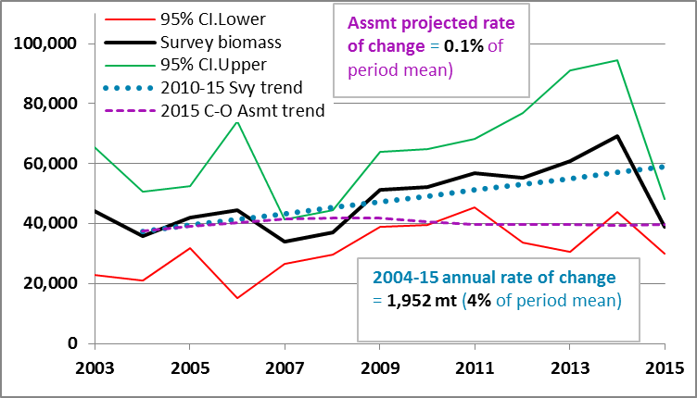
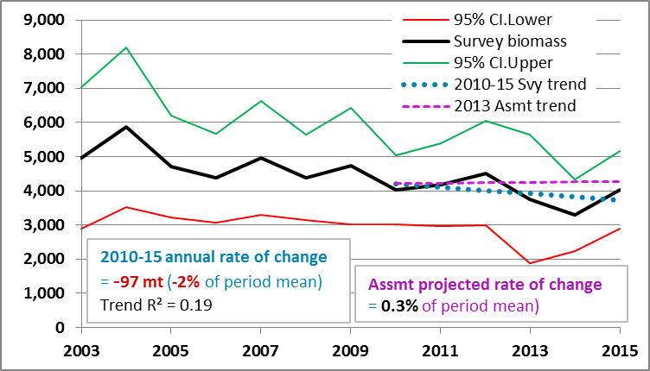

Big skate |  |  | Blackgill rockfish
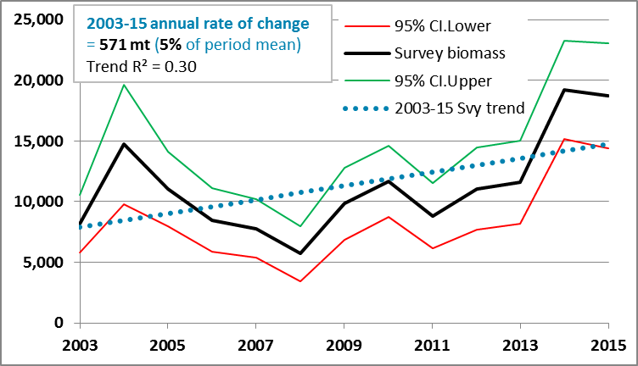
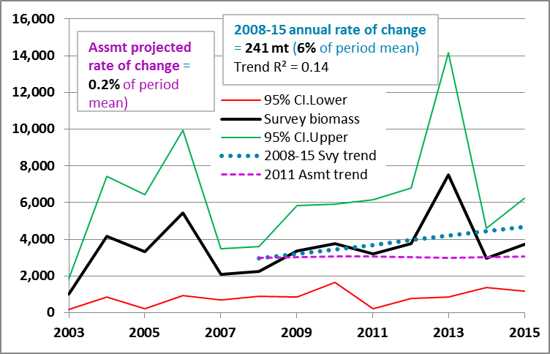

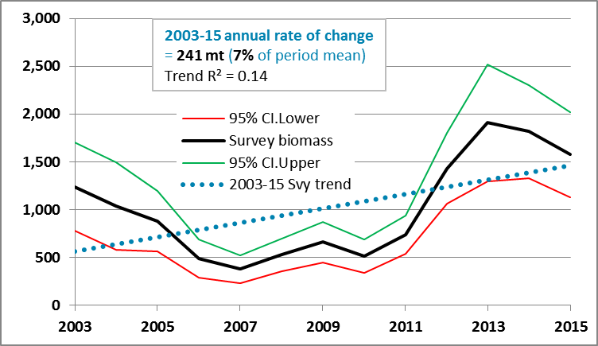
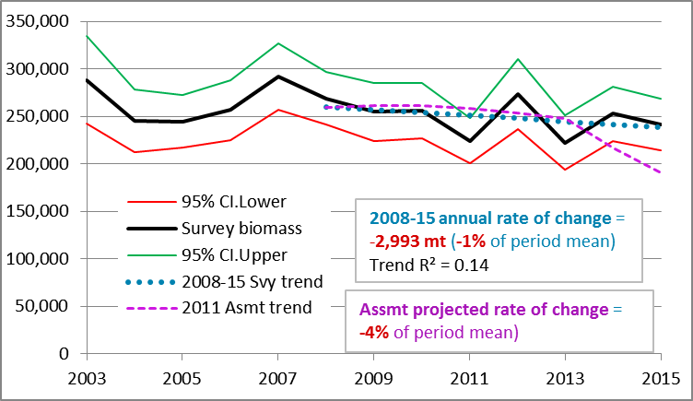
Curlfin sole |  |  | Dover sole

Since the abundance estimates near the end of an assessed period are almost always subject to greater uncertainty than preceding years, where a prior assessment exists, trend lines from the assessment and survey are plotted from 3 years before the last assessment. An assessment’s ‘summary’ biomass amounts were used where both estimated (past) and projected (future) were reported in the assessment document. In most cases, however, only ‘spawning’ biomass, or output, amounts have been reported as both estimates and projections in assessment documents. The scale of the assessment biomass amounts was adjusted so that the initial point had the same value as the survey biomass trend, in order to facilitate easier comparison.
Since the abundance estimates near the end of an assessed period are almost always subject to greater uncertainty than preceding years, where a prior assessment exists, trend lines from the assessment and survey are plotted from 3 years before the last assessment. An assessment’s ‘summary’ biomass amounts were used where both estimated (past) and projected (future) were reported in the assessment document. In most cases, however, only ‘spawning’ biomass, or output, amounts have been reported as both estimates and projections in assessment documents. The scale of the assessment biomass amounts was adjusted so that the initial point had the same value as the survey biomass trend, in order to facilitate easier comparison.

NW Fishery Science Center bottom-trawl survey biomass estimates, with trend information, and
assessment estimates and projections of biomass (where available) from 3 years before the last
assessment through 2015. (cont.)

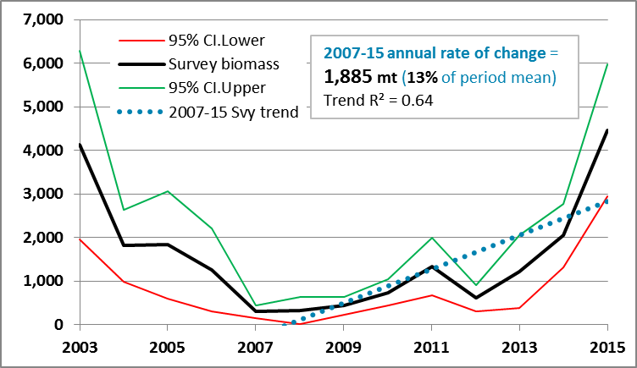
English sole |  |  | Flathead sole
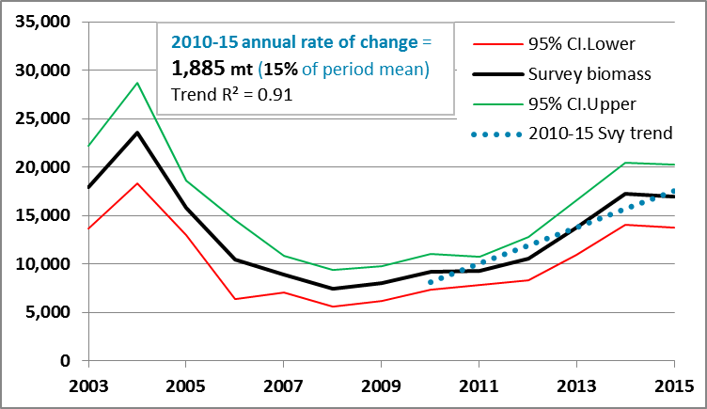

Greenstriped rockfish |  |  | Greenspotted rockfish- 1
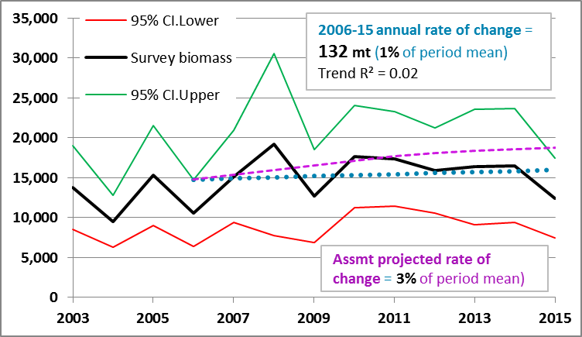
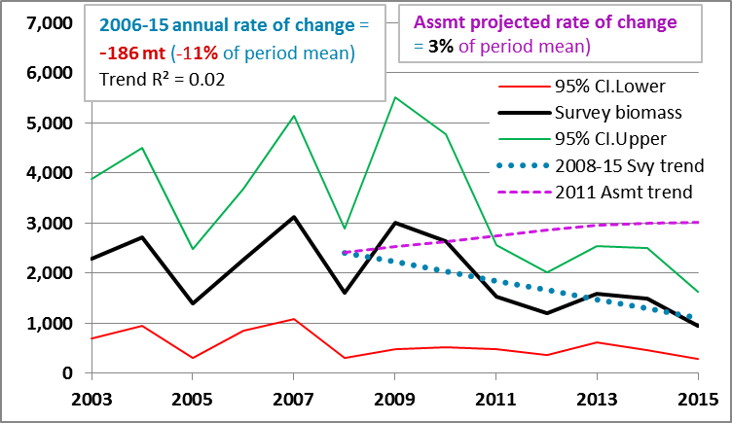

Halfbanded rockfish |  |  | Greenspotted rockfish- 2
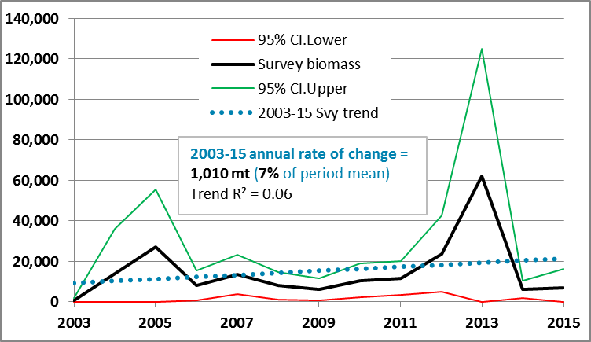
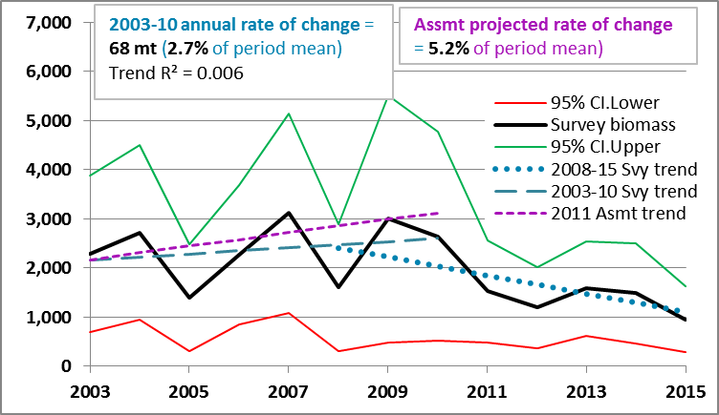

Since the abundance estimates near the end of an assessed period are almost always subject to greater uncertainty than preceding years, where a prior assessment exists, trend lines from the assessment and survey are plotted from 3 years before the last assessment. An assessment’s ‘summary’ biomass amounts were used where both estimated (past) and projected (future) were reported in the assessment document. In most cases, however, only ‘spawning’ biomass, or output, amounts have been reported as both estimates and projections in assessment documents. The scale of the assessment biomass amounts was adjusted so that the initial point had the same value as the survey biomass trend, in order to facilitate easier comparison.
Since the abundance estimates near the end of an assessed period are almost always subject to greater uncertainty than preceding years, where a prior assessment exists, trend lines from the assessment and survey are plotted from 3 years before the last assessment. An assessment’s ‘summary’ biomass amounts were used where both estimated (past) and projected (future) were reported in the assessment document. In most cases, however, only ‘spawning’ biomass, or output, amounts have been reported as both estimates and projections in assessment documents. The scale of the assessment biomass amounts was adjusted so that the initial point had the same value as the survey biomass trend, in order to facilitate easier comparison.

NW Fishery Science Center bottom-trawl survey biomass estimates, with trend information, and
assessment estimates and projections of biomass (where available) from 3 years before the last
assessment through 2015. (cont.)

Lingcod |  |  | Longnose skate
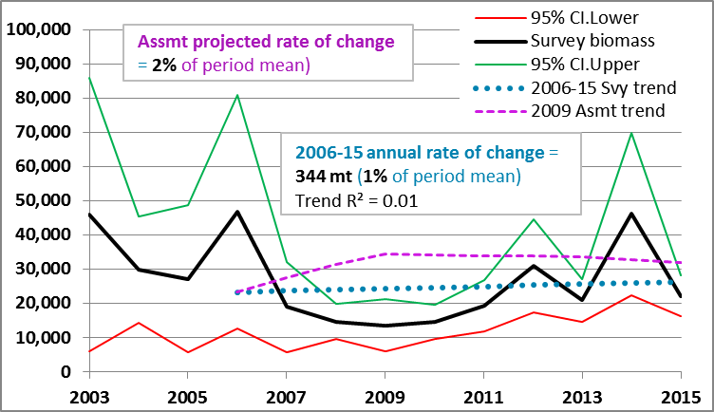
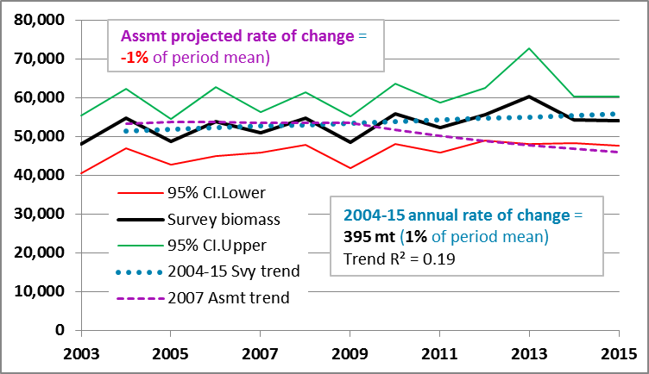

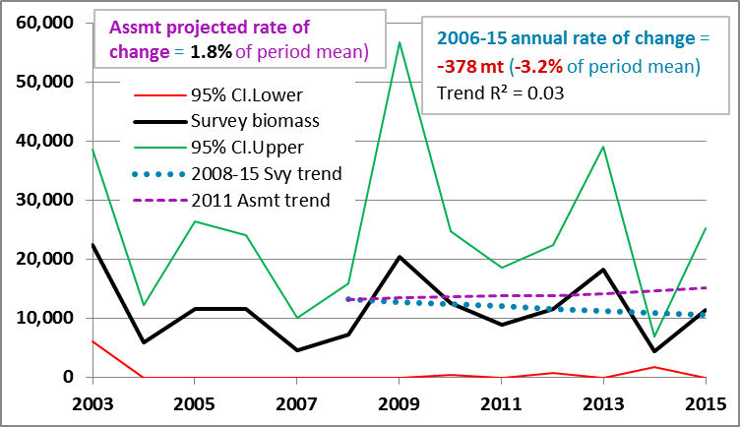
Longspine thornyhead |  |  | Pacific ocean perch
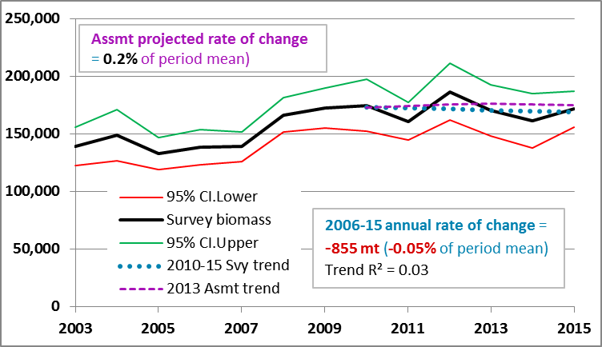

Pacific cod |  |  | Pacific sanddab
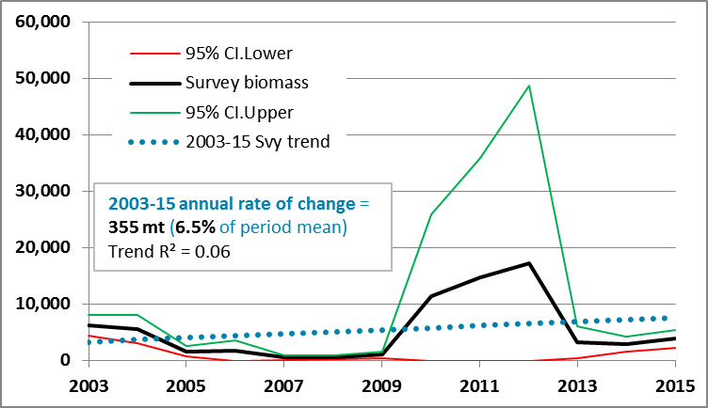
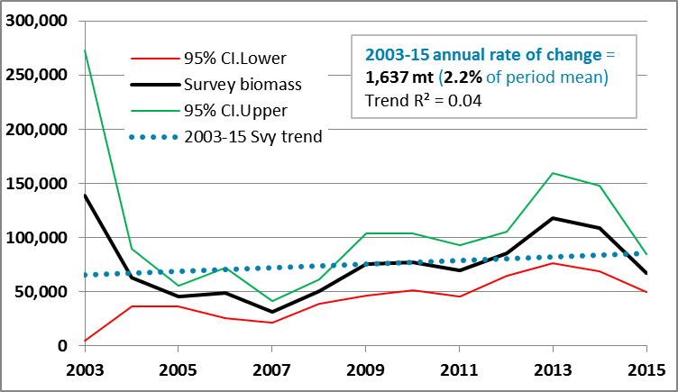

Since the abundance estimates near the end of an assessed period are almost always subject to greater uncertainty than preceding years, where a prior assessment exists, trend lines from the assessment and survey are plotted from 3 years before the last assessment. An assessment’s ‘summary’ biomass amounts were used where both estimated (past) and projected (future) were reported in the assessment document. In most cases, however, only ‘spawning’ biomass, or output, amounts have been reported as both estimates and projections in assessment documents. The scale of the assessment biomass amounts was adjusted so that the initial point had the same value as the survey biomass trend, in order to facilitate easier comparison.
Since the abundance estimates near the end of an assessed period are almost always subject to greater uncertainty than preceding years, where a prior assessment exists, trend lines from the assessment and survey are plotted from 3 years before the last assessment. An assessment’s ‘summary’ biomass amounts were used where both estimated (past) and projected (future) were reported in the assessment document. In most cases, however, only ‘spawning’ biomass, or output, amounts have been reported as both estimates and projections in assessment documents. The scale of the assessment biomass amounts was adjusted so that the initial point had the same value as the survey biomass trend, in order to facilitate easier comparison.

NW Fishery Science Center bottom-trawl survey biomass estimates, with trend information, and
assessment estimates and projections of biomass (where available) from 3 years before the last
assessment through 2015. (cont.)

Redbanded rockfish |  |  | Rex sole
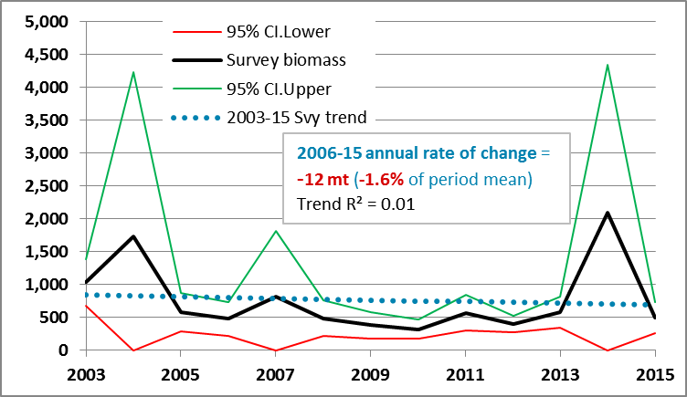
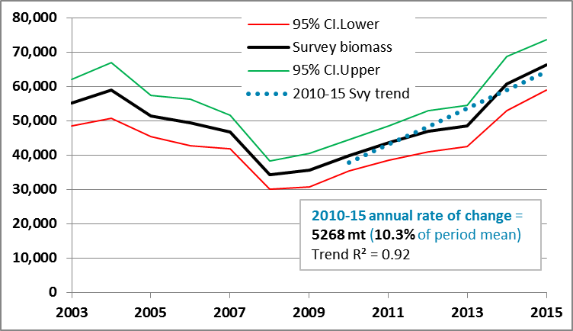

Rosethorn rockfish |  |  | Sharpchin rockfish
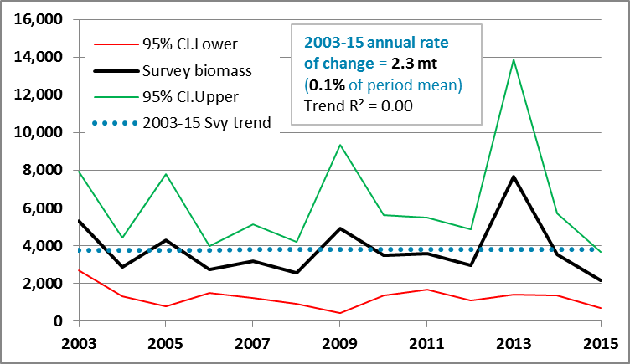
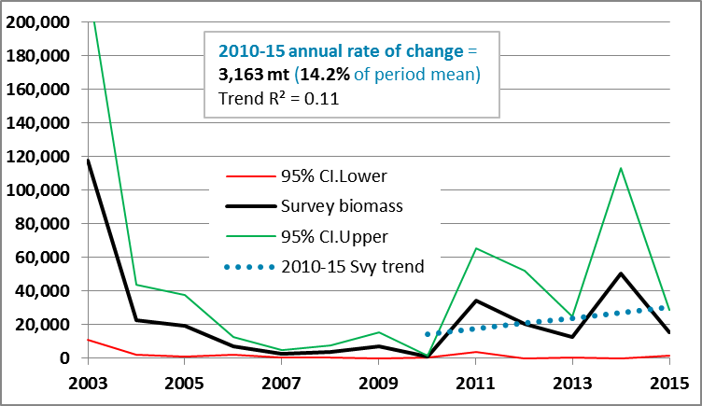

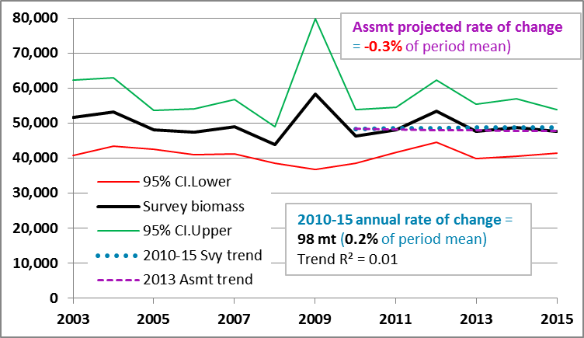
Shortbelly rockfish |  |  | Shortspine thornyhead
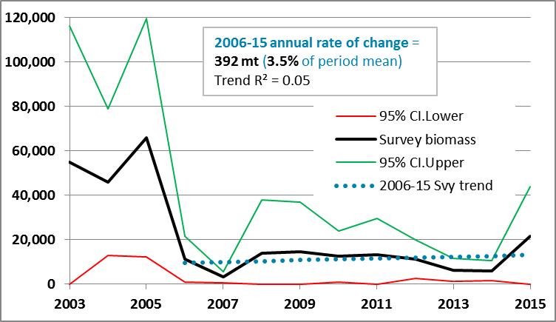

Since the abundance estimates near the end of an assessed period are almost always subject to greater uncertainty than preceding years, where a prior assessment exists, trend lines from the assessment and survey are plotted from 3 years before the last assessment. An assessment’s ‘summary’ biomass amounts were used where both estimated (past) and projected (future) were reported in the assessment document. In most cases, however, only ‘spawning’ biomass, or output, amounts have been reported as both estimates and projections in assessment documents. The scale of the assessment biomass amounts was adjusted so that the initial point had the same value as the survey biomass trend, in order to facilitate easier comparison.
Since the abundance estimates near the end of an assessed period are almost always subject to greater uncertainty than preceding years, where a prior assessment exists, trend lines from the assessment and survey are plotted from 3 years before the last assessment. An assessment’s ‘summary’ biomass amounts were used where both estimated (past) and projected (future) were reported in the assessment document. In most cases, however, only ‘spawning’ biomass, or output, amounts have been reported as both estimates and projections in assessment documents. The scale of the assessment biomass amounts was adjusted so that the initial point had the same value as the survey biomass trend, in order to facilitate easier comparison.

NW Fishery Science Center bottom-trawl survey biomass estimates, with trend information, and
assessment estimates and projections of biomass (where available) from 3 years before the last
assessment through 2015. (cont.)

Slender sole |  |  | Pacific Spiny Dogfish
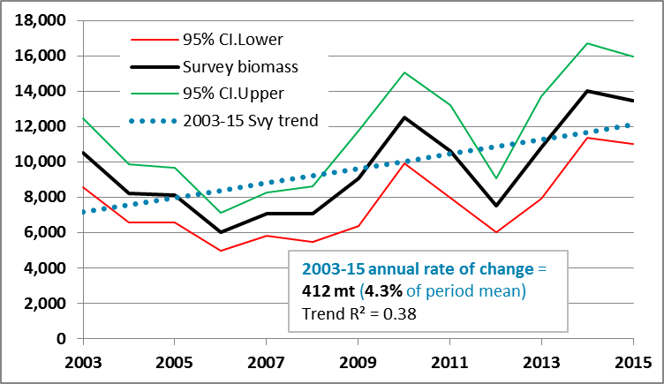
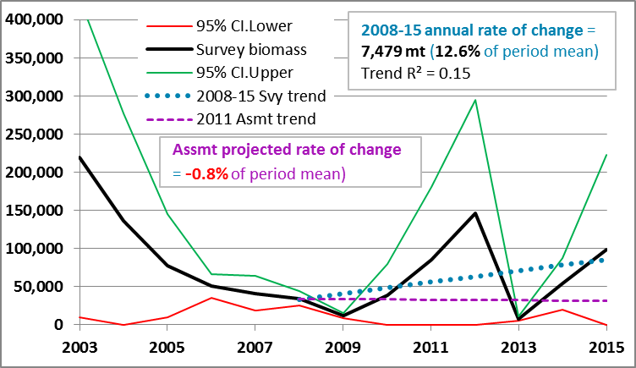

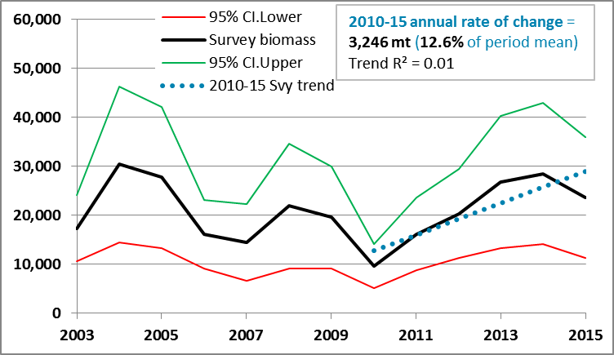
Splitnose rockfish |  |  | Stripetail rockfish
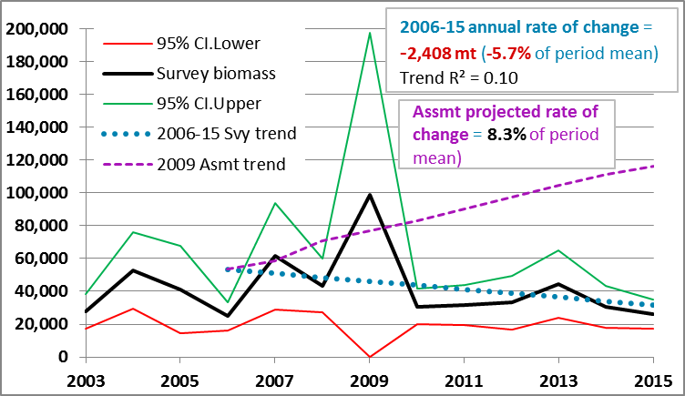

Yelloweye rockfish |  |  | Yellowtail rockfish
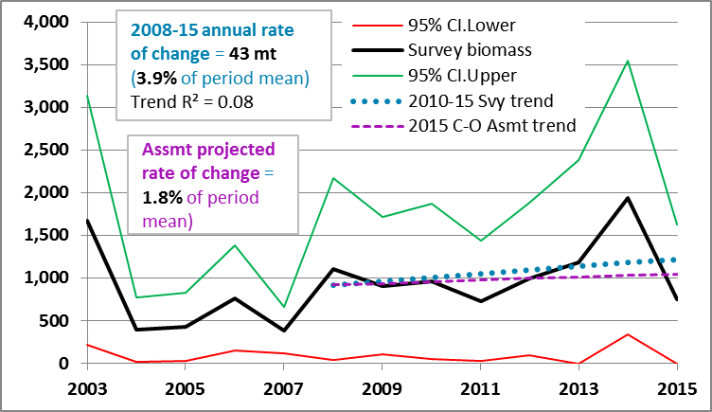
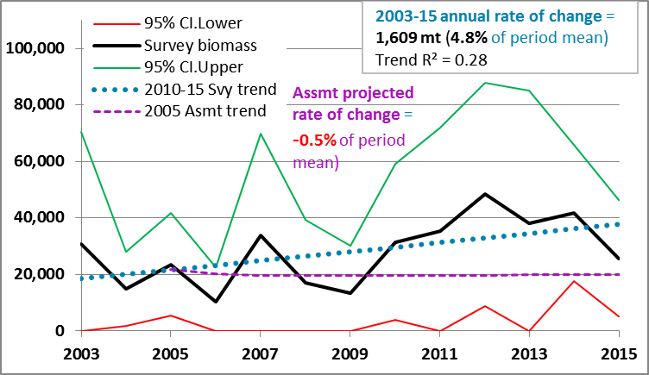

Since the abundance estimates near the end of an assessed period are almost always subject to greater uncertainty than preceding years, where a prior assessment exists, trend lines from the assessment and survey are plotted from 3 years before the last assessment. An assessment’s ‘summary’ biomass amounts were used where both estimated (past) and projected (future) were reported in the assessment document. In most cases, however, only ‘spawning’ biomass, or output, amounts have been reported as both estimates and projections in assessment documents. The scale of the assessment biomass amounts was adjusted so that the initial point had the same value as the survey biomass trend, in order to facilitate easier comparison.
Since the abundance estimates near the end of an assessed period are almost always subject to greater uncertainty than preceding years, where a prior assessment exists, trend lines from the assessment and survey are plotted from 3 years before the last assessment. An assessment’s ‘summary’ biomass amounts were used where both estimated (past) and projected (future) were reported in the assessment document. In most cases, however, only ‘spawning’ biomass, or output, amounts have been reported as both estimates and projections in assessment documents. The scale of the assessment biomass amounts was adjusted so that the initial point had the same value as the survey biomass trend, in order to facilitate easier comparison.

Sablefish |  |  | Petrale sole
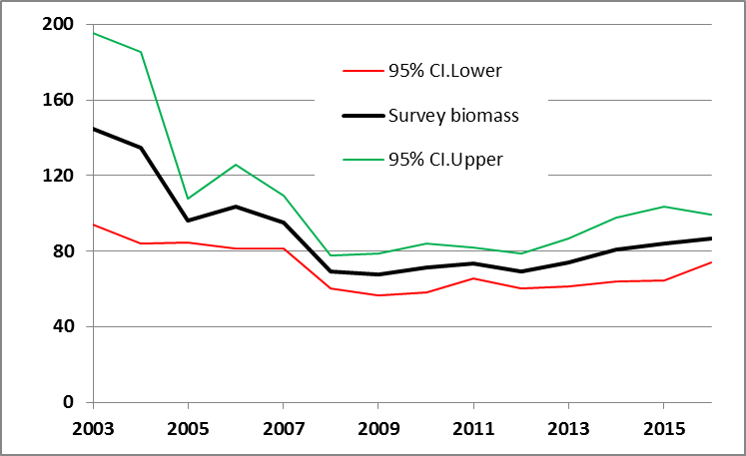
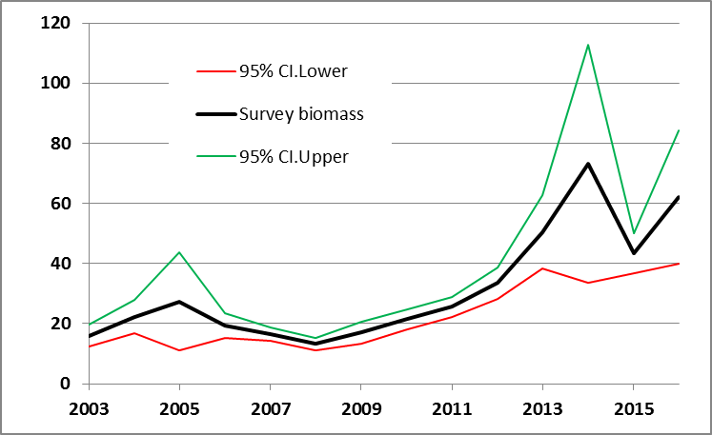

28% increase since 2009, in total biomass

Summary of annual average rates of change in trawl survey and assessment biomass trends.

 | Annual rate of |  |  | Annual rate of
 | biomass change |  |  | biomass change
Species | Survey | Asmnt. | Species | Survey | Asmnt.
Arrowtooth flounder | 4% | 10% | Aurora rockfish | -2% | 0.3%
Big skate | 5% |  | Blackgill rockfish | 6% | 20%
Curlfin sole | 7% |  | Dover sole | -1% | -4%
English sole | 15% |  | Flathead sole | 13%
Greenstriped rockfish | 1% | 3% | Greenspotted rockfish- Late | -11% | 3%
Halfbanded rockfish | 7% |  | Greenspotted rockfish- Early | 3% | 5%
Lingcod | 1% | 2% | Longnose skate | 1% | -1%
Longspine thornyhead | -0.1% | 0.2% | Pacific ocean perch | -3% | 2%
Pacific cod | 7% |  | Pacific sanddab | 2%
Redbanded rockfish | -2% |  | Rex sole | 10%
Rosethorn rockfish | 0.1% |  | Sharpchin rockfish | 14%
Shortbelly rockfish | 4% |  | Shortspine thornyhead | 0.2% | -0.3%
Slender sole | 4% |  | Pacific Spiny Dogfish | 13% | -1%
Splitnose rockfish | -6% | 8% | Stripetail rockfish | 13%
Yelloweye rockfish | 4% | 2% | Yellowtail rockfish | 5% | -1%

