Overview
 |  |  |  |  | Agenda Item F.2
 |  |  |  |  | Attachment 2 (Electronic Only)
 |  |  |  |  | March 2022

Overview of Factors included in this analysis of stock assessment priorities
Based on the process described in: Prioritizing Fish Stock Assessments. U.S. Dep. Commer., NOAA Tech. Memo. NMFS-F/SPO- 152, 31 p
(http://www.st.nmfs.noaa.gov/Assets/stock/documents/PrioritizingFishStockAssessments_FinalWeb.pdf)

Category | Factor | Source/Basis | Range | Notes on Scoring
FISHERY Importance | Commercial Fishery Importance | Landed Ex-vessel Revenue, from PacFIN (transformed) | 0-10 | Score = [(Revenue) (0.18)] * 10/(Largest [initial value])
 | Recreational Fishery Importance | Weighted Landed catch, from RecFIN (transformed) | 0-10 | Score = [(Pseudo-Revenue) (0.18)] * 10/((Largest [initial value])
0 - Not in rebuilding
4 - Projected to rebuild in over 20 years
6 - Projected to rebuild within 20 years
9 - In rebuilding and projected to be rebuilt by next assessment
10 - In rebuilding, with declining biomass
 | Importance to Subsistence | Tribal Comm Revenue + Subsistence input from Habitat Assmt. & Tribes | 0-10 | Score = [(Revenue) (0.18)] * 7/(Largest [initial value]) + subsistence values scored [0-3] with Tribal input
 | Constituent Demand/ Choke Stock | Higher Value to fleet or area & Constraining Species | 0-10 | Emphasis on rebuilding species (and degree of constraint), with lesser additions for state/fleet rankings that are much higher than overall
STOCK Status | Rebuilding Status | Assessed Status + Rebuilding Proj. | 0-10
1 - point = stock biomass is way above target (SBC > 2 * SBMSY)
2 - points = stock biomass is above target ( 2 * SBMSY >= SBC > 1.5*SBMSY)
3 - points = stock biomass is above target ( 1.5 * SBMSY >= SBC > 1.1*SBMSY),
or SBC is unknown and Vulnerability is low (1.8 > PSA)"
4 - points = stock biomass is near target ( 1.1 * SBMSY >= SBC > 0.9*SBMSY),
or SBC is unknown and Vulnerability is intermediate (2 > PSA >= 1.8)"
5 - points = stock biomass is below target ( 0.9 * SBMSY >= SBC > MSST)) and not declining
6 - points = SBC is unknown and Vulnerability is high (PSA >= 2)
7 - points = stock biomass is below target ( 0.9 * SBMSY >= SBC > MSST)) and recent trend is declining or unknown
8 - points = stock is overfished (SBC ≤ MSST) and increasing
9 - points = stock is overfished (SBC ≤ MSST) and stable
10 - points = stock is overfished (SBC ≤ MSST) and declining
 | Relative Stock Abundance | Latest assessed depletion or PSA | 1-10
1 point = negligible fisheries impact on stock (F_{C} ≤ 0.1*F_{L})
2 points = low fisheries impact on stock (0.1* F_{L} < F_{C} ≤ 0.25* F_{L})
3 points = moderately low fisheries impact on stock (0.25* F_{L} < F_{C} ≤ 0.5* F_{L})
4 points = caution - F_{L} is unknown and F_{C} <= 5 mt
5 points = moderate fisheries impact on stock (0.5* F_{L} < F_{C} ≤ 0.75* F_{L})
6 points = caution - F_{C} is unknown or F_{L} is unknown and F_{C} > 5 mt
7 points = moderately high fisheries impact on stock (0.75* F_{L} < F_{C} ≤ 0.9* F_{L})
8 points =high impact, potential for overfishing (0.9* F_{L} < F_{C} ≤ F_{L})
9 points =slight overfishing (F_{L} < F_{C} ≤ 1.1* F_{L})
10 points = significant overfishing (1.1* F_{L} < F_{C})
 | Relative Fishing Mortality | Groundfish Mortality Reports | 1-10
ECOSYSTEM Importance | Key Role in Ecosystem | Top-down and bottom-up diet impacts on managed/protected sp. | 0-10
ASSMT Info | Unexpected Stock Trends | No scoring system yet. Only sabl. & petrale updated since 2016. | 0-10
 | Relevant New Type of Information Available | Updated Steepness Prior; New availability of trend or comp data; Ability to fix prior assmt. issues | 0-10
 | Years Since Assessment relative to Target Frequency, adjusted | Assessment output, Fishery and Ecosystem Factor scores, recent mortality vs draft 2022 ABCs | (-3)-10

Species with Sigma-r > 0.9 receive a -1; species Sigma-r < 0.3 receive a +1; others receive a 0.
Species in the top third of each category receive a -1; species in the bottom third receive a +1; others receive a 0.
TARGET Freq | Mean Age in Catch (with regional modification) | Extraction from assessment data | Value
 | Stock Variability | Recruitment variability (Sigma-r) from last assessment | -1 to +1
 | Fishery Importance | Sum of weighted scores for Fishery Factors (listed above) | -1 to +1
 | Ecosystem Importance | Factor score from above | -1 to +1

Fishing mortality
Importance of fishing mortality relative to catch limit or related benchmark
Based on the % of OFL attainment, calculated at a coastwide level, except where benchmark-dervied OFLs do not cover the entire coast (e.g. bocaccio, yellowtail).

 |  |  |  |  |  |  | ABCs not used in scoring
 |  |  | Average over 2018-20
Species | Factor Score | Rank | Fishing mortality (mt) | OFL (or OFL contribution) (mt) | Percent of OFL attained | OFL - Catch (mt) | ABC (or ABC contribution) (mt) | Percent of ABC attained
Arrowtooth flounder | 2 | 37
Aurora rockfish | 3 | 19
Bank rockfish | 1 | 46
Big skate | 5 | 9
Black rockfish | 5 | 9
Blackgill rockfish | 3 | 19
Blue/Deacon rockfish | 5 | 9
Bocaccio | 2 | 37
Brown rockfish | 5 | 9
Cabezon | 3 | 19
California scorpionfish | 3 | 19
Canary rockfish | 3 | 19
Chilipepper rockfish | 1 | 46
China rockfish | 3 | 19
Copper rockfish | 5 | 9
Cowcod | 1 | 46
Darkblotched rockfish | 3 | 19
Dover sole | 1 | 46
English sole | 1 | 46
Flag rockfish | 3 | 19
Flathead Sole | 9 | 4
Gopher/B&Y rockfish | 5 | 9
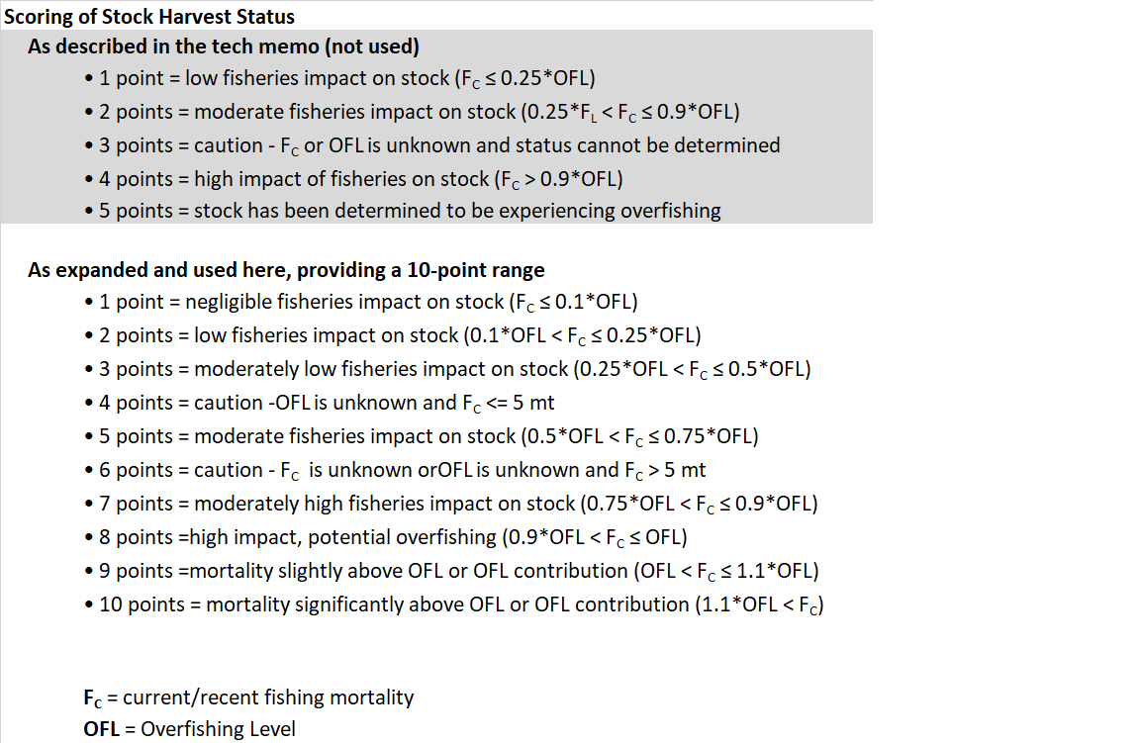
Grass rockfish | 3 | 19
Greenspotted rockfish | 2 | 37
Greenstriped rockfish | 1 | 46
Honeycomb rockfish | 3 | 19
Kelp greenling | 2 | 37
Kelp rockfish | 3 | 19
Lingcod | 3 | 19
Longnose skate | 3 | 19
Longspine thornyhead | 2 | 37
Olive rockfish | 2 | 37
Pacific cod | 1 | 46
Pacific Ocean perch | 2 | 37
Pacific sanddab | 1 | 46
Pacific spiny dogfish | 3 | 19
Petrale sole | 8 | 6
Quillback rockfish | 10 | 1
Redbanded rockfish | 7 | 7
Rex Sole | 2 | 37
Rock Sole | 2 | 37
Rougheye/Blksptd rockfish | 7 | 7
Sablefish | 5 | 9
Sand Sole | 1 | 46
Sharpchin rockfish | 1 | 46
Shortraker rockfish | 5 | 9
Shortspine thornyhead | 3 | 19
Speckled rockfish | 3 | 19
Splitnose rockfish | 1 | 46
Squarespot rockfish | 10 | 1
Starry flounder | 1 | 46
Starry rockfish | 5 | 9
Treefish rockfish | 9 | 4
Vermilion/Sunset rockfish | 10 | 1
Widow rockfish | 5 | 9
Yelloweye rockfish | 3 | 19
Yellowtail rockfish | 3 | 19

Removed from detailed analysis

Area outside of Benchmark Asessment
Bocaccio Rockfish N. of 40°10'
Cabezon (WA)
Chilipepper Rockfish N. of 40°10'
Cowcod Rockfish N. of 40°10'
Yellowtail Rockfish S. of 40°10'

No target Fishing
Shortbelly Rockfish

Very low average fishing mortality during 2018-20
Bronzespotted Rockfish
Butter Sole
Calico Rockfish |  |  |  | no OFLc
Curlfin sole
Freckled Rockfish |  |  |  | no OFLc
Greenblotched Rockfish
Halfbanded Rockfish |  |  |  | no OFLc
Harlequin Rockfish |  |  |  | no OFLc
Leopard Shark
Mexican Rockfish
Pink Rockfish
Pinkrose Rockfish |  |  |  | no OFLc
Pygmy Rockfish |  |  |  | no OFLc
Redstripe Rockfish
Rosethorn Rockfish
Rosy Rockfish
Silvergray Rockfish
Stripetail Rockfish
Swordspine Rockfish
Tiger Rockfish
Yellowmouth Rockfish

