SOP
Use "USIWR.exe" to set or get feature
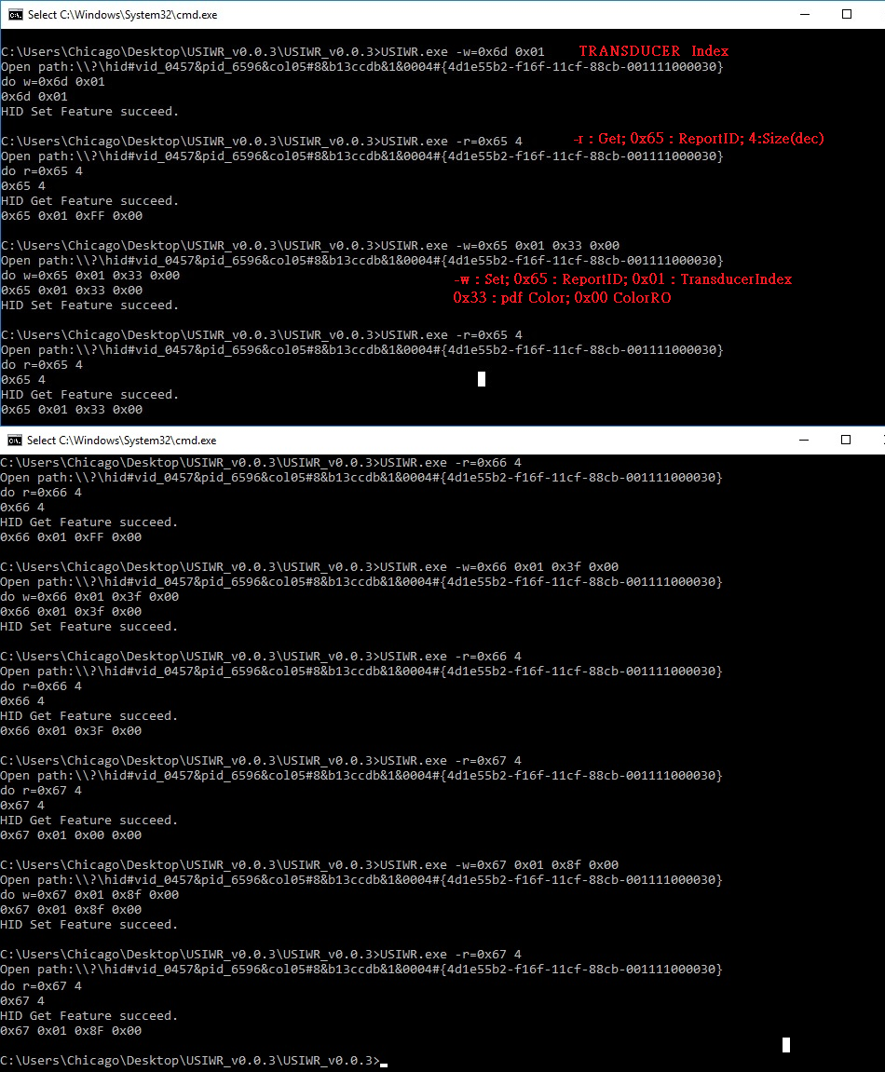

Use "SaveHIDData.exe" to get HID report data
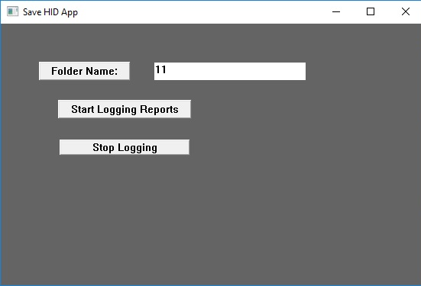

Default HID report data
=========================================================
[19]
[Report ID: 95]
[X: 1673]
[Y: 1545]
[TransducerIndex: 1]
[TipPressure: 0]
[BarrelPressure: 0]
[X-Tilt: 0]
[Y-Tilt: 0]
[TipSwitch: 0]
[BarrelSwitch: 0]
[SecondaryBarrelSwitch: 0]
[Invert: 0]
[Eraser: 0]
[InRange: 1]
[Accel-X: 0 Y: 0 Z: 0]
[Angular-Velocity-X: 0 Y: 0 Z: 0]
[Heading-X: 0 Y: 0 Z: 0]
[BatteryStrength: 87]
[Transducer Serial 64b: 1a6c674df440169]
[Transducer Serial 32b: 1a6c674]
[Preferred Color: 255]
[LineWidth: 255]
[ScanTime: 0]

=========================================================

After set HID feature

=========================================================
[427]
[Report ID: 95]
[X: 1555]
[Y: 1947]
[TransducerIndex: 1]
[TipPressure: 2719]
[BarrelPressure: 0]
[X-Tilt: 0]
[Y-Tilt: 0]
[TipSwitch: 1]
[BarrelSwitch: 0]
[SecondaryBarrelSwitch: 0]
[Invert: 0]
[Eraser: 0]
[InRange: 1]
[Accel-X: 0 Y: 0 Z: 0]
[Angular-Velocity-X: 0 Y: 0 Z: 0]
[Heading-X: 0 Y: 0 Z: 0]
[BatteryStrength: 87]
[Transducer Serial 64b: 1a6c674df440169]
[Transducer Serial 32b: 1a6c674]
[Preferred Color: 51]
[LineWidth: 63]
[ScanTime: 0]

=========================================================

